LX300GY-GI
LX300GY-GI-VOGE-E5+
Special instructions:In this part catalog title bar ，If with a“NOT FOR SERVICE”words ， This part can't be purchased ，Please select the part of the assembly or combination
Ref.No. | PLM CODE | PARTS NAME | UNIT | QTY/UNIT | WEAR & TEAR GRADE | picture | REMARK
F01 HEADLIGHT ASSY
 |  |  |  |  | 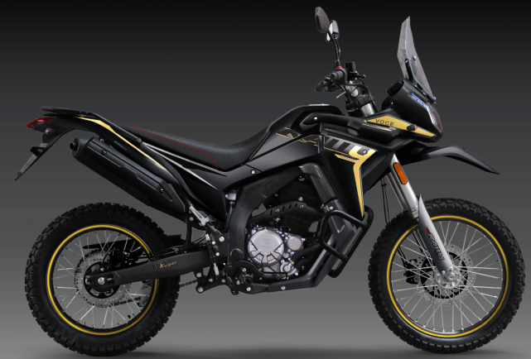 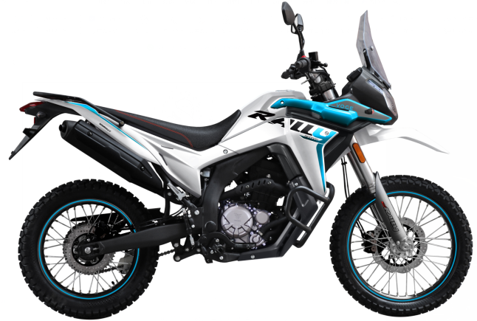
F01-1 | 280460254-0001 | BRACKET,HEAD LIGHT | PCS | 1 | C
F01-2 | 280351143-0001 | HEADLIGHT ASSY. | PCS | 1 | B
F01-3 | 341430732-0003 | FAIRING COVER | PCS | 1 | B |  | Blue model
F01-3 | 341430732-0004 | FAIRING COVER | PCS | 1 | B |  | Black model
F01-4 | 342560006-0001 | PLATE,WINDSHIELD CONNECTING | PCS | 1 | B
F01-5 | 341340086-0002 | GLASS, WIND SHIELD | PCS | 1 | B
F01-6 | 380330007-0007 | CAP-SHAPED NUT | PCS | 2 | C
F01-7 | 380140051-0010 | BOLT,HEXAGON FLANGE | PCS | 2 | C
F01-8 | 282520040-0001 | CUSHION,HEAD LIGHT BRACKET | PCS | 2 | C
F01-9 | 380420006-0006 | NUT,CLIP | PCS | 7 | C
F01-10 | 380270003-0004 |  | PCS | 3 | C
F01-11 | 380310006-0011 | SCREW,CROSS RECESSED PAN SELF-TAPPING | PCS | 2 | C
F01-12 | 280800179-0001 | RUBBER JACKET, DAMPING | PCS | 1 | C
F01-13 | 380890173-0001 | I-RUBBER | PCS | 4 | C
F01-14 | 380470076-0003 | WASHER,FLANGE | PCS | 4 | C
F01-15 | 380370003-0014 | NUT,HEXAGON FLANGE | PCS | 2 | C
F01-16 | 380190502-0001 | SCREW,HEXAGON SOCKET | PCS | 5 | C
F01-17 | 380190503-0001 | SCREW,HEXAGON SOCKET | PCS | 3 | C
F01-18 | 380820512-0004 | COLLAR | PCS | 3 | C
F01-19 | 380890380-0001 | I-RUBBER | PCS | 3 | C
F01-20 | 380450007-0014 | WASHER,PLAIN | PCS | 3 | C
F02 WIND BOARD HEAD COVERING PARTS
 |  | 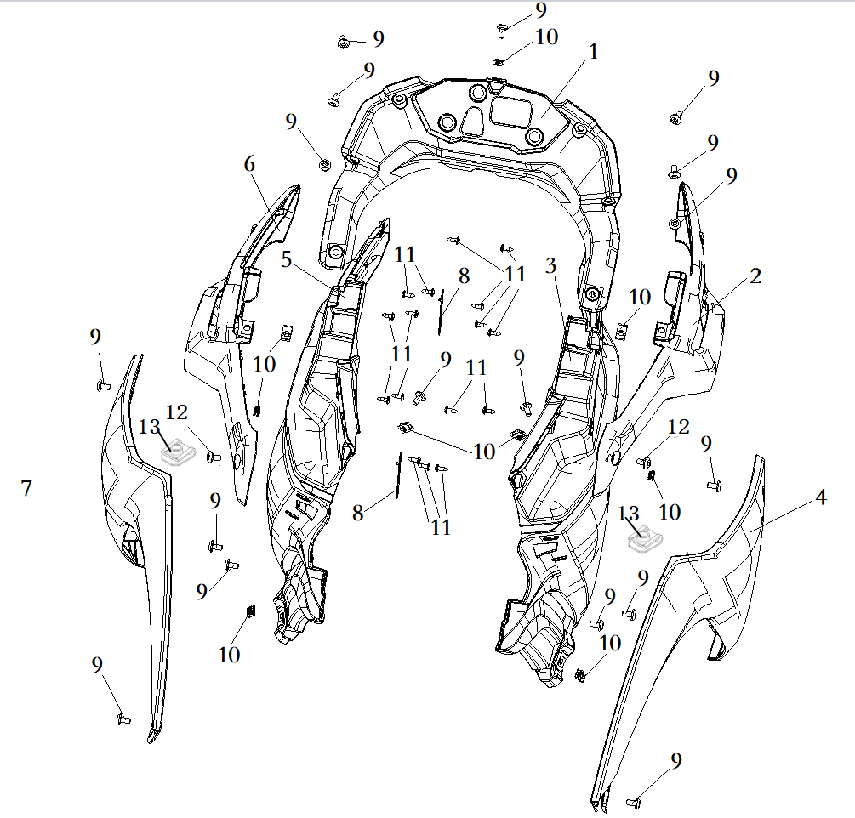
F02-1 | 341650299-0001 | CASE COMP.,METER | PCS | 1 | B
F02-2 | 341200032-0017 | COVER,RIGHT WIND BOARD DECORATIVE | PCS | 1 | B |  | Blue model
F02-2 | 341200032-0040 | COVER,RIGHT WIND BOARD DECORATIVE | PCS | 1 | B |  | Black model
F02-3 | 341180063-0001 | WIND SHIELD,RIGHT INNER | PCS | 1 | B
F02-4 | 341170184-0018 | WIND SHIELD,RIGHT | PCS | 1 | B |  | Blue model
F02-4 | 341170184-0055 | WIND SHIELD,RIGHT | PCS | 1 | B |  | Black model
F02-5 | 341160063-0001 | WIND SHIELD,LEFT INNER | PCS | 1 | B
F02-6 | 341190032-0017 | COVER,LEFT WIND BOARD DECORATIVE | PCS | 1 | B |  | Blue model
F02-6 | 341190032-0040 | COVER,LEFT WIND BOARD DECORATIVE | PCS | 1 | B |  | Black model
F02-7 | 341150181-0018 | WIND SHIELD,LEFT | PCS | 1 | B |  | Blue model
F02-7 | 341150181-0055 | WIND SHIELD,LEFT | PCS | 1 | B |  | Black model
F02-8 | 380930067-0002 | CLIP,LOCATING WIRE | PCS | 2 | C
F02-9 | 380190500-0001 | SCREW,HEXAGON SOCKET | PCS | 19 | C
F02-10 | 380420006-0006 | NUT,CLIP | PCS | 9 | C
F02-11 | 380310002-0012 | SCREW,CROSS RECESSED PAN SELF-TAPPING | PCS | 16 | C
F02-12 | 380190499-0001 | SCREW,HEXAGON SOCKET | PCS | 2 | C
F02-13 | 380420062-0001 | NUT,CLIP | PCS | 2 | C
F03 METER ASSY
 |  | 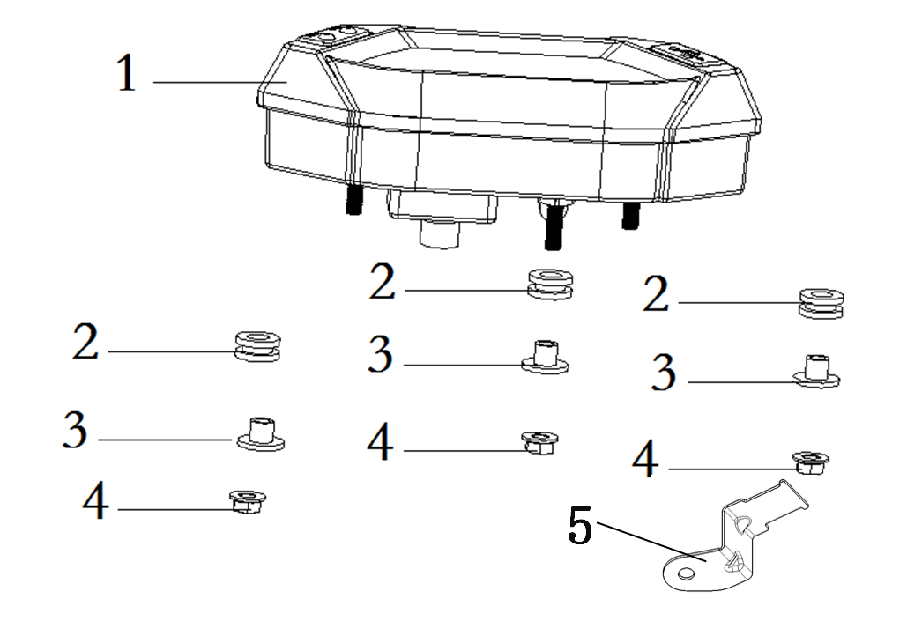
F03-1 | 281371697-0001 | INSTRUMENT SET | PCS | 1 | B
F03-2 | 380890173-0001 | I-RUBBER | PCS | 3 | C
F03-3 | 380820512-0004 | COLLAR | PCS | 3 | C
F03-4 | 380370003-0014 | NUT,HEXAGON FLANGE | PCS | 3 | C
F03-5 | 280170018-0001 | BRACKET,FLASHER | PCS | 1 | C
F04 HANDLE SWITCH
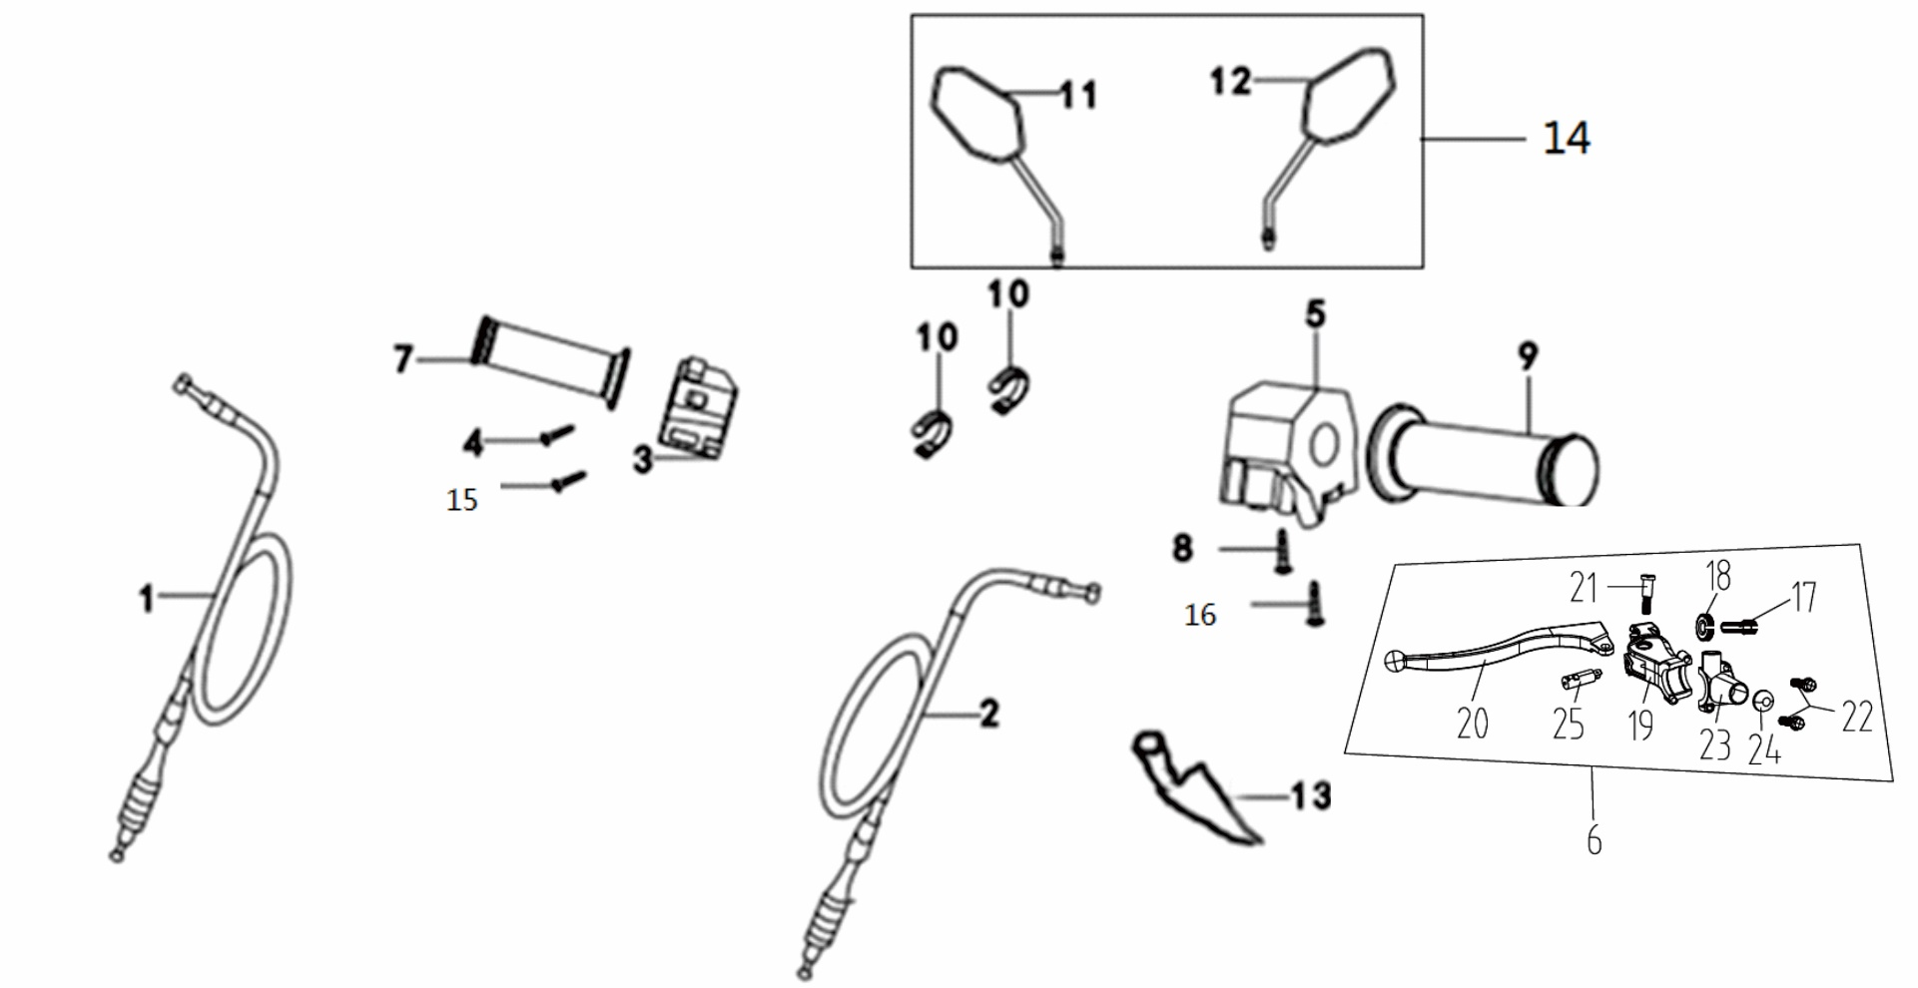
F04-1 | 171210740-0001 | CABLE COMP.,THROTTLE | PCS | 1 | A
F04-2 | 320240560-0001 | CABLE COMP.,CLUTCH | PCS | 1 | A
F04-3 | 271390564-0001 | SWITCH ASSY.,LEFT | SET | 1 | B
F04-4 | 380200032-0002 | SCREW,CROSS RECESSED PAN | PCS | 1 | C
F04-5 | 271590570-0001 | SWITCH ASSY.,RIGHT | SET | 1 | B
F04-6 | 271510204-0001 | LEVER COMP., LEFT | SET | 1 | B
F04-7 | 320190254-0001 | GREASER COMP. | PCS | 1 | A
F04-8 | 380200010-0001 | SCREW,CROSS RECESSED PAN | PCS | 1 | C
F04-9 | 320180249-0001 | GRIP SET,HANDLE | PCS | 1 | A
F04-10 | 380900131-0002 | CLAMPING BAND | PCS | 2 | C
F04-11 | 360500321-0002 | MIRROR,LEFT BACK-VIEW | PCS | 1 | A
F04-12 | 360530323-0002 | MIRROR,RIGHT BACK-VIEW | PCS | 1 | A
F04-13 | 320820034-0001 | SHEATH,CLUTCH CABLE | PCS | 1 | C
F04-14 | 360490231-0002 | MIRROR,REAR VIEW | SET | 1 | A
F04-15 | 380200012-0001 | SCREW,CROSS RECESSED PAN | PCS | 1 | C
F04-16 | 380200023-0002 | SCREW,CROSS RECESSED PAN | PCS | 1 | C
F04-17 | 271560012-0001 | SCREW,LEFT LEVER ADJUST | EA | 1 | C
F04-18 | 271550010-0001 | NUT,LEFT LEVER ADJUST | EA | 1 | C
F04-19 | 271530012-0001 | HOLDER,LEFT LEVER | EA | 1 | C
F04-20 | 271520138-0001 | LEVER COMP.,LEFT STEERING HANDLE | EA | 1 | C
F04-21 | 380210006-0001 | SCREW,CROSS RECESSED PAN SHOULDER | EA | 1 | C
F04-22 | 380190620-0001 | SCREW,HEXAGON SOCKET | EA | 2 | C
F04-23 | 271540050-0001 | CLIP,LEFT LEVER | EA | 1 | C
F04-24 | 274510001-0001 | SWITCH,ABS CONTROL | EA | 1 | C
F04-25 | 271420013-0001 | SWITCH ASSY.,CLUTCH | EA | 1 | C
F05 HANDLE COMP.,STEERING
 |  | 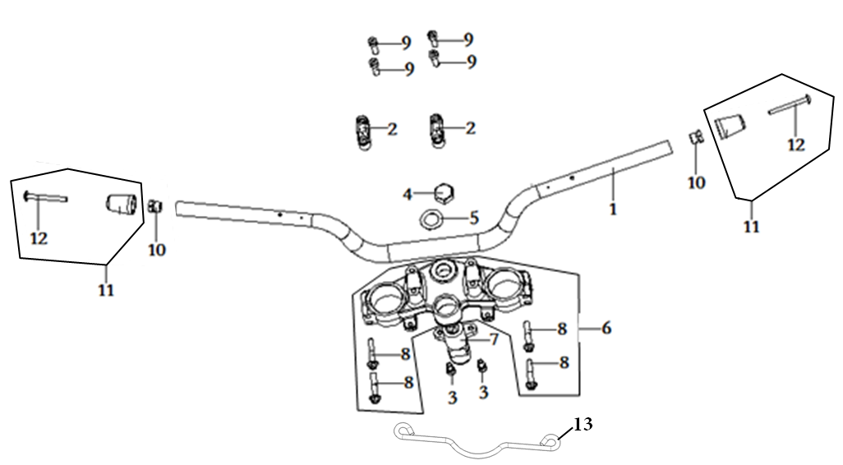
F05-1 | 320020465-0001 | HANDLE BAR ASSY. | PCS | 1 | C
F05-2 | 310200117-0002 | HOLDER,STEERING HANDLE PIPE | PCS | 2 | B
F05-3 | 380190010-0010 | SCREW,HEXAGON SOCKET | PCS | 2 | C
F05-4 | 310240002-0001 | CAP-SHAPED NUT, STEERING STEM | PCS | 1 | C
F05-5 | 310300009-0002 | WASHER,STEERING STEM | PCS | 1 | C
F05-6 | 310180233-0002 | BRIDGE,FORK TOP | PCS | 1 | B
F05-7 | 270330318 |  | PCS | 1 | C
F05-8 | 380140006-0008 | BOLT,HEXAGON FLANGE | PCS | 4 | C
F05-9 | 380190186-0001 | SCREW,HEXAGON SOCKET | PCS | 4 | C
F05-10 | 320120044-0002 | COUNTERWEIGHT,STEERING HANDLE PIPE | PCS | 2 | B
F05-11 | 320220092-0002 | DECORATIVE WEIGHT, LEFT | PCS | 2 | B
F05-12 | 380190006-0003 | SCREW,HEXAGON SOCKET | PCS | 2 | C
F05-13 | 380940792-0001 |  | PCS | 1 | C
F06 STEERING STEM ASSY
 |  | 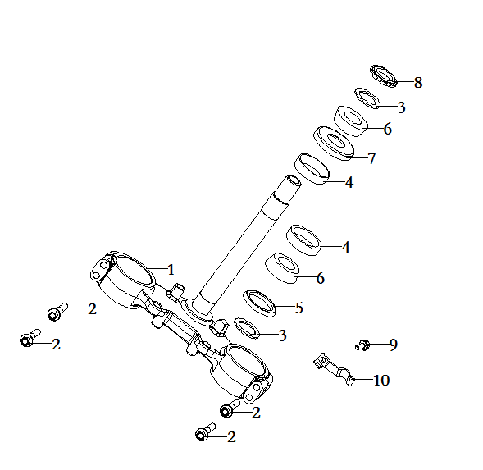
F06-1 | 310130305-0002 | BODY SET,STEERING STEM | PCS | 1 | B
F06-2 | 380140006-0008 | BOLT,HEXAGON FLANGE | PCS | 4 | C
F06-3 | 310300048-0001 | WASHER,STEERING STEM | PCS | 2 | C
F06-4 | 310370012-0001 | RING, STEERING BASE | PCS | 2 | B
F06-5 | 310320031-0001 |  |  | 1
F06-6 | 310390012-0001 | CIRCLIP, STEERING BEARING | PCS | 2 | B
F06-7 | 310310011-0001 | DUST CAP,STEERING STEM | PCS | 1 | C
F06-8 | 310270015-0004 | ADJUST NUT,STEERING STEM | PCS | 1 | C
F06-9 | 380140067-0013 | BOLT,HEXAGON FLANGE | PCS | 1 | C
F06-10 | 380940829-0002 | CLAMP,WIRE | PCS | 1 | C
F07 FRONT FENDER

F07-1 | 380190500-0001 | SCREW,HEXAGON SOCKET | PCS | 4 | C
F07-2 | 340310760-0018 | FENDER COMP.,FRONT | PCS | 1 | B |  | Blue model
F07-2 | 340310760-0041 | FENDER COMP.,FRONT | PCS | 1 | B |  | Black model
F07-3 | 340360033-0001 | PLATE,FRONT FENDER CONNECTING | PCS | 1 | C
F07-4 | 380140013-0013 | BOLT,HEXAGON FLANGE | PCS | 4 | C
F08 FRONT SHOCK ABSORBER
 |  | 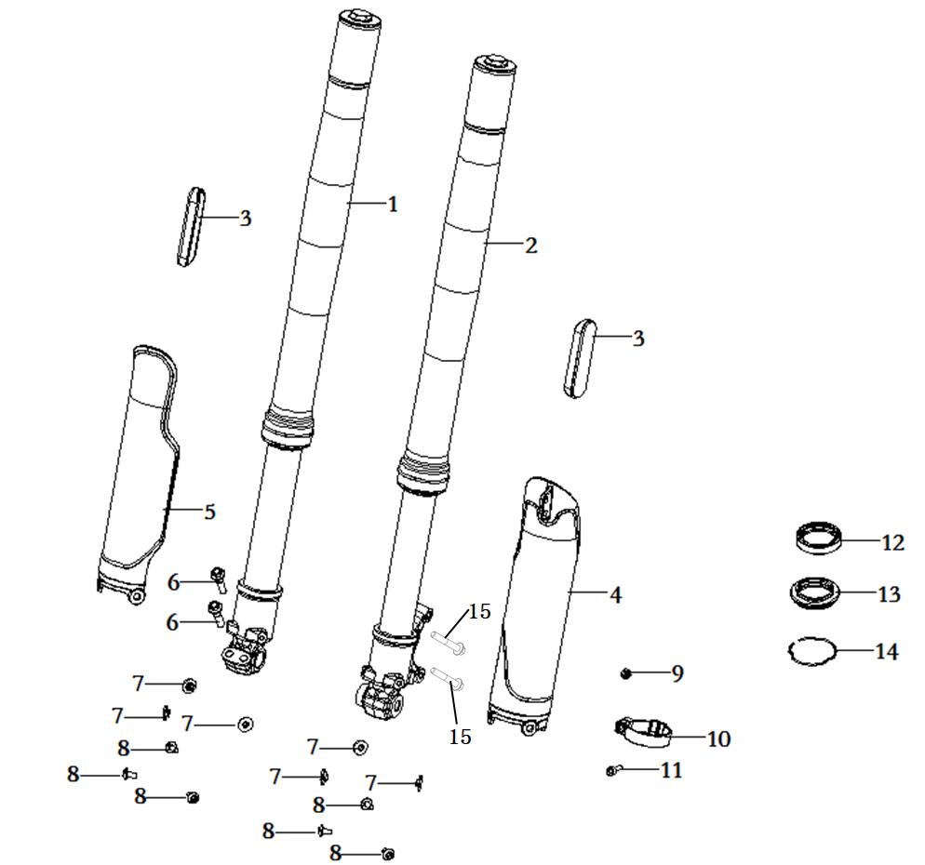
F08-1 | 310460700-0002 | SHOCK ABSORBER, RIGHT FRONT | PCS | 1 | B
F08-2 | 310450761-0002 | SHOCK ABSORBER, LEFT FRONT | PCS | 1 | B
F08-3 | 280010141-0001 | REFLECTOR,LEFT SIDE | PCS | 2 | B
F08-4 | 310680022-0027 | TUBE,LEFT FRONT FORK LOWER DECORATIVE | PCS | 1 | B
F08-5 | 310690015-0027 | TUBE,RIGHT FRONT FORK LOWER DECORATIVE | PCS | 1 | B
F08-6 | 380140093-0008 | BOLT,HEXAGON FLANGE | PCS | 2 | C
F08-7 | 380470115-0001 | WASHER,FLANGE | PCS | 6 | C
F08-8 | 380190500-0001 | SCREW,HEXAGON SOCKET | PCS | 6 | C
F08-9 | 380340011-0013 | NUT,HEXAGON HEAD | PCS | 1 | C
F08-10 | 380950481-0001 | CLAMP,TUBE | PCS | 1 | C
F08-11 | 380190008-0012 | SCREW,HEXAGON SOCKET | PCS | 2 | C
F08-12 | 380650685-0001 | OIL SEAL | PCS | 1 | B
F08-13 | 310570071-0001 | SLEEVE GASKET,FRONT FORK DUST SEAL | PCS | 1 | B
F08-14 | 310580036-0001 | SNAP RING,FRONT FORK | PCS | 1 | C
F08-15 | 380140795-0002 | BOLT,HEXAGON FLANGE | PCS | 2 | C
F09 FRONT WHEEL
 | 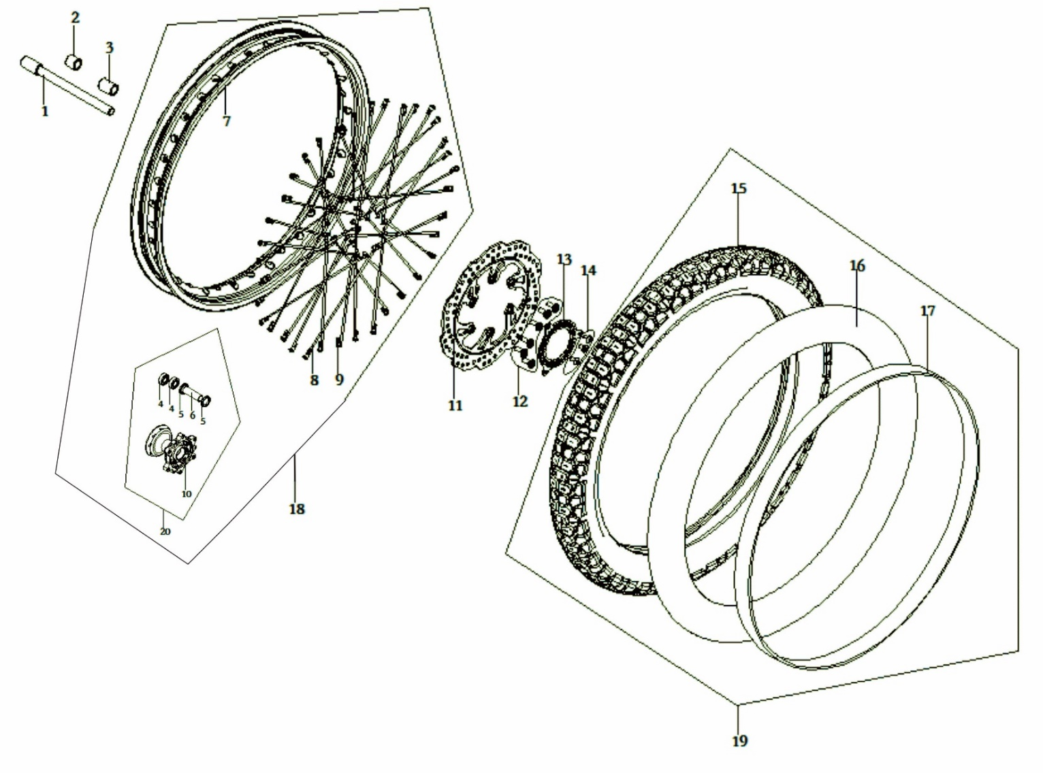
F09-1 | 380870867-0003 | AXIS | PCS | 1 | C
F09-2 | 380823243-0001 | COLLAR | PCS | 1 | C
F09-3 | 380823242-0001 | COLLAR | PCS | 1 | C
F09-4 | 380630030-0001 | BEARING | PCS | 2 | B
F09-5 | 380650117-0001 | OIL SEAL | PCS | 2 | B
F09-6 | 292150134-0001 | LINING COMP.,HUB | PCS | 1 | C
F09-7 | 290040078-0003 | RIM,FRONT WHEEL | PCS | 1 | B |  | Blue model
F09-7 | 290040078-0002 | RIM,FRONT WHEEL | PCS | 1 | B |  | Black model
F09-8 | 290050100-0002 | SPOKE,FRONT WHEEL OUTSIDE | PCS | 36 | A
F09-9 | 290070036-0002 | NUT,FRONT WHEEL SPOKE | PCS | 36 | A
F09-10 | 290120045-0002 | BODY SET,FRONT WHEEL HUB | PCS | 1 | C
F09-11 | 291420209-0001 | DISK COMP.,LEFT FRONT BRAKE | PCS | 1 | C
F09-12 | 380120022-0003 | BOLT,HEXAGON SOCKET RAISED FACE CHEESE HEAD WITH SHOULDER | PCS | 6 | C
F09-13 | 297710010-0002 | GEAR RING, ABS | PCS | 1 | C
F09-14 | 380190500-0001 | SCREW,HEXAGON SOCKET | PCS | 3 | C
F09-15 | 290160680-0001 | TIRE | PCS | 1 | A
F09-16 | 290180370-0001 | TUBE | PCS | 1 | A
F09-17 | 290170056-0001 | FLAP | PCS | 1 | C
F09-18 | 290020692-0006 | WHEEL,FRONT | PCS | 1 | B |  | Blue model
F09-18 | 290020692-0005 | WHEEL,FRONT | PCS | 1 | B |  | Black model
F09-19 | 290151063-0001 | TYRE ASSY. | PCS | 1 | A
F09-20 | 290110080-0002 | HUB,FRONT WHEEL | PCS | 1 | C |  | NOT FOR SERVICE
F10 DISC BRAKE SYSTEM DISC BRAKE、ABS
 | 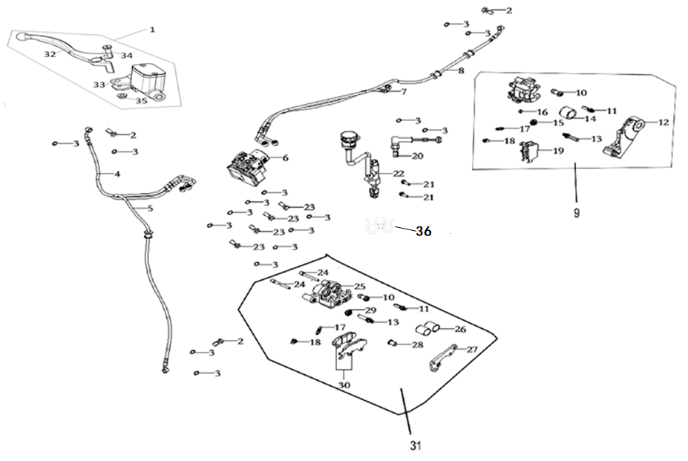
F10-1 | 291480189-0001 | CYLINDER ASSY.,MASTER | PCS | 1 | B
F10-2 | 291800031-0001 | BOLT,DISC-BRAKE HOSE | PCS | 3 | C |  | NOT FOR SERVICE
F10-3 | 380450298-0001 | WASHER,PLAIN | PCS | 16 | C |  | NOT FOR SERVICE
F10-4 | 294180029-0001 | ABS CONNECTIVE OIL TUBE | PCS | 1 | C
F10-5 | 294180094-0001 | ABS CONNECTIVE OIL TUBE | PCS | 1 | C
F10-6 | 291820019-0001 | ABS.ANTI-LOCKING UP SYSTEM | PCS | 1 | C
F10-7 | 294180031-0001 | ABS CONNECTIVE OIL TUBE | PCS | 1 | C
F10-8 | 294180032-0001 | ABS CONNECTIVE OIL TUBE | PCS | 1 | C
F10-9 | 292010060-0001 | PUMP, REAR DISC-BRAKE LOWER | PCS | 1 | C
F10-10 | 292470015 | DUST CAP | PCS | 2 | C |  | NOT FOR SERVICE
F10-11 | 291670040 | BOLT,CALIPER CONNECTING | PCS | 2 | C |  | NOT FOR SERVICE
F10-12 | 291950065 | BRACKET,REAR DISC-BRAKE | PCS | 1 | C |  | NOT FOR SERVICE
F10-13 | 292290027 | MASTER LINK,CALIPER | PCS | 2 | C |  | NOT FOR SERVICE
F10-14 | 291700064 | PISTON COMP.,BRAKE | PCS | 1 | C |  | NOT FOR SERVICE
F10-15 | 292350017 | PACKING CUP,CALIPER MASTER LINK | PCS | 1 | C |  | NOT FOR SERVICE
F10-16 | 293370003 | BOLT,PLUG | PCS | 1 | C |  | NOT FOR SERVICE
F10-17 | 291750040 | BLEEDER SCREW | PCS | 2 | C |  | NOT FOR SERVICE
F10-18 | 291760039 | PROTECTING CAP,BLEEDER SCREW | PCS | 1 | C |  | NOT FOR SERVICE
F10-19 | 292400029-0001 | PAD COMP.,REAR DISC-BRAKE LEFT | PCS | 1 | A
F10-20 | 271760174-0001 | SWITCH ASSY.,REAR BRAKE | PCS | 1 | B
F10-21 | 380140077-0012 | BOLT,HEXAGON FLANGE | PCS | 2 | C
F10-22 | 291980069-0001 | PUMP, REAR DISC-BRAKE UPPER | PCS | 1 | C
F10-23 | 291800034-0002 | BOLT,DISC-BRAKE HOSE | PCS | 4 | C
F10-24 | 291740059 | GUIDE ROD,DISC-BRAKE PAD | PCS | 2 | C |  | NOT FOR SERVICE
F10-25 | 291690055 | BODY SET,CALIPER | PCS | 1 | C |  | NOT FOR SERVICE
F10-26 | 291700054 | PISTON COMP.,BRAKE | PCS | 2 | C |  | NOT FOR SERVICE
F10-27 | 291660075 | BASE,CALIPER MOUNTING | PCS | 1 | C |  | NOT FOR SERVICE
F10-28 | 292320011 | THREADED SLEEVE,CALIPER SUB LINK | PCS | 1 | C |  | NOT FOR SERVICE
F10-29 | 292350017 | PACKING CUP,CALIPER MASTER LINK | PCS | 1 | C |  | NOT FOR SERVICE
F10-30 | 291710099-0001 | PAD COMP.,FRONT DISC-BRAKE | PCS | 1 | A
F10-31 | 291640184-0001 | CALIPER ASSY.,LEFT | PCS | 1 | C
F10-32 | 271720232-0002 | LEVER COMP.,RIGHT STEERING HANDLE | PCS | 1 | B
F10-33 | 291550055 | BODY SET,FRONT DISC-BRAKE MATER CYLINDER | PCS | 1 | C
F10-34 | 292260021 | BOLT,HANDLE LEVER PIVOT | PCS | 1 | C
F10-35 | 380370111 | NUT,HEXAGON FLANGE | PCS | 1 | C
F10-36 | 380950467-0001 | CLAMP,TUBE | PCS | 4 | C
F11 REAR WHEEL ASSY
 | 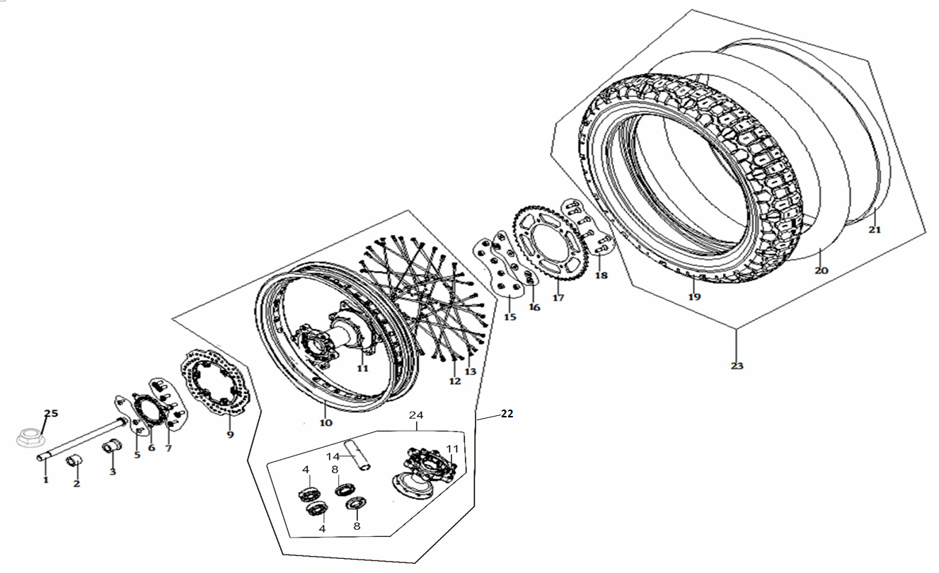
F11-1 | 380870869-0003 | AXIS | PCS | 1
F11-2 | 380823240-0001 | COLLAR | PCS | 1 | C
F11-3 | 380823241-0001 | COLLAR | PCS | 1 | C
F11-4 | 380630202-0002 | BEARING | PCS | 2 | B
F11-5 | 380190500-0001 | SCREW,HEXAGON SOCKET | PCS | 3 | C
F11-6 | 297710010-0002 | GEAR RING, ABS | PCS | 1 | C
F11-7 | 380120022-0003 | BOLT,HEXAGON SOCKET RAISED FACE CHEESE HEAD WITH SHOULDER | PCS | 6 | C
F11-8 | 380650407-0001 | OIL SEAL | PCS | 1 | B
F11-9 | 291930059-0001 | DISK COMP.,LEFT REAR BRAKE | PCS | 1 | C
F11-10 | 290230079-0006 | RIM,REAR WHEEL | PCS | 1 | B |  | Blue model
F11-10 | 290230079-0005 | RIM,REAR WHEEL | PCS | 1 | B |  | Black model
F11-11 | 290290047-0002 | BODY SET,REAR WHEEL HUB | PCS | 1 | C
F11-12 | 290260028-0002 | NUT,REAR WHEEL SPOKE | PCS | 36 | A
F11-13 | 290240106-0002 | SPOKE,REAR WHEEL OUTSIDE | PCS | 36 | A
F11-14 | 292150135-0001 | LINING COMP.,HUB | PCS | 1 | C
F11-15 | 380390003-0002 | NUT,PREVAILING TORQUE TYPE ALL-METAL HEXAGON | PCS | 6 | C
F11-16 | 380451002-0003 | WASHER,PLAIN | PCS | 6 | C
F11-17 | 290410037-0002 | SPROCKET COMP.,FINAL DRIVEN | PCS | 1 | C
F11-18 | 290440028-0003 | BOLT,SPROCKET WHEEL | PCS | 6 | B
F11-19 | 290160681-0001 | TIRE | PCS | 1 | A
F11-20 | 290180371-0001 | TUBE | PCS | 1 | A
F11-21 | 290170057-0001 | FLAP | PCS | 1 | C
F11-22 | 290220670-0005 | WHEEL,REAR | PCS | 1 | B |  | Blue model
F11-22 | 290220670-0006 | WHEEL,REAR | PCS | 1 | B |  | Black model
F11-23 | 290151064-0001 | TYRE ASSY. | PCS | 1 | A
F11-24 | 290280073-0002 | HUB,REAR WHEEL | PCS | 1 | C |  | NOT FOR SERVICE
F11-25 | 380400012-0003 | NUT,PREVAILING TORQUE TYPE ALL-METAL HEXAGON WITH FLANGE | PCS | 1 | C
F12 FUEL TANK ASSY
 |  | 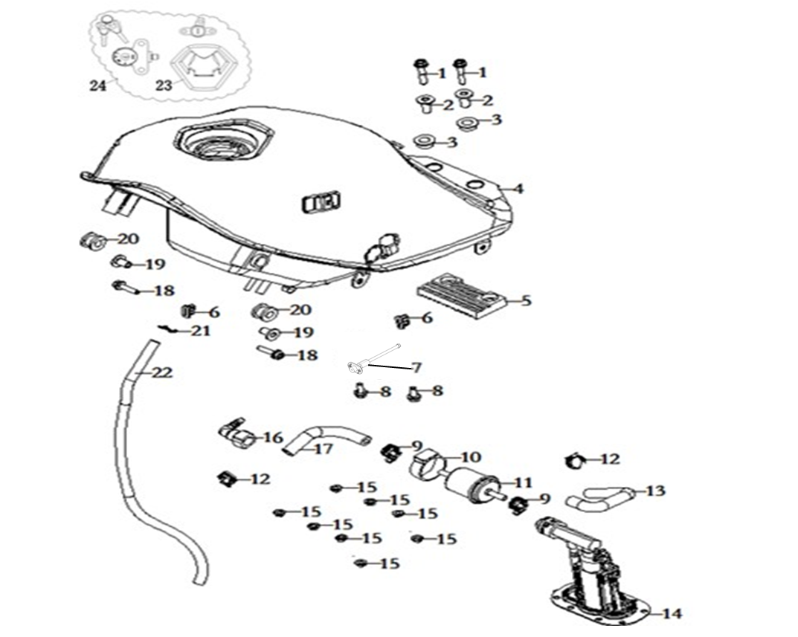
F12-1 | 380140100-0011 | BOLT,HEXAGON FLANGE | PCS | 2 | C
F12-2 | 380470113-0001 | WASHER,FLANGE | PCS | 2 | C
F12-3 | 380880096-0001 | T-RUBBER | PCS | 2 | C
F12-4 | 170501545-0007 | FUEL TANK COMP. | PCS | 1 | C |  | Blue model
F12-4 | 170501545-0019 | FUEL TANK COMP. | PCS | 1 | C |  | Black model
F12-5 | 170700179-0001 | PAD, FUEL TANK DAMPING | PCS | 1 | C
F12-6 | 280800178-0001 | RUBBER JACKET, DAMPING | PCS | 2 | C
F12-7 | 281850438-0001 | SENSOR,FUEL LEVEL | PCS | 1 | B
F12-8 | 380140013-0013 | BOLT,HEXAGON FLANGE | PCS | 2 | C
F12-9 | 380950352-0001 | CLAMP,TUBE | PCS | 2 | C
F12-10 | 173060008-0001 | RUBBER JACKET,FUEL FILTER | PCS | 1 | C
F12-11 | 170010035-0001 | FILTER,FUEL | PCS | 1 | B
F12-12 | 380960178-0001 | CLAMP ASSY. | PCS | 2 | C
F12-13 | 380751202-0001 | TUBE,FUEL | PCS | 1 | B
F12-14 | 172800010-0001 | BRACKET ASSY.,ELECTRIC FUEL PUMP | PCS | 1 | C |  | 300kpa
F12-15 | 380370001-0005 | NUT,HEXAGON FLANGE | PCS | 8 | C
F12-16 | 273610003-0001 | JOINT, SWIFT CHANGE | PCS | 1 | C
F12-17 | 380751201-0001 | TUBE,FUEL | PCS | 1 | B
F12-18 | 380140103-0015 | BOLT,HEXAGON FLANGE | PCS | 2 | C
F12-19 | 380470114-0001 | WASHER,FLANGE | PCS | 2 | C
F12-20 | 380890383-0001 | I-RUBBER | PCS | 2 | C
F12-21 | 380950016-0004 | CLAMP,TUBE | PCS | 1 | C
F12-22 | 380750817-0001 | TUBE,FUEL | PCS | 1 | B
F12-23 | 170860204 | LOCK,FUEL TANK | PCS | 1 | B |  | NOT FOR SERVICE
F12-24 | 500321084-0001 | LOCK KIT | SET | 1 | B
F13 SEAT ASSY
 |  | 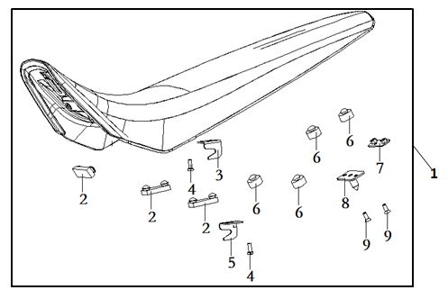
F13-1 | 330011245-0001 | SEAT COMP. | PCS | 1 | B
F13-2 | 330120362-0001 | RUBBER SHEET,SEAT BRACE | PCS | 3 | C |  | NOT FOR SERVCE
F13-3 | 331930010-0001 | HOOK,SEAT | PCS | 1 | C |  | NOT FOR SERVCE
F13-4 | 380140013-0003 | BOLT,HEXAGON FLANGE | PCS | 2 | C |  | NOT FOR SERVCE
F13-5 | 331930009-0001 | HOOK,SEAT | PCS | 1 | C |  | NOT FOR SERVCE
F13-6 | 330120364-0001 | RUBBER SHEET,SEAT BRACE | PCS | 4 | C |  | NOT FOR SERVCE
F13-7 | 330140025-0002 |  |  | 2 |  |  | NOT FOR SERVCE
F13-8 | 330130070-0001 | LATCH HOOK,SEAT | PCS | 1 | C |  | NOT FOR SERVCE
F13-9 | 380220010-0003 | SCREW,CROSS RECESSED COUNTERSUNK HEAD | PCS | 2 | C |  | NOT FOR SERVCE
F-14 SIDE COVER
 |  | 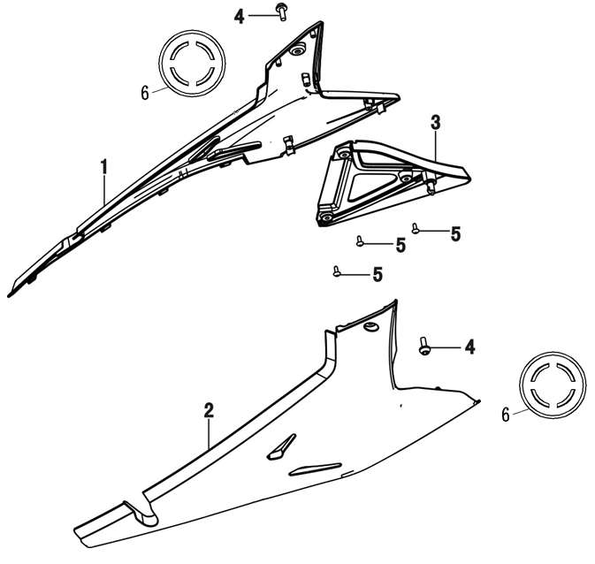
F14-1 | 340750650-0012 | COVER,LEFT SIDE | PCS | 1 | B |  | Blue model
F14-1 | 340750650-0040 | COVER,LEFT SIDE | PCS | 1 | B |  | Black model
F14-2 | 340870688-0012 | COVER,RIGHT SIDE | PCS | 1 | B |  | Blue model
F14-2 | 340870688-0040 | COVER,RIGHT SIDE | PCS | 1 | B |  | Black model
F14-3 | 340810015-0001 | COVER,LEFT SIDE COVER DECORATIVE | PCS | 1 | B
F14-4 | 380190501-0001 | SCREW,HEXAGON SOCKET | PCS | 2 | C
F14-5 | 380310002-0012 | SCREW,CROSS RECESSED PAN SELF-TAPPING | PCS | 3 | C
F14-6 | 300540008-0001 | DUST CAP,FRAME | PCS | 2 | C
F-15 AIR CLEANER ASSY
 |  | 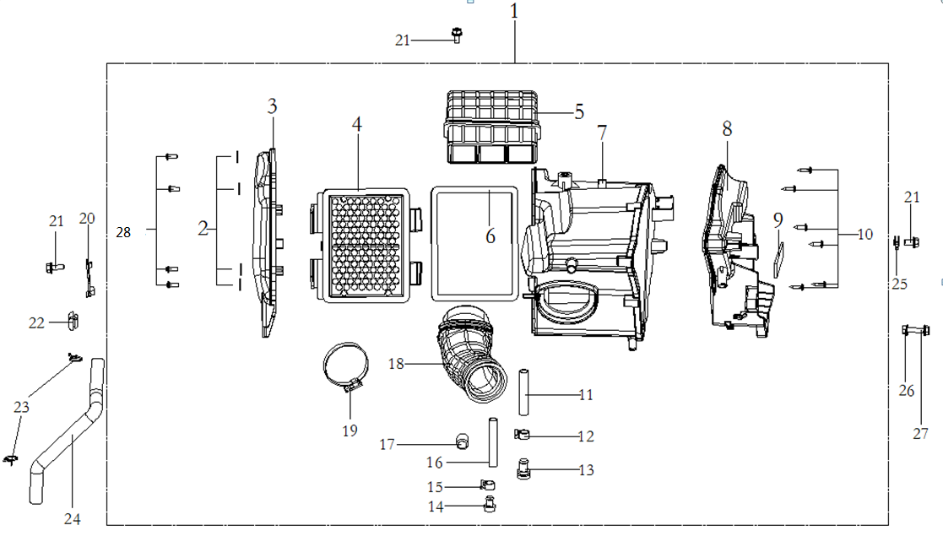
F15-1 | 180021104-0002 | AIR CLEANER COMP. | PCS | 1 | C
F15-2 | 380450024-0003 | WASHER,PLAIN | PCS | 4 | C |  | NOT FOR SERVCE
F15-3 | 180070248 | CAP,AIR CLEANER CASE | PCS | 1 | C |  | NOT FOR SERVCE
F15-4 | 180100106-0001 | ELEMENT ASSY.,AIR CLEANER | PCS | 1 | A
F15-5 | 180150116 | INTAKE TUBE,AIR CLEANER | PCS | 1 | C |  | NOT FOR SERVCE
F15-6 | 180090081 | GLAND STRIP,AIR CLEANER | PCS | B | C |  | NOT FOR SERVCE
F15-7 | 182760007 | MIDDLE BODY OF AIR FILTER | PCS | 1 | C |  | NOT FOR SERVCE
F15-8 | 180040167 | CASE,AIR CLEANER | PCS | 1 | C |  | NOT FOR SERVCE
F15-9 | 361000103 | FOAM BEARER | PCS | 1 | D |  | NOT FOR SERVCE
F15-10 | 380310192 | SCREW,CROSS RECESSED PAN SELF-TAPPING | PCS | 6 | C |  | NOT FOR SERVCE
F15-11 | 271080022 | HOSE,OVERFLOW | PCS | 1 | C |  | NOT FOR SERVCE
F15-12 | 380950376 | CLAMP,TUBE | PCS | 2 | C |  | NOT FOR SERVCE
F15-13 | 381000341 | STOPPER | PCS | 1 | C |  | NOT FOR SERVCE
F15-14 | 381000255 | STOPPER | PCS | 1 | C |  | NOT FOR SERVCE
F15-15 | 380950423 | CLAMP,TUBE | PCS | 2 | C |  | NOT FOR SERVCE
F15-16 | 271080021 | HOSE,OVERFLOW | PCS | 1 | C |  | NOT FOR SERVCE
F15-17 | 381000058 | STOPPER | PCS | 1 | C |  | NOT FOR SERVCE
F15-18 | 180180243 | TUBE,AIR CLEANER CONNECTING | PCS | 1 | C |  | NOT FOR SERVCE
F15-19 | 380960262 | CLAMP ASSY. | PCS | 1 | C |  | NOT FOR SERVCE
F15-20 | 293500005-0001 | BRACKET,DISC-BRAKE OIL CUP | PCS | 1 | B
F15-21 | 380140067-0013 | BOLT,HEXAGON FLANGE | PCS | 3 | C
F15-22 | 380910028-0001 | I-RUBBER | PCS | 1 | C
F15-23 | 380950058-0005 | CLAMP,TUBE | PCS | 2 | C
F15-24 | 380741307-0001 | TUBE,BREATHER | PCS | 1 | B
F15-25 | 380420006-0006 | NUT,CLIP | PCS | 1 | C
F15-26 | 380370003-0014 | NUT,HEXAGON FLANGE | PCS | 1 | C
F15-27 | 380140103-0015 | BOLT,HEXAGON FLANGE | PCS | 1 | C
F15-28 | 380200006-0004 | SCREW,CROSS RECESSED PAN | PCS | 4 | C |  | NOT FOR SERVCE
F-16 MUFFLER EXHAUST ASSY

F16-1 | 380450055 | WASHER,PLAIN | PCS | 2 | C |  | NOT FOR SERVCE
F16-2 | 183350052 | WELDING ASSY.,EXHAUST PIPE | PCS | 1 | C
F16-3 | 180640177 | LAND | PCS | 1 | C |  | NOT FOR SERVCE
F16-4 | 180650079-0001 | GASKET,AIR EXHAUST PORT | PCS | 1 | A
F16-5 | 180960182-0001 | SHIELD,MUFFLER | PCS | 1 | B
F16-6 | 181600023-0001 | INSULATION BLANKET | PCS | 1 | C
F16-7 | 180900186-0001 | SHIELD,WARM PROOF | PCS | 1 | B
F16-8 | 380190418-0001 | SCREW,HEXAGON SOCKET | PCS | 2 | C |  | NOT FOR SERVCE
F16-9 | 380890079-0001 | I-RUBBER | PCS | 2 | C |  | NOT FOR SERVCE
F16-10 | 380470076-0003 | WASHER,FLANGE | PCS | 2 | C |  | NOT FOR SERVCE
F16-11 | 380460003 | WASHER,ELASTIC | PCS | 2 | C |  | NOT FOR SERVCE
F16-12 | 180690489 | BODY,MUFFLER | PCS | 1 | C
F16-13 | 181890006-0001 | TUBE,MUFFLER CONNECTING | PCS | 1 | C
F16-14 | 380140004-0009 | BOLT,HEXAGON FLANGE | PCS | 1 | C |  | NOT FOR SERVCE
F16-15 | 380140051-0010 | BOLT,HEXAGON FLANGE | PCS | 1 | C |  | NOT FOR SERVCE
F16-16 | 380450004 | WASHER,PLAIN | PCS | 2 | C |  | NOT FOR SERVCE
F16-17 | 380370010-0005 | NUT,HEXAGON FLANGE | PCS | 1 | C |  | NOT FOR SERVCE
F16-18 | 380450039-0005 | WASHER,PLAIN | PCS | 4 | C |  | NOT FOR SERVCE
F16-19 | 380880097-0001 | T-RUBBER | PCS | 1 | C |  | NOT FOR SERVCE
F16-20 | 380822730-0001 | COLLAR | PCS | 1 | C |  | NOT FOR SERVCE
F16-21 | 380140040-0012 | BOLT,HEXAGON FLANGE | PCS | 1 | C |  | NOT FOR SERVCE
F16-22 | 380330025-0002 | CAP-SHAPED NUT | PCS | 2 | C
F16-23 | 380450003-0012 | WASHER,PLAIN | PCS | 1 | C
F16-24 | 380460001-0003 | WASHER,ELASTIC | PCS | 1 | C
F16-25 | 180710238-0001 | FRONT PART,MUFFLER | PCS | 1 | C
F16-26 | 181170072-0001 | REAR PART,MUFFLER EXHAUST | PCS | 1 | C
F16-27 | 380190125 | SCREW,HEXAGON SOCKET | PCS | 2 | C
F-17 GEAR CHANGE

F17-1 | 311870084-0001 | SIDE STAND COMP. | SET | 1 | B
F17-2 | 380020185-0001 | BOLT,HEXAGON HEAD SHOULDER | PCS | 1 | C
...
F17-6 | 380450079-0005 | WASHER,PLAIN | PCS | 1 | C
F17-7 | 290740064-0002 | ARRESTING PIN,BRAKE | PCS | 1 | C
F17-8 | 291320192-0002 | RETURN SPRING,REAR BRAKE PEDAL | PCS | 1 | B
F17-9 | 312130115-0001 | LUG,SPRING | PCS | 1 | C
F17-10 | 193700774-0001 | PEDAL,GEAR CHANGE | PCS | 1 | B |  | NOT FOR SERVCE
F17-11 | 193750056 |  | PCS | 1 | C
F17-12 | 380070557 | BOLT,HEXAGON | PCS | 1 | C
F17-13 | 380460003 | WASHER,ELASTIC | PCS | 1 | C
F17-14 | 380450004 | WASHER,PLAIN | PCS | 1 | C
F-18 FOOTREST SYSTEM
 |  | 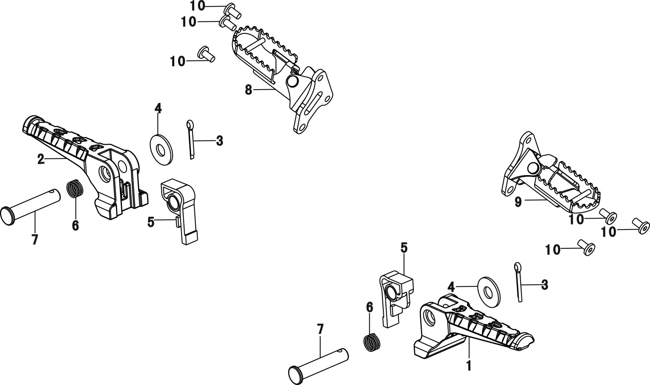
F18-1 | 312300030-0002 | BODY SET,LEFT PILLION STEP | PCS | 1 | B
F18-2 | 312310032-0002 | BODY SET,RIGHT PILLION STEP | PCS | 1 | B
F18-3 | 380590011-0006 | PIN,COTTER | PCS | 2 | C
F18-4 | 380450003-0012 | WASHER,PLAIN | PCS | 4 | C
F18-5 | 313440021-0001 | SHEET,STEP LIMIT | PCS | 2 | C
F18-6 | 381150615-0001 | SPRING,COMPRESSION | PCS | 2 | B
F18-7 | 380610073-0003 | PIN,CLEVIS | PCS | 2 | C
F18-8 | 311660152-0004 | FOOTREST ASSY., RIGHT | SET | 1 | B
F18-9 | 311650145-0004 | FOOTREST ASSY., LEFT | SET | 1 | B
F18-10 | 380190427-0002 | SCREW,HEXAGON SOCKET | PCS | 6 | C
...
F20-1 | 340660314-0001 | FENDER COMP.,REAR | PCS | 1 | B
F20-15 | 340570157-0001 | BRACKET,REAR FENDER | PCS | 1 | C
F20-16 | 381000402-0001 | STOPPER | PCS | 2 | C
F20-17 | 380900303-0001 | CLAMPING BAND | PCS | 1 | C
F20-18 |  |  | PCS | 1 | C
F20-19 | 380140013-0013 | BOLT,HEXAGON FLANGE | PCS | 2 | C
F20-20 | 380370003-0014 | NUT,HEXAGON FLANGE | PCS | 2 | C
F20-21 | 380450007-0014 | WASHER,PLAIN | PCS | 2 | C
F20-22 | 380420006-0006 | NUT,CLIP | PCS | 2 | C
F20-23 | 340690054-0001 | EAVES BOARD,REAR FENDER | PCS | 1 | B
F-21 TURN SIGNAL
 |  | 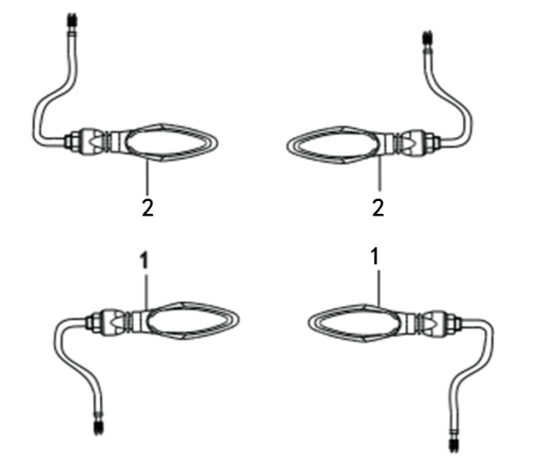
F21-1 | 280760627-0005 | TURNING SIGNAL LIGHT, LEFT FRONT | PCS | 2 | B
F21-2 | 280780615-0005 | TURNING SIGNAL LIGHT, RIGHT FRONT | PCS | 2 | B
F-22 TAIL LIGHT ASSY
 |  | 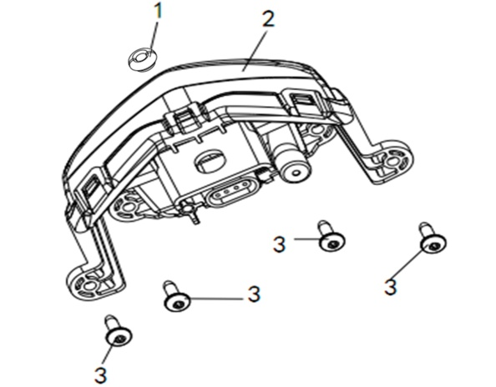
F22-1 | 380910028-0001 | I-RUBBER | PCS | 1 | C
F22-2 | 280580721-0001 | TAILLIGHT SET | PCS | 1 | B
F22-3 | 380310009-0005 | SCREW,CROSS RECESSED PAN SELF-TAPPING | PCS | 4 | C
F-23 HARNESS,WIRE AND ELETRIC PARTS

F23-1 | 271232788-0001 | HARNESS,WIRE | SET | 1 | B
F23-2 | 172750065-0001 | OXYGEN SENSOR | PCS | 2 | C
F23-3 | 270920442-0001 | COIL ASSY.,IGNITION | PCS | 1 | A
F23-4 | 380140103-0015 | BOLT,HEXAGON FLANGE | PCS | 2 | C
F23-5 | 272800017-0001 | ELECTRICAL BOX | PCS | 1 | C
...
F23-18 | 380900077-0002 | CLAMPING BAND | PCS | 22 | C
F23-19 | 380900131-0002 | CLAMPING BAND | PCS | 2 | C
F23-20 | 270870018-0001 | SHEATH,ELECTRICAL PARTS | PCS | 1 | C
F23-21 | 272820005-0001 | CONTROLLER,HEAD LIGHT | PCS | 1 | B
F23-22 | 281920047-0001 | SPEED SENSOR | PCS | 2 | C
F23-23 | 312940022-0001 | KILL SWITCH, SIDE STAND | PCS | 1 | B
F23-24 | 380140011-0012 | BOLT,HEXAGON FLANGE | PCS | 2 | C
F23-25 | 380450028-0001 | WASHER,PLAIN | PCS | 2 | C
F23-26 | 380900329-0001 | CLAMPING BAND | PCS | 2 | C
F-24 REAR SHOCK ABSORBER
 |  | 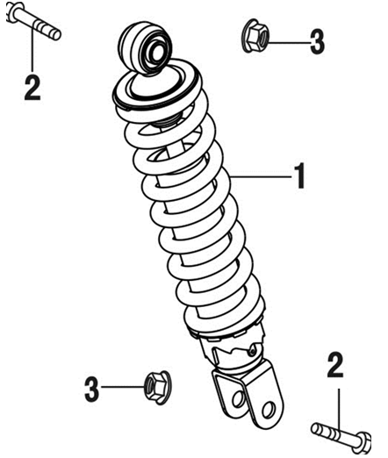
F24-1 | 310790516-0001 | SHOCK ABSORBER, LEFT REAR | PCS | 1 | B
F24-2 | 380870614-0004 | AXIS | PCS | 2 | C
F24-3 | 380400002-0008 | NUT,PREVAILING TORQUE TYPE ALL-METAL HEXAGON WITH FLANGE | PCS | 2 | C
F-25 FRAME ASSY
 | 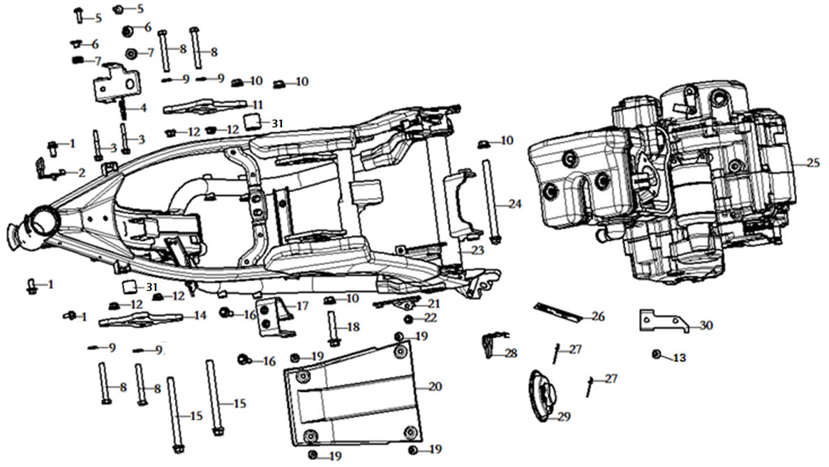
F25-1 | 380140040-0012 | BOLT,HEXAGON FLANGE | PCS | 3 | C
F25-2 | 380940799-0001 | CLAMP,WIRE | PCS | 1 | C
F25-3 | 380140025-0003 | BOLT,HEXAGON FLANGE | PCS | 2 | C
F25-4 | 297700013-0001 | INSTALLATION BRACKET, ABS | PCS | 1 | C
F25-5 | 380190501-0001 | SCREW,HEXAGON SOCKET | PCS | 2 | C
F25-6 | 380820512-0004 | COLLAR | PCS | 2 | C
F25-7 | 380890174-0001 | I-RUBBER | PCS | 2 | C
F25-8 | 380860009-0004 | BOLT,ENGINE HANGER | PCS | 4 | C
F25-9 | 380450003-0012 | WASHER,PLAIN | PCS | 4 | C
F25-10 | 380400001-0009 | NUT,PREVAILING TORQUE TYPE ALL-METAL HEXAGON WITH FLANGE | PCS | 4 | C
...
F25-23 | 300121381-0001 | BODY COMP.,FRAME | PCS | 1 | D
F25-24 | 380870872-0003 | AXIS | PCS | 1 | C
F25-25 | F1305N0055-0H14001 |  |  | 1
F25-26 | 370410527-0001 | NAMEPLATE,FRAME | PCS | 1 | C
F25-27 | 380580001-0002 | RIVET | PCS | 2 | C
F25-28 | 380940798-0001 | CLAMP,WIRE | PCS | 1 | C
F25-29 | 280190245-0001 | HORN | PCS | 1 | A
F25-30 | 300220102-0001 | STRUT MEMBER,CDI.UNIT | PCS | 1 | C
F25-31 | 380824419-0001 | COLLAR | PCS | 2 | C
F-26 THROTTLE BODY ASSEMBLY
 |  | 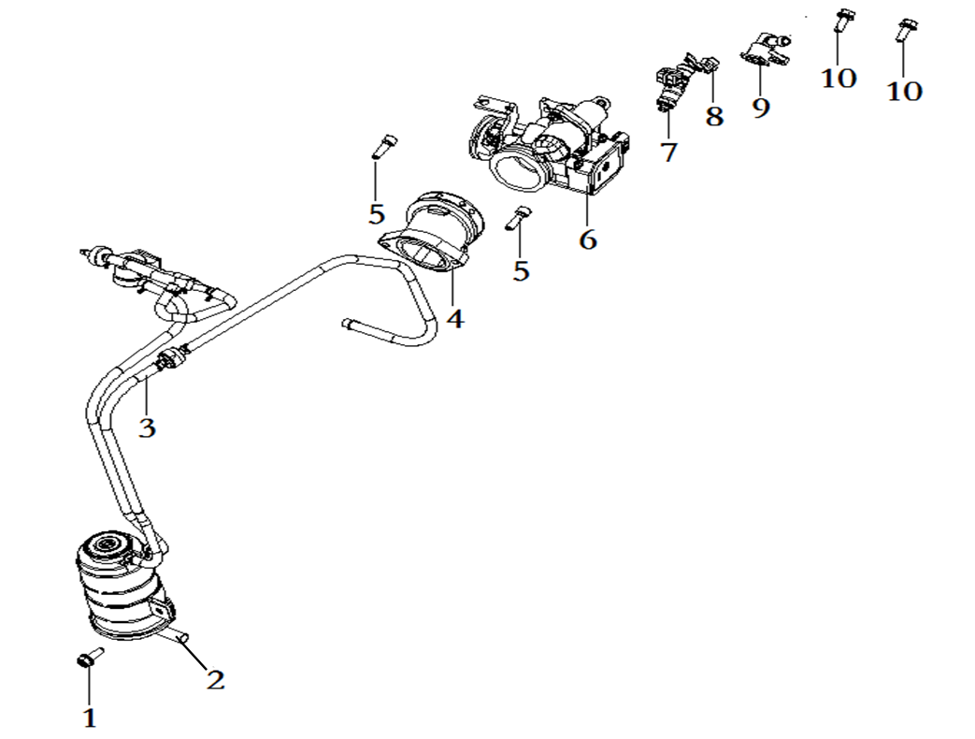
F26-1 | 380140067-0013 | BOLT,HEXAGON FLANGE | PCS | 1 | C
F26-2 | 181920062 | BRACKET CANISTER | PCS | 1 | C
F26-3 | 173850163-0001 | CONTROLLER ASSY.,FUEL EVAPORATION | SET | 1 | C
F26-4 | 180420900-0001 | TUBE,AIR INTAKE | PCS | 1 | B
F26-5 | 380190008-0012 | SCREW,HEXAGON SOCKET | PCS | 2 | C
F26-6 | 172810076-0001 | VALVE BODY ASSY., THROTTLE | PCS | 1 | C
F26-7 | 173010019-0001 | FUEL JET | PCS | 1 | C
F26-8 | 173030007-0001 | CLAMP, FUEL JET | PCS | 1 | C
F26-9 | 173020020-0001 | CAP, FUEL JET | PCS | 1 | C
F26-10 | 380140013-0013 | BOLT,HEXAGON FLANGE | PCS | 2 | C
F-27 TOOL SET
 |  | 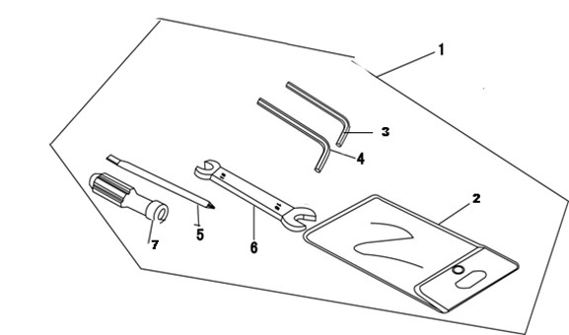
F27-1 | 360010110-0001 | ACCESSORIES,TOOL | SET | 1 | D
F28 HEAT RADIATOR ASSY

F28-1 | 160010177-0001 | HEAT RADIATOR COMP. | SET | 1 | B
F28-2 | 380760451-0001 | TUBE,WATER | PCS | 1 | B
F28-3 | 380950003-0002 | CLAMP,TUBE | PCS | 1 | C
F28-4 | 380950317-0001 | CLAMP,TUBE | PCS | 1 | C
F28-5 | 380140077-0012 | BOLT,HEXAGON FLANGE | PCS | 6 | C
F28-6 | 380960248-0001 | CLAMP ASSY. | PCS | 6 | C
F28-7 | 380760476-0001 | TUBE,WATER | PCS | 1 | B
...
F28-17 | 380460003-0003 | WASHER,ELASTIC | PCS | 2 | C
F28-18 | 380070013-0001 | BOLT,HEXAGON | PCS | 2 | C
F28-19 | 160340010-0001 | HALFTONE,RADIATOR | PCS | 1 | C
F28-20 | 160050008-0002 | CAP,FILLER | PCS | 1 | C
F28-21 | 380420005-0002 | NUT,CLIP | PCS | 4 | C
F28-22 | 160020046 | BODY SET,RADIATOR | PCS | 1 | C
F28-23 | 160310072-0001 | WATER TANK,COOLING | PCS | 1 | B
F28-24 | 160340009-0001 | HALFTONE,RADIATOR | PCS | 1 | C
F28-25 | 380200007-0004 | SCREW,CROSS RECESSED PAN | PCS | 2 | C
F29 REAR PART,FRAME
 | 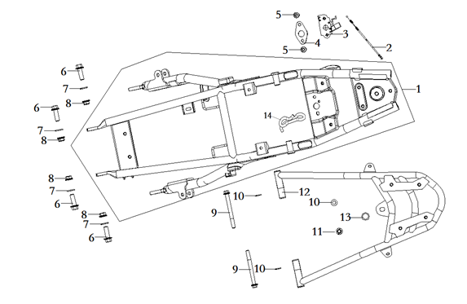
F29-1 | 300460109-0002 | REAR PART,FRAME | PCS | 1 | C
F29-2 | 330250186-0001 | CABLE,SEAT | PCS | 1 | A
F29-3 | 330170145-0001 | DEVICE,SEAT LOCKING | SET | 1 | B
F29-4 | 331990011-0001 | WASHER,SEAT LOCK | PCS | 1 | C
F29-5 | 380190501-0001 | SCREW,HEXAGON SOCKET | PCS | 2 | C
F29-6 | 380140763-0001 | BOLT,HEXAGON FLANGE | PCS | 4 | C
F29-7 | 380450006-0011 | WASHER,PLAIN | PCS | 4 | C
F29-8 | 380400001-0009 | NUT,PREVAILING TORQUE TYPE ALL-METAL HEXAGON WITH FLANGE | PCS | 4 | C
F29-9 | 380140098-0003 | BOLT,HEXAGON FLANGE | PCS | 2 | C
F29-10 | 380450003-0012 | WASHER,PLAIN | PCS | 3 | C
...
F30-1 | 380190500-0001 | SCREW,HEXAGON SOCKET | PCS | 6 | C
F30-6 | 380890173-0001 | I-RUBBER | PCS | 4 | C
F30-7 | 380470076-0003 | WASHER,FLANGE | PCS | 4 | C
F30-8 | 341890027-0001 | PLATE,LOWER FAIRING COVER CONNECTING | PCS | 1 | B
F31 FRONT BUMPER

F31-1 | 331410228-0002 | COLLISION BUMPER COMP. | PCS | 1 | C
F31-2 | 380140040-0012 | BOLT,HEXAGON FLANGE | PCS | 4 | C
F31-3 | 341900100-0001 | BRACKET,LOWER FAIRING COVER | PCS | 1 | C
F31-4 | 341900091-0001 | BRACKET,LOWER FAIRING COVER | PCS | 1 | C
F32 SHIELD SET OF GRIP
 | 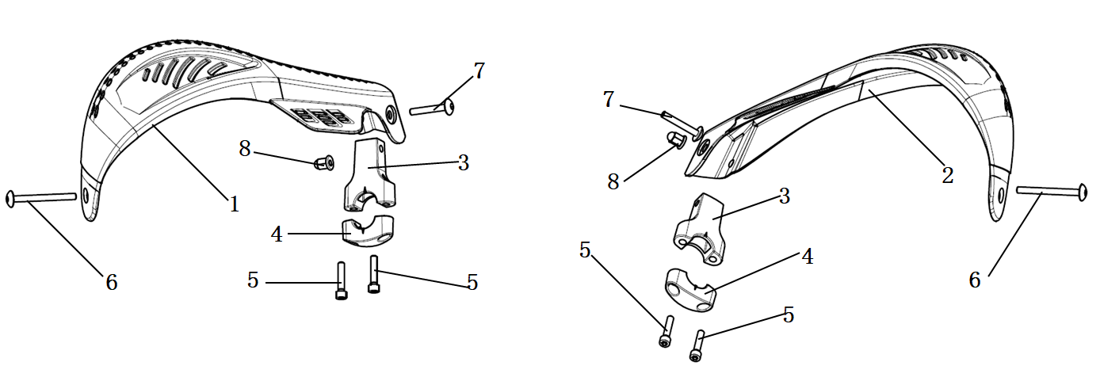
F32-1 | 341700073-0001 | SHIELD,LEFT HANDLE | PCS | 1 | B
F32-2 | 341720048-0001 | SHIELD,RIGHT HANDLE | PCS | 1 | B
F32-3 | 341750009-0002 | HOLDER,HANDLE SHIELD | PCS | 2 | C
F32-4 | 341740006-0002 | CLIP,HANDLE SHIELD | PCS | 2 | C
F32-5 | 380190050-0006 | SCREW,HEXAGON SOCKET | PCS | 4 | C
F32-6 | 380190615-0002 | SCREW,HEXAGON SOCKET | PCS | 2 | C
F32-7 | 380190616-0002 | SCREW,HEXAGON SOCKET | PCS | 2 | C
F32-8 | 380330005-0003 | CAP-SHAPED NUT | PCS | 2 | C

YF300
REF.No | PLM CODE | ENGLISH PARTS NAME | PICTURE | REMARK
E1 | F1305N0055-0H14001 | ENGINE
E-1 （ Cylinder Head Cover Parts）
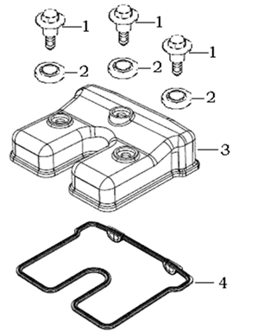
E01-01 | 120440009-0001 | BOLT,CYLINDER HEAD COVER
E01-02 | 380840556-0001 | RING,SEAL
E01-03 | 120230055-0014 | COVER COMP.,CYLINDER HEAD
E01-04 | 120250020-0001 | GASKET,CYLINDER HEAD COVER
E-2 （ Cylinder Head Parts）
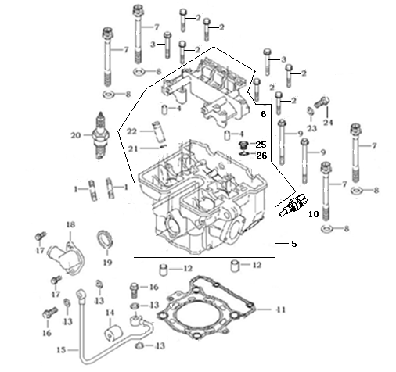
E02-01 | 380180023-0004 | double-Bolt
E02-02 | 380140019-0002 | Bolt
E02-03 | 380140128-0004 | Bolt
E02-04 | 380600002-0001 | Dowel Pin |  | NOT FOR SERVICE
E02-05 | 500260284-0001 | CYLINDER HEAD KIT
E02-06 | 141320003-0001 | Supporting Bracket |  | NOT FOR SERVICE
E02-07 | 380190120-0001 | Torx Bolt
E02-08 | 380450779-0001 | Washer
E02-09 | 380140448-0001 | Bolt
E02-10 | 270790014-0001 | Engine sensors
...
E02-18 | 380780056-0010 | Tube tie-in
E02-19 | 380840555-0001 | O-Ring
E02-20 | 270960035-0001 | Spark plug
E02-21 | 120140008-0001 | Guide Ring |  | NOT FOR SERVICE
E02-22 | 120120024-0001 | Guide,Intake Valve |  | NOT FOR SERVICE
E02-23 | 380840556-0001 | O-Ring
E02-24 | 120960001-0001 | Bolt
E02-25 | 380190077-0001 | SCREW,HEXAGON SOCKET |  | NOT FOR SERVICE
E02-26 | 380840311-0001 | RING,SEAL |  | NOT FOR SERVICE
E-3 (Cylinder Parts)
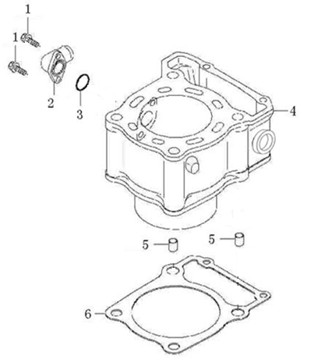
E03-01 | 380140002-0001 | Bolt
E03-02 | 380780242-0005 | Tube tie-in
E03-03 | 380840336-0001 | O-ring
E03-04 | 120020144-0023 | Cylinder
E03-05 | 380600059-0001 | Dowel Pin
E03-06 | 120050109-0001 | Cylinder Gasket
E-4 (Valve Train)
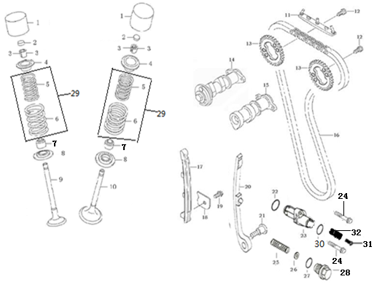
E04-01 | 140690016-0001 | Lifter
E04-02 | 141310002-0011 | Valve Adjust Spacer
E04-02A | 502120001-0001 | ADJUSTING SHIM,VALVE KIT
E04-03 | 140390019-0001 | Valve Collet
E04-04 | 140380029-0001 | Valve Spring Plate
E04-05 | 140340036-0001 | Inner Spring
E04-06 | 140350015-0001 | Outer Spring
E04-07 | 140400018-0001 | Valve Oil Ring
E04-08 | 140360013-0001 | Valve Spring Seat
E04-09 | 140310131-0001 | Exhaust Valve
...
E04-24 | 380140016-0001 | Bolt
E04-25 | 381150529-0001 | Spring
E04-26 | 380450278-0001 | Washer
E04-27 | 380840769-0001 | O-ring
E04-28 | 141370004-0001 | Tensioner Bolt
E04-29 | 140330009-0001 | SPRING SET,VALVE
E04-30 | 380840008-0001 | O-ring
E04-31 | 141370005-0001 | BOLT,TENSIONER
E04-32 | 381150397-0001 | SPRING,COMPRESSION
E-5 (Varibale Unit )
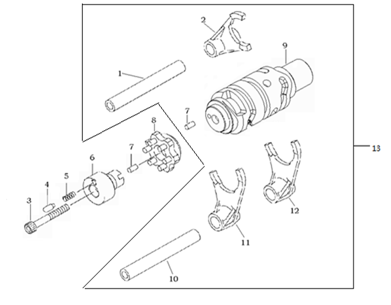
E05-01 | 192130014-0001 | Fork ShaftⅠ
E05-02 | 192120042-0001 | Fork Ⅱ
E05-03 | 380190071-0002 | Bolt
E05-04 | 270720001-0001 | Pin
E05-05 | 381150005-0001 | SPRING,COMPRE
E05-06 | 273130001-0001 | Touch Board
E05-07 | 380600139-0001 | Pin
E05-08 | 192100015-0001 | Holder,Change Drum
E05-09 | 192080052-0001 | Shaft Drum
E05-10 | 192130015-0001 | Fork ShaftⅡ
E05-11 | 192120043-0001 | Fork Ⅲ
E05-12 | 192120041-0001 | Fork Ⅰ
E05-13 | 192060100-0001 | DRUM COMP.,GEAR SHIFT
E-6 (Gear Shifting)
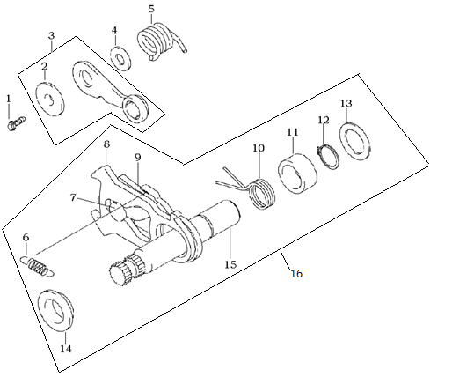
E06-01 | 380140015-0001 | Bolt
E06-02 | 380821837-0001 | Sleeve
E06-03 | 192190030-0001 | Stopper
E06-04 | 380450142-0001 | Washer
E06-05 | 381160106-0001 | Spring
E06-06 | 381140401-0001 | Spring |  | NOT FOR SERVICE
E06-07 | 192360009-0001 | Gear Change Limit Pin |  | NOT FOR SERVICE
E06-08 | 192370009-0001 | Gear Change Plate |  | NOT FOR SERVICE
E06-09 | 192350011-0001 | Gear Change Limit Plate |  | NOT FOR SERVICE
E06-10 | 381160107-0001 | Spring |  | NOT FOR SERVICE
E06-11 | 380821813-0001 | Sleeve |  | NOT FOR SERVICE
E06-12 | 380550021-0001 | Circlip |  | NOT FOR SERVICE
E06-13 | 380450626-0001 | Washer |  | NOT FOR SERVICE
E06-14 | 380821816-0001 | Sleeve |  | NOT FOR SERVICE
E06-15 | 192340073-0001 | Gear Shift |  | NOT FOR SERVICE
E06-16 | 192320121-0001 | ARM COMP.,GEAR CHANGE
E-7 (Transmission Shaft Comp)
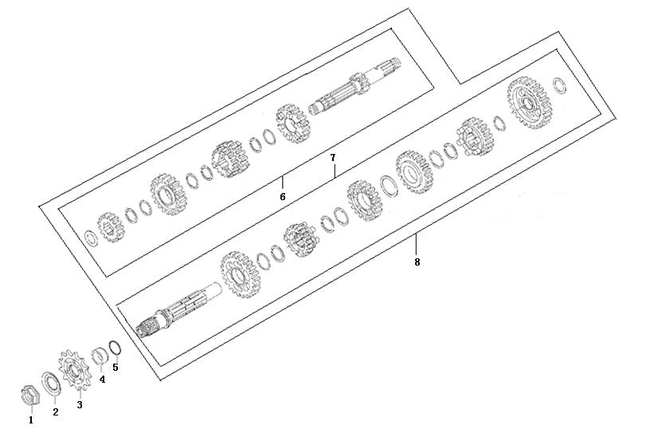
E07-01 | 191630003-0002 | Nut
E07-02 | 191640003-0001 | Washer
E07-03 | 191600046-0001 | Driving Sprocket
E07-04 | 380821812-0001 | Bush
E07-05 | 380840566-0001 | O-Ring
E07-06 | 191250053-0001 | MAINSHAFT COMP.
E07-07 | 191390098-0001 | COUNTERSHAFT COMP.
E07-08 | 500290143-0001 | MAINSHAFT&COUNTERSHAFT KIT
E-8 (Crankshaft Comp）
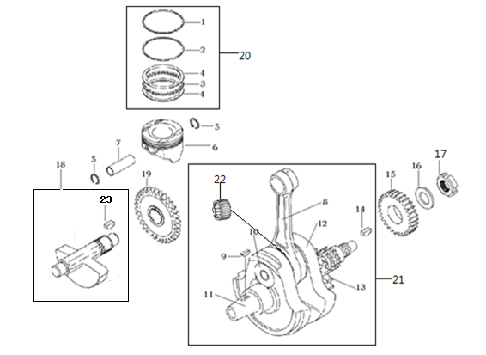
E08-01 | 130080045-0001 | Piston Ring 1 |  | NOT FOR SERVICE
E08-02 | 130090045-0001 | Piston Ring 2 |  | NOT FOR SERVICE
E08-03 | 130120033-0001 | Line Ring |  | NOT FOR SERVICE
E08-04 | 130130033-0001 | shaving Ring |  | NOT FOR SERVICE
E08-05 | 380560068-0001 | Circlip Piston Pin
E08-06 | 130030110-0002 | Piston
E08-07 | 130060048-0001 | Piston Pin
E08-08 | 130150061-0001 | Rod Connecting |  | NOT FOR SERVICE
E08-09 | 380620009-0001 | Key |  | NOT FOR SERVICE
E08-10 | 130350026-0001 | Pin Crank |  | NOT FOR SERVICE
...
E08-15 | 190030070-0001 | Gear Primary Clvive
E08-16 | 380480001-0001 | Washer
E08-17 | 380810003-0001 | Nut
E08-18 | 130450014-0001 | Shaft Balancer
E08-19 | 130470019-0001 | Gear Balancer Shaft
E08-20 | 130070100-0001 | RING SET,PISTON
E08-21 | 130140258-0001 | CRANKSHAFT COMP.
E08-22 | 380630284-0001 | BEARING |  | NOT FOR SERVICE
E08-23 | 380620008-0001 | KEY |  | NOT FOR SERVICE
E-9 （Crankcase Comp）
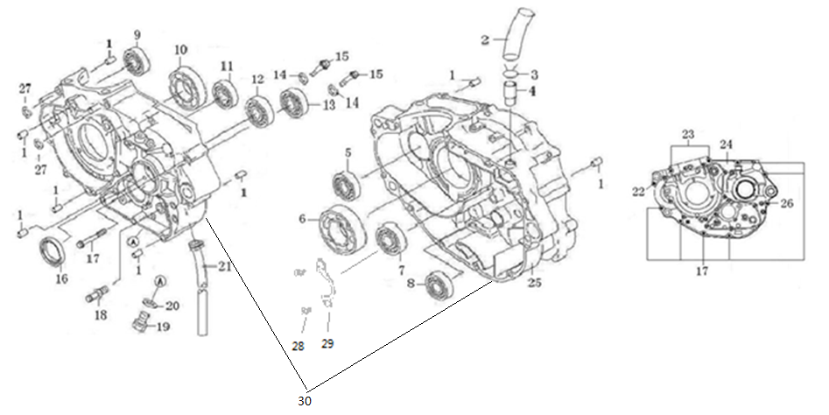
E09-01 | 380600002-0001 | Pin
E09-02 | 380740003-0001 | Pipe,aerate |  | 该机型无
E09-03 | 380950004-0001 | Pipe Nip |  | 该机型无
E09-04 | 380780001-0001 | Terminal Breather Hose |  | NOT FOR SERVICE
E09-05 | 380630367-0001 | BEARING
E09-06 | 380630075-0001 | BEARING
E09-07 | 380630005-0001 | BEARING
E09-08 | 380630100-0001 | BEARING
E09-09 | 380630367-0001 | BEARING
E09-10 | 380630141-0001 | BEARING |  | NOT FOR SERVICE
...
E09-22 | 380140030-0003 | Bolt
E09-23 | 380140147-0003 | Bolt
E09-24 | 110030510-0002 | BODY SET,LEFT CRANKCASE
E09-25 | 110080107-0004 | BODY SET,RIGHT CRANKCASE
E09-26 | 380140032-0001 | Bolt
E09-27 | 380450277-0002 | Washer
E09-28 | 380220014-0001 | SCREW,CROSS RECESSED COUNTERSUNK HEAD
E09-29 | 191380004-0001 | Baffle
E09-30 | 500270446-0004 | CRANKCASE KIT
E-10 （R-Crankcase Cover）
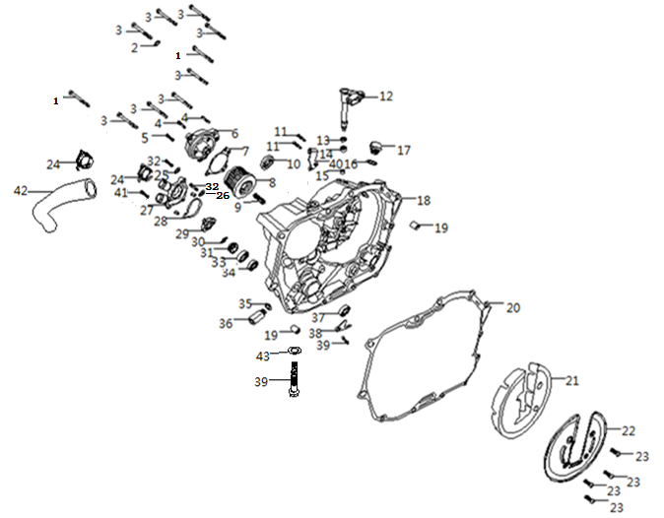
E10-01 | 380140143-0001 | BOLT,HEXAGON FLANGE
E10-02 | 380450021-0001 | WASHER,PLAIN
E10-03 | 380140016-0001 | BOLT,HEXAGON FLANGE
E10-04 | 380140002-0001 | BOLT,HEXAGON FLANGE
E10-05 | 380140059-0002 | BOLT,HEXAGON FLANGE
E10-06 | 150360016-0016 | CAP,SECONDARY OIL FILTER
E10-07 | 150540012-0001 | GASKET,OIL FILTER CAP
E10-08 | 150350021-0001 | OIL FILTER ASSY.,SECONDARY
E10-09 | 381150379-0001 | SPRING,COMPRESSION
E10-10 | 110630001-0001 | SIGHT GLASS,OIL
...
E10-35 | 380450684-0001 | Washer
E10-36 | 150600004-0001 | VALVE COMP.,OIL CONTROL
E10-37 | 380650391-0001 | OIL SEAL
E10-38 | 130320005-0001 | PANEL,CRANKSHAFT RIGHT OIL SEAL
E10-39 | 380140168-0001 | BOLT,HEXAGON FLANGE
E10-40 | 191230049-0004 | PLATE,CLUTCH CABLE LOCATING
E10-41 | 380140057-0001 | BOLT,HEXAGON FLANGE
E10-42 | 380760341-0001 | TUBE,WATER
E10-43 | 380450048-0001 | WASHER,PLAIN
E-11 （L-Crankcase Cover）
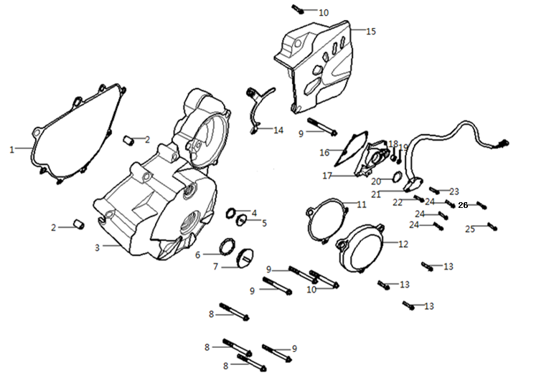
E11-01 | 110420043-0001 | GASKET,LEFT FRONT COVER
E11-02 | 380600002-0001 | PIN,DOWEL
E11-03 | 110400379-0010 | COVER COMP.,LEFT FRONT
E11-04 | 380840026-0001 | RING,SEAL
E11-05 | 110440001-0087 | COVER,INSPECTION
E11-06 | 380840005-0001 | RING,SEAL
E11-07 | 110430001-0086 | COVER,LEFT DECORATING
E11-08 | 380140019-0003 | BOLT,HEXAGON FLANGE
E11-09 | 380140128-0001 | BOLT,HEXAGON FLANGE
E11-10 | 380140143-0001 | BOLT,HEXAGON FLANGE
...
E11-18 | 380630287-0001 | BEARING
E11-19 | 380650389-0001 | OIL SEAL
E11-20 | 380840005-0001 | RING,SEAL
E11-21 | 270650074-0010 | SWITCH COMP.,GEAR INDICATOR
E11-22 | 380140057-0001 | BOLT,HEXAGON FLANGE
E11-23 | 380140016-0001 | BOLT,HEXAGON FLANGE
E11-24 | 380140015-0001 | BOLT,HEXAGON FLANGE
E11-25 | 380140130-0001 | BOLT,HEXAGON FLANGE
E11-26 | 380200005-0004 | SCREW,CROSS RECESSED PAN
E-12 （Clutch Comp）
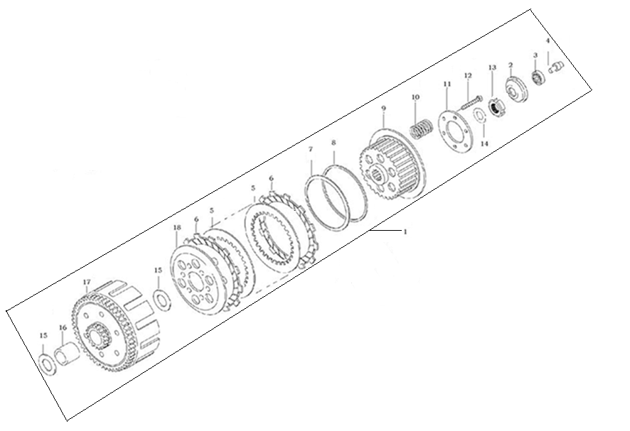
E12-01 | 500280333-0006 | CLUTCH KIT
E12-02 | 195570001-0001 | push tray
E12-03 | 380630671-0001 | Ball Bearing
E12-04 | 190730021-0001 | Asle Sleeve Separating
E12-05 | 190460026-0001 | Friction Plate, Driven
E12-06 | 190430032-0001 | Friction Plate, Drive
E12-07 | 380480021-0001 | Washer
E12-08 | 380450621-0001 | Washer
E12-09 | 190400054-0001 | Center Piece
E12-10 | 190550035-0001 | Spring
E12-11 | 190480016-0001 | Clamp Plate
E12-12 | 380140425-0001 | Bolt
E12-13 | 380810003-0001 | Nut
E12-14 | 380480001-0001 | Washer
E12-15 | 380450620-0001 | Washer
E12-16 | 380821810-0001 | Bush
E12-17 | 190330089-0001 | Cover Assy Clutch
E12-18 | 190470018-0001 | Clamp Plate
E-13 （lubrication ）
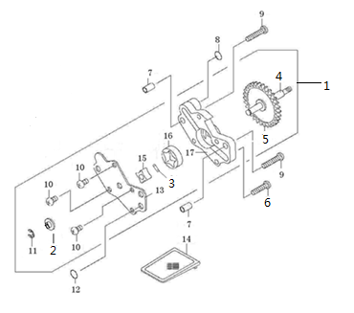
E13-1 | 150010111-0002 | PUMP ASSY.,OIL
E13-2 | 380451150-0001 | Washer |  | NOT FOR SERVICE
E13-3 | 380600146-0001 | Pin |  | NOT FOR SERVICE
E13-4 | 150080027-0001 | Shaft Oil Pump |  | NOT FOR SERVICE
E13-5 | 150150040-0001 | Gear，Oil Pump |  | NOT FOR SERVICE
E13-6 | 380200064-0004 | Bolt
E13-7 | 380600002-0001 | Pin
E13-8 | 380840559-0001 | O-Ring
E13-9 | 380200024-0003 | Bolt
E13-10 | 380200001-0003 | Bolt |  | NOT FOR SERVICE
E13-11 | 380570001-0001 | Circlip |  | NOT FOR SERVICE
E13-12 | 380840560-0001 | O-Ring
E13-13 | 150040021-0001 | Cover,Oil Pump |  | NOT FOR SERVICE
E13-14 | 150290017-0001 | Filter
E13-15 | 150050024-0001 | Rotor, inner, oil pump |  | NOT FOR SERVICE
E13-16 | 150060023-0001 | Rotor, outer, oil pump |  | NOT FOR SERVICE
E13-17 | 150020021-0001 | Oil Pump，Body |  | NOT FOR SERVICE
E-14 （Starting Motor）
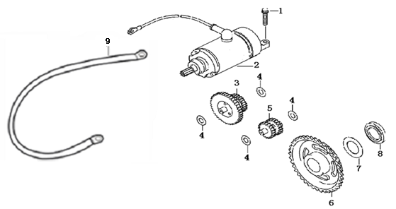
E14-01 | 380140016-0001 | BOLT,HEXAGON FLANGE
E14-02 | 270350046-0015 | MOTOR ASSY.,STARTING
E14-03 | 193190024-0001 | DUPLEX GEAR,ELECTRIC STARTING
E14-04 | 380450623-0001 | WASHER,PLAIN
E14-05 | 193200010-0001 | GEAR IDLE,ELECTRIC STARTING
E14-06 | 193240023-0001 | DISK GEAR
E14-07 | 380450624-0001 | WASHER,PLAIN
E14-08 | 380821814-0001 | COLLAR
E14-09 | 270390011-0001 | CATHODE WIRE,STARTING MOTOR
E-15 （Magneto Assy）
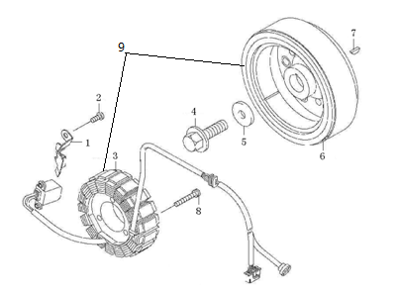
E15-01 | 110480019-0001 | Clamp
E15-02 | 380140047-0004 | Bolt
E15-03 | 27010 | Stator set, magneto
E15-04 | 380140391-0001 | Bolt
E15-05 | 380450399-0001 | Washer
E15-06 | 27002 | Rotor set, magneto
E15-07 | 380620009-0001 | Key
E15-08 | 380140212-0003 | Bolt
E15-09 | 270010364-0003 | GENERATOR ASSY.

