LX300-6K
LX300-6K 300AC, ABS/300AC EuroV Optimization of catalytic Bosch ABS
Special instructions:In this part catalog title bar ，If with a“NOT FOR SERVICE”words ， This part can't be purchased ，Please select the part of the assembly or combination
Ref.No. | PLM CODE | Part Name | UNIT | QTY/UNIT | WEAR & TEAR GRADE | REMARK
F1 RADIATOR COMP.

F01-1 | 160010138-0001 | HEAT RADIATOR COMP. | SET | 1 | B
F01-2 | 160310069-0001 | WATER TANK,COOLING | PCS | 1 | B
F01-3 | 380760443-0001 | TUBE,WATER | PCS | 1 | B
F01-4 | 431840007-0002 | BRACKET, HEAT RADIATOR | PCS | 1 | C
F01-5 | 380140067-0013 | BOLT,HEXAGON FLANGE | PCS | 3 | C
F01-6 | 380140077-0012 | BOLT,HEXAGON FLANGE | PCS | 2 | C
F01-7 | 380760357-0001 | TUBE,WATER | PCS | 1 | B
F01-8 | 380960248-0001 | CLAMP ASSY. | PCS | 4 | C
F01-9 | 431840009-0002 | BRACKET, HEAT RADIATOR | PCS | 1 | C
F01-10 | 431840008-0002 | BRACKET, HEAT RADIATOR | PCS | 1 | C
F01-11 | 380420006-0006 | NUT,CLIP | PCS | 1 | C
F01-12 | 380760356-0001 | TUBE,WATER | PCS | 1 | B
F01-13 | 380950463-0001 | CLAMP,TUBE | PCS | 3 | C
F01-14 | 380760490-0001 | TUBE,WATER | PCS | 1 | B
F01-15 | 380070022-0001 | BOLT,HEXAGON | PCS | 4 | C
F01-16 | 160270004-0001 | SHIELD,FAN | PCS | 1 | B
F01-17 | 160240030-0001 | FAN ASSY. | SET | 1 | B
F01-18 | 380200015-0004 | SCREW,CROSS RECESSED PAN | PCS | 3 | C
F01-19 | 160050013-0001 | CAP,FILLER | PCS | 1 | C
F01-20 | 160500019-0001 | CAP,WATER TANK | PCS | 1 | B
F01-22 | 380760439 | TUBE,WATER | PCS | 1 | B | NOT FOR SERVICE
F01-23 | 380930054-0001 | CLIP,LOCATING WIRE | PCS | 1 | C
F2 FUEL TANK COMP.
 |  | 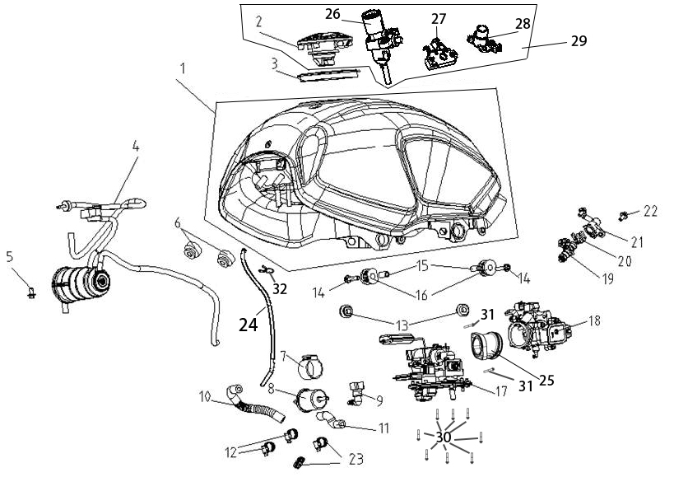
F02-1 | 170501526-0004 | FUEL TANK COMP. | PCS | 1 | C | FOR BLACK MODEL
F02-1 | 170501526-0003 | FUEL TANK COMP. | PCS | 1 | C | FOR RED MODEL
F02-1 | 170501526-0001 | FUEL TANK COMP. | PCS | 1 | C | FOR GREEN MODEL
F02-2 | 170860201-0001 | LOCK,FUEL TANK | PCS | 1 | B | NOT FOR SERVICE
F02-3 | 380841217-0001 | RING,SEAL | PCS | 1 | B
F02-4 | 173850169-0001 | CONTROLLER ASSY.,FUEL EVAPORATION | SET | 1 | C
F02-5 | 380140067-0013 | BOLT,HEXAGON FLANGE | PCS | 1 | C
F02-6 | 170700175-0001 | PAD, FUEL TANK DAMPING | PCS | 2 | C
F02-7 | 173060008-0001 | RUBBER JACKET,FUEL FILTER | PCS | 1 | C
F02-8 | 170010035-0001 | FILTER,FUEL | PCS | 1 | B
F02-9 | 273610003-0001 | JOINT, SWIFT CHANGE | PCS | 1 | C
F02-10 | 380751005-0001 | TUBE,FUEL | PCS | 1 | B
F02-11 | 380751004-0001 | TUBE,FUEL | PCS | 1 | B
F02-12 | 380960179-0001 | CLAMP ASSY. | PCS | 2 | C
F02-13 | 380910009-0001 | I-RUBBER | PCS | 2 | C
F02-14 | 380140054-0011 | BOLT,HEXAGON FLANGE | PCS | 2 | C
F02-15 | 380823499-0001 | COLLAR | PCS | 2 | C
F02-16 | 170700174-0001 | PAD, FUEL TANK DAMPING | PCS | 2 | C
F02-17 | 172800019-0001 | BRACKET ASSY.,ELECTRIC FUEL PUMP | PCS | 1 | C
F02-18 | 172810049-0001 | VALVE BODY ASSY., THROTTLE | PCS | 1 | C
F02-19 | 173010019-0001 | FUEL JET | PCS | 1 | C
F02-20 | 173030007-0001 | CLAMP, FUEL JET | PCS | 1 | C
F02-21 | 173020009-0001 | CAP, FUEL JET | PCS | 1 | C
F02-22 | 380140067-0013 | BOLT,HEXAGON FLANGE | PCS | 2 | C
F02-23 | 380950352-0001 | CLAMP,TUBE | PCS | 2 | C
F02-24 | 380750817-0001 | TUBE,FUEL | PCS | 1 | B
F02-25 | 180420803-0002 | TUBE,AIR INTAKE | PCS | 1 | B
F02-26 | 271330304-0001 | SWITCH ASSY.,IGNITION | PCS | 1 | B
F02-27 | 330170180-0001 | DEVICE,SEAT LOCKING | SET | 1 | B
F02-28 | 330190100-0001 | LOCK,SEAT | PCS | 1 | B
F02-29 | 500320999-0001 | LOCK KIT | SET | 1 | B
F02-30 | 380140053-0006 | BOLT,HEXAGON FLANGE | PCS | 8 | C
F02-31 | 380190008-0012 | SCREW,HEXAGON SOCKET | PCS | 2 | C
F02-32 | 380950016-0003 | CLAMP,TUBE | PCS | 1 | C
F3AIR CLEANER ASSY.
 | 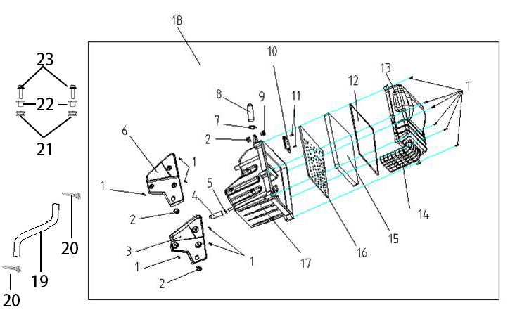
F03-1 | 380310183-0003 | SCREW,CROSS RECESSED PAN SELF-TAPPING | PCS | 13 | C | NOT FOR SERVICE
F03-2 | 380890339-0001 | I-RUBBER | PCS | 2 | C | NOT FOR SERVICE
F03-3 | 180050008-0001 | CASE,RIGHT AIR CLEANER | PCS | 1 | C | NOT FOR SERVICE
F03-4 | 271080023-0001 | HOSE,OVERFLOW | PCS | 1 | C | NOT FOR SERVICE
F03-5 | 380950435-0001 | CLAMP,TUBE | PCS | 1 | C | NOT FOR SERVICE
F03-6 | 180040149-0001 | CASE,AIR CLEANER | PCS | 1 | C | NOT FOR SERVICE
F03-7 | 380950058-0004 | CLAMP,TUBE | PCS | 1 | C | NOT FOR SERVICE
F03-8 | 182870004-0001 | PLASTIC CAP | PCS | 1 | C | NOT FOR SERVICE
F03-9 | 380470109-0001 | WASHER,FLANGE | PCS | 1 | C | NOT FOR SERVICE
F03-10 | 183270003-0001 | COVER OF WASTE GAS CIRCULATION CHAMBER | PCS | 1 | C | NOT FOR SERVICE
F03-11 | 380310010-0004 | SCREW,CROSS RECESSED PAN SELF-TAPPING | PCS | 1 | C | NOT FOR SERVICE
F03-12 | 180090082-0001 | GLAND STRIP,AIR CLEANER | PCS | 1 | C | NOT FOR SERVICE
F03-13 | 180070263-0001 | CAP,AIR CLEANER CASE | PCS | 1 | C | NOT FOR SERVICE
F03-14 | 180150097-0001 | INTAKE TUBE,AIR CLEANER | PCS | 1 | C | NOT FOR SERVICE
F03-15 | 180130307-0001 | ELEMENT,AIR CLEANER | PCS | 1 | A
F03-16 | 180120115-0001 | FRAMEWORK,AIR CLEANER | PCS | 1 | C | NOT FOR SERVICE
F03-17 | 182770004-0001 | LOWER PART OF AIR FILTER | PCS | 1 | C | NOT FOR SERVICE
F03-18 | 180021036-0001 | AIR CLEANER COMP. | PCS | 1 | C
F03-19 | 380741300-0001 | TUBE,BREATHER | PCS | 1 | B
F03-20 | 380950058-0005 | CLAMP,TUBE | PCS | 2 | C
F03-21 | 380890173-0001 | I-RUBBER | PCS | 2 | C
F03-22 | 380820512-0004 | COLLAR | PCS | 2 | C
F03-23 | 380140077-0012 | BOLT,HEXAGON FLANGE | PCS | 2 | C
F4 MUFFLER ASSY.,EXHAUST
 | 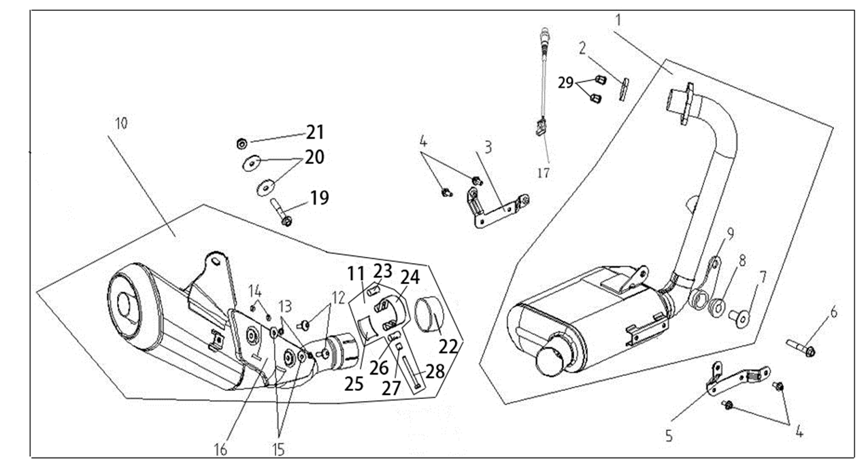
F04-1 | 181160090-0001 | FRONT PART,MUFFLER EXHAUST | PCS | 1 | C
F04-2 | 180650079-0001 | GASKET,AIR EXHAUST PORT | PCS | 1 | A
F04-3 | 341900076-0001 | BRACKET,LOWER FAIRING COVER | PCS | 1 | C
F04-4 | 380140067-0013 | BOLT,HEXAGON FLANGE | PCS | 4 | C
F04-5 | 341900077-0001 | BRACKET,LOWER FAIRING COVER | PCS | 1 | C
F04-6 | 380140005-0009 | BOLT,HEXAGON FLANGE | PCS | 1 | C
F04-7 | 380470120-0001 | WASHER,FLANGE | PCS | 1 | C | NOT FOR SERVICE
F04-8 | 380880084-0001 | T-RUBBER | PCS | 2 | C | NOT FOR SERVICE
F04-9 | 180840234-0001 | PLATE,MUFFLER HANGER | PCS | 1 | C | NOT FOR SERVICE
F04-10 | 180720244-0001 | REAR PART,MUFFLER | PCS | 1 | C
F04-11 | 181890014-0001 | TUBE,MUFFLER CONNECTING | PCS | 1 | C
F04-12 | 380190500-0001 | SCREW,HEXAGON SOCKET | PCS | 2 | C | NOT FOR SERVICE
F04-13 | 380460021-0001 | WASHER,ELASTIC | PCS | 2 | C
F04-14 | 380451166-0001 | WASHER,PLAIN | PCS | 2 | C
F04-15 | 380450405-0001 | WASHER,PLAIN | PCS | 2 | C
F04-16 | 180960231-0001 | SHIELD,MUFFLER | PCS | 1 | B
F04-17 | 172750024-0001 | OXYGEN SENSOR | PCS | 1 | C
F04-19 | 380140148-0007 | BOLT,HEXAGON FLANGE | PCS | 1 | C
F04-20 | 380450039-0005 | WASHER,PLAIN | PCS | 2 | C
F04-21 | 380400007-0008 | NUT,PREVAILING TORQUE TYPE ALL-METAL HEXAGON WITH FLANGE | PCS | 1 | C
F04-22 | 181110008-0001 | GRAPHITE ANNULUS | PCS | 1 | B
F04-23 | 380810103 | NUT,ROUND | PCS | 1 | C | NOT FOR SERVICE
F04-24 | 380970165 | HOOP | PCS | 1 | C | NOT FOR SERVICE
F04-25 | 181180014 | LINING,MUFFLER | PCS | 1 | C | NOT FOR SERVICE
F04-26 | 183280002 | CYLINDER OF CONNECTIVE SLEEVE | PCS | 1 | C | NOT FOR SERVICE
F04-27 | 380823840 | COLLAR | PCS | 1 | C | NOT FOR SERVICE
F04-28 | 380070195-0001 | BOLT,HEXAGON | PCS | 1 | C
F04-29 | 380330031-0003 | CAP-SHAPED NUT | PCS | 2 | C
F5 BODY COMP.,FRAME
 | 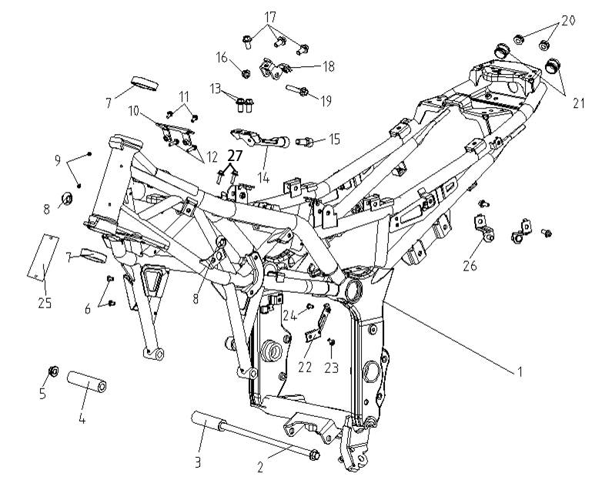
F05-1 | 300121270-0001 | BODY COMP.,FRAME | PCS | 1 | D
F05-2 | 380870910-0002 | AXIS | PCS | 1 | C
F05-3 | 380823424-0002 | COLLAR | PCS | 1 | C
F05-4 | 380823425-0002 | COLLAR | PCS | 1 | C
F05-5 | 380400001-0009 | NUT,PREVAILING TORQUE TYPE ALL-METAL HEXAGON WITH FLANGE | PCS | 1 | C
F05-6 | 380190501-0001 | SCREW,HEXAGON SOCKET | PCS | 2 | C
F05-7 | 310370060-0001 | RING, STEERING BASE | PCS | 2 | B
F05-8 | 380910037-0001 | I-RUBBER | PCS | 2 | C
F05-9 | 380580001-0002 | RIVET | PCS | 2 | C
F05-10 | 270970024-0002 | BRACKET,IGNITION COIL | PCS | 1 | C
F05-11 | 380140067-0013 | BOLT,HEXAGON FLANGE | PCS | 2 | C
F05-12 | 380140103-0015 | BOLT,HEXAGON FLANGE | PCS | 2 | C
F05-13 | 380140040-0012 | BOLT,HEXAGON FLANGE | PCS | 2 | C
F05-14 | 300410144-0002 | PLATE,FRAME CONNECTING | PCS | 1 | C
F05-15 | 380190027-0004 | SCREW,HEXAGON SOCKET | PCS | 1 | C
F05-16 | 380400001-0009 | NUT,PREVAILING TORQUE TYPE ALL-METAL HEXAGON WITH FLANGE | PCS | 1 | C
F05-17 | 380140040-0012 | BOLT,HEXAGON FLANGE | PCS | 3 | C
F05-18 | 300040186-0001 | PLATE,LEFT UPPER ENGINE HANGER | PCS | 1 | C
F05-19 | 380870849-0002 | AXIS | PCS | 1 | C
F05-20 | 380890377-0001 | I-RUBBER | PCS | 2 | C
F05-21 | 381000412-0001 | STOPPER | PCS | 2 | C
F05-22 | 293500012-0001 | BRACKET,DISC-BRAKE OIL CUP | PCS | 1 | B
F05-23 | 380140067-0013 | BOLT,HEXAGON FLANGE | PCS | 3 | C
F05-24 | 380190478-0003 | SCREW,HEXAGON SOCKET | PCS | 1 | C
F05-25 | 370410403-0001 | NAMEPLATE,FRAME | PCS | 1 | C
F05-26 | 180240008-0002 | SEAT,AIR CLEANER REAR MOUNTING | PCS | 2 | C
F05-27 | 380140077-0012 | BOLT,HEXAGON FLANGE | PCS | 2 | C
F6 FORK ASSY.,FRONT
 | 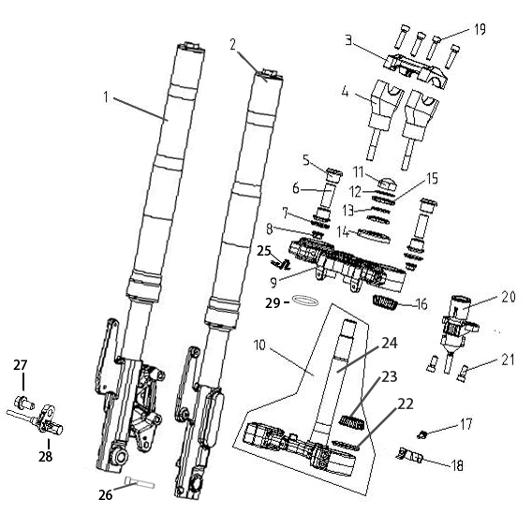
F06-1 | 310450683-0001 | SHOCK ABSORBER, LEFT FRONT | PCS | 1 | B
F06-2 | 310460658-0001 | SHOCK ABSORBER, RIGHT FRONT | PCS | 1 | B
F06-3 | 310200112-0001 | HOLDER,STEERING HANDLE PIPE | PCS | 1 | B
F06-4 | 310210060-0001 | SUPPORT,STEERING HANDLE PIPE | PCS | 2 | B
F06-5 | 380880072-0001 | T-RUBBER | PCS | 4 | C
F06-6 | 380822762-0002 | COLLAR | PCS | 2 | C
F06-7 | 380470084-0001 | WASHER,FLANGE | PCS | 2 | C
F06-8 | 380400001-0009 | NUT,PREVAILING TORQUE TYPE ALL-METAL HEXAGON WITH FLANGE | PCS | 2 | C
F06-9 | 501860026-0001 | UPPER CONNECTIVE PLATE ASSY. | SET | 1 | C
F06-10 | 501870020-0002 | STEERING STEM BODY/CIRCLIP ASSY. | SET | 1 | C
F06-11 | 310240002-0001 | CAP-SHAPED NUT, STEERING STEM | PCS | 1 | C
F06-12 | 310300049-0001 | WASHER,STEERING STEM | PCS | 1 | C
F06-13 | 310290021-0001 | WASHER,LOCKING | PCS | 1 | C
F06-14 | 310310011-0001 | DUST CAP,STEERING STEM | PCS | 1 | C
F06-15 | 310270015-0004 | ADJUST NUT,STEERING STEM | PCS | 2 | C
F06-16 | 310390057-0001 | CIRCLIP, STEERING BEARING | PCS | 1 | B
F06-17 | 380140067-0013 | BOLT,HEXAGON FLANGE | PCS | 1 | C
F06-18 | 380940685-0002 | CLAMP,WIRE | PCS | 1 | C
F06-19 | 317970007-0001 | BOLT,STEERING HANDLE PIPE HOLDER | PCS | 4 | C | NOT FOR SERVICE
F06-20 | 271330304 | SWITCH ASSY.,IGNITION | PCS | 1 | B | NOT FOR SERVICE
F06-21 | 380190010-0010 | SCREW,HEXAGON SOCKET | PCS | 2 | C
F06-22 | 310320028-0001 | RUBBER RING, STEERING DUST-PROOF | PCS | 1 | C
F06-23 | 310400054-0001 | RACE,STEERING BOTTOM CONE | PCS | 1 | B
F06-24 | 310130223-0002 | BODY SET,STEERING STEM | PCS | 1 | B
F06-25 | 380940815-0001 | CLAMP,WIRE | PCS | 1 | C
F06-26 | 380190031-0007 | SCREW,HEXAGON SOCKET | PCS | 1 | C
F06-27 | 380140067-0013 | BOLT,HEXAGON FLANGE | PCS | 1 | C
F06-28 | 281920033-0001 | SPEED SENSOR | PCS | 1 | C
F06-29 | 380841222-0001 | RING,SEAL | PCS | 1 | B
F7 STEERING SYSTEM
 |  | 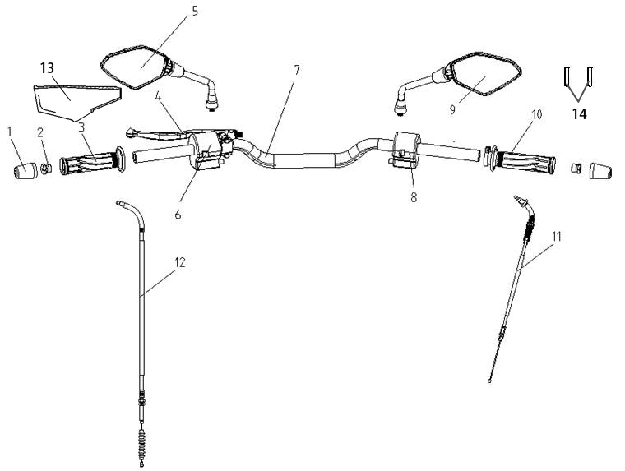
F07-1 | 320220092-0001 | DECORATIVE WEIGHT, LEFT | PCS | 2 | B
F07-2 | 320120044-0001 | COUNTERWEIGHT,STEERING HANDLE PIPE | PCS | 2 | B
F07-3 | 320180249-0001 | GRIP SET,HANDLE | PCS | 1 | A
F07-4 | 271510196-0001 | LEVER COMP., LEFT | SET | 1 | B
F07-5 | 360500371-0007 | MIRROR,LEFT BACK-VIEW | PCS | 1 | A
F07-6 | 271390538-0001 | SWITCH ASSY.,LEFT | SET | 1 | B
F07-7 | 320020412-0001 | HANDLE BAR ASSY. | PCS | 1 | C
F07-8 | 271590523-0001 | SWITCH ASSY.,RIGHT | SET | 1 | B
F07-9 | 360530373-0009 | MIRROR,RIGHT BACK-VIEW | PCS | 1 | A
F07-10 | 320190254-0001 | GREASER COMP. | PCS | 1 | A
F07-11 | 171210673-0001 | CABLE COMP.,THROTTLE | PCS | 1 | A
F07-12 | 320240532-0001 | CABLE COMP.,CLUTCH | PCS | 1 | A
F07-13 | 290770032-0001 | SHEATH,FRONT BRAKE CABLE | PCS | 1 | C
F07-14 | 380900131-0001 | CLAMPING BAND | PCS | 2 | C
F8 FENDER ASSY.,FRONT
 |  | 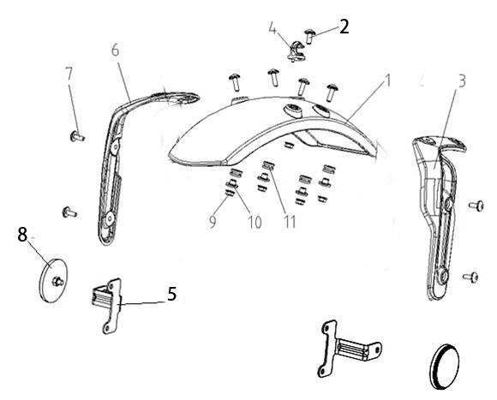
F08-1 | 340310744-0004 | FENDER COMP.,FRONT | PCS | 1 | B
F08-2 | 380190501-0001 | SCREW,HEXAGON SOCKET | PCS | 1 | C
F08-3 | 340210215-0001 | BRACKET,FRONT FENDER | PCS | 1 | C
F08-4 | 380950375-0001 | CLAMP,TUBE | PCS | 1 | C
F08-5 | 280050068-0001 | BRACKET,LEFT FRONT REFLECTOR CONNECTING | PCS | 2 | C
F08-6 | 340210216-0001 | BRACKET,FRONT FENDER | PCS | 1 | C
F08-7 | 380190502-0001 | SCREW,HEXAGON SOCKET | PCS | 8 | C
F08-8 | 280010031-0002 | REFLECTOR,LEFT SIDE | PCS | 2 | B
F08-9 | 380370003-0014 | NUT,HEXAGON FLANGE | PCS | 5 | C
F08-10 | 380470076-0001 | WASHER,FLANGE | PCS | 4 | C
F08-11 | 380890173-0001 | I-RUBBER | PCS | 4 | C
F9 REAR SUSPENSION ASSY.
 |  | 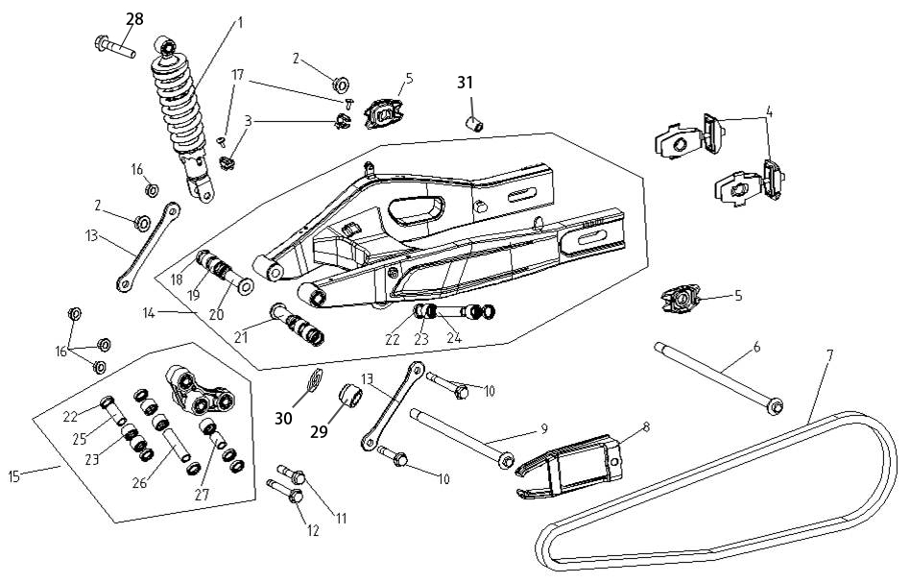
F09-1 | 310790561-0002 | SHOCK ABSORBER, LEFT REAR | PCS | 1 | B
F09-2 | 380400016-0007 | NUT,PREVAILING TORQUE TYPE ALL-METAL HEXAGON WITH FLANGE | PCS | 2 | C
F09-3 | 380950448-0001 | CLAMP,TUBE | PCS | 2 | C
F09-4 | 311430127-0003 | ADJUSTOR,DRIVE CHAIN LEFT | PCS | 2 | B
F09-5 | 311450031-0002 | PLATE,ADJUSTER HANGER | PCS | 2 | C
F09-6 | 380871013-0002 | AXIS | PCS | 1 | C
F09-7 | 260010238-0001 | CHAIN | PCS | 1 | A
F09-8 | 311410201-0001 | SLIDER,DRIVE CHAIN | PCS | 1 | B
F09-9 | 380870912-0002 | AXIS | PCS | 1 | C
F09-10 | 380870120-0003 | AXIS | PCS | 2 | C
F09-11 | 380870848-0002 | AXIS | PCS | 1 | C
F09-12 | 380870915-0003 | AXIS | PCS | 1 | C
F09-13 | 300600018-0001 | CRADLE COMP.,SUB | PCS | 2 | C
F09-14 | 500790033-0001 | FORK COM.,REAR | PCS | 1 | C
F09-15 | 501850004-0001 | BIG ROCKER RACK ASSY. | SET | 1 | C
F09-16 | 380400002-0008 | NUT,PREVAILING TORQUE TYPE ALL-METAL HEXAGON WITH FLANGE | PCS | 4 | C
F09-17 | 380140067-0013 | BOLT,HEXAGON FLANGE | PCS | 2 | C
F09-18 | 380650278-0001 | OIL SEAL | PCS | 4 | B
F09-19 | 380630452-0001 | BEARING | PCS | 4 | B
F09-20 | 380823512-0001 | COLLAR | PCS | 1 | C
F09-21 | 380823511-0001 | COLLAR | PCS | 1 | C
F09-22 | 380650722-0001 | OIL SEAL | PCS | 8 | B
F09-23 | 380630549-0001 | BEARING | PCS | 7 | B
F09-24 | 380823516-0001 | COLLAR | PCS | 1 | C
F09-25 | 380823520-0001 | COLLAR | PCS | 1 | C
F09-26 | 380823521-0001 | COLLAR | PCS | 1 | C
F09-27 | 380823519-0001 | COLLAR | PCS | 1 | C
F09-28 | 380870813-0003 | AXIS | PCS | 1 | C
F09-29 | 381110322-0001 | SLEEVE,THREAD | PCS | 1 | C
F09-30 | 380451156-0003 | WASHER,PLAIN | PCS | 1 | C
F09-31 | 380823729-0001 | COLLAR | PCS | 1 | C
F10 CASE,DRIVE CHAIN
 | 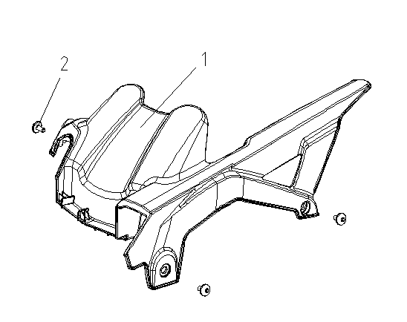
F10-1 | 260060236-0001 | CASE, CHAIN | PCS | 1 | B
F10-2 | 380190477-0003 | SCREW,HEXAGON SOCKET | PCS | 3 | C
F11 WHEEL,FRONT
 | 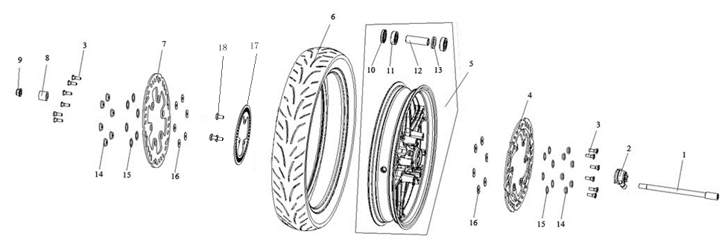
F11-1 | 380870846-0003 | AXIS | PCS | 1 | C
F11-2 | 291850150-0001 | SPEED COUNTER | PCS | 1 | B
F11-3 | 291440044-0001 | FASTENING BOLT,BRAKE DISK | PCS | 12 | C
F11-4 | 291430007-0001 | DISK COMP.,RIGHT FRONT BRAKE | PCS | 1 | C
F11-5 | 290020658-0002 | WHEEL,FRONT | PCS | 1 | B
F11-6 | 290150768-0001 | TYRE ASSY. | PCS | 1 | A
F11-7 | 291420204-0001 | DISK COMP.,LEFT FRONT BRAKE | PCS | 1 | C
F11-8 | 380823426-0002 | COLLAR | PCS | 1 | C
F11-9 | 380400016-0007 | NUT,PREVAILING TORQUE TYPE ALL-METAL HEXAGON WITH FLANGE | PCS | 1 | C
F11-10 | 380650042-0001 | OIL SEAL | PCS | 1 | B
F11-11 | 380630028-0001 | BEARING | PCS | 2 | B
F11-12 | 380823525-0001 | COLLAR | PCS | 1 | C
F11-13 | 380920024-0001 | PLAIN WASHER,RUBBER | PCS | 1 | C
F11-14 | 380823817-0001 | COLLAR | PCS | 12 | C
F11-15 | 380460048-0001 | WASHER,ELASTIC | PCS | 12 | C
F11-16 | 380451270-0001 | WASHER,PLAIN | PCS | 12 | C
F11-17 | 297710005-0002 | GEAR RING, ABS | PCS | 1 | C
F11-18 | 380190477-0003 | SCREW,HEXAGON SOCKET | PCS | 3 | C
F12 WHEEL,REAR
 | 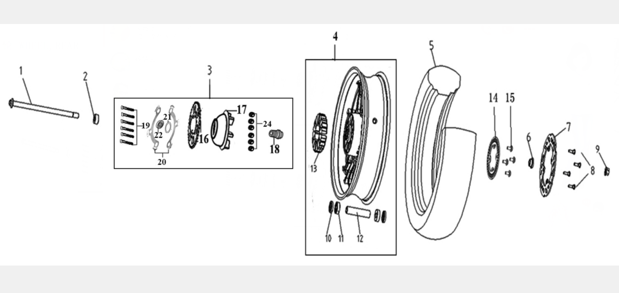
F12-1 | 380871013-0002 | AXIS | PCS | 1 | C
F12-2 | 380823427-0002 | COLLAR | PCS | 1 | C
F12-3 | 290380244-0001 | DAMPER COMP. | SET | 1 | B
F12-4 | 290220585-0002 | WHEEL,REAR | PCS | 1 | B
F12-5 | 290150769-0001 | TYRE ASSY. | PCS | 1 | A
F12-6 | 380823428-0002 | COLLAR | PCS | 1 | C
F12-7 | 291930049-0001 | DISK COMP.,LEFT REAR BRAKE | PCS | 1 | C
F12-8 | 291440010-0005 | FASTENING BOLT,BRAKE DISK | PCS | 4 | C
F12-9 | 380400023-0006 | NUT,PREVAILING TORQUE TYPE ALL-METAL HEXAGON WITH FLANGE | PCS | 1 | C
F12-10 | 380650721-0001 | OIL SEAL | PCS | 2 | B
F12-11 | 380630003-0001 | BEARING | PCS | 2 | B
F12-12 | 380823526-0002 | COLLAR | PCS | 1 | C
F12-13 | 290310088-0001 | DAMPING PIECE,REAR WHEEL | PCS | 6 | A
F12-14 | 297710006-0002 | GEAR RING, ABS | PCS | 1 | C
F12-15 | 380190477-0003 | SCREW,HEXAGON SOCKET | PCS | 4 | C
F12-16 | 290420246-0002 | SPROCKET WHEEL | PCS | 1 | A
F12-17 | 290390063-0002 | SEAT,SPROCKET WHEEL | PCS | 1 | B | NOT FOR SERVICE
F12-18 | 380823507-0001 | COLLAR | PCS | 1 | C
F12-19 | 380070073-0005 | BOLT,HEXAGON | PCS | 6 | C
F12-20 | 290400053-0002 | LOCK WASHER | PCS | 2 | A
F12-21 | 380650504-0001 | OIL SEAL | PCS | 1 | B
F12-22 | 380630083-0001 | BEARING | PCS | 1 | B
F12-24 | 380340005-0013 | NUT,HEXAGON HEAD | PCS | 6 | C
F13 BAR ASSY.,SIDE STAND
 | 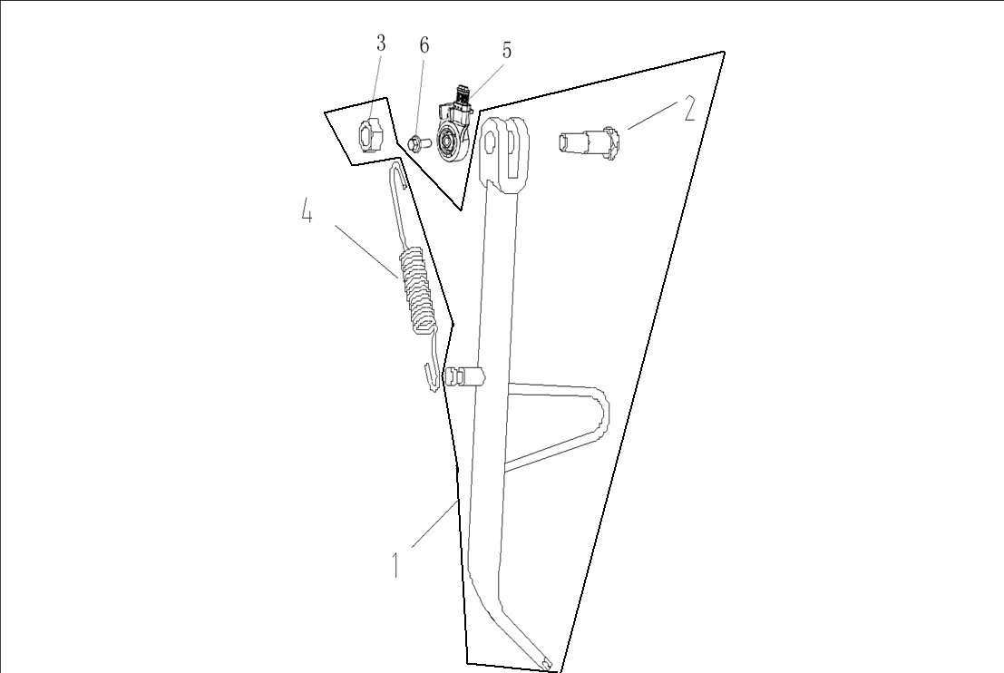
F13-1 | 311870075-0001 | SIDE STAND COMP. | SET | 1 | B
F13-2 | 380020194-0002 | BOLT,HEXAGON HEAD SHOULDER | PCS | 1 | C
F13-3 | 380340010-0011 | NUT,HEXAGON HEAD | PCS | 1 | C
F13-4 | 381140657-0001 | SPRING, DRAWING | PCS | 1 | B
F13-5 | 312940016-0001 | KILL SWITCH, SIDE STAND | PCS | 1 | B
F13-6 | 380140013-0013 | BOLT,HEXAGON FLANGE | PCS | 1 | C
F14 STEP ASSY.\PILLION STEP | 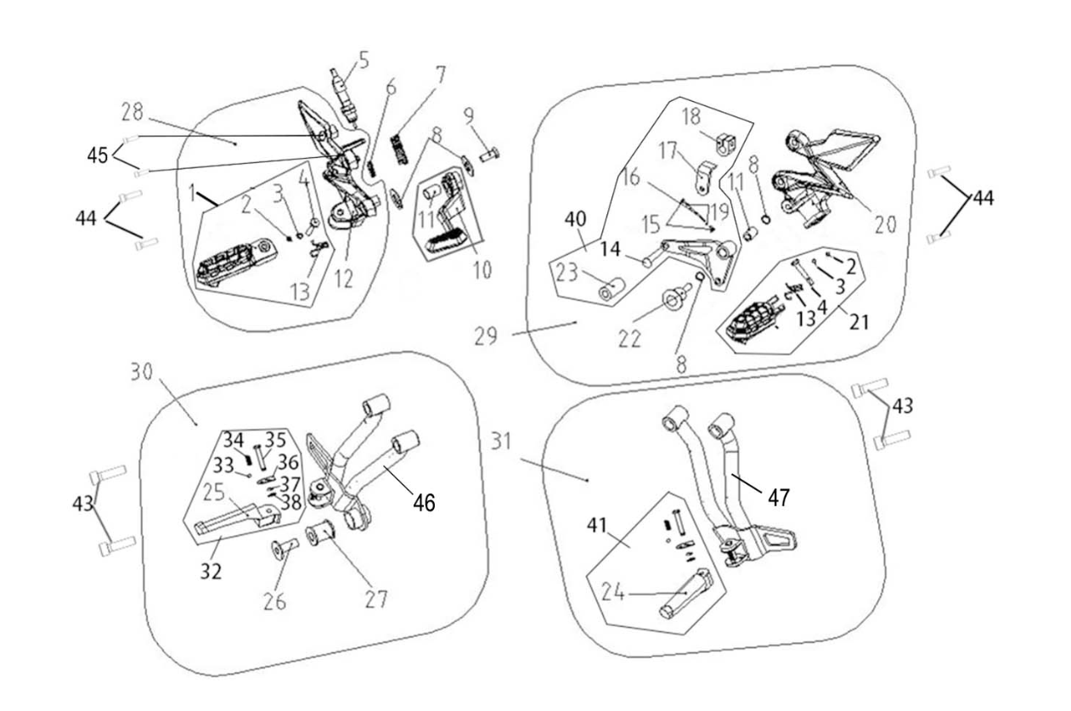
F14-1 | 311700046-0003 | BODY,RIGHT FOOTREST | PCS | 1 | B
F14-2 | 380570046-0002 | SPLIT WASHER | PCS | 2 | C | NOT FOR SERVICE
F14-3 | 380840234-0001 | RING,SEAL | PCS | 2 | B | NOT FOR SERVICE
F14-4 | 380610366-0002 | PIN,CLEVIS | PCS | 2 | C | NOT FOR SERVICE
F14-5 | 271760165-0001 | SWITCH ASSY.,REAR BRAKE | PCS | 1 | B
F14-6 | 291330141-0002 | EXTENSION SPRING,REAR BRAKE SWITCH | PCS | 1 | B
F14-7 | 291320198-0001 | RETURN SPRING,REAR BRAKE PEDAL | PCS | 1 | B
F14-8 | 380450017-0006 | WASHER,PLAIN | PCS | 4 | C | NOT FOR SERVICE
F14-9 | 380140067-0013 | BOLT,HEXAGON FLANGE | PCS | 1 | C | NOT FOR SERVICE
F14-10 | 291120426-0002 | PEDAL,REAR BRAKE | PCS | 1 | B
F14-11 | 380823453-0001 | COLLAR | PCS | 2 | C
F14-12 | 311680067-0002 | BRACKET, RIGHT FOOTREST | PCS | 1 | C
F14-13 | 381160264-0002 | SPRING, TURNING | PCS | 2 | B | NOT FOR SERVICE
F14-14 | 193720019 | WELDING SET,GEAR CHANGE PEDAL | PCS | 1 | C | NOT FOR SERVICE
F14-15 | 193810016-0001 | JOINT BALL, CONNECTING ROD | PCS | 2 | C | NOT FOR SERVICE
F14-16 | 193760038-0001 | CONNECTING ROD,GEAR SHIFT | PCS | 1 | C | NOT FOR SERVICE
F14-17 | 193800012 | PLATE, SPLINE BASE CONNECTIVE | PCS | 1 | C | NOT FOR SERVICE
F14-18 | 193790101 | BASE,SPLINE FITTING | PCS | 1 | C | NOT FOR SERVICE
F14-19 | 380340011-0013 | NUT,HEXAGON HEAD | PCS | 2 | C | NOT FOR SERVICE
F14-20 | 311670068-0002 | BRACKET, LEFT FOOTREST | PCS | 1 | C | NOT FOR SERVICE
F14-21 | 311690042-0003 | BODY,LEFT FOOTREST | PCS | 1 | B
F14-22 | 380190452-0003 | SCREW,HEXAGON SOCKET | PCS | 1 | C | NOT FOR SERVICE
F14-23 | 193710064-0001 | RUBBER JACKET,GEAR CHANGE PEDAL | PCS | 1 | C | NOT FOR SERVICE
F14-24 | 312230121-0001 | STEP ASSY.,LEFT PILLION | PCS | 1 | B | NOT FOR SERVICE
...
F13-1 | 311870075-0001 | SIDE STAND COMP. | SET | 1 | B
F14-37 | 380840238-0001 | RING,SEAL | PCS | 2 | B | NOT FOR SERVICE
F14-38 | 380570028-0001 | SPLIT WASHER | PCS | 2 | C | NOT FOR SERVICE
F14-40 | 193700675-0002 | PEDAL,GEAR CHANGE | PCS | 1 | B
F14-41 | 312300041-0001 | BODY SET,LEFT PILLION STEP | PCS | 1 | B
F14-43 | 380190009-0010 | SCREW,HEXAGON SOCKET | PCS | 4 | C
F14-44 | 291440008-0005 | FASTENING BOLT,BRAKE DISK | PCS | 4 | C
F14-45 | 380190039-0012 | SCREW,HEXAGON SOCKET | PCS | 2 | C
F14-46 | 312180142-0001 | HOLD COMP.,RIGHT PILLION STEP | PCS | 1 | C
F14-47 | 312170138-0001 | HOLD COMP.,LEFT PILLION STEP | PCS | 1 | C
F15 ABS DISC-BRAKE ASSY.,FRONT\DISC-BRAKE ASSY.,REAR
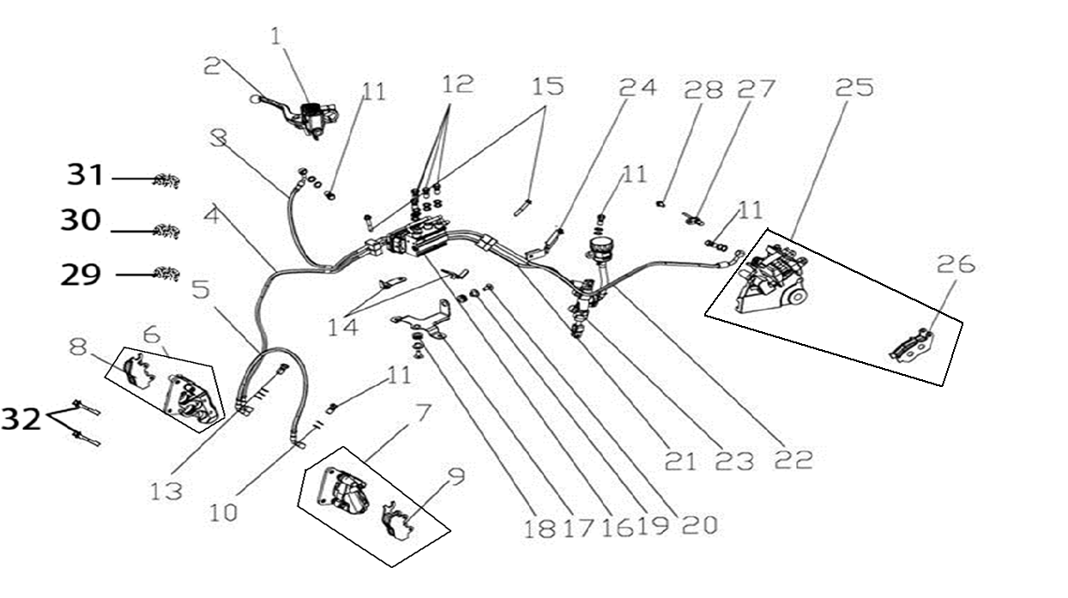
F15-1 | 291480179-0001 | CYLINDER ASSY.,MASTER | PCS | 1 | B
F15-2 | 271720253-0001 | LEVER COMP.,RIGHT STEERING HANDLE | PCS | 1 | B
F15-3 | 294180018-0001 | ABS CONNECTIVE OIL TUBE | PCS | 1 | C
F15-4 | 294180023-0001 | ABS CONNECTIVE OIL TUBE | PCS | 1 | C
F15-5 | 292230120-0001 | HOSE COMP.,FRONT DISC-BRAKE | SET | 1 | B
F15-6 | 291640168-0001 | CALIPER ASSY.,LEFT | PCS | 1 | C
F15-7 | 291650019-0001 | CALIPER ASSY.,RIGHT | PCS | 1 | C
F15-8 | 291710091-0001 | PAD COMP.,FRONT DISC-BRAKE | PCS | 1 | A
F15-9 | 291710092-0001 | PAD COMP.,FRONT DISC-BRAKE | PCS | 1 | A
F15-10 | 380450298-0001 | WASHER,PLAIN | PCS | 19 | C
...
F15-24 | 293500012-0001 | BRACKET,DISC-BRAKE OIL CUP | PCS | 1 | B
F15-25 | 292010049-0001 | PUMP, REAR DISC-BRAKE LOWER | PCS | 1 | C
F15-26 | 292400017-0001 | PAD COMP.,REAR DISC-BRAKE LEFT | PCS | 1 | A
F15-27 | 281920033-0001 | SPEED SENSOR | PCS | 1 | C
F15-28 | 380140067-0013 | BOLT,HEXAGON FLANGE | PCS | 1 | C
F15-29 | 380940395-0001 | CLAMP,WIRE | PCS | 1 | C
F15-30 | 380950453-0001 | CLAMP,TUBE | PCS | 1 | C
F15-31 | 380950457-0001 | CLAMP,TUBE | PCS | 1 | C
F15-32 | 380140006-0008 | BOLT,HEXAGON FLANGE | PCS | 2 | C
F16 LIGHT ASSY.,HEAD LEFT\METER ASSY.
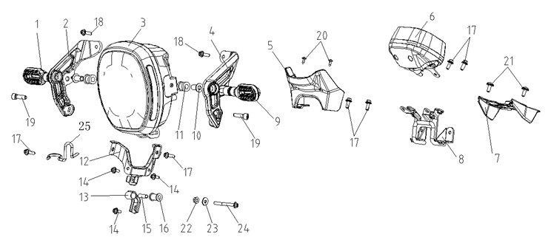
F16-1 | 280780643-0001 | TURNING SIGNAL LIGHT, RIGHT FRONT | PCS | 1 | B
F16-2 | 280510196-0001 | BRACKET,HEAD LIGHT RIGHT | PCS | 1 | C
F16-3 | 280350989-0001 | HEADLIGHT ASSY. | PCS | 1 | B
F16-04 | 280490205-0001 | BRACKET,HEAD LIGHT LEFT | PCS | 1 | C
F16-05 | 341690039-0001 | CAP,METER DECORATIVE | PCS | 1 | C
F16-06 | 281371413-0001 | INSTRUMENT SET | SET | 1 | B
F16-07 | 271350116-0001 | COVER,IGNITION SWITCH | PCS | 1 | B
F16-08 | 281570176-0001 | BRACKET,METER | PCS | 1 | C
F16-09 | 280760656-0001 | TURNING SIGNAL LIGHT, LEFT FRONT | PCS | 1 | B
F16-10 | 380470099-0002 | WASHER,FLANGE | PCS | 2 | C
...
F16-16 | 380890372-0001 | I-RUBBER | PCS | 1 | C
F16-17 | 380140002-0012 | BOLT,HEXAGON FLANGE | PCS | 6 | C
F16-18 | 380140003-0014 | BOLT,HEXAGON FLANGE | PCS | 2 | C
F16-19 | 380190187-0001 | SCREW,HEXAGON SOCKET | PCS | 2 | C
F16-20 | 380310007-0007 | SCREW,CROSS RECESSED PAN SELF-TAPPING | PCS | 2 | C
F16-21 | 380190500-0001 | SCREW,HEXAGON SOCKET | PCS | 2 | C
F16-22 | 380370003-0014 | NUT,HEXAGON FLANGE | PCS | 1 | C
F16-23 | 380450007-0014 | WASHER,PLAIN | PCS | 1 | C
F16-24 | 380140185-0005 | BOLT,HEXAGON FLANGE | PCS | 1 | C
F17 COVER,RADIATOR LEFT DECORATIVE
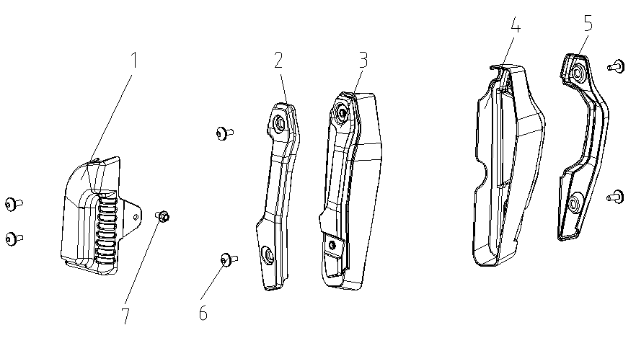
F17-1 | 161500001-0001 | COOLANT TANK DECORATIVE COVER | PCS | 1 | C
F17-2 | 161490002-0001 | HEAT RADIATOR DECORATIVE COVER | PCS | 1 | C
F17-3 | 160830007-0001 | SHIELD,RADIATOR | PCS | 1 | B
F17-4 | 160830006-0001 | SHIELD,RADIATOR | PCS | 1 | B
F17-5 | 161490001-0001 | HEAT RADIATOR DECORATIVE COVER | PCS | 1 | C
F17-6 | 380190501-0001 | SCREW,HEXAGON SOCKET | PCS | 6 | C
F17-7 | 380140067-0013 | BOLT,HEXAGON FLANGE | PCS | 1 | C
F18 COVER,FUEL TANK DECORATIVE
 | 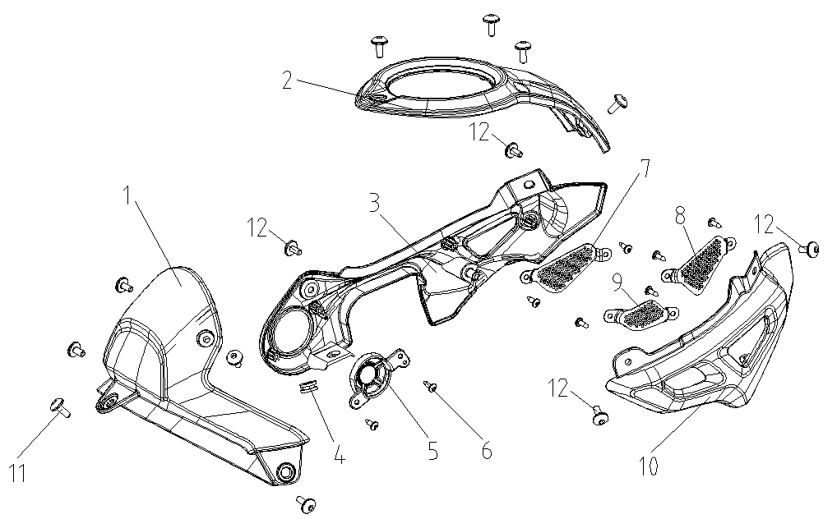
F18-1 | 340060074-0003 | PROTECTIVE PLATE, FUEL TANK LEFT | PCS | 1 | B
F18-2 | 343210047-0001 | COVER,FUEL TANK DECORATIVE | PCS | 1 | B
F18-3 | 340020087-0001 | COVER,FUEL TANK LEFT DECORATIVE | PCS | 1 | B
F18-4 | 380890173-0001 | I-RUBBER | PCS | 1 | C
F18-5 | 344230009-0001 | LEFT INNER PLATE DECORATIVE COVER | PCS | 1 | C
F18-6 | 380310007-0007 | SCREW,CROSS RECESSED PAN SELF-TAPPING | PCS | 8 | C
F18-7 | 341810005-0001 | COVER,LEFT GUARD PLATE DECORATIVE | PCS | 1 | B
F18-8 | 341860005-0001 | COVER,RIGHT GUARD PLATE DECORATIVE | PCS | 1 | B
F18-9 | 341860006-0001 | COVER,RIGHT GUARD PLATE DECORATIVE | PCS | 1 | B
F18-10 | 340030082-0003 | COVER,FUEL TANK RIGHT DECORATIVE | PCS | 1 | B
F18-11 | 380190500-0001 | SCREW,HEXAGON SOCKET | PCS | 9 | C
F18-12 | 380190501-0001 | SCREW,HEXAGON SOCKET | PCS | 4 | C
F19 SEAT,DRIVER\SEAT,PASSENGER
 | 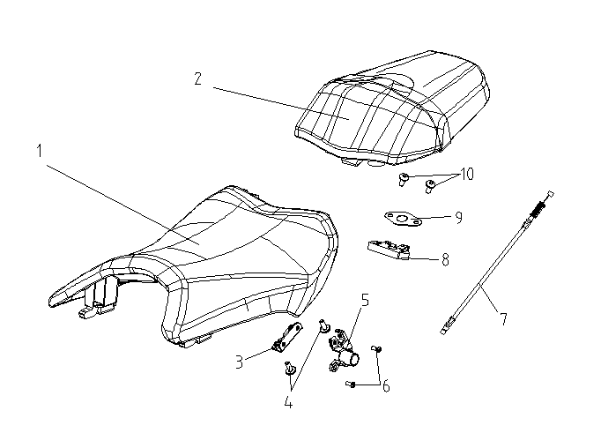
F19-1 | 330020075-0001 | SEAT,DRIVER | PCS | 1 | B
F19-2 | 330030081-0001 | SEAT,PASSENGER | PCS | 1 | B
F19-3 | 330230024-0001 | BRACKET,SEAT LOCK | PCS | 1 | C
F19-4 | 380190500-0001 | SCREW,HEXAGON SOCKET | PCS | 2 | C
F19-5 | 330190100-0001 | LOCK,SEAT | PCS | 1 | B
F19-6 | 380200006-0012 | SCREW,CROSS RECESSED PAN | PCS | 2 | C
F19-7 | 330250169-0001 | CABLE,SEAT | PCS | 1 | A
F19-8 | 330170003-0001 | DEVICE,SEAT LOCKING | SET | 1 | B
F19-9 | 331990011-0001 | WASHER,SEAT LOCK | PCS | 1 | C
F19-10 | 380190478-0003 | SCREW,HEXAGON SOCKET | PCS | 2 | C
F20 AIR GUIDE SLEEVE,LEFT LOWER
 | 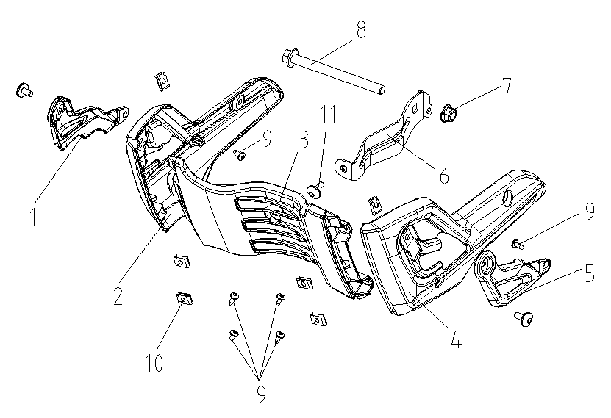
F20-1 | 349090001-0003 | LOWER FAIRING COVER DECORATIVE PIECE | PCS | 1 | C
F20-2 | 341880043-0001 | FAIRING COVER,RIGHT LOWER | PCS | 1 | B
F20-3 | 341890026-0001 | PLATE,LOWER FAIRING COVER CONNECTING | PCS | 1 | B
F20-4 | 341870106-0001 | FAIRING COVER,LEFT LOWER | PCS | 1 | B
F20-5 | 349090002-0003 | LOWER FAIRING COVER DECORATIVE PIECE | PCS | 1 | C
F20-6 | 341900125-0001 | BRACKET,LOWER FAIRING COVER | PCS | 1 | C
F20-7 | 380400001-0009 | NUT,PREVAILING TORQUE TYPE ALL-METAL HEXAGON WITH FLANGE | PCS | 1 | C
F20-08 | 380870070-0004 | AXIS | PCS | 1 | C
F20-09 | 380310007-0007 | SCREW,CROSS RECESSED PAN SELF-TAPPING | PCS | 6 | C
F20-10 | 380420001-0006 | NUT,CLIP | PCS | 6 | C
F20-11 | 380190477-0003 | SCREW,HEXAGON SOCKET | PCS | 7 | C
F21 FENDER COMP.,REAR\LAMP,REAR REGISTRATION PLATE
 | 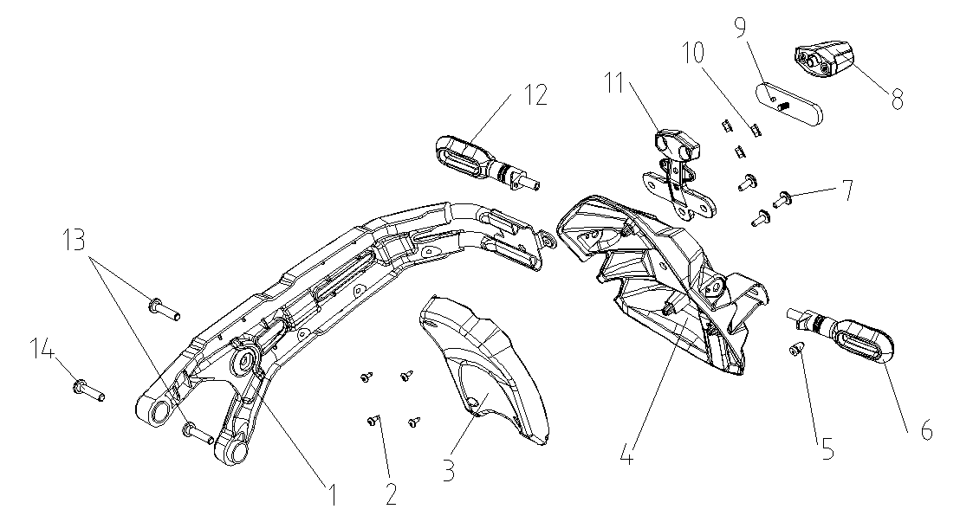
F21-1 | 340570201-0001 | BRACKET,REAR FENDER | PCS | 1 | C
F21-2 | 380310007-0007 | SCREW,CROSS RECESSED PAN SELF-TAPPING | PCS | 4 | C
F21-3 | 340670223-0001 | INNER PART,REAR FENDER | PCS | 1 | B
F21-4 | 340710010-0001 | FENDER COMP.,REAR LOWER | PCS | 1 | B
F21-5 | 381130025-0001 | GLUE NAIL,BUFFER | PCS | 1 | C
F21-6 | 280770467-0001 | TURNING SIGNAL LIGHT, LEFT REAR | PCS | 1 | B
F21-7 | 380190478-0003 | SCREW,HEXAGON SOCKET | PCS | 3 | C
F21-8 | 280720069-0001 | LAMP,REAR REGISTRATION PLATE | PCS | 1 | B
F21-9 | 280110132-0001 | REFLECTOR,REAR | PCS | 1 | B
F21-10 | 380370003-0014 | NUT,HEXAGON FLANGE | PCS | 3 | C
F21-11 | 285060003-0001 | REAR COVER OF REGISTRATION PLATE LIGHT | PCS | 1 | C
F21-12 | 280790451-0001 | TURNING SIGNAL LIGHT, RIGHT REAR | PCS | 1 | B
F21-13 | 380190096-0003 | SCREW,HEXAGON SOCKET | PCS | 2 | C
F21-14 | 380190097-0003 | SCREW,HEXAGON SOCKET | PCS | 1 | C
F22 SIDE COVER
 | 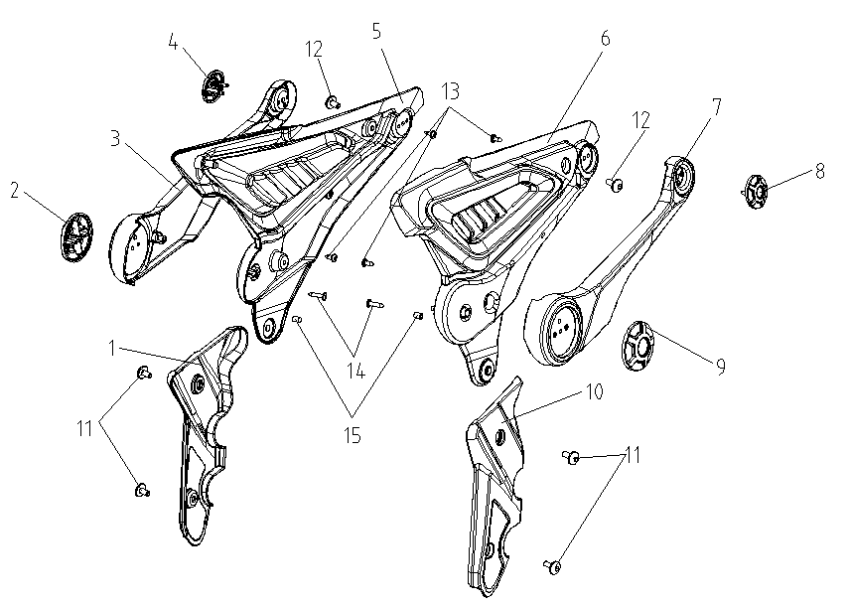
F22-1 | 342510009-0001 | COVER,FRAME RIGHT DECORATIVE | PCS | 1 | B
F22-2 | 340910050-0001 | BLOCK,RIGHT SIDE COVER DECORATIVE | PCS | 1 | B
F22-3 | 340930018-0003 | COVER,RIGHT SIDE COVER DECORATIVE | PCS | 1 | B
F22-4 | 340910051-0001 | BLOCK,RIGHT SIDE COVER DECORATIVE | PCS | 1 | B
F22-5 | 340870753-0001 | COVER,RIGHT SIDE | PCS | 1 | B
F22-6 | 340750715-0001 | COVER,LEFT SIDE | PCS | 1 | B
F22-7 | 340810022-0003 | COVER,LEFT SIDE COVER DECORATIVE | PCS | 1 | B
F22-8 | 340790052-0001 | BLOCK,LEFT SIDE COVER DECORATIVE | PCS | 1 | B
F22-9 | 340790051-0001 | BLOCK,LEFT SIDE COVER DECORATIVE | PCS | 1 | B
F22-10 | 342500009-0001 | COVER,FRAME LEFT DECORATIVE | PCS | 1 | B
F22-11 | 380190477-0003 | SCREW,HEXAGON SOCKET | PCS | 4 | C
F22-12 | 380190500-0001 | SCREW,HEXAGON SOCKET | PCS | 2 | C
F22-13 | 380310007-0007 | SCREW,CROSS RECESSED PAN SELF-TAPPING | PCS | 4 | C
F22-14 | 380310054-0004 | SCREW,CROSS RECESSED PAN SELF-TAPPING | PCS | 2 | C
F22-15 | 381130028-0001 | GLUE NAIL,BUFFER | PCS | 2 | C
F23 FRAME ASSY.\FENDER COMP.,REAR\CASE,BATTERY\LIGHT UNIT,TAIL
 | 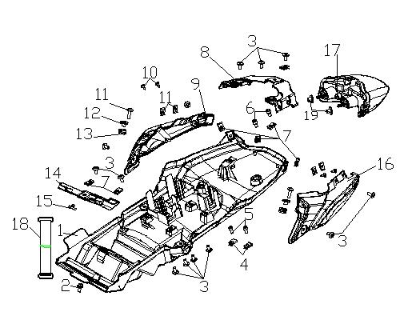
F23-1 | 340660383-0002 | FENDER COMP.,REAR | PCS | 1 | B
F23-2 | 380140067-0013 | BOLT,HEXAGON FLANGE | PCS | 1 | C
F23-3 | 380190477-0003 | SCREW,HEXAGON SOCKET | PCS | 11 | C
F23-4 | 380420002-0004 | NUT,CLIP | PCS | 2 | C
F23-5 | 380190037-0007 | SCREW,HEXAGON SOCKET | PCS | 2 | C
F23-6 | 380190043-0013 | SCREW,HEXAGON SOCKET | PCS | 2 | C
F23-7 | 380420006-0006 | NUT,CLIP | PCS | 6 | C
F23-8 | 342390283-0001 | COVER COMP.,TAIL | PCS | 1 | B
F23-9 | 342080204-0006 | BODY COVER.,RIGHT | PCS | 1 | B
F23-10 | 380310007-0007 | SCREW,CROSS RECESSED PAN SELF-TAPPING | PCS | 4 | C
F23-11 | 380190479-0003 | SCREW,HEXAGON SOCKET | PCS | 2 | C
F23-12 | 380470076-0003 | WASHER,FLANGE | PCS | 2 | C
F23-13 | 380890173-0001 | I-RUBBER | PCS | 2 | C
F23-14 | 272800020-0001 | ELECTRICAL BOX | PCS | 1 | C
F23-15 | 381130027-0001 | GLUE NAIL,BUFFER | PCS | 1 | C
F23-16 | 342040205-0006 | BODY COVER.,LEFT | PCS | 1 | B
F23-17 | 280580671-0001 | TAILLIGHT SET | PCS | 1 | B
F23-18 | 380900302-0001 | CLAMPING BAND | PCS | 1 | C
F23-19 | 380820512-0001 | COLLAR | PCS | 2 | C
F24 HARNESS,WIRE
 | 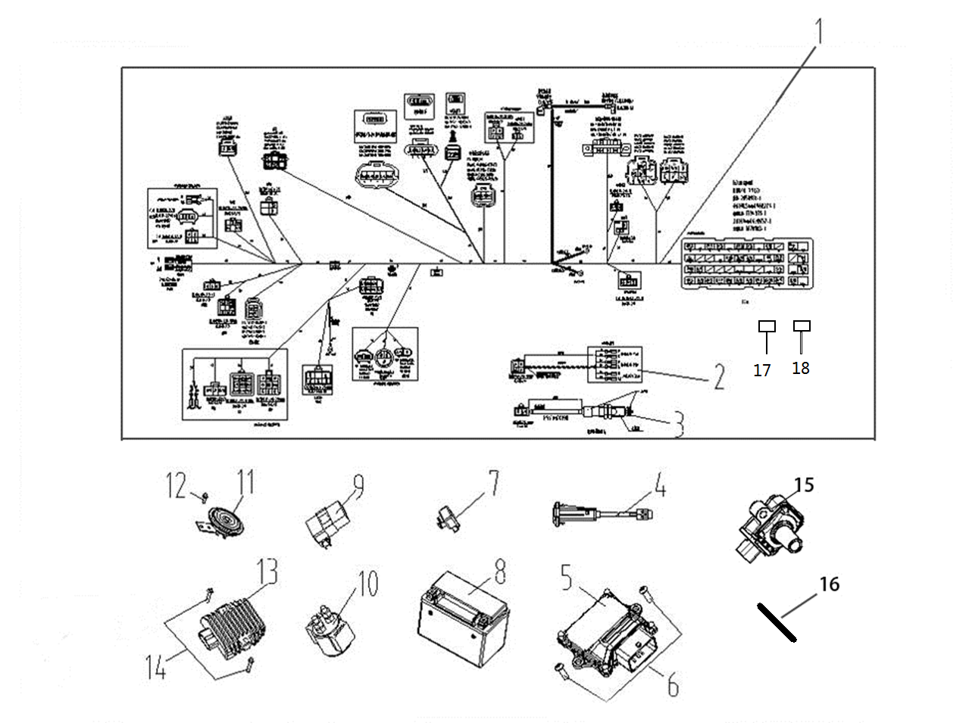
F24-1 | 271232450-0001 | HARNESS,WIRE | SET | 1 | B
F24-2 | 272470133-0001 | HARNESS,SUB | PCS | 1 | C
F24-3 | 271760165-0001 | SWITCH ASSY.,REAR BRAKE | PCS | 1 | B
F24-4 | 284700011-0001 | USB/AUX | PCS | 1 | C
F24-5 | 172710083-0004 | ECU | PCS | 1 | C
F24-6 | 380190005-0013 | SCREW,HEXAGON SOCKET | PCS | 2 | C
F24-7 | 280150086-0001 | FLASHER | PCS | 1 | A
F24-8 | 271060313-0002 | BATTERY ASSY. | PCS | 1 | A
F24-9 | 272800017-0001 | ELECTRICAL BOX | PCS | 1 | C
F24-10 | 270810177-0001 | STARTING RELAY ASSY. | PCS | 1 | A
F24-11 | 280190079-0003 | HORN | PCS | 1 | A
F24-12 | 380140067-0013 | BOLT,HEXAGON FLANGE | PCS | 1 | C
F24-13 | 270880268-0001 | RECTIFIER REGULATOR ASSY. | PCS | 1 | A
F24-14 | 380140002-0012 | BOLT,HEXAGON FLANGE | PCS | 2 | C
F24-15 | 270920442-0001 | COIL ASSY.,IGNITION | PCS | 1 | A
F24-16 | 380900089-0002 | CLAMPING BAND | PCS | 26 | C
F24-17 | 381620010-0001 | SECTION,SAFE | PCS | 2 | A
F24-18 | 381620011-0001 | SECTION,SAFE | PCS | 2 | A
F25 ACCESSORIES,TOOL
 | 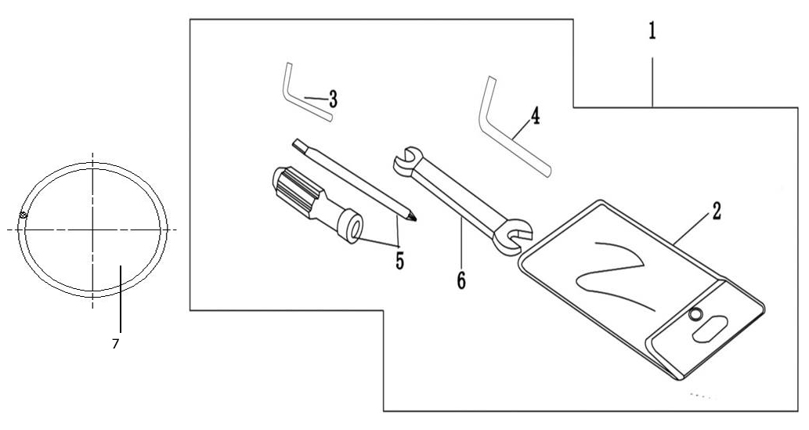
F25-1 | 360010108-0001 | ACCESSORIES,TOOL | SET | 1 | D
F25-2 | 36002 | BAG,TOOL | PCS | 1 | D
F25-3 | 36005 | SLEEVE | PCS | 1 | D
F25-4 | 36007 | WRENCH | PCS | 1 | D
F25-5 | 36003 | SCREWDRIVER,DUAL-PURPOSE | PCS | 1 | D
F25-6 | 36007 | WRENCH | PCS | 1 | D
F25-7 | 380840918-0001 | RING,SEAL | PCS | 1 | B

YF300 ENGINE
REF.No | PLM CODE | PARTS NAME | QUANTITY | UNIT | WEAR & TEAR GRADE | PICTURE | REMARK
E1 | F1305N0023-0H14001 | ENGINE | 1 | SET | C
E-1 Cylinder Head Cover Parts）
 |  |  | 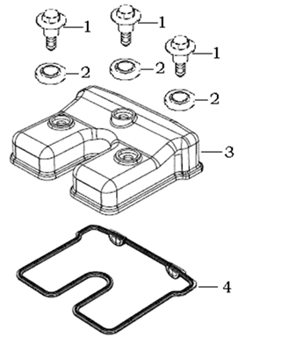
E01-01 | 120440009-0001 | BOLT,CYLINDER HEAD COVER | 3 | PCS | C
E01-02 | 380840556-0001 | RING,SEAL | 3 | PCS | A
E01-03 | 120230055-0014 | COVER COMP.,CYLINDER HEAD | 1 | PCS | C
E01-04 | 120250020-0001 | GASKET,CYLINDER HEAD COVER | 1 | PCS | A
E-2 （ Cylinder Head Parts）
 |  | 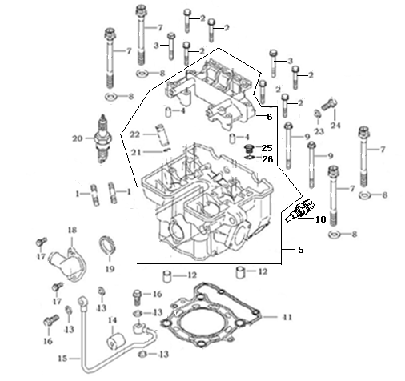
E02-01 | 380180023-0004 | double-Bolt | 2 | PCS | C
E02-02 | 380140019-0002 | Bolt | 6 | PCS | C
E02-03 | 380140128-0004 | Bolt | 2 | PCS | C
E02-04 | 380600002-0001 | Dowel Pin | 2 | PCS | C
E02-05 | 500260254-0009 | CYLINDER HEAD KIT | 1 | SET | C
E02-06 | 141320003-0001 | Supporting Bracket | 1 | PCS | A
E02-07 | 380190120-0001 | Torx Bolt | 4 | PCS | C
E02-08 | 380450779-0001 | Washer | 4 | PCS | C
E02-09 | 380140448-0001 | Bolt | 2 | PCS | C
E02-10 | 270790014-0001 | Engine sensors | 1 | PCS | C
...
E02-18 | 380780056-0010 | Tube tie-in | 1 | PCS | C
E02-19 | 380840555-0001 | O-Ring | 1 | PCS | A
E02-20 | 270960035-0001 | Spark plug | 1 | PCS | A
E02-21 | 120140008-0001 | Guide Ring | 4 | PCS | C
E02-22 | 120120024-0001 | Guide,Intake Valve | 4 | PCS | B
E02-23 | 380840556-0001 | O-Ring | 1 | PCS | A
E02-24 | 120960001-0001 | Bolt | 1 | PCS | C
E02-25 | 380190077-0001 | SCREW,HEXAGON SOCKET | 1 | PCS | C
E02-26 | 380840311-0001 | RING,SEAL | 1 | PCS | A
E-3 (Cylinder Parts)
 |  | 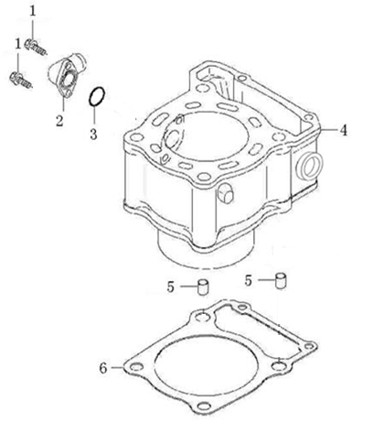
E03-01 | 380140002-0001 | Bolt | 2 | PCS | C
E03-02 | 380780242-0005 | Tube tie-in | 1 | PCS | C
E03-03 | 380840336-0001 | O-ring | 1 | PCS | A
E03-04 | 120020144-0023 | Cylinder | 1 | PCS | B
E03-05 | 380600059-0001 | Dowel Pin | 2 | PCS | C
E03-06 | 120050109-0001 | Cylinder Gasket | 1 | PCS | A
E-4 (Valve Train)
 |  | 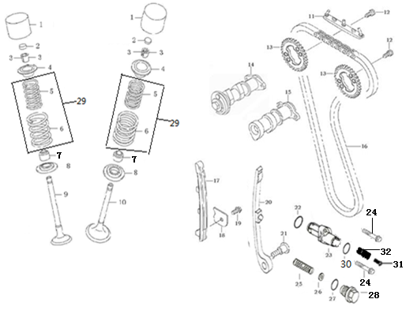
E04-01 | 140690016-0001 | Lifter | 4 | PCS | B
E04-02 | 141310002-0011 | Valve Adjust Spacer | 4 | PCS | A
E04-02A | 502120001-0001 | ADJUSTING SHIM,VALVE KIT | 1
E04-03 | 140390019-0001 | Valve Collet | 8 | PCS | C
E04-04 | 140380029-0001 | Valve Spring Plate | 4 | PCS | C
E04-05 | 140340036-0001 | Inner Spring | 4 | PCS | C
E04-06 | 140350015-0001 | Outer Spring | 4 | PCS | C
E04-07 | 140400018-0001 | Valve Oil Ring | 4 | PCS | A
E04-08 | 140360013-0001 | Valve Spring Seat | 4 | PCS | C
E04-09 | 140310050-0001 | Exhaust Valve | 2 | PCS | A
...
E04-24 | 380140016-0001 | Bolt | 2 | PCS | C
E04-25 | 381150529-0001 | Spring | 1 | PCS | B
E04-26 | 380450278-0001 | Washer | 1 | PCS | C
E04-27 | 380840769-0001 | O-ring | 1 | PCS | A
E04-28 | 141370004-0001 | Tensioner Bolt | 1 | PCS | A
E04-29 | 140330009-0001 | SPRING SET,VALVE | 1 | PCS | C
E04-30 | 380840008-0001 | O-ring | 1 | PCS | A
E04-31 | 141370005-0001 | BOLT,TENSIONER | 1 | PCS | A
E04-32 | 381150397-0001 | SPRING,COMPRESSION | 1 | PCS | B
E-5 (Varibale Unit )
 |  |  | 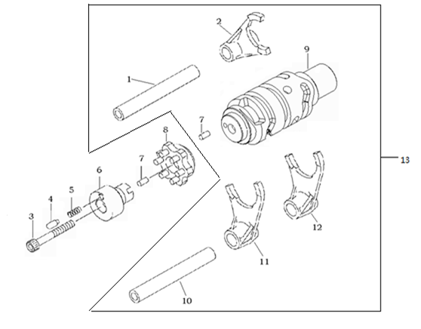
E05-01 | 192130014-0001 | Fork ShaftⅠ | 1 | PCS | C
E05-02 | 192120042-0001 | Fork Ⅱ | 1 | PCS | C
E05-03 | 380190071-0002 | Bolt | 1 | PCS | C
E05-04 | 270720001-0001 | Pin | 1 | PCS | C
E05-05 | 381150005-0001 | SPRING,COMPRE | 1 | PCS | B
E05-06 | 273130001-0001 | Touch Board | 1 | PCS | C
E05-07 | 380600139-0001 | Pin | 2 | PCS | C
E05-08 | 192100015-0001 | Holder,Change Drum | 1 | PCS | C
E05-09 | 192080052-0001 | Shaft Drum | 1 | PCS | C
E05-10 | 192130015-0001 | Fork ShaftⅡ | 1 | PCS | C
E05-11 | 192120043-0001 | Fork Ⅲ | 1 | PCS | C
E05-12 | 192120041-0001 | Fork Ⅰ | 1 | PCS | C
E05-13 | 192060100-0001 | DRUM COMP.,GEAR SHIFT | 1 | SET | C
E-6 (Gear Shifting)
 |  | 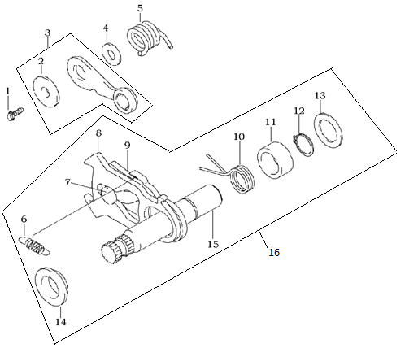
E06-01 | 380140015-0001 | Bolt | 1 | PCS | C
E06-02 | 380821837-0001 | Sleeve | 1 | PCS | C
E06-03 | 192190030-0001 | Stopper | 1 | PCS | C
E06-04 | 380450142-0001 | Washer | 1 | PCS | C
E06-05 | 381160106-0001 | Spring | 1 | PCS | B
E06-06 | 381140401-0001 | Spring | 1 | PCS | B
E06-07 | 192360009-0001 | Gear Change Limit Pin | 1 | PCS | C
E06-08 | 192370009-0001 | Gear Change Plate | 1 | PCS | C
E06-09 | 192350011-0001 | Gear Change Limit Plate | 1 | PCS | C
E06-10 | 381160107-0001 | Spring | 1 | PCS | B
E06-11 | 380821813-0001 | Sleeve | 1 | PCS | C
E06-12 | 380550021-0001 | Circlip | 1 | PCS | B
E06-13 | 380450626-0001 | Washer | 1 | PCS | C
E06-14 | 380821816-0001 | Sleeve | 1 | PCS | C
E06-15 | 192340073-0001 | Gear Shift | 1 | PCS | C
E06-16 | 192320121-0001 | ARM COMP.,GEAR CHANGE | 1 | SET | B
E-7 (Transmission Shaft Comp)
 |  | 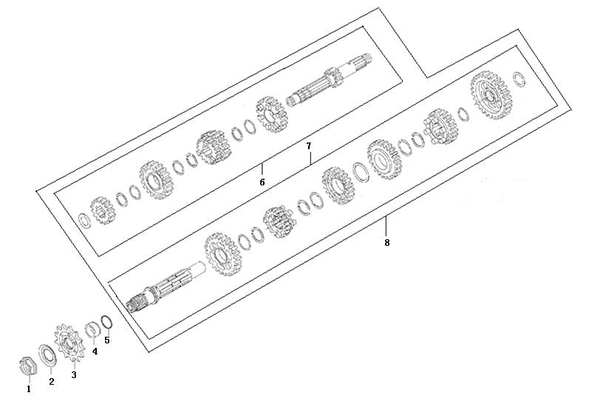
E07-01 | 191630003-0002 | Nut | 1 | PCS | A
E07-02 | 191640003-0001 | Washer | 1 | PCS | A
E07-03 | 191600046-0001 | Driving Sprocket | 1 | PCS | A
E07-04 | 380821812-0001 | Bush | 1 | PCS | C
E07-05 | 380840566-0001 | O-Ring | 1 | PCS | A
E07-06 | 191250053-0001 | MAINSHAFT COMP. | 1 | SET | B
E07-07 | 191390098-0001 | COUNTERSHAFT COMP. | 1 | SET | B
E07-08 | 500290143-0001 | MAINSHAFT&COUNTERSHAFT KIT | 1 | SET | B
E-8 （Crankshaft Comp）
 |  | 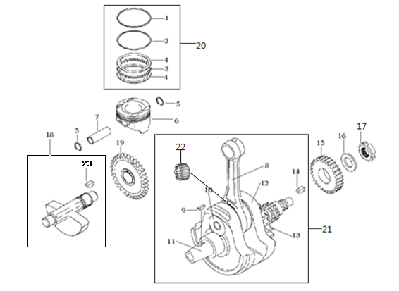
E08-01 | 130080045-0001 | Piston Ring 1 | 1 | PCS | C
E08-02 | 130090045-0001 | Piston Ring 2 | 1 | PCS | C
E08-03 | 130120033-0001 | Line Ring | 1 | PCS | C
E08-04 | 130130033-0001 | shaving Ring | 2 | PCS | C
E08-05 | 380560068-0001 | Circlip Piston Pin | 2 | PCS | C
E08-06 | 130030110-0002 | Piston | 1 | PCS | A
E08-07 | 130060048-0001 | Piston Pin | 1 | PCS | B
E08-08 | 130150061-0001 | Rod Connecting | 1 | PCS | C
E08-09 | 380620009-0001 | Key | 1 | PCS | C
E08-10 | 130350026-0001 | Pin Crank | 1 | PCS | C
...
E08-15 | 190030070-0001 | Gear Primary Clvive | 1 | PCS | B
E08-16 | 380480001-0001 | Washer | 1 | PCS | C
E08-17 | 380810003-0001 | Nut | 1 | PCS | C
E08-18 | 130450014-0001 | Shaft Balancer | 1 | PCS | C
E08-19 | 130470019-0001 | Gear Balancer Shaft | 1 | PCS | C
E08-20 | 130070100-0001 | RING SET,PISTON | 1 | SET | A
E08-21 | 130140258-0001 | CRANKSHAFT COMP. | 1 | SET | C
E08-22 | 380630284-0001 | BEARING | 1 | PCS | A
E08-23 | 380620008-0001 | KEY | 1 | PCS | C
E-9 （Crankcase Comp）
 |  | 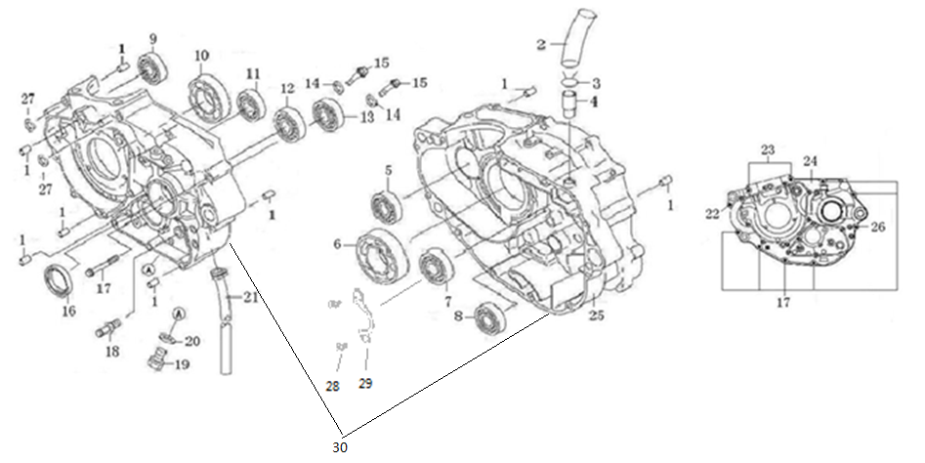
E09-01 | 380600002-0001 | Pin | 8 | PCS | C
E09-02 | 380741300-0001 | Pipe,aerate | 1 | PCS | B
E09-03 | 38095 | Pipe Nip | 1 | PCS | C
E09-04 | 380780001-0001 | Terminal Breather Hose | 1 | PCS | C
E09-05 | 380630367-0001 | BEARING | 1 | PCS | A
E09-06 | 380630075-0001 | BEARING | 1 | PCS | A
E09-07 | 380630005-0001 | BEARING | 1 | PCS | A
E09-08 | 380630100-0001 | BEARING | 1 | PCS | A
E09-09 | 380630367-0001 | BEARING | 1 | PCS | A
E09-10 | 380630141-0001 | BEARING | 1 | PCS | A
...
E09-22 | 380140030-0003 | Bolt | 1 | PCS | C
E09-23 | 380140147-0003 | Bolt | 2 | PCS | C
E09-24 | 110030510-0002 | BODY SET,LEFT CRANKCASE | 1 | PCS | C
E09-25 | 110080107-0004 | BODY SET,RIGHT CRANKCASE | 1 | PCS | C
E09-26 | 380140032-0001 | Bolt | 1 | PCS | C
E09-27 | 380450277-0001 | Washer | 2 | PCS | C
E09-28 | 380220014-0001 | SCREW,CROSS RECESSED COUNTERSUNK HEAD | 2 | PCS | C
E09-29 | 191380004-0001 | Baffle | 1 | PCS | C
E09-30 | 500270446-0004 | CRANKCASE KIT | 1 | SET | B
E-10 （R-Crankcase Cover）
 |  | 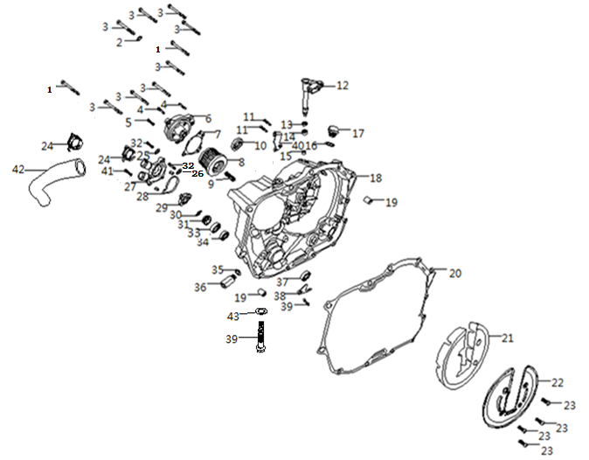
E10-01 | 380140143-0001 | BOLT,HEXAGON FLANGE | 2 | PCS | C
E10-02 | 380450021-0001 | WASHER,PLAIN | 1 | PCS | C
E10-03 | 380140016-0001 | BOLT,HEXAGON FLANGE | 8 | PCS | C
E10-04 | 380140002-0001 | BOLT,HEXAGON FLANGE | 2 | PCS | C
E10-05 | 380140059-0002 | BOLT,HEXAGON FLANGE | 1 | PCS | C
E10-06 | 150360016-0016 | CAP,SECONDARY OIL FILTER | 1 | PCS | C
E10-07 | 150540012-0001 | GASKET,OIL FILTER CAP | 1 | PCS | A
E10-08 | 150350021-0001 | OIL FILTER ASSY.,SECONDARY | 1 | SET | C
E10-09 | 381150379-0001 | SPRING,COMPRESSION | 1 | PCS | B
E10-10 | 110630001-0001 | SIGHT GLASS,OIL | 1 | PCS | C
...
E10-35 | 380450684-0001 | Washer | 1 | PCS | C
E10-36 | 150600004-0001 | VALVE COMP.,OIL CONTROL | 1 | SET | C
E10-37 | 380650391-0001 | OIL SEAL | 1 | PCS | A
E10-38 | 130320005-0001 | PANEL,CRANKSHAFT RIGHT OIL SEAL | 1 | PCS | C
E10-39 | 380140168-0001 | BOLT,HEXAGON FLANGE | 2 | PCS | C
E10-40 | 191230049-0004 | PLATE,CLUTCH CABLE LOCATING | 1 | PCS | C
E10-41 | 380140057-0001 | BOLT,HEXAGON FLANGE | 1 | PCS | C
E10-42 | 380760341-0001 | TUBE,WATER | 1 | PCS | B
E10-43 | 380450048-0001 | WASHER,PLAIN | 1 | PCS | C
E-11 (L-Crankcase Cover）
 |  | 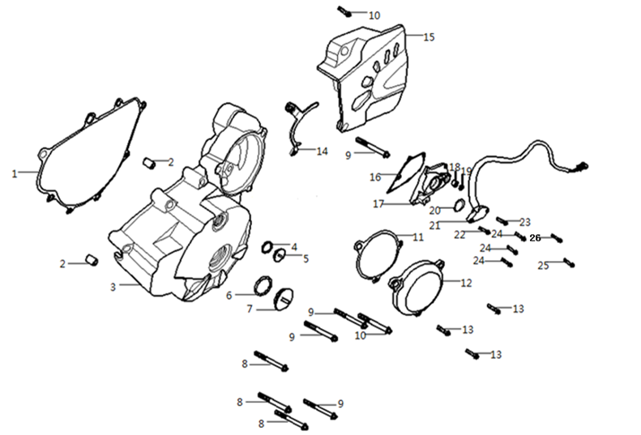
E11-01 | 110420043-0001 | GASKET,LEFT FRONT COVER | 1 | PCS | A
E11-02 | 380600002-0001 | PIN,DOWEL | 2 | PCS | C
E11-03 | 110400379-0010 | COVER COMP.,LEFT FRONT | 1 | PCS | C
E11-04 | 380840026-0001 | RING,SEAL | 1 | PCS | A
E11-05 | 110440001-0087 | COVER,INSPECTION | 1 | PCS | B
E11-06 | 380840005-0001 | RING,SEAL | 1 | PCS | A
E11-07 | 110430001-0086 | COVER,LEFT DECORATING | 1 | PCS | C
E11-08 | 380140019-0003 | BOLT,HEXAGON FLANGE | 5 | PCS | C
E11-09 | 380140128-0001 | BOLT,HEXAGON FLANGE | 2 | PCS | C
E11-10 | 380140143-0001 | BOLT,HEXAGON FLANGE | 1 | PCS | C
...
E11-18 | 380630287-0001 | BEARING | 1 | PCS | A
E11-19 | 380650389-0001 | OIL SEAL | 1 | PCS | A
E11-20 | 380840005-0001 | RING,SEAL | 1 | PCS | A
E11-21 | 270650074-0010 | SWITCH COMP.,GEAR INDICATOR | 1 | SET | B
E11-22 | 380140057-0001 | BOLT,HEXAGON FLANGE | 1 | PCS | C
E11-23 | 380140016-0001 | BOLT,HEXAGON FLANGE | 3 | PCS | C
E11-24 | 380140015-0001 | BOLT,HEXAGON FLANGE | 3 | PCS | C
E11-25 | 380140130-0001 | BOLT,HEXAGON FLANGE | 1 | PCS | C
E11-26 | 380200005-0004 | SCREW,CROSS RECESSED PAN | 1 | PCS | C
E-12 （Clutch Comp）
 |  | 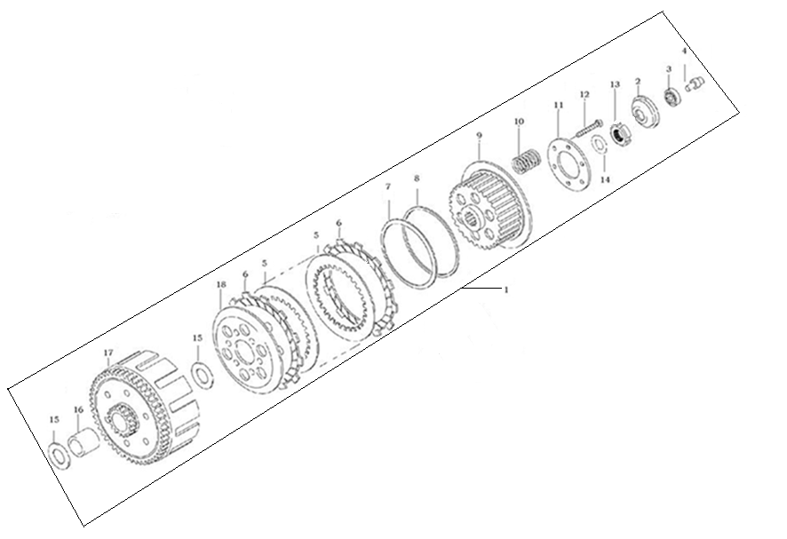
E12-01 | 500280333-0006 | CLUTCH KIT | 1 | SET | B
E12-02 | 195570001-0001 | push tray | 1 | PCS | C
E12-03 | 380630288-0001 | Ball Bearing | 1 | PCS | A
E12-04 | 190730021-0001 | Asle Sleeve Separating | 1 | PCS | C
E12-05 | 190460026-0001 | Friction Plate, Driven | 6 | PCS | A
E12-06 | 190430032-0001 | Friction Plate, Drive | 7 | PCS | A
E12-07 | 380480021-0001 | Washer | 1 | PCS | C
E12-08 | 380450621-0001 | Washer | 1 | PCS | C
E12-09 | 190400054-0001 | Center Piece | 1 | PCS | C
E12-10 | 190550035-0001 | Spring | 6 | PCS | B
E12-11 | 190480016-0001 | Clamp Plate | 1 | PCS | B
E12-12 | 380140425-0001 | Bolt | 6 | PCS | C
E12-13 | 380810003-0001 | Nut | 1 | PCS | C
E12-14 | 380480001-0001 | Washer | 1 | PCS | C
E12-15 | 380450620-0001 | Washer | 2 | PCS | C
E12-16 | 380821810-0001 | Bush | 1 | PCS | C
E12-17 | 190330089-0001 | Cover Assy Clutch | 1 | PCS | B
E12-18 | 190470018-0001 | Clamp Plate | 1 | PCS | B
E-13 （lubrication ）
 |  | 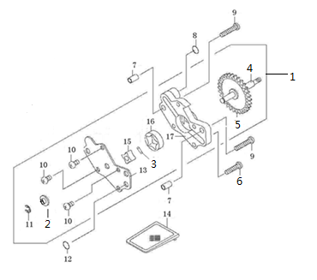
E13-1 | 150010111-0002 | PUMP ASSY.,OIL | 1 | SET | C
E13-2 | 380451150-0001 | Washer | 1 | PCS | C
E13-3 | 380600146-0001 | Pin | 1 | PCS | C
E13-4 | 150080027-0001 | Shaft Oil Pump | 1 | PCS | C
E13-5 | 150150040-0001 | Gear，Oil Pump | 1 | PCS | C
E13-6 | 380200064-0004 | Bolt | 1 | PCS | C
E13-7 | 380600002-0001 | Pin | 2 | PCS | C
E13-8 | 380840559-0001 | O-Ring | 1 | PCS | A
E13-9 | 380200024-0003 | Bolt | 2 | PCS | C
E13-10 | 380200001-0003 | Bolt | 3 | PCS | C
E13-11 | 380570001-0001 | Circlip | 1 | PCS | C
E13-12 | 380840560-0001 | O-Ring | 1 | PCS | A
E13-13 | 150040021-0001 | Cover,Oil Pump | 1 | PCS | C
E13-14 | 150290017-0001 | Filter | 1 | PCS | A
E13-15 | 150050024-0001 | Rotor, inner, oil pump | 1 | PCS | C
E13-16 | 150060023-0001 | Rotor, outer, oil pump | 1 | PCS | C
E13-17 | 150020021-0001 | Oil Pump，Body | 1 | PCS | C
E-14 （Starting Motor）
 |  | 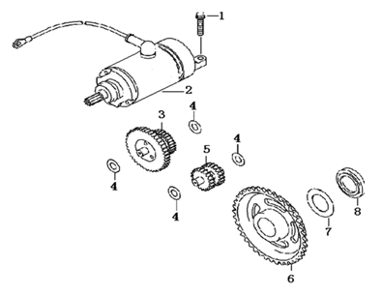
E14-01 | 380140016-0001 | BOLT,HEXAGON FLANGE | 2 | PCS | C
E14-02 | 270350046-0015 | MOTOR ASSY.,STARTING | 1 | SET | B
E14-03 | 193190024-0001 | DUPLEX GEAR,ELECTRIC STARTING | 1 | PCS | C
E14-04 | 380450623-0001 | WASHER,PLAIN | 4 | PCS | C
E14-05 | 193200010-0001 | GEAR IDLE,ELECTRIC STARTING | 1 | PCS | C
E14-06 | 193240023-0001 | DISK GEAR | 1 | PCS | C
E14-07 | 380450624-0001 | WASHER,PLAIN | 1 | PCS | C
E14-08 | 380821814-0001 | COLLAR | 1 | PCS | C
E-15（Magneto Assy）
 |  |  | 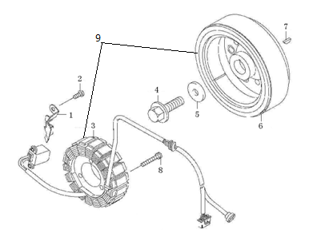
E15-01 | 110480019-0001 | Clamp | 1 | PCS | C
E15-02 | 380140047-0004 | Bolt | 2 | PCS | C
E15-03 | 27010 | Stator set, magneto | 1 | SET | B
E15-04 | 380140391-0001 | Bolt | 1 | PCS | C
E15-05 | 380450399-0001 | Washer | 1 | PCS | C
E15-06 | 27002 | Rotor set, magneto | 1 | SET | C
E15-07 | 380620009-0001 | Key | 1 | PCS | C
E15-08 | 380140212-0003 | Bolt | 3 | PCS | C
E15-09 | 270010364-0003 | GENERATOR ASSY. | 1 | SET | B

