LX500-N
 |  | LX500-N
Ref.No. | PLM CODE | ENGLISH PARTS NAME | UNIT | QTY/UNIT | WEAR & TEAR GRADE | REMARK
F1 ENGINE COMP.
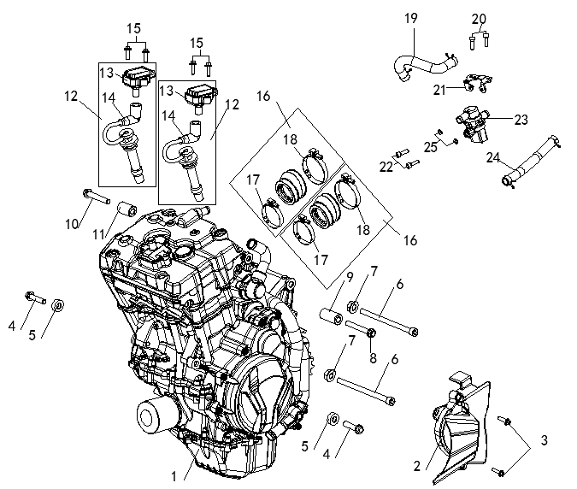
F01-1 | F3101R0049-4H0V001 | ENGINE | PCS | 1 | C
F01-2 | 110520837-0001 | COVER COMP.,LEFT REAR | PCS | 1 | C
F01-3 | 380140318-0004 | BOLT,HEXAGON FLANGE | PCS | 2 | C
F01-4 | 380871136-0001 | AXIS | PCS | 2 | C
F01-5 | 380823595-0001 | COLLAR | PCS | 2 | C
F01-6 | 380871146-0001 | AXIS | PCS | 2 | C
F01-7 | 380400001-0009 | NUT,PREVAILING TORQUE TYPE ALL-METAL HEXAGON WITH FLANGE | PCS | 2 | C
F01-8 | 380871134-0001 | AXIS | PCS | 1 | C
F01-9 | 380823593-0001 | COLLAR | PCS | 1 | C
F01-10 | 380871135-0001 | AXIS | PCS | 1 | C
F01-11 | 380823594-0001 | COLLAR | PCS | 1 | C
F01-12 | 270920448-0001 | COIL ASSY.,IGNITION | PCS | 2 | A
F01-13 | 270930048-0001 | BODY SET,IGNITION COIL | PCS | 2 | C | NOT FOR SERVICE
F01-14 | 270940040-0001 | WIRE,IGNITION COIL | PCS | 2 | C | NOT FOR SERVICE
F01-15 | 380140103-0015 | BOLT,HEXAGON FLANGE | PCS | 4 | C
F01-16 | 180420714-0001 | TUBE,AIR INTAKE | PCS | 2 | B
F01-17 | 380960304-0001 | CLAMP ASSY. | PCS | 2 | C | NOT FOR SERVICE
F01-18 | 380960305-0001 | CLAMP ASSY. | PCS | 2 | C | NOT FOR SERVICE
F01-19 | 380741489-0001 | TUBE,BREATHER | PCS | 1 | B
F01-20 | 380190034-0005 | SCREW,HEXAGON SOCKET | PCS | 2 | C
F01-21 | 180490078-0001 | BRACKET,SECONDARY AIR INTAKE VALVE | PCS | 1 | C
F01-22 | 380190068-0005 | SCREW,HEXAGON SOCKET | PCS | 2 | C
F01-23 | 170420026-0001 | VALVE,MAGNETIC | PCS | 1 | C
F01-24 | 380741490-0001 | TUBE,BREATHER | PCS | 1 | B
F01-25 | 380450028-0011 | WASHER,PLAIN | PCS | 2 | C
F2 COOLING SYSTEM
 | 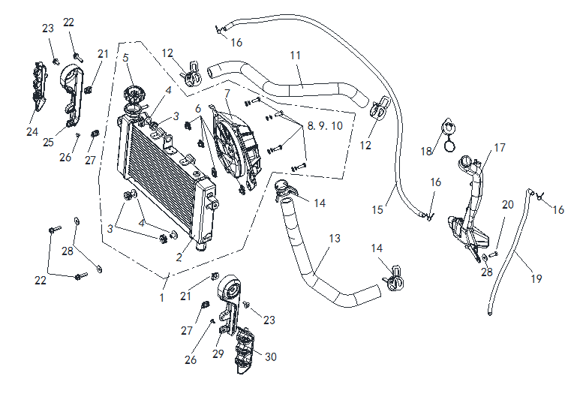
F02-1 | 160010170-0001 | HEAT RADIATOR COMP. | SET | 1 | B
F02-2 | 160020039-0001 | BODY SET,RADIATOR | PCS | 1 | C
F02-3 | 380890173-0001 | I-RUBBER | PCS | 3 | C
F02-4 | 380470136-0001 | WASHER,FLANGE | PCS | 3 | C
F02-5 | 160050008-0001 | CAP,FILLER | PCS | 1 | C
F02-6 | 380420061-0001 | NUT,CLIP | PCS | 4 | C
F02-7 | 160240045-0001 | FAN ASSY. | SET | 1 | B
F02-8 | 380070013-0004 | BOLT,HEXAGON | PCS | 4 | C
F02-9 | 380450007-0014 | WASHER,PLAIN | PCS | 4 | C
F02-10 | 380460003-0013 | WASHER,ELASTIC | PCS | 4 | C
F02-11 | 380760399-0001 | TUBE,WATER | PCS | 1 | B
F02-12 | 380950455-0002 | CLAMP,TUBE | PCS | 2 | C
F02-13 | 380760398-0001 | TUBE,WATER | PCS | 1 | B
F02-14 | 380950456-0002 | CLAMP,TUBE | PCS | 2 | C
F02-15 | 380760400-0001 | TUBE,WATER | PCS | 1 | B
F02-16 | 380950012-0002 | CLAMP,TUBE | PCS | 3 | C
F02-17 | 160310064-0001 | WATER TANK,COOLING | PCS | 1 | B
F02-18 | 160500024-0001 | CAP,WATER TANK | PCS | 1 | B
F02-19 | 380760401-0001 | TUBE,WATER | PCS | 1 | B
F02-20 | 380140067-0013 | BOLT,HEXAGON FLANGE | PCS | 1 | C
F02-21 | 380420062-0001 | NUT,CLIP | PCS | 2 | C
F02-22 | 380140103-0015 | BOLT,HEXAGON FLANGE | PCS | 3 | C
F02-23 | 380190500-0001 | SCREW,HEXAGON SOCKET | PCS | 2 | C
F02-24 | 160830010-0001 | SHIELD,RADIATOR | PCS | 1 | B
F02-25 | 161490006-0002 | HEAT RADIATOR DECORATIVE COVER | PCS | 1 | C
F02-26 | 380310005-0006 | SCREW,CROSS RECESSED PAN SELF-TAPPING | PCS | 2 | C
F02-27 | 280800178-0001 | RUBBER JACKET, DAMPING | PCS | 2 | C
F02-28 | 380450007-0014 | WASHER,PLAIN | PCS | 3 | C
F02-29 | 161490007-0002 | HEAT RADIATOR DECORATIVE COVER | PCS | 1 | C
F02-30 | 160830011-0001 | SHIELD,RADIATOR | PCS | 1 | B
F3 FUEL SUPPLY SYSTEM
 | 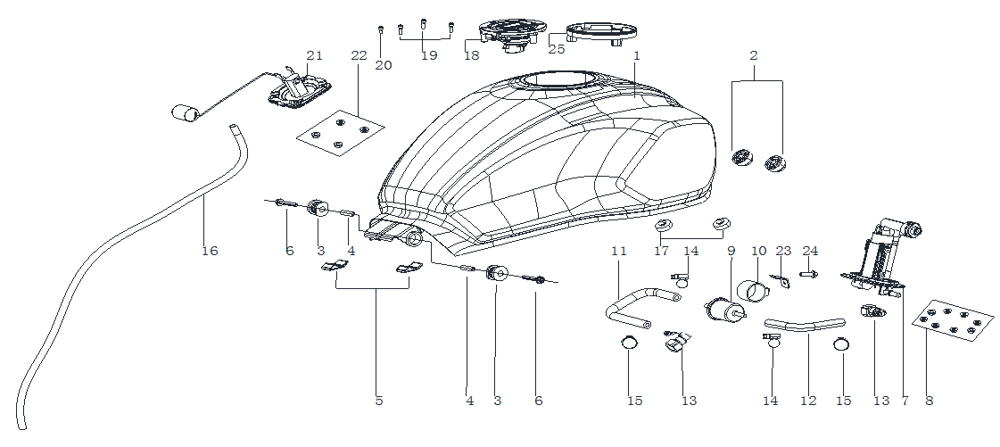
F03-1 | 170501548-0001 | FUEL TANK COMP. | PCS | 1 | C | FOR SILVER GREY MODEL
F03-1 | 170501548-0006 | FUEL TANK COMP. | PCS | 1 | C | FOR BLACK MODEL
F03-1 | 170501548-0005 | FUEL TANK COMP. | PCS | 1 | C | FOR BLUE MODEL
F03-2 | 170700187-0001 | PAD, FUEL TANK DAMPING | PCS | 2 | C
F03-3 | 170700165-0001 | PAD, FUEL TANK DAMPING | PCS | 2 | C
F03-4 | 380821555-0002 | COLLAR | PCS | 2 | C
F03-5 | 170700186-0001 | PAD, FUEL TANK DAMPING | PCS | 2 | C
F03-6 | 380140100-0011 | BOLT,HEXAGON FLANGE | PCS | 2 | C
F03-7 | 172800037-0001 | BRACKET ASSY.,ELECTRIC FUEL PUMP | PCS | 1 | C
F03-8 | 380370001-0005 | NUT,HEXAGON FLANGE | PCS | 8 | C
F03-9 | 170010035-0001 | FILTER,FUEL | PCS | 1 | B
F03-10 | 173060008-0001 | RUBBER JACKET,FUEL FILTER | PCS | 1 | C
F03-11 | 380751037-0001 | TUBE,FUEL | PCS | 1 | B
F03-12 | 380751034-0001 | TUBE,FUEL | PCS | 1 | B
F03-13 | 273610003-0001 | JOINT, SWIFT CHANGE | PCS | 2 | C
F03-14 | 380960239-0001 | CLAMP ASSY. | PCS | 2 | C
F03-15 | 380950352-0001 | CLAMP,TUBE | PCS | 2 | C
F03-16 | 380741369-0001 | TUBE,BREATHER | PCS | 1 | B
F03-17 | 311990072-0001 | PAD,MAIN STAND CUSHION | PCS | 2 | B
F03-18 | 170860205-0001 | LOCK,FUEL TANK | PCS | 1 | B | NOT FOR SERVICE
F03-19 | 380190534-0001 | SCREW,HEXAGON SOCKET | PCS | 3 | C
F03-20 | 380190389-0001 | SCREW,HEXAGON SOCKET | PCS | 1 | C
F03-21 | 281850393-0001 | SENSOR,FUEL LEVEL | PCS | 1 | B
F03-22 | 380370003-0014 | NUT,HEXAGON FLANGE | PCS | 4 | C
F03-23 | 173840006-0002 | BRACKET,FUEL FILTER | PCS | 1 | C
F03-24 | 380140067-0013 | BOLT,HEXAGON FLANGE | PCS | 1 | C
F03-25 | 170620025-0001 | RUBBER JACKET,POURING ORIFICE | PCS | 1 | C
F4 FUEL EVAPORATIVE COMP.
 | 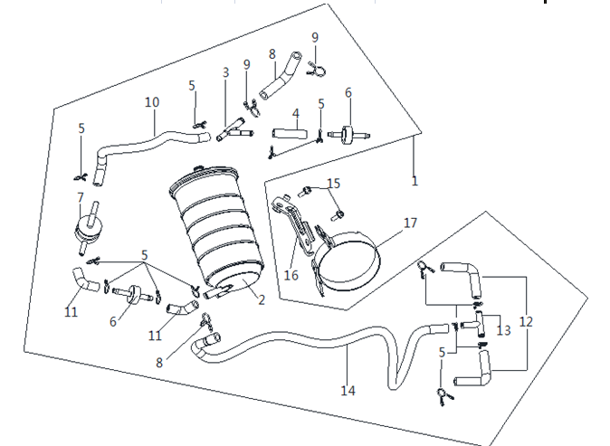
F04-1 | 173850136-0001 | CONTROLLER ASSY.,FUEL EVAPORATION | SET | 1 | C
F04-2 | 181920056-0001 | CANISTER | PCS | 1 | C
F04-3 | 170730013-0001 | Y-JOINT | PCS | 1 | C
F04-4 | 380741354-0001 | TUBE,BREATHER | PCS | 1 | B
F04-5 | 380950012-0001 | CLAMP,TUBE | PCS | 13 | C
F04-6 | 150110002-0001 | ONE-WAY VALVE | PCS | 2 | B
F04-7 | 173760004-0001 | VALVE,TIPPING | PCS | 1 | C
F04-8 | 380741355-0001 | TUBE,BREATHER | PCS | 1 | B
F04-9 | 380950285-0002 | CLAMP,TUBE | PCS | 3 | C | 20210928修改
F04-10 | 380741356-0001 | TUBE,BREATHER | PCS | 1 | B
F04-11 | 380741357-0001 | TUBE,BREATHER | PCS | 2 | B
F04-12 | 380741353-0001 | TUBE,BREATHER | PCS | 2 | B
F04-13 | 170730046-0001 | Y-JOINT | PCS | 1 | C
F04-14 | 380741368-0001 | TUBE,BREATHER | PCS | 1 | B
F04-15 | 380140067-0013 | BOLT,HEXAGON FLANGE | PCS | 1 | C
F04-16 | 181930034-0001 | BRACKET CANISTER | PCS | 1 | C
F04-17 | 380960271-0002 | CLAMP ASSY. | PCS | 1 | C
F5 AIR CLEANER ASSY.
 | 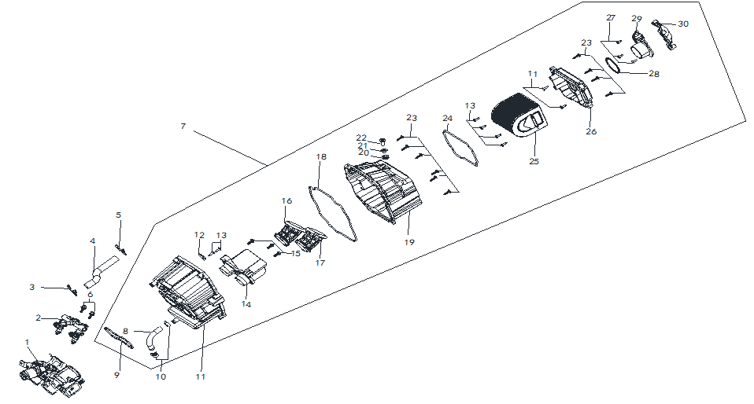
F05-1 | 172810056-0001 | VALVE BODY ASSY., THROTTLE | PCS | 1 | C
F05-2 | 174960002-0001 | FUEL RAIL ASSY. | PCS | 1 | C
F05-3 | 380950433-0001 | CLAMP,TUBE | PCS | 1 | C
F05-4 | 380741299-0001 | TUBE,BREATHER | PCS | 1 | B
F05-5 | 380950434-0001 | CLAMP,TUBE | PCS | 1 | C
F05-6 | 380140013-0013 | BOLT,HEXAGON FLANGE | PCS | 2 | C
F05-7 | 180020998-0002 | AIR CLEANER COMP. | PCS | 1 | C
F05-8 | 271080017-0001 | HOSE,OVERFLOW | PCS | 1 | C | NOT FOR SERVICE
F05-9 | 180090085-0001 | GLAND STRIP,AIR CLEANER | PCS | 1 | C | NOT FOR SERVICE
F05-10 | 380950253-0001 | CLAMP,TUBE | PCS | 2 | C | NOT FOR SERVICE
F05-11 | 180040153-0001 | CASE,AIR CLEANER | PCS | 1 | C | NOT FOR SERVICE
F05-12 | 183270004-0001 | COVER OF WASTE GAS CIRCULATION CHAMBER | PCS | 1 | C | NOT FOR SERVICE
F05-13 | 380310042-0002 | SCREW,CROSS RECESSED PAN SELF-TAPPING | PCS | 8 | C
F05-14 | 180230008-0001 | SEAT,AIR CLEANER FRONT MOUNTING | PCS | 1 | C | NOT FOR SERVICE
F05-15 | 380230008-0003 | SCREW,CROSS RECESSED FLANGE SH. | PCS | 3 | C | NOT FOR SERVICE
F05-16 | 180180210-0001 | TUBE,AIR CLEANER CONNECTING | PCS | 1 | C | NOT FOR SERVICE
F05-17 | 180190002-0001 | TUBE,AIR CLEANER CONNECTING RIGHT | PCS | 1 | C | NOT FOR SERVICE
F05-18 | 180090088-0001 | GLAND STRIP,AIR CLEANER | PCS | 1 | C
F05-19 | 180050009-0001 | CASE,RIGHT AIR CLEANER | PCS | 1 | C | NOT FOR SERVICE
F05-20 | 380890173-0001 | I-RUBBER | PCS | 1 | C | NOT FOR SERVICE
F05-21 | 380820512-0004 | COLLAR | PCS | 1 | C | NOT FOR SERVICE
F05-22 | 380190479-0002 | SCREW,HEXAGON SOCKET | PCS | 1 | C | NOT FOR SERVICE
F05-23 | 380310050-0002 | SCREW,CROSS RECESSED PAN SELF-TAPPING | PCS | 10 | C
F05-24 | 180090089-0001 | GLAND STRIP,AIR CLEANER | PCS | 1 | C
F05-25 | 180100120-0001 | ELEMENT ASSY.,AIR CLEANER | PCS | 1 | A
F05-26 | 180070281-0001 | CAP,AIR CLEANER CASE | PCS | 1 | C | NOT FOR SERVICE
F05-27 | 380310019-0002 | SCREW,CROSS RECESSED PAN SELF-TAPPING | PCS | 3 | C
F05-28 | 180090087-0001 | GLAND STRIP,AIR CLEANER | PCS | 1 | C
F05-29 | 180150099-0001 | INTAKE TUBE,AIR CLEANER | PCS | 1 | C | NOT FOR SERVICE
F05-30 | 180150100-0001 | INTAKE TUBE,AIR CLEANER | PCS | 1 | C | NOT FOR SERVICE
F6 MUFFLER EXHAUST ASSY.
 | 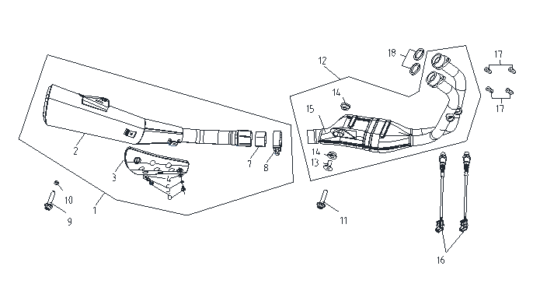
F06-1 | 180720281-0001 | REAR PART,MUFFLER | PCS | 1 | C
F06-2 | 180690345 | BODY,MUFFLER | PCS | 1 | C
F06-3 | 180920099-0001 | PLATE,DECORATIVE | PCS | 1 | B
F06-4 | 380450782-0001 | WASHER,PLAIN | PCS | 2 | C
F06-5 | 380460021-0001 | WASHER,ELASTIC | PCS | 2 | C
F06-6 | 380190500-0001 | SCREW,HEXAGON SOCKET | PCS | 2 | C
F06-7 | 181110009-0001 | GRAPHITE ANNULUS | PCS | 1 | B
F06-8 | 181890010-0001 | TUBE,MUFFLER CONNECTING | PCS | 1 | C
F06-9 | 380140148-0007 | BOLT,HEXAGON FLANGE | PCS | 1 | C
F06-10 | 380370007-0014 | NUT,HEXAGON FLANGE | PCS | 1 | C
F06-11 | 380140071-0006 | BOLT,HEXAGON FLANGE | PCS | 1 | C
F06-12 | 181160087-0001 | FRONT PART,MUFFLER EXHAUST | PCS | 1 | C
F06-13 | 380470120-0001 | WASHER,FLANGE | PCS | 1 | C
F06-14 | 380880084-0001 | T-RUBBER | PCS | 2 | C
F06-15 | 180710164-0001 | FRONT PART,MUFFLER | PCS | 1 | C | NOT FOR SERVICE
F06-16 | 172750024-0001 | OXYGEN SENSOR | PCS | 2 | C
F06-17 | 380330031-0003 | CAP-SHAPED NUT | PCS | 4 | C
F06-18 | 180650133-0001 | GASKET,AIR EXHAUST PORT | PCS | 2 | A
F7 FRAME ASSY.

F07-1 | 380190644-0001 | SCREW,HEXAGON SOCKET | PCS | 2 | C
F07-2 | 342160149-0001 | WEB,VEHICLE BODY | PCS | 1 | B
F07-3 | 380940855-0001 | CLAMP,WIRE | PCS | 1 | C
F07-4 | 380910037-0001 | I-RUBBER | PCS | 4 | C
F07-5 | 380140067-0013 | BOLT,HEXAGON FLANGE | PCS | 7 | C
F07-6 | 160380005-0002 | LUG,RADIATOR UPPER | PCS | 1 | C
F07-7 | 380580118-0001 | RIVET | PCS | 2 | C | NOT FOR SERVICE
F07-8 | 370410426-0001 | NAMEPLATE,FRAME | PCS | 1 | C
F07-9 | 271140243-0001 | BRACKET,BATTERY | PCS | 1 | C
F07-10 | 300121394-0001 | BODY COMP.,FRAME | PCS | 1 | D
F07-11 | 380871138-0001 | AXIS | PCS | 2 | C
F07-12 | 380450006-0011 | WASHER,PLAIN | PCS | 4 | C
F07-13 | 380460002-0010 | WASHER,ELASTIC | PCS | 4 | C
F07-14 | 301910014-0001 | BODY,FUEL TANK REAR BRACE | PCS | 1 | C
F07-15 | 300460094-0001 | REAR PART,FRAME | PCS | 1 | C
F07-16 | 331990011-0001 | WASHER,SEAT LOCK | PCS | 2 | C
F07-17 | 380190478-0003 | SCREW,HEXAGON SOCKET | PCS | 2 | C
F07-18 | 380420062-0001 | NUT,CLIP | PCS | 5 | C
F07-19 | 380890370-0001 | I-RUBBER | PCS | 3 | C
F07-20 | 380820512-0004 | COLLAR | PCS | 3 | C
F07-21 | 380190479-0003 | SCREW,HEXAGON SOCKET | PCS | 3 | C
F07-22 | 380871134-0001 | AXIS | PCS | 2 | C
F07-23 | 380400001-0009 | NUT,PREVAILING TORQUE TYPE ALL-METAL HEXAGON WITH FLANGE | PCS | 2 | C
F07-24 | 342520023-0001 | CAP,FRAME DECORATIVE | PCS | 2 | B
F07-25 | 380890174-0001 | I-RUBBER | PCS | 2 | C
F07-26 | 380420002-0004 | NUT,CLIP | PCS | 1 | C
F07-27 | 370850005-0001 | TECHNIQUE LABEL | PCS | 1 | C
F07-28 | 380900329-0001 | CLAMPING BAND | PCS | 1 | C
F07-29 | 330170180 | DEVICE,SEAT LOCKING | SET | 1 | B | NOT FOR SERVICE
F07-30 | 330250187-0001 | CABLE,SEAT | PCS | 1 | A
F8 FRONT FORK ASSY.
 | 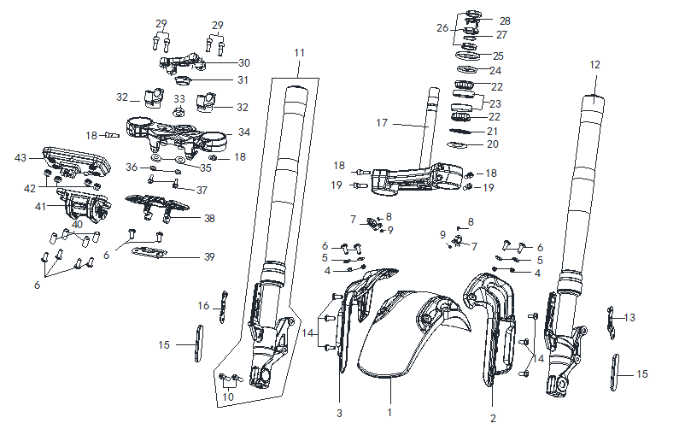
F08-1 | 340310790-0002 | FENDER COMP.,FRONT | PCS | 1 | B
F08-2 | 340210229-0001 | BRACKET,FRONT FENDER | PCS | 1 | C
F08-3 | 340210228-0001 | BRACKET,FRONT FENDER | PCS | 1 | C
F08-4 | 380390042-0001 | NUT,PREVAILING TORQUE TYPE ALL-METAL HEXAGON | PCS | 4 | C
F08-5 | 380450007-0014 | WASHER,PLAIN | PCS | 4 | C
F08-6 | 380190501-0001 | SCREW,HEXAGON SOCKET | PCS | 10 | C
F08-7 | 380950199-0001 | CLAMP,TUBE | PCS | 2 | C
F08-8 | 380190623-0001 | SCREW,HEXAGON SOCKET | PCS | 2 | C
F08-9 | 380370001-0005 | NUT,HEXAGON FLANGE | PCS | 2 | C
F08-10 | 380190187-0001 | SCREW,HEXAGON SOCKET | PCS | 2 | C
F08-11 | 310460702-0002 | SHOCK ABSORBER, RIGHT FRONT | PCS | 1 | B
F08-12 | 310450763-0002 | SHOCK ABSORBER, LEFT FRONT | PCS | 1 | B
F08-13 | 342940024-0001 | PIECE,FRONT FENDER BRACKET MOUNTING | PCS | 1 | C
F08-14 | 380190479-0003 | SCREW,HEXAGON SOCKET | PCS | 6 | C
F08-15 | 280010113-0001 | REFLECTOR,LEFT SIDE | PCS | 2 | B
F08-16 | 342940025-0001 | PIECE,FRONT FENDER BRACKET MOUNTING | PCS | 1 | C
F08-17 | 310130284-0002 | BODY SET,STEERING STEM | PCS | 1 | B
F08-18 | 380190009-0010 | SCREW,HEXAGON SOCKET | PCS | 4 | C
F08-19 | 380190030-0009 | SCREW,HEXAGON SOCKET | PCS | 2 | C
F08-20 | 380450968-0001 | WASHER,PLAIN | PCS | 1 | C | NOT FOR SERVICE
F08-21 | 380650621-0001 | OIL SEAL | PCS | 1 | B
F08-22 | 310390064-0001 | CIRCLIP, STEERING BEARING | PCS | 2 | B
F08-23 | 310370068-0001 | RING, STEERING BASE | PCS | 2 | B
F08-24 | 380451237-0001 | WASHER,PLAIN | PCS | 1 | C
F08-25 | 310310058-0001 | DUST CAP,STEERING STEM | PCS | 1 | C
F08-26 | 310260048-0001 | KEP NUT,STEERING STEM | PCS | 3 | C
F08-27 | 380841222-0001 | RING,SEAL | PCS | 1 | B
F08-28 | 310290019-0001 | WASHER,LOCKING | PCS | 1 | C
F08-29 | 380190185-0001 | SCREW,HEXAGON SOCKET | PCS | 4 | C
F08-30 | 310200120-0002 | HOLDER,STEERING HANDLE PIPE | PCS | 1 | B
F08-31 | 310190009-0001 | COVER,FORK TOP BRIDGE DECORATIVE | PCS | 1 | B
F08-32 | 310210057-0002 | SUPPORT,STEERING HANDLE PIPE | PCS | 2 | B
F08-33 | 310260029-0002 | KEP NUT,STEERING STEM | PCS | 1 | C
F08-34 | 310180231-0002 | BRIDGE,FORK TOP | PCS | 1 | B
F08-35 | 380450006-0011 | WASHER,PLAIN | PCS | 2 | C
F08-36 | 380460002-0010 | WASHER,ELASTIC | PCS | 2 | C
F08-37 | 380140787-0001 | BOLT,HEXAGON FLANGE | PCS | 2 | C
F08-38 | 310160037-0001 | BRACKET,DIRECTIONAL LOCK | PCS | 1 | C
F08-39 | 271360040-0001 | BRACKET,IGNITION SWITCH COVER | PCS | 1 | C
F08-40 | 380821953-0002 | COLLAR | PCS | 4 | C
F08-41 | 281570189-0001 | BRACKET,METER | PCS | 1 | C
F08-42 | 380890173-0001 | I-RUBBER | PCS | 4 | C
F08-43 | 281371583-0001 | INSTRUMENT SET | SET | 1 | B
F9 STEERING OPERATION SYSTEM
 | 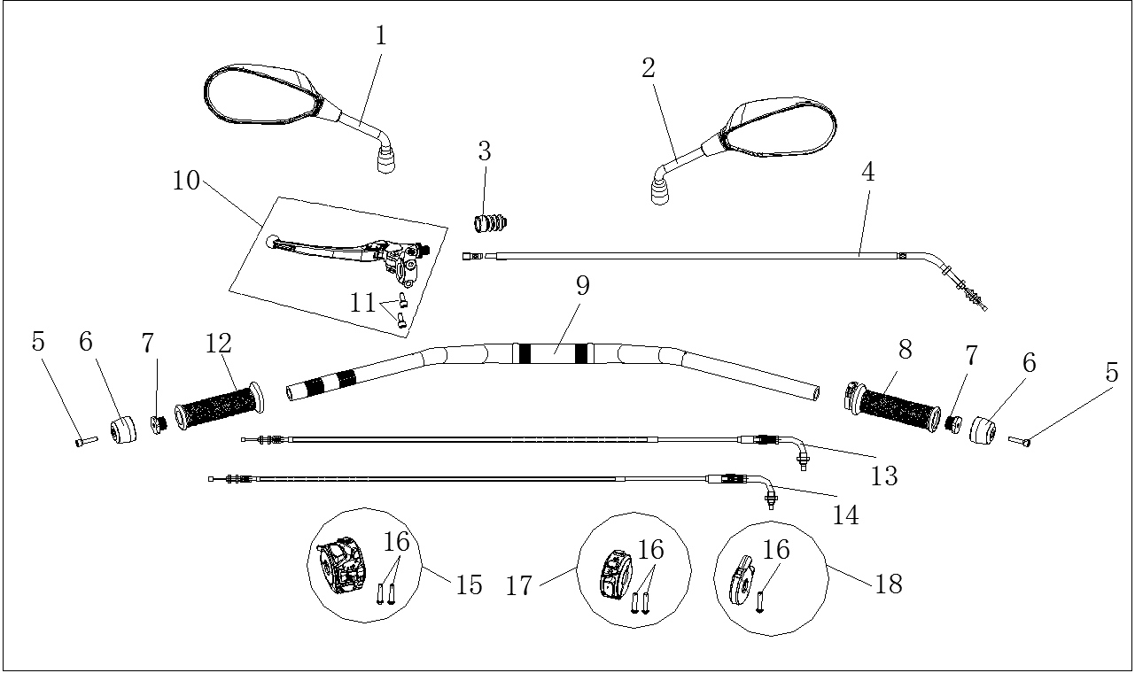
F09-1 | 360500466-0001 | MIRROR,LEFT BACK-VIEW | PCS | 1 | A
F09-2 | 360530464-0001 | MIRROR,RIGHT BACK-VIEW | PCS | 1 | A
F09-3 | 320820047-0001 | SHEATH,CLUTCH CABLE | PCS | 1 | C
F09-4 | 320240570-0001 | CABLE COMP.,CLUTCH | PCS | 1 | A
F09-5 | 380190071-0005 | SCREW,HEXAGON SOCKET | PCS | 2 | C
F09-6 | 320220095-0002 | DECORATIVE WEIGHT, LEFT | PCS | 2 | B
F09-7 | 320120044-0002 | COUNTERWEIGHT,STEERING HANDLE PIPE | PCS | 2 | B
F09-8 | 320190288-0001 | GREASER COMP. | PCS | 1 | A
F09-9 | 320020454-0001 | HANDLE BAR ASSY. | PCS | 1 | C
F09-10 | 271510209-0002 | LEVER COMP., LEFT | SET | 1 | B
F09-11 | 380190185-0001 | SCREW,HEXAGON SOCKET | PCS | 2 | C
F09-12 | 320180302-0001 | GRIP SET,HANDLE | PCS | 1 | A
F09-13 | 171210761-0001 | CABLE COMP.,THROTTLE | PCS | 1 | A
F09-14 | 171210762-0001 | CABLE COMP.,THROTTLE | PCS | 1 | A
F09-15 | 271390569-0001 | SWITCH ASSY.,LEFT | SET | 1 | B
F09-16 | 380200072 | SCREW,CROSS RECESSED PAN | PCS | 5 | C | NOT FOR SERVICE
F09-17 | 271590562-0001 | SWITCH ASSY.,RIGHT | SET | 1 | B
F09-18 | 271650035-0001 | SEAT,GREASER | PCS | 1 | B
F10 REAR HANGER SYSTEM
 | 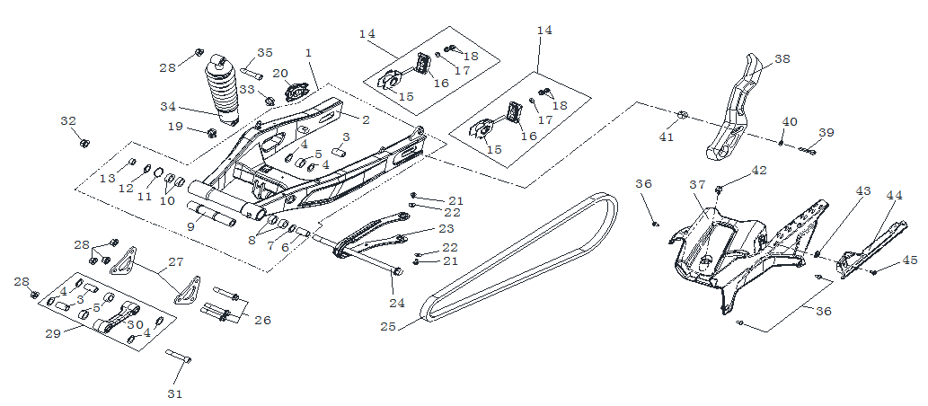
F10-1 | 500790043-0001 | FORK COM.,REAR | PCS | 1 | C
F10-2 | 311150164-0001 | WELDING COMP.,REAR FORK | PCS | 1 | C | NOT FOR SERVICE
F10-3 | 380823651-0001 | COLLAR | PCS | 1 | C
F10-4 | 380650755-0001 | OIL SEAL | PCS | 2 | B
F10-5 | 380630611-0001 | BEARING | PCS | 1 | B
F10-6 | 380823635-0001 | COLLAR | PCS | 1 | C
F10-7 | 380650754-0001 | OIL SEAL | PCS | 1 | B
F10-8 | 380630399-0001 | BEARING | PCS | 2 | B
F10-9 | 380823655-0001 | COLLAR | PCS | 1 | C
F10-10 | 380630030-0001 | BEARING | PCS | 2 | B
F10-11 | 380550047-0001 | CHECK RING,ELASTIC | PCS | 1 | B
F10-12 | 380650663-0001 | OIL SEAL | PCS | 1 | B
F10-13 | 380823597-0001 | COLLAR | PCS | 1 | C
F10-14 | 311430133-0002 | ADJUSTOR,DRIVE CHAIN LEFT | PCS | 2 | B
F10-15 | 313180016-0001 | BODY,DRIVE CHAIN ADJUSTER | PCS | 2 | C | NOT FOR SERVICE
F10-16 | 311460033-0001 | SHIELD,ADJUSTER | PCS | 2 | C | NOT FOR SERVICE
...
F10-37 | 260060243-0001 | CASE, CHAIN | PCS | 1 | B
F10-38 | 340570223-0001 | BRACKET,REAR FENDER | PCS | 1 | C
F10-39 | 380824099-0001 | COLLAR | PCS | 1 | C
F10-40 | 380450003-0012 | WASHER,PLAIN | PCS | 1 | C
F10-41 | 380190031-0007 | SCREW,HEXAGON SOCKET | PCS | 1 | C
F10-42 | 380930128-0001 | CLIP,LOCATING WIRE | PCS | 1 | C
F10-43 | 380420062-0001 | NUT,CLIP | PCS | 1 | C
F10-44 | 260080056-0001 | CASE,DRIVE CHAIN UPPER | PCS | 1 | B
F10-45 | 380190500-0001 | SCREW,HEXAGON SOCKET | PCS | 1 | C
F11 FRONT WHEEL
 | 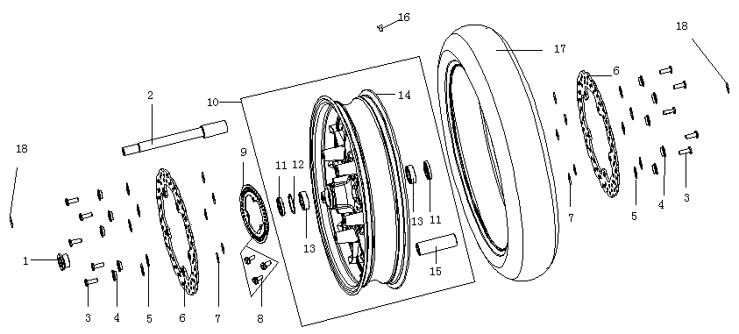
F11-1 | 380823804-0001 | COLLAR | PCS | 1 | C
F11-2 | 380870739-0003 | AXIS | PCS | 1 | C
F11-3 | 291440044-0001 | FASTENING BOLT,BRAKE DISK | PCS | 10 | C
F11-4 | 380823817-0001 | COLLAR | PCS | 10 | C
F11-5 | 380460048-0001 | WASHER,ELASTIC | PCS | 10 | C
F11-6 | 291420210-0001 | DISK COMP.,LEFT FRONT BRAKE | PCS | 2 | C
F11-7 | 380451270-0001 | WASHER,PLAIN | PCS | 10 | C
F11-8 | 380190477-0003 | SCREW,HEXAGON SOCKET | PCS | 3 | C
F11-9 | 297710007-0001 | GEAR RING, ABS | PCS | 1 | C
F11-10 | 290020687-0001 | WHEEL,FRONT | PCS | 1 | B
F11-11 | 380650541-0001 | OIL SEAL | PCS | 2 | B
F11-12 | 380550168-0001 | CHECK RING,ELASTIC | PCS | 1 | B
F11-13 | 380630126-0001 | BEARING | PCS | 2 | B
F11-14 | 290140134 | BODY SET,FRONT WHEEL | PCS | 1 | C | NOT FOR SERVICE
F11-15 | 292150129-0001 | LINING COMP.,HUB | PCS | 1 | C
F11-16 | 290200057-0001 | CORE,VALVE | PCS | 1 | B
F11-17 | 290150873-0001 | TYRE ASSY. | PCS | 1 | A
F11-18 | 380450003-0012 | WASHER,PLAIN | PCS | 2 | C
F12 REAR WHEEL ASSY.
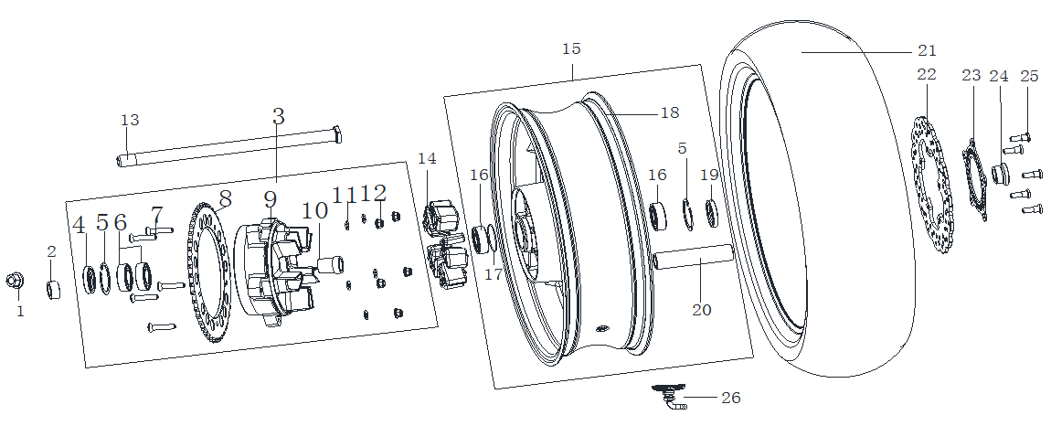
F12-1 | 380380003-0003 | FLANGE NUT,PREVAILING TORQUE TYPE HEXAGON WITH NONMETALLIC INSERT | PCS | 1 | C
F12-2 | 380822734-0003 | COLLAR | PCS | 1 | C
F12-3 | 290380259-0001 | DAMPER COMP. | SET | 1 | B
F12-4 | 380650580-0001 | OIL SEAL | PCS | 1 | B | NOT FOR SERVICE
F12-5 | 380550113-0002 | CHECK RING,ELASTIC | PCS | 2 | B
F12-6 | 380630083-0001 | BEARING | PCS | 2 | B
F12-7 | 290440040 | BOLT,SPROCKET WHEEL | PCS | 5 | B | NOT FOR SERVICE
F12-8 | 290420263 | SPROCKET WHEEL | PCS | 1 | A | NOT FOR SERVICE
F12-9 | 290390104 | SEAT,SPROCKET WHEEL | PCS | 1 | B | NOT FOR SERVICE
F12-10 | 380823653-0001 | COLLAR | PCS | 1 | C
...
F12-18 | 290360110-0001 | BODY SET,REAR WHEEL | PCS | 1 | C | NOT FOR SERVICE
F12-19 | 380650582-0001 | OIL SEAL | PCS | 1 | B | NOT FOR SERVICE
F12-20 | 292150141-0001 | LINING COMP.,HUB | PCS | 1 | C
F12-21 | 290150874-0001 | TYRE ASSY. | PCS | 1 | A
F12-22 | 291930052-0001 | DISK COMP.,LEFT REAR BRAKE | PCS | 1 | C
F12-23 | 297710004-0001 | GEAR RING, ABS | PCS | 1 | C
F12-24 | 291440040-0001 | FASTENING BOLT,BRAKE DISK | PCS | 5 | C
F12-25 | 380822735-0003 | COLLAR | PCS | 1 | C
F12-26A | 274470003-0001 | SENSOR，TIRE PRESSURE | PCS | 1 | C
F13 BRAKE SYSTEM
 | 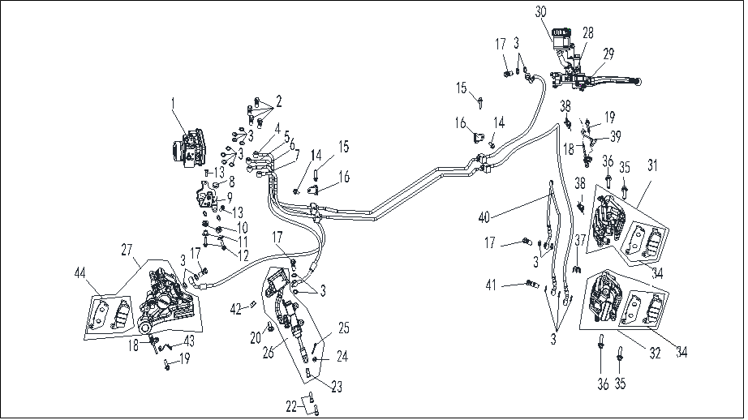
F13-1 | 291820012-0001 | ABS.ANTI-LOCKING UP SYSTEM | PCS | 1 | C
F13-2 | 291800034-0002 | BOLT,DISC-BRAKE HOSE | PCS | 4 | C
F13-3 | 380450298-0001 | WASHER,PLAIN | PCS | 19 | C
F13-4 | 294180037-0001 | ABS CONNECTIVE OIL TUBE | PCS | 1 | C
F13-5 | 294180038-0001 | ABS CONNECTIVE OIL TUBE | PCS | 1 | C
F13-6 | 294180039-0001 | ABS CONNECTIVE OIL TUBE | PCS | 1 | C
F13-7 | 294180040-0001 | ABS CONNECTIVE OIL TUBE | PCS | 1 | C
F13-8 | 311990072-0001 | GLUE NAIL,BUFFER | PCS | 1 | C | 20210928修改
F13-9 | 297700011-0001 | INSTALLATION BRACKET, ABS | PCS | 1 | C | 20210928修改
F13-10 | 380890174-0001 | I-RUBBER | PCS | 2 | C
...
F15-1 | 380340008-0008 | NUT,HEXAGON HEAD | PCS | 1 | C
F15-25 | 291120498-0001 | PEDAL,REAR BRAKE | PCS | 1 | B
F15-26 | 291320198-0002 | RETURN SPRING,REAR BRAKE PEDAL | PCS | 1 | B
F15-27 | 380450017-0006 | WASHER,PLAIN | PCS | 2 | C
F15-28 | 380450007-0007 | WASHER,PLAIN | PCS | 1 | C
F15-29 | 380140067-0013 | BOLT,HEXAGON FLANGE | PCS | 1 | C
F15-30 | 291130015 | BODY SET,REAR BRAKE PEDAL | PCS | 1 | C | NOT FOR SERVIVE
F15-31 | 291140108 | BLOCK,REAR BRAKE | PCS | 1 | C | NOT FOR SERVIVE
F15-32 | 291340015 | PAD,REAR BRAKE PEDAL CUSHION | PCS | 1 | C | NOT FOR SERVIVE
F15-33 | 380190039 | SCREW,HEXAGON SOCKET | PCS | 1 | C | NOT FOR SERVIVE
F16 HEADLIGHT ASSY
 | 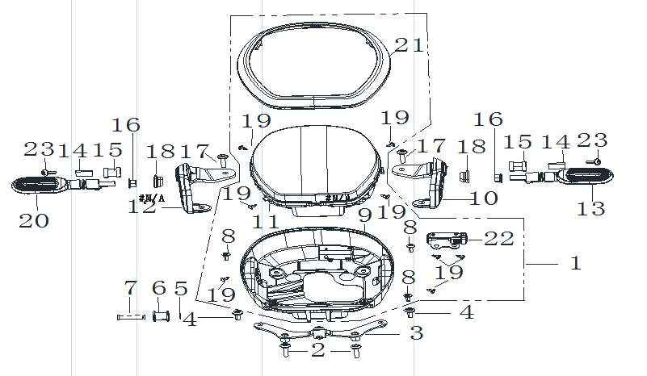
F16-1 | 280351011-0003 | HEADLIGHT ASSY. | PCS | 1 | B
F16-2 | 380190480-0003 | SCREW,HEXAGON SOCKET | PCS | 2 | C
F16-3 | 280460265-0001 | BRACKET,HEAD LIGHT | PCS | 1 | C
F16-4 | 380190478-0003 | SCREW,HEXAGON SOCKET | PCS | 2 | C
F16-5 | 380570046-0002 | SPLIT WASHER | PCS | 1 | C
F16-6 | 380890311-0001 | I-RUBBER | PCS | 2 | C
F16-7 | 380610481-0001 | PIN,CLEVIS | PCS | 1 | C
F16-8 | 380200009-0005 | SCREW,CROSS RECESSED PAN | PCS | 3 | C | NOT FOR SERVIVE
F16-9 | 280400217 | CASE,HEAD LIGHT | PCS | 1 | B | NOT FOR SERVIVE
F16-10 | 280490205-0003 | BRACKET,HEAD LIGHT LEFT | PCS | 1 | C
...
F16-15 | 380890371-0001 | I-RUBBER | PCS | 2 | C
F16-16 | 380370002-0005 | NUT,HEXAGON FLANGE | PCS | 2 | C
F16-17 | 380190479 | SCREW,HEXAGON SOCKET | PCS | 2 | C
F16-18 | 283220002-0001 | RUBBER JACKET,DECORATIVE LIGHT | PCS | 2 | C
F16-19 | 380310005-0006 | SCREW,CROSS RECESSED PAN SELF-TAPPING | PCS | 8 | C
F16-20 | 280780689-0001 | TURNING SIGNAL LIGHT, RIGHT FRONT | PCS | 1 | B
F16-21 | 280390098 | RIM,HEAD LIGHT | PCS | 1 | B | NOT FOR SERVIVE
F16-22 | 284700018-0001 | USB/AUX | PCS | 1 | C
F16-23 | 380190622-0001 | SCREW,HEXAGON SOCKET | PCS | 2 | C
F17 REAR FENDER
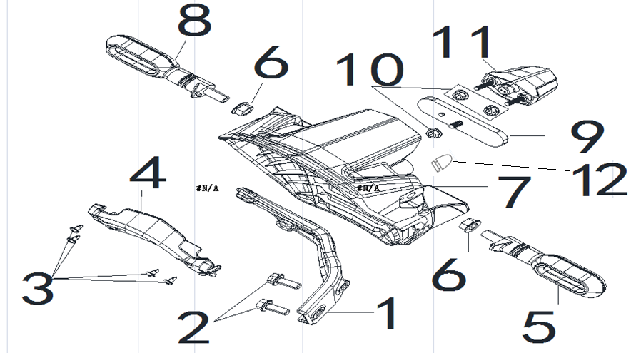
F17-1 | 340580021-0001 | LINING,REAR FENDER | PCS | 1 | C
F17-2 | 380140070-0009 | BOLT,HEXAGON FLANGE | PCS | 2 | C
F17-3 | 380310002-0012 | SCREW,CROSS RECESSED PAN SELF-TAPPING | PCS | 4 | C
F17-4 | 340670241-0001 | INNER PART,REAR FENDER | PCS | 1 | B
F17-5 | 280770467-0001 | TURNING SIGNAL LIGHT, LEFT REAR | PCS | 1 | B
F17-6 | 380370002-0005 | NUT,HEXAGON FLANGE | PCS | 2 | C
F17-7 | 340710013-0001 | FENDER COMP.,REAR LOWER | PCS | 1 | B
F17-8 | 280790451-0001 | TURNING SIGNAL LIGHT, RIGHT REAR | PCS | 1 | B
F17-9 | 280110132-0001 | REFLECTOR,REAR | PCS | 1 | B
F17-10 | 380370003-0014 | NUT,HEXAGON FLANGE | PCS | 3 | C
F17-11 | 280720079-0001 | LAMP,REAR REGISTRATION PLATE | PCS | 1 | B
F17-12 | 381130025-0001 | GLUE NAIL,BUFFER | PCS | 1 | C | 20210928修改
F18 SEAT ASSY.
 | 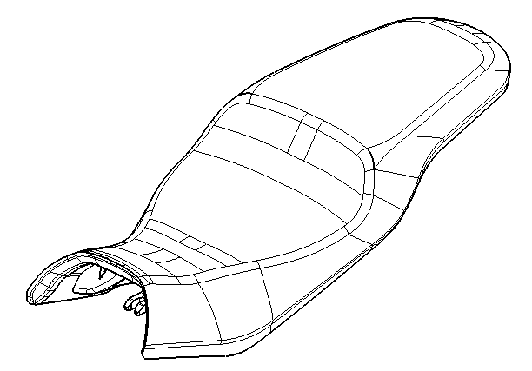
F18-1 | 330011239-0001 | SEAT COMP. | PCS | 1 | B
F19 LOWER AIR GUIDE SLEEVE
 | 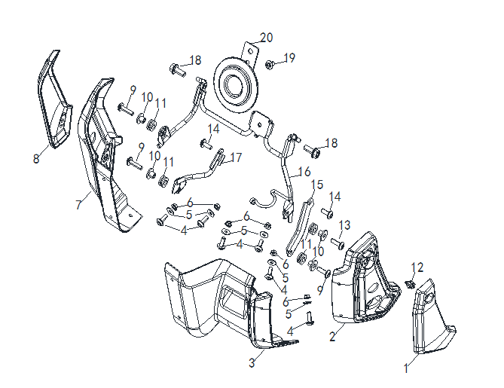
F19-1 | 341450048-0002 | GUARD PLATE,AIR GUIDE SLEEVE LEFT | PCS | 1 | B | FOR SILVER GREY/BLACK MODEL
F19-1 | 341450048-0003 | GUARD PLATE,AIR GUIDE SLEEVE LEFT | PCS | 1 | B | FOR BLUE MODEL
F19-2 | 341870113-0001 | FAIRING COVER,LEFT LOWER | PCS | 1 | B
F19-3 | 341890030-0001 | PLATE,LOWER FAIRING COVER CONNECTING | PCS | 1 | B
F19-4 | 380190623-0001 | SCREW,HEXAGON SOCKET | PCS | 6 | C
F19-5 | 380450024-0007 | WASHER,PLAIN | PCS | 6 | C
F19-6 | 380370001-0005 | NUT,HEXAGON FLANGE | PCS | 6 | C
F19-7 | 341880048-0001 | FAIRING COVER,RIGHT LOWER | PCS | 1 | B
F19-8 | 341460048-0002 | GUARD PLATE,AIR GUIDE SLEEVE RIGHT | PCS | 1 | B | FOR SILVER GREY/BLACK MODEL
F19-8 | 341460048-0003 | GUARD PLATE,AIR GUIDE SLEEVE RIGHT | PCS | 1 | B | FOR BLUE MODEL
...

KE500
REF.No | PLM CODE | PARTS NAME | QUANTITY | UNIT | WEAR & TEAR GRADE | 2-A包装（HU) | PICTURE | SAP
 | F3101R0049-4H0V000 | ENGINE | 1 | SET | C
E1 CYLINDER HEAD COVER ASSY
 |  | 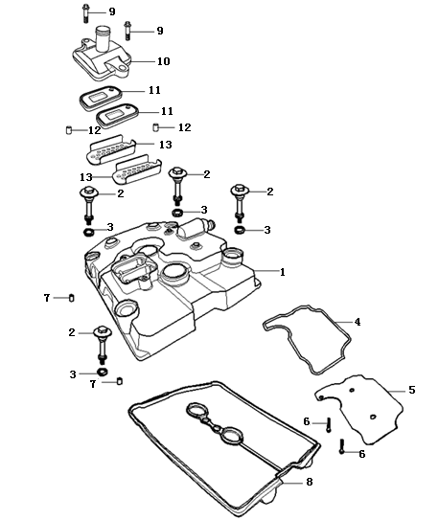
E01-01 | 120230162-0003 | COVER COMP.,CYLINDER HEAD | 1 | PCS | C
E01-02 | 380140605-0001 | BOLT,HEXAGON FLANGE | 4 | PCS | C
E01-03 | 380840987-0001 | RING,SEAL | 4 | PCS | A
E01-04 | 120660005-0001 | GASKET,OIL SEPARATING PLATE | 1 | PCS | A
E01-05 | 120520010-0001 | PLATE,OIL SEPARATING | 1 | PCS | C
E01-06 | 380140333-0001 | BOLT,HEXAGON FLANGE | 2 | PCS | C
E01-07 | 380600017-0001 | PIN,DOWEL | 2 | PCS | C
E01-08 | 380840988-0001 | RING,SEAL | 1 | PCS | A
E01-09 | 380140015-0006 | BOLT,HEXAGON FLANGE | 2 | PCS | C
E01-10 | 380780212-0003 | JOINT,CONNECTING | 1 | PCS | C
E01-11 | 140250015-0001 | VALVE,REED | 2 | PCS | C
E01-12 | 380600006-0001 | PIN,DOWEL | 2 | PCS | C
E01-13 | 180800018-0001 | SCREEN,FLAME | 2 | PCS | C
E2 CYLINDER HEAD ASSY
 |  | 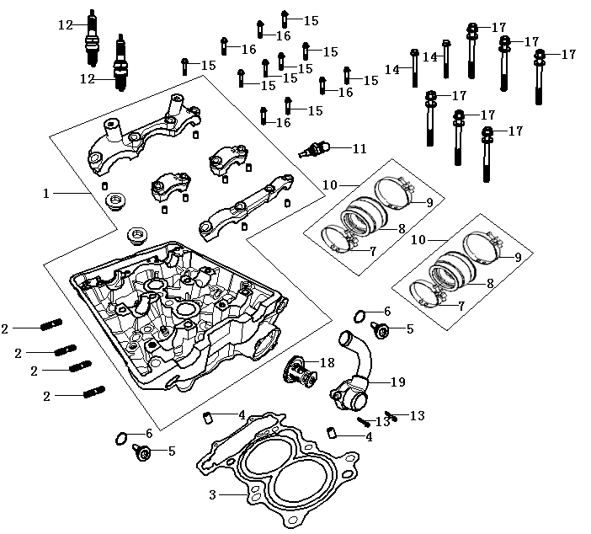
E02-01 | 500260283-0002 | CYLINDER HEAD KIT | 1 | SET | C
E02-02 | 380180184-0001 | STUD | 4 | PCS | C
E02-03 | 120150230-0001 | GASKET,CYLINDER HEAD | 1 | PCS | A
E02-04 | 380600032-0001 | PIN,DOWEL | 2 | PCS | C
E02-05 | 380190406-0001 | SCREW,HEXAGON SOCKET | 2 | PCS | C
E02-06 | 380451038-0001 | WASHER,PLAIN | 2 | PCS | C
E02-07 | 380960231 | HOOP ASSY. | 2 | PCS | C
E02-08 | 18042 | TUBE,AIR INTAKE | 2 | PCS | B
E02-09 | 380960250 | HOOP ASSY. | 2 | PCS | C
E02-10 | 180410068-0001 | TUBE,AIR INTAKE | 2 | SET | B
E02-11 | 270790014-0001 | SENSOR,ENGINE | 1 | PCS | C
E02-12 | 270960060-0001 | PLUG,SPARK | 2 | PCS | A
E02-13 | 380140021-0006 | BOLT,HEXAGON FLANGE | 2 | PCS | C
E02-14 | 380140030-0005 | BOLT,HEXAGON FLANGE | 2 | PCS | C
E02-15 | 380140606-0001 | BOLT,HEXAGON FLANGE | 8 | PCS | C
E02-16 | 380140607-0001 | BOLT,HEXAGON FLANGE | 4 | PCS | C
E02-17 | 380710031-0001 | BOLT/SCREW/WASHER,PALIN COMP. | 6 | PCS | C
E02-18 | 160140009-0001 | VALVE,THERMOSTATIC | 1 | PCS | A
E02-19 | 160130012-0004 | COVER,THERMOSTAT | 1 | PCS | B
E3 AIR INTAKE AND EXHAUST MECHANISM
 |  | 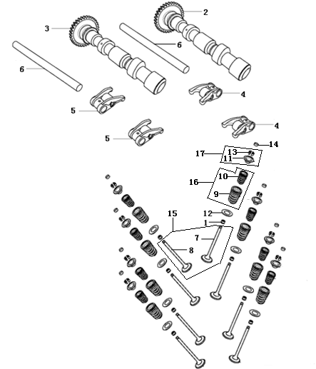
E03-01 | 140400018-0001 | SHIELD,OIL | 8 | PCS | A
E03-02 | 140020235-0001 | CAMSHAFT ASSY. | 1 | SET | B
E03-03 | 140020151-0002 | CAMSHAFT ASSY. | 1 | SET | B
E03-04 | 140450074-0001 | ARM ASSY.,VALVE ROCKER | 2 | PCS | B
E03-05 | 140450075-0001 | ARM ASSY.,VALVE ROCKER | 2 | PCS | B
E03-06 | 140510065-0001 | SHAFT,VALVE ROCKER ARM | 2 | PCS | B
E03-07 | 140300098-0001 | VALVE,INLET | 4 | PCS | A
E03-08 | 140310100-0001 | VALVE,EXHAUST | 4 | PCS | A
E03-09 | 140350032 | SPRING,VALVE(OUTER) | 8 | PCS | C
E03-10 | 140340046 | SPRING,VALVE(INNER) | 8 | PCS | C
E03-11 | 140380046-0001 | RETAINER,VALVE SPRING | 8 | PCS | C
E03-12 | 140380047-0001 | RETAINER,VALVE SPRING | 8 | PCS | C
E03-13 | 140390034-0001 | COTTER,VALVE | 16 | PCS | C
E03-14 | 141310006-0044 | ADJUSTING SHIM,VALVE | 8 | PCS
E03-14A | 502120002-0001 | ADJUSTING SHIM,VALVE KIT | 1 | PCS
E03-15 | 500550089-0001 | VALVE KIT | 4 | PCS | A
E03-16 | 140330014-0001 | SPRING SET,VALVE | 8 | PCS | C
E03-17 | 500730016-0001 | CLIP & VALVE SPRING SEAT KIT | 8 | SET
E4 CHAIN TENSIONER DEVICE
 | 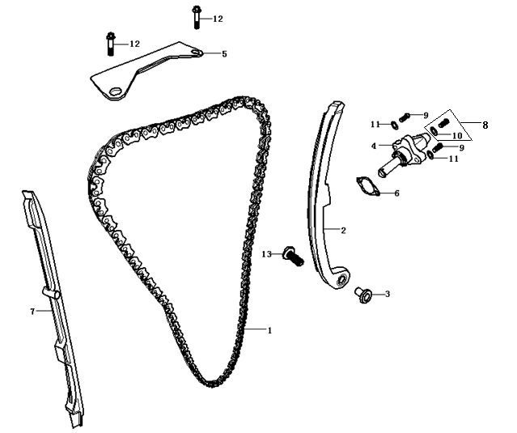
E04-01 | 140610041-0001 | CHAIN,TIMING | 1 | PCS | A
E04-02 | 140910013-0001 | PLATE,TENSION | 1 | PCS | B
E04-03 | 380823192-0001 | COLLAR | 1 | PCS | C
E04-04 | 140750034-0002 | TENSIONER ASSY.,CAM CHAIN | 1 | PCS | B
E04-05 | 140660007-0001 | PLATE,TIMING CHAIN LIMIT | 1 | PCS | B
E04-06 | 140830025-0001 | GASKET,CAM CHAIN TENSIONER | 1 | PCS | A
E04-07 | 141000037-0001 | GUIDE PLATE,CHAIN | 1 | PCS | B
E04-08 | 380140037-0003 | BOLT,HEXAGON FLANGE | 1 | PCS | C
E04-09 | 380140628-0001 | BOLT,HEXAGON FLANGE | 2 | PCS | C
E04-10 | 38045 | PLAIN GASKET | 1 | PCS | C
E04-11 | 380450391-0001 | WASHER,PLAIN | 2 | PCS | C
E04-12 | 380140209-0001 | BOLT,HEXAGON FLANGE | 2 | PCS | C
E04-13 | 380140633-0001 | BOLT,HEXAGON FLANGE | 1 | PCS | C
E5 CRANKCASE ASSY
 | 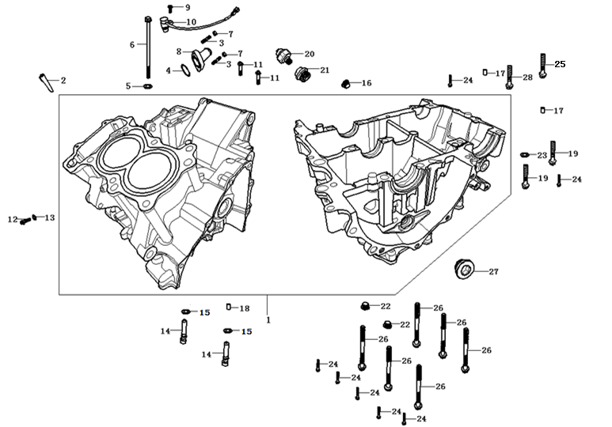
E05-01 | 500270353-0006 | CRANKCASE KIT | 1 | N | C
E05-02 | 120920001-0001 | RUBBER STICK OF WATER PROOF | 1 | N | C
E05-03 | 380180185-0001 | STUD | 2 | PCS | C
E05-04 | 380840989-0001 | RING,SEAL | 1 | PCS | A
E05-05 | 380451061-0001 | WASHER,PLAIN | 1 | PCS | C
E05-06 | 380140608-0002 | BOLT,HEXAGON FLANGE | 1 | PCS | C
E05-07 | 380370003-0006 | NUT,HEXAGON FLANGE | 2 | PCS | C
E05-08 | 380780215-0001 | JOINT,CONNECTING | 1 | PCS | C
E05-09 | 380140333-0001 | BOLT,HEXAGON FLANGE | 1 | PCS | C
E05-10 | 281920034-0002 | TRANSDUCER,VELOCITY | 1 | PCS | C
...
E05-20 | 270790013-0001 | SENSOR,ENGINE | 1 | PCS | C
E05-21 | 380140612-0001 | BOLT,HEXAGON FLANGE | 1 | PCS | C
E05-22 | 380190409-0001 | SCREW,HEXAGON SOCKET | 2 | PCS | C
E05-23 | 380451062-0001 | WASHER,PLAIN | 1 | PCS | C
E05-24 | 380140365-0002 | BOLT,HEXAGON FLANGE | 7 | PCS | C
E05-25 | 380140632-0001 | BOLT,HEXAGON FLANGE | 1 | PCS | C
E05-26 | 380140629-0001 | BOLT,HEXAGON FLANGE | 6 | PCS | C
E05-27 | 380190410-0001 | SCREW,HEXAGON SOCKET | 1 | PCS | C
E05-28 | 380140072-0002 | BOLT,HEXAGON FLANGE | 1 | PCS | C
E6 CRANKSHAFT ASSY
 |  | 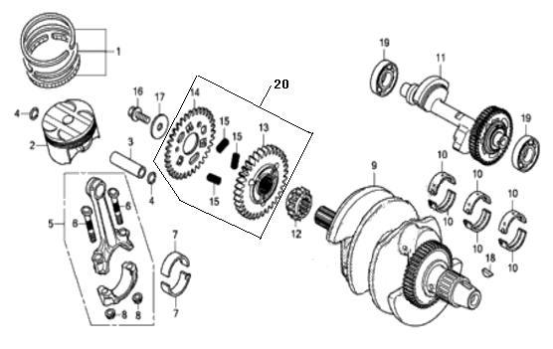
E06-01 | 130070232-0001 | RING SET,PISTON | 2 | SET | A
E06-02 | 130030267-0001 | PISTON COMP. | 2 | PCS | A
E06-03 | 130060075-0001 | PIN,PISTON | 2 | PCS | B
E06-04 | 380560122-0001 | CHECK RING,STEEL CABLE BAFFLE | 4 | PCS | C
E06-05 | 130510006-0001 | ROD COMP.,CONNECTING | 2 | SET | C
E06-06 | 130180019 | BOLT,CONNECTING ROD | 4 | PCS | C
E06-07 | 502230001-0001 | BEARING,CRANKSHAFT KIT | 4 | PCS | C
E06-08 | 380370086 | NUT,HEXAGON FLANGE | 4 | PCS | C
E06-09 | 130290529-0002 | CRANKSHAFT COMP. | 1 | SET | C
E06-10 | 502230002-0001 | BEARING,CRANKSHAFT KIT | 6 | PCS | C
...
E06-12 | 130230055-0001 | SPROCKET,TIMING DRIVE | 1 | PCS | C
E06-13 | 19003 | GEAR,PRIMARY DRIVING | 1 | PCS | B
E06-14 | 19464 | GEAR,PRIMARY DRIVING(2) | 1 | PCS | C
E06-15 | 381150612 | SPRING,COMPRESSION | 3 | PCS | B
E06-16 | 380140616-0001 | BOLT,HEXAGON FLANGE | 1 | PCS | C
E06-17 | 380451045-0001 | WASHER,PLAIN | 1 | PCS | C
E06-18 | 380620125 | KEY | 1 | PCS | C
E06-19 | 380630005-0002 | BEARING | 2 | PCS | A
E06-20 | 194610002-0001 | DRIVING GEAR ASSY.,PRIMARY | 1 | PCS | C
E7 TRANSMISSION MAINSHAFT AND COUNTERSHAFT ASSY
 | 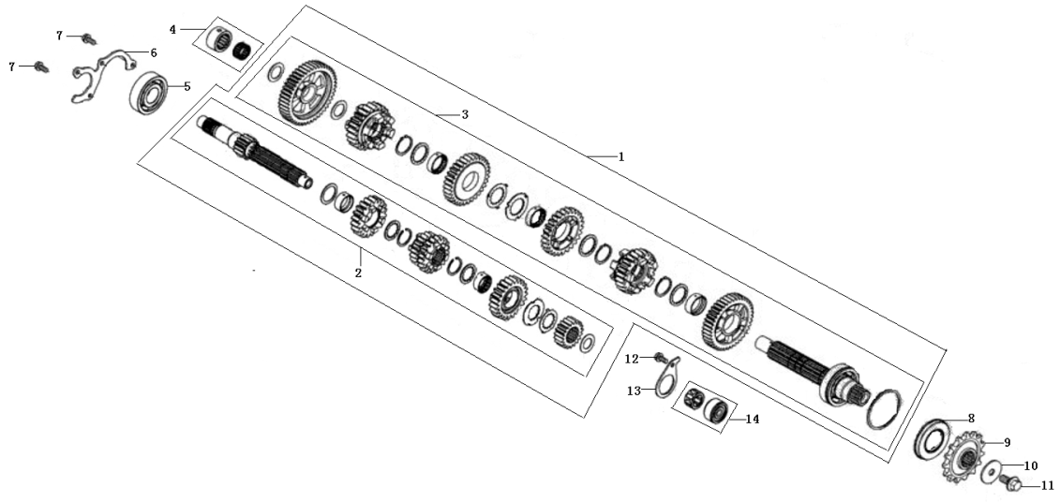
E07-01 | 500290314-0001 | MAINSHAFT&COUNTERSHAFT KIT | 1 | SET | B
E07-02 | 191250117-0001 | MAINSHAFT COMP. | 1 | SET | B
E07-03 | 191390205-0001 | COUNTERSHAFT COMP. | 1 | SET | B
E07-04 | 382150002-0001 | BEARING ASSY. | 1 | PCS | A
E07-05 | 380630048-0002 | BEARING | 1 | PCS | A
E07-06 | 191380011-0001 | CHECK PLATE,MAINSHAFT BEARING | 1 | PCS | C
E07-07 | 380140209-0001 | BOLT,HEXAGON FLANGE | 2 | PCS | C
E07-08 | 380650670-0001 | OIL SEAL | 1 | PCS | A
E07-09 | 191600078-0001 | COUNTER SHAFT DRIVE SPROCKET | 1 | PCS | A
E07-10 | 380451047-0001 | WASHER,PLAIN | 1 | PCS | C
E07-11 | 380140614-0001 | BOLT,HEXAGON FLANGE | 1 | PCS | C
E07-12 | 380140209-0001 | BOLT,HEXAGON FLANGE | 1 | PCS | C
E07-13 | 197030001-0001 | PRESSING PLATE OF MAINSHAFT COLLAR | 1 | PCS | C
E07-14 | 382150001-0001 | BEARING ASSY. | 1 | PCS | A
E8 SPEED CONTROL MECHANISM
 |  | 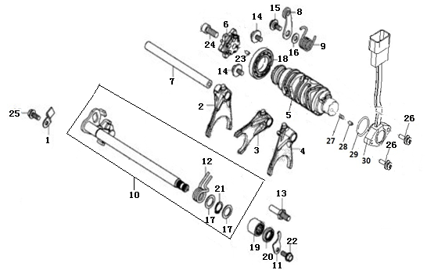
E08-01 | 192350021-0001 | PLATE,GEAR SHIFT LIMIT | 1 | PCS | C
E08-02 | 192120079-0001 | FORK,GEAR SHIFT | 1 | PCS | C
E08-03 | 192120078-0001 | FORK,GEAR SHIFT | 1 | PCS | C
E08-04 | 192120077-0001 | FORK,GEAR SHIFT | 1 | PCS | C
E08-05 | 192080075-0001 | DRUM COMP.,GEAR SHIFT | 1 | PCS | C
E08-06 | 196820002-0001 | GEARSHIFT DRUM PLATE ASSY. | 1 | PCS | C
E08-07 | 192130036-0001 | SHAFT,SHIFT FORK GUIDE | 1 | PCS | C
E08-08 | 192190024-0001 | CHECK PLATE ASSY. | 1 | PCS | C
E08-09 | 381160229-0001 | SPRING,TORSIONAL | 1 | PCS | B
E08-10 | 192320114-0001 | ARM COMP.,GEAR CHANGE | 1 | PCS | C
...
E08-22 | 380140209-0001 | BOLT,HEXAGON FLANGE | 1 | PCS | C
E08-23 | 380610323-0001 | PIN,CLEVIS | 1 | PCS | C
E08-24 | 380190010-0008 | SCREW,HEXAGON SOCKET | 1 | PCS | C
E08-25 | 380140333-0001 | BOLT,HEXAGON FLANGE | 1 | PCS | C
E08-26 | 380680004-0004 | SCREW,CROSS RECESSED PAN HEAD/WASHER,ELASTIC/WASHER,PLAIN COMP. | 2 | PCS | C
E08-27 | 381150005-0001 | SPRING,COMPRESSION | 1 | PCS | B
E08-28 | 270720001-0001 | SHIFT CONTACT,GEAR INDICATOR SWITCH | 1 | PCS | C
E08-29 | 380840012-0001 | RING,SEAL | 1 | PCS | A
E08-30 | 270650098-0002 | SWITCH COMP.,GEAR INDICATOR | 1 | SET | B
E9 CLUTCH ASSY
 | 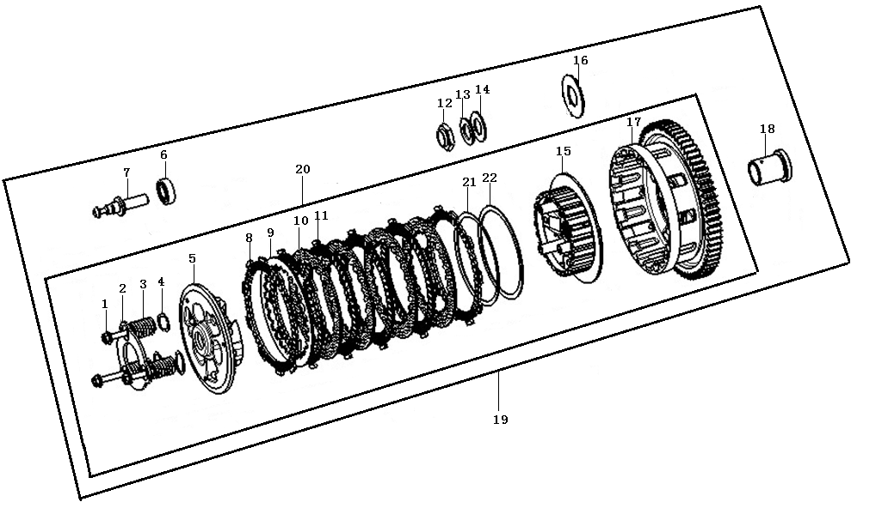
E09-01 | 380140592-0001 | BOLT,HEXAGON FLANGE | 3 | PCS | C
E09-02 | 190480033-0001 | PLATE,CLUTCH LIFTER | 1 | PCS | B
E09-03 | 190550079-0001 | SPRING,CLUTCH | 3 | PCS | B
E09-04 | 194030002-0001 | CLUTCH DAMPING SPRING SEAT | 3 | PCS | C
E09-05 | 190470108-0001 | PLATE,CLUTCH PRESSURE | 1 | PCS | B
E09-06 | 380630013-0001 | BEARING | 1 | PCS | A
E09-07 | 190730042-0001 | PUSH ROD | 1 | PCS | C
E09-08 | 190430045-0001 | DISK,CLUTCH FRICTION | 3 | PCS | A
E09-09 | 190460061-0001 | PLATE,CLUTCH | 1 | PCS | A
E09-10 | 190460041-0001 | PLATE,CLUTCH | 4 | PCS | A
...
E09-14 | 380451042-0001 | WASHER,PLAIN | 1 | PCS | C
E09-15 | 190410050-0001 | CENTER CASE SET OF CLUTCH | 1 | PCS | B
E09-16 | 380451060-0001 | WASHER,PLAIN | 1 | PCS | C
E09-17 | 190330136-0001 | OUTER COMP.,CLUTCH | 1 | PCS | B
E09-18 | 380823196-0001 | COLLAR | 1 | PCS | C
E09-19 | 500280419-0001 | CLUTCH KIT | 1 | SET | B
E09-20 | 190320036-0001 | CENTER CASE SET OF CLUTCH | 1 | SET | C
E09-21 | 381170015-0001 | DISC SPRING | 1 | PCS | C
E09-22 | 380451048-0001 | WASHER,PLAIN | 1 | PCS | C
E10 RIGHT CRANKCASE COVER
 |  | 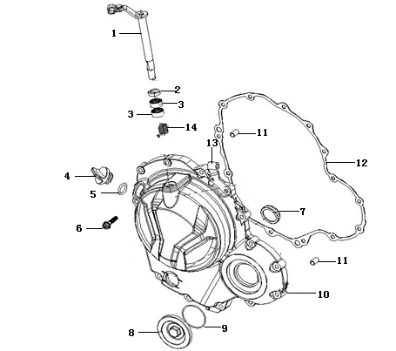
E10-01 | 190810114-0001 | JOYSTICK ASSY.,CLUTCH | 1 | PCS | B
E10-02 | 380650098-0001 | OIL SEAL | 1 | PCS | A
E10-03 | 380630045-0001 | BEARING | 2 | PCS | A
E10-04 | 110700008-0002 | GAUGE COMP.,OIL LEVEL | 1 | PCS | B
E10-05 | 380840006-0001 | RING,SEAL | 1 | PCS | A
E10-06 | 380140017-0005 | BOLT,HEXAGON FLANGE | 14 | PCS | C
E10-07 | 110630008-0001 | SIGHT GLASS,OIL | 1 | PCS | C
E10-08 | 110440014-0001 | COVER,INSPECTION | 1 | PCS | B
E10-09 | 380840992-0001 | RING,SEAL | 1 | PCS | A
E10-10 | 110600945-0002 | COVER COMP.,RIGHT CRANKCASE | 1 | PCS | C
E10-11 | 380600002-0001 | PIN,DOWEL | 2 | PCS | C
E10-12 | 110620087-0001 | GASKET,RIGHT CRANKCASE COVER | 1 | PCS | A
E10-13 | 191230070-0001 | PLATE,CLUTCH CABLE LOCATING | 1 | PCS | C
E10-14 | 381160227-0001 | SPRING,TORSIONAL | 1 | PCS | B
E11 GENERATOR ASSY
 |  | 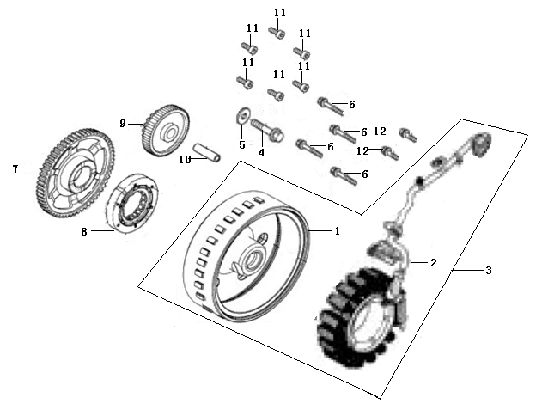
E11-01 | 270020289-0001 | ROTOR COMP. | 1 | PCS | C
E11-02 | 270100163-0002 | STATOR COMP. | 1 | SET | B
E11-03 | 270010290-0002 | GENERATOR ASSY. | 1 | SET | B
E11-04 | 380140650-0001 | BOLT,HEXAGON FLANGE | 1 | PCS | C
E11-05 | 380451046-0001 | WASHER,PLAIN | 1 | PCS | C
E11-06 | 380140019-0006 | BOLT,HEXAGON FLANGE | 4 | PCS | C
E11-07 | 193240041-0001 | DISK GEAR | 1 | PCS | C
E11-08 | 193090030-0001 | BODY ASSY.,STARTING CLUTCH | 1 | PCS | B
E11-09 | 193190043-0001 | DUPLEX GEAR,ELECTRIC STARTING | 1 | PCS | C
E11-10 | 193230027-0001 | SHAFT,DUPLEX GEAR | 1 | PCS | C
E11-11 | 380190415-0001 | SCREW,HEXAGON SOCKET | 6 | PCS | C
E11-12 | 380140627-0001 | BOLT,HEXAGON FLANGE | 2 | PCS | C
E12 CRANKCASE COVER SECTION
 | 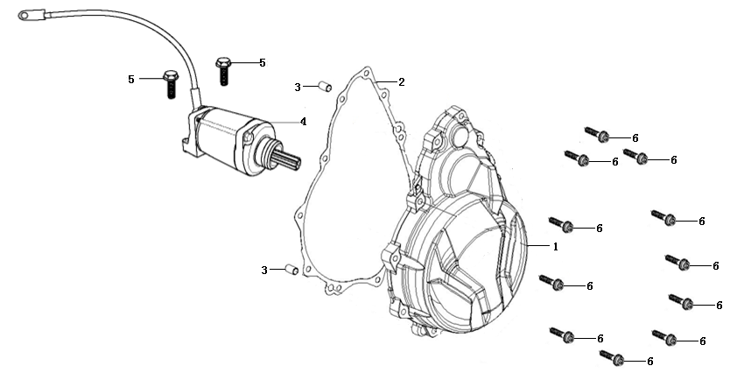
E12-01 | 110400428-0001 | COVER COMP.,LEFT FRONT | 1 | PCS | C
E12-02 | 110420048-0001 | GASKET,LEFT FRONT COVER | 1 | PCS | A
E12-03 | 380600002-0001 | PIN,DOWEL | 2 | PCS | C
E12-04 | 270350082-0001 | MOTOR ASSY.,STARTING | 1 | SET | B
E12-05 | 380140633-0001 | BOLT,HEXAGON FLANGE | 2 | PCS | C
E12-06 | 380140017-0005 | BOLT,HEXAGON FLANGE | 11 | PCS | C
E13 LUBRICATING SYSTEM
 | 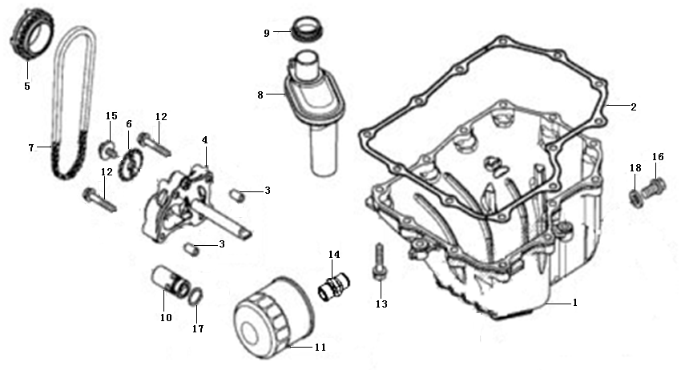
E13-01 | 110900006-0003 | CRANKCASE OIL TRAY | 1 | PCS | C
E13-02 | 110910005-0001 | GASKET,CRANKCASE OIL TRAY | 1 | PCS | A
E13-03 | 380600002-0001 | PIN,DOWEL | 2 | PCS | C
E13-04 | 150010097-0001 | PUMP ASSY.,OIL | 1 | SET | C
E13-05 | 150150034-0001 | SPROCKET,OIL PUMP DRIVE | 1 | PCS | C
E13-06 | 150070051-0001 | SPROCKET,OIL PUMP DRIVEN | 1 | PCS | B
E13-07 | 260010216-0001 | CHAIN,DRIVE | 1 | PCS | A
E13-08 | 150970001-0001 | OIL SUCKING TUBE COMP. | 1 | N | C
E13-09 | 380840995-0001 | RING,SEAL | 1 | PCS | A
E13-10 | 150600006-0001 | VALVE COMP.,OIL CONTROL | 1 | SET | C
E13-11 | 150350015-0001 | OIL FILTER ASSY.,SECONDARY | 1 | SET | C
E13-12 | 380140100-0003 | BOLT,HEXAGON FLANGE | 4 | PCS | C
E13-13 | 380140626-0001 | BOLT,HEXAGON FLANGE | 12 | PCS | C
E13-14 | 380780216-0001 | JOINT,CONNECTING | 1 | PCS | C
E13-15 | 380710030-0001 | BOLT/SCREW/WASHER,PALIN COMP. | 1 | PCS | C
E13-16 | 110260069-0001 | SCREW PLUG,SEAL | 1 | PCS | C
E13-17 | 380841006-0001 | RING,SEAL | 1 | PCS | A
E13-18 | 380450018-0003 | WASHER,PLAIN | 1 | PCS | C
E14 COOLING SYSTEM
 |  | 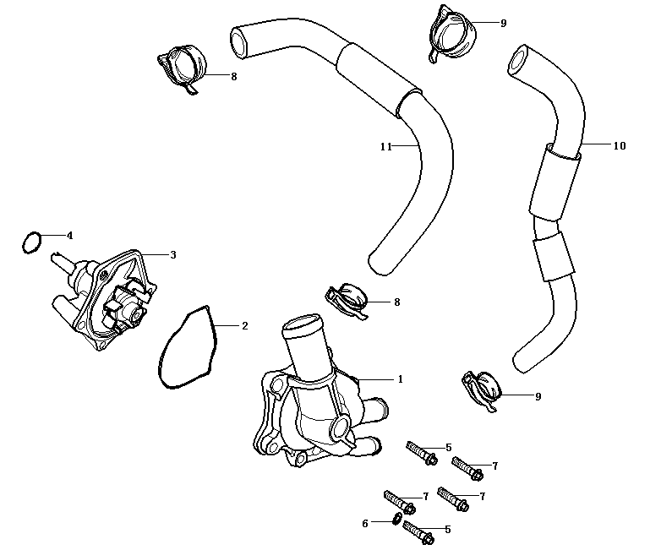
E14-01 | 160470048-0003 | CAP,COOLING PUMP | 1 | PCS | C
E14-02 | 380840990-0001 | RING,SEAL | 1 | PCS | A
E14-03 | 160400021-0001 | PUMP,COOLING | 1 | PCS | B
E14-04 | 380841043-0001 | RING,SEAL | 1 | PCS | A
E14-05 | 380140628-0001 | BOLT,HEXAGON FLANGE | 2 | PCS | C
E14-06 | 380450391-0001 | WASHER,PLAIN | 1 | PCS | C
E14-07 | 380140032-0005 | BOLT,HEXAGON FLANGE | 3 | PCS | C
E14-08 | 380950415-0001 | CLAMP,TUBE | 2 | PCS | C
E14-09 | 380950414-0001 | CLAMP,TUBE | 2 | PCS | C
E14-10 | 380760302-0001 | TUBE,WATER | 1 | PCS | B
...

