DS525X 2024
LX500-TⅠ(DS525X) KEL500F
Ref.No. | PLM CODE | ENGLISH PARTS NAME | QTY/UNIT | picture | REMARK
1 | LR712LR001CKV01GWZ | Motorcycle | 1
2 | LR712LR001CKV02BWZ | Motorcycle | 1
3 | LR712LR001CKV03HHZ | Motorcycle | 1
4 | LR712LR001KMI01GWZ | Motorcycle | 1
5 | LR712LR001KMI02BWZ | Motorcycle | 1
6 | LR712LR001KMI03HHZ | Motorcycle | 1
7 | LR712LR002MTR01GWZ | Motorcycle | 1
8 | LR712LR002MTR02BWZ | Motorcycle | 1
9 | LR712LR002MTR03HHZ | Motorcycle | 1
F01 FRAMEASSY
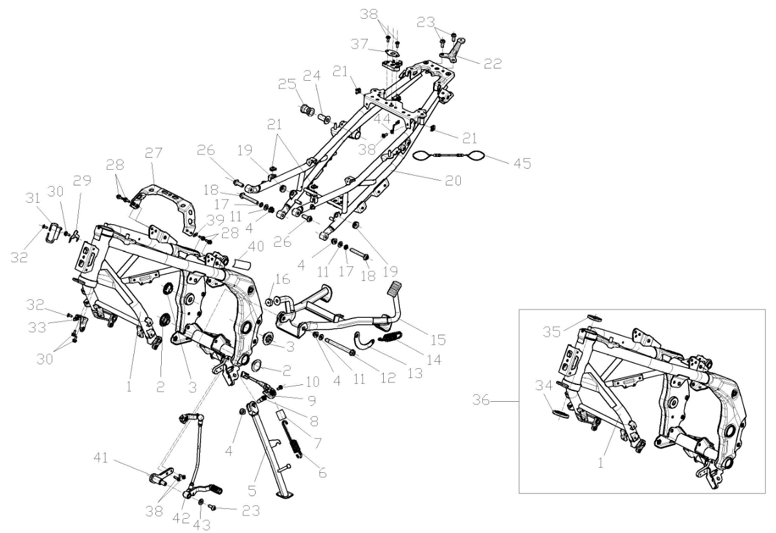

F01-01 | 300121536-0002 | BODY COMP.,FRAME | 1
F01-02 | 342520023-0001 | CAP,FRAME DECORATIVE | 2
F01-03 | 342520019-0001 | CAP,FRAME DECORATIVE | 2
F01-04 | 380400001-0009 | NUT,PREVAILING TORQUE TYPE ALL-METAL HEXAGON WITH FLANGE | 4
F01-05 | 311880427-0001 | BAR ASSY.,SIDE STAND | 1
F01-06 | 381140813-0001 | SPRING,DRAG | 1
F01-07 | 381530064-0001 | SHEATH,RUBBER | 1
F01-08 | 380020185-0001 | BOLT,HEXAGON HEAD SHOULDER | 1
F01-09 | 312940020-0001 | STARTER KILL SWITCH,SIDE STAND | 1
F01-10 | 381420063-0003 | BOLT,LOBULAR SOCKET COUNTERSUNK HEAD | 1
F01-11 | 380450006-0011 | WASHER,PLAIN | 3
F01-12 | 380871143-0001 | AXIS | 1
F01-13 | 312140085-0001 | PLATE,SPRING HANGER | 1
F01-14 | 381140656-0001 | SPRING,DRAG | 1
F01-15 | 311970500-0001 | STAND COMP.,MAIN | 1
F01-16 | 311990072-0001 | PAD,MAIN STAND CUSHION | 1
F01-17 | 380460002-0010 | WASHER,ELASTIC | 2
F01-18 | 380871134-0002 | AXIS | 2
F01-19 | 380890370-0001 | I-RUBBER | 2
F01-20 | 300460110-0002 | REAR PART,FRAME | 1
F01-21 | 380420062-0001 | NUT,CLIP | 4
F01-22 | 330870022-0001 | BASE,REAR PROP MOUNTING | 1
F01-23 | 382330025-0003 | FLANGE BOLT | 3
F01-24 | 380823752-0001 | COLLAR | 1
F01-25 | 380890324-0001 | I-RUBBER | 1
F01-26 | 380871138-0001 | AXIS | 2
F01-27 | 300440170-0001 | BRACE,FUEL TANK REAR | 1
F01-28 | 380140013-0013 | BOLT,HEXAGON FLANGE | 4
F01-29 | 301460199-0001 | BRACE,ELECTRICAL PARTS | 1
F01-30 | 380140067-0013 | BOLT,HEXAGON FLANGE | 3
F01-31 | 380930159-0001 | CLIP,LOCATING LINE | 1
F01-32 | 381420061-0001 | BOLT,LOBULAR SOCKET COUNTERSUNK HEAD | 2
F01-33 | 160380015-0001 | LUG,RADIATOR UPPER | 1
F01-34 | 310370075-0001 | RACE,STEERING TOP BALL | 1
F01-35 | 310370074-0001 | RACE,STEERING TOP BALL | 1
F01-36 | 500690475 | BODY ASSY.,FRAME | 1
F01-37 | 331990011-0001 | WASHER,SEAT LOCK | 1
F01-38 | 381420049-0001 | BOLT,LOBULAR SOCKET COUNTERSUNK HEAD | 5
F01-39 | 380450004-0014 | WASHER,PLAIN | 1
F01-40 | 370410455 | NAMEPLATE,FRA | 1
F01-41 | 301400012-0001 | STRUT MEMBER,GEAR CHANGE PEDAL | 1
F01-42 | 193700689-0001 | PEDAL,GEAR CHANGE | 1
F01-43 | 380451002-0003 | WASHER,PLAIN | 1
F01-44 | 342530112-0001 | HOOK,HELMET | 1
F01-45 | 342530107-0001 | HOOK,HELMET | 1
F02 STEPASSY
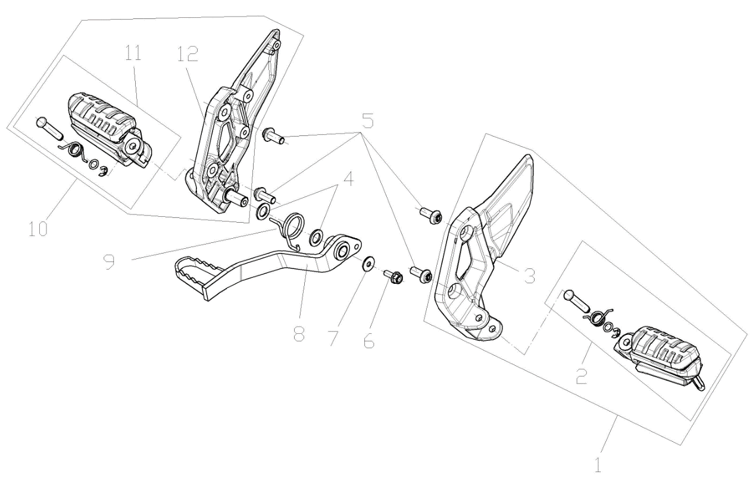

F02-1 | 311650182-0001 | STEP ASSY.,LEFT | 1 |  | For Meteoric Grey And Blue Two models
F02-1 | 311650192-0001 | STEP ASSY.,LEFT | 1 |  | For Matt Black Model
F02-2 | 311510180-0001 | BODY,LEFT STEP | 1 |  | For Meteoric Grey And Blue Two models
F02-2 | 311690057-0001 | BODY,LEFT STEP | 1 |  | For Matt Black Model
F02-3 | 311670092-0001 | HOLD COMP.,LEFT STEP | 1 |  | For Meteoric Grey And Blue Two models,NOT FOR SERVICE
F02-3 | 311670092-0002 | HOLD COMP.,LEFT STEP | 1 |  | For Matt Black Model,NOT FOR SERVICE
F02-4 | 380450017-0006 | WASHER,PLAIN | 2
F02-5 | 382330025-0003 | FLANGE BOLT | 4
F02-6 | 380140013-0013 | BOLT,HEXAGON FLANGE | 1
F02-7 | 380450007-0014 | WASHER,PLAIN | 1
F02-8 | 291120525-0001 | PEDAL,REAR BRAKE | 1
F02-9 | 381160381-0001 | SPRING,TORSIONAL | 1
F02-10 | 311660204-0001 | STEP ASSY.,RIGHT | 1 |  | For Meteoric Grey And Blue Two models
F02-10 | 311660215-0001 | STEP ASSY.,RIGHT | 1 |  | For Matt Black Model
F02-11 | 311510179-0001 | BODY,RIGHT STEP | 1 |  | For Meteoric Grey And Blue Two models
F02-11 | 311700062-0001 | BODY,RIGHT STEP | 1 |  | For Matt Black Model
F02-12 | 311680092-0001 | HOLD COMP.,RIGHT STEP | 1 |  | For Meteoric Grey And Blue Two models,NOT FOR SERVICE
F02-12 | 311680092-0002 | HOLD COMP.,RIGHT STEP | 1 |  | For Matt Black Model,NOT FOR SERVICE
F03 STEPASSY.,LEFTPILLION/STEPASSY.,RIGHTPILLION
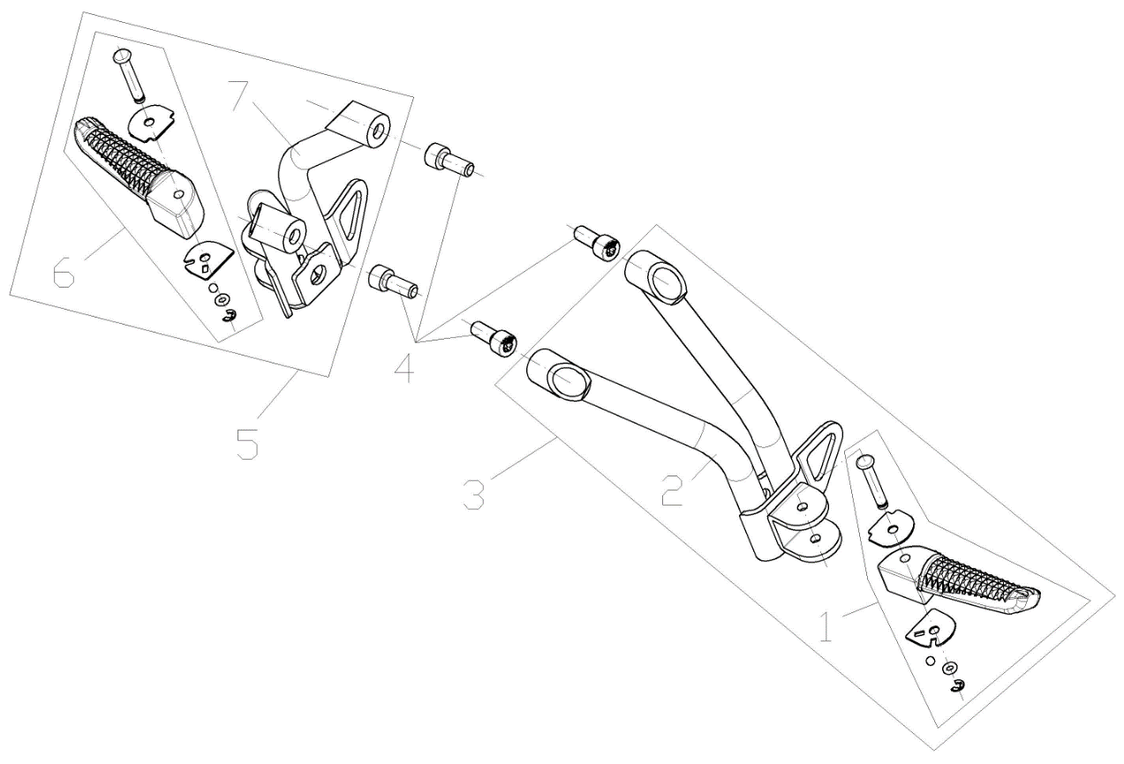

F03-01 | 312300048-0001 | BODY SET,LEFT PILLION STEP | 1
F03-02 | 312170163-0001 | HOLD COMP.,LEFT PILLION STEP | 1
F03-03 | 312150178-0001 | STEP ASSY.,LEFT PILLION | 1
F03-04 | 381420068-0003 | BOLT,LOBULAR SOCKET COUNTERSUNK HEAD | 4
F03-05 | 312160189-0001 | STEP ASSY.,RIGHT PILLION | 1
F03-06 | 312310050-0001 | BODY SET,RIGHT PILLION STEP | 1
F03-07 | 312180166-0001 | HOLD COMP.,RIGHT PILLION STEP | 1
F04 ENGINECOMP.
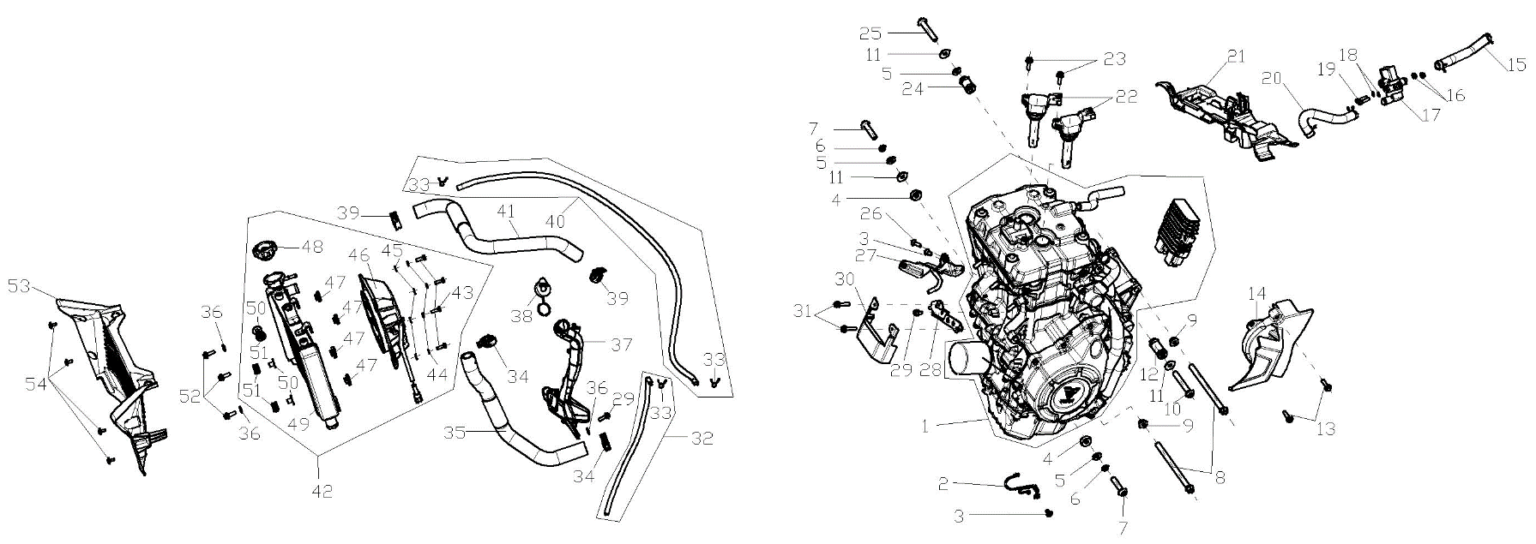

F04-01 | F3102R0041-4H0V001 | ENGINE COMP. | 1
F04-02 | 380940919-0001 | CLAMP,WIRE | 1
F04-03 | 381420061-0003 | BOLT,LOBULAR SOCKET COUNTERSUNK HEAD | 2
F04-04 | 380824401-0001 | COLLAR | 2
F04-05 | 380450006-0011 | WASHER,PLAIN | 3
F04-06 | 380460002-0010 | WASHER,ELASTIC | 2
F04-07 | 380871136-0001 | AXIS | 2
F04-08 | 380871146-0001 | AXIS | 2
F04-09 | 380400001-0009 | NUT,PREVAILING TORQUE TYPE ALL-METAL HEXAGON WITH FLANGE | 2
F04-10 | 380871134-0002 | AXIS | 1
F04-11 | 380451371-0001 | WASHER,PLAIN | 3
F04-12 | 380824400-0001 | COLLAR | 1
F04-13 | 380140318-0004 | BOLT,HEXAGON FLANGE | 2
F04-14 | 110520891-0001 | COVER COMP.,LEFT REAR | 1
F04-15 | 380741490-0001 | TUBE,BRPCSTHER | 1
F04-16 | 380370001-0005 | NUT,HEXAGON FLANGE | 2
F04-17 | 170420026-0001 | VALVE,MAGNETIC | 1
F04-18 | 380450028-0011 | WASHER,PLAIN | 2
F04-19 | 380190068-0005 | SCREW,HEXAGON SOCKET | 2
F04-20 | 380741489-0001 | TUBE,BRPCSTHER | 1
F04-21 | 301460200-0001 | BRACE,ELECTRICAL PARTS | 1
F04-22 | 270920598-0001 | COIL ASSY.,IGNITION | 2
F04-23 | 380140103-0015 | BOLT,HEXAGON FLANGE | 2
F04-24 | 380824399-0001 | COLLAR | 1
F04-25 | 380871135-0002 | AXIS | 1
F04-26 | 381420063-0003 | BOLT,LOBULAR SOCKET COUNTERSUNK HEAD | 1
F04-27 | 341540187-0001 | BRACKET,AIR GUIDE SLEEVE | 1
F04-28 | 270910032-0001 | BRACKET,RECTIFIER REGULATE | 1
F04-29 | 380140067-0013 | BOLT,HEXAGON FLANGE | 2
F04-30 | 270870022-0001 | SHEATH,ELECTRICAL PARTS | 1
F04-31 | 380140100-0011 | BOLT,HEXAGON FLANGE | 2
F04-32 | 380760401-0001 | TUBE,WATER | 1
F04-33 | 380950318-0002 | CLAMP,TUBE | 3 |  | NOT FOR SERVICE
F04-34 | 380950456-0002 | CLAMP,TUBE | 2
F04-35 | 380760398-0001 | TUBE,WATER | 1
F04-36 | 380450007-0014 | WASHER,PLAIN | 3
F04-37 | 160310064-0001 | WATER TANK,COOLING | 1
F04-38 | 160500024-0001 | CAP,WATER TANK | 1
F04-39 | 380950455-0002 | CLAMP,TUBE | 2
F04-40 | 380760400-0002 | TUBE,WATER | 1
F04-41 | 380760399-0001 | TUBE,WATER | 1
F04-42 | 160010192-0001 | HEAT RADIATOR COMP. | 1
F04-43 | 380070013-0009 | BOLT,HEXAGON | 4
F04-44 | 380460003-0013 | WASHER,ELASTIC | 4
F04-45 | 380450004-0014 | WASHER,PLAIN | 4
F04-46 | 160240061-0001 | FAN ASSY. | 1
F04-47 | 380420061-0001 | NUT,CLIP | 4
F04-48 | 160050008-0001 | CAP,FILLER | 1
F04-49 | 160020051-0001 | BODY SET,RADIATOR | 1
F04-50 | 380470144 | WASHER,FLANGE | 3 |  | NOT FOR SERVICE
F04-51 | 380890378-0001 | I-RUBBER | 3
F04-52 | 381420064-0003 | BOLT,LOBULAR SOCKET COUNTERSUNK HEAD | 3
F04-53 | 161490013-0001 | COVER,WATER-COOLER DECORATIVE(L/R | 1
F04-54 | 381420055-0001 | BOLT,LOBULAR SOCKET COUNTERSUNK HEAD | 4
F05 AIRCLEANERCOMP.
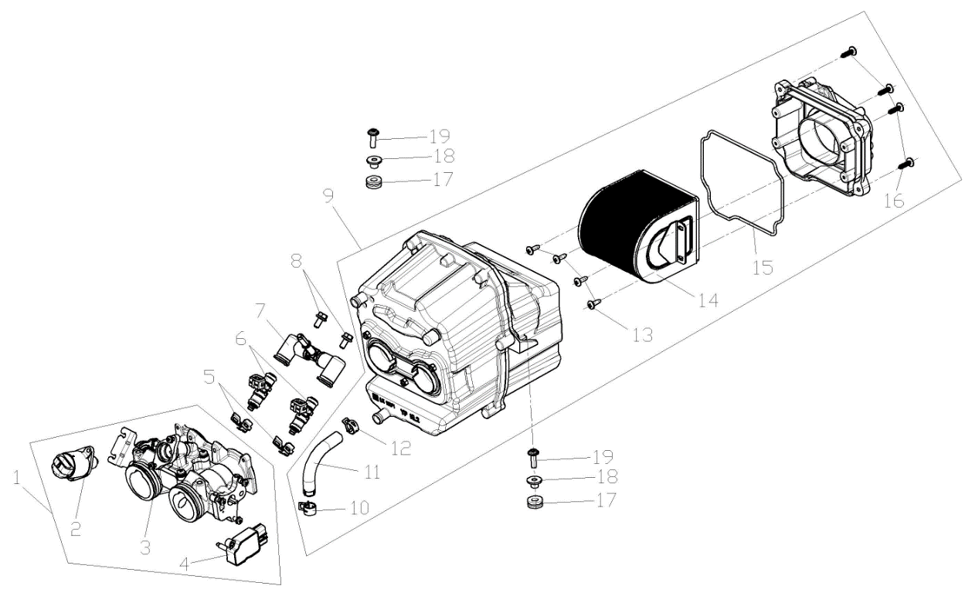

F05-01 | 172810108-0001 | VALVE BODY ASSY., THROTTLE | 1
F05-02 | 174330005-0001 | VALVE COMP.,IDLE CONTROL | 1
F05-03 | 175220002-0001 | THROTTLE GATE COMP. | 1
F05-04 | 424010007-0001 | SENSOR | 1
F05-05 | 173030011-0001 | CLAMP, FUEL JET | 2
F05-06 | 173010019-0001 | FUEL JET | 2
F05-07 | 173210013-0001 | BODY,FUEL OIL INJECTOR CAP | 1
F05-08 | 380140067-0013 | BOLT,HEXAGON FLANGE | 2
F05-09 | 180021187-0001 | AIR CLEANER COMP. | 1
F05-10 | 380950466-0001 | CLAMP,TUBE | 1
F05-11 | 271080017-0001 | HOSE,OVERFLOW | 1
F05-12 | 380950364-0001 | CLAMP,TUBE | 1
F05-13 | 390310042-0002 | SCREW,CROSS RECESSED PAN SELF-TAPPING | 4 |  | NOT FOR SERVICE
F05-14 | 180100157-0001 | ELEMENT ASSY.,AIR CLEANER | 1
F05-15 | 180090089-0001 | GLAND STRIP,AIR CLEANER | 1
F05-16 | 380310050-0002 | SCREW,CROSS RECESSED PAN SELF-TAPPING | 4 |  | NOT FOR SERVICE
F05-17 | 380890173-0001 | I-RUBBER | 2
F05-18 | 380820512-0004 | COLLAR | 2
F05-19 | 381420063-0001 | BOLT,LOBULAR SOCKET COUNTERSUNK HEAD | 2
F06 EXHAUSTMUFFLER
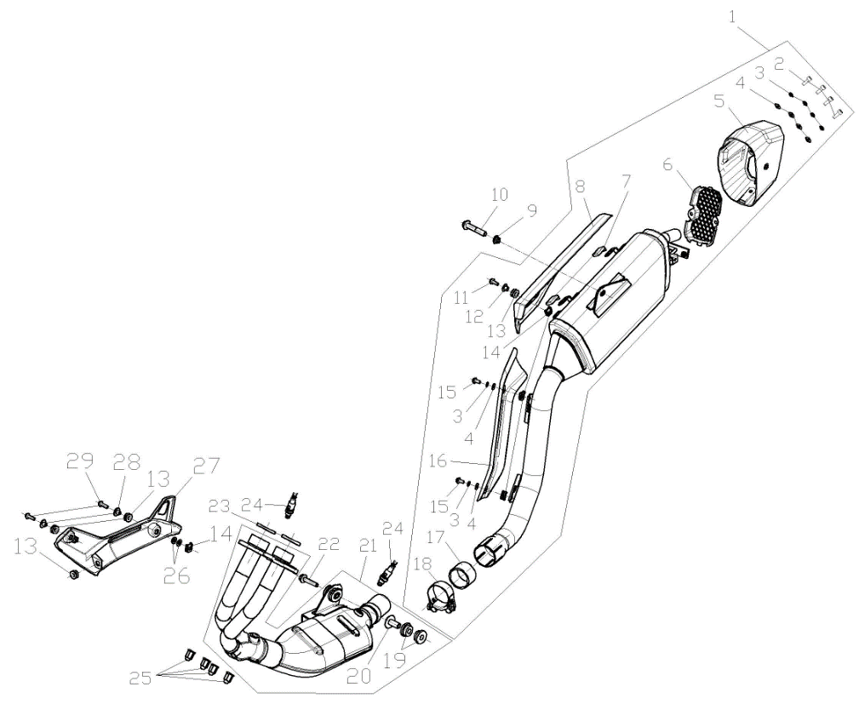

F06-01 | 180720334-0001 | REAR PART,MUFFLER | 1
F06-02 | 380190501-0001 | SCREW,HEXAGON SOCKET | 4 |  | NOT FOR SERVICE
F06-03 | 380460021-0001 | WASHER,ELASTIC | 6 |  | NOT FOR SERVICE
F06-04 | 380450278-0001 | WASHER,PLAIN | 6 |  | NOT FOR SERVICE
F06-05 | 181650044-0001 | END CAP,MUFFLER REAR | 1
F06-06 | 180930012-0001 | PLATE,DECORATIVE RIGHT | 1
F06-07 | 181600076-0001 | INSULATION BLANKET | 2
F06-08 | 180960313-0001 | SHIELD,MUFFLER | 1
F06-09 | 380400007-0008 | NUT,PREVAILING TORQUE TYPE ALL-METAL HEXAGON WITH FLANGE | 1
F06-10 | 382330073-0003 | FLANGE BOLT | 1 |  | NOT FOR SERVICE
F06-11 | 382330015-0003 | FLANGE BOLT | 1 |  | NOT FOR SERVICE
F06-12 | 380470108-0004 | WASHER,FLANGE | 1 |  | NOT FOR SERVICE
...
F06-21 | 181160132-0001 | FRONT PART,MUFFLER EXHAUST | 1
F06-22 | 382330042-0003 | FLANGE BOLT | 1
F06-23 | 180650133-0001 | GASKET,AIR EXHAUST PORT | 2
F06-24 | 172750066-0001 | OXYGEN SENSOR | 2
F06-25 | 380330031-0003 | CAP-SHAPED NUT | 4
F06-26 | 181600039-0001 | INSULATION BLANKET | 2
F06-27 | 180960271-0003 | SHIELD,MUFFLER | 1
F06-28 | 380820512-0004 | COLLAR | 2
F06-29 | 381420063-0003 | BOLT,LOBULAR SOCKET COUNTERSUNK HEAD | 2
F07 STEERINGSTEMSECTION
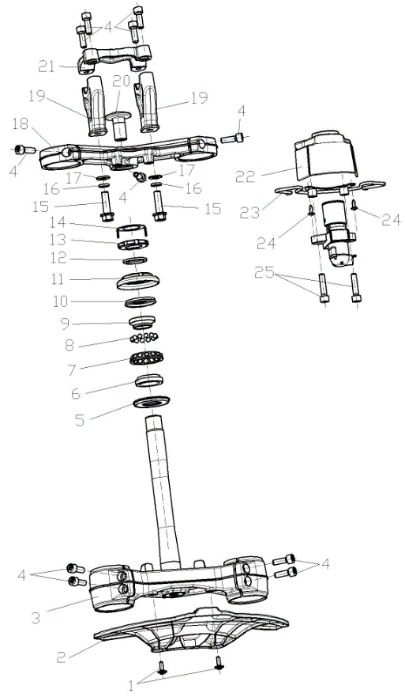
...
F07-01 | 381420049-0001 | BOLT,LOBULAR SOCKET COUNTERSUNK HEAD | 2
F07-17 | 380450006-0011 | WASHER,PLAIN | 2
F07-18 | 310180243-0001 | BRIDGE,FORK TOP | 1
F07-19 | 310210069-0001 | SUPPORT,STEERING HANDLE PIPE | 2
F07-20 | 310250019-0002 | LOCK BOLT,STEERING STEM | 1
F07-21 | 310200120-0001 | HOLDER,STEERING HANDLE PIPE | 1
F07-22 | 271350128-0001 | COVER,IGNITION SWITCH | 1
F07-23 | 271360045-0001 | BRACKET,IGNITION SWITCH COVER | 1
F07-24 | 380310007-0007 | SCREW,CROSS RECESSED PAN SELF-TAPPING | 2
F07-25 | 380190009-0010 | SCREW,HEXAGON SOCKET | 2
F08 Handle control part
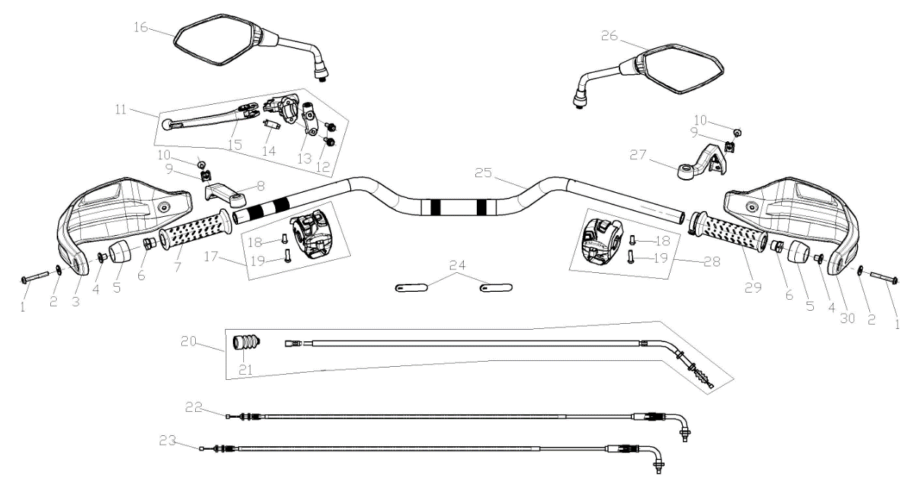
...
F08-01 | 382330022-0003 | FLANGE BOLT | 2
F08-22 | 171210705-0001 | CABLE COMP.,THROTTLE | 1
F08-23 | 171210706-0001 | CABLE COMP.,THROTTLE | 1
F08-24 | 380900131-0001 | BAND | 2
F08-25 | 320020557-0001 | PIPE COMP.,STEERING HANDLE | 1
F08-26 | 360530468-0001 | MIRROR,RIGHT REAR VIEW | 1
F08-27 | 341710033-0001 | BRACKET,HANDLE SHIELD | 1
F08-28 | 271590644-0001 | SWITCH ASSY.,RIGHT | 1 |  | E5+
F08-29 | 320190237-0001 | GREASER COMP. | 1
F08-30 | 341720062-0001 | SHIELD,RIGHT HANDLE | 1
F09 FRONTSHOCKABSORBER
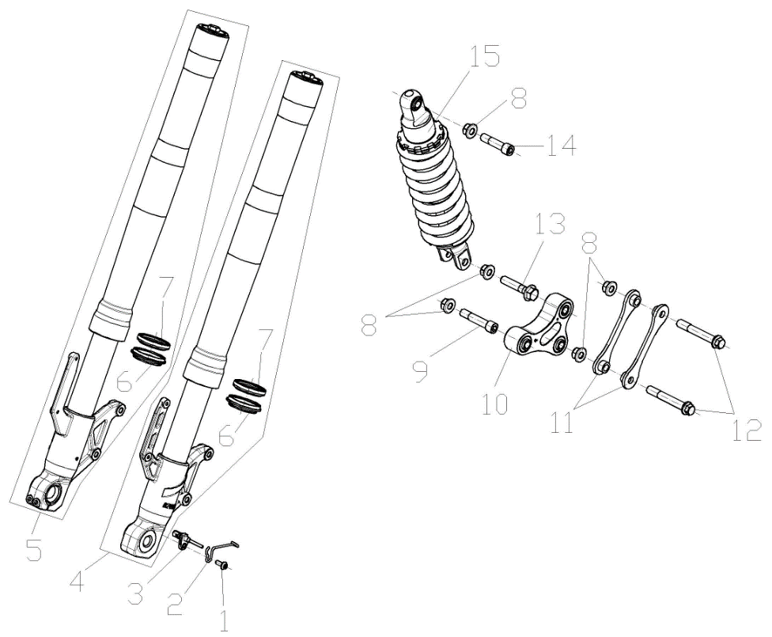
...
F09-01 | 381420049-0003 | BOLT,LOBULAR SOCKET COUNTERSUNK HEAD | 1
F09-07 | 380650786-0001 | OIL SEAL | 2
F09-08 | 380400002-0008 | NUT,PREVAILING TORQUE TYPE ALL-METAL HEXAGON WITH FLANGE | 5
F09-09 | 380871008-0001 | AXIS | 1
F09-10 | 501850009-0002 | BIG ROCKER RACK ASSY. | 1
F09-11 | 300600024-0002 | CRADLE COMP.,SUB | 2
F09-12 | 380870871-0003 | AXIS | 2
F09-13 | 380870813-0004 | AXIS | 1
F09-14 | 380871007-0001 | AXIS | 1
F09-15 | 310790652-0001 | SHOCK ABSORBER, LEFT REAR | 1
F10 REARHANGERSYSTEM
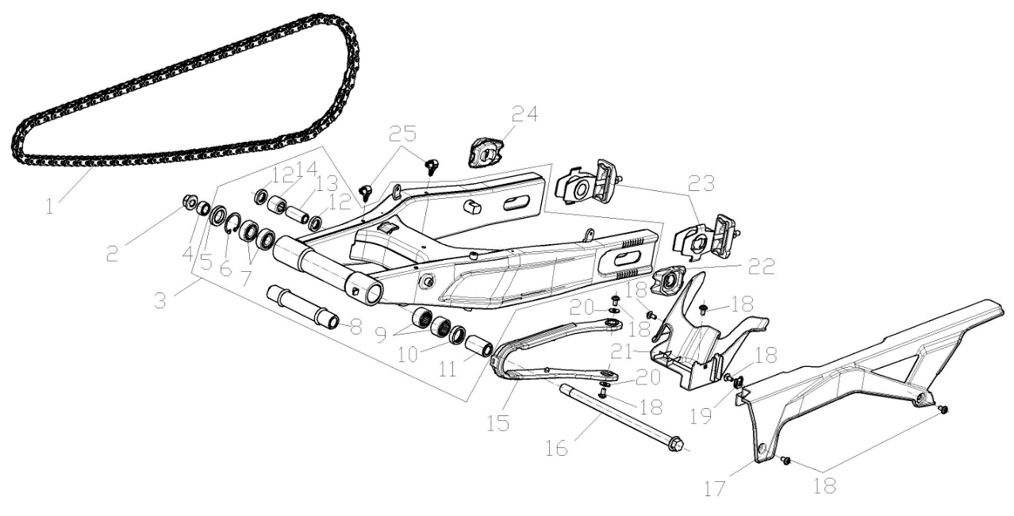
...
F10-01 | 260010271-0001 | CHAIN | 1
F10-17 | 260060250-0001 | CASE, CHAIN | 1
F10-18 | 381420061-0003 | BOLT,LOBULAR SOCKET COUNTERSUNK HEAD | 7
F10-19 | 380420062-0001 | NUT,CLIP | 1
F10-20 | 380450007-0014 | WASHER,PLAIN | 2
F10-21 | 340660410-0001 | FENDER COMP.,REAR | 1
F10-22 | 311450034-0002 | PLATE,ADJUSTER HANGER | 1
F10-23 | 311430133-0001 | ADJUSTOR,DRIVE CHAIN LEFT | 2
F10-24 | 311450033-0002 | PLATE,ADJUSTER HANGER | 1
F10-25 | 380930128-0001 | CLIP,LOCATING WIRE | 2
F11 FRONTWHEELASSY.
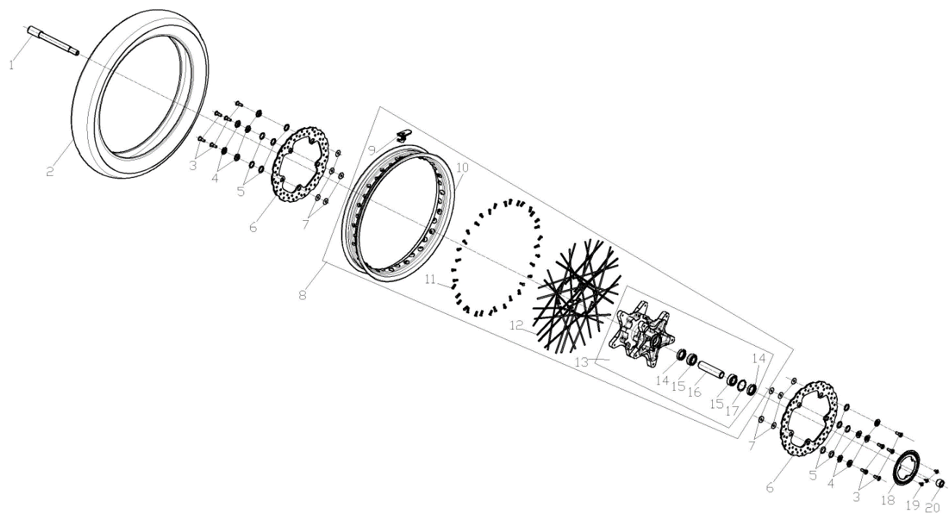
...
F11-01 | 380870739-0003 | AXIS | 1
F11-12 | 290060094-0001 | SPOKE,FRONT WHEEL INSIDE | 36
F11-13 | 290110078-0001 | HUB,FRONT WHEEL | 1
F11-14 | 380650581-0001 | OIL SEAL | 2
F11-15 | 380630126-0001 | BEARING | 2
F11-16 | 292150129-0001 | LINING COMP.,HUB | 1 |  | NOT FOR SERVICE
F11-17 | 380550168-0001 | CHECK RING,ELASTIC | 1
F11-18 | 297710007-0001 | GEAR RING, ABS | 1
F11-19 | 381420061-0003 | BOLT,LOBULAR SOCKET COUNTERSUNK HEAD | 3
F11-20 | 380824396-0001 | COLLAR | 1
F12 REARWHEELASSY.
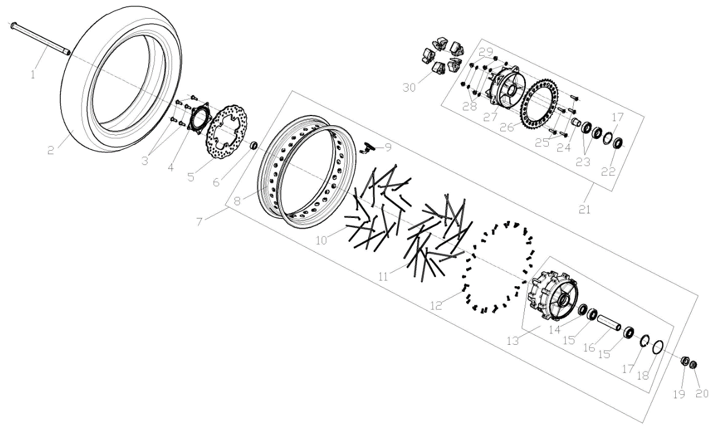
...
F12-01 | 380870985-0001 | AXIS | 1
F12-22 | 380650580-0001 | OIL SEAL | 1
F12-23 | 380630083-0001 | BEARING | 2
F12-24 | 380823653-0001 | COLLAR | 1
F12-25 | 290440040-0001 | BOLT,SPROCKET WHEEL | 5
F12-26 | 290420297-0001 | SPROCKET WHEEL | 1
F12-27 | 290390102 | SEAT,SPROCKET WHEEL | 1
F12-28 | 380451323-0001 | WASHER,PLAIN | 5
F12-29 | 380400057-0001 | NUT,PREVAILING TORQUE TYPE ALL-METAL HEXAGON WITH FLANGE | 5
F12-30 | 290310093-0001 | DAMPING PIECE,REAR WHEEL | 5
F13 DISCBRAKESYSTEM
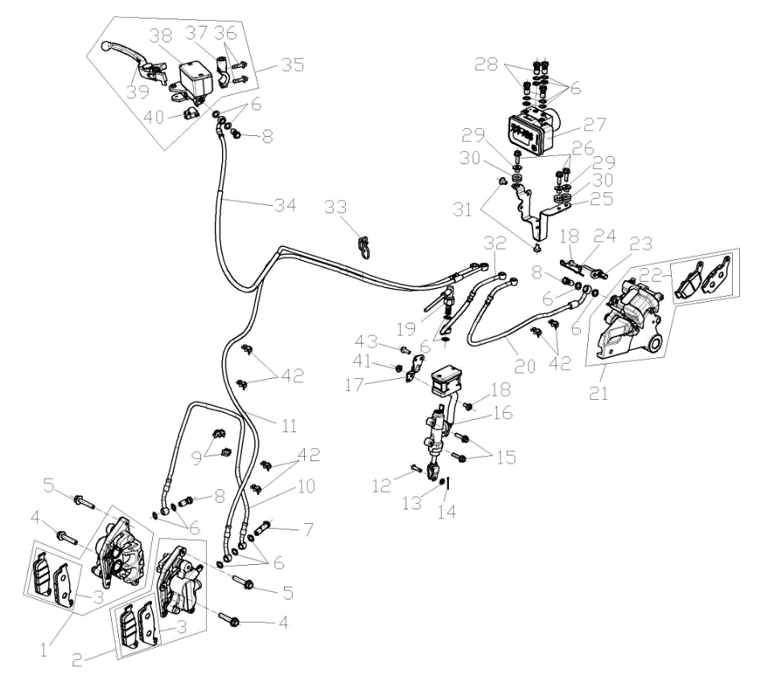
...
F13-01 | 291650020-0001 | CALIPER ASSY.,RIGHT | 1
F13-35 | 291480178-0001 | CYLINDER ASSY.,MASTER | 1
F13-36 | 380140045-0002 | BOLT,HEXAGON FLANGE | 2
F13-37 | 271740064-0001 | CLIP,RIGHT LEVER | 1
F13-38 | 293070012 | OIL CUP,DISC-BRAKE | 1
F13-39 | 271720252-0001 | LEVER COMP.,RIGHT STEERING HANDLE | 1
F13-40 | 291500071-0001 | SWITCH ASSY.,FRONT DISC-BRAKE | 1
F13-41 | 380370003-0014 | NUT,HEXAGON FLANGE | 1
F13-42 | 380950467-0001 | CLAMP,TUBE | 6
F13-43 | 380140067-0013 | BOLT,HEXAGON FLANGE | 1
F14 MAINWIREHARNESSANDELETRICPARTS
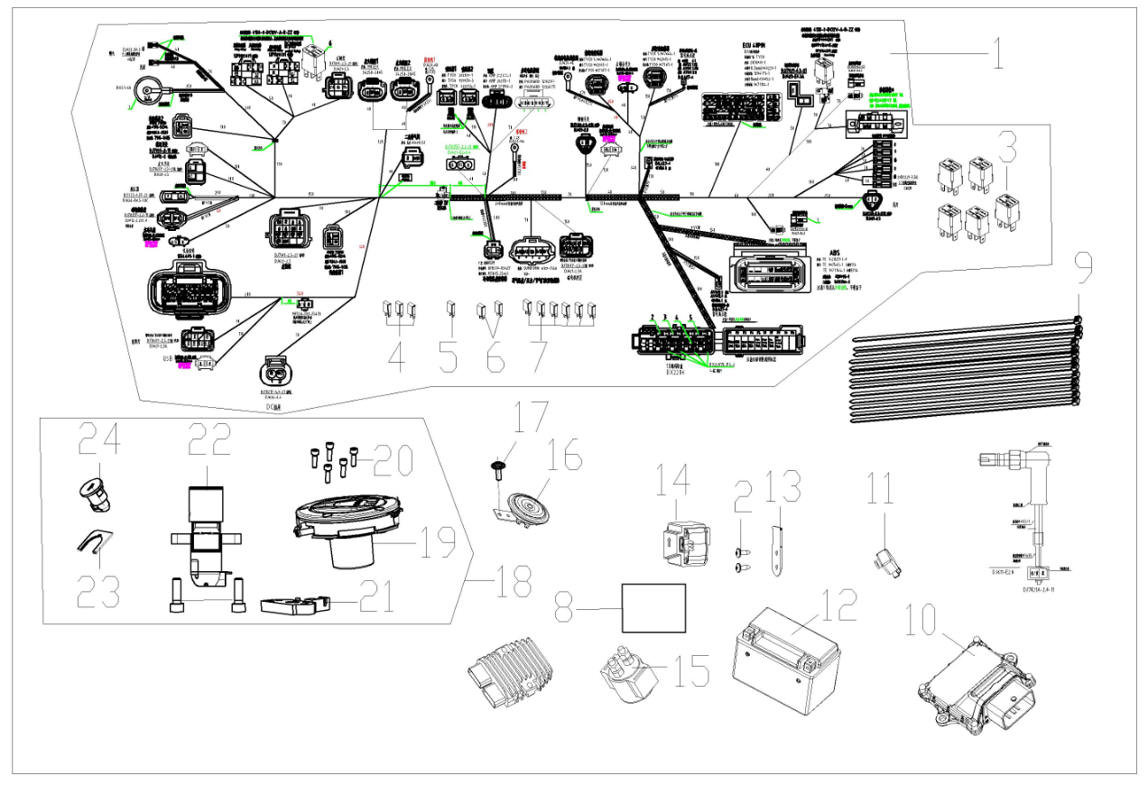
...
F14-01 | 271232684-0001 | HARNESS,WIRE | 1 |  | E5+
F14-16 | 280190262-0001 | HORN | 1
F14-17 | 381420061-0001 | BOLT,LOBULAR SOCKET COUNTERSUNK HEAD | 1
F14-18 | 500321101-0001 | LOCK KIT | 1
F14-19 | 170860209 | LOCK,FUEL TANK | 1 |  | NOT FOR SERVICE
F14-20 | 380190723-0001 | SCREW,HEXAGON SOCKET | 5 |  | NOT FOR SERVICE
F14-21 | 330170180-0001 | DEVICE,SEAT LOCKING | 1
F14-22 | 271330333 | SWITCH ASSY.,IGNITION | 1
F14-23 | 330240017-0001 | SHEET,SEAT LOCK | 1
F14-24 | 330190105-0001 | LOCK,SEAT | 1
F15 METERASSY.
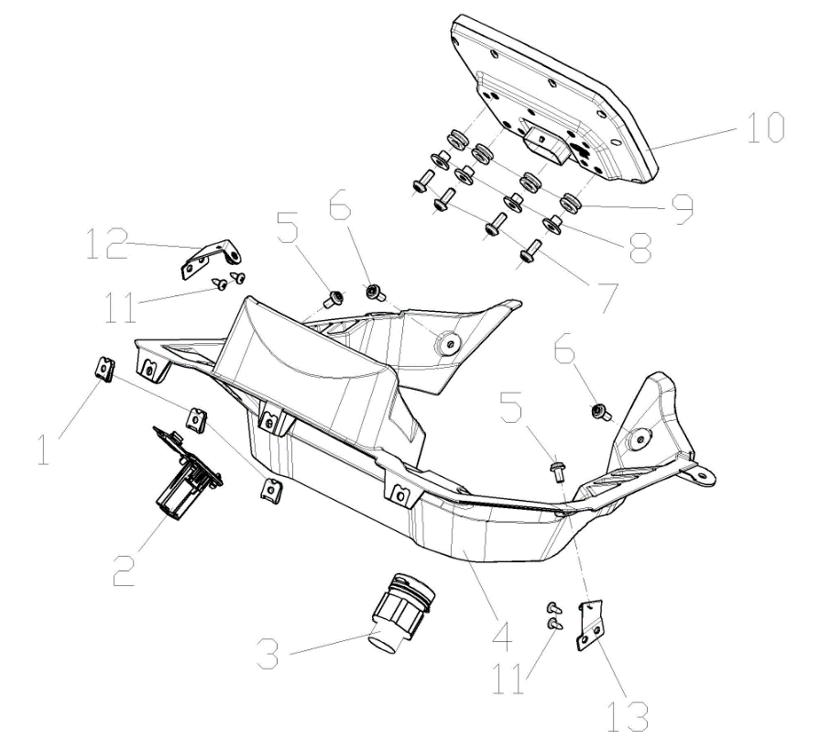
...
F15-01 | 380420070-0001 | NUT,CLIP | 3
F15-05 | 381420061-0003 | BOLT,LOBULAR SOCKET COUNTERSUNK HEAD | 2
F15-06 | 381420049-0003 | BOLT,LOBULAR SOCKET COUNTERSUNK HEAD | 2
F15-07 | 381420049-0001 | BOLT,LOBULAR SOCKET COUNTERSUNK HEAD | 4
F15-08 | 380820512-0004 | COLLAR | 4
F15-09 | 380890173-0001 | I-RUBBER | 4
F15-10 | 281371746-0001 | INSTRUMENT SET | 1 |  | E5+
F15-11 | 380310007-0007 | SCREW,CROSS RECESSED PAN SELF-TAPPING | 4
F15-12 | 283000003-0001 | LUG,METER FIXING RIGHT | 1
F15-13 | 282990008-0001 | LUG,METER FIXING LEFT | 1
F16 Headlamps and lampshade
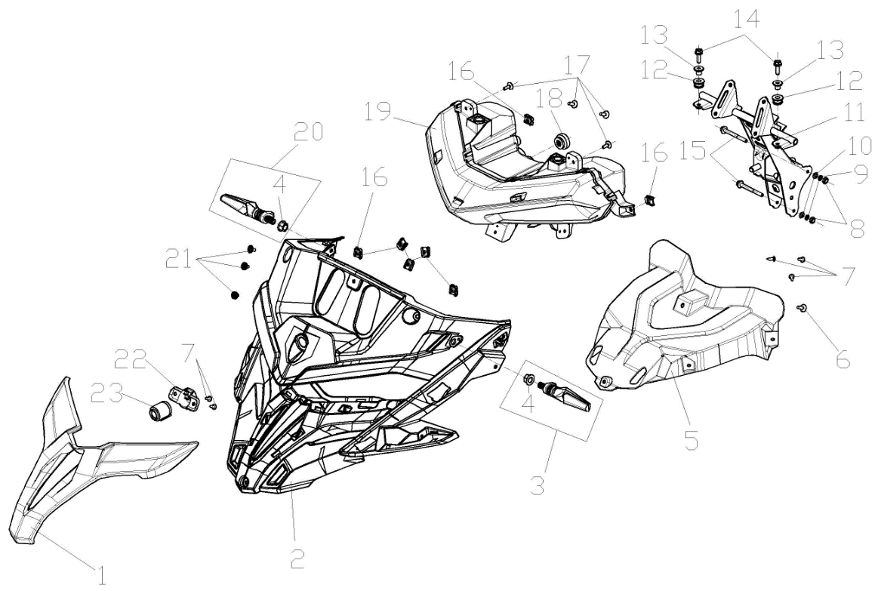
...
F16-01 | 341210470-0003 | PANEL,FRONT | 1 |  | For Meteoric Grey Model
F16-15 | 380140186-0005 | BOLT,HEXAGON FLANGE | 2
F16-16 | 380420070-0001 | NUT,CLIP | 7
F16-17 | 381420055-0001 | BOLT,LOBULAR SOCKET COUNTERSUNK HEAD | 4
F16-18 | 282520035-0001 | CUSHION,HEAD LIGHT BRACKET | 1
F16-19 | 280351075-0001 | HEADLIGHT ASSY. | 1
F16-20 | 280780661-0001 | SIGNAL ASSY.,RIGHT FRONT TURN | 1
F16-21 | 381420055-0003 | BOLT,LOBULAR SOCKET COUNTERSUNK HEAD | 3
F16-22 | 306440016-0001 | INSTALLATION BRACKET OF PICK-UP HEAD | 1 |  | 选装
F16-23 | 285260013-0001 | PICK-UP HEAD | 1 |  | 选装
F17 FUELTANKASSY
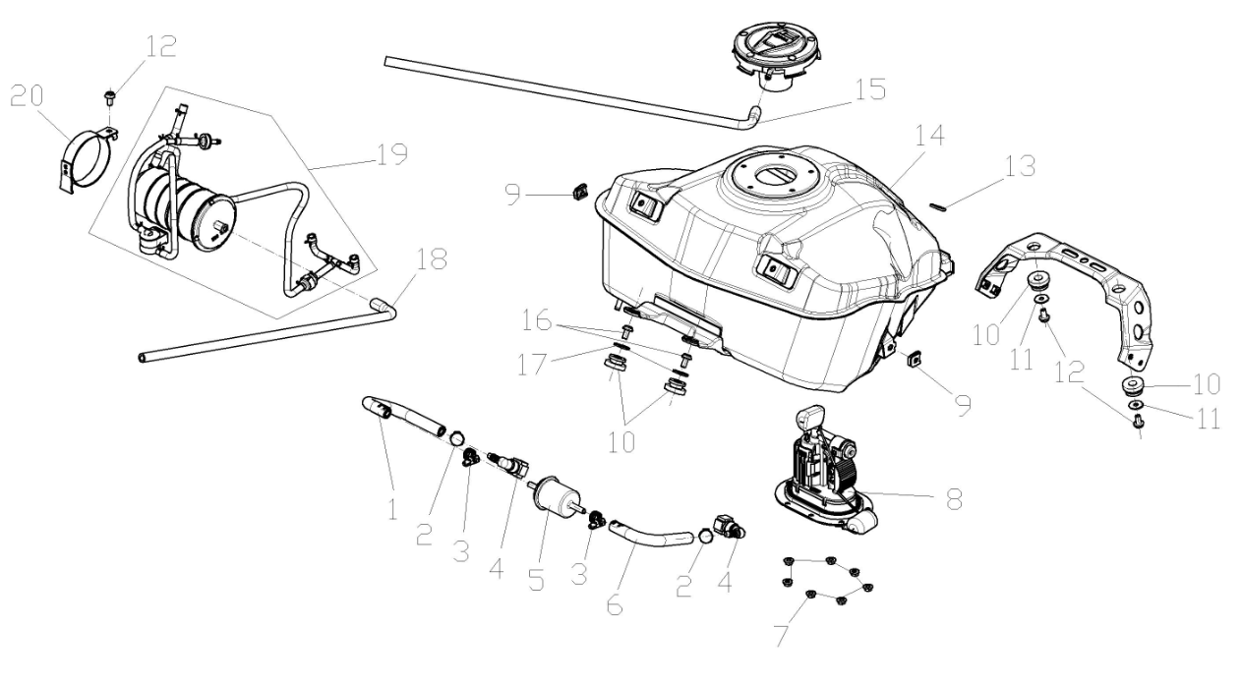
...
F17-01 | 380751351-0001 | TUBE,FUEL | 1
F17-12 | 380140067-0013 | BOLT,HEXAGON FLANGE | 3
F17-13 | 380920239-0001 | PLAIN WASHER,RUBBER | 1
F17-14 | 170501682-0001 | FUEL TANK COMP. | 1
F17-15 | 271080034-0001 | HOSE,OVERFLOW | 1
F17-16 | 381420061-0001 | BOLT,LOBULAR SOCKET COUNTERSUNK HEAD | 2
F17-17 | 380450006-0011 | WASHER,PLAIN | 2
F17-18 | 271080036-0001 | HOSE,OVERFLOW | 1
F17-19 | 173850177-0001 | CONTROLLER ASSY.,FUEL EVAPORATION | 1
F17-20 | 380960317-0001 | CLAMP ASSY. | 1
F18 Tail light and tail cover combination
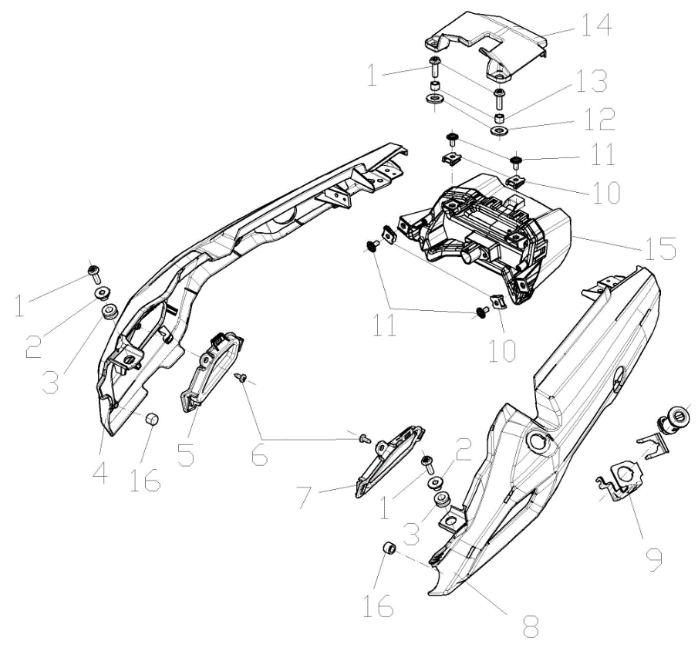
...
F18-01 | 381420063-0001 | BOLT,LOBULAR SOCKET COUNTERSUNK HEAD | 4
F18-08 | 342040223-0009 | BODY COVER.,LEFT WITH HOLE FOR BRACKET OF BOX KIT | 1 |  | For Matt Black Model
F18-09 | 330230028-0001 | BRACKET,SEAT LOCK | 1
F18-10 | 380420070-0001 | NUT,CLIP | 4
F18-11 | 381420055-0001 | BOLT,LOBULAR SOCKET COUNTERSUNK HEAD | 4
F18-12 | 380920239-0001 | PLAIN WASHER,RUBBER | 2
F18-13 | 380824140-0001 | COLLAR | 2
F18-14 | 342390297-0001 | COVER COMP.,TAIL | 1
F18-15 | 280580753-0001 | LIGHT UNIT,TAIL | 1
F18-16 | 280800191-0001 | RUBBER JACKET, DAMPING | 2
F19 FRONTFENDERSECTION
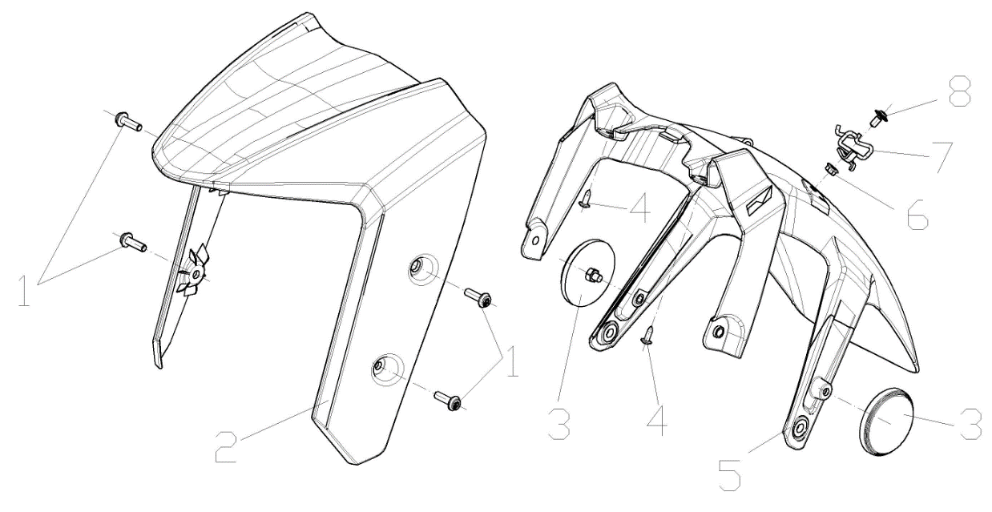

F19-01 | 381420049-0003 | BOLT,LOBULAR SOCKET COUNTERSUNK HEAD | 4
F19-02 | 340340141-0002 | FRONT PART,FRONT FENDER | 1 |  | For Meteoric Grey And Blue Two models
F19-02 | 340340141-0003 | FRONT PART,FRONT FENDER | 1 |  | For Matt Black Model
F19-03 | 280010031-0002 | REFLECTOR,LEFT SIDE | 1
F19-04 | 380310007-0007 | SCREW,CROSS RECESSED PAN SELF-TAPPING | 2
F19-05 | 340350118-0001 | REAR PART,FRONT FENDER | 1
F19-06 | 380370001-0005 | NUT,HEXAGON FLANGE | 1
F19-07 | 380950548-0001 | CLAMP,TUBE | 1
F19-08 | 381420055-0003 | BOLT,LOBULAR SOCKET COUNTERSUNK HEAD | 1
F-20 Middle front cover
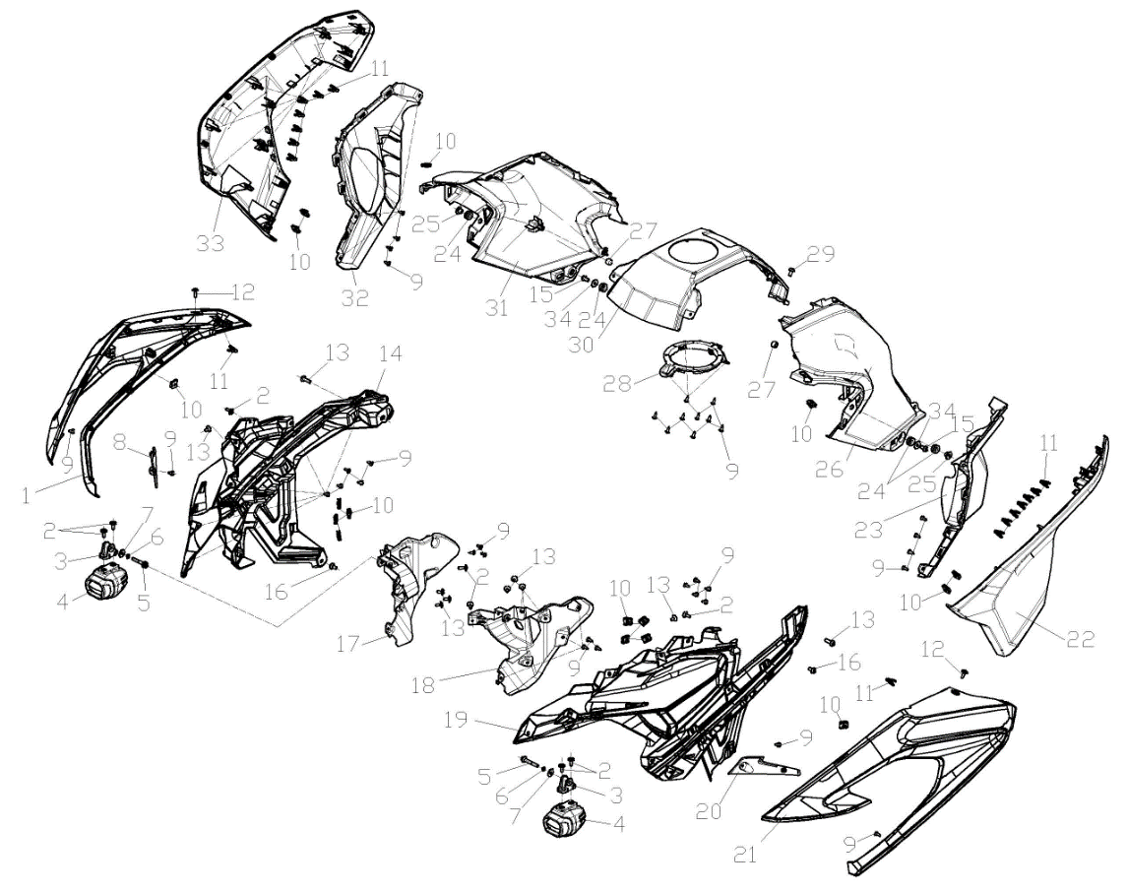
...
F20-01 | 341460058-0003 | GUARD PLATE,AIR GUIDE SLEEVE RIGHT | 1 |  | For Meteoric Grey Model
F20-30 | 343210068-0001 | COVER,FUEL TANK DECORATIVE | 1
F20-31 | 340070078-0003 | PROTECTIVE PLATE, FUEL TANK RIGHT | 1 |  | For Meteoric Grey Model
F20-31 | 340070078-0004 | PROTECTIVE PLATE, FUEL TANK RIGHT | 1 |  | For Blue Model
F20-31 | 340070078-0005 | PROTECTIVE PLATE, FUEL TANK RIGHT | 1 |  | For Matt Black Model
F20-32 | 342100107-0001 | GUARD PLATE,RIGHT | 1
F20-33 | 341860011-0003 | COVER,RIGHT GUARD PLATE DECORATIVE | 1 |  | For Meteoric Grey Model
F20-33 | 341860011-0004 | COVER,RIGHT GUARD PLATE DECORATIVE | 1 |  | For Blue Model
F20-33 | 341860011-0006 | COVER,RIGHT GUARD PLATE DECORATIVE | 1 |  | For Matt Black Model
F20-34 | 380450007-0014 | WASHER,PLAIN | 2
F-2 Side cover section
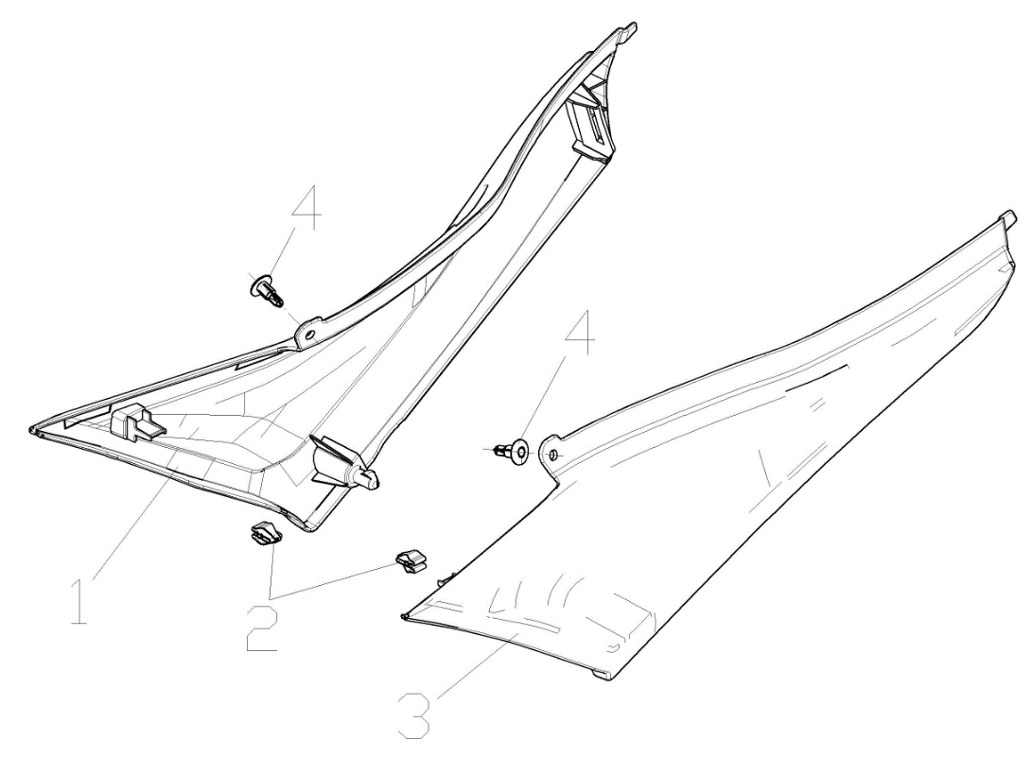

F21-01 | 340870810-0001 | COVER,RIGHT SIDE | 1
F21-02 | 277840007-0001 | FIXING CLIP | 2
F21-03 | 340750769-0001 | COVER,LEFT SIDE | 1
F21-04 | 350440029-0001 | CLIP | 2
F22 Middle rear
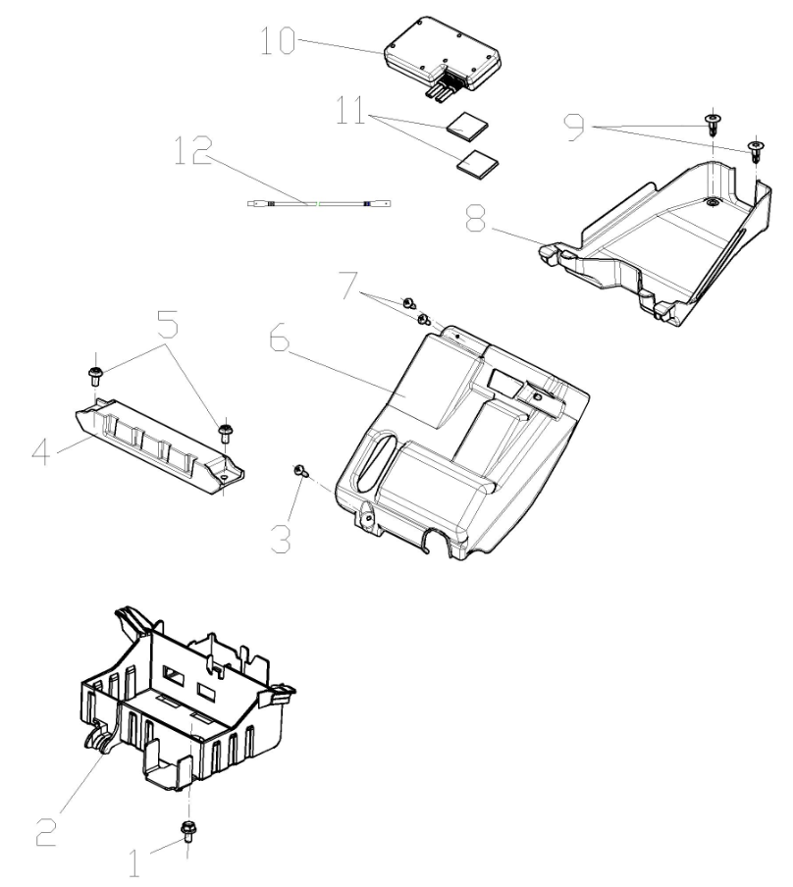
...
F22-01 | 380140067-0013 | BOLT,HEXAGON FLANGE | 1
F22-04 | 271170168-0001 | BRACKET,BATTERY PRESSURE | 1
F22-05 | 381420061-0001 | BOLT,LOBULAR SOCKET COUNTERSUNK HEAD | 2
F22-06 | 270860104-0001 | BRACKET,ELECTRICAL PARTS MOUNTING | 1
F22-07 | 380310007-0007 | SCREW,CROSS RECESSED PAN SELF-TAPPING | 2
F22-08 | 312730221-0001 | BOX,TOOL | 1
F22-09 | 350440029-0001 | CLIP | 2
F22-10 | 285370009-0001 | Driving Recorder | 1 |  | Optional
F22-11 | 361220045-0001 | TAPE,STICKY | 2 |  | Optional
F22-12 | 271280384-0001 | WIRE,CONNECTI | 1 |  | Optional
F23 REARFENDERSECTION
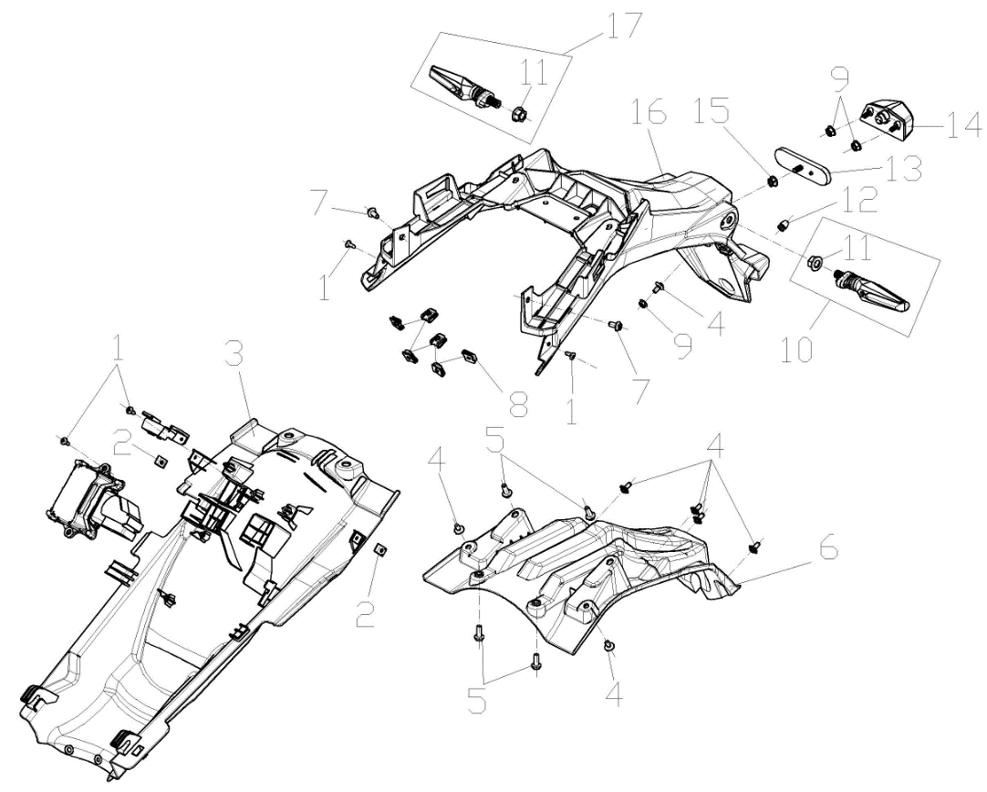
...
F23-01 | 380310007-0007 | SCREW,CROSS RECESSED PAN SELF-TAPPING | 4
F23-09 | 380370001-0005 | NUT,HEXAGON FLANGE | 3
F23-10 | 280770472-0001 | SIGNAL ASSY.,LEFT REAR TURN | 1
F23-11 | 380370002-0005 | NUT,HEXAGON FLANGE | 2
F23-12 | 381130025-0001 | GLUE NAIL,BUFFER | 1
F23-13 | 280110132-0001 | REFLECTOR,REAR | 1
F23-14 | 280720058-0001 | LAMP,REAR REGISTRATION PLATE | 1
F23-15 | 380370003-0014 | NUT,HEXAGON FLANGE | 1
F23-16 | 340680311-0001 | REAR PART,REAR FENDER | 1
F23-17 | 280790456-0001 | SIGNAL ASSY.,RIGHT REAR TURN | 1
F24 cushion
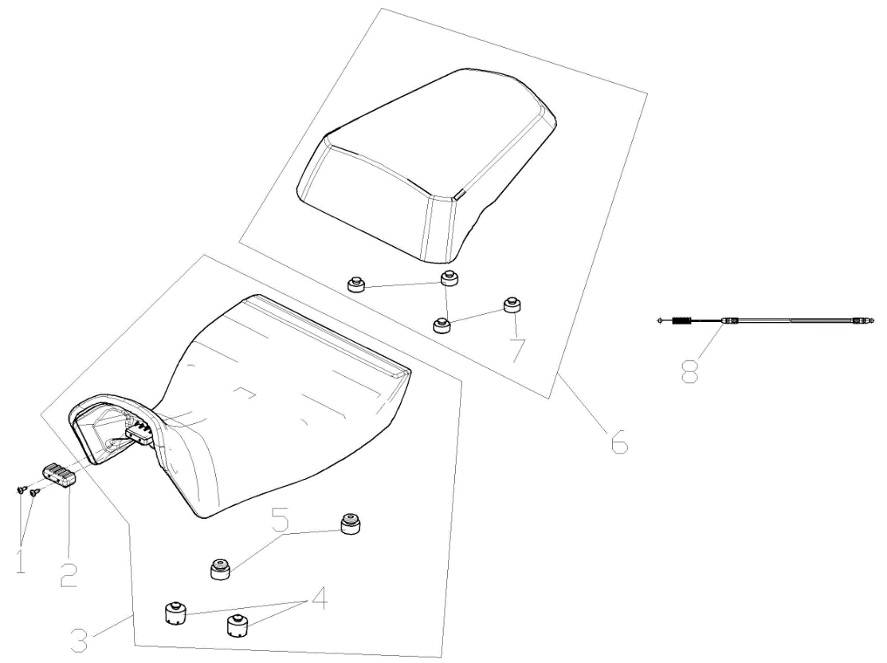

F24-01 | 380310007-0007 | SCREW,CROSS RECESSED PAN SELF-TAPPING | 2
F24-02 | 280800203-0001 | RUBBER JACKET, DAMPING | 1
F24-03 | 330020102-0001 | SEAT,DRIVER | 1
F24-04 | 330120372-0001 | RUBBER SHEET,SEAT BRACE | 2
F24-05 | 330120351-0001 | RUBBER SHEET,SEAT BRACE | 2
F24-06 | 330030101-0001 | SEAT,PASSENGER | 1
F24-07 | 330120364-0001 | RUBBER SHEET,SEAT BRACE | 4
F24-08 | 330250206-0001 | CABLE,SEAT | 1
F-25 ACCESSORIESTOOL
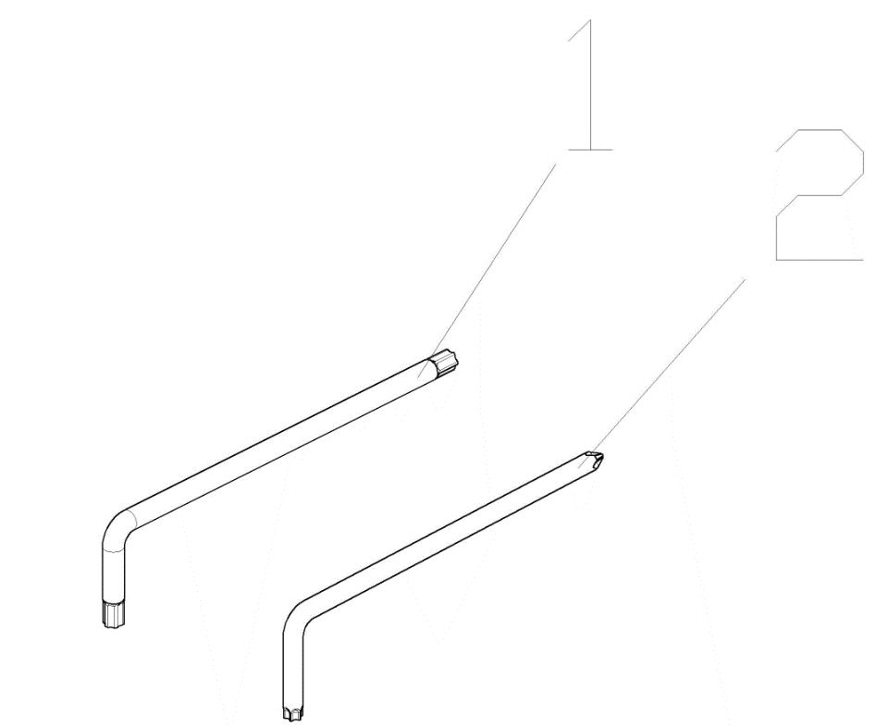
...
F25-01 | 360070050-0001 | WRENCH | 1
F26-05 | 370320076-0001 | LABEL,REMINDS | 1 |  | NO NEED TO ORDER
F26-06 | 370322824-0001 | LABEL,REMINDS | 1 |  | NO NEED TO ORDER
F26-06 | 370323253-0001 | LABEL,REMINDS | 1 |  | NO NEED TO ORDER
F26-07 | 370326120-0001 | LABEL,REMINDS | 1 |  | NO NEED TO ORDER
F26-08 | 370335973-0001 | LABEL,TYPEFACE | 1 |  | NO NEED TO ORDER
F26-09 | 370335974-0001 | LABEL,TYPEFACE | 1 |  | NO NEED TO ORDER
F26-10 | 371460001-0001 | Specification QR Code | 1 |  | NO NEED TO ORDER
F26-10 | 370327232-0001 | LABEL,REMINDS | 1 |  | NO NEED TO ORDER
F26-11 | 680630003-0001 | BRAKE FLUID | 0.35 |  | NO NEED TO ORDER
F-27 Anti-collision components
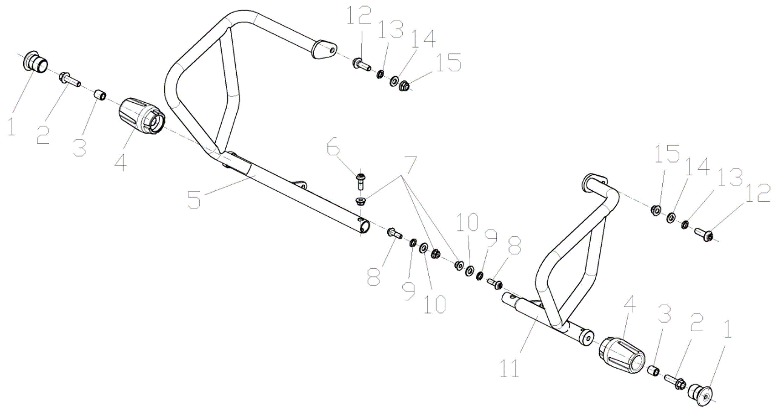
...
F27-01 | 331520016-0001 | PLATE,COLLISION BUMPER PRESSURE | 2
F27-07 | 380400007-0008 | NUT,PREVAILING TORQUE TYPE ALL-METAL HEXAGON WITH FLANGE | 3
F27-08 | 382330028-0003 | FLANGE BOLT | 2
F27-09 | 380460001-0013 | WASHER,ELASTIC | 2
F27-10 | 380450003-0012 | WASHER,PLAIN | 2
F27-11 | 331420147-0001 | BODY,COLLISION BUMPER LEFT | 1
F27-12 | 382330030-0003 | FLANGE BOLT | 2
F27-13 | 380460002-0010 | WASHER,ELASTIC | 2
F27-14 | 380450006-0011 | WASHER,PLAIN | 2
F27-15 | 380400001-0009 | NUT,PREVAILING TORQUE TYPE ALL-METAL HEXAGON WITH FLANGE | 2
F28 REAR LUGGAGE CARRIER
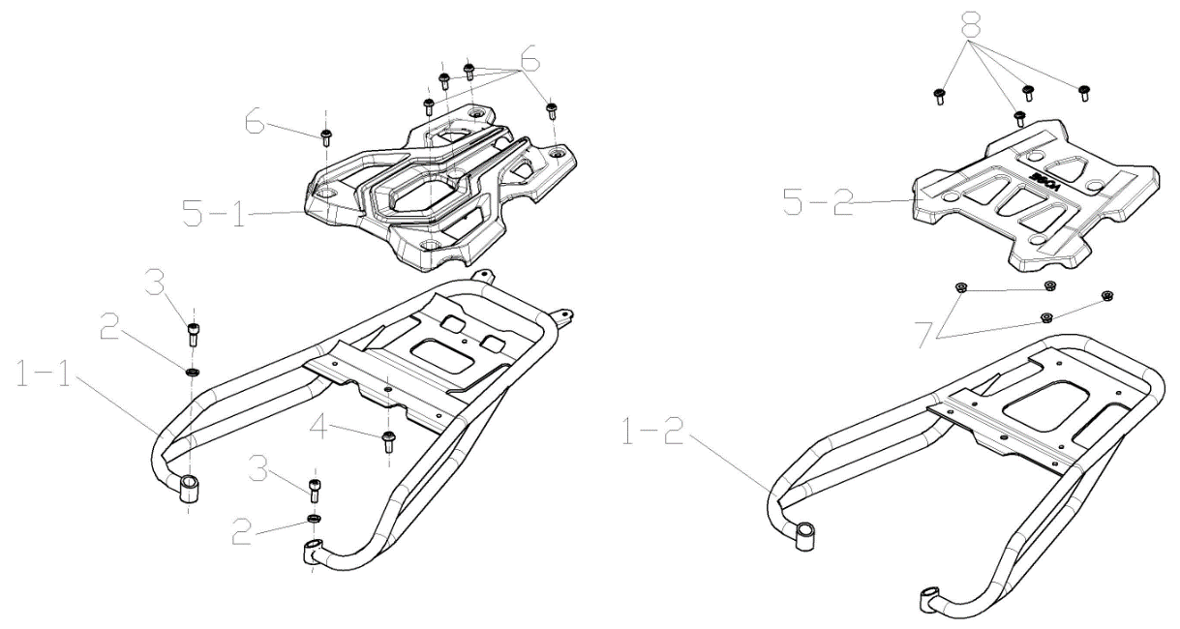

F28-01-1 | 330640758-0001 | LUGGAGE CARRIER COMP.,REAR | 1 |  | For Meteoric Grey And Blue Two models
F28-01-2 | 330640764-0001 | LUGGAGE CARRIER COMP.,REAR | 1 |  | For Matt Black Model
F28-02 | 380460001-0013 | WASHER,ELASTIC | 2
F28-03 | 381420068-0003 | BOLT,LOBULAR SOCKET COUNTERSUNK HEAD | 2
F28-04 | 382330025-0003 | FLANGE BOLT | 1
F28-05-1 | 332210017-0001 | PIECE,LUGGAGE CARRIER LEFT DECORATIVE | 1 |  | For Meteoric Grey And Blue Two models
F28-05-2 | 332210019-0001 | PIECE,LUGGAGE CARRIER LEFT DECORATIVE | 1 |  | For Matt Black Model
F28-06 | 381420061-0003 | BOLT,LOBULAR SOCKET COUNTERSUNK HEAD | 5 |  | For Meteoric Grey And Blue Two models
F28-07 | 380370003-0014 | NUT,HEXAGON FLANGE | 4 |  | For Matt Black Model
F28-08 | 381420049-0003 | BOLT,LOBULAR SOCKET COUNTERSUNK HEAD | 4 |  | For Matt Black Model
F29 TAIL BOX AND SIDE BOX
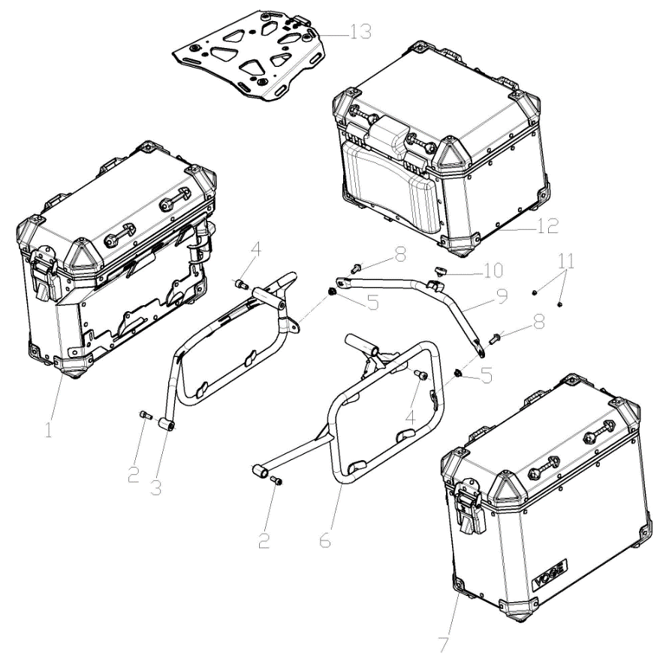
...
F29-01 | 350350042-0001 | BOX,RIGHT SIDE | 1 |  | For Meteoric Grey And Blue Two models
F29-07 | 350320042-0003 | BOX,LEFT SIDE | 1 |  | For Matt Black Model
F29-08 | 382330025-0003 | FLANGE BOLT | 2
F29-09 | 336370012-0001 | CONNECTIVE PIECE OF SIDE BOX HOLDER | 1 |  | For Meteoric Grey And Blue Two models
F29-09 | 336370013-0001 | CONNECTIVE PIECE OF SIDE BOX HOLDER | 1 |  | For Matt Black Model
F29-10 | 311990072-0001 | PAD,MAIN STAND CUSHION | 1 |  | For Meteoric Grey And Blue Two models
F29-11 | 381130034-0001 | GLUE NAIL,BUFFER | 2 |  | For Matt Black Model
F29-12 | 350480129-0001 | BOX,TAIL | 1 |  | For Meteoric Grey And Blue Two models
F29-12 | 350480141-0001 | BOX,TAIL | 1 |  | For Matt Black Model
F29-13 | 350530033-0001 | BACKPLANE,TAIL BOX | 1 |  | For Matt Black Model
F30 WINDSHIELD GLASS
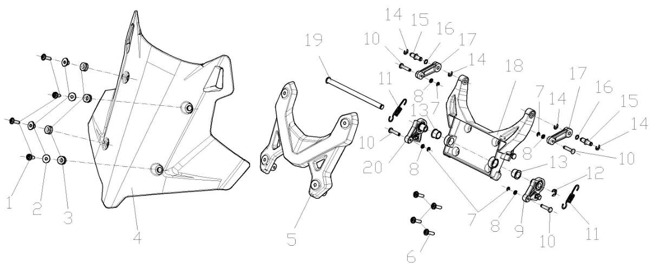
...
F30-01 | 381420063-0003 | BOLT,LOBULAR SOCKET COUNTERSUNK HEAD | 4
F30-12 | 380570025-0005 | SPLIT WASHER | 1
F30-13 | 380470168-0001 | WASHER,FLANGE | 2
F30-14 | 380570001-0008 | SPLIT WASHER | 4
F30-15 | 380610564-0001 | PIN,CLEVIS | 2
F30-16 | 380841566-0001 | RING,SEAL | 2
F30-17 | 349420001-0001 | windshield adjusting arm upper | 2
F30-18 | 348610003-0001 | BRACKET OF WINDSHIELD GLASS | 1
F30-19 | 380610570-0002 | PIN,CLEVIS | 1
F30-20 | 349430002-0001 | windshield adjusting arm lower | 1
F31 (Optional) AIR GUIDE SLEEVE,LEFT LOWER
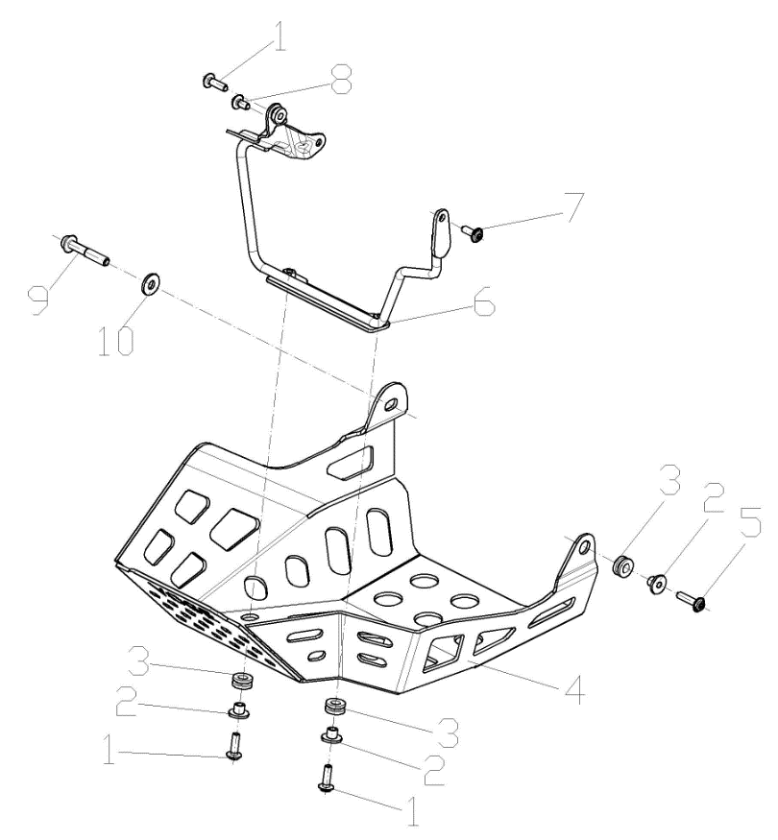
...

KEL500F
REF.No | PLM CODE | PARTS NAME | QUANTITY | UNIT | WEAR & TEAR GRADE | PICTURE
E1 | F3102R0041-4H0V001 | ENGINE | 1 | SET | C
E01 CYLINDER HEAD COVER
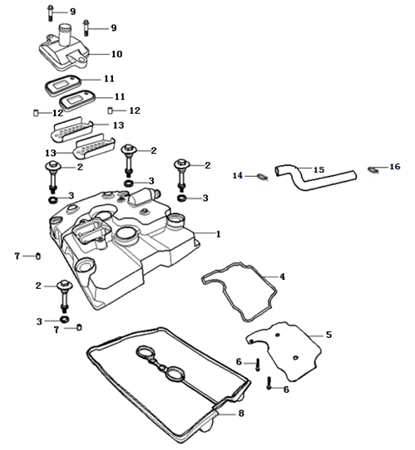
E01-01 | 120230253-0003 | COVER COMP.,CYLINDER HEAD | 1 | PCS | C
E01-02 | 380140605-0001 | BOLT,HEXAGON FLANGE | 4 | PCS | C
E01-03 | 380840987-0001 | RING,SEAL | 4 | PCS | B
E01-04 | 120660005-0001 | GASKET,OIL SEPARATING PLATE | 1 | PCS | B
E01-05 | 120520010-0001 | PLATE,OIL SEPARATING | 1 | PCS | C
E01-06 | 380140333-0001 | BOLT,HEXAGON FLANGE | 2 | PCS | C
E01-07 | 380600017-0001 | PIN,DOWEL | 2 | PCS | C
E01-08 | 380840988-0001 | RING,SEAL | 1 | PCS | B
E01-09 | 380140015-0006 | BOLT,HEXAGON FLANGE | 2 | PCS | C
E01-10 | 380780212-0003 | JOINT,CONNECTING | 1 | PCS | C
E01-11 | 140250015-0001 | VALVE,REED | 2 | PCS | C
E01-12 | 380600006-0001 | PIN,DOWEL | 2 | PCS | C
E01-13 | 180800018-0001 | SCREEN,FLAME | 2 | PCS | C
E01-14 | 380950433-0001 | CLAMP,TUBE | 1 | PCS | C
E01-15 | 380741299-0001 | TUBE,BREATHER | 1 | PCS | B
E01-16 | 380950434-0001 | CLAMP,TUBE | 1 | PCS | C
E02 CYLINDER HEAD
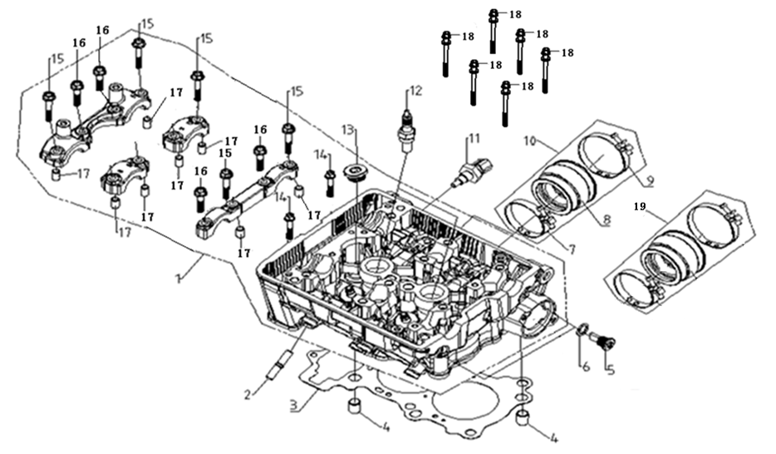
E02-01 | 500260289-0002 | CYLINDER HEAD KIT | 1 | SET | C
E02-02 | 380180184-0001 | STUD | 4 | PCS | C
E02-03 | 120150230-0001 | GASKET,CYLINDER HEAD | 1 | PCS | A
E02-04 | 380600032-0001 | PIN,DOWEL | 2 | PCS | C
E02-05 | 380190406-0001 | SCREW,HEXAGON SOCKET | 2 | PCS | C
E02-06 | 380451038-0001 | WASHER,PLAIN | 2 | PCS | C
E02-07 | 380960304-0001 | HOOP ASSY. | 1 | PCS | C
E02-08 | 180420714-0002 | TUBE,AIR INTAKE | 1 | PCS | B
E02-09 | 380960305-0001 | HOOP ASSY. | 1 | PCS | C
E02-10 | 180410068-0001 | TUBE COMP.,AIR INTAKE | 1 | SET | B
E02-11 | 270790014-0001 | SENSOR,ENGINE | 1 | PCS | C
E02-12 | 270960060-0001 | PLUG,SPARK | 2 | PCS | A
E02-13 | 380190410-0001 | SCREW,HEXAGON SOCKET | 2 | PCS | C
E02-14 | 380140030-0005 | BOLT,HEXAGON FLANGE | 2 | PCS | C
E02-15 | 380140606-0001 | BOLT,HEXAGON FLANGE | 8 | PCS | C
E02-16 | 380140607-0001 | BOLT,HEXAGON FLANGE | 4 | PCS | C
E02-17 | 380600002-0001 | PIN,DOWEL | 8 | PCS | C
E02-18 | 380710031-0001 | BOLT/SCREW/WASHER,PALIN COMP. | 6 | PCS | C
E02-19 | 180410075-0001 | TUBE COMP.,AIR INTAKE | 1 | SET | B
E03 AIR INTAKE AND EXHAUST MECHANISM
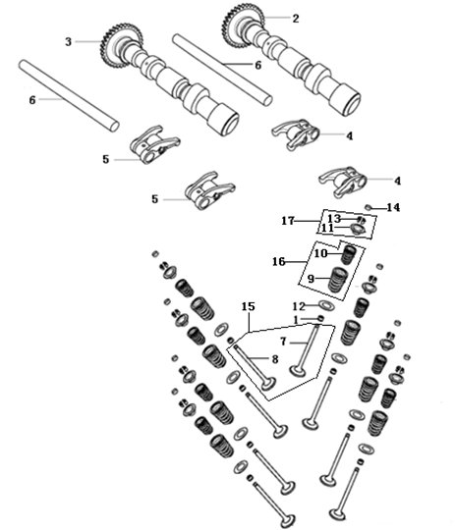
E03-01 | 140400018-0001 | SHIELD,OIL | 8 | PCS | A
E03-02 | 140020241-0001 | CAMSHAFT ASSY. | 1 | SET | B
E03-03 | 140020242-0001 | CAMSHAFT ASSY. | 1 | SET | B
E03-04 | 140450074-0001 | ARM ASSY.,VALVE ROCKER | 2 | PCS | B
E03-05 | 140450075-0001 | ARM ASSY.,VALVE ROCKER | 2 | PCS | B
E03-06 | 140510065-0001 | SHAFT,VALVE ROCKER ARM | 2 | PCS | B
E03-07 | 140300131-0001 | VALVE,INLET | 4 | PCS | A
E03-08 | 140310132-0001 | VALVE,EXHAUST | 4 | PCS | A
E03-09 | 140350049-0001 | SPRING,VALVE(OUTER) | 8 | PCS | C
E03-10 | 140340057-0001 | SPRING,VALVE(INNER) | 8 | PCS | C
E03-11 | 140380046-0001 | RETAINER,VALVE SPRING | 8 | PCS | C
E03-12 | 140380047-0001 | RETAINER,VALVE SPRING | 8 | PCS | C
E03-13 | 140390034-0001 | COTTER,VALVE | 16 | PCS | C
E03-14 | 141310006-0044 | ADJUSTING SHIM,VALVE | 8 | PCS | D
E03-14A | 502120002-0001 | ADJUSTING SHIM,VALVE KIT | 1 | SET | C
E03-15 | 50055 | VALVE KIT | 4 | SET | C
E03-16 | 14033 | SPRING SET,VALVE | 8 | PCS | C
E03-17 | 50073 | CLIP & VALVE SPRING SEAT KIT | 8 | SET | C
E04 CHAIN TENSIONER DEVICE
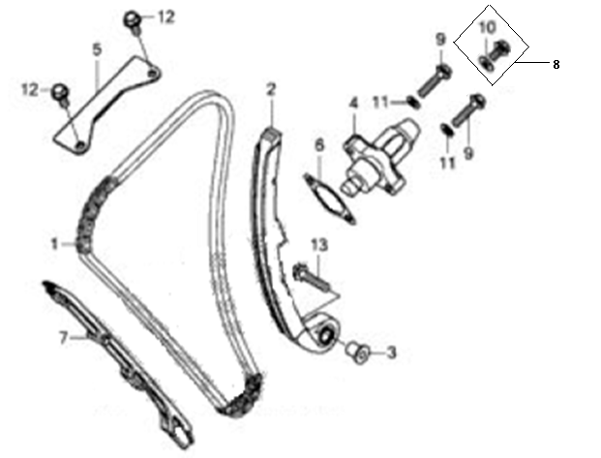
E04-01 | 140610041-0001 | CHAIN,TIMING | 1 | PCS | A
E04-02 | 140910013-0001 | PLATE,TENSION | 1 | PCS | B
E04-03 | 380824275-0001 | COLLAR | 1 | PCS | C
E04-04 | 140750034-0005 | TENSIONER ASSY.,CAM CHAIN | 1 | PCS | B
E04-05 | 140660007-0001 | PLATE,TIMING CHAIN LIMIT | 1 | PCS | C
E04-06 | 140830025-0001 | GASKET,CAM CHAIN TENSIONER | 1 | PCS | B
E04-07 | 141000037-0001 | GUIDE PLATE,CHAIN | 1 | PCS | B
E04-08 | 380140037-0003 | BOLT,HEXAGON FLANGE | 1 | PCS | C
E04-09 | 380140628-0001 | BOLT,HEXAGON FLANGE | 2 | PCS | C
E04-10 | 380451039-0001 | WASHER,PLAIN | 1 | PCS | C
E04-11 | 380450391-0001 | WASHER,PLAIN | 2 | PCS | C
E04-12 | 380140209-0001 | BOLT,HEXAGON FLANGE | 2 | PCS | C
E04-13 | 380140633-0001 | BOLT,HEXAGON FLANGE | 1 | PCS | C
E05 THERMOSTAT COMP.
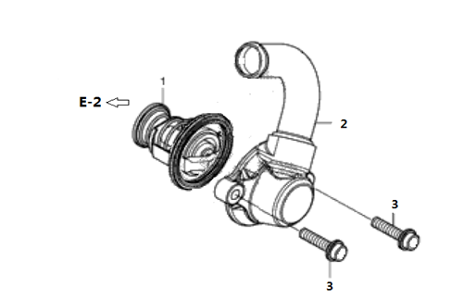
E05-01 | 160140009-0001 | VALVE,THERMOSTATIC | 1 | PCS | A
E05-02 | 160130012-0004 | COVER,THERMOSTAT | 1 | PCS | B
E05-03 | 380140021-0006 | BOLT,HEXAGON FLANGE | 2 | PCS | C
E06 CRANKCASE ASSY.
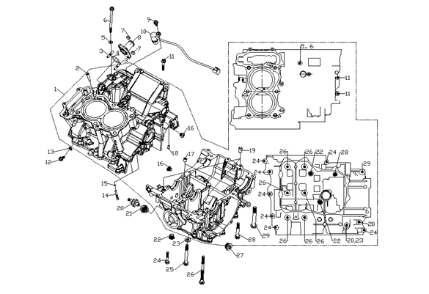
E06-01 | 500270541-0002 | CRANKCASE KIT | 1 | SET | B
E06-02 | 120920001-0001 | RUBBER STICK OF WATER PROOF | 1 | PCS | C
E06-03 | 380180185-0001 | STUD | 2 | PCS | C
E06-04 | 380840989-0001 | RING,SEAL | 1 | PCS | B
E06-05 | 380451061-0001 | WASHER,PLAIN | 1 | PCS | C
E06-06 | 380140608-0002 | BOLT,HEXAGON FLANGE | 1 | PCS | C
E06-07 | 380370003-0006 | NUT,HEXAGON FLANGE | 2 | PCS | C
E06-08 | 380780215-0001 | JOINT,CONNECTING | 1 | PCS | C
E06-09 | 380140333-0001 | BOLT,HEXAGON FLANGE | 1 | PCS | C
E06-10 | 381000486-0001 | STOPPER | 1 | PCS | C
...
E06-21 | 380140612-0001 | BOLT,HEXAGON FLANGE | 1 | PCS | C
E06-22 | 380190409-0001 | SCREW,HEXAGON SOCKET | 2 | PCS | C
E06-23 | 380451062-0001 | WASHER,PLAIN | 1 | PCS | C
E06-24 | 380140365-0002 | BOLT,HEXAGON FLANGE | 7 | PCS | C
E06-25 | 380140296-0002 | BOLT,HEXAGON FLANGE | 2 | PCS | C
E06-26 | 380140629-0001 | BOLT,HEXAGON FLANGE | 6 | PCS | C
E06-27 | 380190410-0001 | SCREW,HEXAGON SOCKET | 1 | PCS | C
E06-28 | 380140072-0002 | BOLT,HEXAGON FLANGE | 1 | PCS | C
E06-29 | 380140632-0001 | BOLT,HEXAGON FLANGE | 1 | PCS | C
E07 CRANKSHAFT AND CONNECTING ROD SET
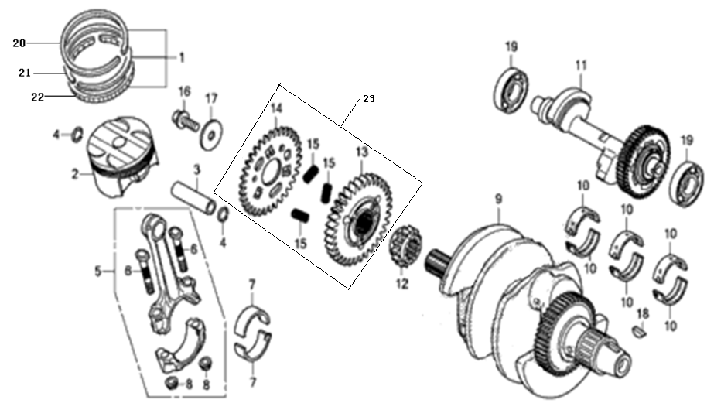
E07-01 | 130070304-0001 | RING SET,PISTON | 2 | SET | A
E07-02 | 130030346-0001 | PISTON COMP. | 2 | PCS | A
E07-03 | 130060075-0001 | PIN,PISTON | 2 | PCS | B
E07-04 | 380560122-0001 | CHECK RING,STEEL CABLE BAFFLE | 4 | PCS | C
E07-05 | 130510016-0001 | ROD COMP.,CONNECTING | 2 | SET | C
E07-06 | 130180019-0001 | BOLT,CONNECTING ROD | 4 | PCS | C
E07-07 | 110280055-0004 | BEARING,CRANKSHAFT | 2 | SET | B
E07-08 | 380370086-0001 | NUT,HEXAGON FLANGE | 4 | PCS | C
E07-09 | 130290756-0002 | CRANKSHAFT COMP. | 1 | SET | C
E07-10 | 502230002-0001 | BEARING,CRANKSHAFT KIT | 3 | SET | B
...
E07-15 | 38115 | SPRING,COMPRESSION | 3 | PCS | B
E07-16 | 380140616-0001 | BOLT,HEXAGON FLANGE | 1 | PCS | C
E07-17 | 380451045-0001 | WASHER,PLAIN | 1 | PCS | C
E07-18 | 380620125 | KEY | 1 | PCS | C
E07-19 | 380630005-0002 | BEARING | 2 | PCS | B
E07-20 | 130080178-0001 | 1ST PISTON RING | 1 | PCS | C
E07-21 | 130090177-0001 | 2ND PISTON RING | 1 | PCS | C
E07-22 | 130110155-0001 | OIL RING COMP. | 1 | PCS | C
E07-23 | 194610002-0001 | DRIVING GEAR ASSY.,PRIMARY | 1 | PCS | C
E08 TRANSMISSION MAINSHAFT AND COUNTERSHAFT ASSY
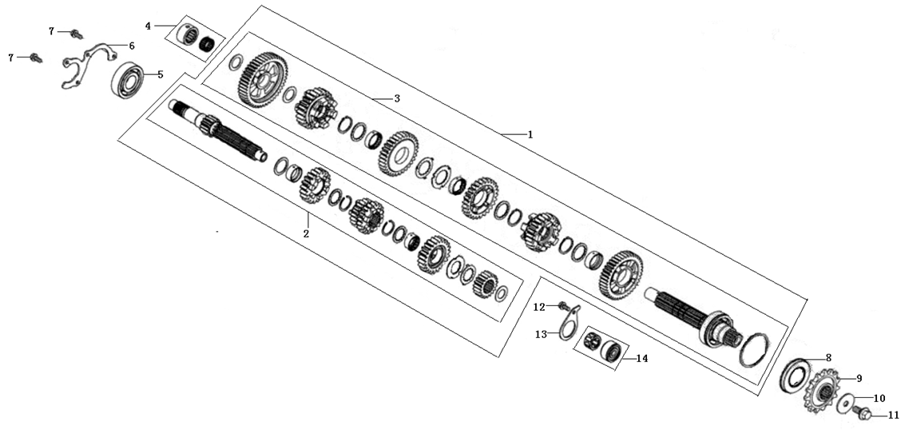
E08-01 | 500290314-0001 | MAINSHAFT&COUNTERSHAFT KIT | 1 | SET | B
E08-02 | 191250117-0001 | MAINSHAFT COMP. | 1 | SET | B
E08-03 | 191390205-0001 | COUNTERSHAFT COMP. | 1 | SET | B
E08-04 | 382150002-0002 | BEARING ASSY. | 1 | PCS | C
E08-05 | 380630048-0002 | BEARING | 1 | PCS | B
E08-06 | 191380011-0001 | CHECK PLATE,MAINSHAFT BEARING | 1 | PCS | C
E08-07 | 380140209-0001 | BOLT,HEXAGON FLANGE | 2 | PCS | C
E08-08 | 380650803-0001 | OIL SEAL | 1 | PCS | B
E08-09 | 191600114-0001 | COUNTER SHAFT DRIVE SPROCKET | 1 | PCS | A
E08-10 | 380451047-0001 | WASHER,PLAIN | 1 | PCS | C
E08-11 | 380140614-0001 | BOLT,HEXAGON FLANGE | 1 | PCS | C
E08-12 | 380140625-0001 | BOLT,HEXAGON FLANGE | 1 | PCS | C
E08-13 | 197030001-0001 | PRESSING PLATE OF MAINSHAFT COLLAR | 1 | PCS | C
E08-14 | 382150006-0001 | BEARING ASSY. | 1 | PCS | C
E09 SPEED CONTROL MECHANISM
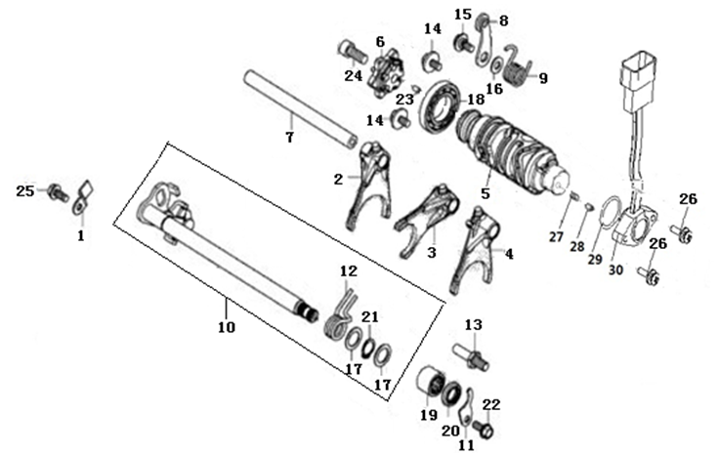
E09-01 | 192350021-0001 | PLATE,GEAR SHIFT LIMIT | 1 | PCS | C
E09-02 | 192120079-0001 | FORK,GEAR SHIFT | 1 | PCS | C
E09-03 | 192120078-0001 | FORK,GEAR SHIFT | 1 | PCS | C
E09-04 | 192120077-0001 | FORK,GEAR SHIFT | 1 | PCS | C
E09-05 | 192080075-0001 | DRUM COMP.,GEAR SHIFT | 1 | PCS | C
E09-06 | 196820002-0001 | GEARSHIFT DRUM PLATE ASSY. | 1 | PCS | C
E09-07 | 192130036-0001 | SHAFT,SHIFT FORK GUIDE | 1 | PCS | C
E09-08 | 192190024-0001 | CHECK PLATE ASSY. | 1 | PCS | C
E09-09 | 381160229-0001 | SPRING,TORSIONAL | 1 | PCS | B
E09-10 | 192320114-0001 | ARM COMP.,GEAR CHANGE | 1 | SET | B
...
E09-22 | 380140209-0001 | BOLT,HEXAGON FLANGE | 1 | PCS | C
E09-23 | 380610323-0001 | PIN,CLEVIS | 1 | PCS | C
E09-24 | 380190010-0008 | SCREW,HEXAGON SOCKET | 1 | PCS | C
E09-25 | 380140333-0001 | BOLT,HEXAGON FLANGE | 1 | PCS | C
E09-26 | 380680004-0004 | SCREW,CROSS RECESSED PAN HEAD/WASHER,ELASTIC/WASHER,PLAIN COMP. | 2 | PCS | C
E09-27 | 381150005-0001 | SPRING,COMPRESSION | 1 | PCS | B
E09-28 | 270720001-0001 | SHIFT CONTACT,GEAR INDICATOR SWITCH | 1 | PCS | C
E09-29 | 380840012-0001 | RING,SEAL | 1 | PCS | B
E09-30 | 270650098-0002 | SWITCH COMP.,GEAR INDICATOR | 1 | SET | B
E10 CLUTCH ASSY
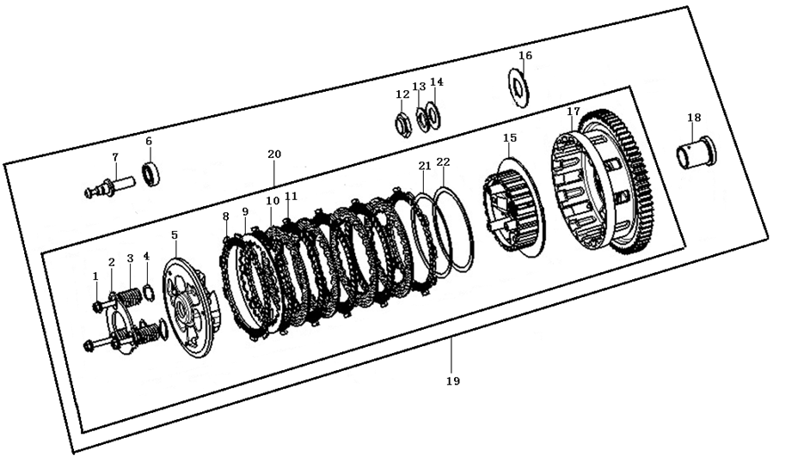
E10-01 | 380140592-0001 | BOLT,HEXAGON FLANGE | 3 | PCS | C
E10-02 | 190480033-0001 | PLATE,CLUTCH LIFTER | 1 | PCS | B
E10-03 | 190550079-0001 | SPRING,CLUTCH | 3 | PCS | B
E10-04 | 194030002-0001 | CLUTCH DAMPING SPRING SEAT | 3 | PCS | C
E10-05 | 190470108-0001 | PLATE,CLUTCH PRESSURE | 1 | PCS | B
E10-06 | 380630013-0001 | BEARING | 1 | PCS | B
E10-07 | 190730042-0001 | PUSH ROD | 1 | PCS | C
E10-08 | 190430045-0001 | DISK,CLUTCH FRICTION | 3 | PCS | A
E10-09 | 190460061-0001 | PLATE,CLUTCH | 1 | PCS | A
E10-10 | 190460041-0001 | PLATE,CLUTCH | 4 | PCS | A
...
E10-14 | 380451042-0001 | WASHER,PLAIN | 1 | PCS | C
E10-15 | 190410050-0001 | CENTER CASE SET OF CLUTCH | 1 | PCS | C
E10-16 | 380451060-0001 | WASHER,PLAIN | 1 | PCS | C
E10-17 | 190330136-0001 | OUTER COMP.,CLUTCH | 1 | PCS | B
E10-18 | 380823196-0001 | COLLAR | 1 | PCS | C
E10-19 | 500280419-0001 | CLUTCH KIT | 1 | SET | B
E10-20 | 190320036-0001 | CENTER CASE SET OF CLUTCH | 1 | SET | B
E10-21 | 381170015-0001 | DISC SPRING | 1 | PCS | C
E10-22 | 380451048-0001 | WASHER,PLAIN | 1 | PCS | C
E11 RIGHT CRANKCASE COVER
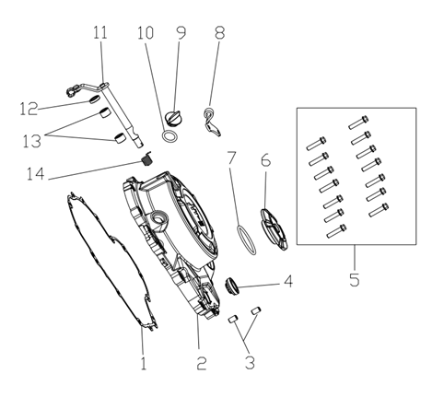
E11-01 | 110620087-0001 | GASKET,RIGHT CRANKCASE COVER | 1 | PCS | A
E11-02 | 110600933-0003 | COVER COMP.,RIGHT CRANKCASE | 1 | PCS | C
E11-03 | 380600002-0001 | PIN,DOWEL | 2 | PCS | C
E11-04 | 110630008-0001 | SIGHT GLASS,OIL | 1 | PCS | C
E11-05 | 380140017-0005 | BOLT,HEXAGON FLANGE | 14 | PCS | C
E11-06 | 110440018-0004 | COVER,INSPECTION | 1 | PCS | B
E11-07 | 380840992-0001 | RING,SEAL | 1 | PCS | B
E11-08 | 191230070-0001 | PLATE,CLUTCH CABLE LOCATING | 1 | PCS | C
E11-09 | 110700008-0002 | GAUGE COMP.,OIL LEVEL | 1 | PCS | B
E11-10 | 380840006-0001 | RING,SEAL | 1 | PCS | B
E11-11 | 190810114-0001 | JOYSTICK ASSY.,CLUTCH | 1 | PCS | B
E11-12 | 380650098-0001 | OIL SEAL | 1 | PCS | B
E11-13 | 380630045-0001 | BEARING | 2 | PCS | B
E11-14 | 381160227-0001 | SPRING,TORSIONAL | 1 | PCS | B
E12 GENERATOR ASSY
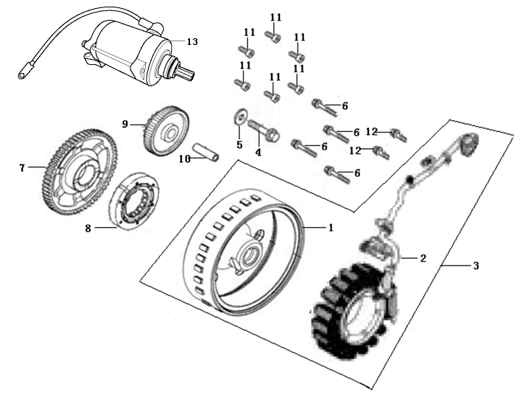
E12-01 | 270020289-0001 | ROTOR COMP. | 1 | SET | C
E12-02 | 270100163-0005 | STATOR COMP. | 1 | SET | B
E12-03 | 27001 | GENERATOR ASSY. | 1 | SET | B
E12-04 | 380140650-0001 | BOLT,HEXAGON FLANGE | 1 | PCS | C
E12-05 | 380451046-0001 | WASHER,PLAIN | 1 | PCS | C
E12-06 | 380140019-0006 | BOLT,HEXAGON FLANGE | 4 | PCS | C
E12-07 | 193240041-0001 | DISK GEAR | 1 | PCS | C
E12-08 | 193090030-0001 | BODY ASSY.,STARTING CLUTCH | 1 | PCS | B
E12-09 | 193190043-0001 | DUPLEX GEAR,ELECTRIC STARTING | 1 | PCS | C
E12-10 | 193230027-0001 | SHAFT,DUPLEX GEAR | 1 | PCS | C
E12-11 | 380190415-0001 | SCREW,HEXAGON SOCKET | 6 | PCS | C
E12-12 | 380140627-0001 | BOLT,HEXAGON FLANGE | 2 | PCS | C
E12-13 | 270350082-0005 | MOTOR ASSY.,STARTING | 1 | SET | B
E13 LEFT CRANKCASE COVER
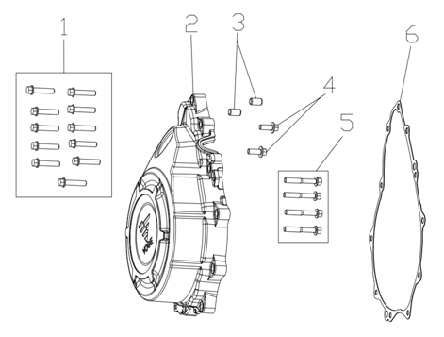
E13-01 | 380140017-0005 | BOLT,HEXAGON FLANGE | 11 | PCS | C
E13-02 | 110400428-0003 | COVER COMP.,LEFT FRONT | 1 | PCS | C
E13-03 | 380600002-0001 | PIN,DOWEL | 2 | PCS | C
E13-04 | 380140627-0001 | BOLT,HEXAGON FLANGE | 2 | PCS | C
E13-05 | 380140019-0006 | BOLT,HEXAGON FLANGE | 4 | PCS | C
E13-06 | 110420048-0001 | GASKET,LEFT FRONT COVER | 1 | PCS | A
E14 LUBRICATING SYSTEM
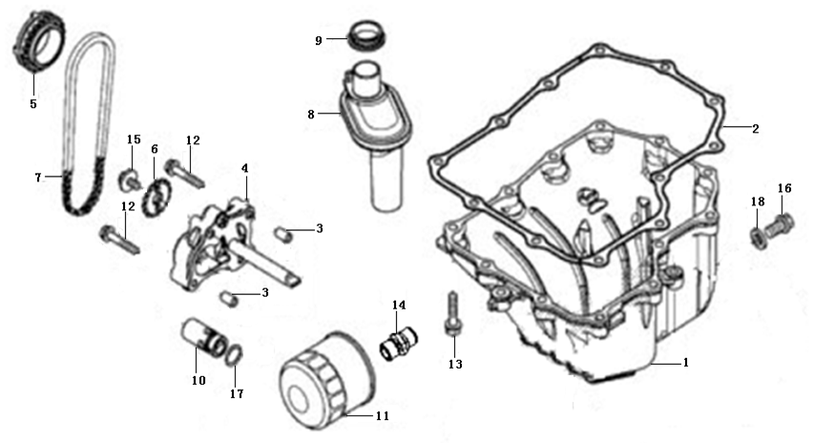
E14-01 | 110900019-0002 | CRANKCASE OIL TRAY | 1 | PCS | C
E14-02 | 110910005-0001 | GASKET,CRANKCASE OIL TRAY | 1 | PCS | A
E14-03 | 380600002-0001 | PIN,DOWEL | 2 | PCS | C
E14-04 | 150010097-0001 | PUMP ASSY.,OIL | 1 | SET | C
E14-05 | 150150034-0001 | SPROCKET,OIL PUMP DRIVE | 1 | PCS | C
E14-06 | 150070051-0001 | SPROCKET,OIL PUMP DRIVEN | 1 | PCS | B
E14-07 | 260010216-0001 | CHAIN,DRIVE | 1 | PCS | A
E14-08 | 150970001-0001 | OIL SUCKING TUBE COMP. | 1 | PCS | C
E14-09 | 380840995-0001 | RING,SEAL | 1 | PCS | B
E14-10 | 150600006-0001 | VALVE COMP.,OIL CONTROL | 1 | SET | C
E14-11 | 150350015-0001 | OIL FILTER ASSY.,SECONDARY | 1 | SET | C
E14-12 | 380140100-0003 | BOLT,HEXAGON FLANGE | 4 | PCS | C
E14-13 | 380140626-0001 | BOLT,HEXAGON FLANGE | 12 | PCS | C
E14-14 | 380780216-0001 | JOINT,CONNECTING | 1 | PCS | C
E14-15 | 380710030-0001 | BOLT/SCREW/WASHER,PALIN COMP. | 1 | PCS | C
E14-16 | 110260069-0001 | SCREW PLUG,SEAL | 1 | PCS | C
E14-17 | 380841006-0001 | RING,SEAL | 1 | PCS | B
E14-18 | 380450018-0003 | WASHER,PLAIN | 1 | PCS | C
E15 COOLING SYSTEM
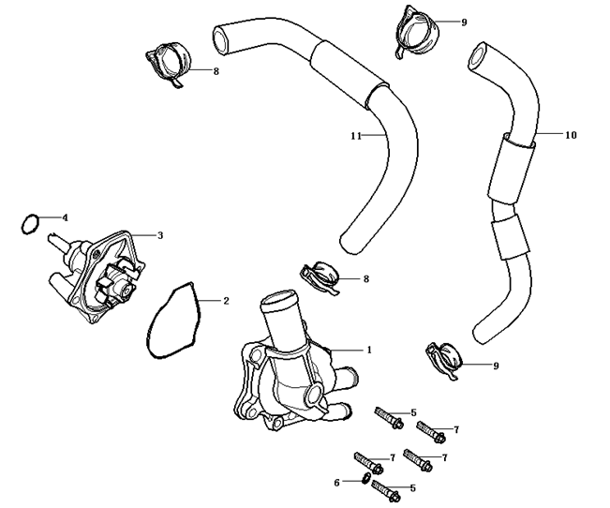
E15-01 | 160470048-0004 | CAP,COOLING PUMP | 1
E15-02 | 380840990-0001 | RING,SEAL | 1
E15-03 | 160400021-0001 | PUMP,COOLING | 1
E15-04 | 380841043-0001 | RING,SEAL | 1
E15-05 | 380140628-0001 | BOLT,HEXAGON FLANGE | 2
E15-06 | 380450391-0001 | WASHER,PLAIN | 1
E15-07 | 380140032-0005 | BOLT,HEXAGON FLANGE | 3
E15-08 | 380950484-0001 | CLAMP,TUBE | 2
E15-09 | 380950414-0002 | CLAMP,TUBE | 2
E15-10 | 380760302-0001 | TUBE,WATER | 1
...

