DS625X
LX600-D & LX600-DⅠ（DS625X）202409
Ref.No. | PLM CODE | PARTS NAME | UNIT | WEAR & TEAR GRADE | QTY/UNIT | picture | REMARK
1 | LR712RS002CKV01HHZ | Motorcycle | TAI | C | 1
2 | LR712RS002CKV02YHZ | Motorcycle | TAI | C | 1
3 | LR712RS002KMI01HHZ | Motorcycle | TAI | C | 1
4 | LR712RS002KMI02YHZ | Motorcycle | TAI | C | 1
5 | LR712RS002MEG01HHZ | Motorcycle | TAI | C | 1
6 | LR712RS002MEG02YHZ | Motorcycle | TAI | C | 1
7 | LR712WS001CKV01HHZ | Motorcycle | TAI | C | 1
8 | LR712WS001CKV02YHZ | Motorcycle | TAI | C | 1
F01 FRAMEASSY
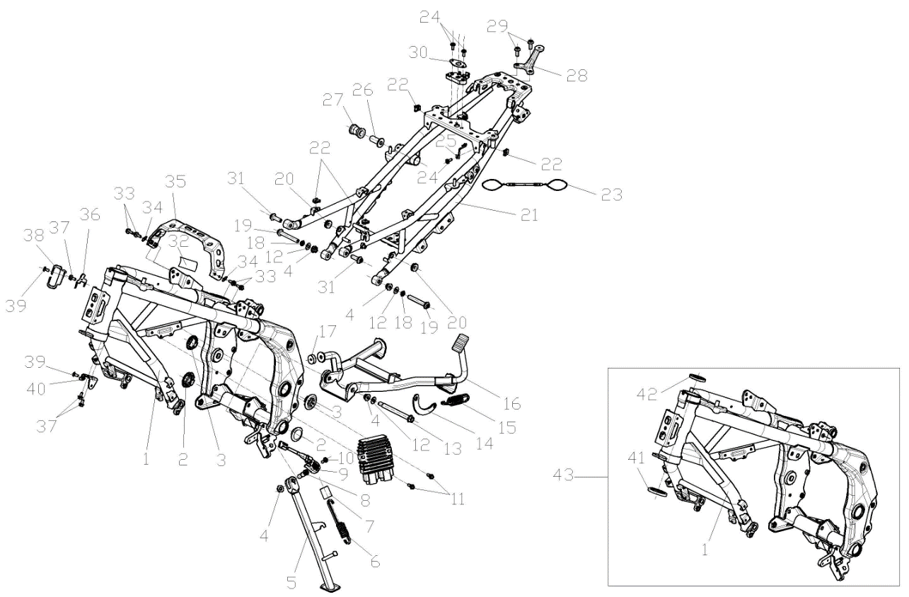

F01-01 | 300121536-0002 | BODY COMP.,FRAME | EA | D | 1
F01-02 | 342520023-0001 | CAP,FRAME DECORATIVE | EA | B | 2
F01-03 | 342520019-0001 | CAP,FRAME DECORATIVE | EA | B | 2
F01-04 | 380400001-0009 | NUT,PREVAILING TORQUE TYPE ALL-METAL HEXAGON WITH FLANGE | EA | C | 4
F01-05 | 311880421-0001 | BAR ASSY.,SIDE STAND | EA | B | 1
F01-06 | 381140813-0001 | SPRING,DRAG | EA | B | 1
F01-07 | 381530064-0001 | SHEATH,RUBBER | EA | C | 1
F01-08 | 380020185-0001 | BOLT,HEXAGON HEAD SHOULDER | EA | C | 1
F01-09 | 312940020-0001 | STARTER KILL SWITCH,SIDE STAND | EA | B | 1
F01-10 | 381420063-0003 | BOLT,LOBULAR SOCKET COUNTERSUNK HEAD | EA | C | 1
F01-11 | 380140054-0011 | BOLT,HEXAGON FLANGE | EA | C | 2
F01-12 | 380450006-0011 | WASHER,PLAIN | EA | C | 3
F01-13 | 380871143-0001 | AXIS | EA | C | 1
F01-14 | 312140085-0001 | PLATE,SPRING HANGER | EA | C | 1
F01-15 | 381140656-0001 | SPRING,DRAG | EA | B | 1
F01-16 | 311970513-0001 | STAND COMP.,MAIN | EA | C | 1
F01-17 | 311990072-0001 | PAD,MAIN STAND CUSHION | EA | B | 1
F01-18 | 380460002-0010 | WASHER,ELASTIC | EA | C | 2
F01-19 | 380871134-0002 | AXIS | EA | C | 2
F01-20 | 380890370-0001 | I-RUBBER | EA | C | 2
F01-21 | 300460110-0002 | REAR PART,FRAME | EA | C | 1
F01-22 | 380420062-0001 | NUT,CLIP | EA | C | 4
F01-23 | 342530107-0001 | HOOK,HELMET | EA | B | 1
F01-24 | 381420049-0001 | BOLT,LOBULAR SOCKET COUNTERSUNK HEAD | EA | C | 3
F01-25 | 342530112-0001 | HOOK,HELMET | EA | B | 1
F01-26 | 380823752-0001 | COLLAR | EA | C | 1
F01-27 | 380890324-0001 | I-RUBBER | EA | C | 1
F01-28 | 330870022-0001 | BASE,REAR PROP MOUNTING | EA | C | 1
F01-29 | 382330025-0003 | FLANGE BOLT | EA | C | 2
F01-30 | 331990011-0001 | WASHER,SEAT LOCK | EA | C | 1
F01-31 | 380871138-0001 | AXIS | EA | C | 2
F01-32 | 370410524 | NAMEPLATE,FRA | EA | C | 1
F01-33 | 380140013-0013 | BOLT,HEXAGON FLANGE | EA | C | 4
F01-34 | 380450004-0014 | WASHER,PLAIN | EA | C | 2
F01-35 | 300440170-0001 | BRACE,FUEL TANK REAR | EA | C | 1
F01-36 | 301460199-0001 | BRACE,ELECTRICAL PARTS | EA | C | 1
F01-37 | 380140067-0013 | BOLT,HEXAGON FLANGE | EA | C | 3
F01-38 | 380930159-0001 | CLIP,LOCATING LINE | EA | C | 1
F01-39 | 381420061-0001 | BOLT,LOBULAR SOCKET COUNTERSUNK HEAD | EA | C | 2
F01-40 | 160380023-0001 | LUG,RADIATOR UPPER | EA | C | 1
F01-41 | 310370075-0001 | RACE,STEERING TOP BALL | EA | B | 1
F01-42 | 310370074-0001 | RACE,STEERING TOP BALL | EA | B | 1
F01-43 | 500690475-0001 | BODY ASSY.,FRAME | SET | C | 1
F02 FRONT STEP ASSY
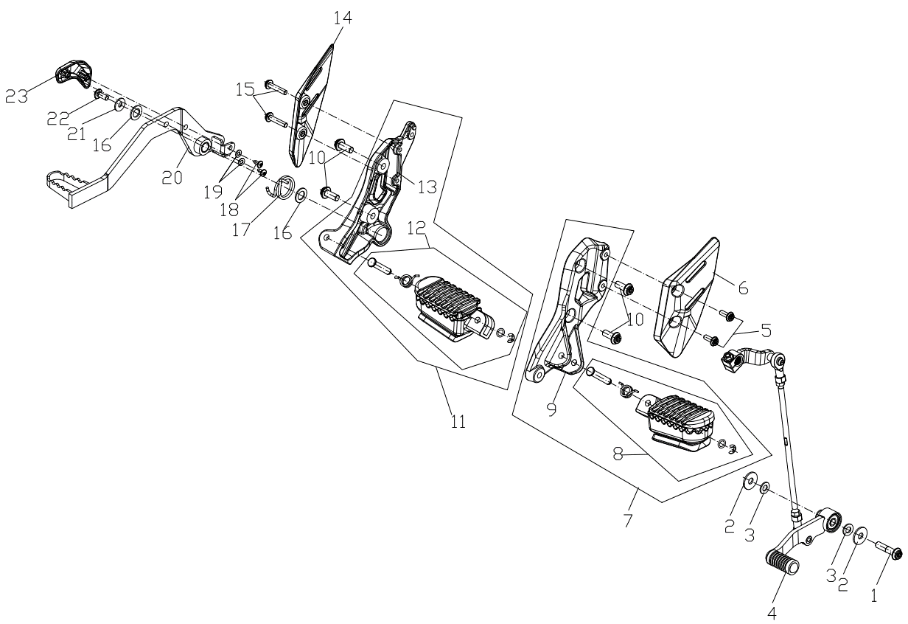

F02-01 | 382330029-0003 | FLANGE BOLT | EA | C | 1
F02-02 | 380450019-0009 | WASHER,PLAIN | EA | C | 2
F02-03 | 380450003-0012 | WASHER,PLAIN | EA | C | 2
F02-04 | 193700768-0001 | PEDAL,GEAR CHANGE | EA | B | 1
F02-05 | 382330015-0003 | FLANGE BOLT | EA | C | 2
F02-06 | 311830031-0001 | PLATE,STEP DECORATIVE | EA | C | 1
F02-07 | 311650201-0001 | STEP ASSY.,LEFT | EA | B | 1
F02-08 | 311690066-0001 | BODY,LEFT STEP | EA | B | 1
F02-09 | 311670101-0001 | HOLD COMP.,LEFT STEP | EA | C | 1
F02-10 | 382330025-0003 | FLANGE BOLT | EA | C | 4
F02-11 | 311660225-0001 | STEP ASSY.,RIGHT | EA | B | 1
F02-12 | 311700070-0001 | BODY,RIGHT STEP | EA | B | 1
F02-13 | 311680103-0001 | HOLD COMP.,RIGHT STEP | EA | C | 1
F02-14 | 311830032-0001 | PLATE,STEP DECORATIVE | EA | C | 1
F02-15 | 382330019-0003 | FLANGE BOLT | EA | C | 2
F02-16 | 380450017-0006 | WASHER,PLAIN | EA | C | 2
F02-17 | 381160413-0001 | SPRING,TORSIONAL | EA | B | 1
F02-18 | 380310007-0007 | SCREW,CROSS RECESSED PAN SELF-TAPPING | EA | C | 2
F02-19 | 380450028-0011 | WASHER,PLAIN | EA | C | 2
F02-20 | 291120551-0001 | PEDAL,REAR BRAKE | EA | B | 1
F02-21 | 380450007-0014 | WASHER,PLAIN | EA | C | 1
F02-22 | 381420049-0003 | BOLT,LOBULAR SOCKET COUNTERSUNK HEAD | EA | C | 1
F02-23 | 291180035-0001 | LIMITING STOPPER,BRAKE PEDAL | EA | C | 1
F03 REAR STEP ASSY
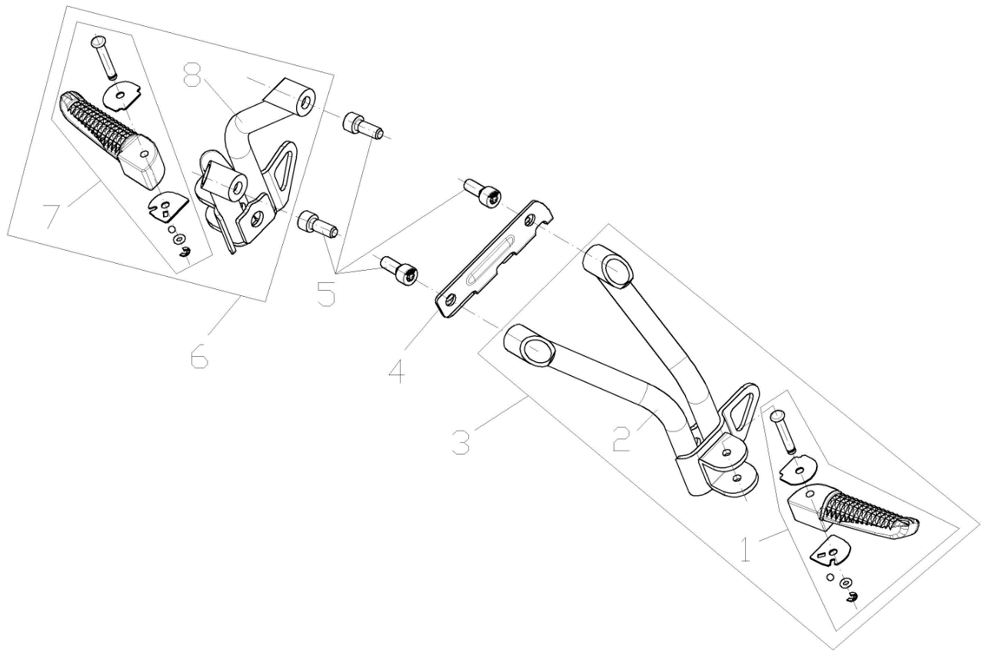

F03-01 | 312300048-0001 | BODY SET,LEFT PILLION STEP | EA | B | 1
F03-02 | 312170163-0001 | HOLD COMP.,LEFT PILLION STEP | EA | C | 1
F03-03 | 312150178-0001 | STEP ASSY.,LEFT PILLION | EA | B | 1
F03-04 | 300700001-0001 | BRACKET,AIRBAG | EA | C | 1
F03-05 | 381420068-0003 | BOLT,LOBULAR SOCKET COUNTERSUNK HEAD | EA | C | 4
F03-06 | 312160189-0001 | STEP ASSY.,RIGHT PILLION | EA | B | 1
F03-07 | 312310050-0001 | BODY SET,RIGHT PILLION STEP | EA | B | 1
F03-08 | 312180166-0001 | HOLD COMP.,RIGHT PILLION STEP | EA | C | 1
F04 ENGINECOMP.
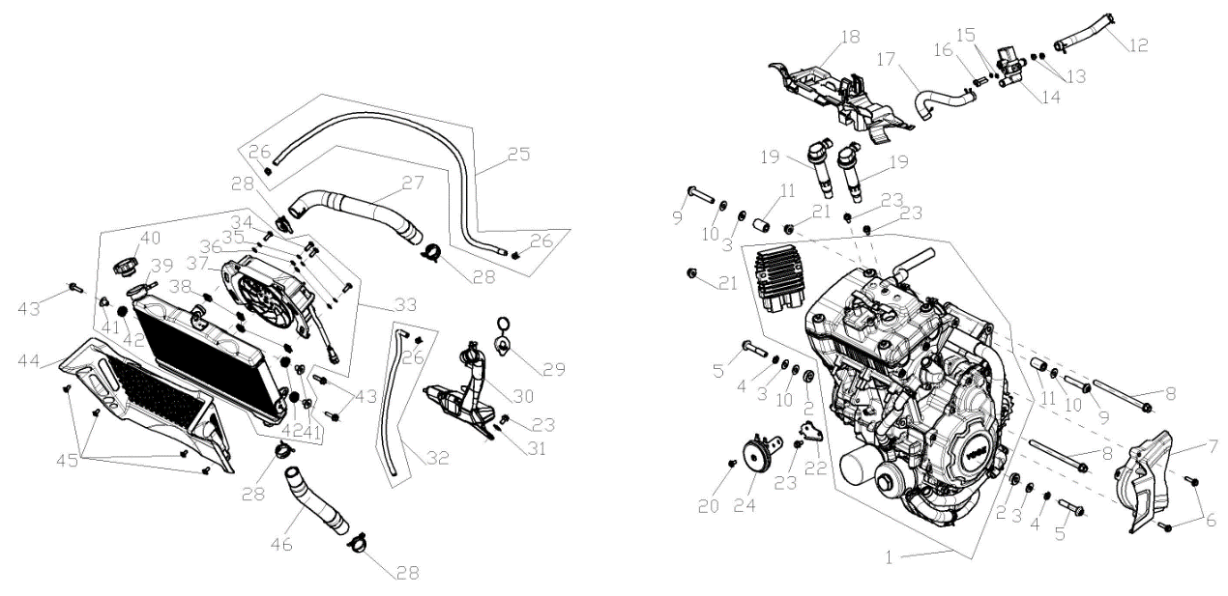

F04-01 | F3101S0007-4Y5K001 | ENGINE COMP. | TAI | D | 1
F04-02 | 380824401-0001 | COLLAR | EA | C | 2
F04-03 | 380450006-0011 | WASHER,PLAIN | EA | C | 3
F04-04 | 380460002-0010 | WASHER,ELASTIC | EA | C | 2
F04-05 | 382330032-0003 | FLANGE BOLT | EA | C | 2
F04-06 | 380140318-0004 | BOLT,HEXAGON FLANGE | EA | C | 2
F04-07 | 110520925-0001 | COVER COMP.,LEFT REAR | EA | C | 1
F04-08 | 380871146-0001 | AXIS | EA | C | 2
F04-09 | 380871135-0002 | AXIS | EA | C | 2
F04-10 | 380451371-0001 | WASHER,PLAIN | EA | C | 3
F04-11 | 380824795-0001 | COLLAR | EA | C | 2
F04-12 | 380741490-0001 | TUBE,BRPCSTHER | EA | B | 1
F04-13 | 380370001-0005 | NUT,HEXAGON FLANGE | EA | C | 2
F04-14 | 170420026-0001 | VALVE,MAGNETIC | EA | C | 1
F04-15 | 380450028-0011 | WASHER,PLAIN | EA | C | 2
F04-16 | 380190068-0005 | SCREW,HEXAGON SOCKET | EA | C | 2
F04-17 | 380741489-0001 | TUBE,BRPCSTHER | EA | B | 1
F04-18 | 301460200-0001 | BRACE,ELECTRICAL PARTS | EA | C | 1
F04-19 | 270920677-0001 | COIL ASSY.,IGNITION | EA | A | 2
F04-20 | 381420061-0001 | BOLT,LOBULAR SOCKET COUNTERSUNK HEAD | EA | C | 1
F04-21 | 380400001-0009 | NUT,PREVAILING TORQUE TYPE ALL-METAL HEXAGON WITH FLANGE | EA | C | 2
F04-22 | 280200215-0001 | BRACKET,HORN | EA | C | 1
F04-23 | 380140067-0013 | BOLT,HEXAGON FLANGE | EA | C | 4
F04-24 | 280190262-0001 | HORN | EA | A | 1
F04-25 | 380760400-0002 | TUBE,WATER | EA | B | 1
F04-26 | 380950318-0002 | CLAMP,TUBE | EA | C | 3
F04-27 | 380760727-0001 | TUBE,WATER | EA | B | 1
F04-28 | 380950456-0002 | CLAMP,TUBE | EA | C | 4
F04-29 | 160500024-0001 | CAP,WATER TANK | EA | B | 1
F04-30 | 160310064-0001 | WATER TANK,COOLING | EA | B | 1
F04-31 | 380450007-0014 | WASHER,PLAIN | EA | C | 1
F04-32 | 380760401-0001 | TUBE,WATER | EA | B | 1
F04-33 | 160010222-0001 | HEAT RADIATOR COMP. | EA | B | 1
F04-34 | 380070013-0009 | BOLT,HEXAGON | EA | C | 4
F04-35 | 380460003-0013 | WASHER,ELASTIC | EA | C | 4
F04-36 | 380450004-0014 | WASHER,PLAIN | EA | C | 4
F04-37 | 160240073-0001 | FAN ASSY. | EA | B | 1
F04-38 | 380420005-0002 | NUT,CLIP | EA | C | 4
F04-39 | 160020058-0001 | BODY SET,RADIATOR | EA | C | 1
F04-40 | 160050008-0001 | CAP,FILLER | EA | C | 1
F04-41 | 380470144-0001 | WASHER,FLANGE | EA | C | 3
F04-42 | 380890378-0001 | I-RUBBER | EA | C | 3
F04-43 | 381420064-0003 | BOLT,LOBULAR SOCKET COUNTERSUNK HEAD | EA | C | 3
F04-44 | 161490023-0001 | COVER,WATER-COOLER DECORATIVE(L/R | EA | C | 1
F04-45 | 381420055-0001 | BOLT,LOBULAR SOCKET COUNTERSUNK HEAD | EA | C | 4
F04-46 | 380760726-0001 | TUBE,WATER | EA | B | 1
F05 AIR CLEANER & THROTTLE VALVE
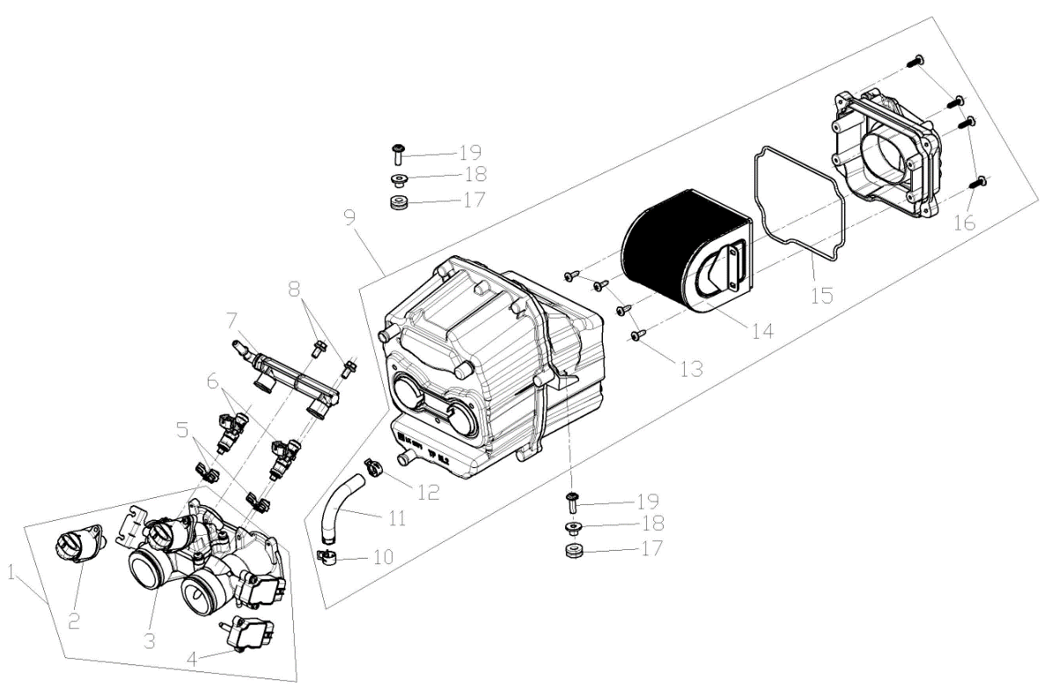

F05-01 | 172810132-0001 | VALVE BODY ASSY., THROTTLE | SET | C | 1
F05-02 | 174330008-0001 | VALVE COMP.,IDLE CONTROL | EA | B | 1
F05-03 | 175220009-0001 | THROTTLE GATE COMP. | EA | C | 1
F05-04 | 424010045-0001 | SENSOR | EA | C | 1
F05-05 | 173030007-0001 | CLAMP, FUEL JET | EA | C | 2
F05-06 | 173010054-0001 | FUEL JET | EA | C | 2
F05-07 | 174970005-0001 | FUEL RAIL | EA | C | 1
F05-08 | 380140067-0013 | BOLT,HEXAGON FLANGE | EA | C | 2
F05-09 | 180021249-0001 | AIR CLEANER COMP. | EA | C | 1
F05-10 | 380950466-0001 | CLAMP,TUBE | EA | C | 1
F05-11 | 271080017-0001 | HOSE,OVERFLOW | EA | C | 1
F05-12 | 380950364-0001 | CLAMP,TUBE | EA | C | 1
F05-13 | 380310042-0002 | SCREW,CROSS RECESSED PAN SELF-TAPPING | EA | C | 4
F05-14 | 180100157-0001 | ELEMENT ASSY.,AIR CLEANER | EA | A | 1
F05-15 | 180090134-0001 | GLAND STRIP,AIR CLEANER | EA | C | 1
F05-16 | 380310050-0002 | SCREW,CROSS RECESSED PAN SELF-TAPPING | EA | C | 4
F05-17 | 380890173-0001 | I-RUBBER | EA | C | 2
F05-18 | 380820512-0004 | COLLAR | EA | C | 2
F05-19 | 381420063-0001 | BOLT,LOBULAR SOCKET COUNTERSUNK HEAD | EA | C | 2
F06 MUFFLER EXHAUST ASSY.
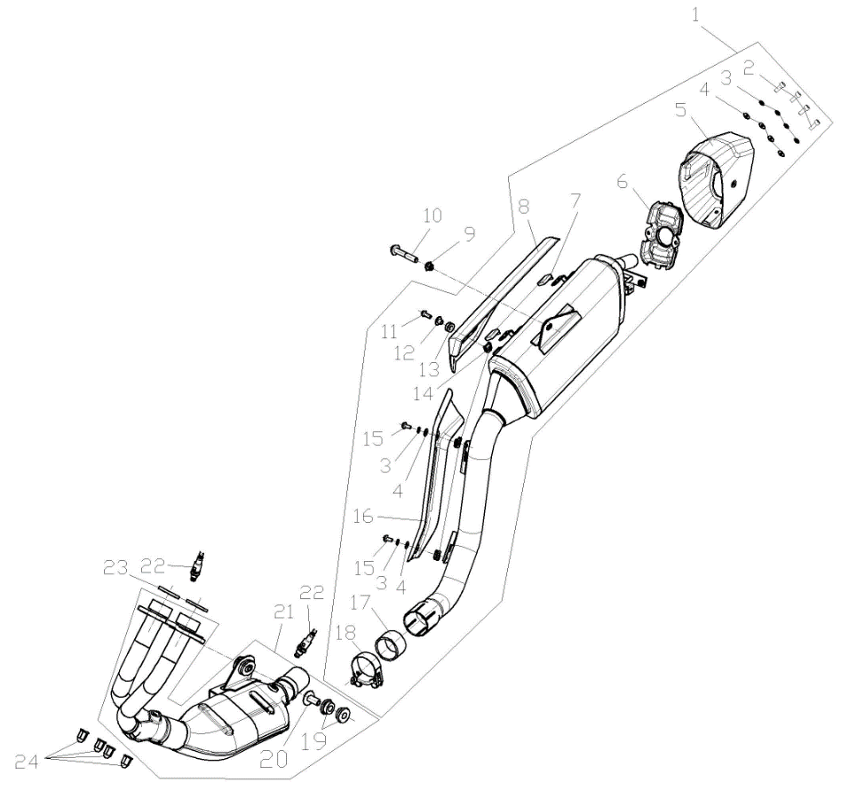

F06-01 | 180720367-0001 | REAR PART,MUFFLER | EA | C | 1
F06-02 | 380190501-0001 | SCREW,HEXAGON SOCKET | EA | C | 4
F06-03 | 380460021-0001 | WASHER,ELASTIC | EA | C | 6
F06-04 | 380450278-0001 | WASHER,PLAIN | EA | C | 6
F06-05 | 181650044-0001 | END CAP,MUFFLER REAR | EA | C | 1
F06-06 | 180920125-0001 | PLATE,DECORATIVE RIGHT | EA | B | 1
F06-07 | 181600076-0001 | INSULATION BLANKET | EA | C | 2
F06-08 | 180960313-0001 | SHIELD,MUFFLER | EA | B | 1
F06-09 | 380400007-0008 | NUT,PREVAILING TORQUE TYPE ALL-METAL HEXAGON WITH FLANGE | EA | C | 1
F06-10 | 382330073-0003 | FLANGE BOLT | EA | C | 1
F06-11 | 382330015-0003 | FLANGE BOLT | EA | C | 1
F06-12 | 380470108-0004 | WASHER,FLANGE | EA | C | 1
F06-13 | 380890173-0001 | I-RUBBER | EA | C | 1
F06-14 | 380420062-0001 | NUT,CLIP | EA | C | 3
F06-15 | 382330010-0003 | FLANGE BOLT | EA | C | 2
F06-16 | 181900037-0001 | SHIELD,EXHAUST PIPE | EA | C | 1
F06-17 | 181110017-0001 | GRAPHITE ANNULUS | EA | B | 1
F06-18 | 181890036-0001 | TUBE,MUFFLER CONNECTING | EA | C | 1
F06-19 | 380880108-0001 | T-RUBBER | EA | C | 2
F06-20 | 380470120-0001 | WASHER,FLANGE | EA | C | 1
F06-21 | 181160131-0001 | FRONT PART,MUFFLER EXHAUST | EA | C | 1
F06-22 | 172750066-0001 | OXYGEN SENSOR | EA | C | 2
F06-23 | 180650133-0001 | GASKET,AIR EXHAUST PORT | EA | A | 2
F06-24 | 380330031-0003 | CAP-SHAPED NUT | EA | C | 4
F07 STEERING STEM ASSY.

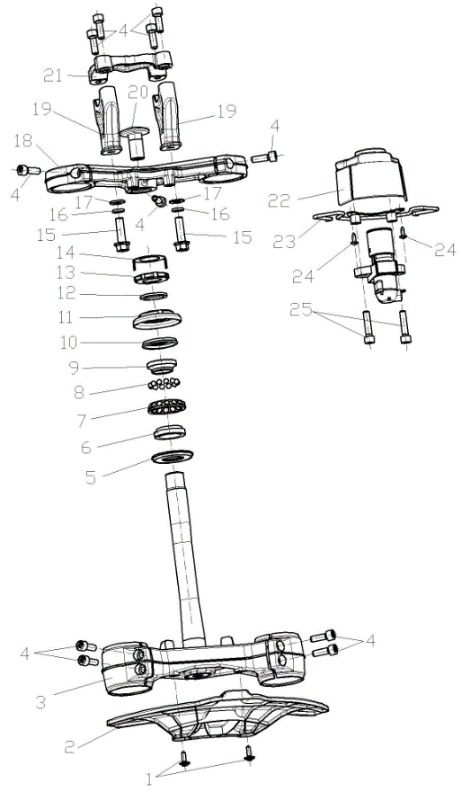

F07-01 | 381420049-0001 | BOLT,LOBULAR SOCKET COUNTERSUNK HEAD | EA | C | 2
F07-02 | 349080002-0001 | FENDER COMP.,FRONT UPPER | EA | C | 1
F07-03 | 310130327-0001 | BODY SET,STEERING STEM | EA | B | 1
F07-04 | 381420069-0003 | BOLT,LOBULAR SOCKET COUNTERSUNK HEAD | EA | C | 11
F07-05 | 380650939-0001 | OIL SEAL | EA | B | 1
F07-06 | 310390071-0001 | CIRCLIP, STEERING BEARING | EA | B | 1
F07-07 | 310420036-0001 | RETAINER,STEERING BEARING TOP | EA | B | 1
F07-08 | 310420035-0001 | RETAINER,STEERING BEARING TOP | EA | B | 1
F07-09 | 310390070-0001 | CIRCLIP, STEERING BEARING | EA | B | 1
F07-10 | 380650940-0001 | OIL SEAL | EA | B | 1
F07-11 | 310260052-0001 | KEP NUT,STEERING STEM | EA | C | 1
F07-12 | 380920238-0001 | PLAIN WASHER,RUBBER | EA | C | 1
F07-13 | 310260053-0001 | KEP NUT,STEERING STEM | EA | C | 1
F07-14 | 310290024-0001 | WASHER,LOCKING | EA | C | 1
F07-15 | 380140135-0005 | BOLT,HEXAGON FLANGE | EA | C | 2
F07-16 | 380460002-0010 | WASHER,ELASTIC | EA | C | 2
F07-17 | 380450006-0011 | WASHER,PLAIN | EA | C | 2
F07-18 | 310180243-0001 | BRIDGE,FORK TOP | EA | B | 1
F07-19 | 310210069-0001 | SUPPORT,STEERING HANDLE PIPE | EA | B | 2
F07-20 | 310250019-0002 | LOCK BOLT,STEERING STEM | EA | C | 1
F07-21 | 310200120-0001 | HOLDER,STEERING HANDLE PIPE | EA | B | 1
F07-22 | 271350128-0001 | COVER,IGNITION SWITCH | EA | B | 1
F07-23 | 271360045-0001 | BRACKET,IGNITION SWITCH COVER | EA | C | 1
F07-24 | 380310007-0007 | SCREW,CROSS RECESSED PAN SELF-TAPPING | EA | C | 2
F07-25 | 380190009-0010 | SCREW,HEXAGON SOCKET | EA | C | 2
F08 STEERING OPERATION SYSTEM
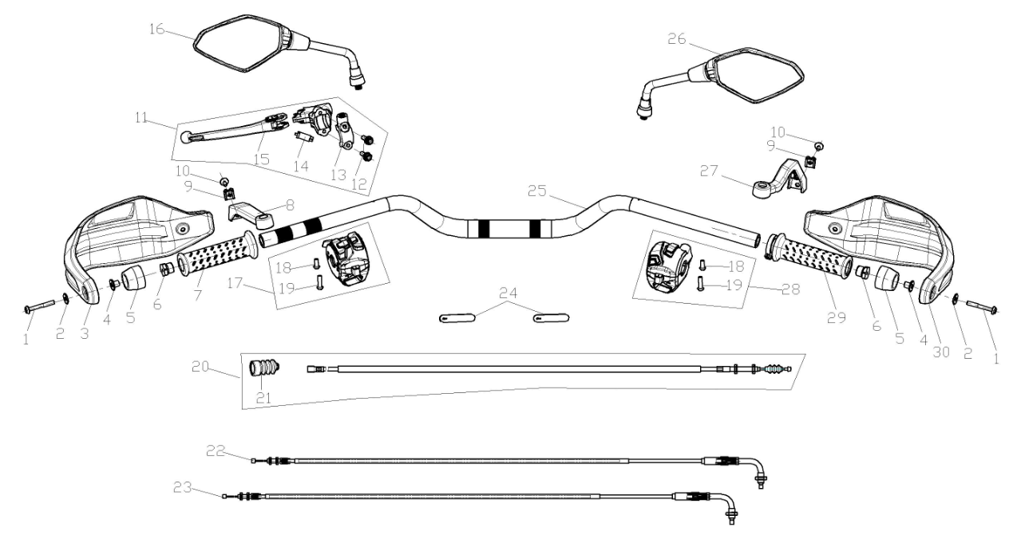

F08-01 | 382330022-0003 | FLANGE BOLT | EA | C | 2
F08-02 | 380450007-0014 | WASHER,PLAIN | EA | C | 2
F08-03 | 341700111-0001 | SHIELD,LEFT HANDLE | EA | B | 1
F08-04 | 380470163-0001 | WASHER,FLANGE | EA | C | 2
F08-05 | 320220095-0002 | WEIGHT,LEFT HANDLE | EA | B | 2
F08-06 | 320120044-0002 | COUNTERWEIGHT,STEERING HANDLE PIPE | EA | B | 2
F08-07 | 320180225-0001 | GRIP SET,HANDLE | EA | A | 1
F08-08 | 341710032-0001 | BRACKET,HANDLE SHIELD | EA | C | 1
F08-09 | 380420070-0001 | NUT,CLIP | EA | C | 2
F08-10 | 381420055-0003 | BOLT,LOBULAR SOCKET COUNTERSUNK HEAD | EA | C | 2
F08-11 | 271510219-0001 | LEVER COMP.,LEFT STEERING HANDLE | EA | B | 1
F08-12 | 380140171-0005 | BOLT,HEXAGON FLANGE | EA | C | 2
F08-13 | 271540058-0001 | CLIP,LEFT LEVER | EA | C | 1
F08-14 | 271420013-0001 | SWITCH ASSY.,CLUTCH | EA | B | 1
F08-15 | 278060001-0001 | ROD OF LEFT LEVER | EA | C | 1
F08-16 | 360500470-0001 | MIRROR,LEFT REAR VIEW | EA | A | 1
F08-17 | 271390623-0001 | SWITCH ASSY.,LEFT | EA | B | 1
F08-18 | 380200006-0006 | SCREW,CROSS RECESSED PAN | EA | C | 2
F08-19 | 380200002-0003 | SCREW,CROSS RECESSED PAN | EA | C | 2
F08-20 | 320240627-0001 | CABLE COMP.,CLUTCH | EA | A | 1
F08-21 | 320820047-0001 | SHEATH,CLUTCH CABLE | EA | C | 1
F08-22 | 171210734-0001 | CABLE COMP.,THROTTLE | EA | A | 1
F08-23 | 171210735-0001 | CABLE COMP.,THROTTLE | EA | A | 1
F08-24 | 380900131-0001 | BAND | EA | C | 2
F08-25 | 320020541-0001 | PIPE COMP.,STEERING HANDLE | EA | C | 1
F08-26 | 360530468-0001 | MIRROR,RIGHT REAR VIEW | EA | A | 1
F08-27 | 341710033-0001 | BRACKET,HANDLE SHIELD | EA | C | 1
F08-28 | 271590632-0001 | SWITCH ASSY.,RIGHT | EA | B | 1
F08-29 | 320190237-0001 | GREASER COMP. | EA | A | 1
F08-30 | 341720062-0001 | SHIELD,RIGHT HANDLE | EA | B | 1
F09 SHOCK ABSORBER
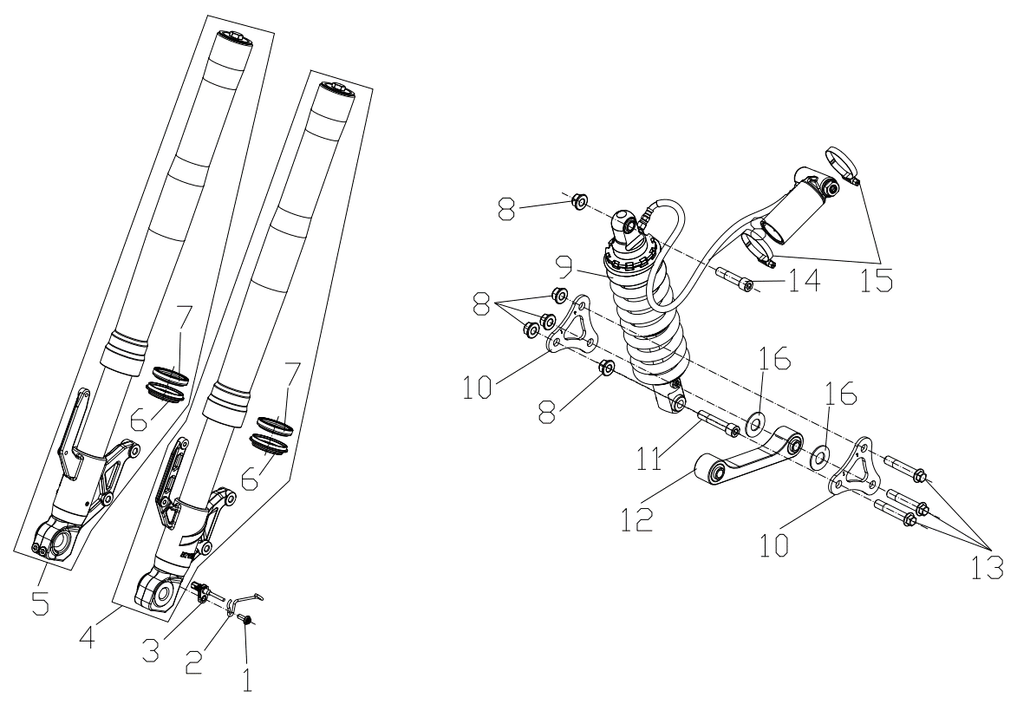

F09-01 | 381420049-0003 | BOLT,LOBULAR SOCKET COUNTERSUNK HEAD | EA | C | 1
F09-02 | 380940819-0001 | CLAMP,WIRE | EA | C | 1
F09-03 | 281920049-0001 | TRANSDUCER,VELOCITY | EA | C | 1
F09-04 | 310450864-0001 | FORK ASSY.,LEFT FRONT | EA | B | 1
F09-05 | 310460794-0001 | FORK ASSY.,RIGHT FRONT | EA | B | 1
F09-06 | 310570094-0001 | SLEEVE GASKET,FRONT FORK DUST SEAL | EA | B | 2
F09-07 | 380650786-0001 | OIL SEAL | EA | B | 2
F09-08 | 380400002-0008 | NUT,PREVAILING TORQUE TYPE ALL-METAL HEXAGON WITH FLANGE | EA | C | 5
F09-09 | 310790688-0001 | ABSORBER ASSY.,LEFT REAR SHOCK | EA | B | 1
F09-10 | 300590018-0001 | CRADLE COMP.,MASTER | EA | C | 2
F09-11 | 380871008-0001 | AXIS | EA | C | 1
F09-12 | 500820010-0001 | SUB CRADLE,SET | EA | C | 1
F09-13 | 380871011-0001 | AXIS | EA | C | 3
F09-14 | 380871007-0001 | AXIS | EA | C | 1
F09-15 | 380960236-0001 | HOOP ASSY. | EA | C | 2
F09-16 | 380451556-0001 | WASHER,PLAIN | EA | C | 2
F10 REAR FORK ASSY
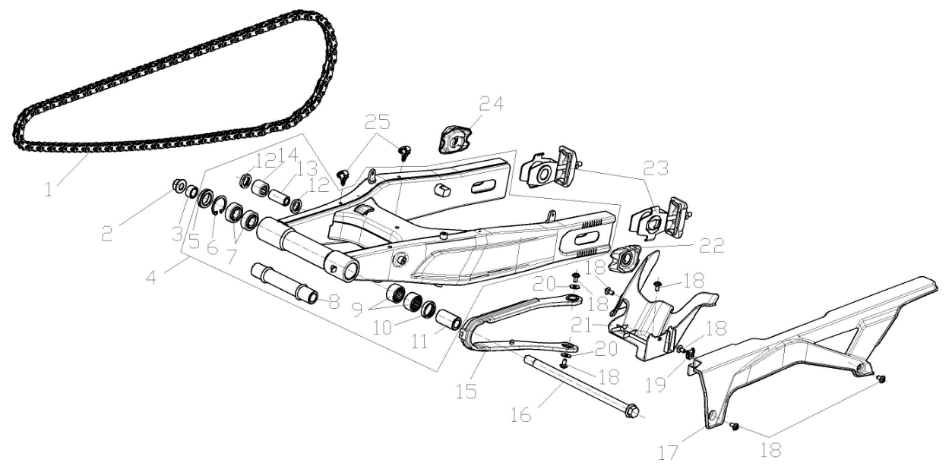

F10-01 | 260010300-0001 | CHAIN | EA | A | 1
F10-02 | 380400016-0007 | NUT,PREVAILING TORQUE TYPE ALL-METAL HEXAGON WITH FLANGE | EA | C | 1
F10-03 | 380823597-0001 | COLLAR | EA | C | 1
F10-04 | 500790050-0001 | FORK COM.,REAR | EA | C | 1
F10-05 | 380650663-0001 | OIL SEAL | EA | B | 1
F10-06 | 380550047-0001 | CHECK RING,ELASTIC | EA | B | 1
F10-07 | 380630030-0001 | BEARING | EA | B | 2
F10-08 | 380823655-0001 | COLLAR | EA | C | 1
F10-09 | 380630399-0001 | BEARING | EA | B | 2
F10-10 | 380650754-0001 | OIL SEAL | EA | B | 1
F10-11 | 380823635-0001 | COLLAR | EA | C | 1
F10-12 | 380650755-0001 | OIL SEAL | EA | B | 2
F10-13 | 380823651-0001 | COLLAR | EA | C | 1
...
LX600-D & LX600-DⅠ（DS625X）202409
F10-17 | 260060250-0001 | CASE, CHAIN | EA | B | 1
F10-18 | 381420061-0003 | BOLT,LOBULAR SOCKET COUNTERSUNK HEAD | EA | C | 7
F10-19 | 380420062-0001 | NUT,CLIP | EA | C | 1
F10-20 | 380450007-0014 | WASHER,PLAIN | EA | C | 2
F10-21 | 340660410-0001 | FENDER COMP.,REAR | EA | B | 1
F10-22 | 311450034-0002 | PLATE,ADJUSTER HANGER | EA | C | 1
F10-23 | 311430133-0001 | ADJUSTOR,DRIVE CHAIN LEFT | EA | B | 2
F10-24 | 311450033-0002 | PLATE,ADJUSTER HANGER | EA | C | 1
F10-25 | 380930128-0001 | CLIP,LOCATING WIRE | EA | C | 2
F11 FRONT WHEE LASSY.
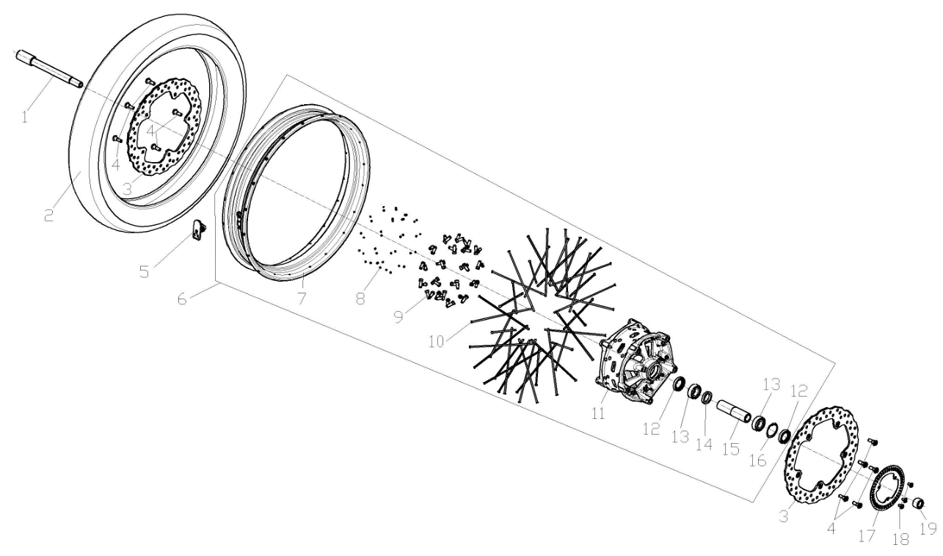

F11-01 | 380870739-0003 | AXIS | EA | C | 1
F11-02 | 290150800-0001 | TYRE ASSY. | EA | A | 1
F11-03 | 291420197-0001 | DISK COMP.,LEFT FRONT BRAKE | EA | C | 2
F11-04 | 291440040-0001 | FASTENING BOLT,BRAKE DISK | EA | C | 10
F11-05 | 274470003-0001 | SENSOR，TIRE PRESSURE | EA | C | 1
F11-06 | 290020670-0002 | WHEEL,FRONT | EA | B | 1 |  | Matt black
F11-06 | 290020670-0001 | WHEEL,FRONT | EA | B | 1 |  | Desert Yellow
...
LX600-D & LX600-DⅠ（DS625X）202409
F11-11 | 290120044-0001 | BODY SET,FRONT WHEEL HUB | EA | C | 1
F11-12 | 380650541-0001 | OIL SEAL | EA | B | 2
F11-13 | 380630126-0001 | BEARING | EA | B | 2
F11-14 | 380451319-0001 | WASHER,PLAIN | EA | C | 1
F11-15 | 380823964-0001 | COLLAR | EA | C | 1
F11-16 | 380550168-0001 | CHECK RING,ELASTIC | EA | B | 1
F11-17 | 297710007-0001 | GEAR RING, ABS | EA | C | 1
F11-18 | 381420061-0003 | BOLT,LOBULAR SOCKET COUNTERSUNK HEAD | EA | C | 3
F11-19 | 380824396-0001 | COLLAR | EA | C | 1
F12 REAR WHEEL ASSY.
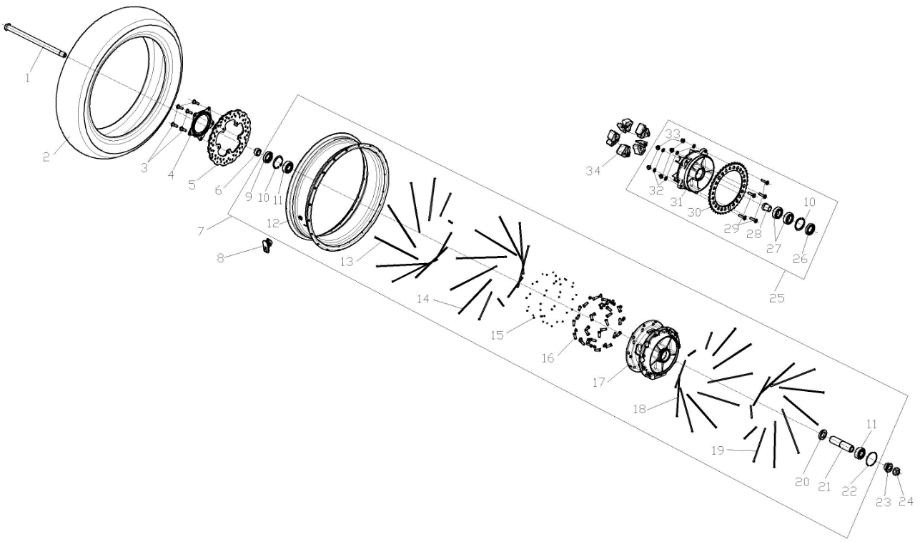

F12-01 | 380870985-0001 | AXIS | EA | C | 1
F12-02 | 290150801-0001 | TYRE ASSY. | EA | A | 1
F12-03 | 291440040-0001 | FASTENING BOLT,BRAKE DISK | EA | C | 5
F12-04 | 297710004-0001 | GEAR RING, ABS | EA | C | 1
F12-05 | 291930052-0001 | DISK COMP.,LEFT REAR BRAKE | EA | C | 1
F12-06 | 380822735-0003 | COLLAR | EA | C | 1
F12-07 | 290220654-0002 | WHEEL,REAR | EA | B | 1 |  | Matt black
...
LX600-D & LX600-DⅠ（DS625X）202409
F12-26 | 380650580-0001 | OIL SEAL | EA | B | 1
F12-27 | 380630083-0001 | BEARING | EA | B | 2
F12-28 | 380823653-0001 | COLLAR | EA | C | 1
F12-29 | 290440040-0001 | BOLT,SPROCKET WHEEL | EA | B | 5
F12-30 | 290420297-0001 | SPROCKET WHEEL | EA | A | 1
F12-31 | 290390102 | SEAT,SPROCKET WHEEL | EA | B | 1
F12-32 | 380451323-0001 | WASHER,PLAIN | EA | C | 5
F12-33 | 380400057-0001 | NUT,PREVAILING TORQUE TYPE ALL-METAL HEXAGON WITH FLANGE | EA | C | 5
F12-34 | 290310093-0001 | DAMPING PIECE,REAR WHEEL | EA | A | 5
F13 BRAKE SYSTEM
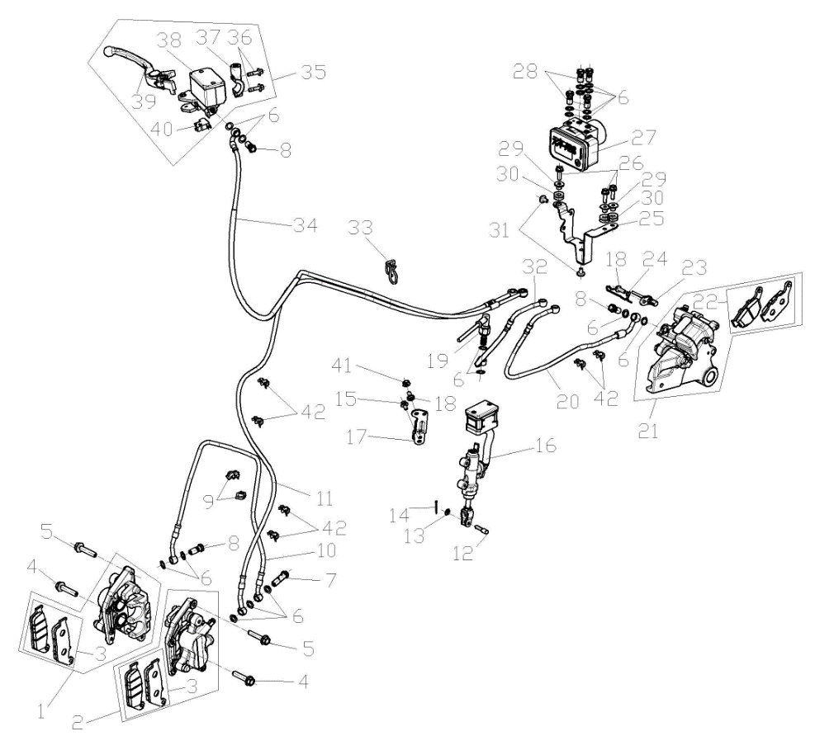

F13-01 | 291650020-0001 | CALIPER ASSY.,RIGHT | EA | C | 1
F13-02 | 291640173-0001 | CALIPER ASSY.,LEFT | EA | C | 1
F13-03 | 291710093-0001 | PAD COMP.,FRONT DISC-BRAKE | SET | A | 2
F13-04 | 380140809-0002 | BOLT,HEXAGON FLANGE | EA | C | 2
F13-05 | 380140762-0003 | BOLT,HEXAGON FLANGE | EA | C | 2
F13-06 | 380450298-0001 | WASHER,PLAIN | EA | C | 19
F13-07 | 291800035-0002 | BOLT,DISC-BRAKE HOSE | EA | C | 1
F13-08 | 291800031-0001 | BOLT,DISC-BRAKE HOSE | EA | C | 3
F13-09 | 380950457-0001 | CLAMP,TUBE | EA | C | 2
F13-10 | 292230127-0001 | HOSE COMP.,FRONT DISC-BRAKE | EA | B | 1
...
LX600-D & LX600-DⅠ（DS625X）202409
F13-34 | 294180105-0001 | ABS CONNECTIVE OIL TUBE | EA | C | 1
F13-35 | 291480178-0001 | CYLINDER ASSY.,MASTER | EA | B | 1
F13-36 | 380140045-0002 | BOLT,HEXAGON FLANGE | EA | C | 2
F13-37 | 271740064-0001 | CLIP,RIGHT LEVER | EA | C | 1
F13-38 | 293070012-0001 | OIL CUP,DISC-BRAKE | EA | C | 1
F13-39 | 271720252-0001 | LEVER COMP.,RIGHT STEERING HANDLE | EA | B | 1
F13-40 | 291500071-0001 | SWITCH ASSY.,FRONT DISC-BRAKE | EA | B | 1
F13-41 | 380370003-0014 | NUT,HEXAGON FLANGE | EA | C | 1
F13-42 | 380950467-0001 | CLAMP,TUBE | EA | C | 6
F14 HARNESS,WIRE AND ELETRIC PARTS
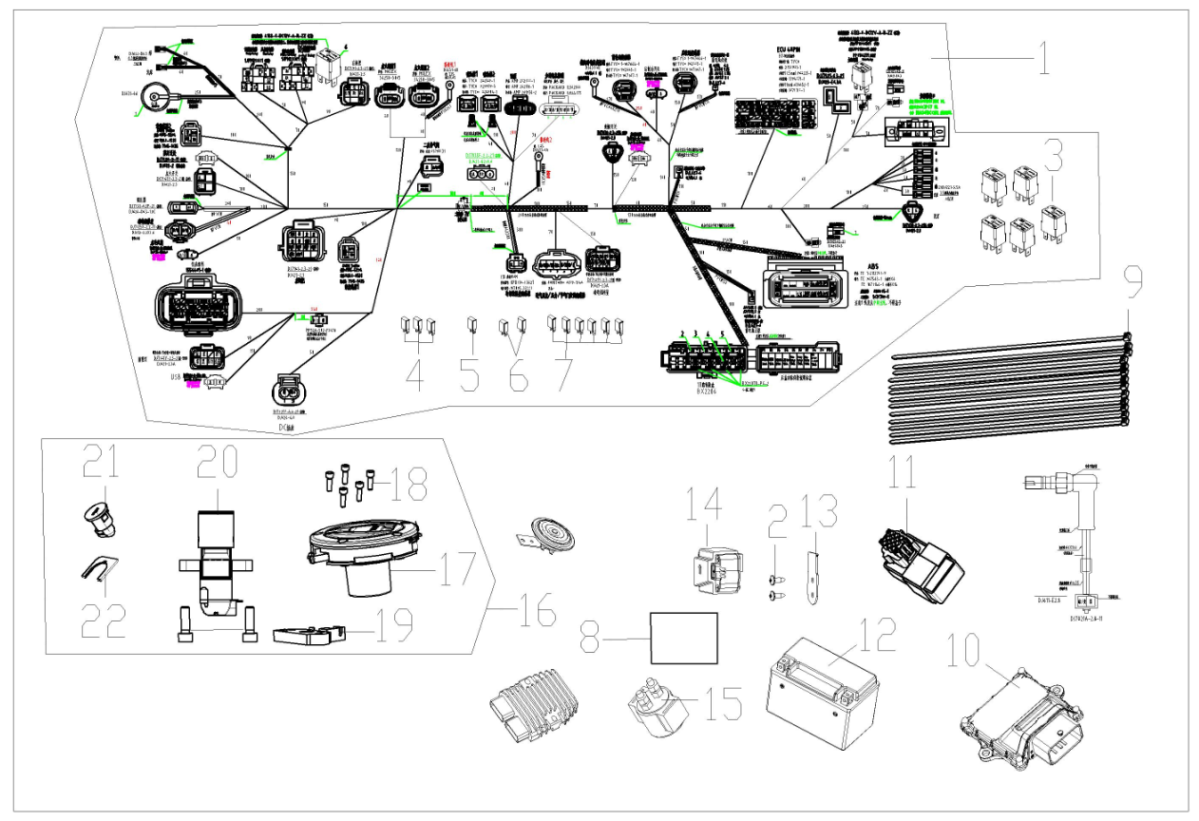

F14-01 | 271232682-0001 | HARNESS,WIRE | EA | B | 1
F14-02 | 380310007-0007 | SCREW,CROSS RECESSED PAN SELF-TAPPING | EA | C | 2
F14-03 | 274060004-0001 | RELAY ASSY.,CONTROLING | EA | B | 5
F14-04 | 381620010-0001 | SECTION,SAFE | EA | A | 3
F14-05 | 381620012-0001 | SECTION,SAFE | EA | A | 1
F14-06 | 381620007-0001 | SECTION,SAFE | EA | A | 2
F14-07 | 381620011-0001 | SECTION,SAFE | EA | A | 6
...
LX600-D & LX600-DⅠ（DS625X）202409
F14-15 | 270810225-0001 | STARTING RELAY ASSY. | EA | A | 1
F14-16 | 500321101-0001 | LOCK KIT | EA | B | 1
F14-17 | 170860209 | LOCK,FUEL TANK | EA | B | 1
F14-18 | 380190723-0001 | SCREW,HEXAGON SOCKET | EA | C | 5
F14-19 | 330170180-0001 | DEVICE,SEAT LOCKING | EA | B | 1
F14-20 | 271330333 | SWITCH ASSY.,IGNITION | EA | B | 1
F14-21 | 330190105-0001 | LOCK,SEAT | EA | B | 1
F14-22 | 330240017-0001 | SHEET,SEAT LOCK | EA | C | 1
F15 INSTRUMENT ASSY.

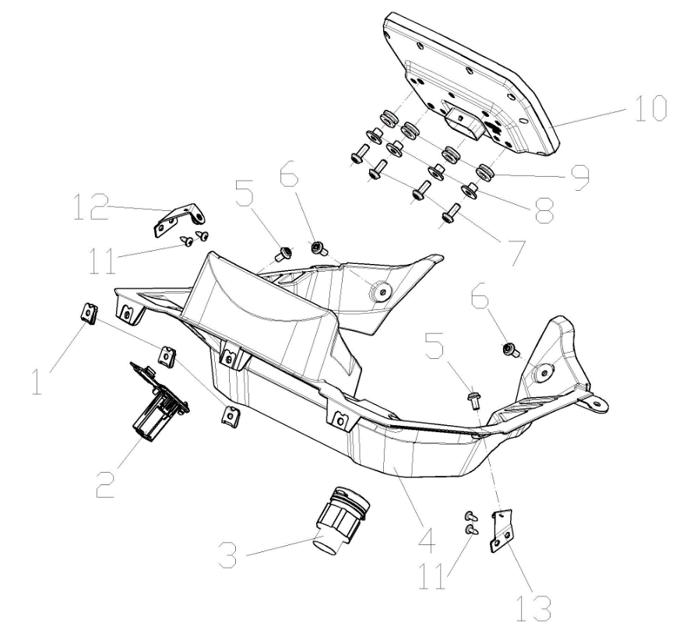

F15-01 | 380420070-0001 | NUT,CLIP | EA | C | 3
F15-02 | 284700024-0001 | USB/AUX | EA | C | 1
F15-03 | 271310001-0001 | SOCKET,MULTIFUNCTION | EA | C | 1
F15-04 | 341690070-0001 | CAP,METER DECORATIVE | EA | C | 1
F15-05 | 381420061-0003 | BOLT,LOBULAR SOCKET COUNTERSUNK HEAD | EA | C | 2
F15-06 | 381420049-0003 | BOLT,LOBULAR SOCKET COUNTERSUNK HEAD | EA | C | 2
F15-07 | 381420049-0001 | BOLT,LOBULAR SOCKET COUNTERSUNK HEAD | EA | C | 4
F15-08 | 380820512-0004 | COLLAR | EA | C | 4
F15-09 | 380890173-0001 | I-RUBBER | EA | C | 4
F15-10 | 281371746-0001 | INSTRUMENT SET | EA | B | 1
F15-11 | 380310007-0007 | SCREW,CROSS RECESSED PAN SELF-TAPPING | EA | C | 4
F15-12 | 283000003-0001 | LUG,METER FIXING RIGHT | EA | C | 1
F15-13 | 282990008-0001 | LUG,METER FIXING LEFT | EA | C | 1
F16 HEADLIGHT & LIGHT COVER
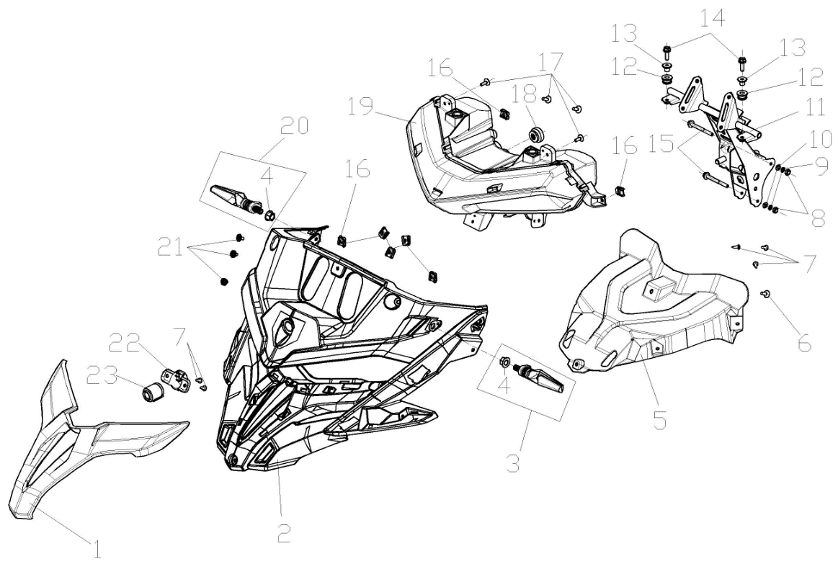

F16-01 | 341210470-0005 | PANEL,FRONT | EA | B | 1 |  | Matt black
F16-01 | 341210470-0006 | PANEL,FRONT | EA | B | 1 |  | Desert Yellow
F16-02 | 280560065-0002 | LENS,HEAD LIGHT LEFT DECORATING | EA | B | 1
F16-03 | 280760745-0001 | SIGNAL ASSY.,LEFT FRONT TURN | EA | B | 1
F16-04 | 380370002-0005 | NUT,HEXAGON FLANGE | EA | C | 2
F16-05 | 348540004-0001 | FRONT FENDER OF FRONT FORK | EA | C | 1
F16-06 | 381420051-0001 | BOLT,LOBULAR SOCKET COUNTERSUNK HEAD | EA | C | 1
...
LX600-D & LX600-DⅠ（DS625X）202409
F16-15 | 380140186-0005 | BOLT,HEXAGON FLANGE | EA | C | 2
F16-16 | 380420070-0001 | NUT,CLIP | EA | C | 7
F16-17 | 381420055-0001 | BOLT,LOBULAR SOCKET COUNTERSUNK HEAD | EA | C | 4
F16-18 | 282520035-0001 | CUSHION,HEAD LIGHT BRACKET | EA | C | 1
F16-19 | 280351075-0001 | HEADLIGHT ASSY. | EA | B | 1
F16-20 | 280780731-0001 | SIGNAL ASSY.,RIGHT FRONT TURN | EA | B | 1
F16-21 | 381420055-0003 | BOLT,LOBULAR SOCKET COUNTERSUNK HEAD | EA | C | 3
F16-22 | 306440016-0002 | INSTALLATION BRACKET OF PICK-UP HEAD | EA | C | 1
F16-23 | 285260013-0001 | PICK-UP HEAD | EA | B | 1
F17 FUELTANK ASSY
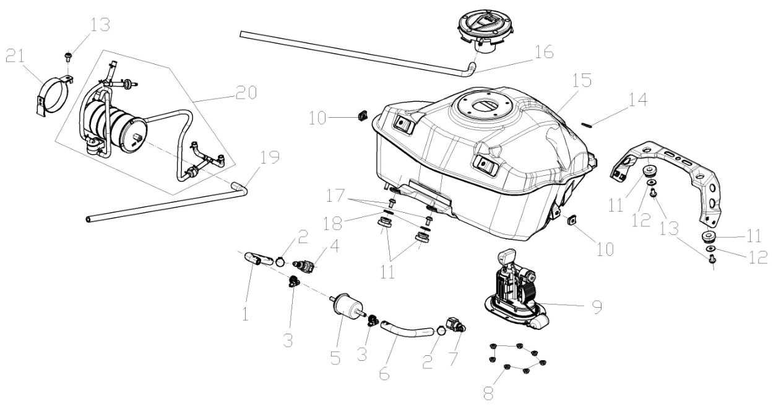

F17-01 | 380751503-0001 | TUBE,FUEL | EA | B | 1
F17-02 | 380950352-0001 | CLAMP,TUBE | EA | C | 2
F17-03 | 380960178-0001 | CLAMP ASSY. | EA | C | 2
F17-04 | 273610006-0001 | JOINT, SWIFT CHANGE | EA | C | 1
F17-05 | 170010070-0001 | FILTER,FUEL | EA | B | 1
F17-06 | 380751350-0001 | TUBE,FUEL | EA | B | 1
...
LX600-D & LX600-DⅠ（DS625X）202409
F17-15 | 170501682-0001 | FUEL TANK COMP. | EA | C | 1
F17-16 | 271080034-0001 | HOSE,OVERFLOW | EA | C | 1
F17-17 | 381420061-0001 | BOLT,LOBULAR SOCKET COUNTERSUNK HEAD | EA | C | 2
F17-18 | 380450006-0011 | WASHER,PLAIN | EA | C | 2
F17-19 | 271080036-0001 | HOSE,OVERFLOW | EA | C | 1
F17-20 | 173850177-0001 | CONTROLLER ASSY.,FUEL EVAPORATION | EA | C | 1
F17-21 | 380960317-0001 | CLAMP ASSY. | EA | C | 1
F18 REAR FENDER AND COVER

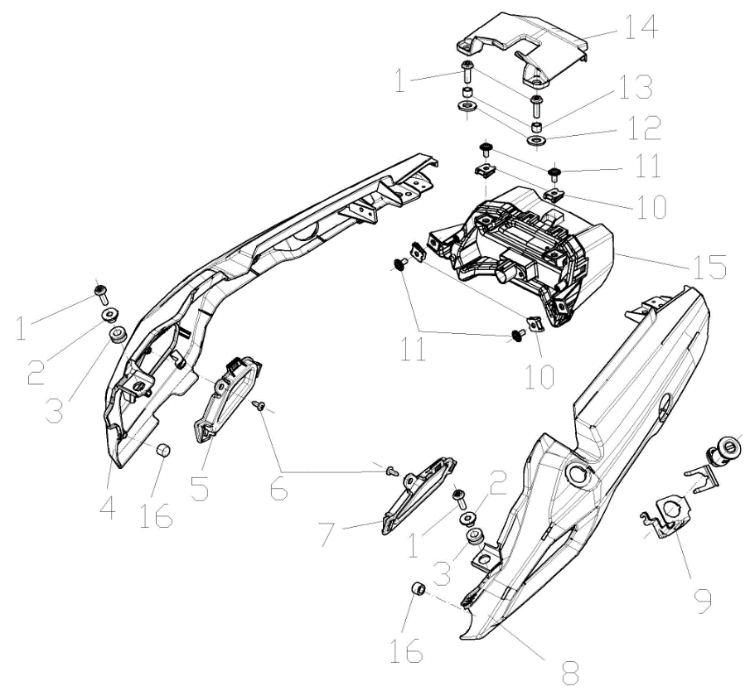

F18-01 | 381420063-0001 | BOLT,LOBULAR SOCKET COUNTERSUNK HEAD | EA | C | 4
F18-02 | 380820512-0004 | COLLAR | EA | C | 2
F18-03 | 380890173-0001 | I-RUBBER | EA | C | 2
F18-04 | 342080226-0009 | BODY COVER.,RIGHT WITHOUT HOLE FOR BRACKET OF BOX KIT | EA | C | 1 |  | Matt black
F18-04 | 342080226-0010 | BODY COVER.,RIGHT WITHOUT HOLE FOR BRACKET OF BOX KIT | EA | C | 1 |  | Desert Yellow
F18-04 | 342080222-0011 | BODY COVER.,RIGHT WITH HOLE FOR BRACKET OF BOX KIT | EA | B | 1 |  | Matt black
F18-04 | 342080222-0012 | BODY COVER.,RIGHT WITH HOLE FOR BRACKET OF BOX KIT | EA | B | 1 |  | Desert Yellow
F18-05 | 342090022-0001 | PLATE,RIGHT BODY COVER DECORATIVE | EA | B | 1
F18-06 | 380310007-0007 | SCREW,CROSS RECESSED PAN SELF-TAPPING | EA | C | 2
...
LX600-D & LX600-DⅠ（DS625X）202409
F18-08 | 342040223-0012 | BODY COVER.,LEFT WITH HOLE FOR BRACKET OF BOX KIT | EA | B | 1 |  | Desert Yellow
F18-09 | 330230028-0001 | BRACKET,SEAT LOCK | EA | C | 1
F18-10 | 380420070-0001 | NUT,CLIP | EA | C | 4
F18-11 | 381420055-0001 | BOLT,LOBULAR SOCKET COUNTERSUNK HEAD | EA | C | 4
F18-12 | 380920239-0001 | PLAIN WASHER,RUBBER | EA | C | 2
F18-13 | 380824140-0001 | COLLAR | EA | C | 2
F18-14 | 342390297-0001 | COVER COMP.,TAIL | EA | B | 1
F18-15 | 280580753-0001 | LIGHT UNIT,TAIL | EA | B | 1
F18-16 | 280800191-0001 | RUBBER JACKET, DAMPING | EA | C | 2
F19 FRONT FENDER SECTION
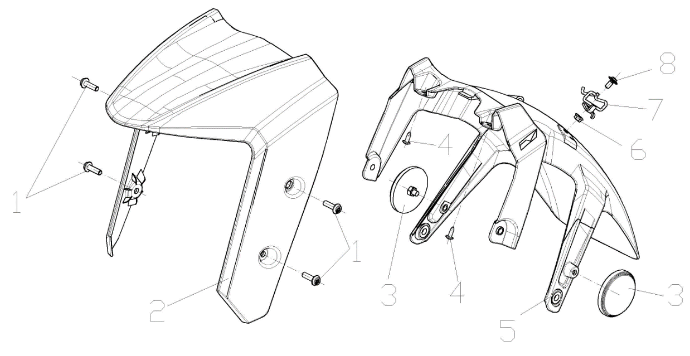

F19-01 | 381420049-0003 | BOLT,LOBULAR SOCKET COUNTERSUNK HEAD | EA | C | 4
F19-02 | 340340141-0007 | FRONT PART,FRONT FENDER | EA | B | 1 |  | Matt black
F19-02 | 340340141-0008 | FRONT PART,FRONT FENDER | EA | B | 1 |  | Desert Yellow
F19-03 | 280010031-0002 | REFLECTOR,LEFT SIDE | FU | B | 1
F19-04 | 380310007-0007 | SCREW,CROSS RECESSED PAN SELF-TAPPING | EA | C | 2
F19-05 | 340350118-0001 | REAR PART,FRONT FENDER | EA | B | 1
F19-06 | 380370001-0005 | NUT,HEXAGON FLANGE | EA | C | 1
F19-07 | 380950548-0001 | CLAMP,TUBE | EA | C | 1
F19-08 | 381420055-0003 | BOLT,LOBULAR SOCKET COUNTERSUNK HEAD | EA | C | 1
F-20 AIR GUIDE SLEEVE & FUEL TANK GUARD PLATE
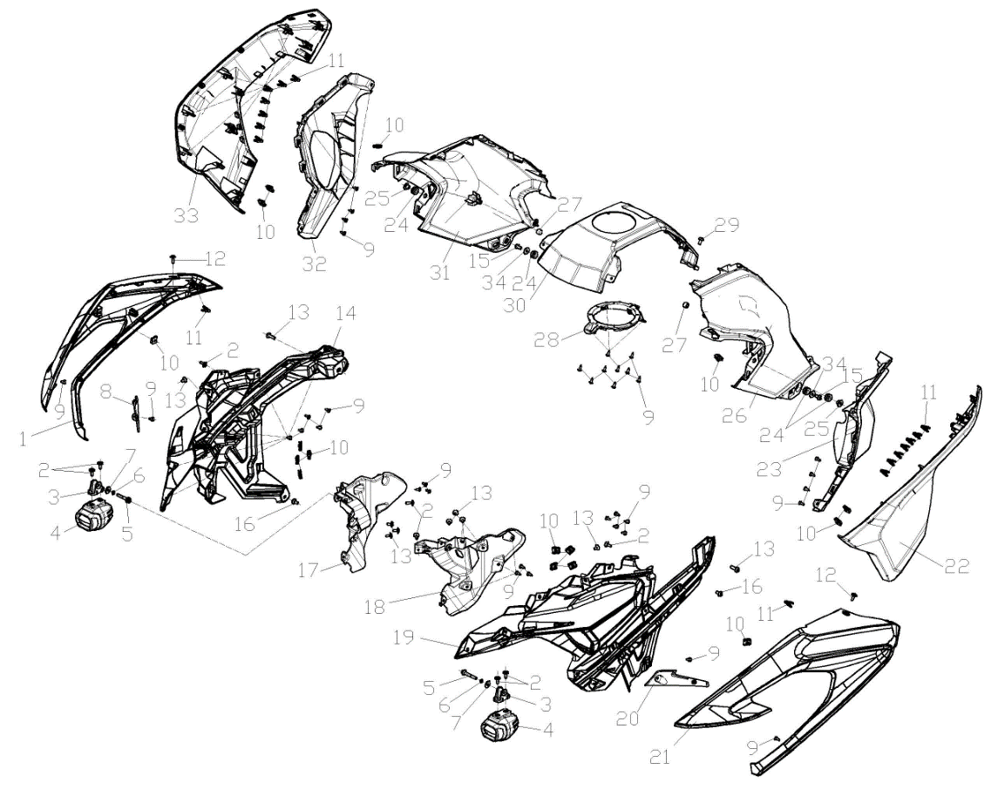

F20-01 | 341460058-0010 | GUARD PLATE,AIR GUIDE SLEEVE RIGHT | EA | B | 1 |  | Matt black
F20-01 | 341460058-0011 | GUARD PLATE,AIR GUIDE SLEEVE RIGHT | EA | B | 1 |  | Desert Yellow
F20-02 | 381420051-0001 | BOLT,LOBULAR SOCKET COUNTERSUNK HEAD | EA | C | 8
F20-03 | 281280028-0001 | SOCKET,DECORATIVE LIGHT | EA | C | 2
F20-04 | 283410005-0001 | LIGHT,FOG | EA | B | 2
F20-05 | 380140100-0011 | BOLT,HEXAGON FLANGE | EA | C | 2
F20-06 | 380460003-0013 | WASHER,ELASTIC | EA | C | 2
F20-07 | 380450004-0014 | WASHER,PLAIN | EA | C | 2
...
LX600-D & LX600-DⅠ（DS625X）202409
F20-28 | 340080010-0001 | BRACKET,FUEL TANK GUARD PLATE | EA | C | 1
F20-29 | 381420055-0003 | BOLT,LOBULAR SOCKET COUNTERSUNK HEAD | EA | C | 1
F20-30 | 343210068-0001 | COVER,FUEL TANK DECORATIVE | EA | B | 1
F20-31 | 340070078-0008 | PROTECTIVE PLATE, FUEL TANK RIGHT | EA | B | 1 |  | Matt black
F20-31 | 340070078-0009 | PROTECTIVE PLATE, FUEL TANK RIGHT | EA | B | 1 |  | Desert Yellow
F20-32 | 342100107-0001 | GUARD PLATE,RIGHT | EA | B | 1
F20-33 | 341860011-0012 | COVER,RIGHT GUARD PLATE DECORATIVE | EA | B | 1 |  | Matt black
F20-33 | 341860011-0013 | COVER,RIGHT GUARD PLATE DECORATIVE | EA | B | 1 |  | Desert Yellow
F20-34 | 380450007-0014 | WASHER,PLAIN | EA | C | 2
F-21 SIDE COVER
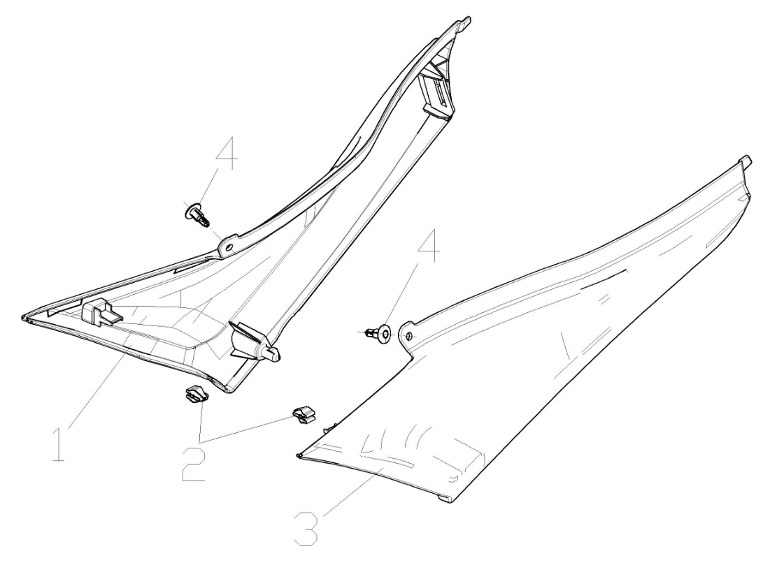

F21-01 | 340870810-0001 | COVER,RIGHT SIDE | EA | B | 1
F21-02 | 277840007-0001 | FIXING CLIP | EA | C | 2
F21-03 | 340750769-0001 | COVER,LEFT SIDE | EA | B | 1
F21-04 | 350440029-0001 | CLIP | EA | C | 2
F22 LUGGAGE CASE
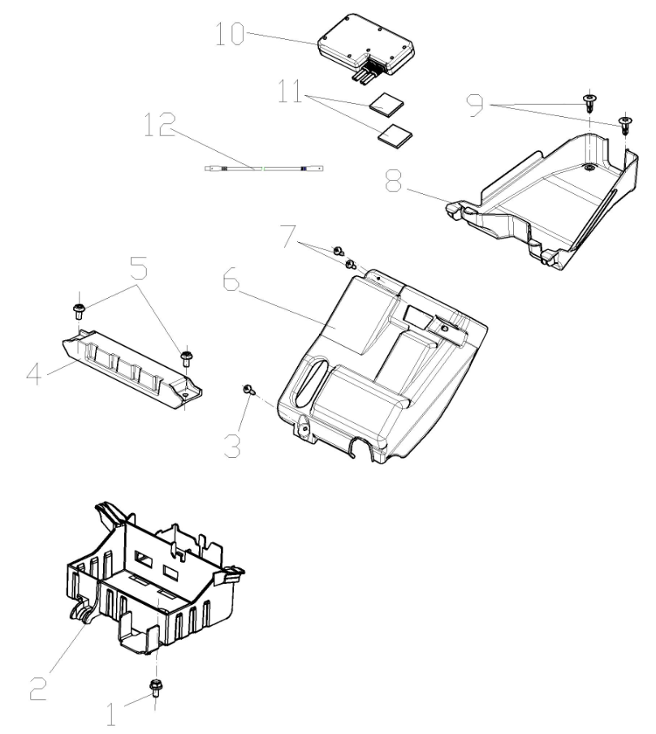

F22-01 | 380140067-0013 | BOLT,HEXAGON FLANGE | EA | C | 1
F22-02 | 271110258-0001 | CASE,BATTERY | EA | B | 1
F22-03 | 380310006-0011 | SCREW,CROSS RECESSED PAN SELF-TAPPING | EA | C | 1
F22-04 | 271170168-0001 | BRACKET,BATTERY PRESSURE | EA | C | 1
F22-05 | 381420061-0001 | BOLT,LOBULAR SOCKET COUNTERSUNK HEAD | EA | C | 2
F22-06 | 270860104-0001 | BRACKET,ELECTRICAL PARTS MOUNTING | EA | C | 1
F22-07 | 380310007-0007 | SCREW,CROSS RECESSED PAN SELF-TAPPING | EA | C | 2
F22-08 | 312730221-0001 | BOX,TOOL | EA | C | 1
F22-09 | 350440029-0001 | CLIP | EA | C | 2
F22-10 | 285370009-0001 | Driving Recorder | EA | B | 1
F22-11 | 361220045-0001 | TAPE,STICKY | EA | D | 4
F22-12 | 271280384-0001 | WIRE,CONNECTI | EA | C | 1
F23 REAR FENDER SECTION
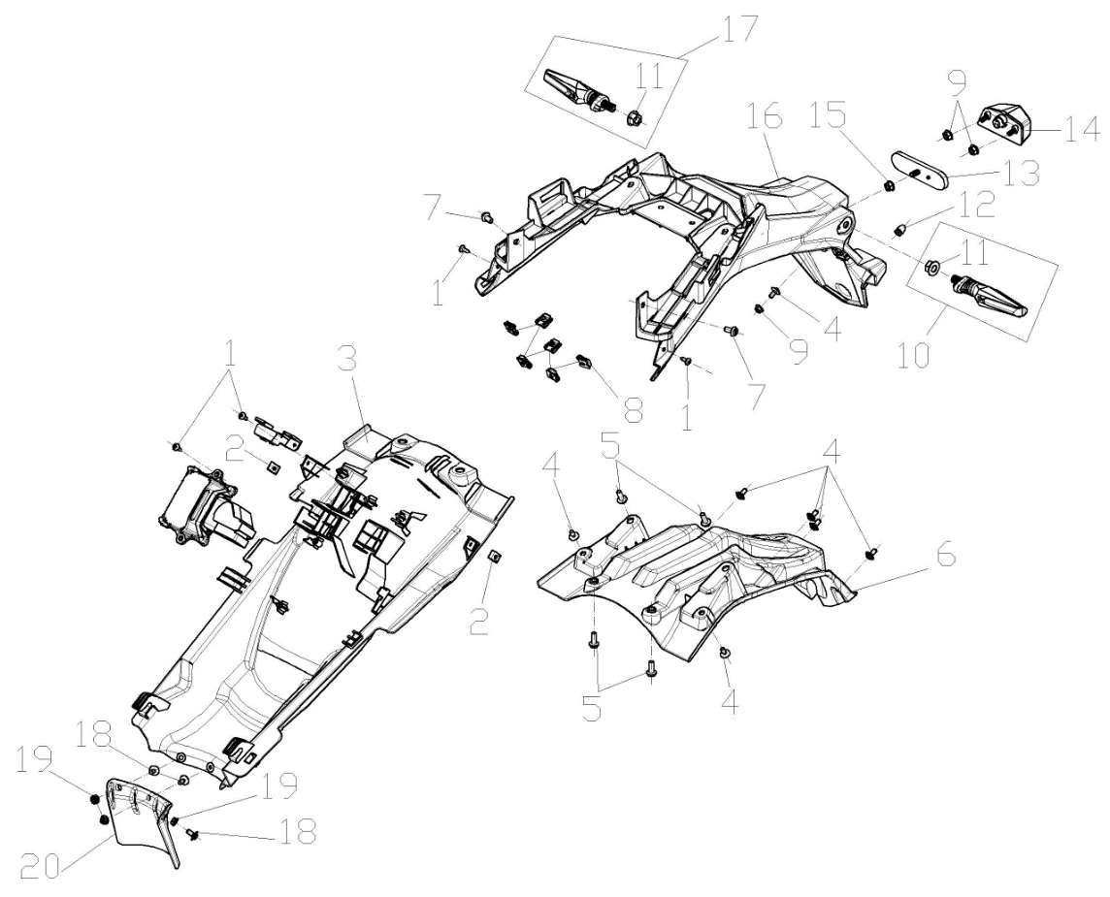

F23-01 | 380310007-0007 | SCREW,CROSS RECESSED PAN SELF-TAPPING | EA | C | 4
F23-02 | 380420001-0006 | NUT,CLIP | EA | C | 2
F23-03 | 342160162-0001 | WEB,VEHICLE BODY | EA | B | 1
F23-04 | 381420055-0001 | BOLT,LOBULAR SOCKET COUNTERSUNK HEAD | EA | C | 7
F23-05 | 381420049-0001 | BOLT,LOBULAR SOCKET COUNTERSUNK HEAD | EA | C | 4
F23-06 | 340670256-0001 | INNER PART,REAR FENDER | EA | B | 1
F23-07 | 381420061-0001 | BOLT,LOBULAR SOCKET COUNTERSUNK HEAD | EA | C | 2
F23-08 | 380420070-0001 | NUT,CLIP | EA | C | 6
F23-09 | 380370001-0005 | NUT,HEXAGON FLANGE | EA | C | 3
F23-10 | 280770507-0001 | SIGNAL ASSY.,LEFT REAR TURN | EA | B | 1
...
LX600-D & LX600-DⅠ（DS625X）202409
F23-12 | 381130025-0001 | GLUE NAIL,BUFFER | EA | C | 1
F23-13 | 280110132-0001 | REFLECTOR,REAR | EA | B | 1
F23-14 | 280720058-0001 | LAMP,REAR REGISTRATION PLATE | EA | B | 1
F23-15 | 380370003-0014 | NUT,HEXAGON FLANGE | EA | C | 1
F23-16 | 340680311-0001 | REAR PART,REAR FENDER | EA | B | 1
F23-17 | 280790492-0001 | SIGNAL ASSY.,RIGHT REAR TURN | EA | B | 1
F23-18 | 381420055-0003 | BOLT,LOBULAR SOCKET COUNTERSUNK HEAD | EA | C | 3
F23-19 | 380400015-0004 | NUT,PREVAILING TORQUE TYPE ALL-METAL HEXAGON WITH FLANGE | EA | C | 3
F23-20 | 340520117-0001 | BAFFLE CUSHION,REAR | EA | B | 1
F24 SEAT ASSY.
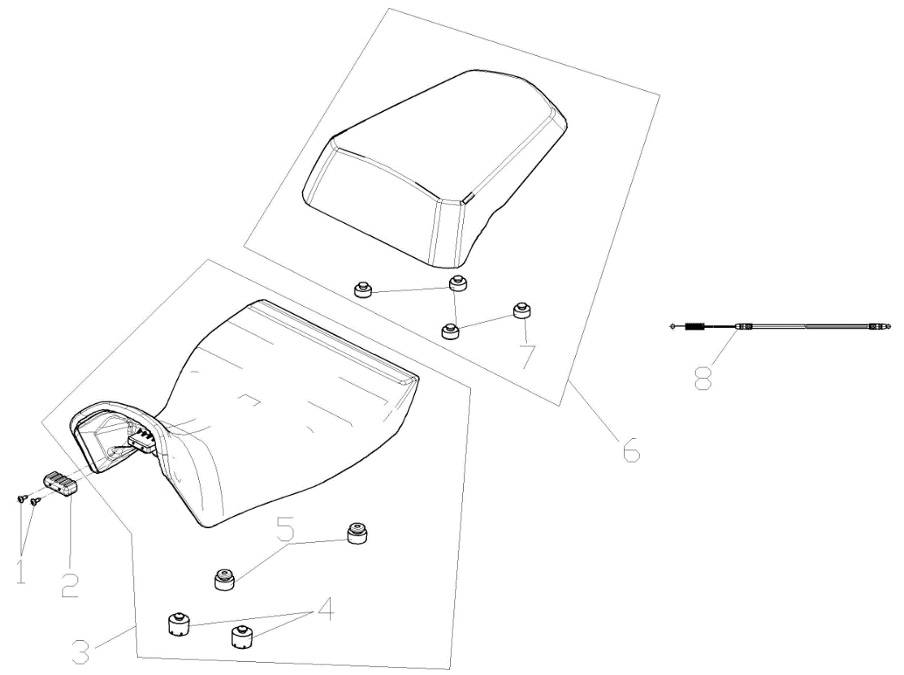

F24-01 | 380310007-0007 | SCREW,CROSS RECESSED PAN SELF-TAPPING | EA | C | 2
F24-02 | 280800203-0001 | RUBBER JACKET, DAMPING | EA | C | 1
F24-03 | 330020118-0001 | SEAT,DRIVER | EA | B | 1
F24-04 | 330120372-0001 | RUBBER SHEET,SEAT BRACE | EA | C | 2
F24-05 | 330120351-0001 | RUBBER SHEET,SEAT BRACE | EA | C | 2
F24-06 | 330030107-0001 | SEAT,PASSENGER | EA | B | 1
F24-07 | 330120364-0001 | RUBBER SHEET,SEAT BRACE | EA | C | 4
F24-08 | 330250206-0001 | CABLE,SEAT | EA | A | 1
F-25 TOOL SET
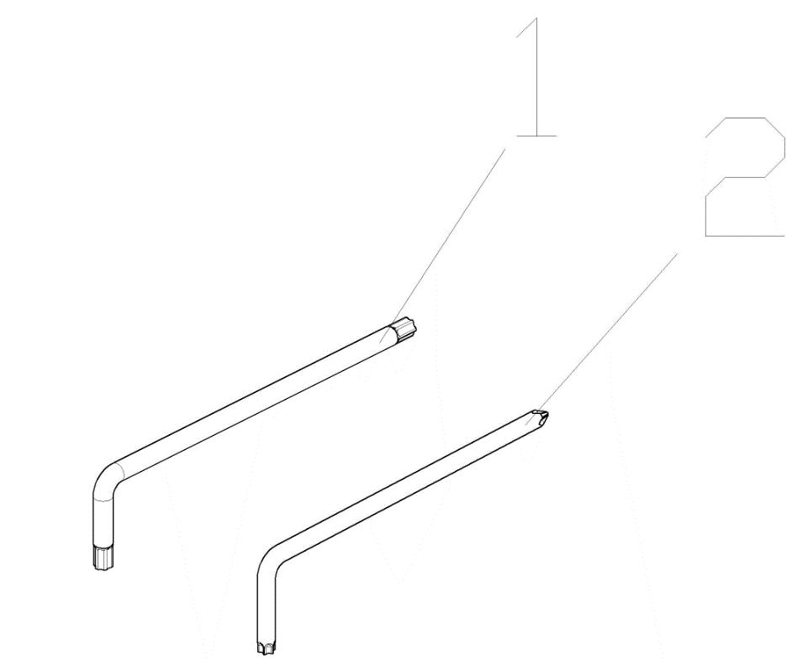

F25-01 | 360070050-0001 | WRENCH | EA | D | 1
F25-02 | 360070053-0001 | WRENCH | EA | D | 1
F26 LABEL & STICKER
F26-01 | 360170035-0001 | CERTIFICATION,QUALIFIED | EA | D | 1
F26-02 | 361130004-0001 | COOLANT | L | D | 2
F26-03 | 370310797-0001 | LABEL,WARNING | EA | C | 1
F26-03 | 370311169-0001 | LABEL,WARNING | EA | C | 1
F26-04 | 370320138-0001 | LABEL,REMINDS | EA | C | 1
F26-05 | 370320645-0001 | LABEL,REMINDS | EA | C | 1
F26-06 | 370322824-0001 | LABEL,REMINDS | EA | C | 1
F26-07 | 370326120-0001 | LABEL,REMINDS | EA | C | 1
F26-08 | 370325992-0001 | LABEL,REMINDS | EA | C | 1
F26-09 | 370325993-0001 | LABEL,REMINDS | EA | C | 1
F26-10 | 370325994-0001 | LABEL,REMINDS | EA | C | 1
F26-11 | 370327232-0001 | LABEL,REMINDS | EA | C | 2
F26-12 | 371460001-0001 | Specification QR Code | EA | D | 1
F26-13 | 680630003-0001 | BRAKE FLUID | KG | D | 0.35
F27 COLLISION BUMPER
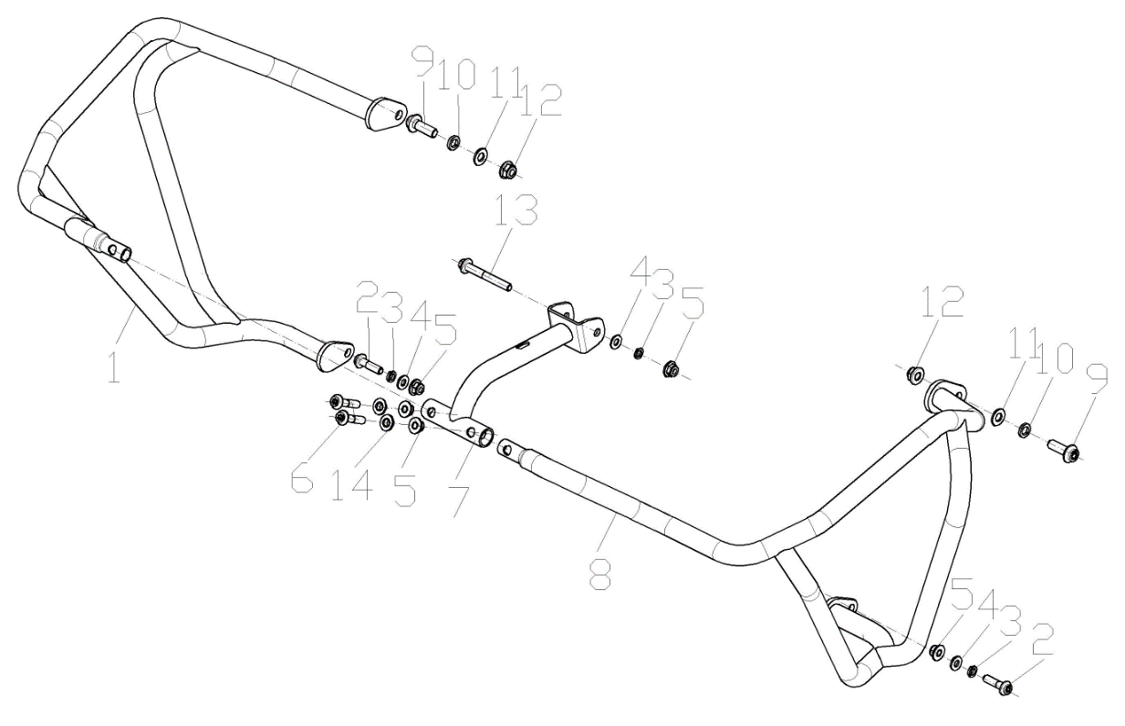

F27-01 | 331430119-0001 | BODY,COLLISION BUMPER RIGHT | EA | C | 1
F27-02 | 382330028-0003 | FLANGE BOLT | EA | C | 2
F27-03 | 380460001-0013 | WASHER,ELASTIC | EA | C | 3
F27-04 | 380450003-0012 | WASHER,PLAIN | EA | C | 3
F27-05 | 380400007-0008 | NUT,PREVAILING TORQUE TYPE ALL-METAL HEXAGON WITH FLANGE | EA | C | 5
F27-06 | 382330029-0003 | FLANGE BOLT | EA | C | 2
F27-07 | 331190066-0001 | CONNECTING YOKE,COLLISION BUMPER | EA | C | 1
F27-08 | 331420154-0001 | BODY,COLLISION BUMPER LEFT | EA | C | 1
F27-09 | 382330030-0003 | FLANGE BOLT | EA | C | 2
F27-10 | 380460002-0010 | WASHER,ELASTIC | EA | C | 2
F27-11 | 380450006-0011 | WASHER,PLAIN | EA | C | 2
F27-12 | 380400001-0009 | NUT,PREVAILING TORQUE TYPE ALL-METAL HEXAGON WITH FLANGE | EA | C | 2
F27-13 | 380140007-0005 | BOLT,HEXAGON FLANGE | EA | C | 1
F27-14 | 380824015-0001 | COLLAR | EA | C | 2
F28 REAR LUGGAGE CARRIER
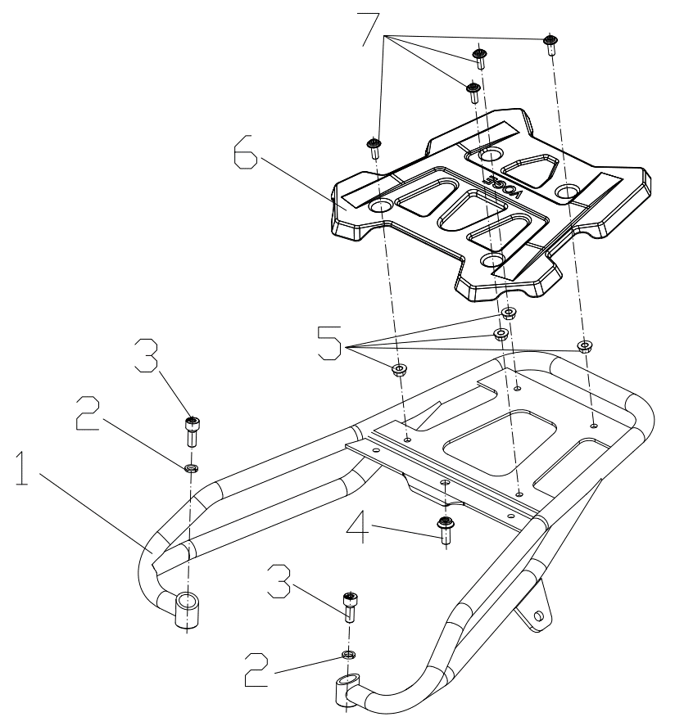

F28-01 | 330640775-0001 | LUGGAGE CARRIER COMP.,REAR | EA |  | 1
F28-02 | 380460001-0013 | WASHER,ELASTIC | EA |  | 2
F28-03 | 381420068-0003 | BOLT,LOBULAR SOCKET COUNTERSUNK HEAD | EA |  | 2
F28-04 | 382330025-0003 | FLANGE BOLT | EA |  | 1
F28-05 | 380370003-0014 | NUT,HEXAGON FLANGE | EA |  | 4 |  | 不带三箱
F28-06 | 332210019-0001 | PIECE,LUGGAGE CARRIER LEFT DECORATIVE | EA |  | 1 |  | 不带三箱
F28-07 | 381420049-0003 | BOLT,LOBULAR SOCKET COUNTERSUNK HEAD | EA |  | 4 |  | 不带三箱
F29 TAIL BOX AND SIDE BOX |  |  |  |  |  |  |  | GAI
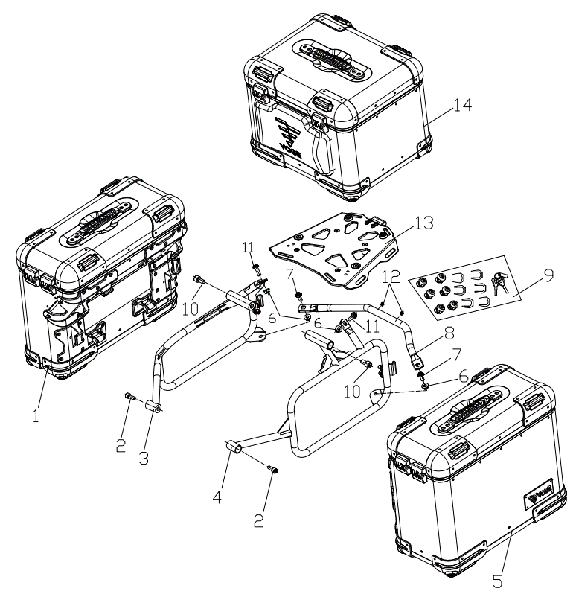

F29-01 | 350350045-0002 | BOX,RIGHT SIDE | EA | B | 1 |  | 三箱状态
F29-02 | 381420068-0003 | BOLT,LOBULAR SOCKET COUNTERSUNK HEAD | EA | C | 2 |  | 三箱状态
F29-03 | 331340049-0001 | BRACKET,RIGHT SIDE BOX | EA | C | 1 |  | 三箱状态
F29-04 | 331330049-0001 | BRACKET,LEFT SIDE BOX | EA | C | 1 |  | 三箱状态
F29-05 | 350320044-0002 | BOX,LEFT SIDE | EA | B | 1 |  | 三箱状态
F29-06 | 380400007-0008 | NUT,PREVAILING TORQUE TYPE ALL-METAL HEXAGON WITH FLANGE | EA | C | 4 |  | 三箱状态
F29-07 | 382330025-0003 | FLANGE BOLT | EA | C | 2 |  | 三箱状态
F29-08 | 332040015-0001 | BODY,REAR PROP | EA | C | 1 |  | 三箱状态
F29-09 | 353530010-0001 | KEY SETS | SET | C | 1 |  | 三箱状态
F29-10 | 380190119-0002 | SCREW,HEXAGON SOCKET | EA | C | 2 |  | 三箱状态
F29-11 | 382330026-0003 | FLANGE BOLT | EA | C | 2 |  | 三箱状态
F29-12 | 381130034-0001 | GLUE NAIL,BUFFER | EA | B | 2 |  | 三箱状态
F29-13 | 350530035-0001 | BACKPLANE,TAIL BOX | EA | C | 1 |  | 三箱状态
F29-14 | 350480144-0002 | BOX,TAIL | EA | C | 1 |  | 三箱状态
F30WINDSHIELD GLASS
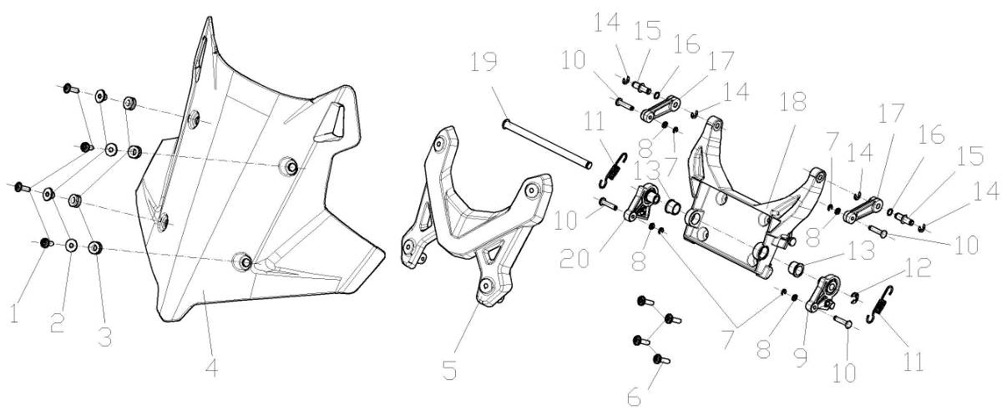

F30-01 | 381420063-0003 | BOLT,LOBULAR SOCKET COUNTERSUNK HEAD | EA | C | 4
F30-02 | 380820512-0004 | COLLAR | EA | C | 4
F30-03 | 380890173-0001 | I-RUBBER | EA | C | 4
F30-04 | 341340110-0001 | GLASS, WIND SHIELD | EA | B | 1
F30-05 | 349440002-0001 | WINDSHIELD BRACKET | EA | B | 1
F30-06 | 381420064-0002 | BOLT,HEXAGON FLANGE | EA | C | 4
F30-07 | 380920246-0001 | PLAIN WASHER,RUBBER | EA | C | 4
F30-08 | 380570020-0006 | SPLIT WASHER | EA | C | 4
...
LX600-D & LX600-DⅠ（DS625X）202409
F30-12 | 380570025-0005 | SPLIT WASHER | EA | C | 1
F30-13 | 380470168-0001 | WASHER,FLANGE | EA | C | 2
F30-14 | 380570001-0008 | SPLIT WASHER | EA | C | 4
F30-15 | 380610564-0001 | PIN,CLEVIS | EA | C | 2
F30-16 | 380841566-0001 | RING,SEAL | EA | B | 2
F30-17 | 349420001-0001 | ADJUSTMENT UP ROD,WINDSHIELD | EA | B | 2
F30-18 | 348610003-0001 | BRACKET OF WINDSHIELD GLASS | EA | C | 1
F30-19 | 380610570-0002 | PIN,CLEVIS | EA | C | 1
F30-20 | 349430002-0001 | ADJUSTMENT LOWER ROD,WINDSHIELD RIGHT | EA | B | 1
F31 AIR GUIDE SLEEVE,LEFT LOWER
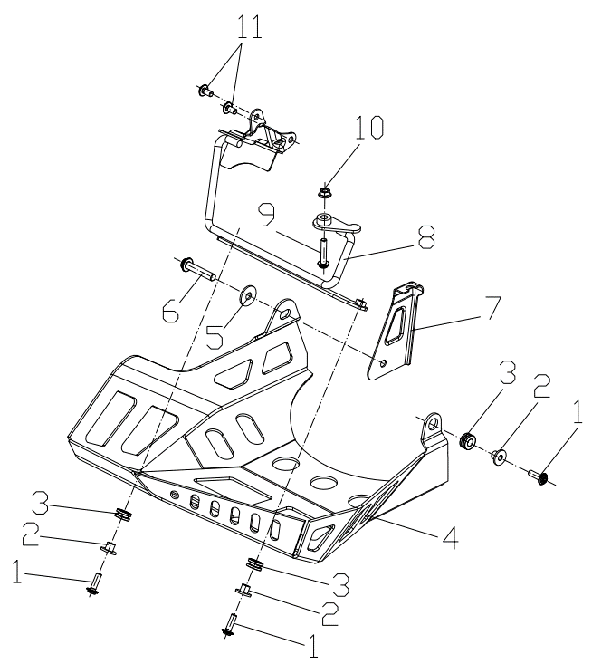

F31-01 | 381420063-0003 | BOLT,LOBULAR SOCKET COUNTERSUNK HEAD | EA | C | 3
F31-02 | 380820512-0004 | COLLAR | EA | C | 3
F31-03 | 380890173-0001 | I-RUBBER | EA | C | 3
F31-04 | 341870139-0001 | AIR GUIDE SLEEVE,LEFT LOWER | EA | B | 1
F31-05 | 380450019-0009 | WASHER,PLAIN | EA | C | 1
F31-06 | 382330038-0002 | FLANGE BOLT | EA | C | 1
F31-07 | 341840009-0001 | BRACKET,RIGHT WIND BOARD | EA |  | 1
F31-08 | 341900147-0001 | BRACKET,LOWER AIR GUIDE SLEEVE | EA | C | 1
F31-09 | 382330019-0003 | FLANGE BOLT | EA | C | 1
F31-10 | 380370003-0014 | NUT,HEXAGON FLANGE | EA | C | 1
...

KEL600
Special instructions:In this part catalog title bar ，If with a“NOT FOR SERVICE”words ， This part can't be purchased ，Please select the part of the assembly or combination
REF.No | PLM CODE | 英文名ENGLISH PARTS NAME | QUANTITY | UNIT | WEAR & TEAR GRADE | PICTURE
E1 | F3101S0007-4Y5K001 | ENGINE | 1 | SET | C
E01 CYLINDER HEAD COVER
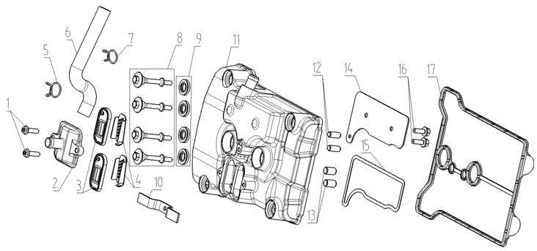
E01-01 | 382330034-0002 | FLANGE BOLT | 2 | PCS | C
E01-02 | 380780212-0006 | JOINT,CONNECTING | 1 | PCS | C
E01-03 | 140250015-0001 | VALVE,REED | 2 | PCS | C
E01-04 | 180800018-0001 | SCREEN,FLAME | 2 | PCS | C
E01-05 | 380950433-0001 | CLAMP,TUBE | 1 | PCS | C
E01-06 | 380741299-0001 | TUBE,BREATHER | 1 | PCS | B
E01-07 | 380950434-0001 | CLAMP,TUBE | 1 | PCS | C
E01-08 | 380140605-0001 | BOLT,HEXAGON FLANGE | 4 | PCS | C
E01-09 | 380840987-0001 | RING,SEAL | 4 | PCS | B
E01-10 | 190470197-0001 | PLATE,CLUTCH PRESSURE | 1 | PCS | B
E01-11 | 120230263-0005 | COVER COMP,CYLINDER HEAD | 1 | PCS | C
E01-12 | 380600017-0001 | PIN,DOWEL | 2 | PCS | C
E01-13 | 380600006-0001 | PIN,DOWEL | 2 | PCS | C
E01-14 | 120520020-0001 | PLATE,OIL SEPARATING | 1 | PCS | C
E01-15 | 120660012-0001 | GASKET,OIL SEPARATING PLATE | 1 | PCS | B
E01-16 | 380140333-0001 | BOLT,HEXAGON FLANGE | 2 | PCS | C
E01-17 | 380841513-0001 | RING,SEAL | 1 | PCS | B
E02 CYLINDER HEAD
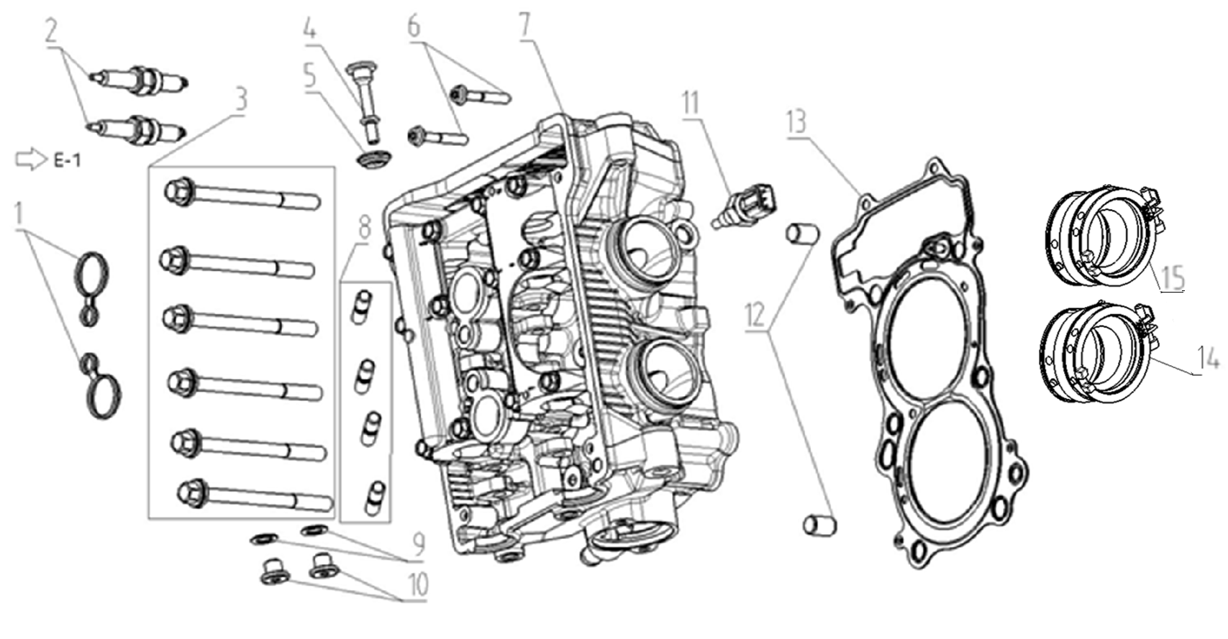
E02-01 | 380841524-0001 | RING,SEAL | 2 | PCS | B
E02-02 | 270960060-0001 | PLUG,SPARK | 2 | PCS | A
E02-03 | 380710031-0001 | BOLT/SCREW/WASHER,PALIN COMP | 6 | PCS | C
E02-04 | 380190464-0001 | SCREW,HEXAGON SOCKET | 1 | PCS | C
E02-05 | 380841136-0001 | RING,SEAL | 1 | PCS | B
E02-06 | 382330035-0002 | FLANGE BOLT | 2 | PCS | C
E02-07 | 500260303-0001 | CYLINDER HEAD KIT | 1 | SET | C
E02-08 | 380180184-0001 | STUD | 4 | PCS | C
E02-09 | 380450089-0001 | WASHER,PLAIN | 2 | PCS | C
E02-10 | 380190664-0002 | SCREW,HEXAGON SOCKET | 2 | PCS | C
E02-11 | 270790014-0001 | SENSOR,ENGINE | 1 | PCS | C
E02-12 | 380600032-0001 | PIN,DOWEL | 2 | PCS | C
E02-13 | 120150310-0001 | GASKET,CYLINDER HEAD | 1 | PCS | A
E02-14 | 180410117-0001 | TUBE COMP.,AIR INTAKE | 1 | SET | B
E02-15 | 180410074-0001 | TUBE COMP.,AIR INTAKE | 1 | SET | B
E03 AIR INTAKE AND EXHAUST MECHANISM
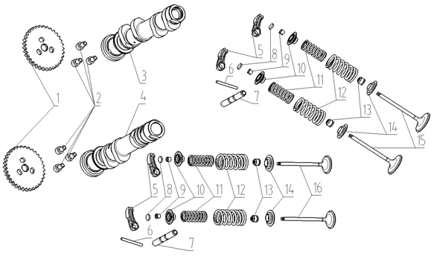
E03-01 | 140580090-0001 | SPROCKET,TIMING DRIVEN | 2 | PCS | B
E03-02 | 140590014-0002 | BOLT,TIMING | 6 | PCS | C
E03-03 | 140020299-0001 | CAMSHAFT ASSY | 1 | SET | B
E03-04 | 140030248-0001 | CAMSHAFT COMP | 1 | PCS | B
E03-05 | 140460113-0001 | ARM COMP,VALVE ROCKER | 8 | PCS | B
E03-06 | 380600328-0001 | PIN,DOWEL | 4 | PCS | C
E03-07 | 140510089-0001 | SHAFT,VALVE ROCKER ARM | 4 | PCS | B
E03-08 | 141310011-0050 | ADJUSTING SHIM,VALVE | 8 | PCS | D
E03-09 | 140390034-0001 | COTTER,VALVE | 16 | PCS | C
E03-10 | 140380080-0001 | RETAINER,VALVE SPRING | 8 | PCS | C
E03-11 | 140340064-0001 | SPRING,VALVE(INNER) | 8 | PCS | C
E03-12 | 140350063-0001 | SPRING,VALVE(OUTER) | 8 | PCS | C
E03-13 | 140400018-0001 | SHIELD,OIL | 8 | PCS | A
E03-14 | 140380047-0001 | RETAINER,VALVE SPRING | 8 | PCS | C
E03-15 | 140300158-0001 | VALVE,INLET | 4 | PCS | A
E03-16 | 140310159-0001 | VALVE,EXHAUST | 4 | PCS | A
E04 CHAIN TENSIONER DEVICE
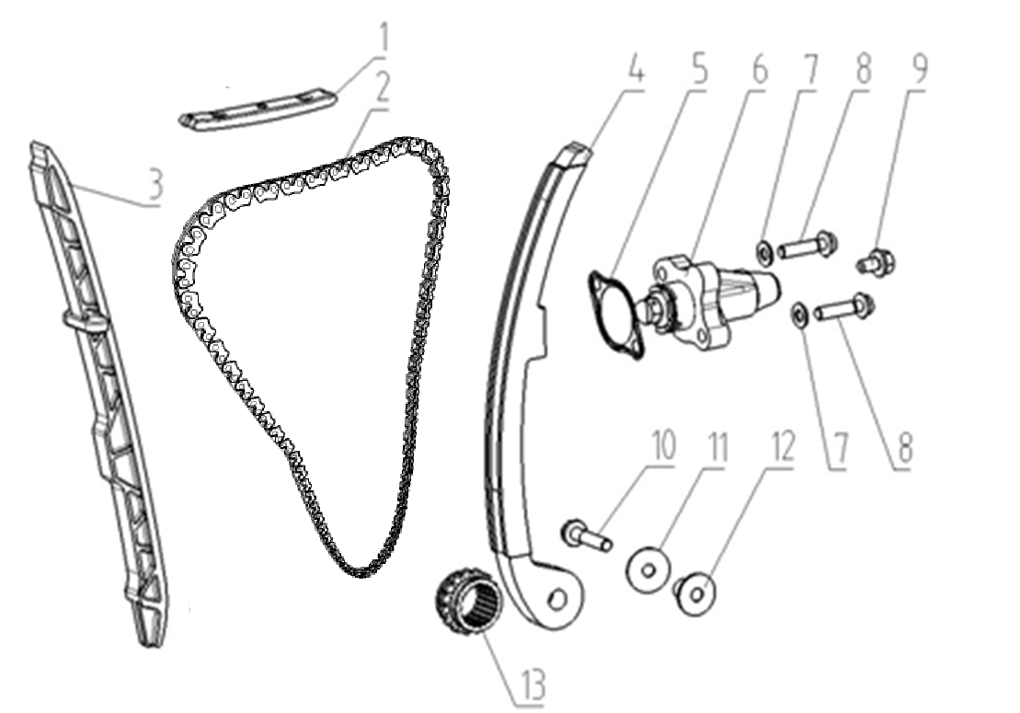
E04-01 | 140660016-0001 | PLATE,TIMING CHAIN LIMIT | 1 | PCS | C
E04-02 | 140610063-0001 | CHAIN,TIMING | 1 | PCS | A
E04-03 | 141000065-0001 | The CHAIN,DRIVE guide plate | 1 | PCS | B
E04-04 | 140910013-0001 | CHAIN,DRIVE tension plate | 1 | PCS | B
E04-05 | 140830025-0001 | GASKET,CAM CHAIN TENSIONER | 1 | PCS | B
E04-06 | 140750034-0005 | TENSIONER ASSY,CAM CHAIN | 1 | PCS | B
E04-07 | 380450391-0001 | WASHER,PLAIN | 2 | PCS | C
E04-08 | 382330043-0002 | FLANGE BOLT | 2 | PCS | C
E04-09 | 380140037-0003 | BOLT,HEXAGON FLANGE | 1 | PCS | C
E04-10 | 380140633-0001 | BOLT,HEXAGON FLANGE | 1 | PCS | C
E04-11 | 380451479-0001 | WASHER,PLAIN | 1 | PCS | C
E04-12 | 380824275-0001 | COLLAR | 1 | PCS | C
E04-13 | 130230055-0001 | SPROCKET,TIMING DRIVE | 1 | PCS | C
E05 CRANKCASE ASSY.
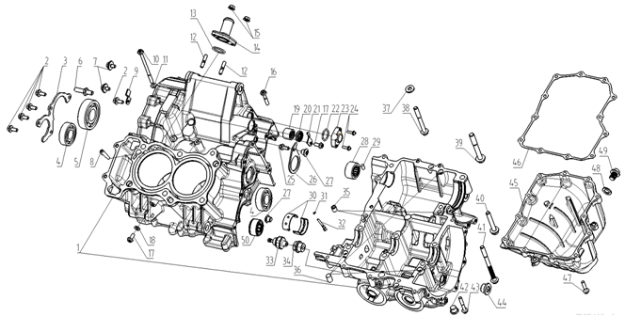 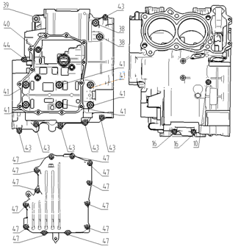
E05-01 | 500270589-0002 | CRANKCASE KIT | 1 | SET | B
E05-02 | 380140209-0001 | BOLT,HEXAGON FLANGE | 5 | PCS | C
E05-03 | 191380011-0001 | CHECK PLATE,MAINSHAFT BEARING | 1 | PCS | C
E05-04 | 380630005-0002 | BEARING | 2 | PCS | B
E05-05 | 380630048-0002 | BEARING | 1 | PCS | B
E05-06 | 192310008-0001 | JACK BOLT,GEAR CHANGE ARM | 1 | PCS | C
E05-07 | 380710030-0001 | BOLT/SCREW/WASHER,PALIN COMP | 2 | PCS | C
E05-08 | 120920001-0001 | RUBBER STICK OF WATER PROOF | 1 | PCS | C
E05-09 | 192350021-0001 | PLATE,GEAR SHIFT LIMIT | 1 | PCS | C
E05-10 | 382330074-0001 | FLANGE BOLT | 1 | PCS | C
...
E05-42 | 380190409-0001 | SCREW,HEXAGON SOCKET | 2 | PCS | C
E05-43 | 382330041-0001 | FLANGE BOLT | 7 | PCS | C
E05-44 | 380190410-0001 | SCREW,HEXAGON SOCKET | 2 | PCS | C
E05-45 | 110900019-0002 | CRANKCASE OIL TRAY | 1 | PCS | C
E05-46 | 110910005-0001 | GASKET,CRANKCASE OIL TRAY | 1 | PCS | A
E05-47 | 382330040-0001 | FLANGE BOLT | 12 | PCS | C
E05-48 | 380450018-0003 | WASHER,PLAIN | 1 | PCS | C
E05-49 | 110260069-0001 | SCREW PLUG,SEAL | 1 | PCS | C
E05-50 | 382150006-0001 | BEARING ASSY | 1 | PCS | C
E06 CRANKSHAFT AND CONNECTING ROD SET
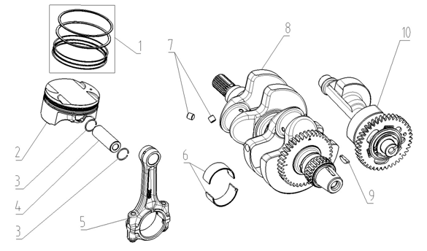
E06-01 | 130070341-0001 | RING SET,PISTON | 2 | SET | A
E06-02 | 130030390-0001 | PISTON COMP | 2 | PCS | A
E06-03 | 380560068-0001 | CHECK RING,STEEL CABLE BAFFLE | 4 | PCS | C
E06-04 | 130060115-0001 | PIN,PISTON | 2 | PCS | B
E06-05 | 130510023-0001 | ROD COMP,CONNECTING | 2 | SET | C
E06-06 | 110280053-0002 110280053-0003 110280053-0004 110280053-0005 110280053-0006 | BEARING,CRANKSHAFT | 4 | PCS | C
E06-07 | 381000538-0001 | STOPPER | 2 | PCS | C
E06-08 | 130290825-0001 | CRANKSHAFT COMP | 1 | SET | C
E06-09 | 380620125-0001 | KEY | 1 | PCS | C
E06-10 | 130430057-0001 | BALANCING ARBOR COMP | 1 | SET | C
E07 MAINSHAF AND COUNTERSHAFT
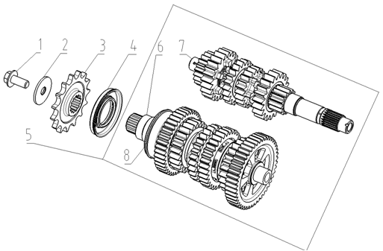
F07-01 | 380140614-0001 | BOLT,HEXAGON FLANGE | 1 | PCS | C
F07-02 | 380451047-0001 | WASHER,PLAIN | 1 | PCS | C
F07-03 | 191600078-0001 | SPROCKET,COUNTERSHAFT DRIVING | 1 | PCS | A
F07-04 | 380650803-0001 | OIL SEAL | 1 | PCS | B
F07-05 | 500290595-0001 | MAINSHAFT&COUNTERSHAFT KIT | 1 | SET | B
F07-06 | 191390205-0001 | COUNTERSHAFT COMP | 1 | SET | B
F07-07 | 191250272-0001 | MAINSHAFT COMP | 1 | SET | B
F07-08 | 380630476-0001 | BEARING | 1 | PCS | B
E08 SPEED CONTROL MECHANISM
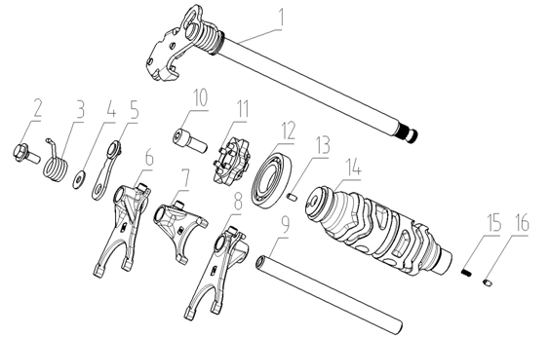
E08-01 | 192320114-0001 | ARM COMP,GEAR CHANGE | 1 | SET | B
E08-02 | 192240007-0001 | BOLT,CHECK PLATE | 1 | PCS | C
E08-03 | 381160229-0001 | SPRING,TORSIONAL | 1 | PCS | B
E08-04 | 380450227-0001 | WASHER,PLAIN | 1 | PCS | C
E08-05 | 192190024-0001 | CHECK PLATE ASSY | 1 | PCS | C
E08-06 | 192120079-0001 | FORK,GEAR SHIFT | 1 | PCS | C
E08-07 | 192120078-0001 | FORK,GEAR SHIFT | 1 | PCS | C
E08-08 | 192120077-0001 | FORK,GEAR SHIFT | 1 | PCS | C
E08-09 | 192130036-0001 | SHAFT,SHIFT FORK GUIDE | 1 | PCS | C
E08-10 | 380190010-0008 | SCREW,HEXAGON SOCKET | 1 | PCS | C
E08-11 | 196820002-0001 | GEARSHIFT DRUM PLATE ASSY | 1 | PCS | C
E08-12 | 380630470-0001 | BEARING | 1 | PCS | B
E08-13 | 380610323-0001 | PIN,CLEVIS | 1 | PCS | C
E08-14 | 192080075-0001 | DRUM COMP,GEAR SHIFT | 1 | PCS | C
E08-15 | 381150005-0001 | SPRING,COMPRESSION | 1 | PCS | B
E08-16 | 270720001-0001 | SHIFT CONTACT,GEAR INDICATOR SWITCH | 1 | PCS | C
E09 CLUTCH ASSY.
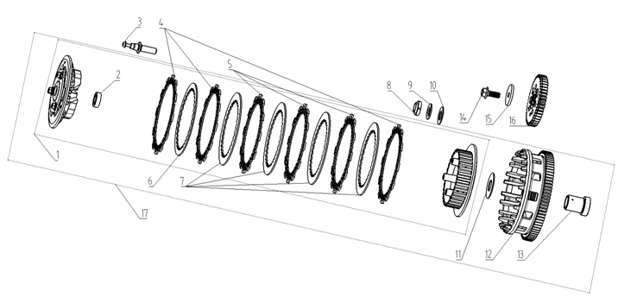
E09-01 | 190400098-0001 | CENTER COMP,CLUTCH | 1 | PCS | C
E09-02 | 380630013-0001 | BEARING | 1 | PCS | B
E09-03 | 190730042-0001 | PUSH ROD | 1 | PCS | C
E09-04 | 190430080-0001 | FRICTION PLATE,DRIVE | 3 | PCS | A
E09-05 | 190430079-0001 | FRICTION PLATE,DRIVE | 3 | PCS | A
E09-06 | 190460082-0001 | FRICTION PLATE,DRIVEN | 1 | PCS | A
E09-07 | 190460081-0001 | FRICTION PLATE,DRIVEN | 4 | PCS | A
E09-08 | 380810083-0001 | NUT,ROUND | 1 | PCS | C
E09-09 | 380480037-0001 | WASHER,SAUCER | 1 | PCS | C
E09-10 | 380451042-0001 | WASHER,PLAIN | 1 | PCS | C
E09-11 | 380451060-0001 | WASHER,PLAIN | 1 | PCS | C
E09-12 | 190330150-0001 | OUTER COMP,CLUTCH | 1 | PCS | B
E09-13 | 380824429-0001 | COLLAR | 1 | PCS | C
E09-14 | 380140616-0001 | BOLT,HEXAGON FLANGE | 1 | PCS | C
E09-15 | 380451045-0001 | WASHER,PLAIN | 1 | PCS | C
E09-16 | 194610003-0001 | DRIVING GEAR ASSY,PRIMARY | 1 | PCS | C
E09-17 | 190320067-0001 | CLUTCH COMP,SECONDARY | 1 | SET | B
E10 RIGHT CRANKCASE COVER
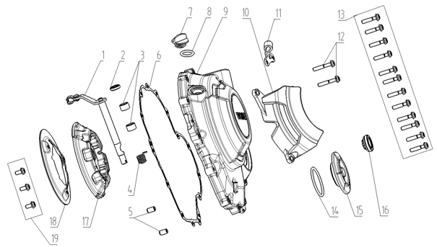
E10-01 | 190810114-0001 | JOYSTICK ASSY,CLUTCH | 1 | PCS | B
E10-02 | 380650098-0001 | OIL SEAL | 1 | PCS | B
E10-03 | 380630045-0001 | BEARING | 2 | PCS | B
E10-04 | 381160227-0001 | SPRING,TORSIONAL | 1 | PCS | B
E10-05 | 380600002-0001 | PIN,DOWEL | 2 | PCS | C
E10-06 | 110620087-0001 | GASKET,RIGHT CRANKCASE COVER | 1 | PCS | A
E10-07 | 110700008-0002 | Oil dipstick | 1 | PCS | B
E10-08 | 380840006-0001 | RING,SEAL | 1 | PCS | B
E10-09 | 110601052-0002 | COVER COMP,RIGHT CRANKCASE | 1 | PCS | C
E10-10 | 110720116-0002 | CAP,RIGHT DECORATIVE | 1 | PCS | C
E10-11 | 191230091-0001 | PLATE,CLUTCH CABLE LOCATING | 1 | PCS | C
E10-12 | 382330035-0002 | FLANGE BOLT | 2 | PCS | C
E10-13 | 382330040-0001 | FLANGE BOLT | 12 | PCS | C
E10-14 | 380840992-0001 | RING,SEAL | 1 | PCS | B
E10-15 | 110440020-0003 | COVER,INSPECTION | 1 | PCS | B
E10-16 | 110630008-0001 | SIGHT GLASS,OIL | 1 | PCS | C
E10-17 | 120500032-0001 | PAD,CUSHION | 1 | PCS | C
E10-18 | 120510009-0001 | COVER,CUSHION PAD | 1 | PCS | C
E10-19 | 382330112-0001 | FLANGE BOLT | 3 | PCS | C
E11 GENERATOR ASSY.
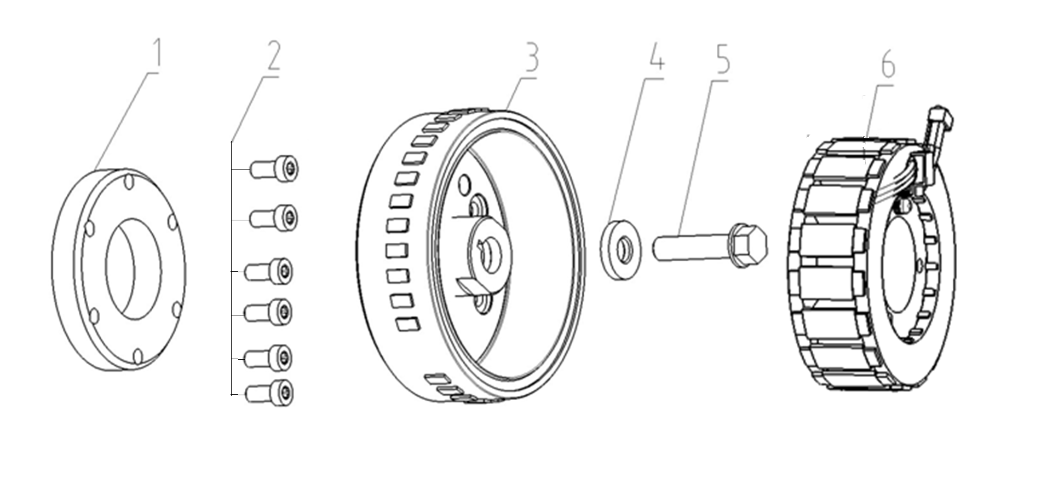
E11-01 | 193090030-0001 | BODY ASSY,STARTING CLUTCH | 1 | PCS | B
E11-02 | 380190415-0001 | SCREW,HEXAGON SOCKET | 6 | PCS | C
E11-03 | 270020289-0001 | ROTOR COMP | 1 | SET | C
E11-04 | 380451046-0001 | WASHER,PLAIN | 1 | PCS | C
E11-05 | 380140650-0001 | BOLT,HEXAGON FLANGE | 1 | PCS | C
E11-06 | 270100163-0006 | STATOR COMP | 1 | SET | B
E12 STARTING MECHANISM
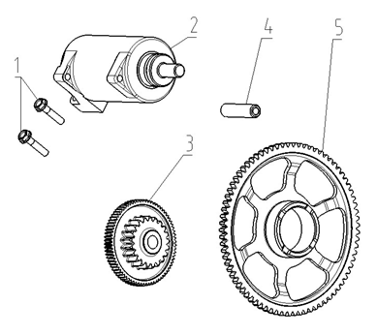
E12-01 | 380140633-0001 | BOLT,HEXAGON FLANGE | 2 | PCS | C
E12-02 | 270350082-0005 | MOTOR ASSY,STARTING | 1 | SET | B
E12-03 | 193190043-0001 | DUPLEX GEAR,ELECTRIC STARTING | 1 | PCS | C
E12-04 | 193230027-0001 | SHAFT,DUPLEX GEAR | 1 | PCS | C
E12-05 | 193240041-0001 | DISK GEAR | 1 | PCS | C
E13 LEFT CRANKCASE COVER
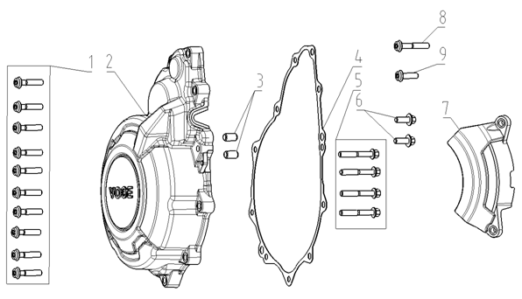
E13-01 | 382330040-0001 | FLANGE BOLT | 10 | PCS | C
E13-02 | 110400482-0001 | COVER COMP,LEFT FRONT | 1 | PCS | C
E13-03 | 380600002-0001 | PIN,DOWEL | 2 | PCS | C
E13-04 | 110420048-0001 | GASKET,LEFT FRONT COVER | 1 | PCS | A
E13-05 | 380140019-0006 | BOLT,HEXAGON FLANGE | 4 | PCS | C
E13-06 | 380140627-0001 | BOLT,HEXAGON FLANGE | 2 | PCS | C
E13-07 | 110430060-0002 | COVER,LEFT DECORATING | 1 | PCS | C
E13-08 | 382330035-0002 | FLANGE BOLT | 1 | PCS | C
E13-09 | 382330034-0002 | FLANGE BOLT | 1 | PCS | C
E14 LUBRICATION SYSTEM
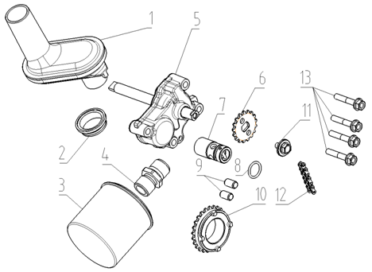
E14-01 | 150970001-0001 | OIL SUCKING TUBE COMP | 1 | PCS | C
E14-02 | 380840995-0001 | RING,SEAL | 1 | PCS | B
E14-03 | 150350015-0001 | OIL FILTER ASSY,SECONDARY | 1 | SET | C
E14-04 | 380780216-0001 | JOINT,CONNECTING | 1 | PCS | C
E14-05 | 150010155-0001 | PUMP ASSY,OIL | 1 | SET | C
E14-06 | 150070090-0001 | SPROCKET,OIL PUMP DRIVEN | 1 | PCS | B
E14-07 | 150600006-0001 | VALVE COMP,OIL CONTROL | 1 | SET | C
E14-08 | 380841006-0001 | RING,SEAL | 1 | PCS | B
E14-09 | 380600002-0001 | PIN,DOWEL | 2 | PCS | C
E14-10 | 150150058-0001 | SPROCKET,OIL PUMP DRIVE | 1 | PCS | C
E14-11 | 380710030-0001 | BOLT/SCREW/WASHER,PALIN COMP | 1 | PCS | C
E14-12 | 260010270-0001 | CHAIN,DRIVE | 1 | PCS | A
E14-13 | 380140100-0003 | BOLT,HEXAGON FLANGE | 4 | PCS | C
E15 COOLING SYSTEM
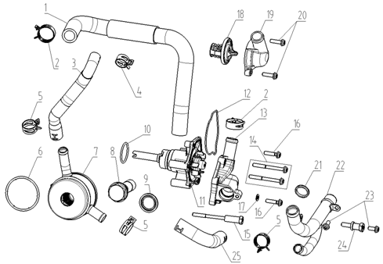
E15-01 | 380760631-0001 | TUBE,WATER | 1 | PCS | B
E15-02 | 380950414-0002 | CLAMP,TUBE | 2
E15-03 | 380760635-0001 | TUBE,WATER | 1 | PCS | B
E15-04 | 380950541-0001 | CLAMP,TUBE | 1 | PCS | C
E15-05 | 380950523-0001 | CLAMP,TUBE | 3 | PCS | C
E15-06 | 380841471-0001 | RING,SEAL | 1 | PCS | B
E15-07 | 161390008-0001 | HEAT EXCHANGER OF WATER AND OIL | 1 | PCS | C
E15-08 | 380140847-0002 | BOLT,HEXAGON FLANGE | 1 | PCS | C
E15-09 | 380451487-0001 | WASHER,PLAIN | 1 | PCS | C
E15-10 | 380841043-0001 | RING,SEAL | 1 | PCS | B
...

