LX900-AⅠ&LX900-AⅡ
LX900-AⅠ&LX900-AⅡ DS900X、V+、ABS、LX900-AⅠ&LX900-AⅡ DS900X、Euro V+
Special instructions:In this part catalog title bar ，If with a“NOT FOR SERVICE”words ， This part can't be purchased ，Please select the part of the assembly or combination
Ref.No. | Part No. | PARTS NAME | Computation units | Quantity | Consumable grade | Picture | REMARK
F1 ENGINE COMP.
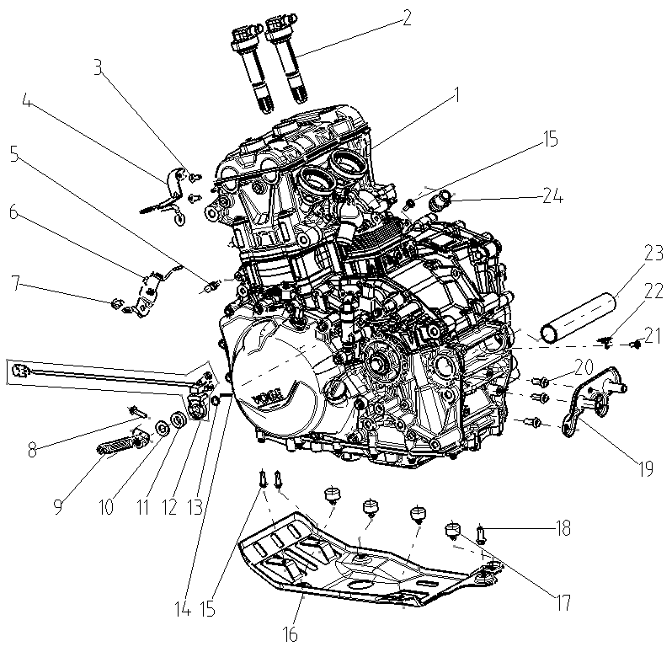
F01-1 | F3101X0003-4M96000 | ENGINE COMP. | SET | 1 | D
F01-2 | 270920630-0001 | COIL ASSY.,IGNITION | PCS | 2 | B
F01-3 | 381420049-0003 | BOLT,LOBULAR SOCKET COUNTERSUNK HEAD | PCS | 2 | C
F01-4 | 160390019-0001 | LUG,RADIATOR LOWER | PCS | 1 | C
F01-5 | 343120007-0001 | PIECE,REGULA CONNECTING | PCS | 1 | B
F01-6 | 280200210-0001 | BRACKET,HORN | PCS | 1 | C
F01-7 | 382330023-0003 | FLANGE BOLT | PCS | 1 | C
F01-8 | 380140102-0011 | BOLT,HEXAGON FLANGE | PCS | 1 | C
F01-9 | 193790120-0001 | BASE,SPLINE FITTING | PCS | 1 | C
F01-10 | 380451126-0001 | WASHER,PLAIN | PCS | 1 | C
F01-11 | 381430055-0001 | PAD,CUSHION | PCS | 1 | C
F01-12 | 278280001-0001 | QUICK SHIFT SENSOR |  | 1
F01-13 | 380824696-0001 | COLLAR | PCS | 1 | C
F01-14 | 380610619-0001 | PIN,CLEVIS | PCS | 1 | C
F01-15 | 381420063-0003 | BOLT,LOBULAR SOCKET COUNTERSUNK HEAD | PCS | 2 | C
F01-16 | 341920053-0001 | SHIELD,ENGINE | PCS | 1 | B
F01-17 | 280800182-0001 | RUBBER JACKET, DAMPING | PCS | 4 | C
F01-18 | 382330025-0003 | FLANGE BOLT | PCS | 1 | C
F01-19 | 302610018-0001 | BRACE,MUFFLER MIDDLE CONNECTING | PCS | 1 | C
F01-20 | 382330025-0001 | FLANGE BOLT | PCS | 3 | C
F01-21 | 381420061-0003 | BOLT,LOBULAR SOCKET COUNTERSUNK HEAD | PCS | 1 | C
F01-22 | 380950538-0001 | CLAMP,TUBE | PCS | 1 | C
F01-23 | 380824358-0001 | COLLAR | PCS | 1 | C
F01-24 | 380780361-0001 | JOINT,CONNECTING | PCS | 1 | C
F02 COOLING SYSTEM
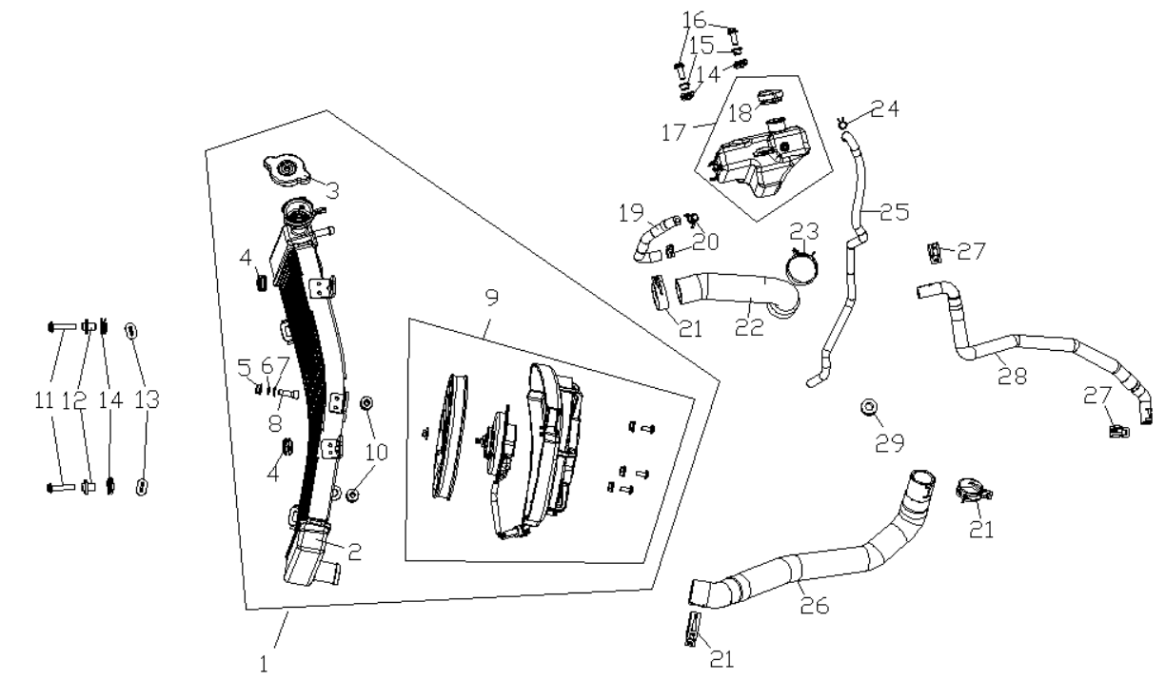
F02-1 | 160010209-0001 | HEAT RADIATOR COMP. | SET | 1 | B
F02-2 | 160020055-0001 | BODY SET,RADIATOR | PCS | 1 | C
F02-3 | 160500030-0001 | CAP,WATER TANK | PCS | 1 | B
F02-4 | 380890405-0001 | I-RUBBER | PCS | 2 | C
F02-5 | 380370003 | NUT,HEXAGON FLANGE | PCS | 1 | C |  | NOT FOR SERVICE
F02-6 | 380450004 | WASHER,PLAIN | PCS | 1 | C |  | NOT FOR SERVICE
F02-7 | 380460003 | WASHER,ELASTIC | PCS | 1 | C |  | NOT FOR SERVICE
F02-8 | 380190111 | SCREW,HEXAGON SOCKET | PCS | 1 | C |  | NOT FOR SERVICE
F02-9 | 160240069-0001 | FAN ASSY. | SET | 1 | B
F02-10 | 380890412 | I-RUBBER | PCS | 2 | C
F02-11 | 382330019-0003 | FLANGE BOLT | PCS | 2 | C
F02-12 | 380470185-0001 | WASHER,FLANGE | PCS | 2 | C
F02-13 | 380910080-0001 | I-RUBBER | PCS | 2 | C
F02-14 | 380420062-0001 | NUT,CLIP | PCS | 4 | C
F02-15 | 380821669-0002 | COLLAR | PCS | 2 | C
F02-16 | 381420049-0003 | BOLT,LOBULAR SOCKET COUNTERSUNK HEAD | PCS | 2 | C
F02-17 | 161420004-0001 | SUPPLEMENTARY CAN | PCS | 1 | C
F02-18 | 160050021-0001 | CAP,FILLER | PCS | 1 | C
F02-19 | 380760682-0001 | TUBE,WATER | PCS | 1 | B
F02-20 | 380950509-0002 | CLAMP,TUBE | PCS | 2 | C
F02-21 | 380950543-0001 | CLAMP,TUBE | PCS | 3 | C
F02-22 | 380760680-0001 | TUBE,WATER | PCS | 1 | B
F02-23 | 380950544-0001 | CLAMP,TUBE | PCS | 1 | C
F02-24 | 380950459-0002 | CLAMP,TUBE | PCS | 1 | C
F02-25 | 380760687-0001 | TUBE,WATER | PCS | 1 | B
F02-26 | 380760679-0001 | TUBE,WATER | PCS | 1 | B
F02-27 | 380950510-0001 | CLAMP,TUBE | PCS | 2 | C
F02-28 | 380760681-0001 | TUBE,WATER | PCS | 1 | B
F02-29 | 380890409-0001 | I-RUBBER | PCS | 1 | C
F03 FUEL TANK ASSY.
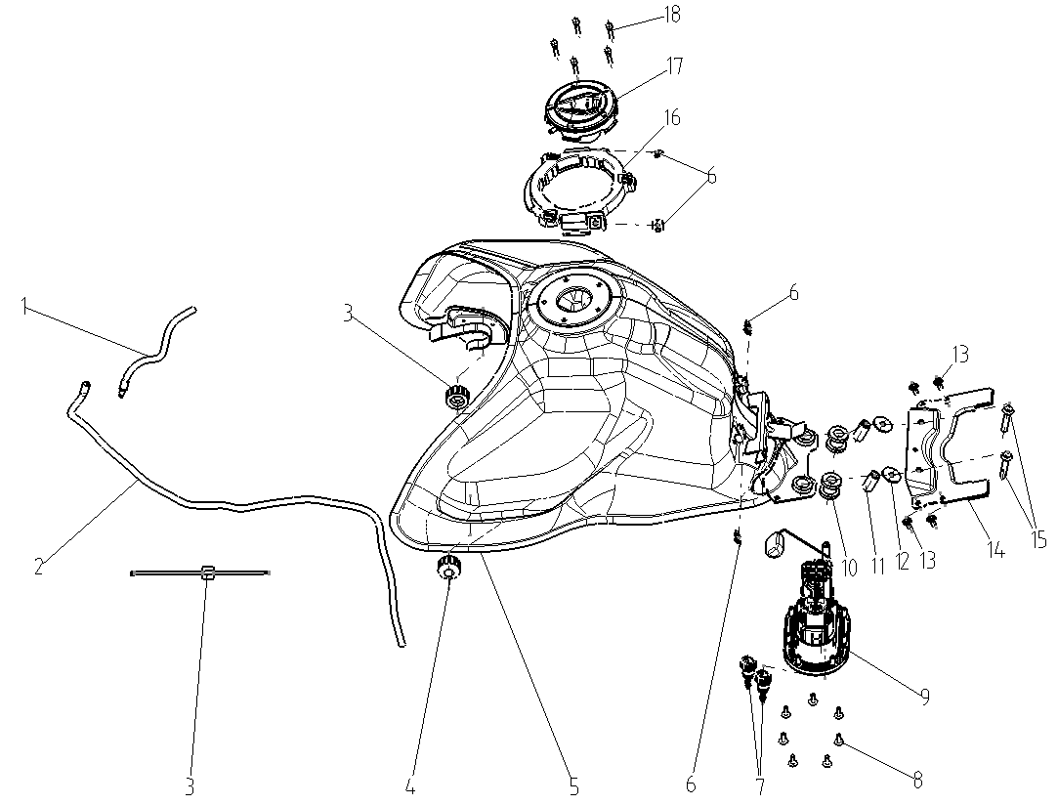
F03-1 | 380760683-0001 | TUBE,WATER | PCS | 1 | B
F03-2 | 380760705-0001 | TUBE,WATER | PCS | 1 | B
F03-3 | 6918644-01 | BAND | PCS | 1 | C
F03-4 | 170690046-0001 | RUBBER JACKET,FUEL TANK PROP | PCS | 2 | C
F03-5 | 170520175-0001 | WELDING ASSY.,FUEL TANK | PCS | 1 | C
F03-6 | 380420070-0001 | NUT,CLIP | PCS | 4 | C
F03-7 | 273610021-0001 | JOINT, SWIFT CHANGE | PCS | 2 | C
F03-8 | 381420051-0003 | BOLT,LOBULAR SOCKET COUNTERSUNK HEAD | PCS | 7 | C
F03-9 | 172720028-0001 | FUEL PUMP,ELECTRIC | PCS | 1 | C
F03-10 | 380880111-0001 | T-RUBBER | PCS | 4 | C
F03-11 | 380824798-0001 | COLLAR | PCS | 2 | C
F03-12 | 380451406-0002 | WASHER,PLAIN |  | 2
F03-13 | 381420049-0003 | BOLT,LOBULAR SOCKET COUNTERSUNK HEAD | PCS | 4 | C
F03-14 | 300440174-0001 | BRACE,FUEL TANK REAR | PCS | 1 | C
F03-15 | 382330038-0002 | FLANGE BOLT | PCS | 2 | C
F03-16 | 340080015-0001 | BRACKET,FUEL TANK GUARD PLATE | PCS | 1 | C
F03-17 | 170860211 | LOCK,FUEL TANK | PCS | 1 | B |  | NOT FOR SERVICE
F03-18 | 380190723-0001 | SCREW,HEXAGON SOCKET | PCS | 5 | C
F04 FUEL EVAPORATIVE COMP.
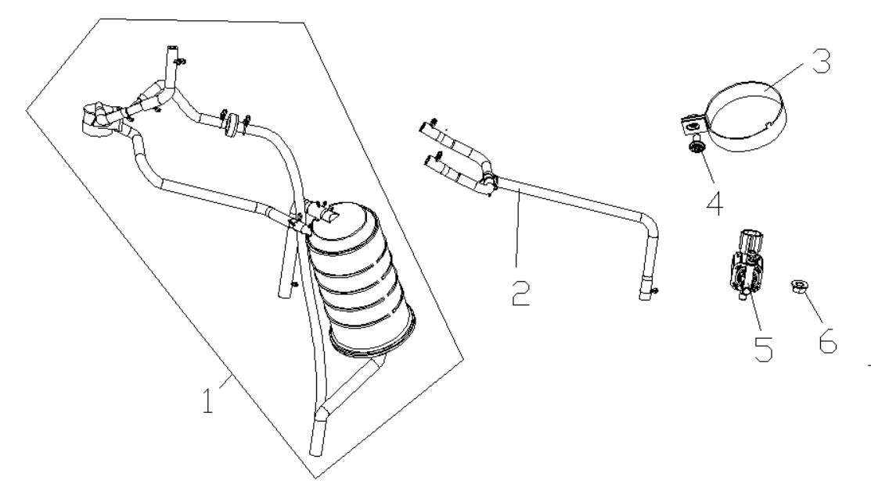
F04-1 | 173850178-0001 | CONTROLLER ASSY.,FUEL EVAPORATION | SET | 1 | B
F04-2 | 110270050-0001 | TUBE ASSY.,BREATHER | SET | 1 | C
F04-3 | 380960336-0001 | CLAMP ASSY. | PCS | 1 | C
F04-4 | 381420055-0003 | BOLT,LOBULAR SOCKET COUNTERSUNK HEAD | PCS | 1 | C
F04-5 | 174350007-0001 | MAGNETIC VALVE,CANISTER | PCS | 1 | C
F04-6 | 380370003-0014 | NUT,HEXAGON FLANGE | PCS | 1 | C
F05 AIR CLEANER ASSY.
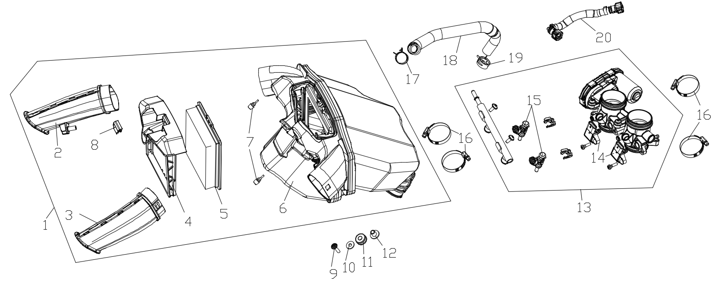
F05-1 | 180021282-0001 | AIR CLEANER COMP. | PCS | 1 | C
F05-2 | 180150134 | INTAKE TUBE,AIR CLEANER | PCS | 1 | C |  | NOT FOR SERVICE
F05-3 | 180150133 | INTAKE TUBE,AIR CLEANER | PCS | 1 | C |  | NOT FOR SERVICE
F05-4 | 180120140 | FRAMEWORK,AIR CLEANER | PCS | 1 | C |  | NOT FOR SERVICE
F05-5 | 180100181-0001 | ELEMENT ASSY.,AIR CLEANER | PCS | 1 | A
F05-6 | 183710003 | CASE,AIR CLEANER |  | 1 |  |  | NOT FOR SERVICE
F05-7 | 280800205 | RUBBER JACKET, DAMPING | PCS | 2 | C |  | NOT FOR SERVICE
F05-8 | 181300013 | PIECE,ELEMENT MOUNTING LOCKING | PCS | 1 | C |  | NOT FOR SERVICE
F05-9 | 381420064-0003 | BOLT,LOBULAR SOCKET COUNTERSUNK HEAD | PCS | 1 | C
F05-10 | 380450007-0014 | WASHER,PLAIN | PCS | 1 | C
F05-11 | 380890416-0001 | I-RUBBER | PCS | 1 | C
F05-12 | 380470177-0001 | WASHER,FLANGE | PCS | 1 | C
F05-13 | 172810117-0001 | VALVE BODY ASSY., THROTTLE | PCS | 1 | B
F05-14 | 174340013-0001 | SENSOR,AIR TEMP&PRESSURE | PCS | 2 | B
F05-15 | 173010071-0001 | FUEL OIL INJECTOR COMP. | PCS | 2 | B
F05-16 | 380960213-0001 | CLAMP ASSY. | PCS | 4 | C
F05-17 | 380950523-0001 | CLAMP,TUBE | PCS | 1 | C
F05-18 | 380741678-0001 | TUBE,BREATHER | PCS | 1 | B
F05-19 | 380950566-0001 | CLAMP,TUBE | PCS | 1 | C
F05-20 | 175300015-0001 | FUEL TUBE ASSY. | PCS | 1 | C
F06 MUFFLER EXHAUST ASSY.
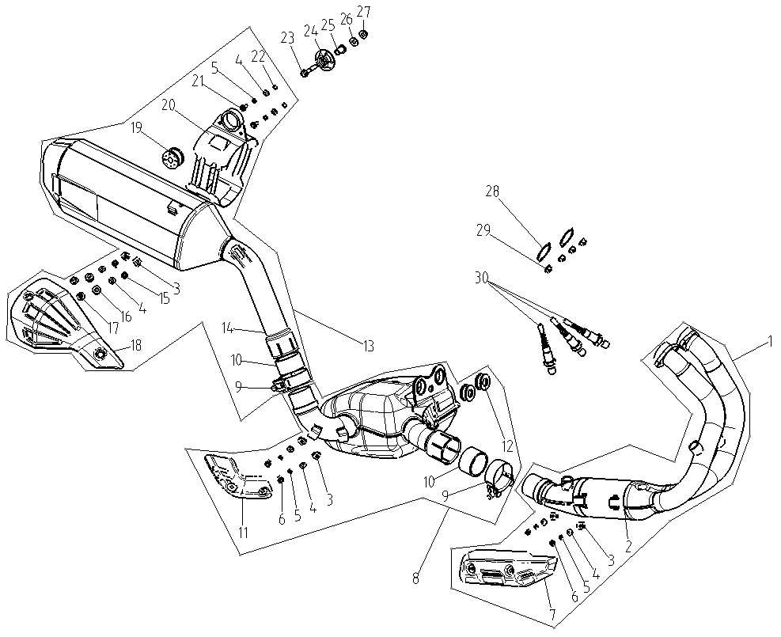
F06-1 | 181160136-0001 | FRONT PART,MUFFLER EXHAUST | PCS | 1 | C |  | E5+
F06-2 | 183350054 | WELDING ASSY.,EXHAUST PIPE | PCS | 1 | C |  | NOT FOR SERVICE
F06-3 | 380420062 | NUT,CLIP | PCS | 3 | C |  | NOT FOR SERVICE
F06-4 | 380450278 | WASHER,PLAIN | PCS | 5 | C |  | NOT FOR SERVICE
F06-5 | 380460021-0001 | WASHER,ELASTIC | PCS | 4 | C
F06-6 | 382330010 | FLANGE BOLT | PCS | 2 | C |  | NOT FOR SERVICE
F06-7 | 180900194-0001 | SHIELD,WARM PROOF | PCS | 1 | B
F06-8 | 183310006-0001 | MIDDLE PART OF MUFLLER EXHAUST PIPE | PCS | 1 | C
F06-9 | 181890036-0001 | TUBE,MUFFLER CONNECTING | PCS | 2 | B
F06-10 | 181110017-0001 | GRAPHITE ANNULUS | PCS | 2 | B
F06-11 | 180900192-0001 | SHIELD,WARM PROOF | PCS | 1 | B
F06-12 | 380890411 | I-RUBBER | PCS | 2 | C |  | NOT FOR SERVICE
F06-13 | 180720350-0001 | REAR PART,MUFFLER | PCS | 1 | C
F06-14 | 180690458 | BODY,MUFFLER | PCS | 1 | C |  | NOT FOR SERVICE
F06-15 | 382330016 | FLANGE BOLT | PCS | 2 | C |  | NOT FOR SERVICE
F06-16 | 380890173 | I-RUBBER | PCS | 2 | C |  | NOT FOR SERVICE
F06-17 | 380470108 | WASHER,FLANGE | PCS | 2 | C |  | NOT FOR SERVICE
F06-18 | 180960323-0001 | SHIELD,MUFFLER | PCS | 1 | B
F06-19 | 380890410 | I-RUBBER | PCS | 1 | C |  | NOT FOR SERVICE
F06-20 | 180840323 | PLATE,MUFFLER HANGER | PCS | 1 | C |  | NOT FOR SERVICE
F06-21 | 381420049 | BOLT,LOBULAR SOCKET COUNTERSUNK HEAD | PCS | 2 | C |  | NOT FOR SERVICE
F06-22 | 380340011 | NUT,HEXAGON HEAD | PCS | 2 | C |  | NOT FOR SERVICE
F06-23 | 382330038-0002 | FLANGE BOLT | PCS | 1 | C
F06-24 | 180870010-0001 | WASHER,HANGER PLATE STIFFENING | PCS | 1 | C
F06-25 | 380470099-0002 | WASHER,FLANGE | PCS | 1 | C
F06-26 | 380451002-0003 | WASHER,PLAIN | PCS | 1 | C
F06-27 | 380400007-0008 | NUT,PREVAILING TORQUE TYPE ALL-METAL HEXAGON WITH FLANGE | PCS | 1 | C
F06-28 | 180650152-0001 | GASKET,AIR EXHAUST PORT | PCS | 2 | A
F06-29 | 380370127-0001 | NUT,HEXAGON FLANGE | PCS | 4 | C
F06-30 | 172750065-0001 | OXYGEN SENSOR | PCS | 3 | B |  | E5+
F07 FRAME ASSY.
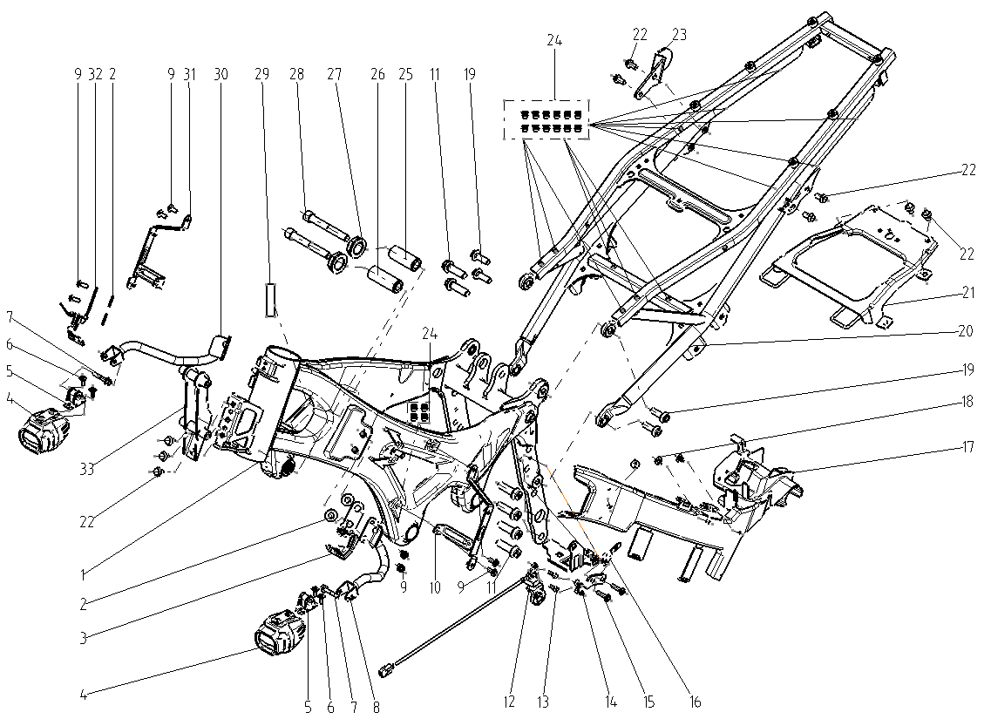
F07-1 | 300121494-0002 | BODY COMP.,FRAME | PCS | 1 | C
F07-2 | 380920253-0001 | PLAIN WASHER,RUBBER | PCS | 4 | C
F07-3 | 300710183-0001 | BRACKET,AIR CLEANER | PCS | 1 | C
F07-4 | 283410005-0001 | LIGHT,FOG | PCS | 2 | B
F07-5 | 281280028-0001 | SOCKET,DECORATIVE LIGHT | PCS | 2 | C
F07-6 | 381420051-0003 | BOLT,LOBULAR SOCKET COUNTERSUNK HEAD | PCS | 4 | C
F07-7 | 380140095-0007 | BOLT,HEXAGON FLANGE | PCS | 2 | C
F07-8 | 283570002-0001 | HOLDER,DECORATIVE LIGHT BRACKET RIGHT | PCS | 1 | C
F07-9 | 381420049-0003 | BOLT,LOBULAR SOCKET COUNTERSUNK HEAD | PCS | 8 | C
F07-10 | 340890017-0001 | BRACKET,SIDE COVER RIGHT | PCS | 1 | C
F07-11 | 382330096-0001 | FLANGE BOLT | PCS | 6 | C
F07-12 | 278280001-0001 | QUICK SHIFT SENSOR |  | 1
F07-13 | 380190034-0005 | SCREW,HEXAGON SOCKET | PCS | 2 | C
F07-14 | 424020010-0001 | BRACKET OF SENSOR | PCS | 1 | C
F07-15 | 381420064-0003 | BOLT,LOBULAR SOCKET COUNTERSUNK HEAD | PCS | 2 | C
F07-16 | 181930052-0001 | BRACKET CANISTER | PCS | 1 | C
F07-17 | 270280047-0001 | PLATE,WIRE PRESSURE | PCS | 1 | C
F07-18 | 350440020-0001 | CLIP | PCS | 3 | C
F07-19 | 382330030-0003 | FLANGE BOLT | PCS | 4 | C
F07-20 | 300460112-0006 | REAR PART,FRAME | PCS | 1 | C
F07-21 | 301110188-0001 | BRACKET,SEAT | PCS | 1 | C
F07-22 | 382330024-0003 | FLANGE BOLT | PCS | 9 | C
F07-23 | 180990224-0001 | BRACKET,MUFFLER | PCS | 1 | C
F07-24 | 381870004-0003 | RIVET NUT | PCS | 16 | C
F07-25 | 380190717-0001 | SCREW,HEXAGON SOCKET | PCS | 1 | C
F07-26 | 380190718-0001 | SCREW,HEXAGON SOCKET | PCS | 1 | C
F07-27 | 380370123-0001 | NUT,HEXAGON FLANGE | PCS | 2 | C
F07-28 | 381420075-0001 | BOLT,LOBULAR SOCKET COUNTERSUNK HEAD | PCS | 2 | C
F07-29 | 370850007-0001 | TECHNIQUE LABEL | PCS | 1 | C
F07-30 | 283560002-0001 | HOLDER,DECORATIVE LIGHT BRACKET LEFT | PCS | 1 | C
F07-31 | 340770060-0001 | BRACKET,SIDE COVER LEFT | PCS | 1 | B
F07-32 | 300710184-0001 | BRACKET,AIR CLEANER | PCS | 1 | C
F07-33 | 280460283-0001 | BRACKET,HEAD LIGHT | PCS | 1 | C
F08 FRONT FORK ASSY.
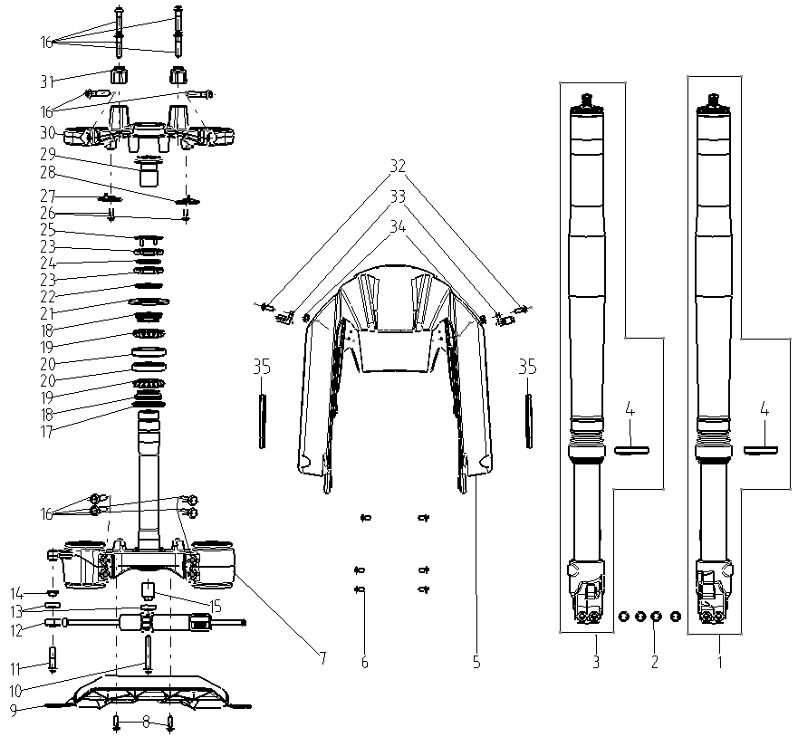
F08-1 | 310450812-0001 | SHOCK ABSORBER, LEFT FRONT | PCS | 1 | B
F08-2 | 382330028-0003 | FLANGE BOLT | PCS | 4 | C
F08-3 | 310460746-0001 | SHOCK ABSORBER, RIGHT FRONT | PCS | 1 | B
F08-4 | 380650998-0001 | OIL SEAL | PCS | 2 | B
F08-5 | 340310832-0001 | FENDER COMP.,FRONT | PCS | 1 | B
F08-6 | 381420062-0003 | BOLT,LOBULAR SOCKET COUNTERSUNK HEAD | PCS | 6 | C
F08-7 | 310130329-0001 | BODY SET,STEERING STEM | PCS | 1 | B
F08-8 | 381420063-0003 | BOLT,LOBULAR SOCKET COUNTERSUNK HEAD | PCS | 2 | C
F08-9 | 349080004-0001 | FENDER COMP.,FRONT UPPER | PCS | 1
F08-10 | 382330073-0003 | FLANGE BOLT | PCS | 1 | C
F08-11 | 382330029-0003 | FLANGE BOLT | PCS | 1 | C
F08-12 | 321760001-0001 | STEERING DAMPER | PCS | 1
F08-13 | 381430055-0001 | PAD,CUSHION | PCS | 2 | C
F08-14 | 380824521-0001 | COLLAR | PCS | 1 | C
F08-15 | 380824522-0001 | COLLAR | PCS | 1 | C
F08-16 | 382330029-0003 | FLANGE BOLT | PCS | 10 | C
F08-17 | 8556436-02 | STEERING GASKET |  | 1
F08-18 | 310390066-0001 | CIRCLIP, STEERING BEARING | PCS | 2 | B
F08-19 | 310410031-0001 | BALL SET,STEEL TOP | SET | 2 | B
F08-20 | 310370071-0001 | RING, STEERING BASE | PCS | 2 | B
F08-21 | 310310073-0001 | DUST CAP,STEERING STEM | PCS | 1 | C
F08-22 | 310300059-0001 | WASHER,STEERING STEM | PCS | 1 | C
F08-23 | 310260051-0001 | KEP NUT,STEERING STEM | PCS | 2 | C
F08-24 | 8558148-01 | PLAIN WASHER,RUBBER |  | 1
F08-25 | 310290020-0001 | WASHER,LOCKING | PCS | 1 | C
F08-26 | 381420049-0003 | BOLT,LOBULAR SOCKET COUNTERSUNK HEAD | PCS | 4 | C
F08-27 | 380940908-0001 | CLAMP,WIRE | PCS | 1 | C
F08-28 | 380940909-0001 | CLAMP,WIRE | PCS | 1 | C
F08-29 | 310250018-0001 | LOCK BOLT,STEERING STEM | PCS | 1 | C
F08-30 | 310180244-0001 | BRIDGE,FORK TOP | PCS | 1 | B
F08-31 | 310200123-0001 | HOLDER,STEERING HANDLE PIPE | PCS | 2 | B
F08-32 | 381420049-0003 | BOLT,LOBULAR SOCKET COUNTERSUNK HEAD | PCS | 2 | C
F08-33 | 380950375-0001 | CLAMP,TUBE | PCS | 2 | C
F08-34 | 380370001-0005 | NUT,HEXAGON FLANGE | PCS | 2 | C
F08-35 | 280010113-0002 | REFLECTOR,LEFT SIDE | PCS | 2 | B
F09 STEERING OPERATION SYSTEM
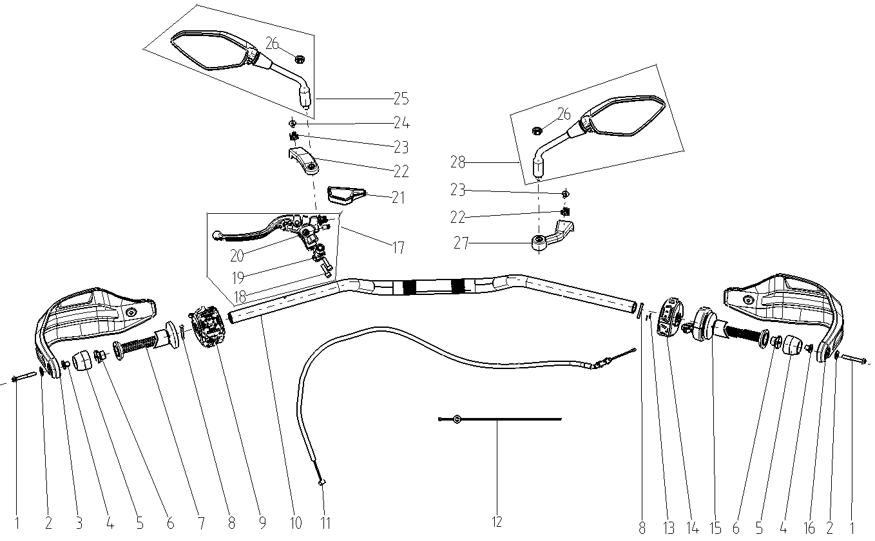
F09-1 | 382330022-0003 | FLANGE BOLT | PCS | 2 | C
F09-2 | 380450007-0014 | WASHER,PLAIN | PCS | 2 | C
F09-3 | 341700111-0001 | SHIELD,LEFT HANDLE | PCS | 1 | B
F09-4 | 380470163-0001 | WASHER,FLANGE | PCS | 2 | C
F09-5 | 320220095-0002 | DECORATIVE WEIGHT, LEFT | PCS | 2 | B
F09-6 | 320120044-0002 | COUNTERWEIGHT,STEERING HANDLE PIPE | PCS | 2 | B
F09-7 | 320180318-0001 | GRIP SET,HANDLE WITH HEATING FUNCTION | PCS | 1 | A |  | WITH HEATING FUNCTION
F09-8 | 380200003-0006 | SCREW,CROSS RECESSED PAN | PCS | 2 | C
F09-9 | 271390600-0001 | SWITCH ASSY.,LEFT | SET | 1 | B
F09-10 | 320020510-0001 | HANDLE BAR ASSY. | PCS | 1 | C
F09-11 | 320240610-0001 | CABLE COMP.,CLUTCH | PCS | 1 | A
F09-12 | 380900329-0001 | BAND | PCS | 1 | C
F09-13 | 380310224-0001 | SCREW,CROSS RECESSED PAN SELF-TAPPING | PCS | 2 | C
F09-14 | 271590603-0001 | SWITCH ASSY.,RIGHT | SET | 1 | B
F09-15 | 320190299-0001 | GREASER COMP.WITH HEATING FUNCTION | PCS | 1 | A |  | WITH HEATING FUNCTION
F09-16 | 341720062-0001 | SHIELD,RIGHT HANDLE | PCS | 1 | B
F09-17 | 271510216-0001 | LEVER COMP., LEFT | SET | 1 | B
F09-18 | 380190527-0001 | SCREW,HEXAGON SOCKET | PCS | 2 | C
F09-19 | 271540057-0001 | CLIP,LEFT LEVER | PCS | 1 | C
F09-20 | 271420036-0001 | SWITCH ASSY.,CLUTCH | PCS | 1 | C
F09-21 | 320820034-0001 | SHEATH,CLUTCH CABLE | PCS | 1 | C
F09-22 | 341710030-0001 | BRACKET,HANDLE SHIELD | PCS | 1 | C
F09-23 | 380420070-0001 | NUT,CLIP | PCS | 2 | C
F09-24 | 381420055-0003 | BOLT,LOBULAR SOCKET COUNTERSUNK HEAD | PCS | 2 | C
F09-25 | 360500503-0001 | MIRROR,LEFT BACK-VIEW WITH LCA | PCS | 1 | A |  | LCA-LANE CHANGE ASSISTANCE
F09-26 | 380340323-0001 | NUT,HEXAGON HEAD | PCS | 2 | C |  | 仅用于带变道辅助提醒的后视镜
F09-27 | 341710031-0001 | BRACKET,HANDLE SHIELD | PCS | 1 | C
F09-28 | 360530500-0001 | MIRROR,RIGHT BACK-VIEW WITH LCA | PCS | 1 | A |  | LCA-LANE CHANGE ASSISTANCE
F10 REAR HANGER SYSTEM
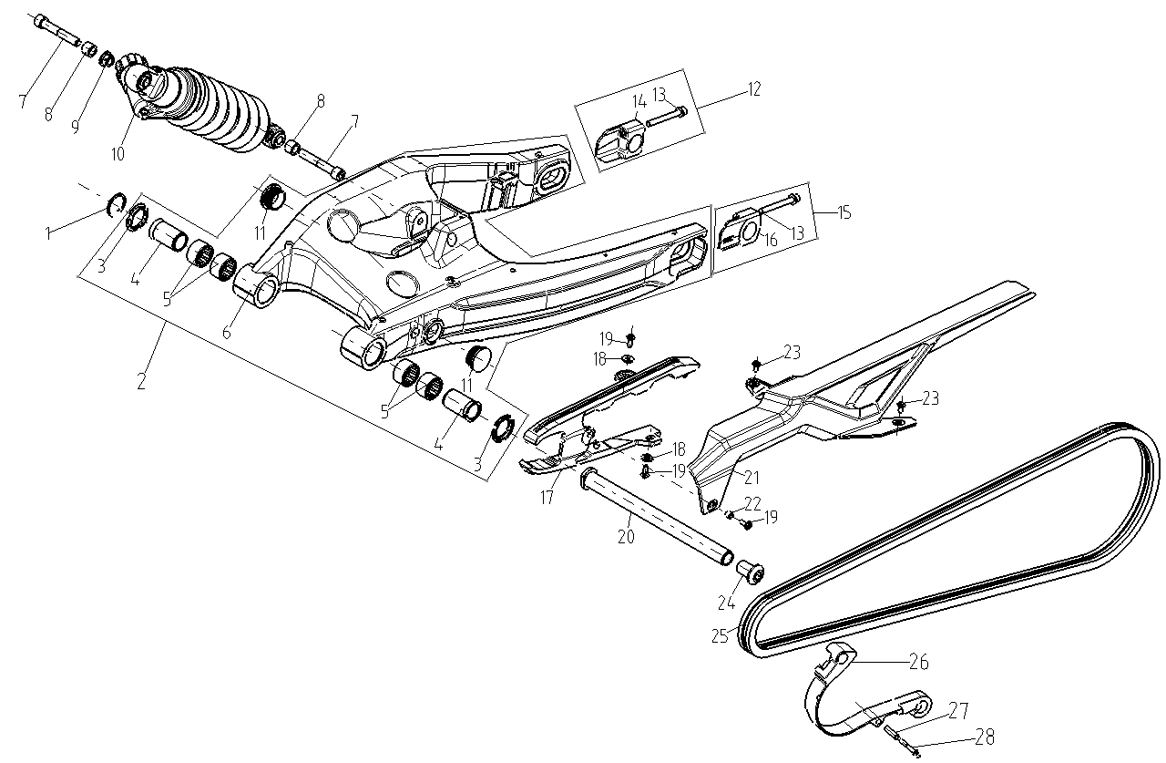
F10-1 | 380550047-0003 | CHECK RING,ELASTIC | PCS | 1 | B
F10-2 | 500790057-0001 | FORK COM.,REAR | PCS | 1 | C
F10-3 | 311100044-0001 | CAP,REAR FORK DUST SEAL | PCS | 2 | C
F10-4 | 380824359-0001 | COLLAR | PCS | 2 | C
F10-5 | 380630935-0001 | BEARING | PCS | 4 | B
F10-6 | 314410004-0001 | REAR FORK ASSY. | PCS | 1 | C |  | NOT FOR SERVICE
F10-7 | 380190738-0001 | SCREW,HEXAGON SOCKET | PCS | 2 | C
F10-8 | 380824354-0001 | COLLAR | PCS | 2 | C
F10-9 | 380400059-0001 | NUT,PREVAILING TORQUE TYPE ALL-METAL HEXAGON WITH FLANGE | PCS | 1 | C
F10-10 | 310790665-0001 | SHOCK ABSORBER, LEFT REAR | PCS | 1 | B
F10-11 | 381000580-0001 | STOPPER | PCS | 2 | C
F10-12 | 311440020-0001 | ADJUSTER,DRIVE CHAIN RIGHT | PCS | 1 | B
F10-13 | 380710043 | BOLT/SCREW/WASHER,PALIN COMP. | PCS | 2 | C |  | NOT FOR SERVICE
F10-14 | 312960010 | BODY,DRIVE CHAIN ADJUSTER RIGHT | PCS | 1 | C |  | NOT FOR SERVICE
F10-15 | 311430146-0001 | ADJUSTOR,DRIVE CHAIN LEFT | PCS | 1 | B
F10-16 | 311480037 | ADJUSTOR BODY OF CHAIN | PCS | 1 | C |  | NOT FOR SERVICE
F10-17 | 311410213-0001 | SLIDER,DRIVE CHAIN | PCS | 1 | B
F10-18 | 380470115-0001 | WASHER,FLANGE | PCS | 2 | C
F10-19 | 381420049-0003 | BOLT,LOBULAR SOCKET COUNTERSUNK HEAD | PCS | 3 | C
F10-20 | 380871197-0001 | AXIS | PCS | 1 | C
F10-21 | 260060254-0001 | CASE, CHAIN | PCS | 1 | B
F10-22 | 380824140-0001 | COLLAR | PCS | 1 | C
F10-23 | 381420062-0003 | BOLT,LOBULAR SOCKET COUNTERSUNK HEAD | PCS | 2 | C
F10-24 | 380190719-0001 | SCREW,HEXAGON SOCKET | PCS | 1 | C
F10-25 | 260010283-0001 | CHAIN | PCS | 1 | A
F10-26 | 311410216-0001 | SLIDER,DRIVE CHAIN | PCS | 1 | B
F10-27 | 380824659-0001 | COLLAR | PCS | 1 | C
F10-28 | 380140128-0007 | BOLT,HEXAGON FLANGE | PCS | 1 | C
F11 FRONT WHEEL
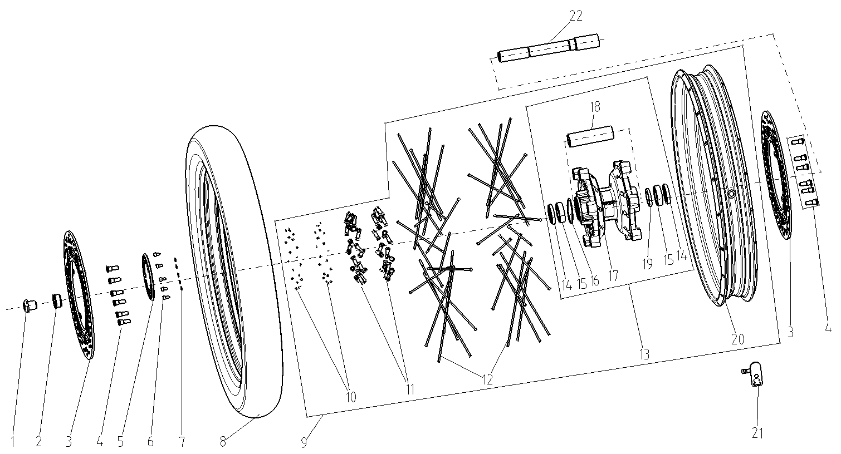
F11-1 | 380190702-0001 | SCREW,HEXAGON SOCKET | PCS | 1 | C
F11-2 | 380824353-0001 | COLLAR | PCS | 1 | C
F11-3 | 291420231-0001 | DISK COMP.,LEFT FRONT BRAKE | PCS | 2 | B
F11-4 | 291440047-0003 | FASTENING BOLT,BRAKE DISK | PCS | 12 | B
F11-5 | 297710022-0001 | GEAR RING OF ABS | PCS | 1 | C
F11-6 | 381420067-0003 | BOLT,LOBULAR SOCKET COUNTERSUNK HEAD | PCS | 5 | C
F11-7 | 380450028-0011 | WASHER,PLAIN | PCS | 5 | C
F11-8 | 290150981-0001 | TYRE ASSY. | PCS | 1 | A
F11-9 | 290020739-0002 | WHEEL,FRONT | PCS | 1 | B
F11-10 | 293370012-0001 | BOLT,PLUG | PCS | 40 | C
F11-11 | 290070037-0001 | NUT,FRONT WHEEL SPOKE | PCS | 40 | B
F11-12 | 290060102-0001 | SPOKE,FRONT WHEEL INSIDE | PCS | 40 | B
F11-13 | 290110094-0001 | HUB,FRONT WHEEL | PCS | 1 | C
F11-14 | 380650582-0001 | OIL SEAL | PCS | 2 | B
F11-15 | 380630083-0001 | BEARING | PCS | 2 | B
F11-16 | 380841625-0001 | RING,SEAL | PCS | 1 | C
F11-17 | 290120055-0001 | BODY SET,FRONT WHEEL HUB | PCS | 1 | C |  | NOT FOR SERVICE
F11-18 | 380824508-0001 | COLLAR | PCS | 1 | C
F11-19 | 381530061-0001 | SHEATH,RUBBER | PCS | 1 | C
F11-20 | 290040085-0001 | RIM,FRONT WHEEL | PCS | 1 | B
F11-21 | 274470006-0001 | SENSOR，TIRE PRESSURE | PCS | 1 | B
F11-22 | 380871196-0001 | AXIS | PCS | 1 | C
F12 REAR WHEEL ASSY.
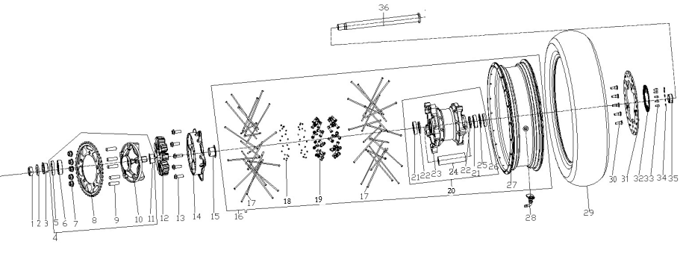
F12-1 | 380390048-0001 | NUT,PREVAILING TORQUE TYPE ALL-METAL HEXAGON | PCS | 1 | C
F12-2 | 380451565-0001 | WASHER,PLAIN | PCS | 1 | C
F12-3 | 380824514-0001 | COLLAR | PCS | 1 | C
F12-4 | 290380297-0001 | IMPACT DAMPER COMP | SET | 1 | B
F12-5 | 380650967-0001 | OIL SEAL | PCS | 1 | B
F12-6 | 380630937-0001 | BEARING | PCS | 1 | B
F12-7 | 380400051-0003 | NUT,PREVAILING TORQUE TYPE ALL-METAL HEXAGON WITH FLANGE | PCS | 5 | A
F12-8 | 290420302-0001 | SPROCKET,FINAL DRIVEN | PCS | 1 | A
F12-9 | 290440043-0001 | BOLT,SPROCKET WHEEL | PCS | 5 | A
F12-10 | 290390118-0001 | SEAT,SPROCKET WHEEL | PCS | 1 | C
F12-11 | 380824511-0001 | COLLAR | PCS | 1 | C
F12-12 | 290310102-0001 | DAMPING PIECE,REAR WHEEL | PCS | 1 | A
F12-13 | 382330030-0003 | FLANGE BOLT | PCS | 5 | C
F12-14 | 290270020-0001 | LAND,REAR WHEEL | PCS | 1 | C
F12-15 | 380824507-0001 | COLLAR | PCS | 1 | C
F12-16 | 290220710-0002 | WHEEL,REAR | PCS | 1 | B
F12-17 | 290240113-0001 | SPOKE,REAR WHEEL OUTSIDE | PCS | 40 | B
F12-18 | 293370011-0001 | BOLT,PLUG | PCS | 40 | C
F12-19 | 290260030-0001 | NUT,REAR WHEEL SPOKE | PCS | 40 | B
F12-20 | 290280089-0001 | HUB,REAR WHEEL | PCS | 1 | C
F12-21 | 380630936-0001 | BEARING | PCS | 2 | B
F12-22 | 381530060-0001 | SHEATH,RUBBER | PCS | 2 | C
F12-23 | 290290051-0001 | BODY SET,REAR WHEEL HUB | PCS | 1 | C |  | NOT FOR SERVICE
F12-24 | 380824506-0001 | COLLAR | PCS | 1 | C
F12-25 | 380550137-0001 | CHECK RING,ELASTIC | PCS | 1 | B
F12-26 | 380650966-0001 | OIL SEAL | PCS | 1 | B
F12-27 | 290230084-0002 | RIM,REAR WHEEL | PCS | 1 | B
F12-28 | 274470006-0001 | SENSOR，TIRE PRESSURE | PCS | 1 | B
F12-29 | 290150982-0001 | TYRE ASSY. | PCS | 1 | A
F12-30 | 291440047-0003 | FASTENING BOLT,BRAKE DISK | PCS | 5 | B
F12-31 | 291930069-0001 | DISK COMP.,LEFT REAR BRAKE | PCS | 1 | B
F12-32 | 297710022-0001 | GEAR RING OF ABS | PCS | 1 | C
F12-33 | 381420067-0003 | BOLT,LOBULAR SOCKET COUNTERSUNK HEAD | PCS | 5 | C
F12-34 | 380450028-0011 | WASHER,PLAIN | PCS | 5 | C
F12-35 | 380824515-0001 | COLLAR | PCS | 1 | C
F12-36 | 380871198-0001 | AXIS | PCS | 1 | C
F13 BRAKE SYSTEM
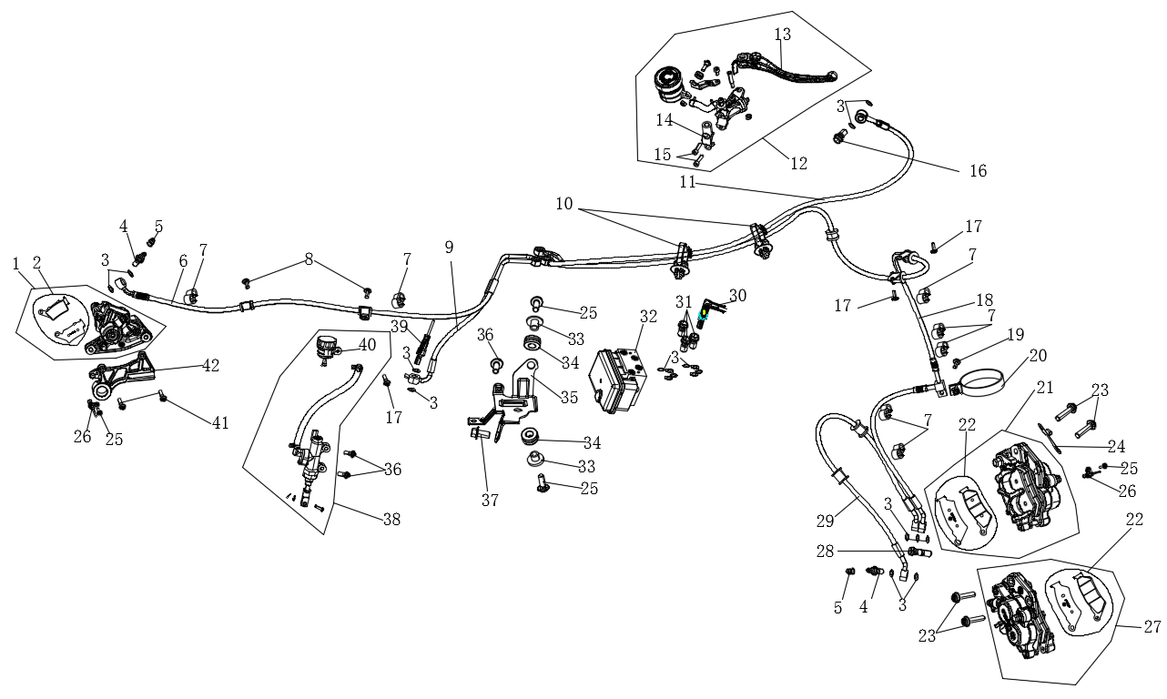
F13-1 | 292010072-0001 | PUMP, REAR DISC-BRAKE LOWER | PCS | 1 | B
F13-2 | 292020056-0001 | PAD COMP.,REAR DISC-BRAKE | PCS | 1 | A
F13-3 | 380450298-0001 | WASHER,PLAIN | PCS | 19 | C
F13-4 | 291800038-0003 | BOLT,DISC-BRAKE HOSE | PCS | 2 | B
F13-5 | 291760046-0001 | PROTECTING CAP,BLEEDER SCREW | PCS | 2 | C
F13-6 | 294180126-0001 | ABS CONNECTIVE OIL TUBE | PCS | 1 | B
F13-7 | 380940395-0001 | CLAMP,WIRE | PCS | 9 | C
F13-8 | 381420061-0003 | BOLT,LOBULAR SOCKET COUNTERSUNK HEAD | PCS | 2 | C
F13-9 | 294180125-0001 | ABS CONNECTIVE OIL TUBE | PCS | 1 | B
F13-10 | 380900329-0001 | BAND | PCS | 2 | C
F13-11 | 294180123-0001 | ABS CONNECTIVE OIL TUBE | PCS | 1 | B
F13-12 | 291480215-0001 | CYLINDER ASSY.,MASTER | PCS | 1 | B
F13-13 | 271720273-0001 | LEVER COMP.,RIGHT STEERING HANDLE | PCS | 1 | B
F13-14 | 271540054-0001 | CLIP,LEFT LEVER | PCS | 1 | B
...
Special instructions:In this part catalog title bar ，If with a“NOT FOR SERVICE”words ， This part can't be purchased ，Please select the part of the assembly or combination
Ref.No. | Part No. | PARTS NAME | Computation units | Quantity | Consumable grade | Picture
F13-34 | 380890174-0001 | I-RUBBER | PCS | 2 | C
F13-35 | 297700033-0001 | INSTALLATION BRACKET, ABS | PCS | 1 | C
F13-36 | 381420064-0003 | BOLT,LOBULAR SOCKET COUNTERSUNK HEAD | PCS | 2 | C
F13-37 | 380140192-0004 | BOLT,HEXAGON FLANGE | PCS | 1 | C
F13-38 | 291980087-0001 | PUMP, REAR DISC-BRAKE UPPER | PCS | 1 | B
F13-39 | 271760193-0001 | SWITCH ASSY.,REAR BRAKE | PCS | 1 | B
F13-40 | 293070011-0001 | OIL CUP,DISC-BRAKE | PCS | 1 | B
F13-41 | 382330028-0003 | FLANGE BOLT | PCS | 2 | C
F13-42 | 291950070-0001 | BRACKET,REAR DISC-BRAKE | PCS | 1 | C
F14 FOOTREST SYSTEM
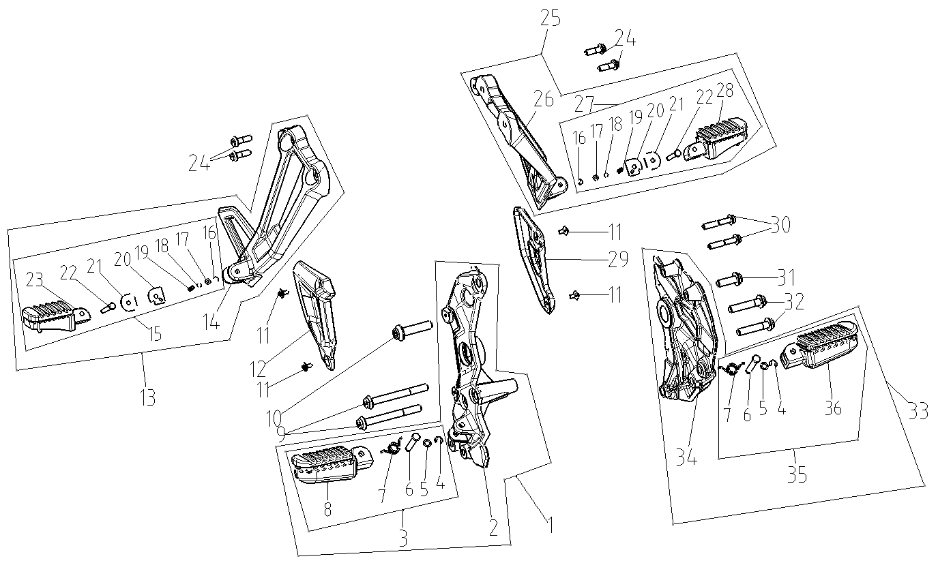
F14-1 | 311660217-0001 | FOOTREST ASSY., RIGHT | SET | 1 | B
F14-2 | 311680105-0001 | BRACKET, RIGHT FOOTREST | PCS | 1 | C
F14-3 | 311510187-0001 | BODY SET,STEP | PCS | 1 | A
F14-4 | 380570046 | SPLIT WASHER | PCS | 2 | C
F14-5 | 380840234 | RING,SEAL | PCS | 2 | B
F14-6 | 380610366 | PIN,CLEVIS | PCS | 2 | C
F14-7 | 381160264 | SPRING, TURNING | PCS | 2 | B
F14-8 | 311510187 | BODY SET,STEP | PCS | 1 | A
F14-9 | 382330082-0001 | FLANGE BOLT | PCS | 2 | C
F14-10 | 382330083-0001 | FLANGE BOLT | PCS | 1 | C
...
Special instructions:In this part catalog title bar ，If with a“NOT FOR SERVICE”words ， This part can't be purchased ，Please select the part of the assembly or combination
Ref.No. | Part No. | PARTS NAME | Computation units | Quantity | Consumable grade | Picture
F14-28 | 312230130 | STEP ASSY.,LEFT PILLION | PCS | 1 | B
F14-29 | 314040007-0001 | CHECK BLOCK,STEP | PCS | 1 | C
F14-30 | 382330038-0002 | FLANGE BOLT | PCS | 2 | C
F14-31 | 382330084-0001 | FLANGE BOLT | PCS | 1 | C
F14-32 | 382330081-0001 | FLANGE BOLT | PCS | 2 | C
F14-33 | 311650193-0001 | FOOTREST ASSY., LEFT | SET | 1 | B
F14-34 | 311670103-0001 | BRACKET, LEFT FOOTREST | PCS | 1 | C
F14-35 | 311510188-0001 | BODY SET,STEP | PCS | 1 | A
F14-36 | 311510188 | BODY SET,STEP | PCS | 1 | A
F15 MAIN STAND AND SIDE STAND
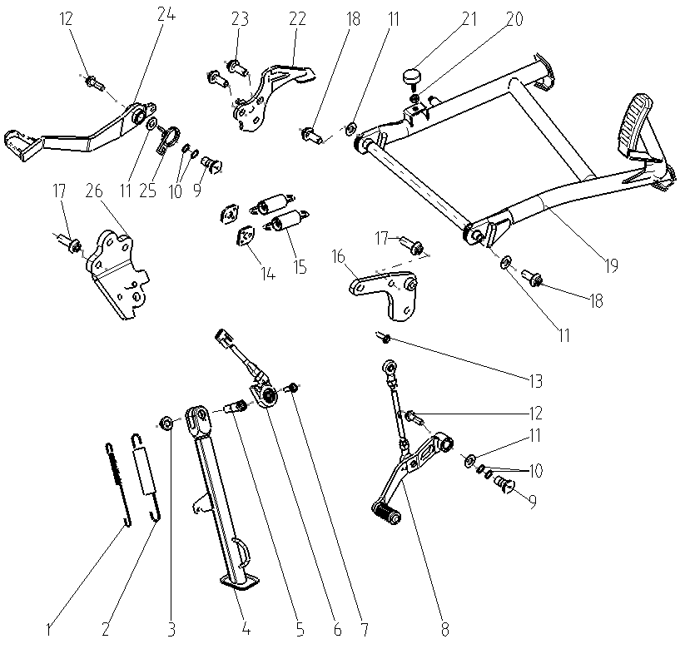
F15-1 | 381140797-0001 | SPRING, DRAWING | PCS | 1 | B
F15-2 | 381140765-0001 | SPRING, DRAWING | PCS | 1 | B
F15-3 | 380400001-0009 | NUT,PREVAILING TORQUE TYPE ALL-METAL HEXAGON WITH FLANGE | PCS | 1 | C
F15-4 | 311880410-0001 | BAR ASSY.,SIDE STAND | PCS | 1 | B
F15-5 | 380020185-0001 | BOLT,HEXAGON HEAD SHOULDER | PCS | 1 | C
F15-6 | 312940020-0001 | KILL SWITCH, SIDE STAND | PCS | 1 | B
F15-7 | 381420063-0003 | BOLT,LOBULAR SOCKET COUNTERSUNK HEAD | PCS | 1 | C
F15-8 | 193700756-0001 | PEDAL,GEAR CHANGE | PCS | 1 | B
F15-9 | 380871233-0001 | AXIS | PCS | 2 | C
F15-10 | 380841543-0001 | RING,SEAL | PCS | 4 | B
...
Special instructions:In this part catalog title bar ，If with a“NOT FOR SERVICE”words ， This part can't be purchased ，Please select the part of the assembly or combination
Ref.No. | Part No. | PARTS NAME | Computation units | Quantity | Consumable grade | Picture
F15-18 | 382330024-0003 | FLANGE BOLT | PCS | 2
F15-19 | 311970502-0001 | STAND COMP.,MAIN | PCS | 1 | C
F15-20 | 380340011-0013 | NUT,HEXAGON HEAD | PCS | 1
F15-21 | 381430060-0001 | PAD,CUSHION | PCS | 1 | C
F15-22 | 300280104-0001 | BASE,MAIN STAND MOUNTING | PCS | 1 | C
F15-23 | 382330095-0003 | FLANGE BOLT | PCS | 2 | C
F15-24 | 291120537-0001 | PEDAL,REAR BRAKE | PCS | 1 | B
F15-25 | 381160390-0001 | SPRING, TURNING | PCS | 1 | B
F15-26 | 311890019-0001 | BODY,SIDE STAND BAR MOUNTING | PCS | 1 | C
F16 WINDSHIELD GLASS
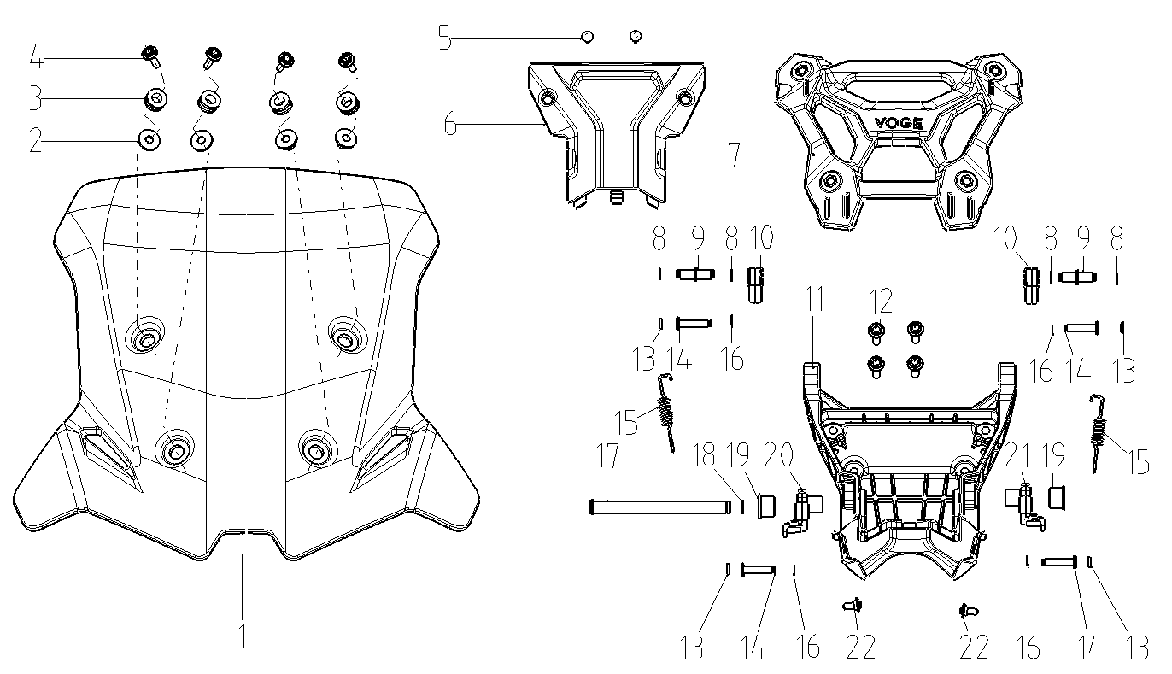
F16-1 | 341340112-0001 | GLASS, WIND SHIELD | PCS | 1 | B
F16-2 | 380820512-0005 | COLLAR | PCS | 4 | C
F16-3 | 380890173-0001 | I-RUBBER | PCS | 4 | C
F16-4 | 381420063-0002 | BOLT,LOBULAR SOCKET COUNTERSUNK HEAD | PCS | 4 | C
F16-5 | 380310002-0012 | SCREW,CROSS RECESSED PAN SELF-TAPPING | PCS | 2 | C
F16-6 | 341210471-0001 | PANEL,FRONT | PCS | 1 | B
F16-7 | 349440003-0001 | WINDSHIELD MOUNTING PLATE |  | 1
F16-8 | 380570001-0008 | SPLIT WASHER | PCS | 4 | C
F16-9 | 380610564-0001 | PIN,CLEVIS | PCS | 2 | C
F16-10 | 349420003-0001 | UPPER ARM,WINDSHIELD ADJUSTMENT |  | 2
...
Special instructions:In this part catalog title bar ，If with a“NOT FOR SERVICE”words ， This part can't be purchased ，Please select the part of the assembly or combination
Ref.No. | Part No. | PARTS NAME | Computation units | Quantity | Consumable grade | Picture
F17-10 | 280351085-0001 | HEADLIGHT ASSY. | PCS | 1 | B
F17-11 | 381420061-0003 | BOLT,LOBULAR SOCKET COUNTERSUNK HEAD | PCS | 2 | C
F17-12 | 380310002-0012 | SCREW,CROSS RECESSED PAN SELF-TAPPING | PCS | 10 | C
F17-13 | 280380338-0001 | LENS,HEAD LIGHT | PCS | 1 | B
F17-14 | 306440014-0001 | INSTALLATION BRACKET OF PICK-UP HEAD | PCS | 1 | C
F17-15 | 381420055-0003 | BOLT,LOBULAR SOCKET COUNTERSUNK HEAD | PCS | 4 | C
F17-16 | 341430763-0002 | FAIRING COVER | PCS | 1 | B
F17-16 | 341430763-0004 | FAIRING COVER | PCS | 1 | B
F17-16 | 341430763-0006 | FAIRING COVER | PCS | 1 | B
F18 AIR GUIDE SLEEVE
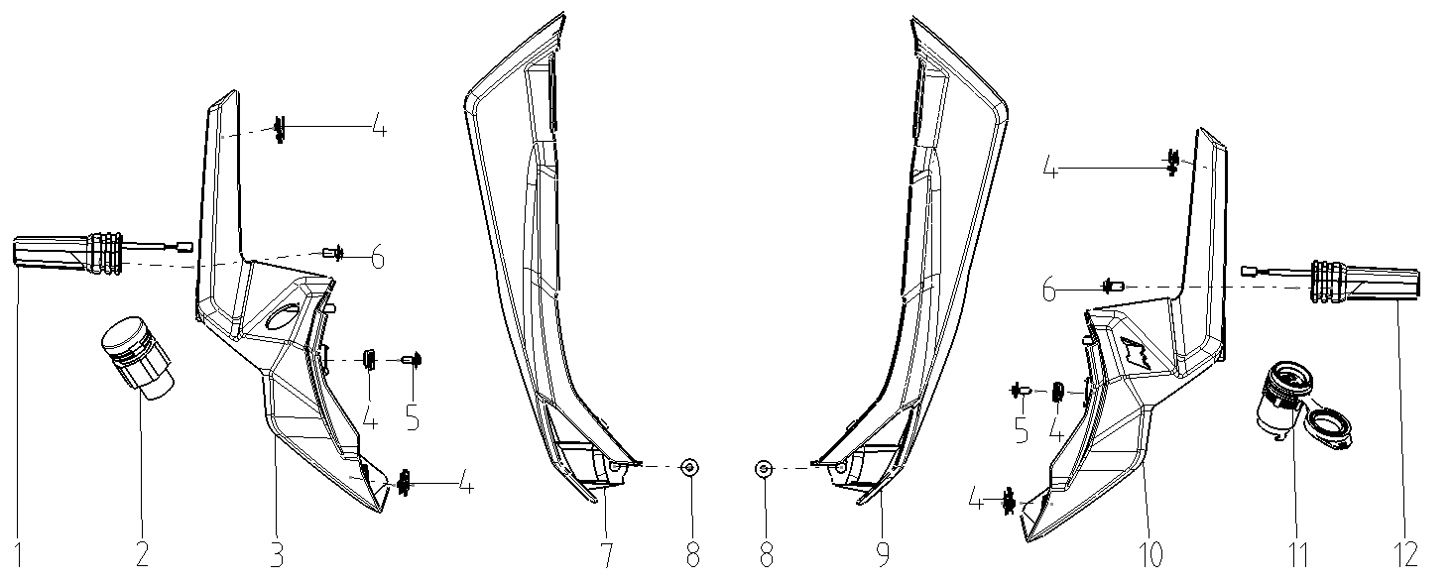
F18-1 | 280780714-0001 | TURNING SIGNAL LIGHT, RIGHT FRONT | PCS | 1 | B
F18-2 | 271310002-0001 | SOCKET,MULTIFUNCTION | PCS | 1 | C
F18-3 | 341690074-0001 | CAP,METER DECORATIVE | PCS | 1 | C
F18-4 | 380420070-0001 | NUT,CLIP | PCS | 6 | C
F18-5 | 381420056-0003 | BOLT,LOBULAR SOCKET COUNTERSUNK HEAD | PCS | 2 | C
F18-6 | 381420061-0003 | BOLT,LOBULAR SOCKET COUNTERSUNK HEAD | PCS | 2 | C
F18-7 | 341820010-0004 | AIR GUIDE SLEEVE,RIGHT | PCS | 1 | B
F18-7 | 341820010-0005 | AIR GUIDE SLEEVE,RIGHT | PCS | 1 | B
F18-7 | 341820010-0006 | AIR GUIDE SLEEVE,RIGHT | PCS | 1 | B
F18-8 | 381420055-0003 | BOLT,LOBULAR SOCKET COUNTERSUNK HEAD | PCS | 2 | C
F18-9 | 341770011-0004 | AIR GUIDE SLEEVE,LEFT | PCS | 1 | B
F18-9 | 341770011-0005 | AIR GUIDE SLEEVE,LEFT | PCS | 1 | B
F18-9 | 341770011-0006 | AIR GUIDE SLEEVE,LEFT | PCS | 1 | B
F18-10 | 341690073-0001 | CAP,METER DECORATIVE | PCS | 1 | C
F18-11 | 284700035-0001 | USB/AUX | PCS | 1 | C
F18-12 | 280760727-0001 | TURNING SIGNAL LIGHT, LEFT FRONT | PCS | 1 | B
F19 GUARD PLATE
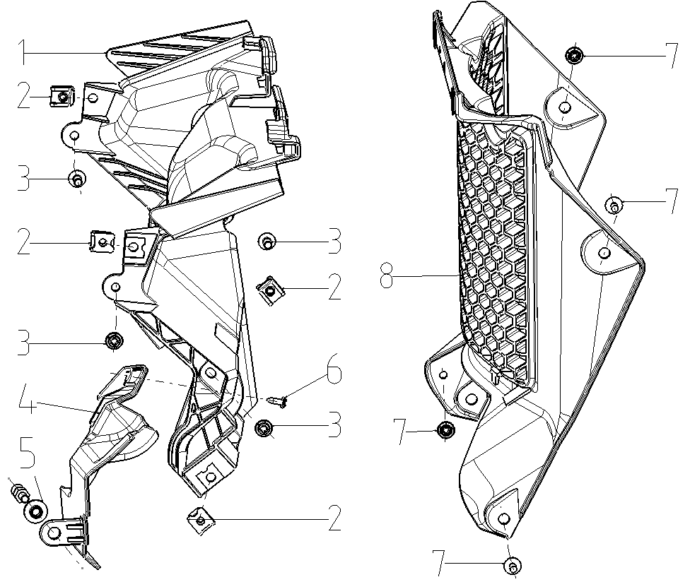
F19-1 | 160830020-0001 | SHIELD,RADIATOR | PCS | 1 | B
F19-2 | 380420070-0001 | NUT,CLIP | PCS | 4 | C
F19-3 | 381420061-0003 | BOLT,LOBULAR SOCKET COUNTERSUNK HEAD | PCS | 4 | C
F19-4 | 160530067-0001 | SHIELD,FAN | PCS | 1 | C
F19-5 | 380470115-0001 | WASHER,FLANGE | PCS | 1 | C
F19-6 | 380310002-0012 | SCREW,CROSS RECESSED PAN SELF-TAPPING | PCS | 1 | C
F19-7 | 381420056-0003 | BOLT,LOBULAR SOCKET COUNTERSUNK HEAD | PCS | 4 | C
F19-8 | 161490017-0001 | HEAT RADIATOR DECORATIVE COVER | PCS | 1 | C
F20 SIDE COVER
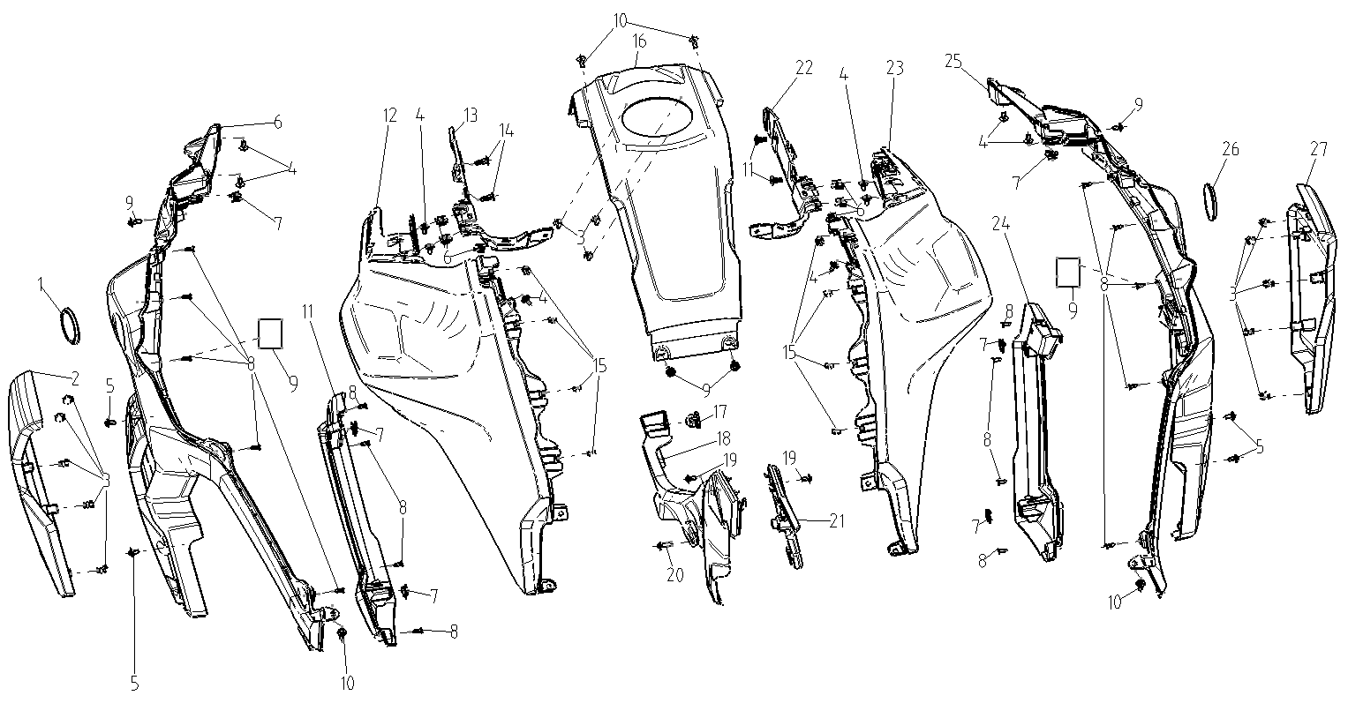
F20-1 | 370390257-0001 | SCUTCHEON,DRAWING | PCS | 1 | C
F20-2 | 341190038-0001 | COVER,LEFT WIND BOARD DECORATIVE | PCS | 1 | B
F20-2 | 341190038-0004 | COVER,LEFT WIND BOARD DECORATIVE | PCS | 1 | B
F20-3 | 277840016-0001 | FIXING CLIP | PCS | 13 | C
F20-4 | 381420055-0003 | BOLT,LOBULAR SOCKET COUNTERSUNK HEAD | PCS | 10 | C
F20-5 | 381420056-0003 | BOLT,LOBULAR SOCKET COUNTERSUNK HEAD | PCS | 4 | C
F20-6 | 341150198-0002 | WIND SHIELD,LEFT | PCS | 1 | B
F20-7 | 380420070-0001 | NUT,CLIP | PCS | 12 | C
F20-8 | 380310002-0012 | SCREW,CROSS RECESSED PAN SELF-TAPPING | PCS | 18 | C
F20-9 | 362400037-0001 | FELT | PCS | 2 | C
...
Special instructions:In this part catalog title bar ，If with a“NOT FOR SERVICE”words ， This part can't be purchased ，Please select the part of the assembly or combination
Ref.No. | Part No. | PARTS NAME | Computation units | Quantity | Consumable grade | Picture
F21-1 | 330011325-0001 | SEAT COMP.WITH HEATING FUNCTION | PCS | 1 | B
F21-1 | 330011373-0001 | SEAT COMP. | PCS | 1 | B
F21-2 | 330120384-0001 | RUBBER SHEET,SEAT BRACE | PCS | 8 | C
F21-3 | 330120373-0001 | RUBBER SHEET,SEAT BRACE | PCS | 2 | C
F21-4 | 330130076 | LATCH HOOK,SEAT | PCS | 1 | C
F21-5 | 380220010 | SCREW,CROSS RECESSED COUNTERSUNK HEAD | PCS | 2 | C
F21-6 | 360010126-0001 | ACCESSORIES,TOOL | SET | 1 | D
F21-7 | 380900297-0001 | CLAMPING BAND | PCS | 1 | C
F22
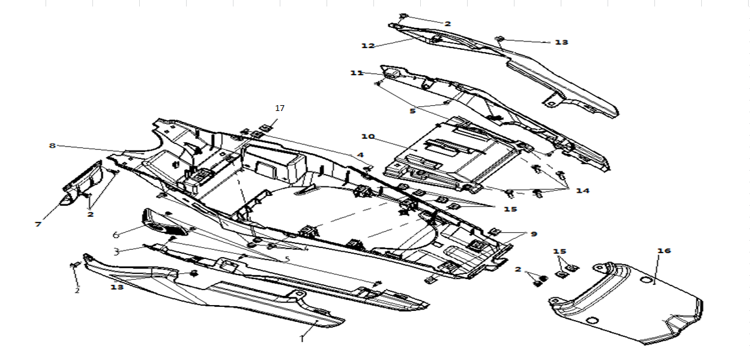
F22-1 | 342350495-0010 | SHIELD COMP.,LEFT TAIL | PCS | 1 | B
F22-1 | 342350495-0011 | SHIELD COMP.,LEFT TAIL | PCS | 1 | B
F22-1 | 342350495-0012 | SHIELD COMP.,LEFT TAIL | PCS | 1 | B
F22-2 | 350440020-0001 | CLIP | PCS | 4 | C
F22-3 | 342310069-0003 | BLOCK,TAIL SHIELD LEFT DECORATIVE | PCS | 1 | B
F22-4 | 381420049-0003 | BOLT,LOBULAR SOCKET COUNTERSUNK HEAD | PCS | 1 | C
F22-5 | 380310002-0012 | SCREW,CROSS RECESSED PAN SELF-TAPPING | PCS | 10 | C
F22-6 | 330220002-0001 | CAP,SEAT LOCK | PCS | 1 | B
F22-7 | 340520113-0001 | BAFFLE CUSHION,REAR | PCS | 1 | B
F22-8 | 340670261-0001 | INNER PART,REAR FENDER | PCS | 1 | B
...
Special instructions:In this part catalog title bar ，If with a“NOT FOR SERVICE”words ， This part can't be purchased ，Please select the part of the assembly or combination
Ref.No. | Part No. | PARTS NAME | Computation units | Quantity | Consumable grade | Picture
F22-11 | 342320055-0003 | BLOCK,TAIL SHIELD RIGHT DECORATIVE | PCS | 1 | B
F22-12 | 342360299-0010 | SHIELD COMP.,RIGHT TAIL | PCS | 1 | B
F22-12 | 342360299-0011 | SHIELD COMP.,RIGHT TAIL | PCS | 1 | B
F22-12 | 342360299-0012 | SHIELD COMP.,RIGHT TAIL | PCS | 1 | B
F22-13 | 381420049-0003 | BOLT,LOBULAR SOCKET COUNTERSUNK HEAD | PCS | 2 | B
F22-14 | 382330019-0003 | FLANGE BOLT | PCS | 4 | C
F22-15 | 380420062-0001 | NUT,CLIP | PCS | 6 | C
F22-16 | 342390299-0003 | COVER COMP.,TAIL | PCS | 1 | B
F22-17 | 380420062-0001 | NUT,CLIP | PCS | 2 | C
F23 REAR FENDER
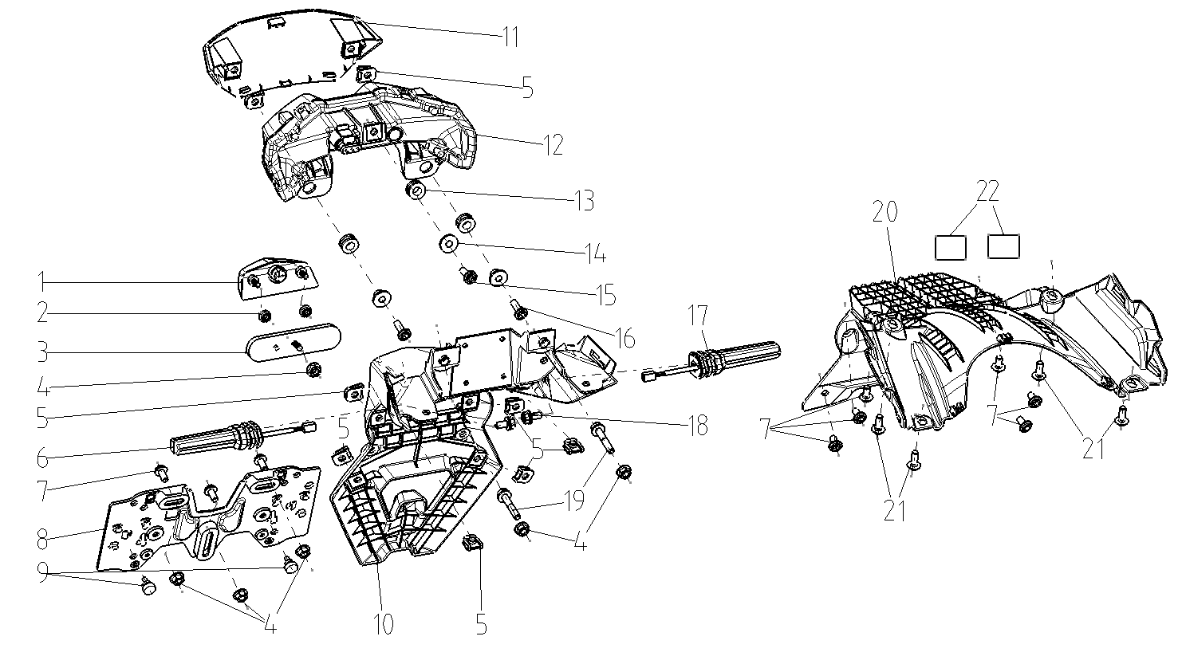
F23-1 | 280720098-0001 | LAMP,REAR REGISTRATION PLATE | PCS | 1 | B
F23-2 | 380370001-0005 | NUT,HEXAGON FLANGE | PCS | 2 | C
F23-3 | 280110132-0001 | REFLECTOR,REAR | PCS | 1 | B
F23-4 | 380370003-0014 | NUT,HEXAGON FLANGE | PCS | 6 | C
F23-5 | 380420062-0001 | NUT,CLIP | PCS | 8 | C
F23-6 | 280780720-0001 | TURNING SIGNAL LIGHT, RIGHT FRONT | PCS | 1 | B
F23-7 | 382330010-0003 | FLANGE BOLT | PCS | 3 | C
F23-8 | 340540261-0001 | BRACKET,REAR REGISTRATION PLATE | PCS | 1 | C
F23-9 | 381130030-0001 | GLUE NAIL,BUFFER | PCS | 2 | C
F23-10 | 340660416-0001 | FENDER COMP.,REAR | PCS | 1 | B
...
Special instructions:In this part catalog title bar ，If with a“NOT FOR SERVICE”words ， This part can't be purchased ，Please select the part of the assembly or combination
Ref.No. | Part No. | PARTS NAME | Computation units | Quantity | Consumable grade | Picture
F23-14 | 380820512-0004 | COLLAR | PCS | 3 | C
F23-15 | 381420063-0003 | BOLT,LOBULAR SOCKET COUNTERSUNK HEAD | PCS | 1 | C
F23-16 | 381420064-0003 | BOLT,LOBULAR SOCKET COUNTERSUNK HEAD | PCS | 2 | C
F23-17 | 280760734-0001 | TURNING SIGNAL LIGHT, LEFT FRONT | PCS | 1 | B
F23-18 | 380140001-0015 | BOLT,HEXAGON FLANGE | PCS | 2 | C
F23-19 | 382330110-0001 | FLANGE BOLT | PCS | 2 | C
F23-20 | 340580029-0001 | LINING,REAR FENDER | PCS | 1 | C
F23-21 | 381420049-0003 | BOLT,LOBULAR SOCKET COUNTERSUNK HEAD | PCS | 4 | C
F23-22 | 362400037-0001 | FELT | PCS | 2 | C
F24 FRONT BUMPER
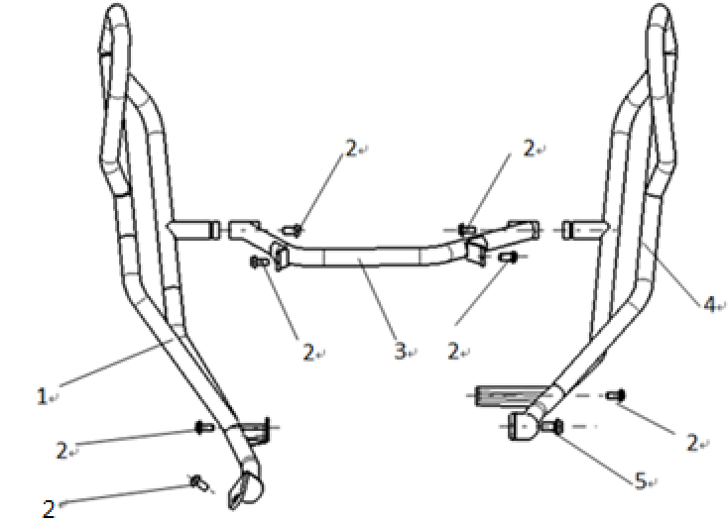
F24-1 | 331410300-0001 | COLLISION BUMPER COMP. | PCS | 1 | C
F24-1 | 331410320-0001 | COLLISION BUMPER COMP. | PCS | 1 | C
F24-2 | 382330025-0003 | FLANGE BOLT | PCS | 7 | C
F24-3 | 331190063-0001 | CONNECTING YOKE,COLLISION BUMPER | PCS | 1 | C
F24-3 | 331190067-0001 | CONNECTING YOKE,COLLISION BUMPER | PCS | 1 | C
F24-4 | 331410301-0001 | COLLISION BUMPER COMP. | PCS | 1 | C
F24-4 | 331410321-0001 | COLLISION BUMPER COMP. | PCS | 1 | C
F24-5 | 382330084-0001 | FLANGE BOLT | PCS | 1 | C
F25 REAR LUGGAGE CARRIER
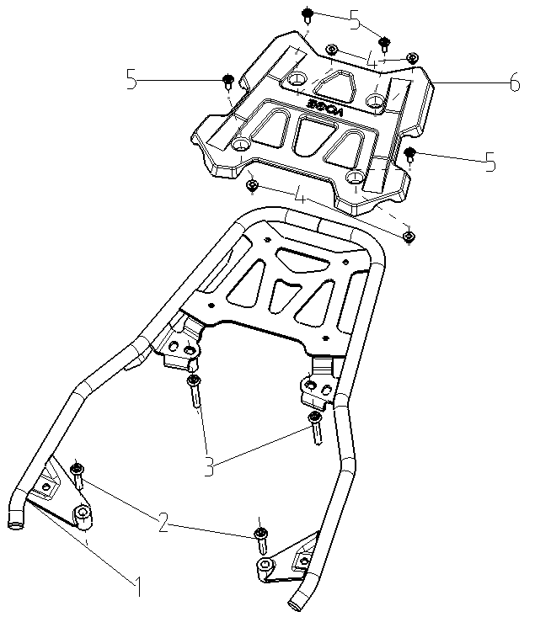
F25-1 | 331320009-0001 | BRACKET,TAILSTOCK BOX | PCS | 1 | C
F25-1 | 331320010-0001 | BRACKET,TAILSTOCK BOX | PCS | 1 | C
F25-2 | 382330105-0001 | FLANGE BOLT | PCS | 2 | C
F25-3 | 382330106-0001 | FLANGE BOLT | PCS | 2 | C
F25-4 | 380370003-0014 | NUT,HEXAGON FLANGE | PCS | 4 | C
F25-5 | 381420049-0003 | BOLT,LOBULAR SOCKET COUNTERSUNK HEAD | PCS | 4 | C
F25-6 | 332210019-0001 | PIECE,LUGGAGE CARRIER LEFT DECORATIVE | PCS | 1 | C

F26 TAIL BOX AND SIDE BOX
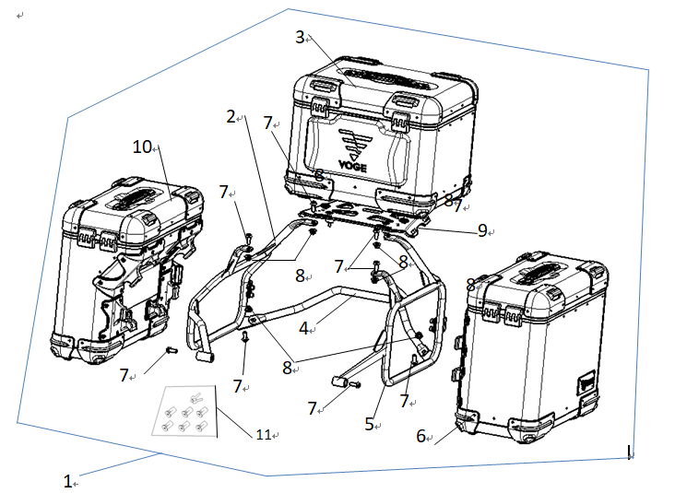
F26-1 | 502240010-0001 | SIDE & TAIL KITS | SET | 1 | C
F26-2 | 331340043-0001 | BRACKET,RIGHT SIDE BOX | PCS | 1 | C
F26-3 | 350480144-0001 | BOX,TAIL | PCS | 1 | C
F26-4 | 332040011-0001 | BODY,REAR PROP | PCS | 1 | C
F26-5 | 331330044-0001 | BRACKET,LEFT SIDE BOX | PCS | 1 | C
F26-6 | 350320044-0001 | BOX,LEFT SIDE | PCS | 1 | B
F26-7 | 382330025-0003 | FLANGE BOLT | PCS | 8 | C
F26-8 | 380390008-0004 | NUT,PREVAILING TORQUE TYPE ALL-METAL HEXAGON | PCS | 6 | C
F26-9 | 350530035-0001 | BACKPLANE,TAIL BOX | PCS | 1 | C
F26-10 | 350350045-0001 | BOX,RIGHT SIDE | PCS | 1 | B
F26-11 | 353530010-0001 | LOCK CORE ASSY | PCS | 1 | C
F27 HARNESS,WIRE AND ELETRIC PARTS
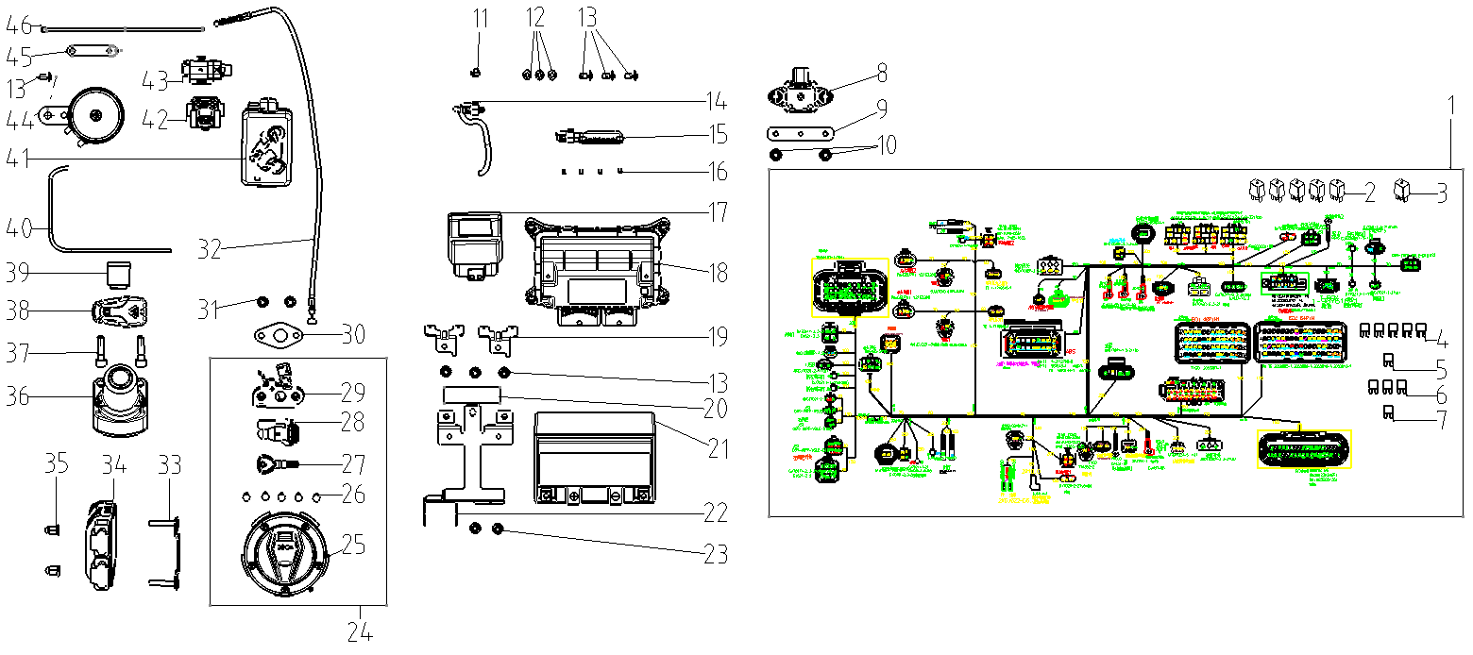
F27-1 | 271232751-0001 | HARNESS,WIRE | SET | 1 | B
F27-2 | 274060004-0001 | RELAY ASSY.,CONTROLING | PCS | 5 | B
F27-3 | 273410003-0001 | RELAY ASSY.,AUXILIARY | PCS | 1 | B
F27-4 | 381620010-0001 | SECTION,SAFE | PCS | 5 | A
F27-5 | 381620011-0002 | SECTION,SAFE | PCS | 1 | A
F27-6 | 381620012-0001 | SECTION,SAFE | PCS | 3 | A
F27-7 | 381620026-0001 | SECTION,SAFE | PCS | 1 | A
F27-8 | 274700001-0001 | inertial measurement unit （IMT) | PCS | 1 | C
F27-9 | 270860107-0001 | BRACKET,ELECTRICAL PARTS MOUNTING | PCS | 1 | C
F27-10 | 380370003-0014 | NUT,HEXAGON FLANGE | PCS | 2 | C
...
Special instructions:In this part catalog title bar ，If with a“NOT FOR SERVICE”words ， This part can't be purchased ，Please select the part of the assembly or combination
Ref.No. | Part No. | PARTS NAME | Computation units | Quantity | Consumable grade | Picture
F27-38 | 277770003-0001 | REMOTE CONTROLLING KEY | PCS | 1 | C
F27-39 | 285260008-0001 | CAMERA |  | 1
F27-40 | 271280383-0001 | WIRE,CONNECTING | PCS | 1 | C
F27-41 | 285370008-0001 | AUTOMOBILE DATA RECORDER |  | 1
F27-42 | 270810228-0001 | STARTING RELAY ASSY. | PCS | 1 | B
F27-43 | 273310005-0001 | SENSOR | PCS | 1 | B
F27-44 | 280190262-0001 | HORN | PCS | 1 | B
F27-45 | 380900145-0001 | CLAMPING BAND | PCS | 8 | C
F27-46 | 380900077-0002 | CLAMPING BAND | PCS | 55 | C
F28
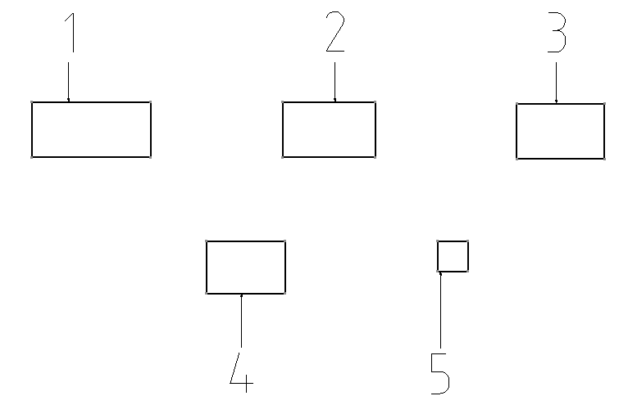
F28-1 | 370311169-0001 | LABEL,WARNING | PCS | 1 | C
F28-2 | 370320138-0001 | LABEL,REMINDS | PCS | 1 | C
F28-3 | 370328392-0001 | LABEL,REMINDS | PCS | 1 | C
F28-4 | 370322824-0001 | LABEL,REMINDS | PCS | 1 | C
F28-5 | 370326120-0001 | LABEL,REMINDS | PCS | 1 | C

KEL900
Special instructions:In this part catalog title bar ，If with a“NOT FOR SERVICE”words ， This part can't be purchased ，Please select the part of the assembly or combination
REF.No |  | PLM CODE | 英文名ENGLISH PARTS NAME | QUANTITY | UNIT | WEAR & TEAR GRADE
E1 |  | F3101X0003-4M96000 | ENGINE | 1 | SET | C
E01 CYLINDER HEAD COVER ASSY
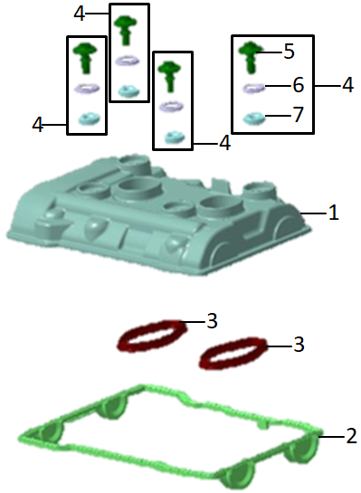
E01-01 |  | 7924218-03 | CYLINDER HEAD COVER | 1 | PCS | C
E01-02 |  | 1025328-01 | CYLINDER HEAD COVER GASKET | 1 | PCS | A
E01-03 |  | 8568211-01 | COVER GASKET SPARK PLUG DUCT | 2 | PCS | B
E01-04 |  | 8520212-01 | BOLT COMP.,CYLINDER HEAD COVER | 4 | PCS | C
E01-05 |  | 7674653-03 | CYLINDER HEAD SCREW | 4
E01-06 |  | 8520214-01 | FIXING WASHER | 4
E01-07 |  | 8520213-01 | RUBBER BUSHING | 4
E02 CYLINDER HEAD ASSY
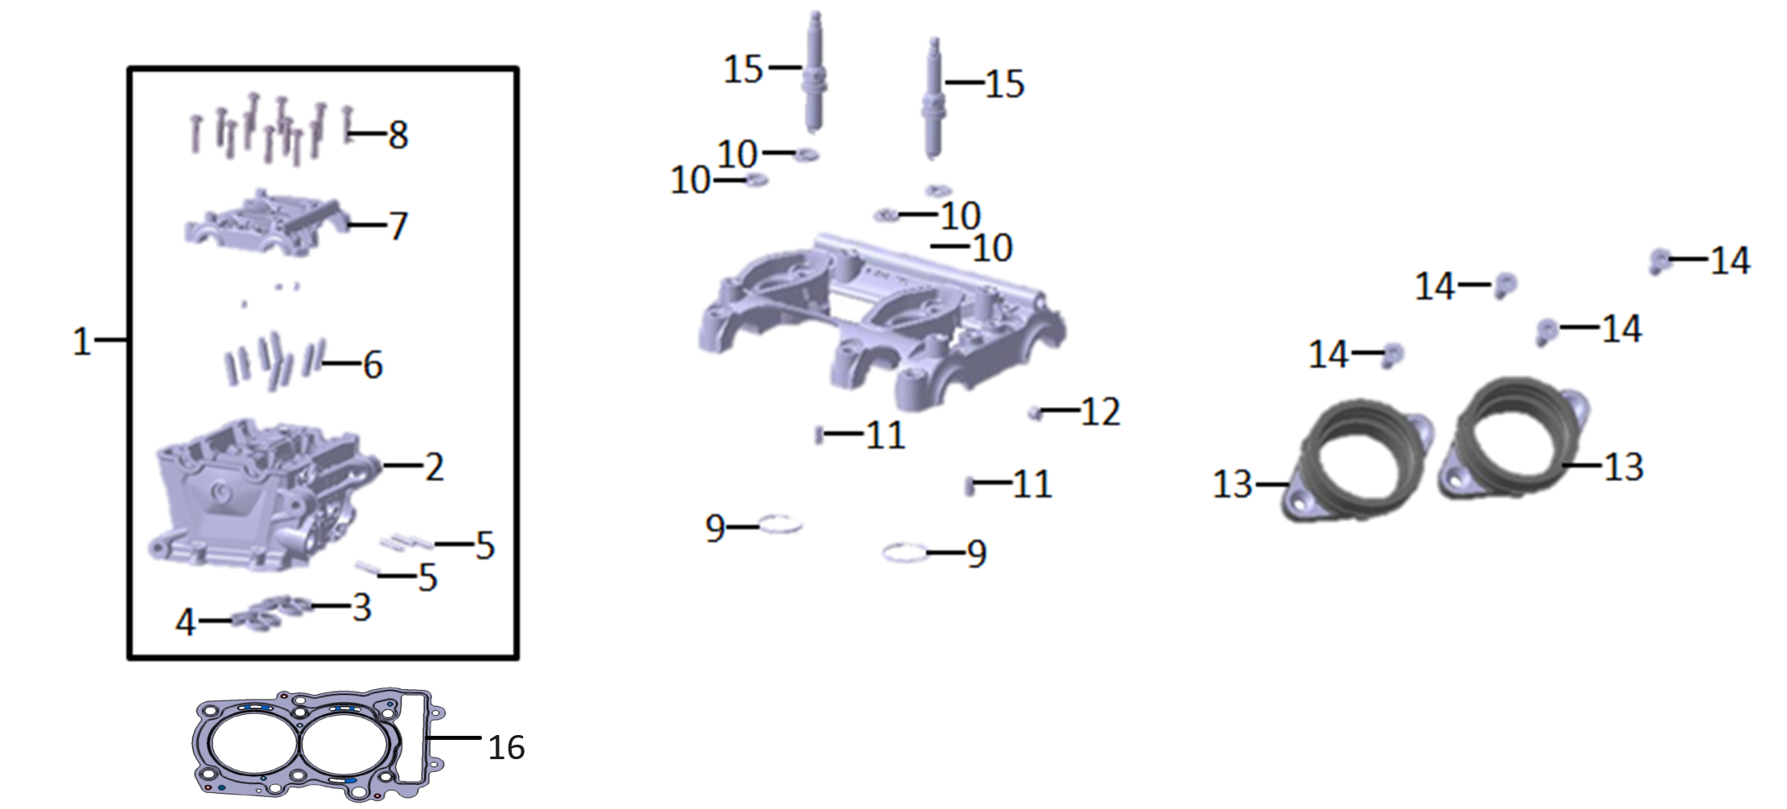
E02-01 |  | 120070307-0001 | ASSY CYLINDER HEAD | 1 | SET | C
E02-02 |  | 120090671-0001 | CYLINDER HEAD | 1
E02-03 |  | 9898558-01 | VALVE SEAT INSERT EXHAUST | 4
E02-04 |  | 8562207-02 | VALVE SEAT INSERT INTAKE | 4
E02-05 | 120070307-0001 | 9903893-00 | STUD | 4
E02-06 |  | 8556229-03 | VALVE GUIDE | 8
E02-07 |  | 141500004-0001 | CAMSHAFT BEARING BRIDGE | 1
E02-08 | 120070307-0001 | 7720059-01 | ISA SCREW | 12 | PCS | C
E02-09 |  | 9904649-00 | O-RING | 2 | PCS | B
E02-10 |  | 7713823-01 | WASHER | 4 | PCS | C
E02-11 |  | 9907038-00 | DOWEL PIN | 2 | PCS | C
E02-12 |  | 8561999-01 | EXPANDER | 1 | PCS | C
E02-13 |  | 8569335-01 | INTAKE MANIFOLD | 2 | PCS | B
E02-14 |  | 7707831-01 | COUNTER SUNK HEAD SCREW | 4 | PCS | C
E02-15 |  | 270960098-0001 | SPARK PLUG | 2 | PCS | A
E02-16 |  | 8394297-02 | GASKET,CYLINDER HEAD | 1 | PCS | A
E03 AIR INTAKE AND EXHAUST MECHANISM
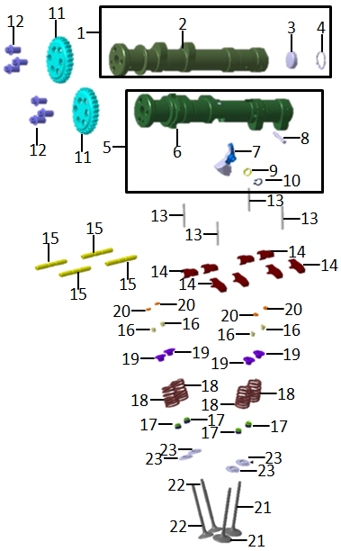
E03-01 |  | 140020282-0001 | ASSY CAMSHAFT INTAKE | 1 | SET | B
E03-02 | 140020282-0001 | 140030232-0001 | CAMSHAFT INTAKE | 1 | PCS | B
E03-03 | 140020282-0001 | 9906155-00 | COVER ITD | 1 | PCS | C
E03-04 | 140020282-0001 | 9934624-00 | SNAP RING | 1 | PCS | B
E03-05 |  | 140020283-0001 | ASSY CAMSHAFT EXAUST | 1 | SET | B
E03-06 | 140020283-0001 | 140030233-0001 | CAMSHAFT EXAUST | 1 | PCS | B
E03-07 | 140020283-0001 | 8561580-01 | DECO LEVER | 2 | PCS | C
E03-08 | 140020283-0001 | 8392386-01 | PIN FOR DECO SYSTEM | 2 | PCS | C
E03-09 | 140020283-0001 | 8395857-01 | SPRING FOR DECO SYSTEM | 2 | PCS | B
E03-10 | 140020283-0001 | 9909420-00 | SNAP RING | 2 | PCS | B
...
E03-15 |  | 7713818-01 | AXLE FOR CAM FOLLOWER | 4 | PCS | B
E03-16 |  | 8562210-02 | VALVE SPRING COTTER | 16 | PCS | C
E03-17 |  | 8535530-01 | VALVE STEM SEAL | 8 | PCS | A
E03-18 |  | 8396366-01 | VALVE SPRING WITH OTEVA 90 | 8 | PCS | C
E03-19 |  | 8562212-01 | VALVE SPRING RETAINER | 8 | PCS | C
E03-20 |  | 502120005-0001 | ADJUSTING SHIM,VALVE KIT | 8 | SET | C
E03-21 |  | 9457142-02 | VALVE INLET | 4 | PCS | A
E03-22 |  | 9457143-01 | VALVE EXHAUST | 4 | PCS | A
E03-23 |  | 8562216-02 | LOWER SPRING PLATE XINZ | 8 | PCS | C
E04 CHAIN TENSIONER DEVICE
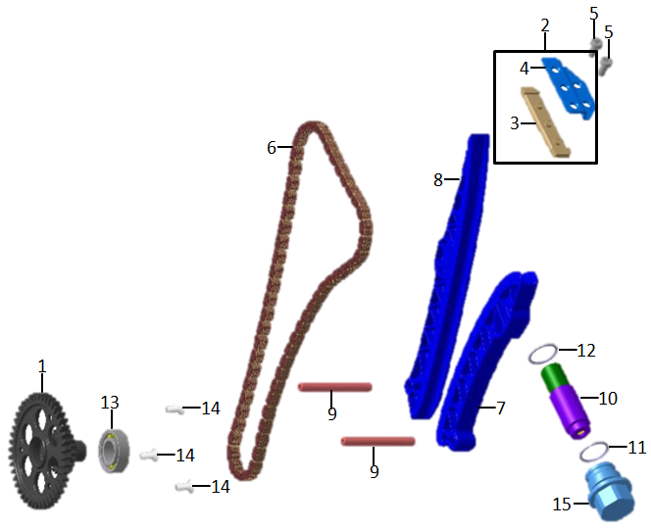
E04-01 |  | 140580083-0001 | TIMING GEAR | 1 | PCS | C
E04-02 |  | 5A69F47-03 | ASSY TOP CHAIN GUIDE | 1 | PCS | B
E04-03 |  | 8562331-01 | SLIDING RAIL | 1
E04-04 |  | 8562332-01 | CHAIN GUIDE PROTECTION PLATE | 1
E04-05 |  | 382330060-0001 | ISA SCREW | 2 | PCS | C
E04-06 |  | 8535532-01 | TIME CHAIN | 1 | PCS | A
E04-07 |  | 8562333-01 | TENSIONING RAIL | 1 | PCS | B
E04-08 |  | 8562334-01 | GUIDING RAIL | 1 | PCS | B
E04-09 |  | 8535599-01 | BACK SHAFT | 2 | PCS | C
E04-10 |  | 8535600-01 | CHAIN TENSIONER | 1 | PCS | B
E04-11 |  | 7718077-01 | O-RING | 1 | PCS | B
E04-12 |  | 9906605-00 | O-RING | 1 | PCS | B
E04-13 |  | 8568480-01 | BALL BEARING | 1 | PCS | B
E04-14 |  | 6916475-02 | INT SCREW | 3 | PCS | C
E04-15 |  | 8535601-02 | ADPATER CHAIN TENSIONER | 1 | PCS | C
E05 CRANKCASE ASSY.
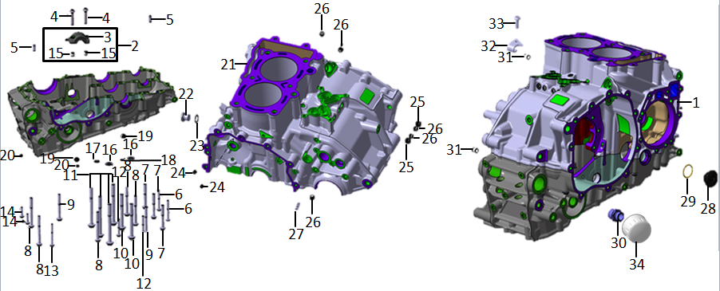
E05-01 |  | 110010338-0001 | CRANKCASE ASSY. | 1 | SET | D
E05-02 |  | 8559825-04 | ASSY COUNTERBALANCE BEARING CAP | 1 | PCS | C
E05-03 |  | 8559824-03 | COUNTERBALANCE BEARING CAP | 1
E05-04 |  | 7720059-01 | ISA SCREW | 2 | PCS | C
E05-05 |  | 9907844-00 | CYLINDRICAL PIN | 2 | PCS | C
E05-06 |  | 382330048-0001 | ISA SCREW | 2 | PCS | C
E05-07 |  | 382330051-0001 | ISA SCREW | 3 | PCS | C
E05-08 |  | 382330052-0001 | ISA SCREW | 5 | PCS | C
E05-09 |  | 382330053-0001 | ISA SCREW | 2 | PCS | C
E05-10 |  | 382330054-0001 | ISA SCREW | 2 | PCS | C
...
E05-26 |  | 7712697-01 | EXPANDER | 5 | PCS | C
E05-27 |  | 8565089-01 | OIL THROTTLE VALVE | 1 | PCS | C
E05-28 |  | 110440004-0001 | LOCK SCREW | 1 | PCS | B
E05-29 |  | 7700396-01 | O-Ring | 1 | PCS | B
E05-30 |  | 1599095-01 | SCREW-IN FITTING | 1 | PCS | C
E05-31 |  | 8563976-01 | HOLLOW DOWEL | 2 | PCS | C
E05-32 |  | 8565069-02 | COUNTERHOLDER BOWDEN CABLE | 1 | PCS | C
E05-33 |  | 382330063-0001 | ISA SCREW | 1 | PCS | C
E05-34 |  | 150350061-0001 | OIL FILTER ASSY | 1 | SET | C
E06 LEFT CRANKCASE COVER
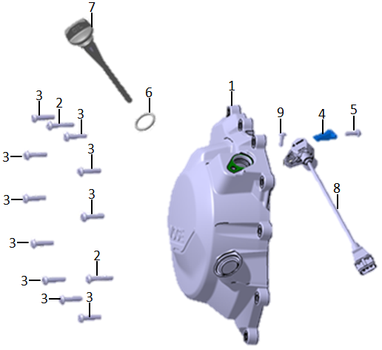
E06-01 |  | 110380214-0002 | GENERATOR COVER | 1 | PCS | C
E06-02 |  | 8393580-01 | ISA SCREW | 2 | PCS | C
E06-03 |  | 8393579-01 | ISA SCREW | 10 | PCS | C
E06-04 |  | 8561957-01 | BRACKET | 1 | PCS | C
E06-05 |  | 382330059-0001 | ISA SCREW | 1 | PCS | C
E06-06 |  | 7689572-01 | O-RING | 1 | PCS | B
E06-07 |  | 110690146-0001 | OIL DIP STICK | 1 | PCS | B
E06-08 |  | 281920044-0001 | CRANKSHAFT SENSOR | 1 | PCS | C
E06-09 |  | 382330063-0001 | ISA SCREW | 1 | PCS | C
E07 RIGHT CRANKCASE COVER
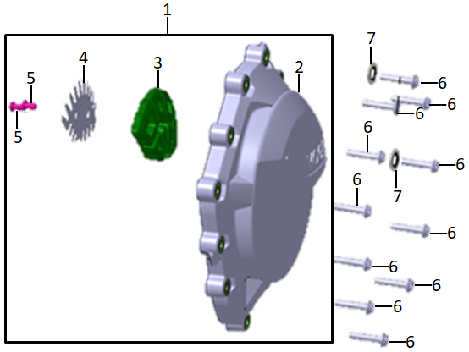
E07-01 |  | 11060 | ASSY CLUTCH COVER
E07-02 |  | 110600997-0002 | CLUTCH COVER | 1 | PCS | C
E07-03 |  | 8522696-01 | INSULATION F. CLUTCH COVER | 1 | PCS | C
E07-04 |  | 120510008-0001 | RETAINING PLATE | 1 | PCS | C
E07-05 |  | 7678083-02 | ISA SCREW | 2 | PCS | C
E07-06 |  | 8393580-01 | ISA SCREW | 11 | PCS | C
E07-07 |  | 8393581-01 | UIST-RING | 2 | PCS | C
E08 CRANKSHAFT AND CONNECTING ROD SET
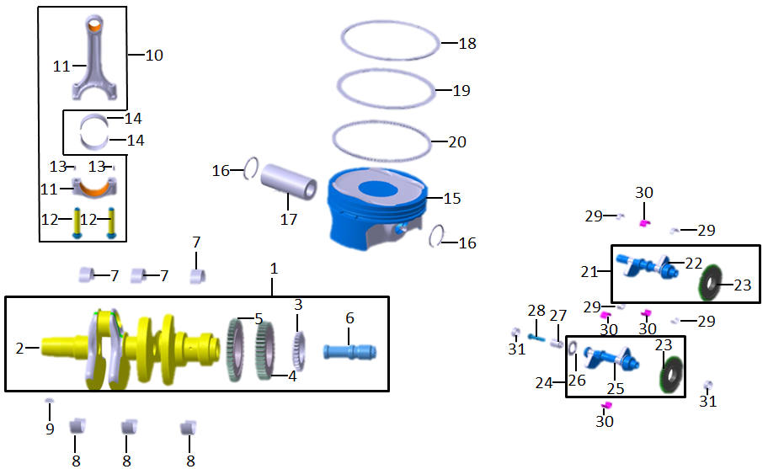
E08-01 |  | 130290816-0001 | ASSY CRANKSHAFT | 1 | SET | C
E08-02 |  | 130300546-0001 | CRANKSHAFT | 1 | PCS | C
E08-03 |  | 130230097-0001 | TIMING GEAR | 1 | PCS | C
E08-04 |  | 130420014-0001 | PRIMARY GEAR | 1 | PCS | C
E08-05 |  | 130460041-0001 | BALANCER GEAR | 1 | PCS | C
E08-06 |  | 130380003-0001 | OIL BUSHING | 1 | PCS | C
E08-07 |  | 502230013-0001 | BEARING,CRANKSHAFT KIT | 3
E08-08 |  | 502230014-0001 | BEARING,CRANKSHAFT KIT | 3
E08-09 |  | 9951480-00 | WOODRUFF KEY | 1 | PCS | C
E08-10 |  | 8563921-03 | ASSY CONNECTING ROD | 2 | SET | C
...
E10-01 |  | 191390394-0001 | ASSY OUTPUT SHAFT | 1 | SET | B
E10-11 |  | 7716785-01 | SNAP RING | 5 | PCS | B
E10-12 |  | 8568663-01 | DEEP GROOVE BALL BEARING | 1 | PCS | B
E10-13 |  | 8568734-01 | DEEP GROOVE BALL BEARING | 1 | PCS | B
E10-14 |  | 9443598-01 | OIL SEALING | 1 | PCS | B
E10-15 |  | 9443640-02 | OUTPUT SPROCKET | 1 | PCS | A
E10-16 |  | 380070088-0001 | HH SCREW | 1 | PCS | C
E10-17 |  | 380480006-0001 | DIAPHRAGM SPRING | 1 | PCS | C
E10-18 |  | 380820374-0001 | STEP RING | 1 | PCS | C
E10-19 |  | 8396872-01 | SUPPORT WASHER | 1
E11 SPEED CONTROL MECHANISM
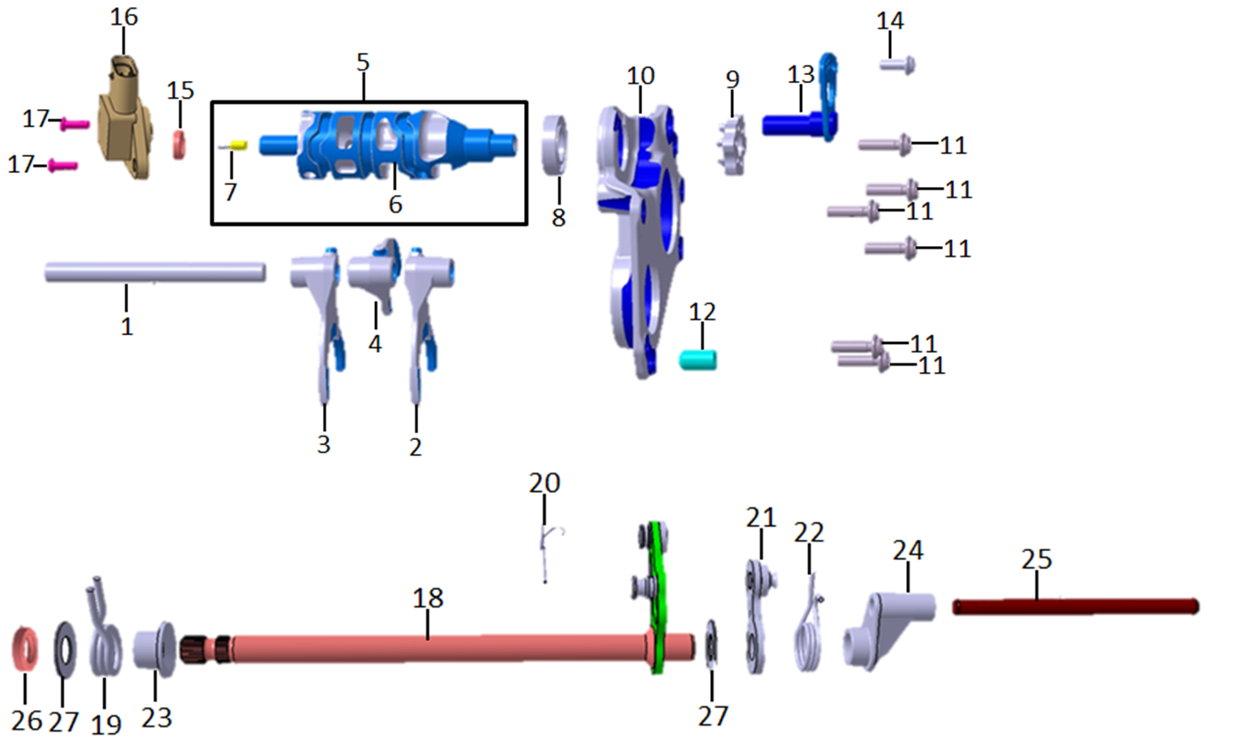
E11-01 |  | 8568665-01 | SHIFT ROD | 1 | PCS | C
E11-02 |  | 8568666-02 | SHIFT FORK 1G-3G | 1 | PCS | C
E11-03 |  | 8568667-02 | SHIFT FORK 2G-4G | 1 | PCS | C
E11-04 |  | 8568668-02 | SHIFT FORK 5G-6G | 1 | PCS | C
E11-05 |  | 8568669-02 | ASSY SHIFT DRUM | 1 | PCS | C
E11-06 |  | 8568670-02 | SHIFT DRUM | 1
E11-07 |  | 8568672-01 | T-PROFILED PIN | 1 | PCS | C
E11-08 |  | 8568735-01 | DEEP GROOVE BALL BEARING | 1 | PCS | B
E11-09 |  | 9443826-01 | SHIFTING LOCATOR | 1 | PCS | C
E11-10 |  | 8568687-04 | GEARBOX COVER | 1 | PCS | C
...
E12-01 |  | 8359986-01 | COVER FOR OIL PUMP PINION | 1 | PCS | C
E12-36 |  | 9903203-00 | DOWEL PIN | 3
E12-37 |  | 8565495-04 | PISTON FOR PRESSURE REGULATION VALVE | 1
E12-38 |  | 8561937-01 | SPRING PRESSURE PUMP | 1
E12-39 |  | 8565496-01 | SPRING PLATE FOR PRESSURE REGULATION | 1
E12-40 |  | 9909401-00 | SNAP RING | 1 | PCS | B
E12-41 |  | 382330034-0002 | ISA SCREW | 6 | PCS | C
E12-42 |  | 8359985-01 | COVER FOR SUCTION PUMP | 1
E12-43 |  | 9457148-01 | OIL PUMP SPORKET | 1 | PCS | C
E12-44 |  | 9905737-00 | HEXAGON NUT | 1 | PCS | C
E13 CRANKCASE OIL TRAY
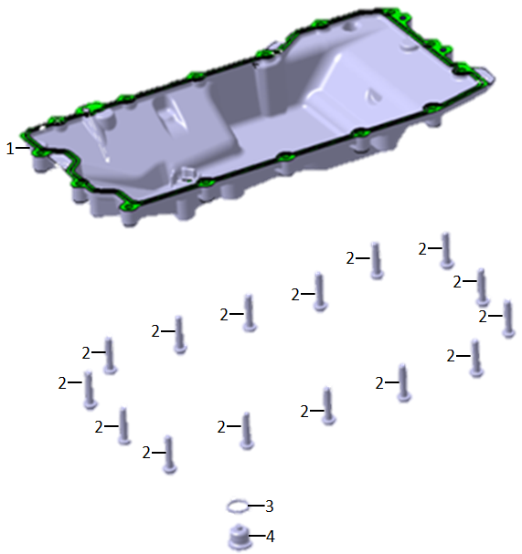
E13-01 |  | 7107956-01 | OIL PAN | 1 | PCS | C
E13-02 |  | 382330058-0001 | ISA SCREW | 15 | PCS | C
E13-03 |  | 9963252-00 | WASHER | 1 | PCS | C
E13-04 |  | 8359126-02 | LOCK SCREW | 1 | PCS | C
E14 冷却系统 COOLING SYSTEM
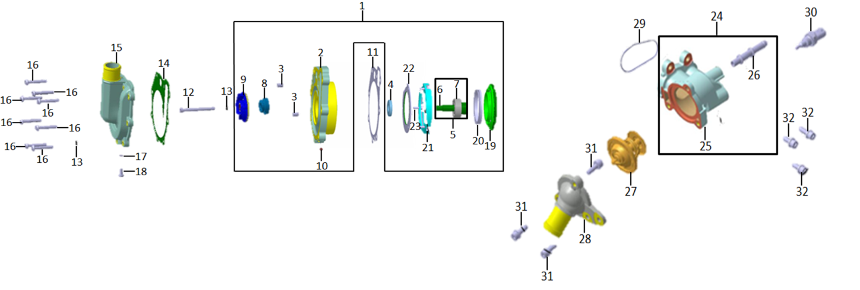
E14-01 |  | 5B34FD7-01 | ASSY WATER PUMP | 1 | SET | C
E14-02 |  | 8392100-01 | WATER PUMP HOUSING | 1
E14-03 |  | 8359984-01 | HOLLOW DOWEL | 2
E14-04 |  | 8565545-01 | ROTARY SEAL | 1 | PCS | B
E14-05 |  | 8396296-01 | ASSY WATER PUMP SHAFT | 1 | PCS
E14-06 |  | 8389285-03 | WATER PUMP SHAFT | 1
E14-07 |  | 8565546-01 | BALL BEARING | 1
E14-08 |  | 8565544-01 | MECHANICAL SEALING RING | 1
E14-09 |  | 8568778-04 | WATER PUMP IMPELLER | 1
E14-10 |  | 8565547-01 | STAINLESS STEEL BALL | 1
...
E14-24 |  | 160120020-0001 | ASSY THERMOSTAT HOUSING | 1 | PCS | A
E14-25 |  | 160120020-0001 | THERMOSTAT HOUSING | 1 | PCS | C
E14-26 |  | 8534212-02 | VENT NECK | 1 | PCS | C
E14-27 |  | 8534211-02 | THERMOSTAT | 1 | PCS | A
E14-28 |  | 160130062-0001 | THERMOSTAT HOUSING COVER | 1 | PCS | B
E14-29 |  | 8534210-01 | THERMOSTAT HOUSING1 GASKET | 1 | PCS | B
E14-30 |  | 160150064-0001 | TEMPERATURE SENSOR | 1 | PCS | A
E14-31 |  | 9906656-00 | ISA SCREW | 3 | PCS | C
E14-32 |  | 382330034-0002 | ISA SCREW | 3 | PCS | C
E15 STARTING MECHANISM
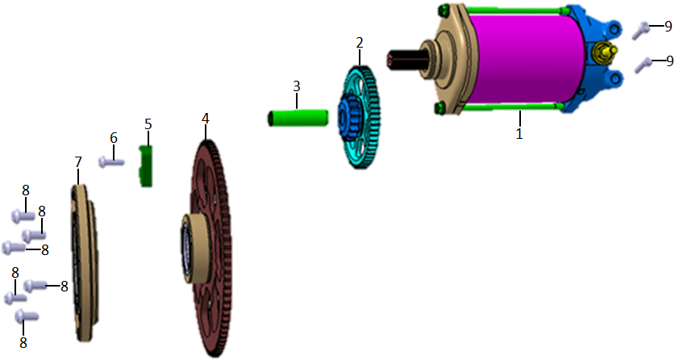
E15-01 |  | 270350143-0001 | STARTER | 1 | SET | B
E15-02 |  | 193190068-0001 | ASSY STARTER BUILT INTERM GEAR | 1 | PCS | C
E15-03 |  | 8563941-01 | STARTER TRANSMISSION SHAFT | 1 | PCS | C
E15-04 |  | 193240073-0001 | ASSY FREEWH BUILT WITH NEEDLEBEARING | 1 | PCS | C
E15-05 |  | 8563948-01 | FREE WHEEL SLIDER | 1 | PCS | C
E15-06 |  | 9905692-00 | ISA SCREW | 1 | PCS | C
E15-07 |  | 8563946-01 | ASSY ONE WAY CLUTCH | 1 | PCS | C
E15-08 |  | 8555203-01 | ISA SCREW | 6 | PCS | C
E15-09 |  | 382330062-0001 | ISA SCREW | 2 | PCS | C
E15 CLUTCH ASSY
...
E15-01 |  | 8565058-04 | CLUTCH | 1 | SET | B
E15-08 |  | 9903852-00 | HEX HEAD SCREW | 3
E15-09 |  | 8565063-02 | ASSY RELEASE AXLE | 1 | PCS | B
E15-10 |  | 8565064-01 | ASSY CLUTCH PUSHROD | 1 | PCS | C
E15-11 |  | 8565065-01 | WASHER | 1 | PCS | C
E15-12 |  | 8565066-01 | LEG SPRING | 1 | PCS | B
E15-13 |  | 8565067-01 | PLASTIC BUSH SLOTTED | 1 | PCS | C
E15-14 |  | 380650084-0001 | OIL SEALING | 1 | PCS | B
E15-15 |  | 2343037-01 | NEEDLE BEARING | 1 | PCS | B
E15-16 |  | 2343036-01 | NEEDLE BEARING | 1 | PCS | B
E16 GENERATOR ASSY
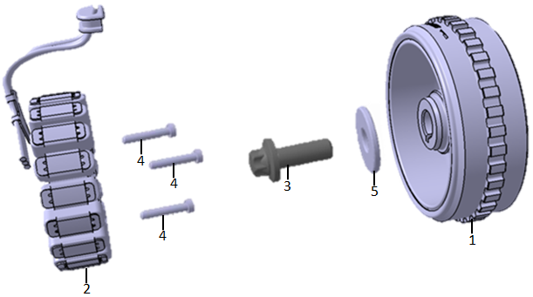
E16-01 |  | 270020654-0001 | GENERATOR ROTOR | 1 | SET | C
E16-02 |  | 270100377-0001 | GENERATOR STATOR | 1 | SET | B
E16-03 |  | 8566065-01 | ASA SCREW | 1 | PCS | C
E16-04 |  | 9909434-00 | ISA SCREW | 3 | PCS | C
E16-05 |  | 8566060-01 | WASHER | 1 | PCS | C

