LX125-54Ⅰ
LX125-54Ⅰ（R420D）EURO V+
Special instructions:In this part catalog title bar ，If with a“NOT FOR SERVICE”words ， This part can't be purchased ，Please select the part of the assembly or combination
Ref.No. | PLMCODE | PARTS NAME | UNIT | QTY/UNIT | WEAR & TEAR GRADE | picture | REMARK
1 | LR420DI001KMI02BWZ
F01 FRAME

F01-1 | 300121465-0002 | BODY COMP.,FRAME | PCS | 1 | D
F01-2 | 301190135-0001 | STRUT MEMBER,IGNITION COIL | PCS | 1 | C
F01-3 | 380190477-0003 | SCREW,HEXAGON SOCKET | PCS | 12 | C
F01-4 | 340040091-0001 | BRACKET,FUEL TANK DECORATIVE COVER LEFT | PCS | 2 | C
F01-5 | 380140067-0013 | BOLT,HEXAGON FLANGE | PCS | 6 | C
F01-6 | 160390015-0001 | LUG,RADIATOR LOWER | PCS | 1 | C
F01-7 | 380140013-0013 | BOLT,HEXAGON FLANGE | PCS | 1 | C
F01-8 | 381000547-0001 | STOPPER | PCS | 2 | C
F01-9 | 303550042-0001 | LUG OF COOLING WATER TANK | PCS | 1 | C
F01-10 | 181930046-0001 | BRACKET CANISTER | PCS | 1 | C
F01-11 | 380890220-0002 | I-RUBBER | PCS | 1 | C
F01-12 | 170700175-0001 | PAD, FUEL TANK DAMPING | PCS | 2 | C
F01-13 | 380910037-0001 | I-RUBBER | PCS | 4 | C
F01-14 | 380890174-0001 | I-RUBBER | PCS | 4 | C
F01-15 | 342520025-0001 | CAP,FRAME DECORATIVE | PCS | 2 | B
F01-16 | 300440168-0001 | BRACE,FUEL TANK REAR | PCS | 1 | C
F01-17 | 272800028-0001 | ELECTRICAL BOX | PCS | 1 | C
F01-18 | 380420002-0004 | NUT,CLIP | PCS | 2 | C
F01-19 | 271140246-0001 | BRACKET,BATTERY | PCS | 1 | C
F01-20 | 271140247-0001 | BRACKET,BATTERY | PCS | 1 | C
F01-21 | 380880063-0001 | T-RUBBER | PCS | 6 | C
F01-22 | 311870087-0001 | SIDE STAND COMP. | SET | 1 | B
F01-23 | 380020194-0002 | BOLT,HEXAGON HEAD SHOULDER | PCS | 1 | C
F01-24 | 380340010-0011 | NUT,HEXAGON HEAD | PCS | 1 | C
F01-25 | 311880396-0001 | BAR ASSY.,SIDE STAND | PCS | 1 | B
F01-26 | 381140729-0001 | SPRING, DRAWING | PCS | 1 | B
F01-27 | 312940022-0001 | KILL SWITCH, SIDE STAND | PCS | 1 | B
F01-28 | 380190478-0003 | SCREW,HEXAGON SOCKET | PCS | 1 | C
F01-29 | 301200079-0001 | STRUT MEMBER,FLASHER | PCS | 1 | C
F01-30 | 174870010-0001 | BRACKET OF ELECTRICAL CONTROLLER | PCS | 1 | C
F01-31 | 380820512-0004 | COLLAR | PCS | 2 | C
F01-32 | 380190039-0012 | SCREW,HEXAGON SOCKET | PCS | 2 | C
F01-33 | 380190005-0013 | SCREW,HEXAGON SOCKET | PCS | 2 | C
F02 FOOTREST SYSTEM

F02-1 | 311650178-0001 | FOOTREST ASSY., LEFT | SET | 1 | B
F02-2 | 311670085-0001 | BRACKET, LEFT FOOTREST | PCS | 1 | C |  | NOT FOR SERVICE
F02-3 | 501600004-0001 | LEFT MAIN FOOTREST | SET | 1 | C
F02-4 | 311710155-0001 | RUBBER,STEP | PCS | 1 | A |  | NOT FOR SERVICE
F02-5 | 193700737-0001 | PEDAL,GEAR CHANGE | PCS | 1 | B
F02-6 | 380510035-0002 | WASHER,WAVE | PCS | 1 | C
F02-7 | 311660200-0001 | FOOTREST ASSY., RIGHT | SET | 1 | B
F02-8 | 311680086-0001 | BRACKET, RIGHT FOOTREST | PCS | 1 | C |  | NOT FOR SERVICE
F02-9 | 501610005-0001 | RIGHT MAIN FOOTREST | SET | 1 | C
F02-10 | 311710154-0001 | RUBBER,STEP | PCS | 1 | A |  | NOT FOR SERVICE
F02-11 | 380140077-0012 | BOLT,HEXAGON FLANGE | PCS | 2 | C
F02-12 | 380450008-0004 | WASHER,PLAIN | PCS | 2 | C
F02-13 | 291120517-0001 | PEDAL,REAR BRAKE | PCS | 1 | B
F02-14 | 380450017-0006 | WASHER,PLAIN | PCS | 2 | C
F02-15 | 291320211-0001 | RETURN SPRING,REAR BRAKE PEDAL | PCS | 1 | B
F02-16 | 380190390-0003 | SCREW,HEXAGON SOCKET | PCS | 2 | C
F02-17 | 291330147-0001 | EXTENSION SPRING,REAR BRAKE SWITCH | PCS | 1 | B
F02-18 | 300300116-0001 | BASE,REAR BRAKE SWITCH | PCS | 1 | C
F03 PILLION STEP SET AND REAR ARMREST

F03-1 | 312150173-0001 | STEP ASSY.,LEFT PILLION | SET | 1 | B
F03-2 | 312170149-0001 | HOLD COMP.,LEFT PILLION STEP | PCS | 1 | C |  | NOT FOR SERVICE
F03-3 | 501620004-0001 | LEFT STEP PILLION ASSY. | SET | 1 | C
F03-4 | 312160184-0001 | STEP ASSY.,RIGHT PILLION | SET | 1 | B
F03-5 | 312180152-0001 | HOLD COMP.,RIGHT PILLION STEP | PCS | 1 | C |  | NOT FOR SERVICE
F03-6 | 501630004-0001 | RIGHT STEP PILLION ASSY. | SET | 1 | C
F03-7 | 291440008-0005 | FASTENING BOLT,BRAKE DISK | PCS | 4 | C

F04 ENGINE COMP.COOLING SYSTEM

F04-1 | F3101I0002-0H0V001 | ENGINE COMP. | TAI | 1 | D
F04-2 | 110520900-0001 | COVER COMP.,LEFT REAR | PCS | 1 | C
F04-3 | 380190050-0006 | SCREW,HEXAGON SOCKET | PCS | 2 | C
F04-4 | 380871175-0001 | AXIS | PCS | 1 | C
F04-5 | 380871176-0001 | AXIS | PCS | 1 | C
F04-6 | 380871146-0001 | AXIS | PCS | 1 | C
F04-7 | 380400001-0009 | NUT,PREVAILING TORQUE TYPE ALL-METAL HEXAGON WITH FLANGE | PCS | 3 | C
F04-8 | 300020216-0002 | PLATE,LEFT FRONT ENGINE HANGER | PCS | 1 | C
F04-9 | 300030074-0002 | PLATE,RIGHT FRONT ENGINE HANGER | PCS | 1 | C
F04-10 | 380140040-0012 | BOLT,HEXAGON FLANGE | PCS | 2 | C
F04-11 | 380140158-0005 | BOLT,HEXAGON FLANGE | PCS | 2 | C
F04-12 | 380400007-0008 | NUT,PREVAILING TORQUE TYPE ALL-METAL HEXAGON WITH FLANGE | PCS | 2 | C
F04-13 | 181600087-0001 | INSULATION BLANKET | PCS | 1 | C
F04-14 | 180420970-0001 | TUBE,AIR INTAKE | PCS | 1 | B
F04-15 | 380140054-0011 | BOLT,HEXAGON FLANGE | PCS | 2 | C
F04-16 | 160010190-0001 | HEAT RADIATOR COMP. | SET | 1 | B
F04-17 | 380310063-0003 | SCREW,CROSS RECESSED PAN SELF-TAPPING | PCS | 4 | C |  | NOT FOR SERVICE
F04-18 | 160340015-0001 | HALFTONE,RADIATOR | PCS | 1 | C
F04-19 | 160020052-0001 | BODY SET,RADIATOR | PCS | 1 | C
F04-20 | 380140077-0012 | BOLT,HEXAGON FLANGE | PCS | 2 | C
F04-21 | 380140103-0015 | BOLT,HEXAGON FLANGE | PCS | 1 | C
F04-22 | 160240063-0001 | FAN ASSY. | SET | 1 | B
F04-23 | 160530049-0001 | SHIELD,FAN | PCS | 1 | B
F04-24 | 380420017-0004 | NUT,CLIP | PCS | 2 | C |  | NOT FOR SERVICE
F04-25 | 380450007-0014 | WASHER,PLAIN | PCS | 2 | C |  | NOT FOR SERVICE
F04-26 | 380460003-0013 | WASHER,ELASTIC | PCS | 2 | C |  | NOT FOR SERVICE
F04-27 | 380070013-0009 | BOLT,HEXAGON | PCS | 2 | C |  | NOT FOR SERVICE
F04-28 | 380200008-0011 | SCREW,CROSS RECESSED PAN | PCS | 3 | C |  | NOT FOR SERVICE
F04-29 | 160310088-0001 | WATER TANK,COOLING | PCS | 1 | B
...
F05-1 | 180021196-0001 | AIR CLEANER COMP. | PCS | 1 | C
F05-4 | 380960213-0001 | CLAMP ASSY. | PCS | 1 | C
F05-5 | 172810106-0001 | VALVE BODY ASSY., THROTTLE | PCS | 1 | C
F05-6 | 173020038-0001 | CAP, FUEL JET | PCS | 1 | C
F05-7 | 173030014-0001 | CLAMP, FUEL JET | PCS | 1 | C
F05-8 | 173010055-0001 | FUEL JET | PCS | 1 | C
F05-9 | 380741586-0001 | TUBE,BREATHER | PCS | 1 | C
F05-10 | 380950058-0005 | CLAMP,TUBE | PCS | 2 | C
F05-11 | 380190476-0003 | SCREW,HEXAGON SOCKET | PCS | 1 | C
F05-12 | 380190005-0013 | SCREW,HEXAGON SOCKET | PCS | 1 | C
F06 EXHAUST AIR SYSTEM
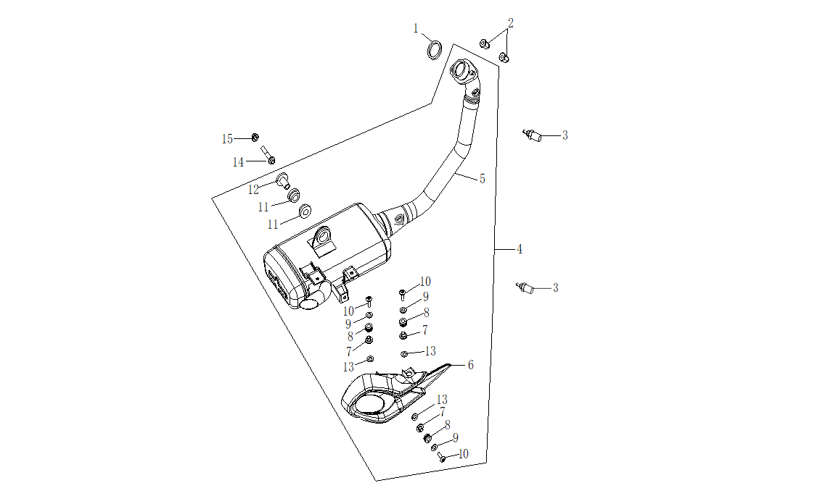

F06-01 | 180650051-0001 | GASKET,AIR EXHAUST PORT | PCS | 1 | A
F06-02 | 380330031-0003 | CAP-SHAPED NUT | PCS | 2 | C
F06-03 | 172750057-0001 | OXYGEN SENSOR | PCS | 2 | C
F06-04 | 180560530-0001 | MUFFLER ASSY.,EXHAUST | SET | 1 | B
F06-05 | 180572834-0001 | MUFFLER COMP.,EXHAUST | PCS | 1 | B
F06-06 | 180960303-0001 | SHIELD,MUFFLER | PCS | 1 | B
F06-07 | 380820512-0004 | COLLAR | PCS | 3 | C
F06-08 | 380890173-0001 | I-RUBBER | PCS | 3 | C
F06-09 | 380450003-0012 | WASHER,PLAIN | PCS | 3 | C
...
F25-1 | 330020098-0001 | SEAT,DRIVER | PCS | 1 | B
F25-3 | 330120208-0001 | RUBBER SHEET,SEAT BRACE | PCS | 2 | C |  | NOT FOR SERVICE
F25-4 | 330120239-0001 | RUBBER SHEET,SEAT BRACE | PCS | 2 | C |  | NOT FOR SERVICE
F25-5 | 380820512-0004 | COLLAR | PCS | 2 | C
F25-6 | 380190479-0003 | SCREW,HEXAGON SOCKET | PCS | 2 | C
F25-7 | 330030098-0001 | SEAT,PASSENGER | PCS | 1 | B
F25-8 | 330120341-0001 | RUBBER SHEET,SEAT BRACE | PCS | 1 | C |  | NOT FOR SERVICE
F25-9 | 330120237-0001 | RUBBER SHEET,SEAT BRACE | PCS | 3 | C |  | NOT FOR SERVICE
F25-10 | 330250201-0001 | CABLE,SEAT | PCS | 1 | A
F-26 TOOL SET

 |  | 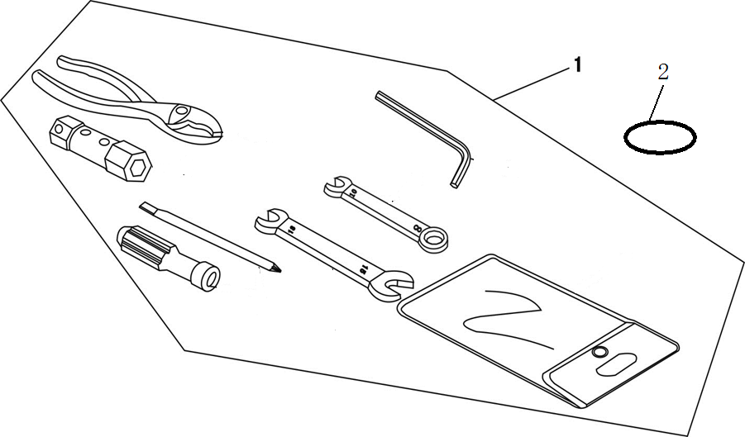
F26-1 | 360010037-0001 | ACCESSORIES,TOOL | SET | 1 | D
F26-1 | 380840918-0001 | RING,SEAL | PCS | 1 | B
F27
F27-1 | 370310033-0001 | LABEL,WARNING | PCS | 1 | C
F27-2 | 370320138-0001 | LABEL,REMINDS | PCS | 1 | C
F27-3 | 370322824-0001 | LABEL,REMINDS | PCS | 1 | C
F27-4 | 370326120-0001 | LABEL,REMINDS | PCS | 1 | C
F27-5 | 370381247-0001 | SCUTCHEON,TYPEFACE | PCS | 1 | C
F27-6 | 370410516-0001 | NAMEPLATE,FRAME | PCS | 1 | C

KE125
KE125
Special instructions:In this part catalog title bar ，If with a“NOT FOR SERVICE”words ， This part can't be purchased ，Please select the part of the assembly or combination

REF.No | PLM CODE | 英文名ENGLISH PARTS NAME | QUANTITY | UNIT | WEAR & TEAR GRADE | PICTURE
E1 | F3101I0002-0H0V001 | ENGINE | 1 | SET | C
E01 CRANKCASE COMP.,LEFT
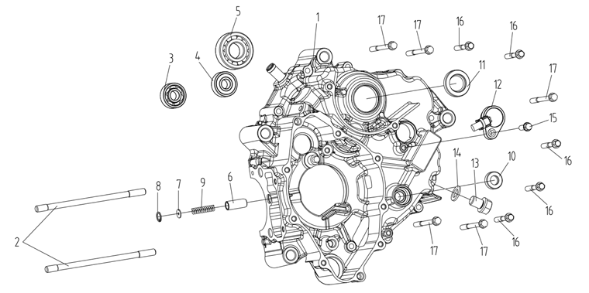
E01-01 | 110030597-0001 | BODY SET,LEFT CRANKCASE | 1 | PCS | C
E01-02 | 110240084-0001 | BOLT,STUD A | 2 | PCS | C
E01-03 | 380630679-0001 | BEARING | 1 | PCS | B
E01-04 | 380630677-0001 | BEARING | 1 | PCS | B
E01-05 | 380630541-0001 | BEARING | 1 | PCS | B
E01-06 | 110350007-0001 | PRESSING PIN COMP. | 1 | PCS | C
E01-07 | 380451208-0001 | WASHER,PLAIN | 1 | PCS | C
E01-08 | 380550190-0001 | CHECK RING,ELASTIC | 1 | PCS | B
E01-09 | 381150705-0001 | SPRING,COMPRESSION | 1 | PCS | B
E01-10 | 380650536-0001 | OIL SEAL | 1 | PCS | B
E01-11 | 380650005-0001 | OIL SEAL | 1 | PCS | B
E01-12 | 270650109-0002 | SWITCH COMP.,GEAR INDICATOR | 1 | SET | B
E01-13 | 110260003-0006 | SCREW PLUG,SEAL | 1 | PCS | C
E01-14 | 380450018-0003 | WASHER,PLAIN | 1 | PCS | C
E01-15 | 380140015-0006 | BOLT,HEXAGON FLANGE | 1 | PCS | C
E01-16 | 380140019-0006 | BOLT,HEXAGON FLANGE | 5 | PCS | C
E01-17 | 380140057-0005 | BOLT,HEXAGON FLANGE | 5 | PCS | C
E02 CRANKCASE COMP.,RIGHT
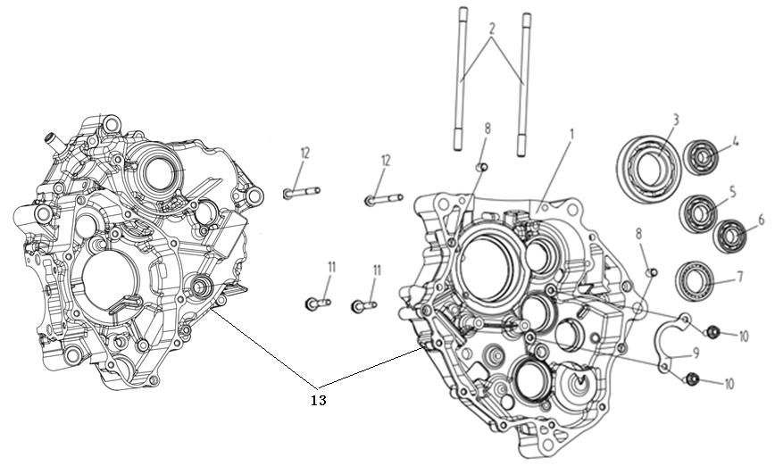
E02-01 | 110080423-0001 | BODY SET,RIGHT CRANKCASE | 1 | PCS | C
E02-02 | 110240084-0001 | BOLT,STUD A | 2 | PCS | C
E02-03 | 380630673-0001 | BEARING | 1 | PCS | B
E02-04 | 380630639-0001 | BEARING | 1 | PCS | B
E02-05 | 380630579-0001 | BEARING | 1 | PCS | B
E02-06 | 380630610-0001 | BEARING | 1 | PCS | B
E02-07 | 380630215-0001 | BEARING | 1 | PCS | B
E02-08 | 380600012-0001 | PIN,DOWEL | 2 | PCS | C
E02-09 | 191380017-0001 | CHECK PLATE,MAINSHAFT BEARING | 1 | PCS | C
E02-10 | 380140013-0005 | BOLT,HEXAGON FLANGE | 2 | PCS | C
E02-11 | 380140100-0003 | BOLT,HEXAGON FLANGE | 2 | PCS | C
E02-12 | 380140057-0005 | BOLT,HEXAGON FLANGE | 2 | PCS | C
E02-13 | 500270528-0001 | CRANKCASE KIT | 1 | SET | B
E03 LEFT CRANKCASE COVER
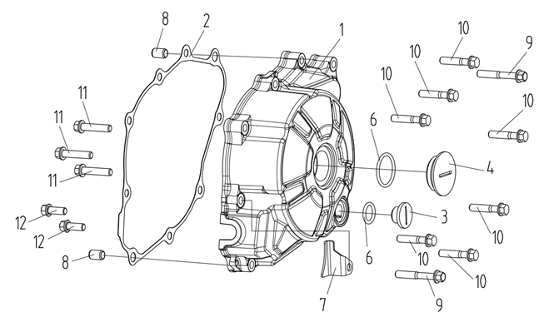
E03-01 | 110400461-0001 | COVER COMP.,LEFT FRONT | 1 | PCS | C
E03-02 | 110420057-0001 | GASKET,LEFT FRONT COVER | 1 | PCS | A
E03-03 | 110440001-0003 | COVER,INSPECTION | 1 | PCS | B
E03-04 | 110430001-0007 | COVER,LEFT DECORATING | 1 | PCS | C
E03-05 | 380840026-0001 | RING,SEAL | 1 | PCS | B
E03-06 | 380840005-0001 | RING,SEAL | 1 | PCS | B
E03-07 | 110480049-0001 | DISC,TENSION | 1 | PCS | C
E03-08 | 380600012-0001 | PIN,DOWEL | 2 | PCS | C
E03-09 | 380140019-0006 | BOLT,HEXAGON FLANGE | 2 | PCS | C
E03-10 | 380140143-0002 | BOLT,HEXAGON FLANGE | 7 | PCS | C
E03-11 | 380140017-0005 | BOLT,HEXAGON FLANGE | 3 | PCS | C
E03-12 | 380140127-0002 | BOLT,HEXAGON FLANGE | 2 | PCS | C
E04 RIGHT CRANKCASE COVER
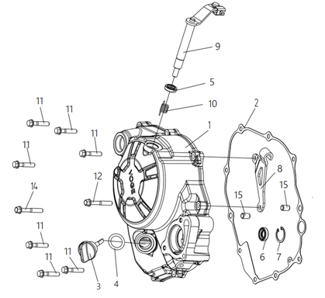
E04-01 | 110600996-0001 | COVER COMP.,RIGHT CRANKCASE | 1 | PCS | C
E04-02 | 110620100-0001 | GASKET,RIGHT CRANKCASE COVER | 1 | PCS | A
E04-03 | 110700147-0001 | GAUGE COMP.,OIL LEVEL | 1 | PCS | B
E04-04 | 380840006-0001 | RING,SEAL | 1 | PCS | B
E04-05 | 380650098-0001 | OIL SEAL | 1 | PCS | B
E04-06 | 380650820-0001 | OIL SEAL | 1 | PCS | B
E04-07 | 380550146-0001 | CHECK RING,ELASTIC | 1 | PCS | B
E04-08 | 191230059-0001 | PLATE,CLUTCH CABLE LOCATING | 1 | PCS | C
E04-09 | 190810108-0001 | JOYSTICK ASSY.,CLUTCH | 1 | PCS | B
E04-10 | 381160292-0001 | SPRING,TORSIONAL | 1 | PCS | B
E04-11 | 380140143-0002 | BOLT,HEXAGON FLANGE | 7 | PCS | C
E04-12 | 380140019-0006 | BOLT,HEXAGON FLANGE | 2 | PCS | C
E04-13 | 380600012-0001 | PIN,DOWEL | 2 | PCS | C
E05 CYLINDER HEAD
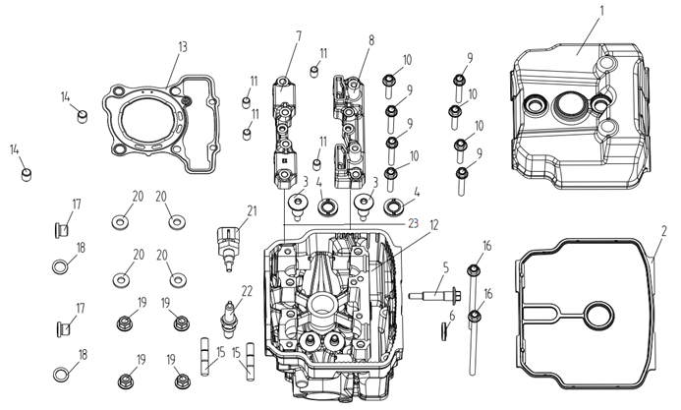
E05-01 | 120230221-0001 | COVER COMP.,CYLINDER HEAD | 1 | PCS | C
E05-02 | 120250080-0001 | GASKET,CYLINDER HEAD COVER | 1 | PCS | A
E05-03 | 120440018-0001 | BOLT,CYLINDER HEAD COVER | 2 | PCS | C
E05-04 | 380650309-0001 | OIL SEAL | 2 | PCS | B
E05-05 | 120960001-0001 | BOLT ON SIDE OF CYLINDER HEAD | 1 | PCS | C
E05-06 | 380840556-0001 | RING,SEAL | 1 | PCS | B
E05-07 | 141770003-0001 | LEFT BRACKET OF CAMSHAFT | 1 | PCS | C
E05-08 | 141780003-0001 | RIGHT BRACKET OF CAMSHAFT | 1 | PCS | C
E05-09 | 380140606-0001 | BOLT,HEXAGON FLANGE | 4 | PCS | C
E05-10 | 380140607-0001 | BOLT,HEXAGON FLANGE | 4 | PCS | C
...
E05-15 | 380180155-0001 | STUD | 2 | PCS | C
E05-16 | 380140172-0002 | BOLT,HEXAGON FLANGE | 2 | PCS | C
E05-17 | 380190517-0001 | SCREW,HEXAGON SOCKET | 2 | PCS | C
E05-18 | 380451038-0001 | WASHER,PLAIN | 2 | PCS | C
E05-19 | 120410007-0001 | NUT,CYLINDER HEAD | 4 | PCS | C
E05-20 | 380450357-0001 | WASHER,PLAIN | 4 | PCS | C
E05-21 | 270790014-0001 | SENSOR,ENGINE | 1 | PCS | C
E05-22 | 270960038-0001 | PLUG,SPARK | 1 | PCS | A
E05-23 | 500260280-0001 | CYLINDER HEAD KIT | 1 | SET | C
E06 CYLINDER
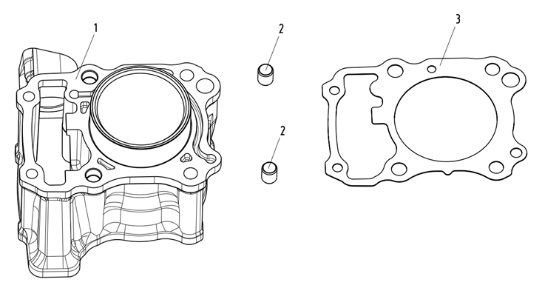
E06-01 | 120020507-0001 | BODY SET,CYLINDER | 1 | PCS | B
E06-02 | 120050121-0001 | GASKET,CYLINDER | 1 | PCS | A
E06-03 | 380600060-0001 | PIN,DOWEL | 2 | PCS | C
E07 CRANKSHAFT AND CONNECTING ROD SET
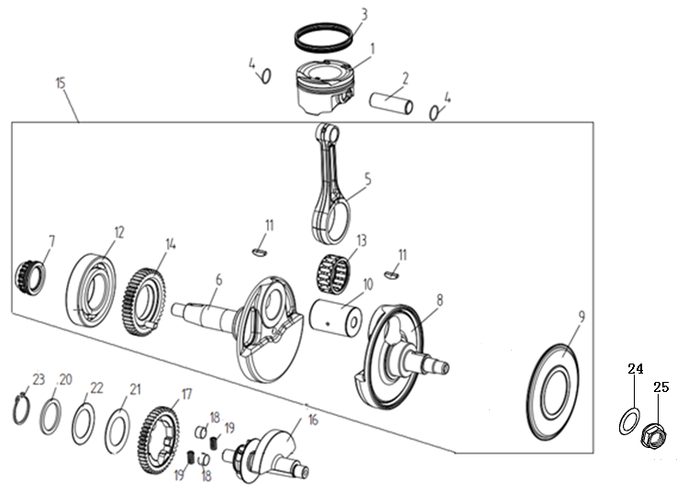
E07-01 | 130030378-0001 | PISTON COMP. | 1 | PCS | A
E07-02 | 130060097-0001 | PIN,PISTON | 1 | PCS | B
E07-03 | 130070288-0001 | RING SET,PISTON | 1 | SET | A
E07-04 | 380560021-0001 | CHECK RING,STEEL CABLE BAFFLE | 2 | PCS | C
E07-05 | 130150195-0001 | ROD COMP.,CONNECTING | 1 | PCS | C
E07-06 | 130210191-0001 | CRANK COMP.,LEFT | 1 | PCS | C
E07-07 | 130230078-0001 | SPROCKET,TIMING DRIVE | 1 | PCS | C
E07-08 | 130260222-0001 | CRANK COMP.,RIGHT | 1 | PCS | C
E07-09 | 130270010-0001 | COVERING,RIGHT CRANK SIDE | 1 | PCS | C
E07-10 | 130350053-0001 | PIN,CRANK | 1 | PCS | C
...
E07-17 | 130480037-0001 | GEAR,BALANCING ARBOR DRIVEN | 1 | PCS | C
E07-18 | 130520009-0001 | BUSH,BALANCING ARBOR DRIVEN GEAR CUSHION | 2 | PCS | C
E07-19 | 381150706-0001 | SPRING,COMPRESSION | 2 | PCS | B
E07-20 | 380451274-0001 | WASHER,PLAIN | 1 | PCS | C
E07-21 | 380451275-0001 | WASHER,PLAIN | 1 | PCS | C
E07-22 | 380480047-0001 | WASHER,SAUCER | 1 | PCS | C
E07-23 | 380550238-0001 | CHECK RING,ELASTIC | 1 | PCS | B
E07-24 | 380450259-0001 | WASHER,PLAIN | 1 | PCS | C
E07-25 | 380370024-0001 | NUT,HEXAGON FLANGE | 1 | PCS | C
E08 AIR INTAKE AND EXHAUST MECHANISM
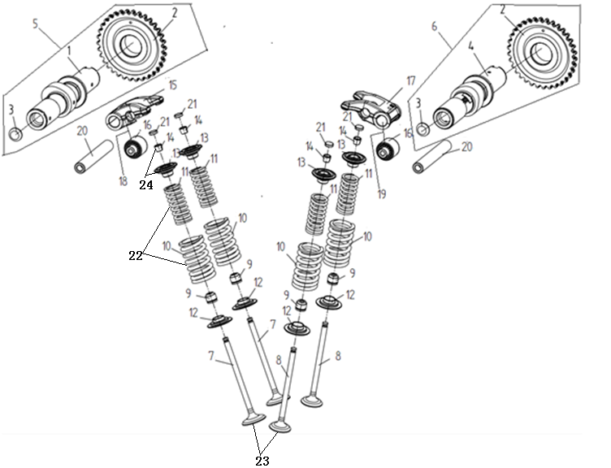
E08-01 | 140030171-0001 | CAMSHAFT COMP. | 1 | PCS | B
E08-02 | 140580069-0001 | SPROCKET,TIMING DRIVEN | 1 | PCS | B
E08-03 | 381000392-0001 | STOPPER | 1 | PCS | C
E08-04 | 140030230-0001 | CAMSHAFT COMP. | 1 | PCS | B
E08-05 | 140020219-0001 | CAMSHAFT ASSY. | 1 | SET | B
E08-06 | 140020220-0001 | CAMSHAFT ASSY. | 1 | SET | B
E08-07 | 140300123-0001 | VALVE,INLET | 2 | PCS | A
E08-08 | 140310124-0001 | VALVE,EXHAUST | 2 | PCS | A
E08-09 | 140400018-0001 | SHIELD,OIL | 4 | PCS | A
E08-10 | 140350042-0001 | SPRING,VALVE(OUTER) | 4 | PCS | C
...
E08-16 | 380630484-0001 | BEARING | 2 | PCS | B
E08-17 | 140460087-0001 | ARM COMP.,VALVE ROCKER | 1 | PCS | B
E08-18 | 140450102-0001 | ARM ASSY.,VALVE ROCKER | 1 | PCS | B
E08-19 | 140450103-0001 | ARM ASSY.,VALVE ROCKER | 1 | PCS | B
E08-20 | 140510081-0001 | SHAFT,VALVE ROCKER ARM | 2 | PCS | B
E08-21 | 502120002-0001 | ADJUSTING SHIM,VALVE KIT | 4 | SET | C
E08-22 | 140330017-0001 | SPRING SET,VALVE | 4 | PCS | C
E08-23 | 500550116-0001 | VALVE KIT | 2 | SET | C
E08-24 | 500730016-0001 | CLIP & VALVE SPRING SEAT KIT | 2 | SET | C
E09 CHAIN TENSIONER DEVICE
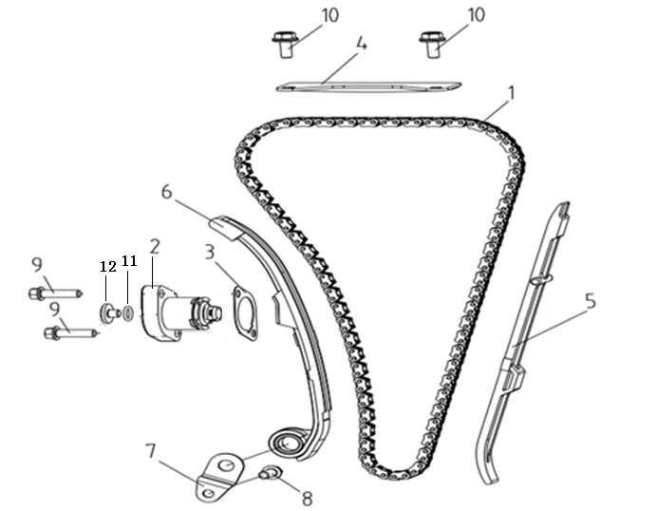
E09-01 | 140610046-0001 | CHAIN,TIMING | 1 | PCS | A
E09-02 | 140750048-0001 | TENSIONER ASSY.,CAM CHAIN | 1 | PCS | B
E09-03 | 140830008-0001 | GASKET,CAM CHAIN TENSIONER | 1 | PCS | B
E09-04 | 140660009-0001 | PLATE,TIMING CHAIN LIMIT | 1 | PCS | C
E09-05 | 141000050-0001 | GUIDE PLATE,CHAIN | 1 | PCS | B
E09-06 | 140910024-0001 | PLATE,TENSION | 1 | PCS | B
E09-07 | 141190001-0001 | PLATE,ADJUSTMENT PANEL PRESSURE | 1 | PCS | C
E09-08 | 380140129-0003 | BOLT,HEXAGON FLANGE | 1 | PCS | C
E09-09 | 380140021-0006 | BOLT,HEXAGON FLANGE | 2 | PCS | C
E09-10 | 380140209-0001 | BOLT,HEXAGON FLANGE | 2 | PCS | C
E09-11 | 380841008-0001 | RING,SEAL | 1 | PCS | B
E09-12 | 141370008-0001 | BOLT,TENSIONER | 1 | PCS | C
E10 LUBRICATION SYSTEM
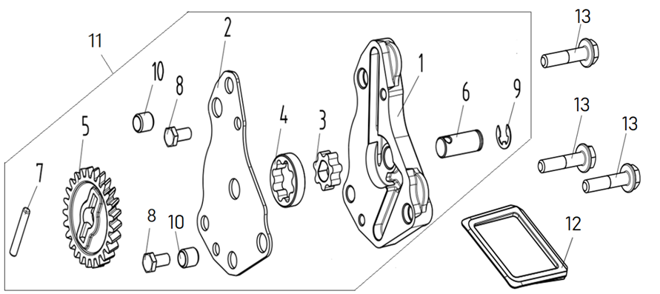
E10-01 | 150020050-0001 | BODY,OIL PUMP BASE | 1 | PCS | C
E10-02 | 150040064-0001 | CAP,OIL PUMP | 1 | PCS | C
E10-03 | 150050017-0001 | ROTOR,INNER | 1 | PCS | C
E10-04 | 150060016-0001 | ROTOR,OUTER | 1 | PCS | C
E10-05 | 150070072-0001 | SPROCKET,OIL PUMP DRIVEN | 1 | PCS | B
E10-06 | 150080026-0001 | SHAFT,OIL PUMP TRANSMISSION | 1 | PCS | C
E10-07 | 380600137-0001 | PIN,DOWEL | 1 | PCS | C
E10-08 | 380070048-0002 | BOLT,HEXAGON | 2 | PCS | C
E10-09 | 380570001-0002 | SPLIT WASHER | 1 | PCS | C
E10-10 | 380600057-0001 | PIN,DOWEL | 2 | PCS | C
E10-11 | 150010135-0001 | PUMP ASSY.,OIL | 1 | SET | C
E10-12 | 150290046-0001 | SCREEN,OIL STRAINER | 1 | PCS | A
E10-13 | 380140100-0003 | BOLT,HEXAGON FLANGE | 3 | PCS | C
E11 COOLING SYSTEM
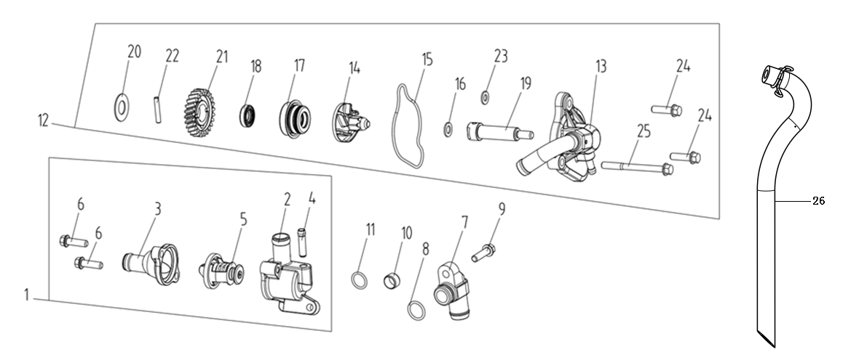
E11-01 | 160110071-0001 | THERMOSTAT COMP. | 1 | PCS | A
E11-02 | 160120017-0001 | CASE,THERMOSTAT | 1 | PCS | C
E11-03 | 160130031-0001 | COVER,THERMOSTAT | 1 | PCS | B
E11-04 | 380780293-0001 | JOINT,CONNECTING | 1 | PCS | C
E11-05 | 160140017-0001 | VALVE,THERMOSTATIC | 1 | PCS | A
E11-06 | 380140015-0006 | BOLT,HEXAGON FLANGE | 2 | PCS | C
E11-07 | 160160013-0003 | COOLING CONNECTOR | 1 | PCS | B
E11-08 | 380841267-0001 | RING,SEAL | 1 | PCS | B
E11-09 | 380140021-0006 | BOLT,HEXAGON FLANGE | 1 | PCS | C
E11-10 | 380823846-0001 | COLLAR | 1 | PCS | C
...
E11-18 | 380650820-0001 | OIL SEAL | 1 | PCS | B
E11-19 | 160410044-0001 | SHAFT,COOLING PUMP | 1 | PCS | B
E11-20 | 380451278-0001 | WASHER,PLAIN | 1 | PCS | C
E11-21 | 160450011-0001 | GEAR,COOLING PUMP DRIVEN | 1 | PCS | B
E11-22 | 380600137-0001 | PIN,DOWEL | 1 | PCS | C
E11-23 | 380450391-0001 | WASHER,PLAIN | 1 | PCS | C
E11-24 | 380140021-0006 | BOLT,HEXAGON FLANGE | 2 | PCS | C
E11-25 | 380140057-0005 | BOLT,HEXAGON FLANGE | 1 | PCS | C
E11-26 | 380760621-0001 | TUBE,WATER | 1 | PCS | B
E12 GENERATOR ASSY.
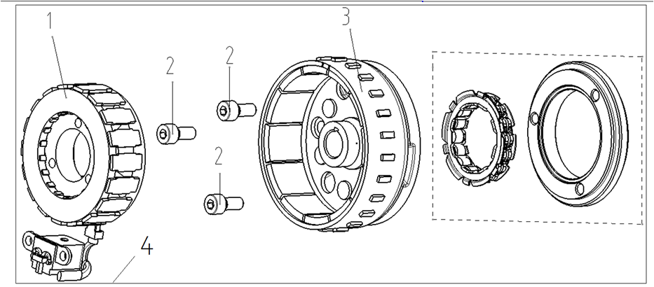
E12-01 | 27010 | STATOR COMP. | 1 | SET | B
E12-02 | 380190513-0001 | SCREW,HEXAGON SOCKET | 3 | PCS | C
E12-03 | 270020670-0001 | ROTOR COMP. | 1 | SET | C
E12-04 | 270010533-0001 | GENERATOR ASSY. | 1 | SET | B
E13 STARTING MECHANISM
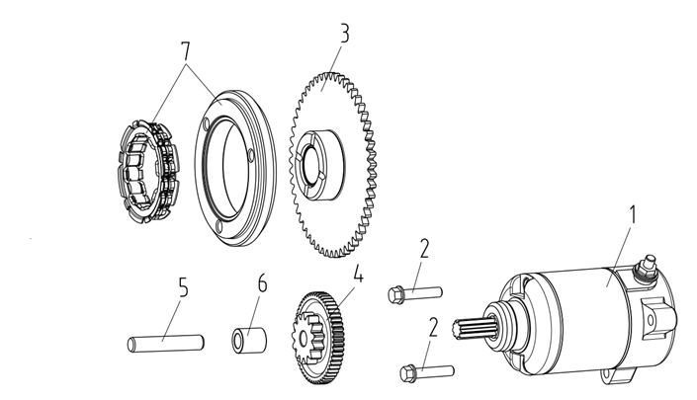
E13-01 | 270350128-0002 | MOTOR ASSY.,STARTING | 1 | SET | B
E13-02 | 380140017-0005 | BOLT,HEXAGON FLANGE | 2 | PCS | C
E13-03 | 193240056-0001 | DISK GEAR | 1 | PCS | C
E13-04 | 193190056-0001 | DUPLEX GEAR,ELECTRIC STARTING | 1 | PCS | C
E13-05 | 193230035-0001 | SHAFT,DUPLEX GEAR | 1 | PCS | C
E13-06 | 380823850-0001 | COLLAR | 1 | PCS | C
E13-07 | 193090047-0001 | BODY ASSY.,STARTING CLUTCH | 1 | PCS | B
E14 CLUTCH ASSY.
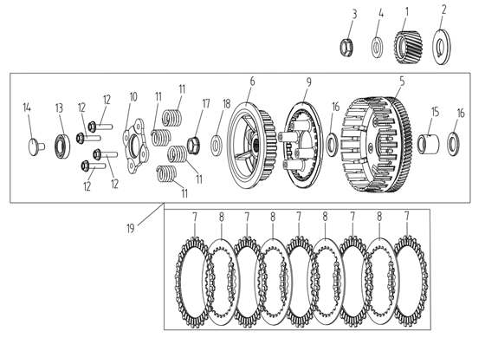
E14-01 | 190030088-0001 | GEAR,PRIMARY DRIVING | 1 | PCS | B
E14-02 | 380451277-0001 | WASHER,PLAIN | 1 | PCS | C
E14-03 | 380370084-0001 | NUT,HEXAGON FLANGE | 1 | PCS | C
E14-04 | 380450263-0001 | WASHER,PLAIN | 1 | PCS | C
E14-05 | 190330126-0001 | OUTER COMP.,CLUTCH | 1 | PCS | B
E14-06 | 190410054-0001 | BODY,CLUTCH CENTER COMP | 1 | PCS | C
E14-07 | 190430066-0003 | FRICTION PLATE，DRIVE | 5 | PCS | A
E14-08 | 190460064-0001 | FRICTION PLATE，DRIVEN | 4 | PCS | A
E14-09 | 190470113-0001 | PLATE,CLUTCH PRESSURE | 1 | PCS | B
E14-10 | 190480034-0001 | PLATE,CLUTCH LIFTER | 1 | PCS | B
E14-11 | 190550080-0001 | SPRING,CLUTCH | 4 | PCS | B
E14-12 | 380140318-0002 | BOLT,HEXAGON FLANGE | 4 | PCS | C
E14-13 | 380630674-0001 | BEARING | 1 | PCS | B
E14-14 | 190700032-0001 | EJECT-ROD | 1 | PCS | C
E14-15 | 380823847-0001 | COLLAR | 1 | PCS | C
E14-16 | 380451276-0001 | WASHER,PLAIN | 2 | PCS | C
E14-17 | 380370084-0001 | NUT,HEXAGON FLANGE | 1 | PCS | C
E14-18 | 380450263-0001 | WASHER,PLAIN | 1 | PCS | C
E14-19 | 500280409-0003 | CLUTCH KIT | 1 | SET | B
E15 MAINSHAF
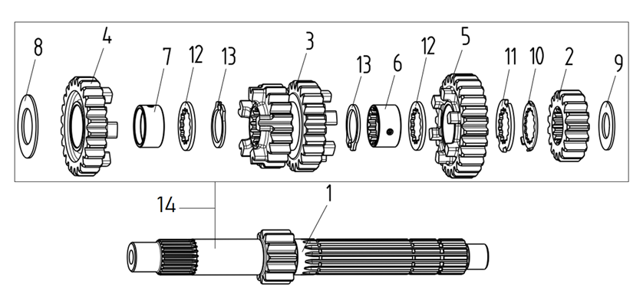
E15-01 | 191260116-0001 | MAINSHAFT | 1 | PCS | C
E15-02 | 191280059-0001 | GEAR,MAINSHAFT SECOND | 1 | PCS | C
E15-03 | 191290059-0001 | GEAR,MAINSHAFT THIRD | 1 | PCS | C
E15-04 | 191330042-0001 | GEAR,MAINSHAFT FIFTH | 1 | PCS | C
E15-05 | 191340011-0001 | GEAR,MAINSHAFT SIXTH | 1 | PCS | C
E15-06 | 380823851-0001 | COLLAR | 1 | PCS | C
E15-07 | 380823852-0001 | COLLAR | 1 | PCS | C
E15-08 | 380540032-0001 | CHECK RING,SHOULDER | 1 | PCS | C
E15-09 | 380540179-0001 | CHECK RING,SHOULDER | 1 | PCS | C
E15-10 | 380470140-0001 | WASHER,FLANGE | 1 | PCS | C
E15-11 | 380500073-0001 | WASHER,SPLINE | 1 | PCS | C
E15-12 | 380500074-0001 | WASHER,SPLINE | 2 | PCS | C
E15-13 | 380550018-0001 | CHECK RING,ELASTIC | 2 | PCS | B
E15-14 | 191250224-0001 | MAINSHAFT COMP. | 1 | SET | B
E16 COUNTERSHAFT COMP.
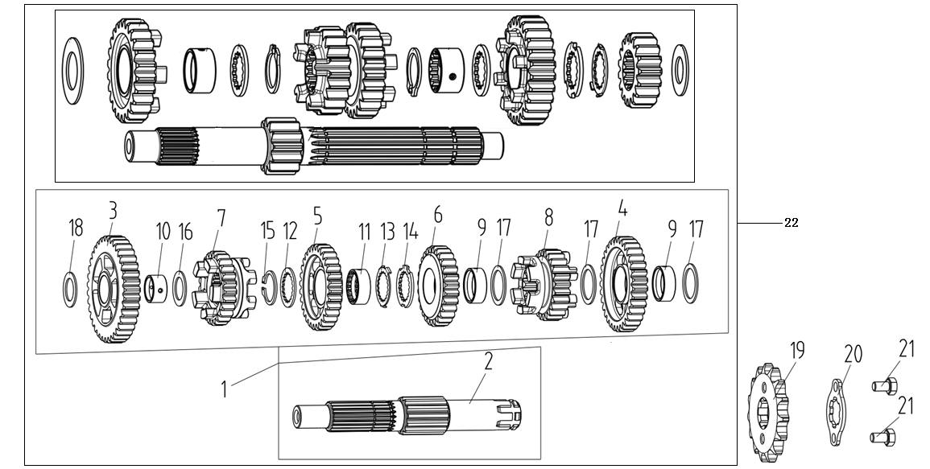
E16-01 | 191390355-0001 | COUNTERSHAFT COMP. | 1 | SET | B
E16-02 | 191400180-0001 | COUNTERSHAFT | 1 | PCS | C
E16-03 | 191420069-0001 | GEAR,COUNTERSHAFT FIRST | 1 | PCS | C
E16-04 | 191440062-0001 | GEAR,COUNTERSHAFT SECOND | 1 | PCS | C
E16-05 | 191460066-0001 | GEAR,COUNTERSHAFT THIRD | 1 | PCS | C
E16-06 | 191480061-0001 | GEAR,COUNTERSHAFT FOURTH | 1 | PCS | C
E16-07 | 191500043-0001 | GEAR,COUNTERSHAFT FIFTH | 1 | PCS | C
E16-08 | 191520011-0001 | GEAR,COUNTERSHAFT SIXTH | 1 | PCS | C
E16-09 | 380823853-0001 | COLLAR | 2 | PCS | C
E16-10 | 380823854-0001 | COLLAR | 1 | PCS | C
...
E16-14 | 380500076-0001 | WASHER,SPLINE | 1 | PCS | C
E16-15 | 380550010-0001 | CHECK RING,ELASTIC | 1 | PCS | B
E16-16 | 380540093-0001 | CHECK RING,SHOULDER | 1 | PCS | C
E16-17 | 380540079-0001 | CHECK RING,SHOULDER | 3 | PCS | C
E16-18 | 380540198-0001 | CHECK RING,SHOULDER | 1 | PCS | C
E16-19 | 191600066-0001 | SPROCKET,COUNTERSHAFT DRIVING | 1 | PCS | A
E16-20 | 191610012-0001 | PLATE,COUNTERSHAFT DRIVING SPROCKET FIXING | 1 | PCS | B
E16-21 | 380070141-0001 | BOLT,HEXAGON | 2 | PCS | C
E16-22 | 500290539-0001 | MAINSHAFT&COUNTERSHAFT KIT | 1 | SET | B
E17 SPEED CONTROL MECHANISM
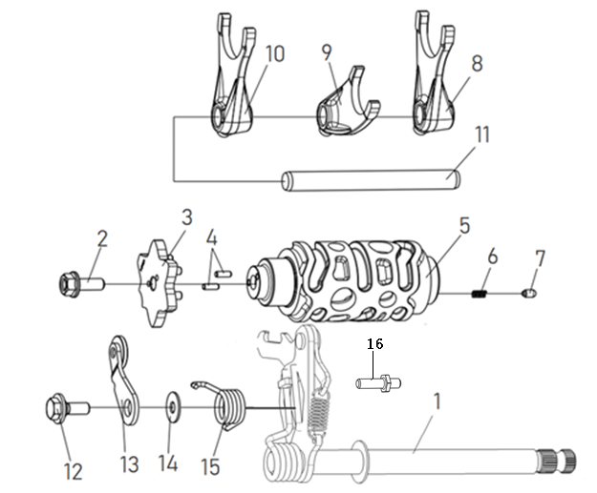
E17-01 | 192320151-0002 | ARM COMP.,GEAR CHANGE | 1 | SET | B
E17-02 | 270720001-0001 | SHIFT CONTACT,GEAR INDICATOR SWITCH | 1 | PCS | C
E17-03 | 192100040-0001 | PLATE,DRUM STOPPER | 1 | PCS | C
E17-04 | 380600063-0001 | PIN,DOWEL | 2 | PCS | C
E17-05 | 192080104-0001 | DRUM COMP.,GEAR SHIFT | 1 | PCS | C
E17-06 | 381150005-0001 | SPRING,COMPRESSION | 1 | PCS | B
E17-07 | 270720001-0001 | SHIFT CONTACT,GEAR INDICATOR SWITCH | 1 | PCS | C
E17-08 | 192120137-0001 | FORK,GEAR SHIFT | 1 | PCS | C
E17-09 | 192120138-0001 | FORK,GEAR SHIFT | 1 | PCS | C
E17-10 | 192120139-0001 | FORK,GEAR SHIFT | 1 | PCS | C
...

