LX125T-41AI
LX125T-41AI EURO V+
Special instructions:In this part catalog title bar ，If with a“NOT FOR SERVICE”words ， This part can't be purchased ，Please select the part of the assembly or combination
Ref.No. | PLM CODE | UNIT | WEAR & TEAR GRADE | QTY/UNIT | picture | REMARK
1 | LS411DI001CKV01HGZ | SET |  | 1
2 | LS411DI001CKV01RGZ | SET |  | 1
3 | LS411DI001KMI01HGZ | SET |  | 1
4 | LS411DI001KMI01RGZ | SET |  | 1
6 | LS411DI002CKV01HGZ | SET |  | 1
7 | LS411DI002CKV01RGZ | SET |  | 1
F01 FRAME ASSY

F01-1 | 380140067-0013 | PCS | C | 16
F01-2 | 270860095-0001 | PCS | C | 1
F01-3 | 370410506-0001 | PCS | C | 1
F01-4 | 380580118-0001 | PCS | C | 2
F01-5 | 304340010-0001 | PCS | C | 1
F01-6 | 380910009-0001 | PCS | C | 4
F01-7 | 301550023-0001 | PCS | B | 1
F01-8 | 311880413-0001 | PCS | B | 1
F01-9 | 380340010-0011 | PCS | C | 1
F01-10 | 380020218-0001 | PCS | C | 1
F01-11 | 311870091-0001 | SET | B | 1
F01-12 | 381140806-0001 | PCS | B | 1
F01-13 | 340770055-0001 | PCS | B | 1
F01-14 | 306050008-0001 | PCS | C | 1
F01-15 | 306050009-0001 | PCS | C | 1
F01-16 | 300121513-0001 | PCS | C | 1
F01-16 | 500690461-0001 | SET | C | 1
F01-17 | 342050023-0001 | PCS | C | 1
F01-18 | 342050024-0001 | PCS | C | 1
F01-19 | 331810022-0001 | PCS | C | 1
F01-20 | 270860078-0001 | PCS | C | 1
F01-21 | 271140253-0001 | PCS | C | 1
F01-22 | 181930054-0001 | PCS | C | 1
F01-23 | 300331104-0001 | PCS | C | 1
F01-24 | 380140013-0013 | PCS | C | 3
F01-25 | 310370025-0001 | PCS | B | 1
F01-26 | 310380021-0001 | PCS | B | 1
F02 STEP ASSY

F02-1 | 301040025-0001 | PCS | C | 1
F02-2 | 301050017-0001 | PCS | C | 1
F02-3 | 380140013-0013 | PCS | C | 4
F03 STEP ASSY.,LEFT PILLION/STEP ASSY.,RIGHT PILLION

F03-1 | 312150185-0001 | SET | B | 1
F03-2 | 380140093-0008 | PCS | C | 4
F03-3 | 380190479-0003 | PCS | C | 2
F03-4 | 312160195-0001 | SET | B | 1
F03-5 | 380140158-0001 | PCS | C | 2
F03-6 | 291440041-0001 | PCS | B | 2
F03-7 | 330570092-0001 | PCS | C | 1
F03-8 | 330580086-0001 | PCS | C | 1
F03-9 | 330640771-0001 | PCS | C | 1 |  | Optional accessories
F04 ENGINE COMP.

F04-1 | F1603I0002-0Q05002 | SET | D | 1
F04-2 | 301760008-0001 | PCS | C | 1
F04-3 | 301760009-0001 | PCS | C | 1
F04-4 | 380140013-0013 | PCS | C | 2
F04-5 | 380140067-0013 | PCS | C | 8
F04-6 | 301760005-0001 | PCS | C | 1
F04-7 | 270970036-0001 | PCS | C | 1
F04-8 | 380590003-0007 | PCS | C | 1
F04-9 | 380450006-0011 | PCS | C | 1
F04-10 | 311970506-0001 | PCS | C | 1
F04-11 | 380871141-0001 | PCS | C | 1
F04-12 | 381140808-0001 | PCS | B | 1
F04-13 | 311990060-0001 | PCS | B | 1
F04-14 | 303720013-0001 | PCS | C | 1
F04-15 | 380890174-0001 | PCS | C | 1
F04-16 | 160310087-0001 | PCS | B | 1
F04-17 | 160500032-0001 | PCS | B | 1
F04-18 | 380760599-0001 | PCS | B | 1
F04-19 | 380950459-0002 | PCS | C | 3
F04-20 | 380760600-0001 | PCS | B | 1
F05 AIR CLEANER COMP.

F05-1 | 380190477-0005 | PCS | C | 1
F05-2 | 380420017-0004 | PCS | C | 1
F05-3 | 180100154-0001 | PCS | A | 1
F05-4 | 180021258-0001 | PCS | C | 1
F05-5 | 380140100-0011 | PCS | C | 2
F06 EXHAUST MUFFLER

F06-1 | 380310215-0001 | PCS | C | 2
F06-2 | 380190005-0013 | PCS | C | 1
F06-3 | 181600111-0001 | PCS | C | 1
F06-4 | 380450010-0005 | PCS | C | 4
F06-5 | 380460021-0001 | PCS | C | 3
F06-6 | 380190479-0003 | PCS | C | 3
F06-7 | 180770233-0001 | PCS | B | 1
F06-8 | 180960325-0001 | PCS | B | 1
F06-9 | 381790002-0001 | PCS | C | 2
F06-10 | 380470165-0001 | PCS | C | 3
F06-11 | 380880106-0001 | PCS | C | 6
F06-12 | 180560532-0001 | SET | B | 1 |  | E5+
F06-13 | 180650149-0001 | PCS | A | 1
F06-14 | 380330025-0002 | PCS | C | 2
F06-15 | 172750063-0001 | PCS | B | 1 |  | E5+
F06-16 | 380450019-0009 | PCS | C | 3
F06-17 | 380140098-0004 | PCS | C | 3
F06-18 | 172750065-0001 | PCS | B | 1 |  | E5+
F07 STEERING STEM SECTION

F07-1 | 310260001-0003 | PCS | C | 1
F07-2 | 310290001-0003 | PCS | C | 1
F07-3 | 310270001-0003 | PCS | C | 1
F07-4 | 380451526-0001 | PCS | C | 1
F07-5 | 310390026-0001 | PCS | B | 1
F07-6 | 310410032-0001 | SET | B | 1
F07-7 | 310370025-0001 | PCS | B | 1
F07-8 | 310380021-0001 | PCS | B | 1
F07-9 | 310430017-0001 | SET | B | 1
F07-10 | 380140196-0008 | PCS | C | 4
F07-11 | 310320001-0001 | PCS | C | 1
F07-12 | 310400025-0001 | PCS | B | 1
F07-13 | 501870037-0001 | SET | C | 1
F07-14 | 310300001-0001 | PCS | C | 1
F08

F08-1 | 320180302-0001 | PCS | A | 1
F08-2 | 271390614-0001 | SET | B | 1
F08-3 | 380190585-0001 | PCS | C | 4
F08-4 | 271590624-0001 | SET | B | 1
F08-5 | 271650037-0001 | PCS | B | 1
F08-7 | 320190295-0001 | PCS | A | 1
F08-8 | 320020524-0001 | PCS | C | 1
F08-9 | 320120044-0002 | PCS | B | 2
F08-10 | 320050150-0001 | PCS | C | 1
F08-11 | 380140711-0002 | PCS | C | 1
F08-12 | 310280013-0001 | PCS | C | 1
F08-13 | 380400042-0002 | PCS | C | 1
F08-14 | 320850023-0001 | PCS | C | 2
F08-15 | 380190082-0005 | PCS | C | 2
F08-16 | 171210817-0001 | PCS | A | 1
F08-17 | 171210818-0001 | PCS | A | 1
F08-18 | 380190030-0009 | PCS | C | 4
F08-19 | 310200126-0001 | PCS | B | 1
F08-20 | 310210072-0001 | PCS | B | 1
F08-21 | 380400001-0009 | PCS | C | 2
F08-22 | 341740010-0001 | PCS | C | 1
F08-23 | 341620024-0001 | SET | B | 1
F08-24 | 380310215-0001 | PCS | C | 2
F08-25 | 380420001-0006 | PCS | C | 2
F08-26 | 360500485-0001 | PCS | A | 1
F08-27 | 360530483-0001 | PCS | A | 1
F09 FRONT SHOCK ABSORBER

F09-1 | 380451468-0001 | PCS | C | 4
F09-2 | 380400002-0008 | PCS | C | 2
F09-3 | 310790622-0001 | PCS | B | 2
F09-4 | 380140093-0008 | PCS | C | 2
F09-5 | 380190710-0001 | PCS | C | 2
F09-6 | 280050072-0001 | PCS | C | 1
F09-7 | 380470127-0003 | PCS | C | 2
F09-8 | 380370003-0014 | PCS | C | 2
F09-9 | 292270059-0001 | PCS | C | 1
F09-10 | 380190478-0004 | PCS | C | 1
F09-11 | 280010031-0002 | PCS | B | 1
F09-12 | 310450764-0001 | PCS | B | 1
...
F25-1 | 330011330-0001 | PCS | B | 1
F25-2 | 380370003-0014 | PCS | C | 2
F25-3 | 330120364-0001 | PCS | C | 2
F25-4 | 380900297-0001 | PCS | C | 2
F-26 ACCESSORIES TOOL
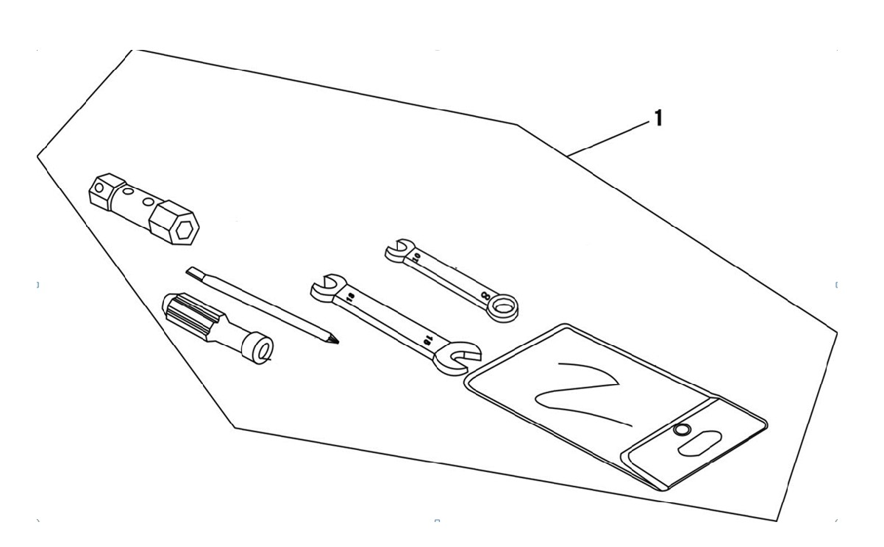

F26-1 | 360010007-0001 | SET | D | 1

KS125 engine
REF.No | PLM CODE | PARTS NAME | PICTURE | REMARK
E1 | F1603I0002-0Q05002 | ENGINE
E01 CRANKCASE COMP.,LEFT
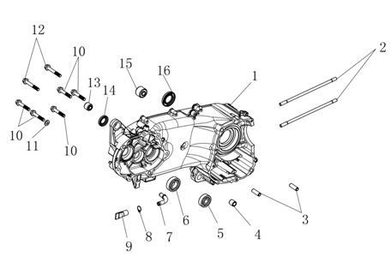
E01-01 | 110030549-0001 | BODY SET,LEFT CRANKCASE |  | NOT FOR SERVICE
E01-02 | 110240086-0001 | BOLT,STUD A
E01-03 | 380600261-0001 | PIN,DOWEL
E01-04 | 380823661-0001 | COLLAR
E01-05 | 380630614-0001 | BEARING
E01-06 | 380630630-0001 | BEARING
E01-07 | 380780273-0001 | JOINT,CONNECTING
E01-08 | 380950498-0001 | CLAMP,WIRE
E01-09 | 380760418-0001 | TUBE,WATER
E01-10 | 380140738-0001 | BOLT,HEXAGON FLANGE
E01-11 | 380450305-0001 | WASHER,PLAIN
E01-12 | 380140315-0002 | BOLT,HEXAGON FLANGE
E01-13 | 110290009-0001 | COLLAR,CUSHIO
E01-14 | 380650210-0001 | OIL SEAL
E01-15 | 110290008-0001 | COLLAR,CUSHIO
E01-16 | 380650758-0001 | OIL SEAL
E02 CRANKCASE COMP.,RIGHT
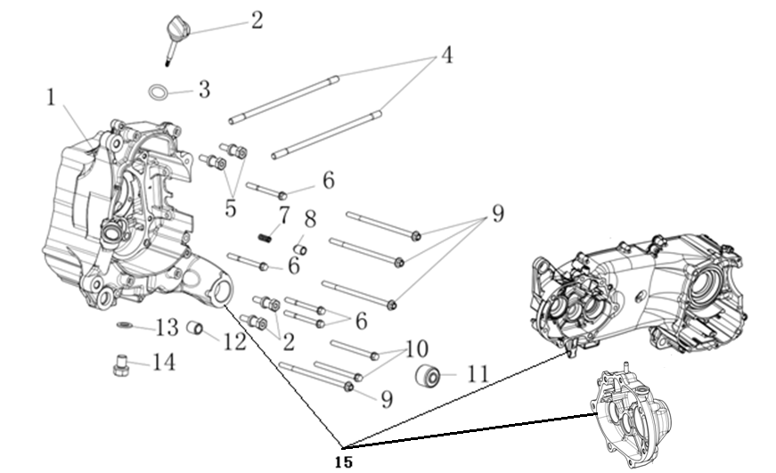
E02-01 | 110080381-0001 | BODY SET,RIGHT CRANKCASE |  | NOT FOR SERVICE
E02-02 | 110700169-0001 | GAUGE COMP.,OIL LEVEL
E02-03 | 380840006-0001 | RING,SEAL
E02-04 | 110250057-0001 | BOLT,STUD B
E02-05 | 141360003-0001 | BOLT,LOCATING POST
E02-06 | 380140057-0005 | BOLT,HEXAGON FLANGE
E02-07 | 381150685-0001 | SPRING,COMPRESSION
E02-08 | 110350006-0001 | PRESSING PIN COMP.
E02-09 | 380140394-0003 | BOLT,HEXAGON FLANGE
E02-10 | 380140059-0005 | BOLT,HEXAGON FLANGE
E02-11 | 110290008-0001 | COLLAR,CUSHIO
E02-12 | 380823661-0001 | COLLAR
E02-13 | 380450018-0003 | WASHER,PLAIN
E02-14 | 110260069-0001 | SCREW PLUG,SEAL
E02-15 | 500270476-0001 | CRANKCASE KIT
E03 TRANSMISSION CASE COMP.
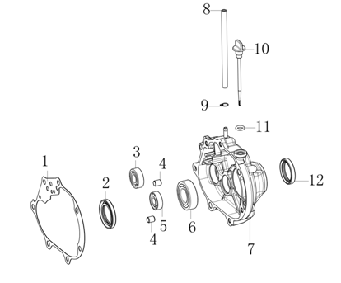
E03-01 | 110200021-0001 | GASKET,TRANSMISSION CASE
E03-02 | 380650307-0001 | OIL SEAL
E03-03 | 380630543-0001 | BEARING
E03-04 | 380600060-0001 | PIN,DOWEL
E03-05 | 380630578-0001 | BEARING
E03-06 | 380630664-0001 | BEARING
E03-07 | 110180029-0001 | BODY SET,TRANSMISSION CASE |  | NOT FOR SERVICE
E03-08 | 380741579-0001 | TUBE,BREATHER
E03-09 | 380950497-0001 | CLAMP,TUBE
E03-10 | 110700154-0001 | GAUGE COMP.,OIL LEVEL
E03-11 | 380840381-0001 | RING,SEAL
E03-12 | 380650829-0001 | OIL SEAL
E04 LEFT CRANKCASE COVER
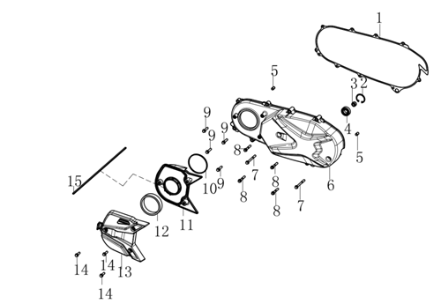
E04-01 | 110390040-0001 | GASKET,LEFT CRANKCASE COVER
E04-02 | 380550100-0001 | CHECK RING,ELASTIC
E04-03 | 380823681-0001 | COLLAR
E04-04 | 380630617-0001 | BEARING
E04-05 | 380600002-0001 | PIN,DOWEL
E04-06 | 110380212-0002 | COVER COMP.,LEFT CRANKCASE
E04-07 | 380140057-0005 | BOLT,HEXAGON FLANGE
E04-08 | 380140019-0006 | BOLT,HEXAGON FLANGE
E04-09 | 380140017-0005 | BOLT,HEXAGON FLANGE
E04-10 | 380841339-0001 | RING,SEAL
E04-11 | 111060003-0001 | COVER,BREATHER GROOVE INSIDE
E04-12 | 111080003-0001 | STRAINER,BREATHER GROOVE
E04-13 | 111070008-0001 | COVER,BREATHER GROOVE OUTSIDE
E04-14 | 380140021-0006 | BOLT,HEXAGON FLANGE
E04-15 | 662480007-0001 | SEAL STRIP
E05 RIGHT CRANKCASE COVER
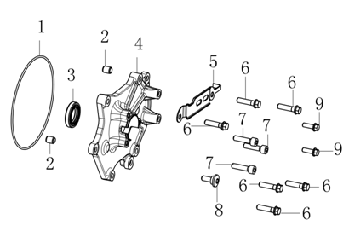
E05-01 | 380841182-0001 | RING,SEAL
E05-02 | 380600057-0001 | PIN,DOWEL
E05-03 | 380650887-0001 | OIL SEAL
E05-04 | 110600862-0001 | COVER COMP.,RIGHT CRANKCASE
E05-05 | 110480050-0001 | DISC,TENSION
E05-06 | 380140016-0005 | BOLT,HEXAGON FLANGE
E05-07 | 380190159-0003 | SCREW,HEXAGON SOCKET
E05-08 | 380120026-0001 | BOLT,HEXAGON SOCKET RAISED FACE CHEESE HEAD WITH SHOULDER
E05-09 | 380140047-0004 | BOLT,HEXAGON FLANGE
E06 CYLINDER
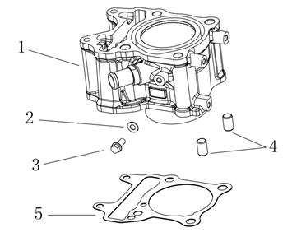
E06-01 | 120020511-0001 | BODY SET,CYLINDER
E06-02 | 380450391-0001 | WASHER,PLAIN
E06-03 | 380140129-0003 | BOLT,HEXAGON FLANGE
E06-04 | 380600006-0001 | PIN,DOWEL
E06-05 | 120050115-0001 | GASKET,CYLINDER
E07 CYLINDER HEAD COVER
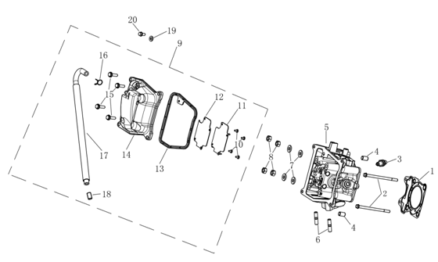
E07-01 | 120150304-0001 | GASKET,CYLINDER HEAD
E07-02 | 380140012-0006 | BOLT,HEXAGON FLANGE
E07-03 | 270960068-0001 | PLUG,SPARK
E07-04 | 380600006-0001 | PIN,DOWEL
E07-05 | 120081133-0001 | HEAD COMP.,CYLINDER
E07-06 | 380180006-0003 | STUD
E07-07 | 380450052-0001 | WASHER,PLAIN
E07-08 | 380340005-0005 | NUT,HEXAGON HEAD
E07-09 | 120220101-0001 | COVER COMP.,CYLINDER HEAD |  | NOT FOR SERVICE
E07-10 | 380310104-0001 | SCREW,CROSS RECESSED PAN SELF-TAPPING
...
E07-12 | 120660008-0001 | GASKET,OIL SEPARATING PLATE
E07-13 | 380841303-0001 | RING,SEAL
E07-14 | 120230204-0001 | COVER COMP.,CYLINDER HEAD
E07-15 | 380140021-0006 | BOLT,HEXAGON FLANGE
E07-16 | 380950486-0001 | CLAMP,TUBE
E07-17 | 110270044-0001 | TUBE ASSY.,BREATHER
E07-18 | 380770334-0001 | GAUGE COMP.,OIL LEVEL |  | NOT FOR SERVICE
E07-19 | 380450053-0001 | WASHER,PLAIN
E07-20 | 380140026-0006 | BOLT,HEXAGON FLANGE
E08 AIR INTAKE AND EXHAUST MECHANISM
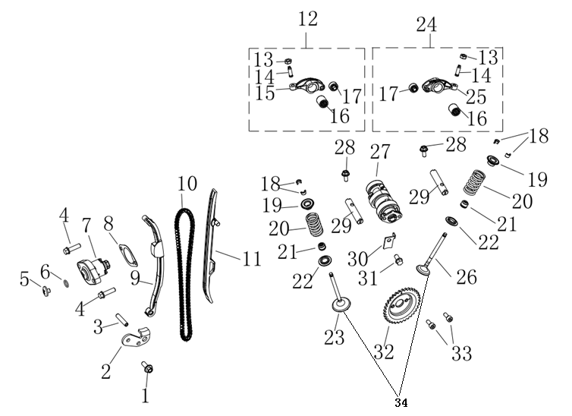
E08-01 | 380140002-0006 | BOLT,HEXAGON FLANGE
E08-02 | 140660010-0001 | PLATE,TIMING CHAIN LIMIT
E08-03 | 380600260-0001 | PIN,DOWEL
E08-04 | 380140021-0006 | BOLT,HEXAGON FLANGE
E08-05 | 141370008-0001 | BOLT,TENSIONER
E08-06 | 380841008-0001 | RING,SEAL
E08-07 | 140750010-0001 | TENSIONER ASSY.,CAM
E08-08 | 140830008-0001 | GASKET,CAM CHAIN
E08-09 | 140910020-0001 | PLATE,TENSION
E08-10 | 140610018-0001 | CHAIN,TIMING
...
E08-26 | 140310115-0001 | VALVE,EXHAUST |  | NOT FOR SERVICE
E08-27 | 140020301-0001 | CAMSHAFT ASSY.
E08-28 | 380140167-0002 | BOLT,HEXAGON FLANGE
E08-29 | 140510072-0001 | SHAFT,VALVE ROCKER ARM
E08-30 | 140170011-0001 | PLATE,CAMSHAFT CORE
E08-31 | 380140026-0006 | BOLT,HEXAGON FLANGE
E08-32 | 140580060-0001 | SPROCKET,TIMING DRIVEN
E08-33 | 380190037-0006 | SCREW,HEXAGON SOCKET
E08-34 | 500550136-0001 | VALVE KIT
E09 CRANKSHAFT AND CONNECTING ROD SET
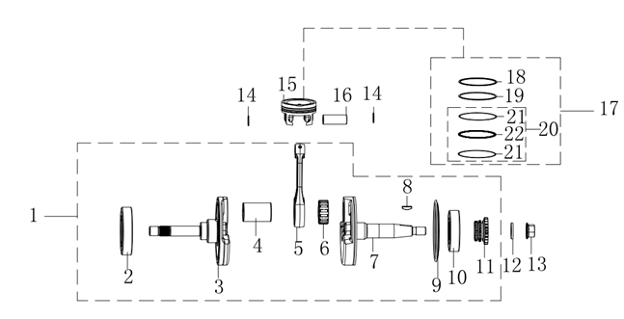
E09-01 | 130140364-0001 | CRANKSHAFT COMP.
E09-02 | 380630673-0001 | BEARING |  | NOT FOR SERVICE
E09-03 | 130210143-0001 | CRANK COMP.,LEFT |  | NOT FOR SERVICE
E09-04 | 130350047-0001 | COVERING,RIGHT CRANK SIDE |  | NOT FOR SERVICE
E09-05 | 130150154-0001 | ROD COMP.,CONNECTING |  | NOT FOR SERVICE
E09-06 | 380630620-0001 | BEARING |  | NOT FOR SERVICE
E09-07 | 130260175-0001 | CRANK COMP.,RIGHT |  | NOT FOR SERVICE
E09-08 | 380620001-0001 | KEY |  | NOT FOR SERVICE
E09-09 | 130270009-0001 | COVERING,RIGHT CRANK SIDE |  | NOT FOR SERVICE
E09-10 | 380630622-0001 | BEARING |  | NOT FOR SERVICE
...
E09-14 | 380560021-0001 | CHECK RING,STEEL CABLE BAFFLE
E09-15 | 130030379-0001 | PISTON COMP.
E09-16 | 130060099-0001 | PIN,PISTON
E09-17 | 130070333-0001 | RING SET,PISTON
E09-18 | 130080159-0001 | 1ST PISTON RING |  | NOT FOR SERVICE
E09-19 | 130090161-0001 | 2ND PISTON RING |  | NOT FOR SERVICE
E09-20 | 130110139-0001 | OIL RING COMP. |  | NOT FOR SERVICE
E09-21 | 130130123-0001 | SCRATCH RING |  | NOT FOR SERVICE
E09-07 | 130120121-0001 | LINING RING |  | NOT FOR SERVICE
E10 MAINSHAF AND COUNTERSHAFT
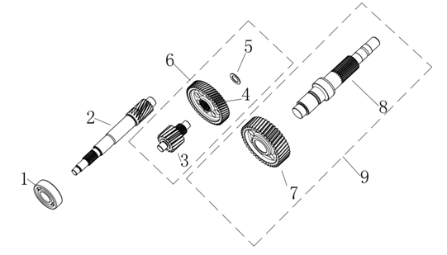
E10-01 | 380630541-0001 | BEARING
E10-02 | 193020017-0001 | MAINSHAFT,TRANSMISSION
E10-03 | 193040009-0001 | COUNTERSHAFT,TRANSMISSION |  | NOT FOR SERVICE
E10-04 | 194510009-0001 | GEAR,TRANSMISION COUNTERSHAFT |  | NOT FOR SERVICE
E10-05 | 380540178-0001 | CHECK RING,SHOULDER |  | NOT FOR SERVICE
E10-06 | 193030022-0001 | COUNTERSHAFT ASSY.,TRANSMISSION
E10-07 | 193060012-0001 | GEAR,OUTPUT SHAFT |  | NOT FOR SERVICE
E10-08 | 193050034-0001 | OUTPUT SHAFT |  | NOT FOR SERVICE
E10-09 | 195050009-0001 | OUTPUT SHAFT COMP.
E11 BELT DRIVING ASSY.
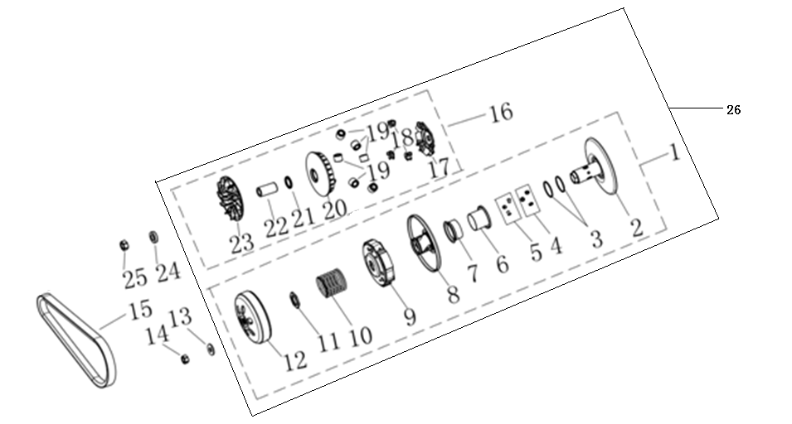
E11-01 | 192890041-0001 | CLUTCH KIT
E11-02 | 194230013-0001 | FIXED TRAY ASSY.,DRIVEN |  | NOT FOR SERVICE
E11-03 | 380840323-0001 | RING,SEAL |  | NOT FOR SERVICE
E11-04 | 194290007-0001 | MOVABLE PULLEY |  | NOT FOR SERVICE
E11-05 | 192960011-0001 | GUIDE PIN,ROLLING |  | NOT FOR SERVICE
E11-06 | 192980008-0001 | SLEEVE of OIL SEAL |  | NOT FOR SERVICE
E11-07 | 192990013-0001 | SLEEVE of SPRING |  | NOT FOR SERVICE
E11-08 | 194260015-0001 | SLIDING DISK ASSY.,DRIVEN |  | NOT FOR SERVICE
E11-09 | 194300014-0001 | DRIVING PLATE COMP.,CLUTCH
E11-10 | 381150686-0001 | SPRING,COMPRESSION |  | NOT FOR SERVICE
...
E11-18 | 192870011-0001 | SIDEPIECE,SLOPE BOARD
E11-19 | 192840017-0001 | ROLLER
E11-20 | 192830013-0001 | DRIVING PLATE,SLIDING |  | NOT FOR SERVICE
E11-21 | 380650761-0001 | OIL SEAL
E11-22 | 192880012-0001 | SLEEVE,SLIDING DRIVING PLATE |  | NOT FOR SERVICE
E11-23 | 192820013-0001 | PLATE,DRIVING |  | NOT FOR SERVICE
E11-24 | 380823662-0001 | COLLAR
E11-25 | 380340231-0001 | NUT,HEXAGON HEAD
E11-26 | 500280461-0001 | CLUTCH KIT
E12 LUBRICATION SYSTEM
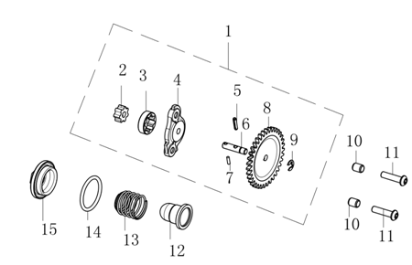
E12-01 | 150010124-0001 | PUMP ASSY.,OIL
E12-02 | 150050060-0001 | ROTOR,INNER |  | NOT FOR SERVICE
E12-03 | 150060054-0001 | ROTOR,OUTER |  | NOT FOR SERVICE
E12-04 | 150040058-0001 | CAP,OIL PUMP |  | NOT FOR SERVICE
E12-05 | 150120004-0001 | DRIVE PIN,OIL PUMP |  | NOT FOR SERVICE
E12-06 | 150080063-0001 | SHAFT,OIL PUMP TRANSMISSION |  | NOT FOR SERVICE
E12-07 | 380600265-0001 | PIN,DOWEL |  | NOT FOR SERVICE
E12-08 | 150070064-0001 | SPROCKET,OIL PUMP DRIVEN |  | NOT FOR SERVICE
E12-09 | 380570040-0001 | SPLIT WASHER |  | NOT FOR SERVICE
E12-10 | 380600057-0001 | PIN,DOWEL
E12-11 | 380190113-0003 | SCREW,HEXAGON SOCKET
E12-12 | 150290001-0001 | SCREEN,OIL STRAINER
E12-13 | 381150252-0001 | SPRING,COMPRESSION
E12-14 | 380840132-0001 | RING,SEAL
E12-15 | 120280003-0008 | CAP,TAPPET ADJUSTING HOLE
E13 COOLING SYSTEM
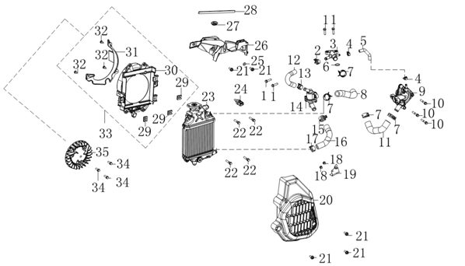
E13-01 | 380140021-0006 | BOLT,HEXAGON FLANGE
E13-02 | 380950487-0001 | CLAMP,TUBE
E13-03 | 170730047-0001 | Y-JOINT
E13-04 | 380950482-0001 | CLAMP,TUBE
E13-05 | 380760413-0001 | TUBE,WATER
E13-06 | 380841198-0001 | RING,SEAL
E13-07 | 380950488-0001 | CLAMP,TUBE
E13-08 | 380760416-0001 | TUBE,WATER
E13-09 | 160400031-0001 | PUMP,COOLING
E13-10 | 380140019-0006 | BOLT,HEXAGON FLANGE
...
E13-27 | 277550017-0001 | RUBBER JACKET
E13-28 | 662480006-0001 | SEAL STRIP
E13-29 | 380420073-0001 | NUT,CLIP
E13-30 | 431840012-0001 | BRACKET，RADIATOR
E13-31 | 161190002-0001 | LOWER BRACKET OF HEAT RADIATOR
E13-32 | 380310006-0002 | SCREW,CROSS RECESSED PAN SELF-TAPPING
E13-33 | 16118 | LOWER BRACKET ASSY. OF HEAT RADIATOR |  | NOT FOR SERVICE
E13-34 | 380140023-0002 | BOLT,HEXAGON FLANGE
E13-35 | 160750014-0001 | FAN
E14 ELECTRONIC FUEL-INJECTION ASSY.
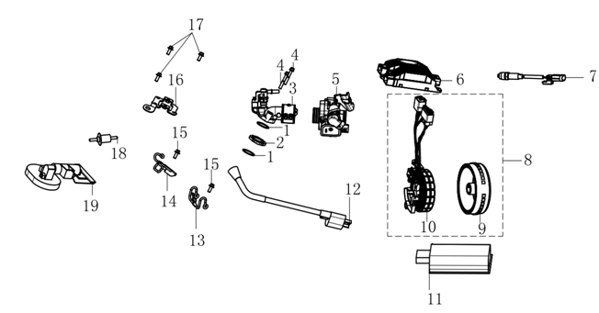
E14-01 | 380841336-0001 | RING,SEAL
E14-02 | 181600075-0001 | INSULATION BLANKET
E14-03 | 180410079-0002 | TUBE COMP.,AIR INTAKE
E14-04 | 380140019-0006 | BOLT,HEXAGON FLANGE
E14-05 | 172810094-0001 | BODY ASSY.,THROTTLE
E14-06 | 423000277-0001 | CONTROLLER
E14-07 | 172750045-0001 | OXYGEN SENSOR |  | NOT FOR SERVICE
E14-08 | 270010331-0001 | GENERATOR ASSY.
E14-09 | 270020418-0001 | ROTOR COMP.
E14-10 | 270100259-0001 | ROTOR COMP.
...

