LX350T-5A II
LX350T-5AII(SR4Max)
Special instructions:In this part catalog title bar ，If with a“NOT FOR SERVICE”words ， This part can't be purchased ，Please select the part of the assembly or combination
Ref. | Part No. | Picture | Note:
1 | LS610GP001CKV01GGZ | 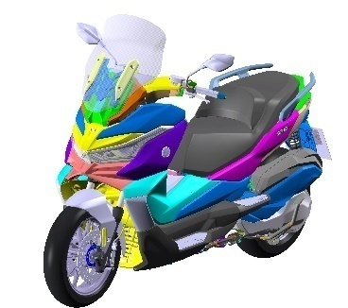
2 | LS610GP001CKV02GGZ
3 | LS610GP001CKV01HGZ
4 | LS610GP001CKV01WGZ
F01 冷却系统 COOLING SYSTEM
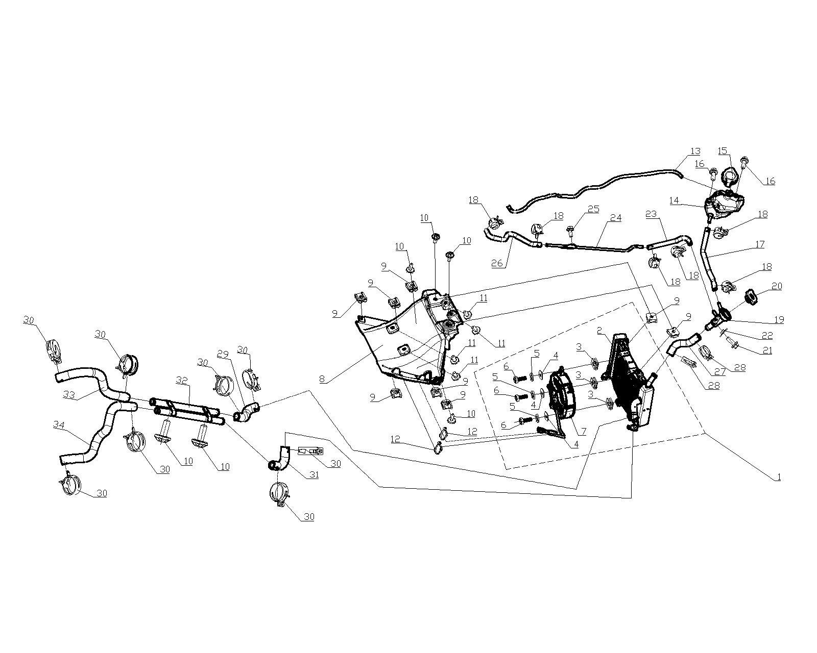
F01-01 | 160010178-0001
F01-02 | 160020047-0001 |  | 238*165*97
F01-03 | 380420061-0001 |  | M6
F01-04 | 380450004-0001 |  | 6(GB/T97.1-2002 )
F01-05 | 380460003-0001 |  | 6(GB/T93-1987 )
F01-06 | 380070013-0001 |  | M6X16(GB/T5783-2000 )
F01-07 | 160240058-0001 |  | 187*154*52
F01-08 | 160190166-0001
F01-09 | 380420077-0001
F01-10 | 380190637-0002
F01-11 | 380190639-0002
F01-12 | 8566875-01
F01-13 | 380741506-0001
F01-14 | 8565173-02
F01-15 | 8552562-01
F01-16 | 380190640-0002
F01-17 | 380760551-0001
F01-18 | 380950522-0001
F01-19 | 8565174-01
F01-20 | 160500030-0001
F01-21 | 380140002-0014
F01-22 | 380470153-0001
F01-23 | 380760548-0001
F01-24 | 380760541-0001
F01-25 | 380190034-0007
F01-26 | 380760549-0001
F01-27 | 380760547-0001
F01-28 | 380950523-0001
F01-29 | 380760546-0001
F01-30 | 380950492-0001
F01-31 | 380760544-0001
F01-32 | 380760542-0001
F01-33 | 380760545-0001
F01-34 | 380760543-0001
FUEL SUPPLY SYSTEM
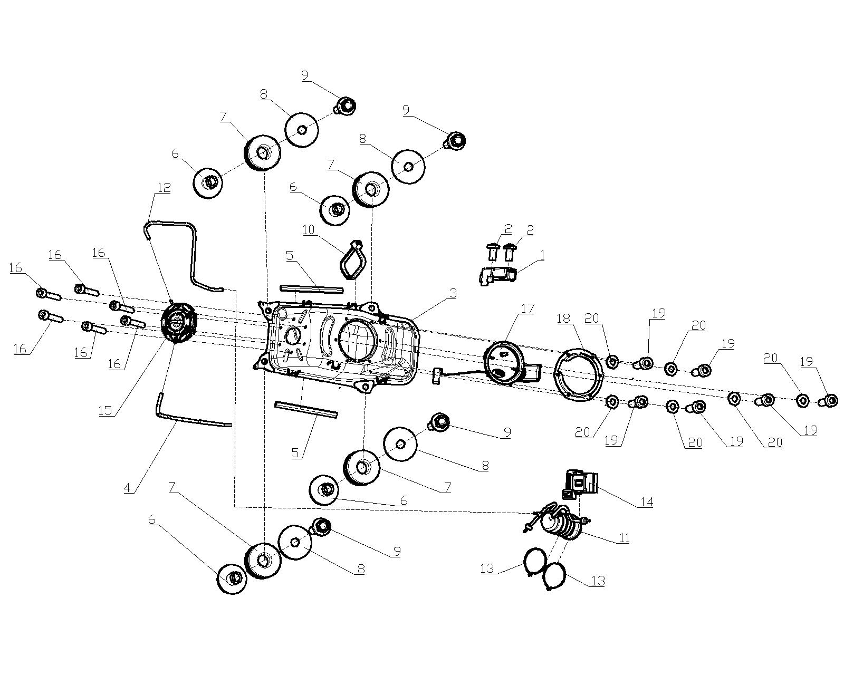
F02-01 | 170340008-0001
F02-02 | 380200026-0007
F02-03 | 170501575-0001
F02-04 | 380741505-0001
F02-05 | 8566925-01
F02-06 | 380470154-0001
F02-07 | 380890429-0001
F02-08 | 380450047-0003
F02-09 | 380140102-0014
F02-10 | 8566875-01
F02-11 | 173850168-0001
F02-12 | 380741498-0001
F02-13 | 8405308-01
F02-14 | 6918644-01
F02-15 | 170860207-0001 |  | NOT FOR SERVICE
F02-16 | 380190063-0004
F02-17 | 172720014-0001
F02-18 | 304890022-0001
F02-19 | 380190034-0007
F02-20 | 380450028-0011
AIR CLEANER ASSY.
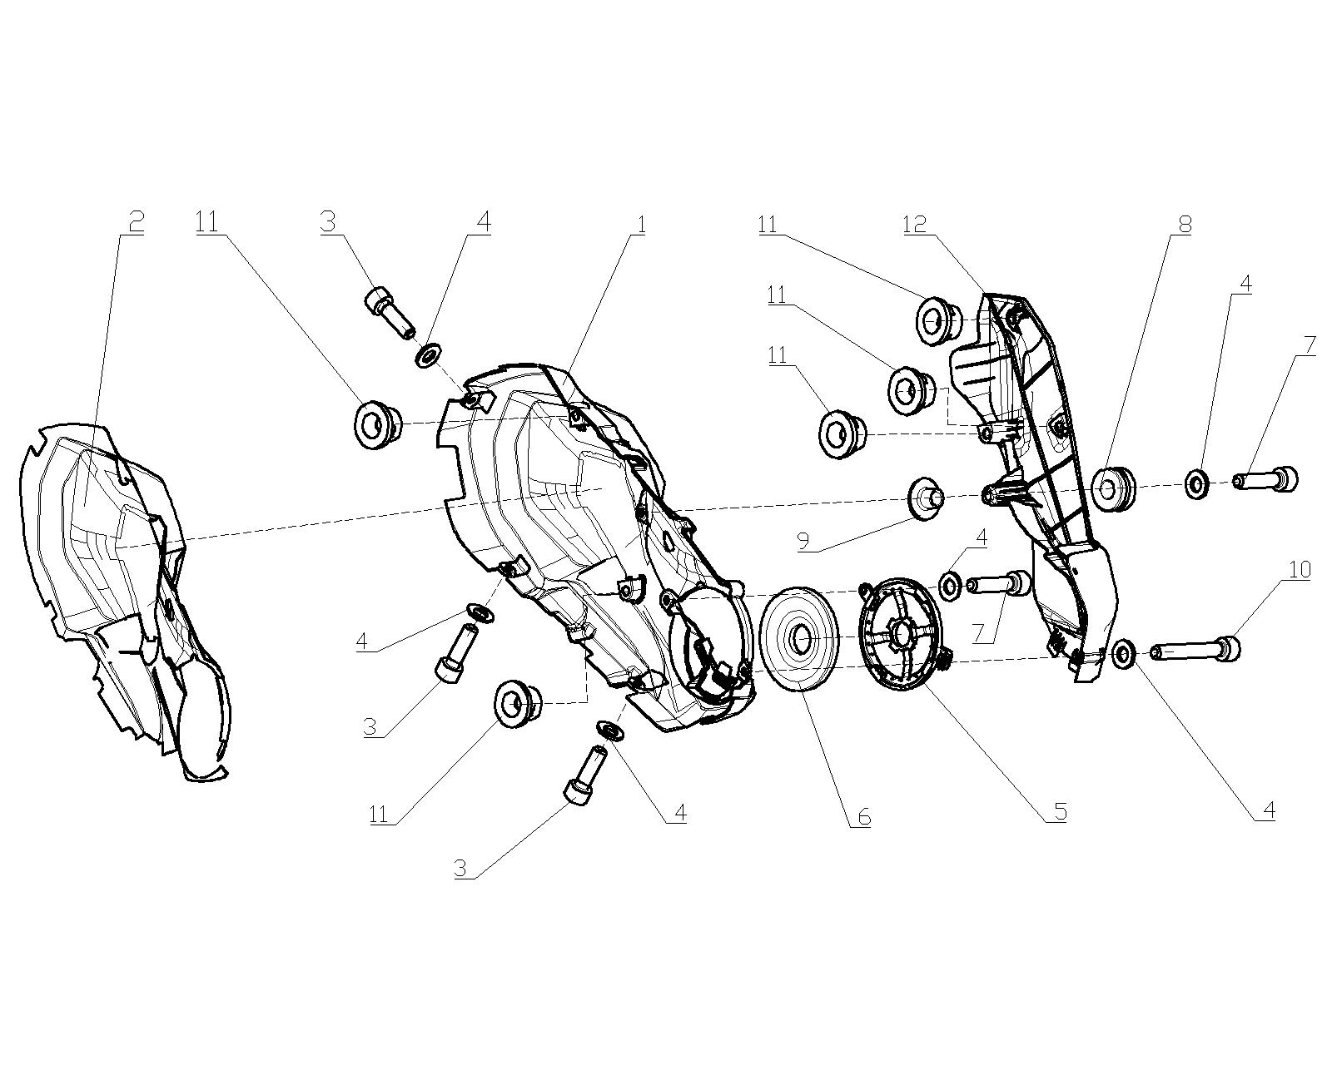
F03-01 | 662210005-0001
F03-02 | 8552216-03
F03-03 | 380190008-0008
F03-04 | 380450004-0014
F03-05 | 183400003-0001
F03-06 | 8552231-03
F03-07 | 380190039-0008
F03-08 | 1236240-01
F03-09 | 7727887-02
F03-10 | 380190006-0008
F03-11 | 8552449-01
F03-12 | 340730006-0002
MUFFLER EXHAUST ASSY.

F04-01 | 7729555-01
F04-02 | 7676551-01
F04-03 | 181160135-0001 |  | E5+
F04-04 | 180720372-0001 |  | E5+
F04-05 | 172750065-0001
F04-06 | 8552558-01
F04-07 | 7326509-01
F04-08 | 180770209-0001
F04-09 | 380190636-0002
F04-10 | 8552511-02
F04-11 | 8552510-02
F04-12 | 380451406-0002
F04-13 | 380140148-0009
F04-14 | 180960372-0001
F04-15 | 1236240-01
F04-16 | 7661722-01
F04-17 | 5A89687-01
F04-18 | 380190638-0002
F04-19 | 7727887-02
F04-20 | 181110017-0001
F04-21 | 181890036-0001
F04-22 | 5A78AB2-01
F04-23 | 380470195-0001
F04-24 | 180990264-0001
F04-25 | 8566876-01
F04-26 | 8566877-01
F04-27 | 8566875-01
FRONT WHEEL
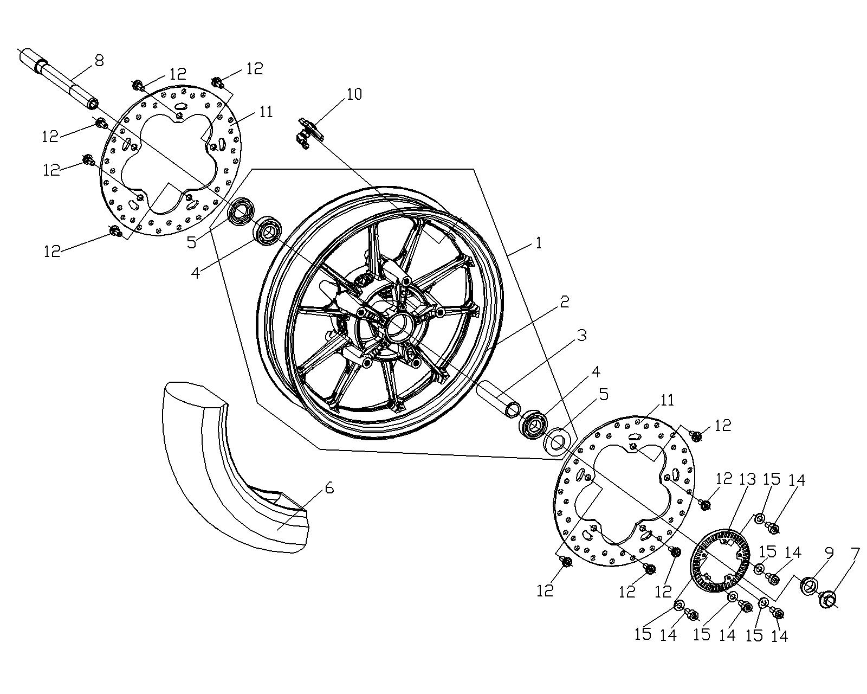
F05-01 | 290020688-0001
F05-02 | 290140145-0001 |  | NOT FOR SERVICE
F05-03 | 380824063-0001
F05-04 | 380630005-0001
F05-05 | 380650858-0001
F05-06 | 8393031-02
F05-07 | 8532722-01
F05-08 | 8558199-01
F05-09 | 8558200-01
F05-10 | 274470002-0001
F05-11 | 291420213-0001
F05-12 | 291440045-0002
F05-13 | 297710022-0001
F05-14 | 380190033-0006
F05-15 | 380450028-0011
FREAR WHEEL ASSY.
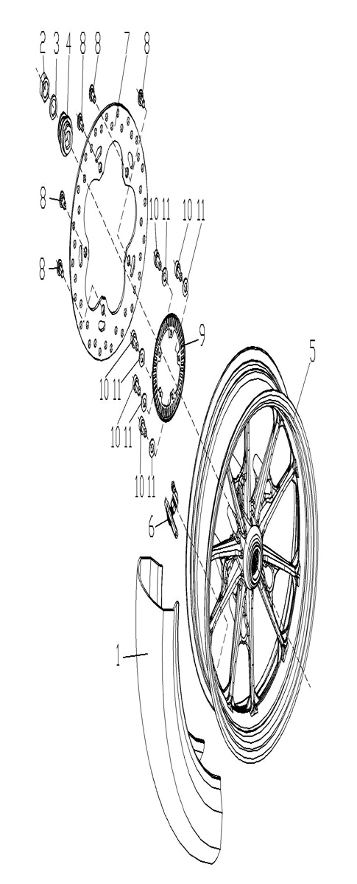
F06-01 | 8393034-02
F06-02 | 380390044-0003
F06-03 | 8558629-02
F06-04 | 8409404-01
F06-05 | 290220666-0001
F06-06 | 274470002-0001
F06-07 | 291420213-0001
F06-08 | 291440045-0002
F06-09 | 297710022-0001
F06-10 | 380190033-0006
F06-11 | 380450028-0011
F FRONT DISC BRAKE ASSY
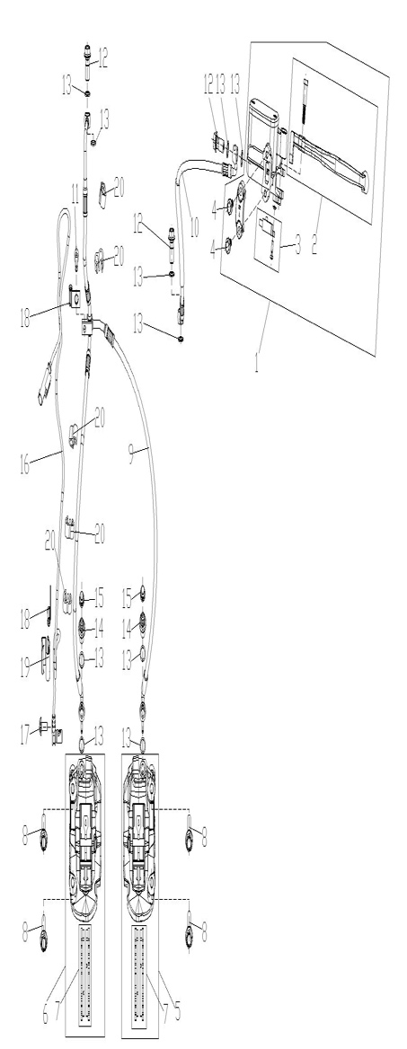
F07-01 | 291480194-0001
F07-02 | 271710121-0001
F07-03 | 321490004-0001
F07-04 | 380140862-0001
F07-05 | 291640188-0001
F07-06 | 291650024-0001
F07-07 | 291710106-0001
F07-08 | 380140812-0003
F07-09 | 294180041-0001
F07-10 | 294180042-0001
F07-11 | 380190005-0008
F07-12 | 291800037-0002
F07-13 | 380451405-0001
F07-14 | 291800038-0002
F07-15 | 2314001-01
F07-16 | 5A781C5-01
F07-17 | 380190640-0002
F07-18 | 8393300-01
F07-19 | 8566775-01
F07-20 | 8389171-01
F0 REAR DISC BRAKE SYSTEM
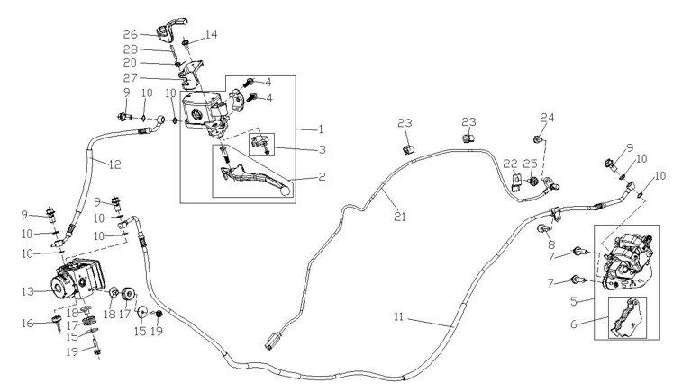
F08-01 | 291980075-0001
F08-02 | 271520143-0001
F08-03 | 321490003-0001
F08-04 | 380140862-0001
F08-05 | 292010063-0001
F08-06 | 292400033-0001
F08-07 | 380140799-0002
F08-08 | 380190043-0008
F08-09 | 291800037-0002
F08-10 | 380451405-0001
F08-11 | 294180043-0001
F08-12 | 294180044-0001
F08-13 | 291820059-0001
F08-14 | 380190637-0002
F08-15 | 380450007-0014
F08-16 | 8566784-01
F08-17 | 380890429-0001
F08-18 | 380470154-0001
F08-19 | 380140003-0016
F08-20 | 381160363-0001
F08-21 | 5A781C5-01 |  |  | LX350T-5AI-VOGE-202401元丰ABS欧V
F08-22 | 8566776-01
F08-23 | 8389171-01
F08-24 | 380190640-0002
F08-25 | 380140709-0007
F08-26 | 292830003-0001
F08-27 | 292960003-0001
F08-28 | 380610491-0001
F0 FRAME ASSY.

F09-01 | 300121420-0001
F09-02 | 370850007-0001
F09-03 | 7923922-01
F09-04 | 7923925-01
F09-05 | 370410437-0001
F09-06 | 8566872-01
F09-07 | 8566907-01
F09-08 | 8566784-01
F09-09 | 312360009-0001
F09-10 | 312370009-0001
F09-11 | 380140799-0002
F09-12 | 380420077-0001
F09-13 | 340060086-0001
F09-14 | 380140040-0014
F09-15 | 370320138-0001
F09-16 | 8566877-01
F09-17 | 305040026-0001
REAR HANGER SYSTEM
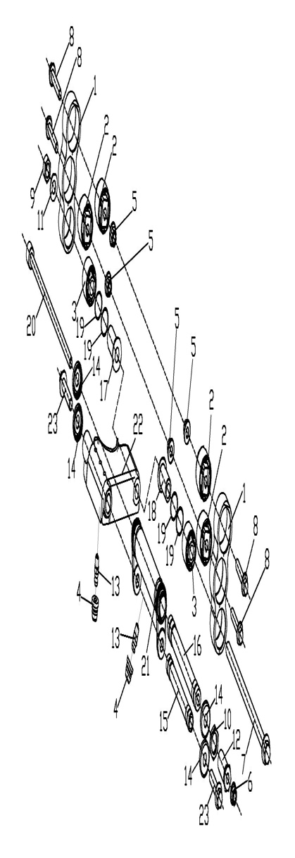
F10-01 | 9446085-01
F10-02 | 301060012-0001
F10-03 | 301060013-0001
F10-04 | 2314001-01
F10-05 | 380400043-0004
F10-06 | 380400051-0003
F10-07 | 9909470-00
F10-08 | 380140810-0003
F10-09 | 380390044-0003
F10-10 | 8405350-01
F10-11 | 380451370-0001
F10-12 | 8566756-01
F10-13 | 9909596-00
F10-14 | 8566752-04
F10-15 | 8566750-03
F10-16 | 8566753-02
F10-17 | 8566760-02
F10-18 | 8566761-02
F10-19 | 8405120-01
F10-20 | 8566755-02
F10-21 | 305140002-0001
F10-22 | 301070018-0001
F10-23 | 9906184-00
REAR SHOCK ABSORBER
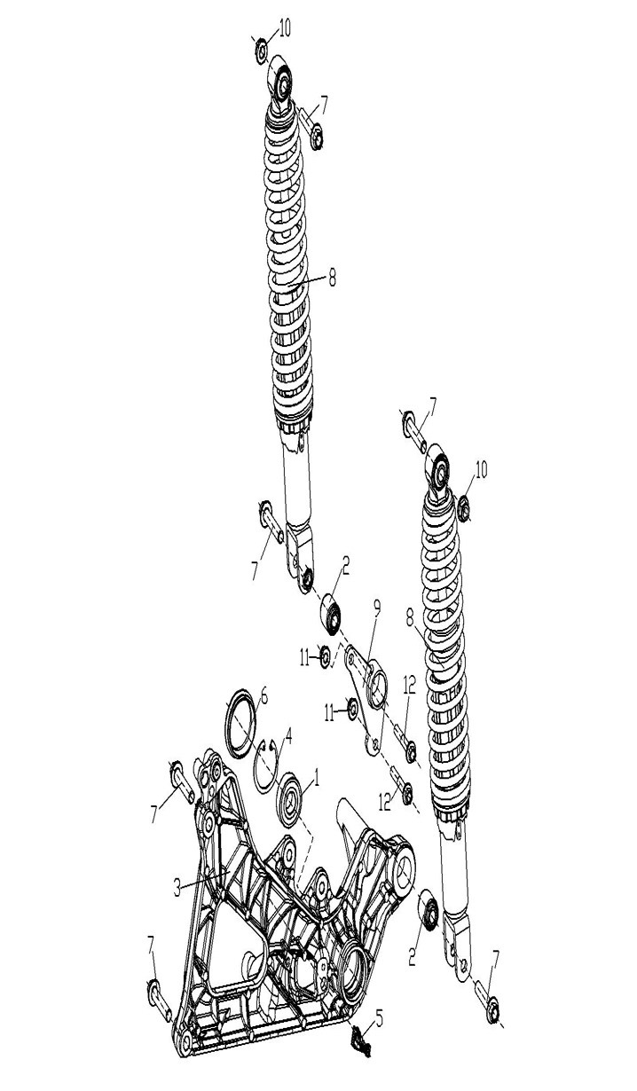
F11-01 | 2314724-02
F11-02 | 313010019-0001
F11-03 | 8558176-03
F11-04 | 380550076-0001
F11-05 | 8566877-01
F11-06 | 311100043-0001
F11-07 | 380140123-0009
F11-08 | 310790628-0001
F11-09 | 317440002-0001
F11-10 | 380400006-0010
F11-11 | 380400007-0011
F11-12 | 380140148-0009
F12 MAIN STAND AND SIDE STAND
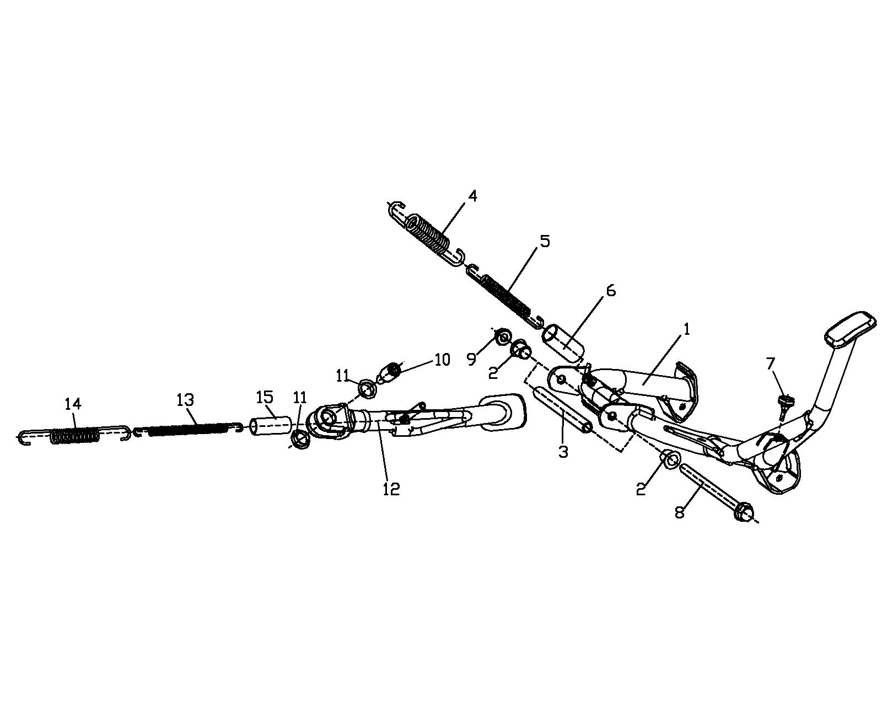
F12-01 | 311970488-0001
F12-02 | 8558644-01
F12-03 | 8558214-02
F12-04 | 381140675-0001
F12-05 | 381140674-0001
F12-06 | 381530054-0001
F12-07 | 8566784-01
F12-08 | 9909465-00
F12-09 | 380400006-0010
F12-10 | 382340002-0001
F12-11 | 380824146-0001
F12-12 | 311880379-0001
F12-13 | 381140676-0001
F12-14 | 381140677-0001
F12-15 | 381530055-0001
F13FRONT FORK ASSY.
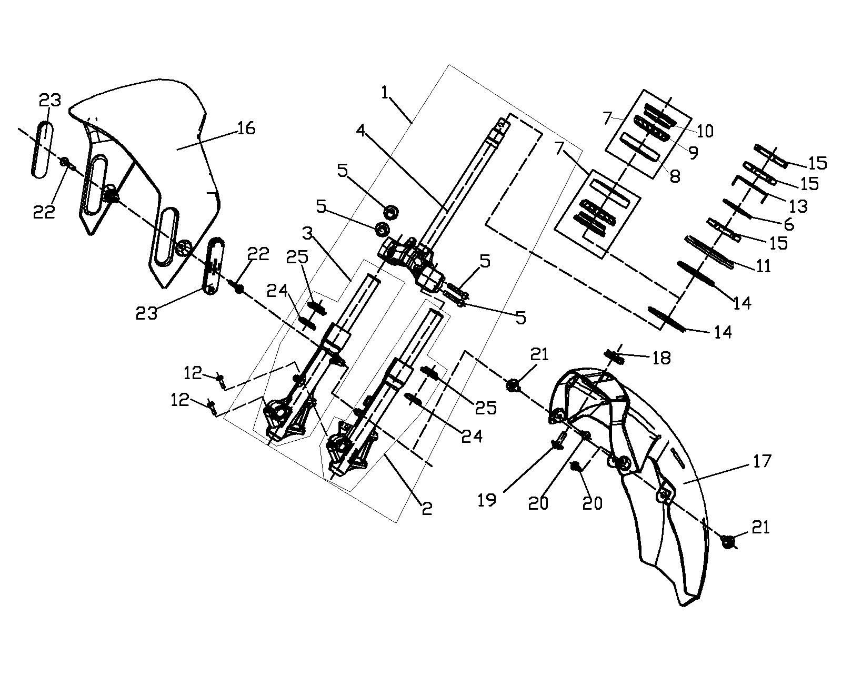
F13-01 | 310020050-0001
F13-02 | 310450775-0001
F13-03 | 310460714-0001
F13-04 | 310120355-0001
F13-05 | 8566936-02
F13-06 | 8558148-01
F13-07 | 310360099-0001
F13-08 | 310370071-0001
F13-09 | 310390066-0001
F13-10 | 310410031-0001
F13-11 | 310310067-0001
F13-12 | 380190642-0002
F13-13 | 310290020-0001
F13-14 | 8556436-02
F13-15 | 310260051-0002 |  |  | LX350T-5AI-VOGE-202401元丰ABS欧V
F13-16 | 340340136-0005 |  | Black
F13-16 | 340340136-0008 |  | Dark Olive Grey
F13-16 | 340340136-0002 |  | White
F13-16 | 340340136-0009 |  | Titanium Grey
F13-17 | 340350113-0001
F13-18 | 380420077-0001
F13-19 | 380190637-0002
F13-20 | 380310002-0012
F13-21 | 380190636-0002
F13-22 | 380190629-0002
F13-23 | 8566884-02
F13-24 | 8392765-01
F13-25 | 8392767-01
F14 HARNESS,WIRE AND ELETRIC PARTS

F14-01 | 271310001-0001
F14-02 | 271232693-0001
F14-03 | 380310002-0012
F14-04 | 271280259-0001
F14-05 | 380190033-0006
F14-06 | 380370003-0009
F14-07 | 380190005-0008
F14-08 | 8566853-02
F14-09 | 8566858-01
F14-10 | 5A89687-01
F14-11 | 380190637-0002
F14-12 | 8566877-01
F14-13 | 6918644-01
F14-14 | 8566875-01
F14-15 | 8566876-01
F14-16 | 8566882-01
F14-17 | 172710331-0001
F14-18 | 380320021-0001
F14-19 | 270880304-0001
F14-20 | 380140102-0014
F14-21 | 272900085-0001
F14-22 | 270810215-0001
F14-23 | 380140002-0014
F14-24 | 312940023-0001
F14-25 | 380190640-0003
F14-26 | 274490009-0001
F14-27 | 380420077-0001
F14-28 | 380450028-0011
F14-29 | 380190063-0004
F14-30 | 280190279-0001
F14-31 | 380140040-0014
F14-32 | 285370002-0001
F14-33 | 285260008-0001
F14-34 | 283720010-0001
F14-35 | 274060017-0001
F14-36 | 381620008-0001
F14-37 | 381620009-0001
F14-38 | 381620010-0001
F14-39 | 381620007-0001
F14-40 | 381740004-0001
F14-41 | 271270068-0001
F14-42 | 160150057-0001
F14-43 | 337520002-0001
F14-44 | 337520003-0001
F14-45 | 310170043-0001
F14-46 | 330170189-0001
F14-47 | 271330316-0001
F14-48 | 350040026-0001
F14-49 | 277770003-0001
F14-50 | 353530008-0001
F14-51 | 380190639-0002
F14-52 | 330250191-0001
F14-53 | 381620011-0001
F14-54 | 271320011-0001
F14-55 | 271320012-0001
F14-56 | 278450001-0001
F14-57 | 274060018-0001
WINDSHIELD GLASS
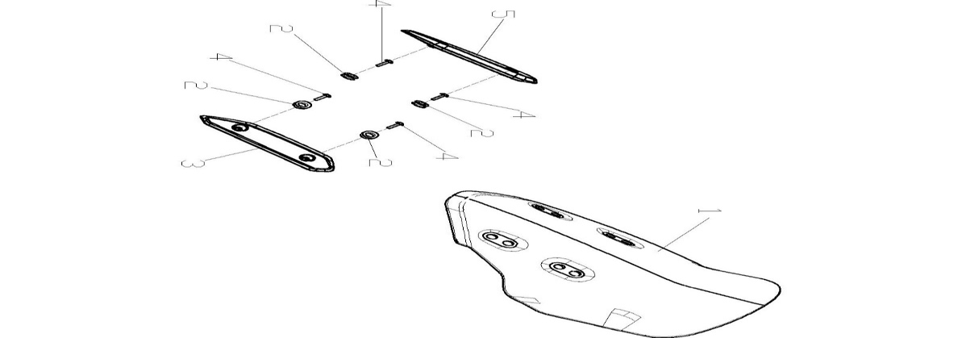
F15-01 | 341340117-0002
F15-02 | 8358252-01
F15-03 | 341400006-0001
F15-04 | 380190638-0002
F15-05 | 341400007-0001
STEERING OPERATION SYSTEM
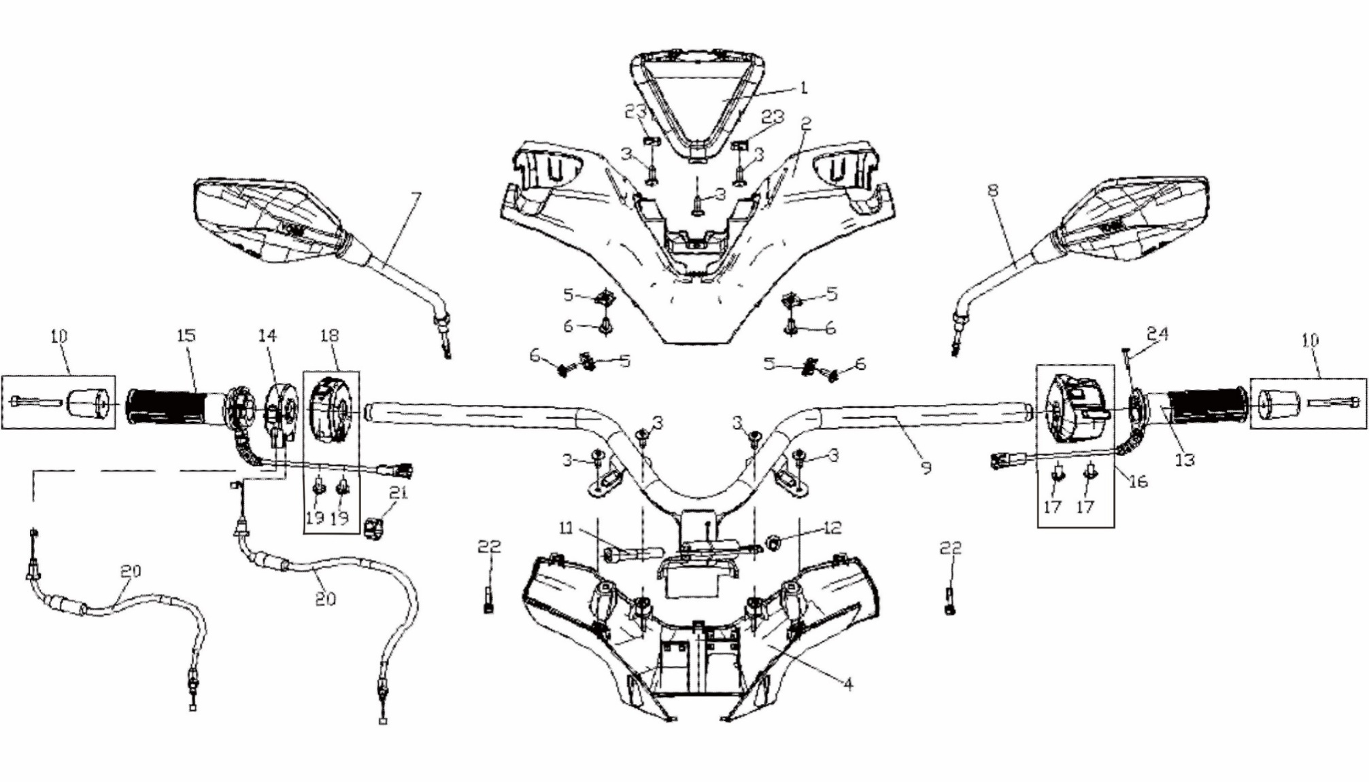
F16-01 | 341730015-0002
F16-02 | 341630014-0001
F16-03 | 380310002-0012
F16-04 | 341640014-0001
F16-05 | 380420077-0001
F16-06 | 380190637-0002
F16-07 | 360530492-0002
F16-08 | 360500495-0002
F16-09 | 320010335-0001
F16-10 | 320120055-0001
F16-11 | 380190688-0001
F16-12 | 380190642-0002
F16-13 | 320180319-0001
F16-14 | 271650039-0001
F16-15 | 320190300-0001
F16-16 | 271390571-0001
F16-17 | 380200072-0002
F16-18 | 271590564-0001
F16-19 | 380200072-0002
F16-20 | 171210807-0001
F16-21 | 380900131-0001
F16-22 | 380900089-0002
F16-23 | 380420001-0006
F16-24 | 380220100-0001
F17 METER ASSY.

F17-01 | 349480001-0001
F17-02 | 277840016-0001
F17-03 | 341190039-0001
F17-04 | 341200040-0001
F17-05 | 341140006-0001
F17-06 | 380310002-0012
F17-07 | 320730008-0001
F17-08 | 380470154-0001
F17-09 | 380890429-0001
F17-10 | 380450047-0003
F17-11 | 380140003-0016
F17-12 | 341670015-0001
F17-13 | 380420077-0001
F17-14 | 380190637-0002
F17-15 | 445390002-0001
F17-16 | 445390003-0001
F17-17 | 281371605-0001
F18 HEADLIGHT AND FRONT PANEL
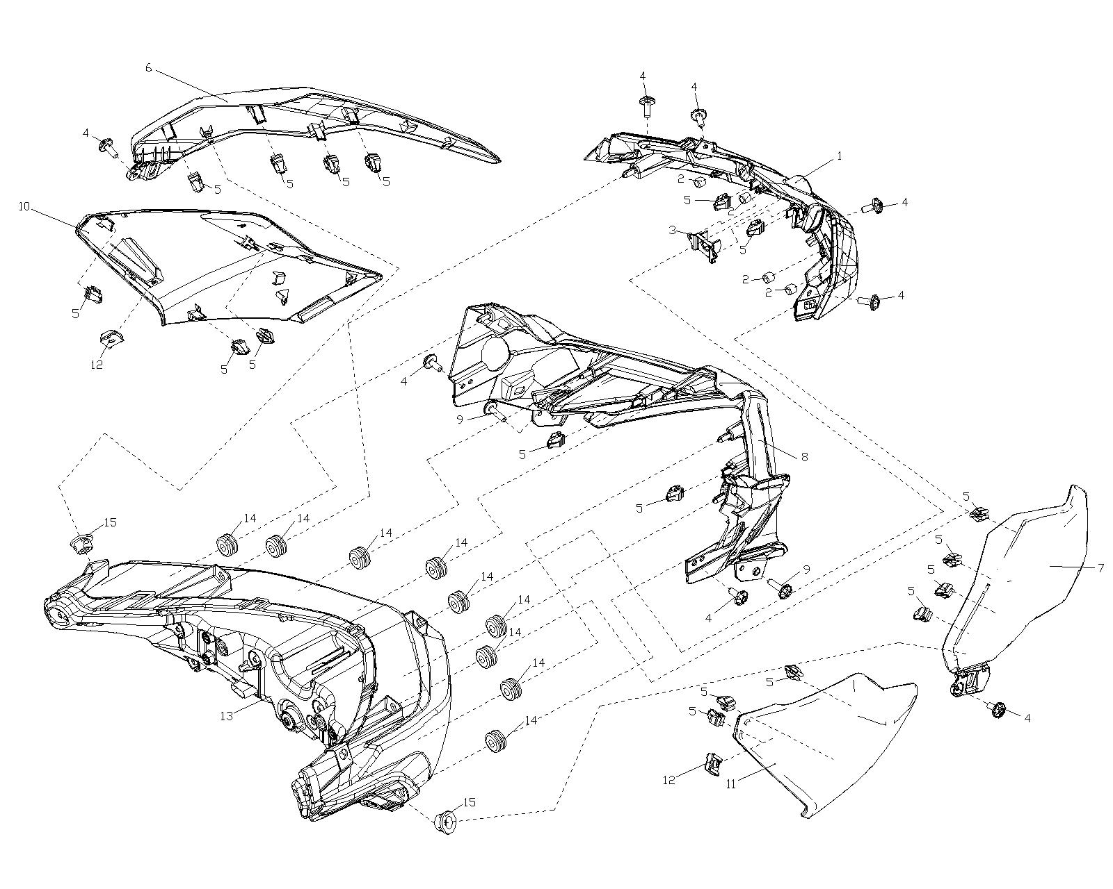
F18-01 | 341210465-0001
F18-02 | 381130028-0001
F18-03 | 306440008-0001
F18-04 | 380190637-0002
F18-05 | 277840016-0001
F18-06 | 341290003-0005 |  | Black
F18-06 | 341290003-0008 |  | Dark Olive Grey
F18-06 | 341290003-0002 |  | White
F18-06 | 341290003-0009 |  | Titanium Grey
F18-07 | 341300003-0005 |  | Black
F18-07 | 341300003-0008 |  | Dark Olive Grey
F18-07 | 341300003-0002 |  | White
F18-07 | 341300003-0009 |  | Titanium Grey
F18-08 | 346850002-0001
F18-09 | 380190638-0002
F18-10 | 341020023-0007 |  | Black
F18-10 | 341020023-0014 |  | Dark Olive Grey
F18-10 | 341020023-0006 |  | White
F18-10 | 341020023-0015 |  | Titanium Grey
F18-11 | 341040023-0007 |  | Black
F18-11 | 341040023-0014 |  | Dark Olive Grey
F18-11 | 341040023-0006 |  | White
F18-11 | 341040023-0015 |  | Titanium Grey
F18-12 | 380420077-0001
F18-13 | 280351039-0001
F18-14 | 1233200-01
F18-15 | 8552449-01
F19 BRACKET,FRONT PANEL
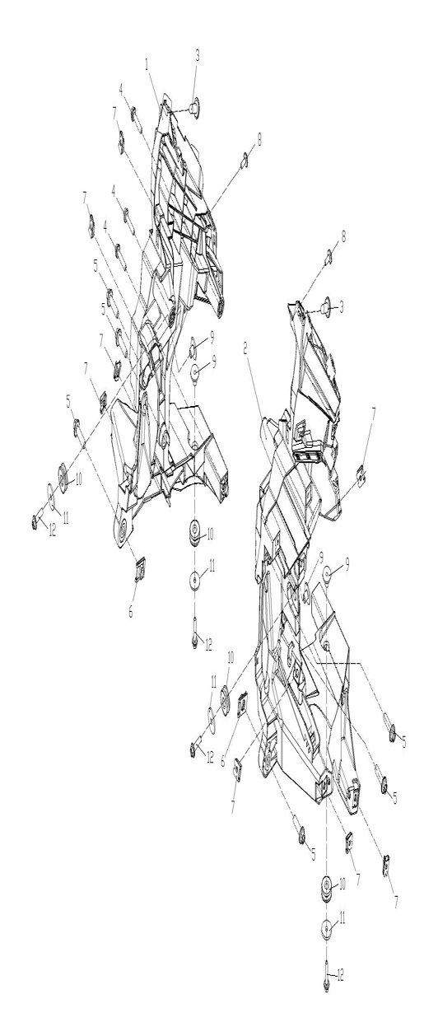
F19-01 | 341220163-0001
F19-02 | 341230007-0001
F19-03 | 380310002-0012
F19-04 | 380140095-0009
F19-05 | 380140093-0010
F19-06 | 380420071-0001
F19-07 | 380420077-0001
F19-08 | 380190637-0002
F19-09 | 380470154-0001
F19-10 | 380890429-0001
F19-11 | 380450047-0003
F19-12 | 380140102-0014
F20 LOWER AIR GUIDE SLEEVE
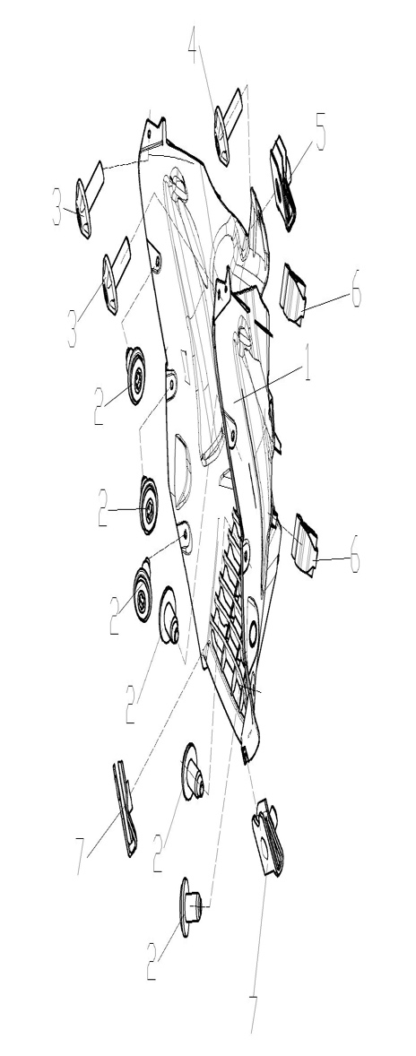
F20-01 | 341870124-0001
F20-02 | 8566858-01
F20-03 | 380190638-0002
F20-04 | 380190637-0002
F20-05 | 5A89687-01
F20-06 | 277840016-0001
F20-07 | 380420077-0001
F21 FRONT LUGGAGE CASE

F21-01 | 342220086-0001
F21-02 | 662480008-0001
F21-03 | 351170031-0001
F21-04 | 350030119-0001
F21-05 | 380310002-0012
F21-06 | 348630002-0001
F21-07 | 348640002-0001
F21-08 | 8566867-02
F21-09 | 380610528-0001
F21-10 | 351170032-0001
F21-11 | 350030120-0001
F21-12 | 348630003-0001
F21-13 | 348640003-0001
F21-14 | 350020179-0001
F21-15 | 350020180-0001
F21-16 | 382190005-0001
F21-17 | 382190004-0001
F21-18 | 380420077-0001
F21-19 | 380190637-0002
F21-20 | 350830005-0001
F21-21 | 350830006-0001
F21-22 | 370326120-0001
F21-23 | 342150135-0002
F21-24 | 343210062-0001
F21-25 | 350720023-0001 |  |  | LX350T-5AI-VOGE-202401元丰ABS欧V
F21-26 | 353360004-0001 |  |  | LX350T-5AI-VOGE-202401元丰ABS欧V
F21-27 | 445600002-0001 |  |  | LX350T-5AI-VOGE-202401元丰ABS欧V
F21-28 | 380610491-0001 |  |  | LX350T-5AI-VOGE-202401元丰ABS欧V
F21-29 | 381160339-0001 |  |  | LX350T-5AI-VOGE-202401元丰ABS欧V
F21-30 | 380420078-0001 |  |  | LX350T-5AI-VOGE-202401元丰ABS欧V
F21-31 | 380190640-0002 |  |  | LX350T-5AI-VOGE-202401元丰ABS欧V
F21-32 | 370310033-0001 |  |  | LX350T-5AI-VOGE-202401元丰ABS欧V
F22 COVER,LEFT SIDE
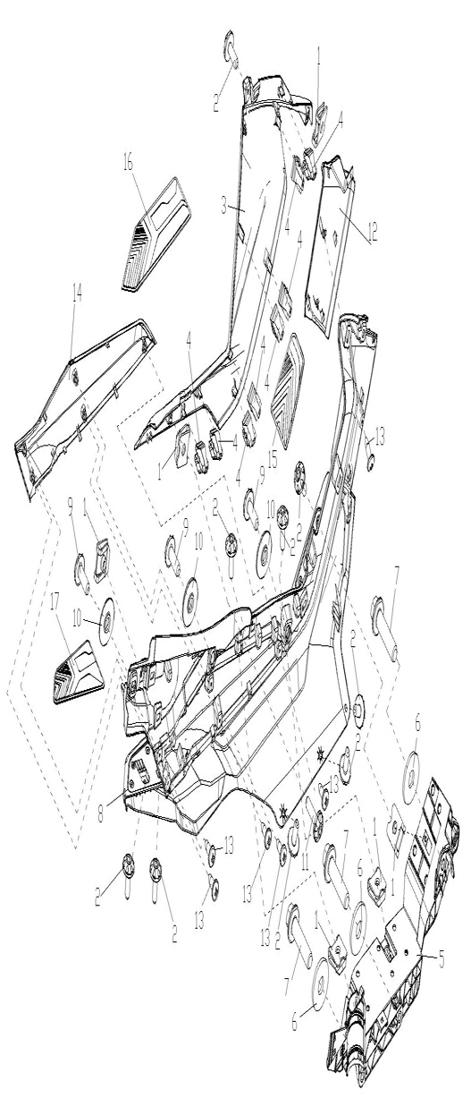
F22-01 | 380420077-0001
F22-02 | 380190637-0002
F22-03 | 340750760-0002
F22-04 | 277840016-0001
F22-05 | 311760021-0001
F22-06 | 380450019-0009
F22-07 | 380140799-0002
F22-08 | 311750005-0001
F22-09 | 380190640-0002
F22-10 | 8566815-01
F22-11 | 380190638-0002
F22-12 | 348030003-0002
F22-13 | 380310002-0012
F22-14 | 340830013-0005 |  | Black
F22-14 | 340830013-0008 |  | Dark Olive Grey
F22-14 | 340830013-0002 |  | White
F22-14 | 340830013-0009 |  | Titanium Grey
F22-15 | 330810139-0001
F22-16 | 311800013-0001
F22-17 | 312410001-0001
F23 TAIL COVER
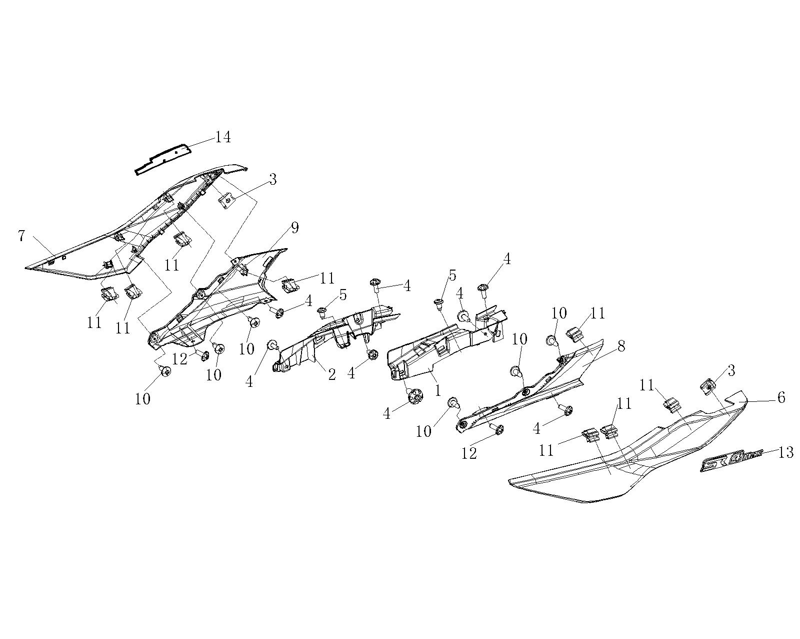
F23-01 | 342400150-0001
F23-02 | 342410009-0001
F23-03 | 380420077-0001
F23-04 | 380190637-0002
F23-05 | 8566858-01
F23-06 | 341030056-0005 |  | Black
F23-06 | 341030056-0023 |  | Dark Olive Grey
F23-06 | 341030056-0002 |  | White
F23-06 | 341030056-0024 |  | Titanium Grey
F23-07 | 341050056-0005 |  | Black
F23-07 | 341050056-0023 |  | Dark Olive Grey
F23-07 | 341050056-0002 |  | White
F23-07 | 341050056-0024 |  | Titanium Grey
F23-08 | 342310068-0001
F23-09 | 342320054-0001
F23-10 | 380310002-0012
F23-11 | 277840016-0001
F23-12 | 380190636-0002
F23-13 | 370370241-0001
F23-14 | 370370242-0001
F24 REAR FENDER
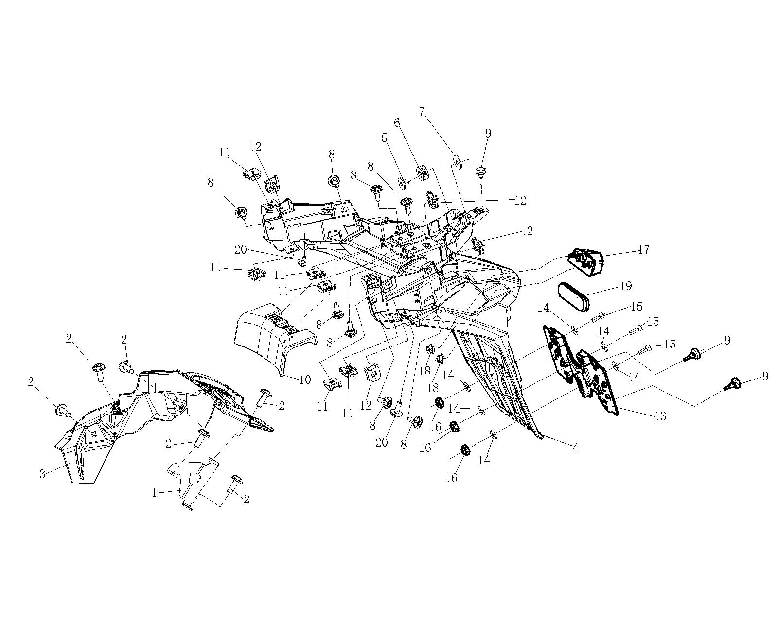
F24-01 | 340570229-0001
F24-02 | 380190640-0002
F24-03 | 340710015-0001
F24-04 | 340720010-0001
F24-05 | 380470154-0001
F24-06 | 380890429-0001
F24-07 | 380450047-0003
F24-08 | 380190636-0002
F24-09 | 8566784-01
F24-10 | 340690042-0001
F24-11 | 380420077-0001
F24-12 | 380420078-0001
F24-13 | 340540261-0001
F24-14 | 380450004-0014
F24-15 | 380190005-0008
F24-16 | 380390010-0004
F24-17 | 280720098-0001
F24-18 | 380370001-0007
F24-19 | 8566847-02
F24-20 | 380190637-0002
F25 TAIL LIGHT ASSY.

F25-01 | 283360029-0001
F25-02 | 380310002-0012
F25-03 | 277840016-0001
F25-04 | 342350493-0001
F25-05 | 380420077-0001
F25-06 | 280580739-0001
F25-07 | 380470154-0001
F25-08 | 380890429-0001
F25-09 | 380450047-0003
F25-10 | 380140102-0014
F25-11 | 380420078-0001
F25-12 | 8566784-01
F25-13 | 342290051-0001
F25-14 | 285490004-0001
F25-15 | 380200226-0001
F25-16 | 380190637-0002
F26 SEAT ASSY.
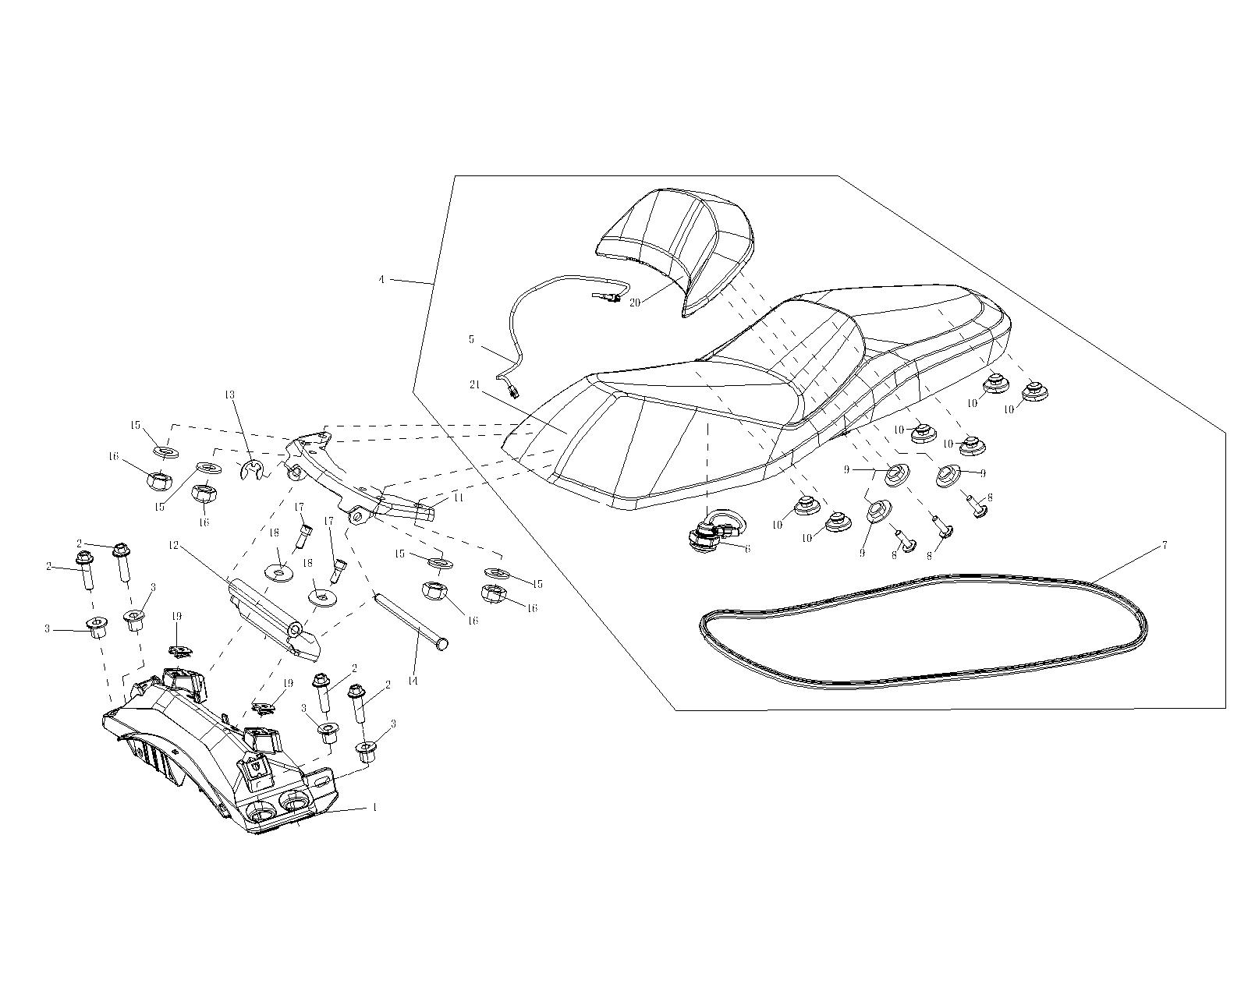
F26-1 | 330090205-0001
F26-2 | 380140093-0010
F26-3 | 380824077-0001
F26-4 | 330011322-0001
F26-5 | 272470169-0001
F26-6 | 282840002-0001
F26-7 | 332680028-0001
F26-8 | 380190641-0002
F26-9 | 380824304-0001
F26-10 | 330120359-0001
F26-11 | 330100059-0001
F26-12 | 330100060-0001
F26-13 | 9909941-00
F26-14 | 8566916-01
F26-15 | 380450004-0014
F26-16 | 380390010-0004
F26-17 | 380190005-0008
F26-18 | 380450004-0014
F26-19 | 380420077-0001
F26-20 | 330330334-0003
F26-21 | 330020106-0001 |  |  | LX350T-5AI-VOGE-202401元丰ABS欧V
F27LUGGAGE CASE
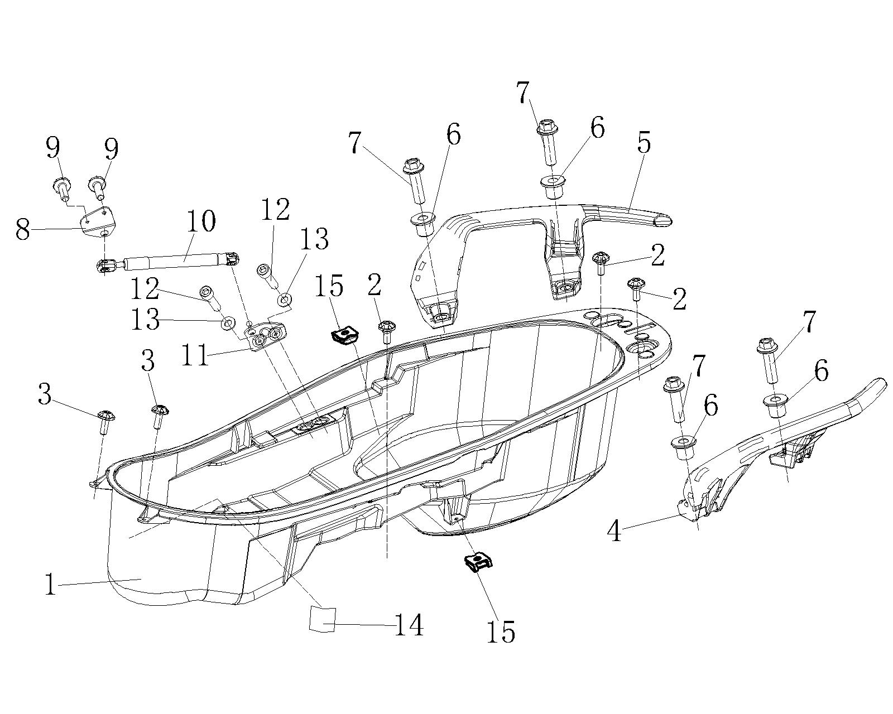
F27-01 | 350110194-0001
F27-02 | 380190636-0002
F27-03 | 380190637-0002
F27-04 | 330570086-0001
F27-05 | 330580080-0001
F27-06 | 380824077-0001
F27-07 | 380140093-0010
F27-08 | 353430005-0001
F27-09 | 380190641-0002
F27-10 | 353420004-0001
F27-11 | 353430004-0001
F27-12 | 380190039-0008
F27-13 | 380450004-0014
F27-14 | 370326985-0001
F27-15 | 380420077-0001
F28 BATTERY

F28-01 | 8566855-02
F28-02 | 8558668-05
F28-03 | 380140002-0014
F28-04 | 8566874-02
F28-05 | 271060492-0001
F28-06 | 350570003-0001
F28-07 | 380310002-0012
F28-08 | 307810002-0001
F28-09 | 277690002-0001
F28-10 | 380420077-0001
F28-11 | 380140709-0007
F29 TOOL SET
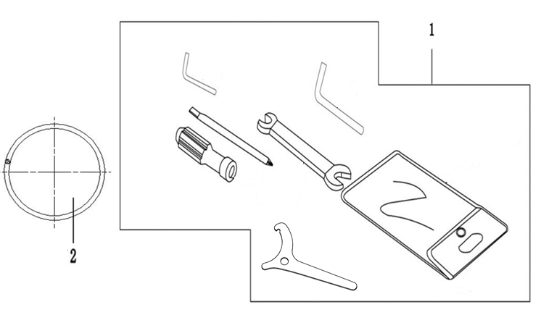
F29-1 | 360010116-0001
F29-2 | 8566866-01
F30 COVER,RIGHT SIDE
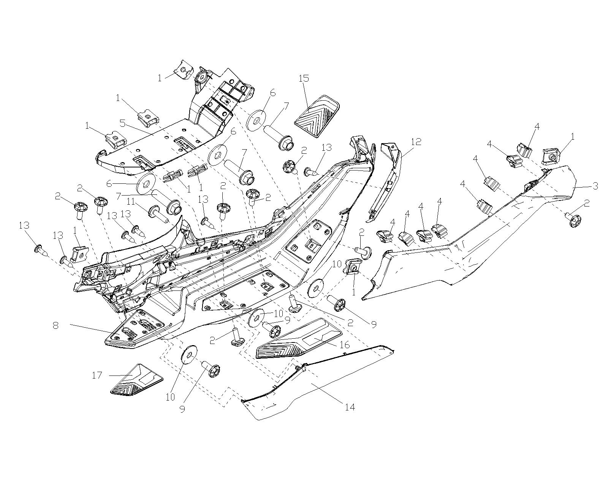
F30-01 | 380420077-0001
F30-02 | 380190637-0002
F30-03 | 340870801-0002
F30-04 | 277840016-0001
F30-05 | 311790018-0001
F30-06 | 380450019-0009
F30-07 | 380140799-0002
F30-08 | 311780007-0001
F30-09 | 380190640-0002
F30-10 | 8566815-01
F30-11 | 380190638-0002
F30-12 | 348040003-0002
F30-13 | 380310002-0012
F30-14 | 340960017-0005 |  | Black
F30-14 | 340960017-0008 |  | Dark Olive Grey
F30-14 | 340960017-0002 |  | White
F30-14 | 340960017-0009 |  | Titanium Grey
F30-15 | 330820080-0001
F30-16 | 311810010-0001
...

KS350
Special instructions:In this part catalog title bar ，If with a“NOT FOR SERVICE”words ， This part can't be purchased ，Please select the part of the assembly or combination
REF.No | PLM CODE | ENGLISH PARTS NAME | QUANTITY | UNIT | REMARK
E1 | F2201P0003-0Q05000 | ENGINE | 1 | SET
E01 CYLINDER HEAD
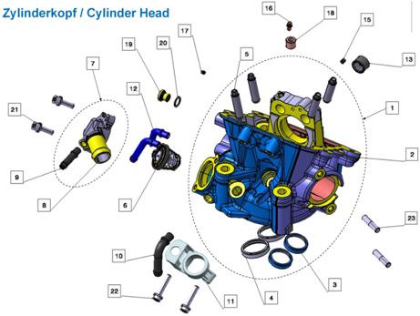
E01-01 | 120081023-0001 | HEAD COMP.,CYLINDER | 1 | PCS
E01-02 | 120090541 | BODY SET,CYLINDER HEAD | 1 | PCS | NOT FOR SERVICE
E01-03 | 8552360-02 | VALVE SEAT RING,EXHAUST VALV | 2 | PCS | NOT FOR SERVICE
E01-04 | 8552373-03 | VALVE SEAT RING,INLET VALVE | 2 | PCS | NOT FOR SERVICE
E01-05 | 8556229-03 | GUIDE,EXHAUST VALVE | 4 | PCS | NOT FOR SERVICE
E01-06 | 8552314-02 | THERMOSTAT COMP. | 1 | PCS
E01-07 | 8388143-03 | COVER BODY OF THERMOSTAT | 1 | PCS
E01-08 | 8388142-01 | COVER,THERMOSTAT | 1 | PCS | NOT FOR SERVICE
E01-09 | 8552458-04 | JOINT,CONNECTING | 1 | PCS | NOT FOR SERVICE
E01-10 | 8552445-02 | JOINT,CONNECTING | 1 | PCS | NOT FOR SERVICE
...
E01-15 | 8552443-01 | NOZZLE,OIL | 1 | PCS | NOT FOR SERVICE
E01-16 | 8552206-01 | NOZZLE,OIL | 1 | PCS | NOT FOR SERVICE
E01-17 | 8552444-01 | STOPPER | 1 | PCS | NOT FOR SERVICE
E01-18 | 8552560-01 | STOPPER | 1 | PCS | NOT FOR SERVICE
E01-19 | 9909477-00 | SCREW PLUG,SEAL | 1 | PCS
E01-20 | 9963072-00 | WASHER,PLAIN | 1 | PCS
E01-21 | 9905516-00 | BOLT/FLAT WASHER SET | 2 | PCS
E01-22 | 9907194-00 | BOLT/FLAT WASHER SET | 2 | PCS
E01-23 | 9903893-00 | STUD | 2 | PCS
E02 CYLINDER HEAD COVER
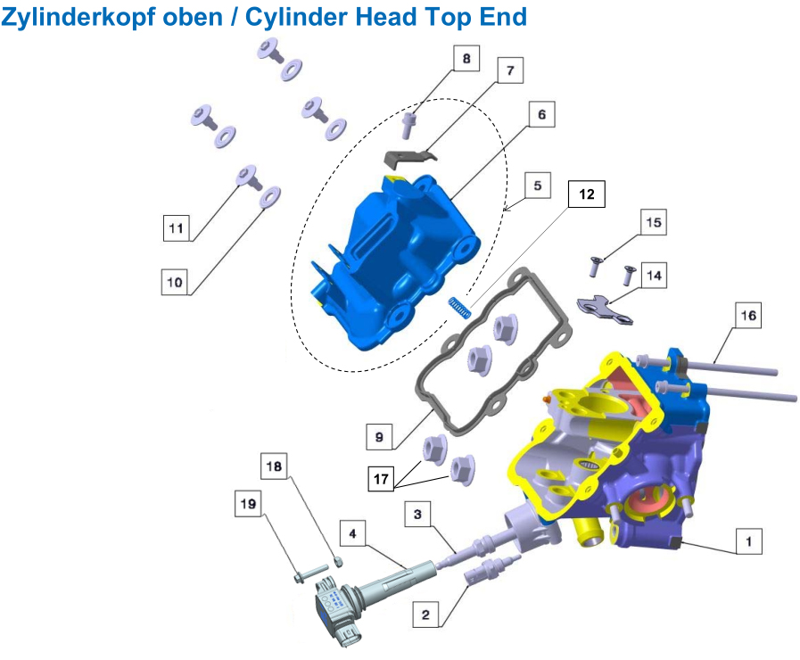
E02-01 | 120081023-0001 | HEAD COMP.,CYLINDER | 1 | SET
E02-02 | 160150057-0001 | TEMPERATURE TRANSMITTER | 1 | PCS
E02-03 | 8569360-01 | SPARK PLUG | 1 | PCS
E02-04 | 270920582-0001 | COIL ASSY.,IGNITION | 1 | PCS
E02-05 | 8552483-06 | COVER COMP.,CYLINDER HEAD | 1 | SET
E02-06 | 8552198-04 | COVER COMP.,CYLINDER HEAD | 1 | PCS
E02-07 | 8552482-04 | BRACKET CANISTER | 1 | PCS
E02-08 | 9904819-00 | BOLT/FLAT WASHER SET | 1 | PCS
E02-09 | 8552200-01 | RING,SEAL | 1 | PCS
E02-10 | 8552474-01 | PLAIN WASHER,RUBBER | 4 | PCS
E02-11 | 7925340-02 | BOLT,HEXAGON FLANGE | 4 | PCS
E02-12 | 381150032-0001 | SPRING,COMPRESSION | 1 | PCS
E02-13
E02-14 | 8404181-01 | CHECK PLATE,VALVE ROCKER ARM SHAFT | 1 | PCS
E02-15 | 9908631-00 | BOLT,LOBULAR SOCKET COUNTERSUNK HEAD | 2 | PCS
E02-16 | 9908756-00 | BOLT/FLAT WASHER SET | 2 | PCS
E02-17 | 9908443-00 | NUT,CYLINDER HEAD | 4 | PCS
E03 CYLINDER
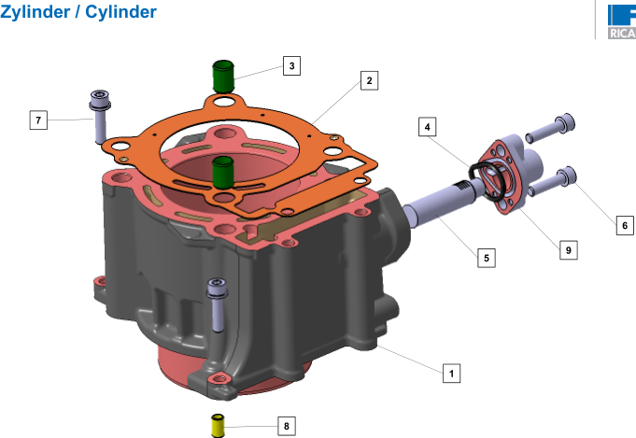
E03-01 | 120020455-0001 | BODY SET,CYLINDER | 1 | PCS
E03-02 | 120150276-0001 | GASKET,CYLINDER HEAD | 1 | PCS
E03-03 | 8552192-01 | PIN,DOWEL | 2 | PCS
E03-04 | 1539692-01 | RING,SEAL | 1 | PCS
E03-05 | 8552549-01 | TENSIONER COMP.,CAM CHAIN | 1 | SET
E03-06 | 9908758-00 | BOLT,LOBULAR SOCKET COUNTERSUNK HEAD | 2 | PCS
E03-07 | 9905558-00 | BOLT/FLAT WASHER SET | 2 | PCS
E03-08 | 8552442-01 | PIN,DOWEL | 1 | PCS
E03-09 | 141810006-0001 | TENSIONER COVER | 1 | PCS
E04 AIR INTAKE AND EXHAUST MECHANISM
...
E04-01 | 8552548-01 | PLATE,TENSION | 1 | PCS
E04-21 | 9444918-01 | ARM COMP.,VALVE ROCKER | 1 | PCS | NOT FOR SERVICE
E04-22 | 7922163-03 | IDLER WHEEL,VALVE ROCKER ARM | 2 | PCS
E04-23 | 8552280-01 | BODY,ROLLER | 2 | PCS | NOT FOR SERVICE
E04-24 | 8552279-01 |  | 2 | PCS | NOT FOR SERVICE
E04-25 | 7922164-02 |  | 2 | PCS | NOT FOR SERVICE
E04-26 | 8552270-01 | VALVE ROCKER AXLE ASSY. | 2 | PCS
E04-27 | 8552288-01 | SHAFT,VALVE ROCKER ARM | 2 | PCS | NOT FOR SERVICE
E04-28 | 9937205-00 | STOPPER | 2 | PCS
E04-29 | 8552358-01 | HEEL BLOCK OF ROCKER ARM | 1 | PCS
E05 CRANKCASE ASSY.
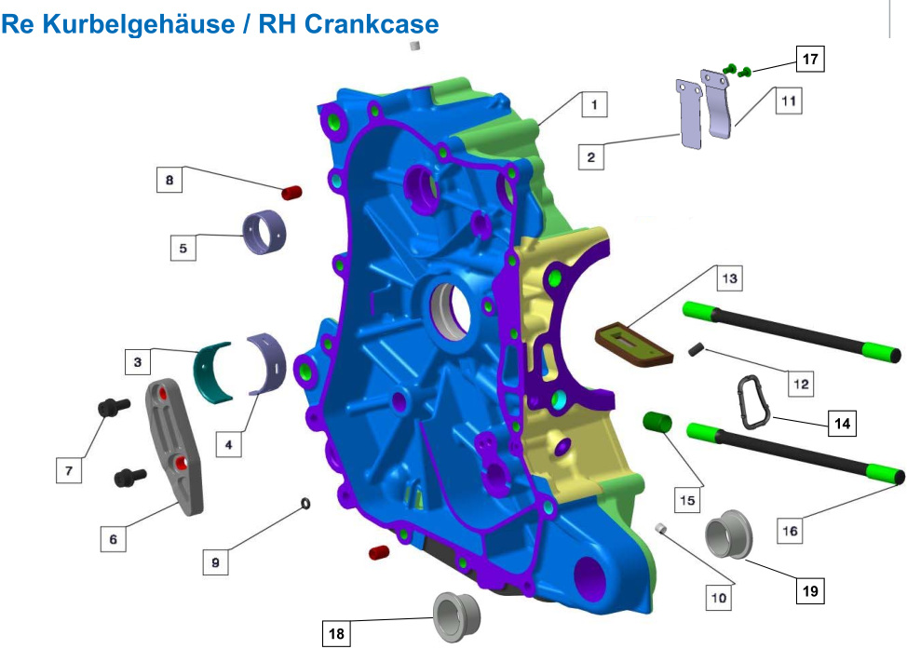
E05-01 | 8552178-08 | BODY SET,RIGHT CRANKCASE | 1 | PCS
E05-02 | 8552553-01 | LEAF | 1 | PCS
E05-03 | 502230004-0001 | BEARING,CRANKSHAFT KIT | 1 | PCS
E05-04 | 502230005-0001 | BEARING,CRANKSHAFT KIT | 1 | PCS
E05-05 | 502230006-0001 | BEARING,CRANKSHAFT KIT | 2 | PCS
E05-06 | 8552301-01 | GUIDING PLATE, CHAIN | 1 | PCS
E05-07 | 380190110-0004 | SCREW,HEXAGON SOCKET | 2 | PCS
E05-08 | 8552189-01 | PIN,DOWEL | 2 | PCS
E05-09 | 8552441-01 | RING,SEAL | 1 | PCS
E05-10 | 7831319-01 | STOPPER | 2 | PCS
E05-11 | 8552554-01 | PLATE,REED VALVE LIMIT | 1 | PCS
E05-12 | 8552361-01 | NOZZLE,OIL | 1 | PCS
E05-13 | 8552175-02 | VALVE,REED | 1 | PCS
E05-14 | 8414487-01 | RING,SEAL | 1 | PCS
E05-15 | 8552192-01 | PIN,DOWEL | 1 | PCS
E05-16 | 8552193-01 | STUD | 2 | PCS
E05-17 | 9909444-00 | BOLT,LOBULAR SOCKET COUNTERSUNK HEAD | 2 | PCS
E05-18 | 8388139-01 | COLLAR,CUSHION | 1 | PCS | NOT FOR SERVICE
E05-19 | 8388140-01 | COLLAR,CUSHION | 1 | PCS | NOT FOR SERVICE
E06 CRANKCASE ASSY.
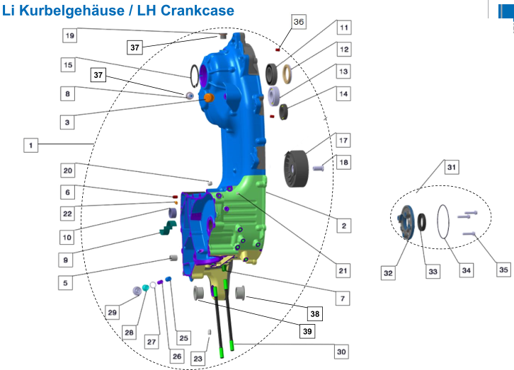
E06-01 | 8552169-04 | CRANKCASE COMP.,LEFT | 1 | SET
E06-02 | 8552170-08 | CRANKCASE COMP.,LEFT | 1 | SET
E06-03 | 8552472-02 | PRESSURE RELEASE VALVE,MAIN REDUCER | 1 | PCS | NOT FOR SERVICE
E06-04
E06-05 | 8552349-01 | PIN,DOWEL | 1 | PCS
E06-06 | 8552189-01 | PIN,DOWEL | 1 | PCS
E06-07 | 8552192-01 | PIN,DOWEL | 1 | PCS
E06-08 | 8552557-01 | SCREW PLUG,SEAL | 1 | PCS
E06-09 | 502230004-0001 | BEARING,CRANKSHAFT | 1 | PCS
E06-10 | 502230006-0001 | BEARING,CRANKSHAFT | 1 | PCS
...
E06-31 | 8552223-01 | COVER ASSY. OF TIMING GEAR | 1 | PCS
E06-32 | 8552224-03 | TIMING CHAIN | 1 | PCS
E06-33 | 8552452-01 | OIL SEAL | 1 | PCS
E06-34 | 8552451-01 | RING,SEAL | 1 | PCS
E06-35 | 9907194-00 | BOLT/FLAT WASHER SET | 3 | PCS
E06-36 | 8552189-01 | PIN,DOWEL | 2 | PCS
E06-37 | 9963253-00 | WASHER,SCREW PLUG | 2 | PCS
E06-38 | 8388139-01 | COLLAR,CUSHION | 1 | PCS | NOT FOR SERVICE
E06-39 | 8388140-01 | COLLAR,CUSHION | 1 | PCS | NOT FOR SERVICE
E07 CRANKCASE ASSY.
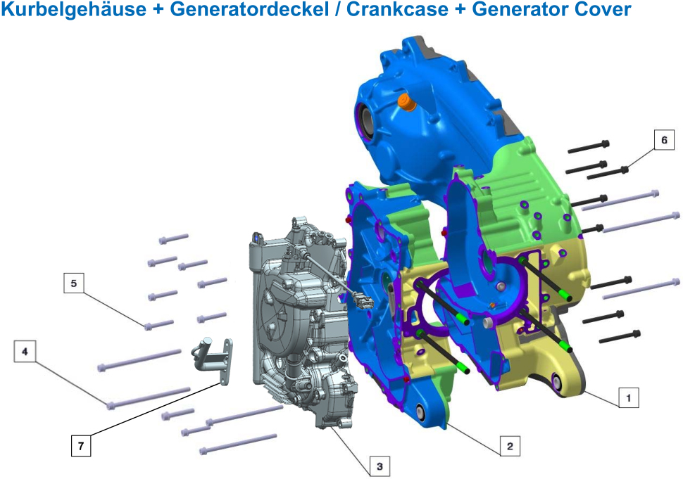
E07-01 | 8552169-04 | CRANKCASE COMP.,LEFT | 1 | SET | NOT FOR SERVICE
E07-02 | 8552177-05 | CRANKCASE COMP.,RIGHT | 1 | SET | NOT FOR SERVICE
E07-03 |  |  | 1
E07-04 | 9909467-00 | BOLT/FLAT WASHER SET | 7 | PCS
E07-05 | 9908760-00 | BOLT/FLAT WASHER SET | 9 | PCS
E07-06 | 9905934-00 | BOLT/FLAT WASHER SET | 8 | PCS
E07-07 | 312140084-0001 | PLATE,SPRING HANGER | 1 | PCS
E08 RIGHT CRANKCASE COVER
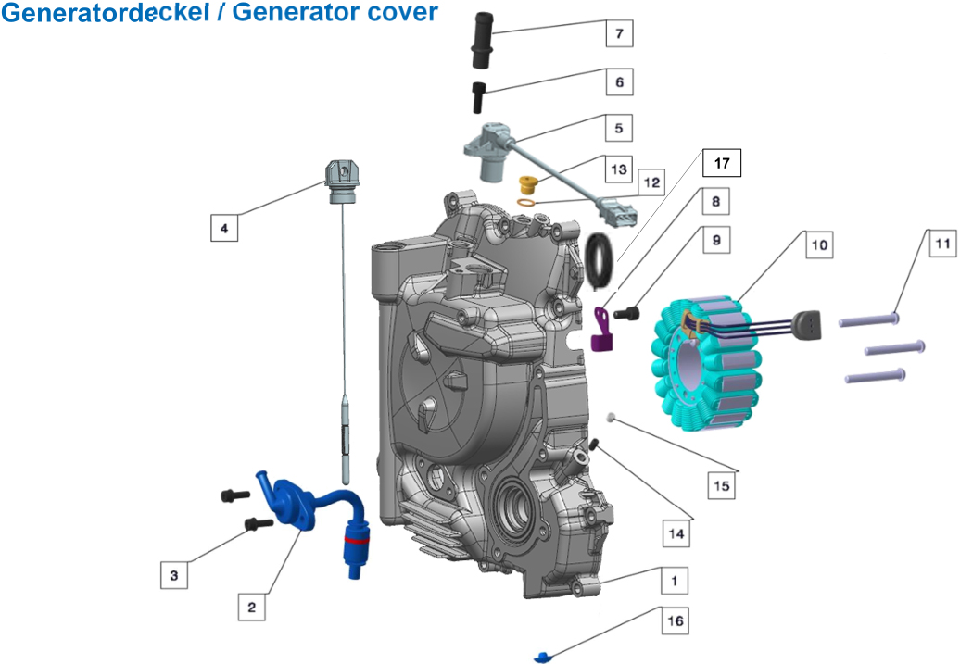
E08-01 | 110600986-0001 | COVER COMP.,RIGHT CRANKCASE | 1 | PCS | NOT FOR SERVICE
E08-02 | 8552285-03 | TEMPERATURE TRANSMITTER | 1 | PCS
E08-03 | 9905535-00 | BOLT/FLAT WASHER SET | 2 | PCS
E08-04 | 110700157-0001 | GAUGE COMP.,OIL LEVEL | 1 | PCS
E08-05 | 281920044-0001 | SPEED SENSOR | 1 | PCS
E08-06 | 9905536-00 | BOLT,LOBULAR SOCKET COUNTERSUNK HEAD | 1 | PCS
E08-07 | 8552447-02 | JOINT,CONNECTING | 1 | PCS | NOT FOR SERVICE
E08-08 | 8552212-01 | PLATE, WIRE PRESSING | 1 | PCS
E08-09 | 9909472-00 | BOLT,LOBULAR SOCKET COUNTERSUNK HEAD | 1 | PCS
E08-10 | 270100339-0001 | STATOR COMP | 1 | SET
...
E09-01 | 8552213-08 | COVER COMP. FOR CVT CASE | 1 | PCS
E09-02 | 111270004-0001 | COVER FOR CVT CASE | 1 | PCS
E09-03 | 8388137-01 | BEARING | 2 | PCS
E09-04 | 8552493-01 | PLATE,REAR GEARBOX PRESSURE | 2 | PCS
E09-05 | 9908631-00 | BOLT,LOBULAR SOCKET COUNTERSUNK HEAD | 1 | PCS
E09-06 | 7590239-01 | BOLT | 3 | PCS
E09-07 | 9905600-00 | BOLT/FLAT WASHER SET | 1 | PCS
E09-08 | 382250047-0001 | FLANGE BOLT | 12 | PCS
E10 CRANKSHAFT AND CONNECTING ROD SET
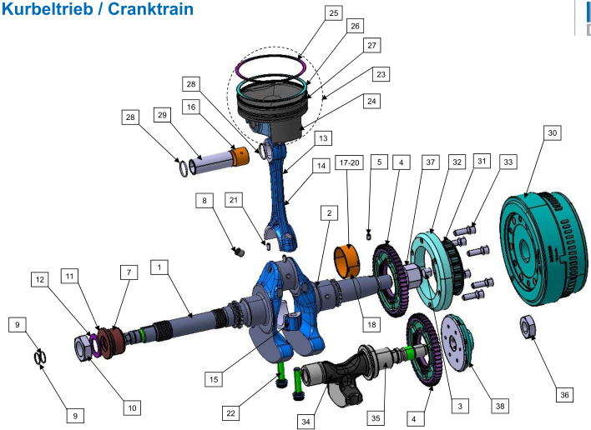
E10-01 | 130290765-0001 | CRANKSHAFT COMP. | 1 | SET
E10-02 | 8552228-05 |  | 1 |  | NOT FOR SERVICE
E10-03 | 9919004-00 |  | 1 |  | NOT FOR SERVICE
E10-04 | 130460038-0001 | GEAR,BALANCING ARBOR DRIVE | 2 | PCS | LK15_M6_L=45;ZnNiVSi
E10-05 | 9909536-00 | PIN,DOWEL | 1 | PCS
E10-06
E10-07 | 8552351-03 |  | 1 |  | NOT FOR SERVICE
E10-08 | 7568039-01 | STOPPER | 1 | PCS | NOT FOR SERVICE
E10-09 | 8552494-01 | RING,SEAL | 2 | PCS
E10-10 | 9904986-00 | NUT,HEXAGON HEAD | 1 | PCS
...
E10-30 | 270020682-0001 | ROTOR COMP. | 1 | SET
E10-31 | 8552251-01 | ISOLATOR,STARTING CLUTCH | 1 | PCS
E10-32 | 8552252-01 | DISC,OVERRUNNING COUPLER DRIVING | 1 | PCS | NOT FOR SERVICE
E10-33 | 9908765-00 | BOLT,LOBULAR SOCKET COUNTERSUNK HEAD | 6 | PCS
E10-34 | 130440019-0001 | BALANCING ARBOR ASSY. | 1 | SET
E10-35 | 130450069-0001 |  | 1 |  | NOT FOR SERVICE
E10-36 | 8388138-01 | NUT,HEXAGON HEAD | 1 | PCS
E10-37 | 9898385-02 | NUT,HEXAGON FLANGE | 1 | PCS
E10-38 | 180360081-0001 | GAS-OIL SEPARATOR COMP. | 1 | SET
E11 TRANSMISSION MECHANISM SET
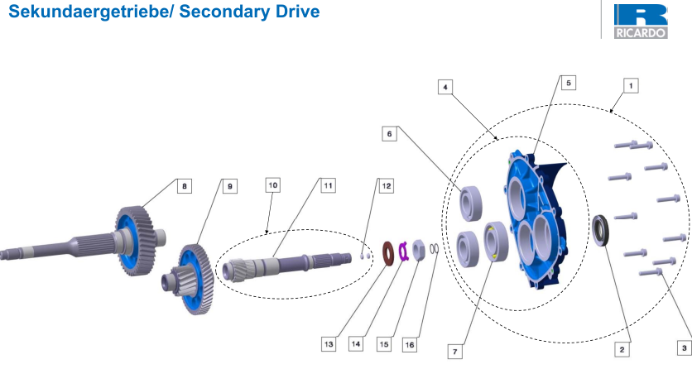
E11-01 | 8552219-03 |  | 1
E11-02 | 8552450-02 | OIL SEAL | 1 | PCS
E11-03 | 9907194-00 | BOLT/FLAT WASHER SET | 10 | PCS
E11-04 | 8552538-05 | COVER FOR GEAR TRANSMISSION CASE | 1 | PCS | NOT FOR SERVICE
E11-05 | 8552220-04 | COVER FOR GEAR TRANSMISSION CASE | 1 | PCS
E11-06 | 9981225-00 | BEARING | 2 | PCS
E11-07 | 8552222-01 | BEARING | 1 | PCS
E11-08 | 193050040-0001 | OUTPUT SHAFT | 1 | PCS
E11-09 | 193030024-0001 | COUNTERSHAFT ASSY.,TRANSMISSION | 1 | PCS
E11-10 | 193010008-0001 | MAINSHAFT ASSY.,TRANSMISSION | 1 | PCS
E11-11 | 193020019-0001 | MAINSHAFT,TRANSMISSION | 1 | PCS | NOT FOR SERVICE
E11-12 | 9937205-00 | STOPPER | 2 | PCS | NOT FOR SERVICE
E11-13 | 8552369-04 | WASHER,PLAIN | 1 | PCS
E11-14 | 8552368-02 | WASHER,LOCK | 1 | PCS
E11-15 | 9904986-00 | NUT,HEXAGON HEAD | 1 | PCS
E11-16 | 8552494-01 | RING,SEAL | 2 | PCS
E12 LUBRICATION SYSTEM
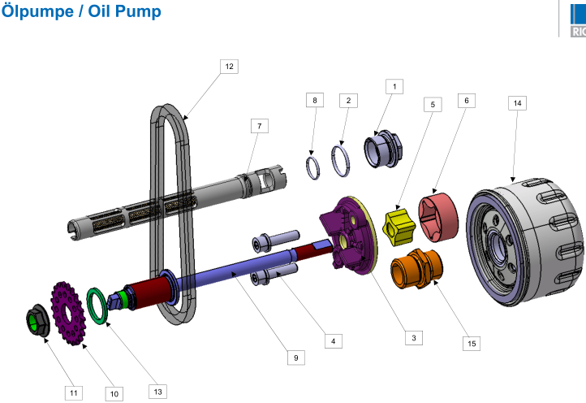
E12-01 | 8552475-02 | SCREW PLUG,SEAL | 1 | PCS
E12-02 | 8552513-01 | RING,SEAL | 1 | PCS
E12-03 | 8552291-03 | CAP,OIL PUMP | 1 | PCS
E12-04 | 9905558-00 | BOLT/FLAT WASHER SET | 2 | PCS
E12-05 | 8552293-01 | ROTOR,INNER | 1 | PCS
E12-06 | 8552294-01 | ROTOR,OUTER | 1 | PCS
E12-07 | 8552295-03 | FILTERING SCREEN, OIL | 1 | PCS
E12-08 | 8552512-01 | RING,SEAL | 1 | PCS
E12-09 | 8552297-03 | TRANSMISSION SHAFT COMP. OF OIL PUMP | 1 | PCS
E12-10 | 150070079-0001 | SPROCKET,OIL PUMP DRIVEN | 1 | PCS
E12-11 | 8552455-01 | NUT,HEXAGON FLANGE | 1 | PCS
E12-12 | 8552300-01 | CHAIN,OIL PUMP | 1 | PCS
E12-13 | 8552552-01 | WASHER,PLAIN | 1 | PCS
E12-14 | 150350061-0001 | OIL FILTER ASSY.,SECONDARY | 1 | SET
E12-15 | 8552440-01 | JOINT,CONNECTING | 1 | PCS
E13 COOLING SYSTEM
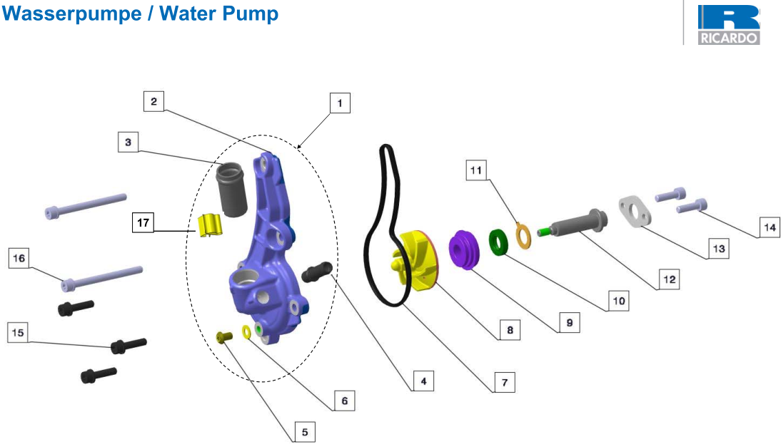
E13-01 | 160470080-0001 | CAP,COOLING PUMP | 1 | PCS
E13-02 | 160570010 | BODY,COOLING PUMP COVER | 1 | PCS | NOT FOR SERVICE
E13-03 | 8552313-02 | JOINT,CONNECTING | 1 | PCS | NOT FOR SERVICE
E13-04 | 8552311-03 | JOINT,CONNECTING | 1 | PCS | NOT FOR SERVICE
E13-05 | 8405995-01 | BOLT | 1 | PCS
E13-06 | 9963044-00 | WASHER,PLAIN | 1 | PCS
E13-07 | 8552308-01 | RING,SEAL | 1 | PCS
E13-08 | 8552306-02 | IMPELLER,COOLING PUMP | 1 | PCS
E13-09 | 7678805-02 | HYDROSEAL STATIONARY ELEMENT COMP.,COOLING PUMP | 1 | PCS
E13-10 | 8552312-01 | OIL SEAL | 1 | PCS
E13-11 | 8552457-01 | PAD,ANTIFRICTION | 1 | PCS
E13-12 | 8552307-04 | SHAFT,COOLING PUMP | 1 | PCS
E13-13 | 8552456-01 | LOCATING PLATE OF COOLING PUMP SHAFT | 1 | PCS
E13-14 | 9905152-00 | BOLT/FLAT WASHER SET | 2 | PCS
E13-15 | 9905558-00 | BOLT/FLAT WASHER SET | 3 | PCS
E13-16 | 9905554-00 | BOLT/FLAT WASHER SET | 2 | PCS
E13-17 | 8566775-01 | RETAININGCLIP | 1
E14 STARTING MECHANISM
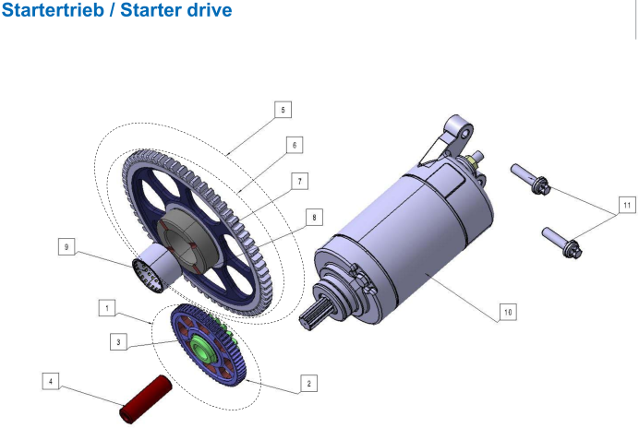
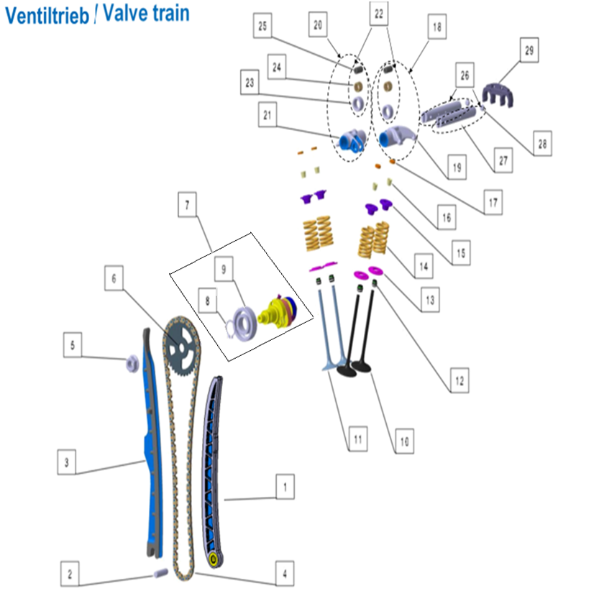
E14-01 | 193190079-0001 | DOUBLE GEAR,ELECTRIC STARTING | 1 | PCS
E14-02 | 8552243-01 |  | 1 |  | NOT FOR SERVICE
E14-03 | 8552245-01 |  | 1 |  | NOT FOR SERVICE
E14-04 | 8552247-01 | SHAFT ASSY.,DUPLEX GEAR | 1 | PCS
E14-05 | 193240061-0001 | PLATE-SHAPED GEAR | 1 | PCS
E14-06 | 8552359-01 |  | 1 |  | NOT FOR SERVICE
E14-07 | 193240062-0001 |  | 1 |  | NOT FOR SERVICE
E14-08 | 8552356-01 |  | 1 |  | NOT FOR SERVICE
E14-09 | 8552250-01 |  | 1 |  | NOT FOR SERVICE
E14-10 | 270350161-0001 | STARTING MOTOR ASSY. | 1 | SET
E14-11 | 9905537-00 | BOLT/FLAT WASHER SET | 2 | PCS
E15 CLUTCH ASSY.
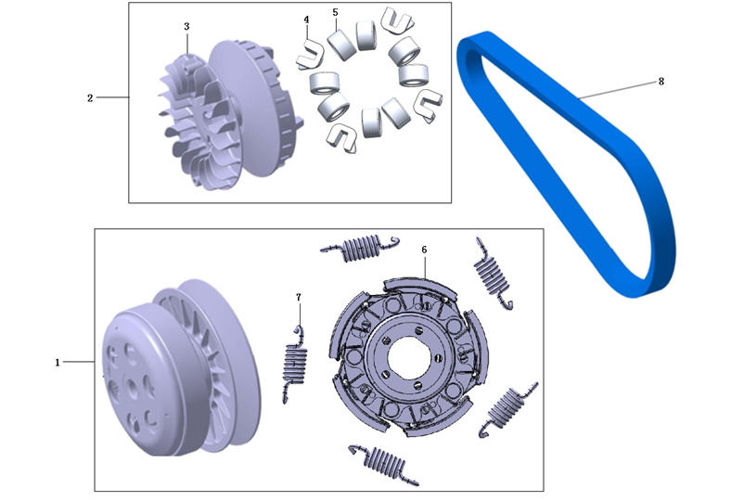
E15-01 | 7924343-01 | BELT PULLEY COMP.,DRIVEN | 1 | SET
E15-02 | 8552185-03 | BELT PULLEY ASSY.,DRIVING | 1 | SET
E15-03 | 8552377-01 | PLATE,DRIVING | 1 | PCS
E15-04 | 8552385-01 | SLIDER PIECE | 4 | PCS
E15-05 | 8552383-01 | ROLLER | 8 | PCS
E15-06 | 7924344-01 | Assy CVT centrifug | 1 | PCS
E15-07 | 9828690-01 | SPRING,CLUTCH | 5 | PCS
E15-08 | 193000047-0001 | BELT | 1 | PCS
E16 THROTTLE COMP.
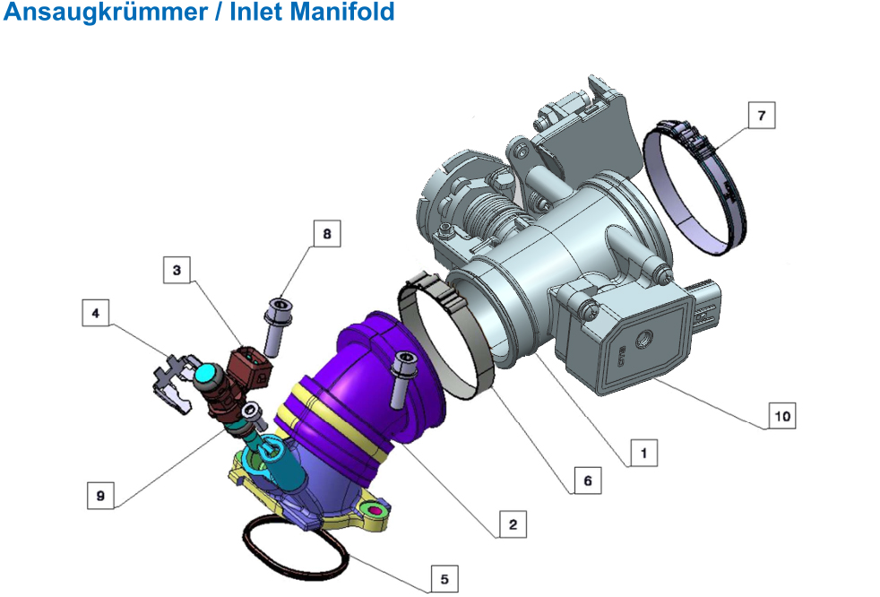
E16-01 | 170310042-0001 | THROTTLE ASSY. | 1 | SET
E16-02 | 180420911-0001 | TUBE,AIR INTAKE | 1 | PCS
E16-03 | 173010040-0001 | FUEL JET | 1 | PCS
E16-04 | 8552534-01 | CLAMP, FUEL JET | 1 | PCS
E16-05 | 8552460-01 | RING,SEAL | 1 | PCS
E16-06 | 7193154-01 | HOOP | 1 | PCS
E16-07 | 8552539-01 | HOOP | 1 | PCS
E16-08 | 9905516-00 | BOLT/FLAT WASHER SET | 2 | PCS
E16-09 | 380190034-0006 | SCREW,HEXAGON SOCKET | 1 | PCS
E16-10 | 170340008-0001 | DUST CAP,THROTTLE | 1 | PCS | NOT FOR SERVICE
E17 AIR CLEANER ASSY.
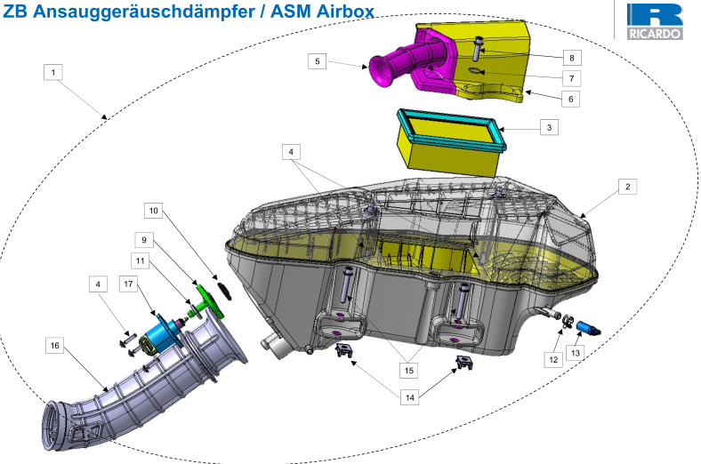
E17-01 | 180021128-0001 | AIR CLEANER COMP. | 1 | PCS
E17-02 | 180040169 | CASE,AIR CLEANER | 1 | PCS | NOT FOR SERVICE
E17-03 | 180100149 | ELEMENT ASSY.,AIR CLEANER | 1 | PCS
E17-04 | 9907480-00 | BOLT/FLAT WASHER SET | 5 | PCS
E17-05 | 180150118 | INTAKE TUBE,AIR CLEANER | 1 | PCS | NOT FOR SERVICE
E17-06 | 180070326 | CAP,AIR CLEANER CASE | 1 | PCS | NOT FOR SERVICE
E17-07 | 8552527-01 | RING,SEAL | 1 | PCS
E17-08 | 380690028 | BOLT/FLAT WASHER SET | 1 | PCS | NOT FOR SERVICE
E17-09 | 8552428-02 |  | 1
E17-10 | 8552425-02 | RING,SEAL | 1 | PCS
E17-11 | 8552537-01 | RING,SEAL | 1 | PCS
E17-12 | 8552499-01 | CLAMP,TUBE | 1 | PCS | NOT FOR SERVICE
E17-13 | 8406206-02 |  | 1 |  | NOT FOR SERVICE
E17-14 | 8543482-01 | NUT,CLIP | 2 | PCS
E17-15 | 380190006-0008 | SCREW,HEXAGON SOCKET | 2 | PCS
E17-16 | 180180249 | TUBE,AIR CLEANER CONNECTING | 1 | PCS | NOT FOR SERVICE
E17-17 | 7702755-01 | IDLING CONTROL VALVE | 1 | PCS
E18 TUBE,BREATHER
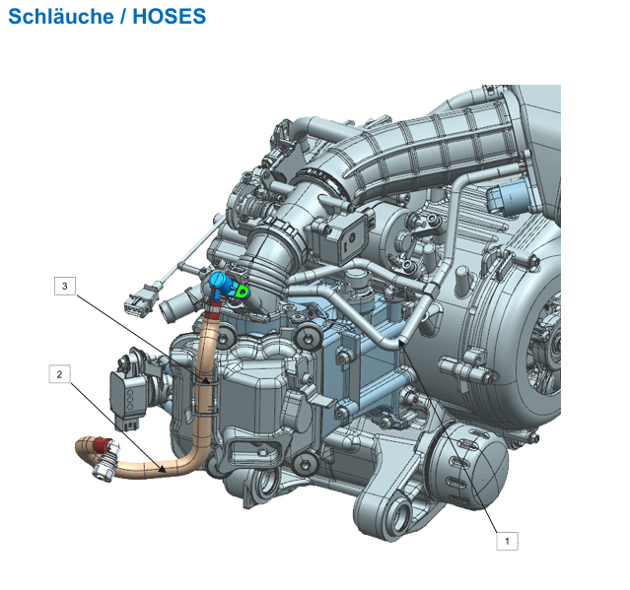
E18-01 | 380741536-0001 | TUBE,BREATHER | 1 | PCS
E18-02 | 175300005-0001 | FUEL TUBE ASSY. | 1 | PCS
E18-03 | 8566875-01 |  | 2
E19 TUBE,WATER
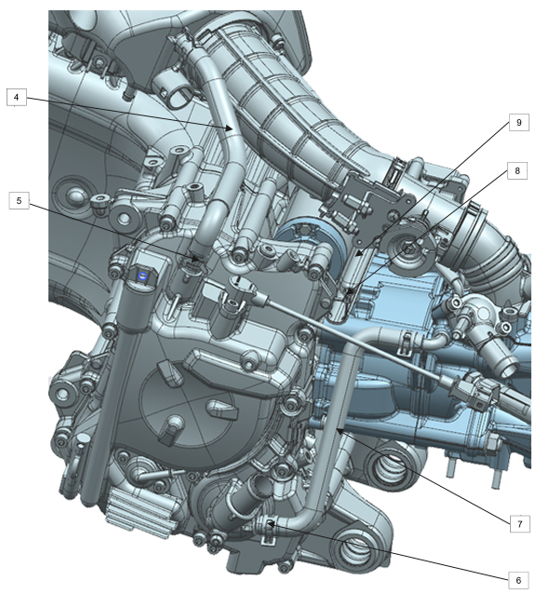
E19-04 | 380741501-0001 | TUBE,BREATHER | 1 | PCS
E19-05 | 380950491-0001 | CLAMP,TUBE | 2 | PCS
E19-06 | 380950487-0001 | CLAMP,TUBE | 2 | PCS
E19-07 | 380760550-0001 | TUBE,WATER | 1 | PCS
E19-08 | 380140002-0013 | BOLT,HEXAGON FLANGE | 2 | PCS
E19-09 | 8566854-02 |  | 1

